Table S1c_A2-cues
Bucher et al. Interactions of ants with native and invasive ladybeetles and the role of chemical cues

Supplementary material S1 – behavioral data and identified substances

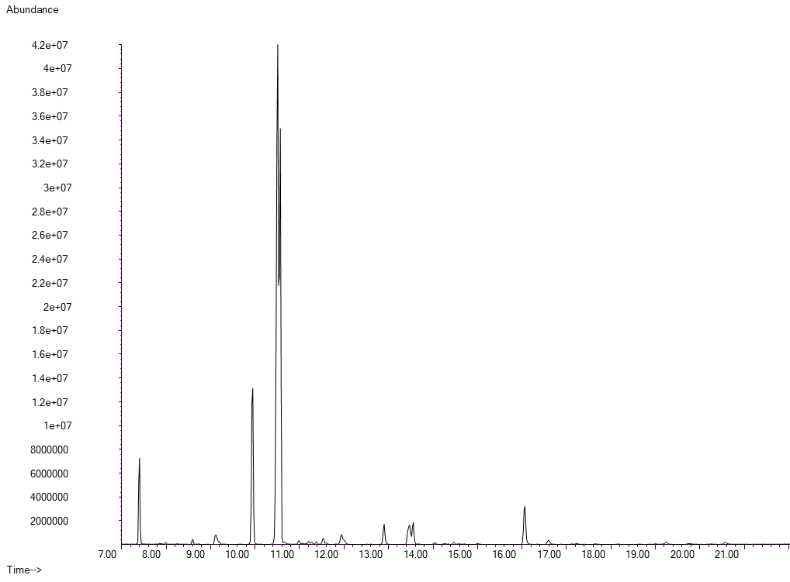
Adalia bipunctata

substance | mean abundance ± SD
n-C20 | 0.02 ± 0.03%
n-C21 | 8.25 ± 2.95%
n-C22 | 0.47 ± 0.09%
9-;8-;7-MeC22 | 1.76 ± 0.64%
n-C23 | 10.34 ± 2.89%
9-MeC23 | 47.37 ± 5.53%
7-MeC23 | 19.96 ± 2.52%
5-MeC23 | 0.21 ± 0.07%
5,15-DiMeC23 | 0.38 ± 0.43%
3,15-DiMeC23 | 0.34 ± 0.68%
10-;9-;8-;7-MeC24 | 1.48 ± 0.2%
n-C25 | 1.65 ± 0.31%
11-MeC25 | 2.08 ± 1.16%
7-MeC25 | 1.49 ± 0.48%
3-MeC25 | 0.32 ± 0.09%
n-C26 | 0.24 ± 0.05%
n-C27 | 3.01 ± 0.97%
11-MeC27 | 0.38 ± 0.46%
n-C29 | 0.19 ± 0.22%
11-MeC29 | 0.16 ± 0.22%

Table S1d_C7-cues
Bucher et al. Interactions of ants with native and invasive ladybeetles and the role of chemical cues

Supplementary material S1 – behavioral data and identified substances

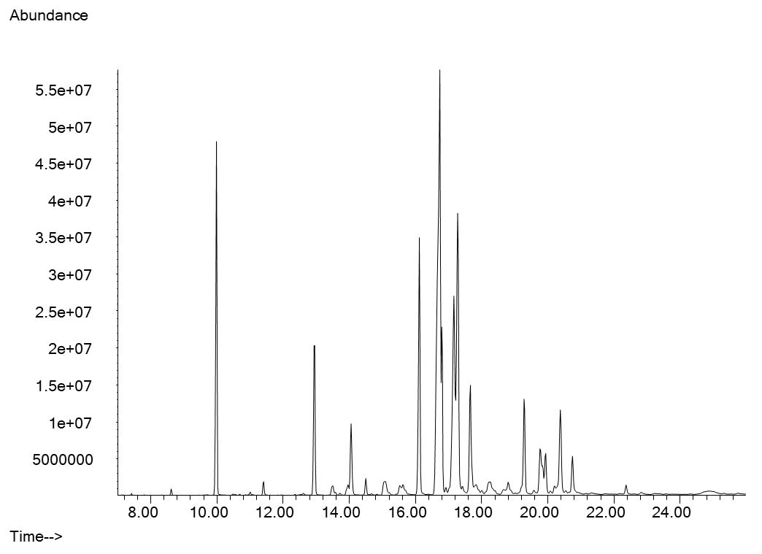
Coccinella septempunctata

substance | mean abundance ± SD
n-C22 | 0.15 ± 0.08%
n-C23 | 6.08 ± 2.14%
n-C24 | 0.35 ± 0.15%
4-MeC24 | 0.35 ± 0.36%
n-C25 | 4.94 ± 1.49%
11-;9-MeC25 | 0.63 ± 0.16%
9,13-DiMeC25 | 0.47 ± 0.13%
7,11-DiMeC25 | 3.17 ± 1.08%
n-C26 | 0.48 ± 0.11%
12-;11-;10-;9-;8-MeC26 | 1.12 ± 0.4%
9,13-DiMeC26 | 0.5 ± 0.19%
7,11 DimeC26 | 0.6 ± 0.22%
n-C27 | 6.84 ± 2.14%
13-;11-;9-MeC27 | 23.5 ± 2.7%
7-MeC27 | 4.39 ± 0.82%
5-MeC27 | 0.2 ± 0.12%
9,13-DiMeC27 | 11.59 ± 1.96%
7,11-DiMeC27 | 12.19 ± 1.36%
7,11,15-TriMeC27 | 5.43 ± 0.57%
15-;13-;11-;10-;9-MeC28 | 1.17 ± 0.25%
unknown DiMeC28 | 0.33 ± 0.1%
7,11-DiMeC28 | 0.36 ± 0.34%
n-C29 | 3.01 ± 0.95%
15-;13-;11-;9-MeC29 | 2.87 ± 1.08%
7-MeC29 | 1.48 ± 0.23%
11,15-DiMeC29 | 0.82 ± 0.33%
7,11-DiMeC29 | 4.18 ± 0.68%
7,11,15-TriMeC29 | 2.13 ± 0.58%
n-C31 | 0.44 ± 0.45%
n-C32 | 0.14 ± 0.21%
13,17-DiMeC33 | 0.21 ± 0.2%
2,12-DiMeC33* | 0.14 ± 0.14%
unknown CHC | 0.19 ± 0.26%
13,17-DiMeC36* | 0.3 ± 0.41%
unknown CHC | 0.15 ± 0.26%
*identification tentative

Table S1e_Ha-cues
Bucher et al. Interactions of ants with native and invasive ladybeetles and the role of chemical cues

Supplementary material S1 – behavioral data and identified substances

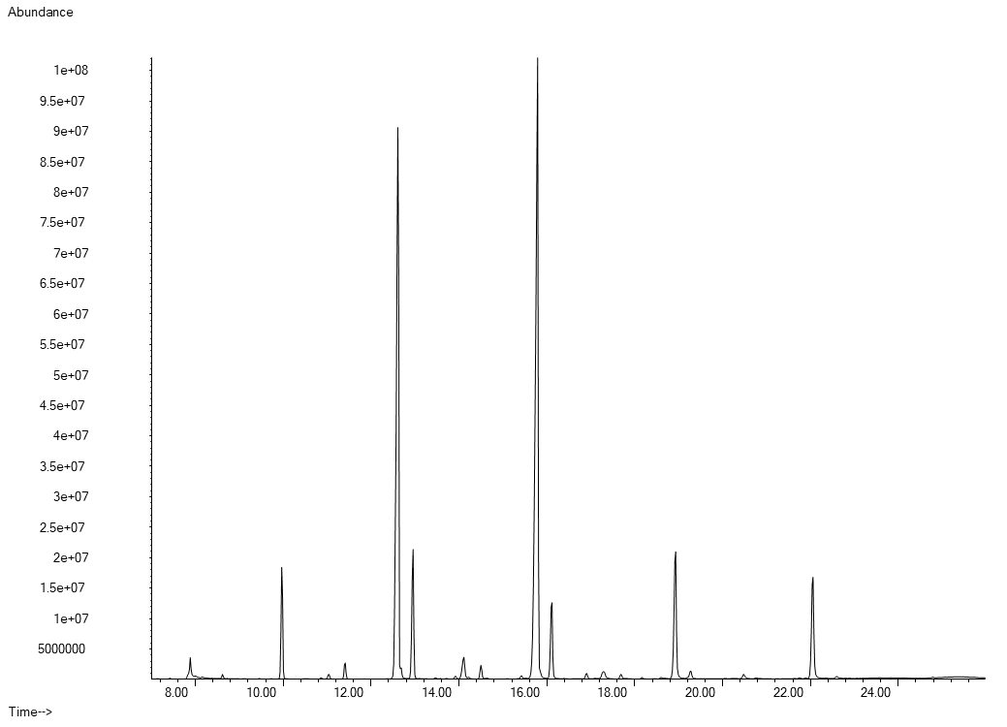
Harmonia axyridis

substances | mean abundance ± SD
C20-ene | 0.11 ± 0.05%
n-C22 | 0.22 ± 0.04%
n-C23 | 14.11 ± 2.64%
C24-ene | 0.32 ± 0.11%
n-C24 | 0.34 ± 0.07%
C25-ene | 28.04 ± 9.89%
n-C25 | 3.76 ± 1.67%
11-;13-MeC25 | 0.17 ± 0.07%
C26-ene | 0.58 ± 0.11%
C27-diene | 0.19 ± 0.1%
C27-diene | 2.98 ± 1.2%
C27-ene | 12.54 ± 1.66%
n-C27 | 0.95 ± 0.96%
13-MeC27 | 0.34 ± 0.13%
C28-diene | 0.27 ± 0.08%
C28-ene | 0.35 ± 0.21%
C28-ene | 0.19 ± 0.12%
C29-diene | 1.52 ± 0.52%
C29-diene | 14.47 ± 7.05%
C29-diene | 0.79 ± 0.41%
C29-ene | 4.24 ± 1.4%
n-C29 | 0.26 ± 0.17%
C31-diene | 6.35 ± 2.9%
C31-diene | 4.51 ± 2.11%
C31-diene | 0.59 ± 0.32%
C31-ene | 0.88 ± 0.48%
C33-diene | 0.41 ± 0.2%
C33-diene | 0.28 ± 0.15%

Table S1f_Hv-cues
Bucher et al. Interactions of ants with native and invasive ladybeetles and the role of chemical cues

Supplementary material S1 – behavioral data and identified substances

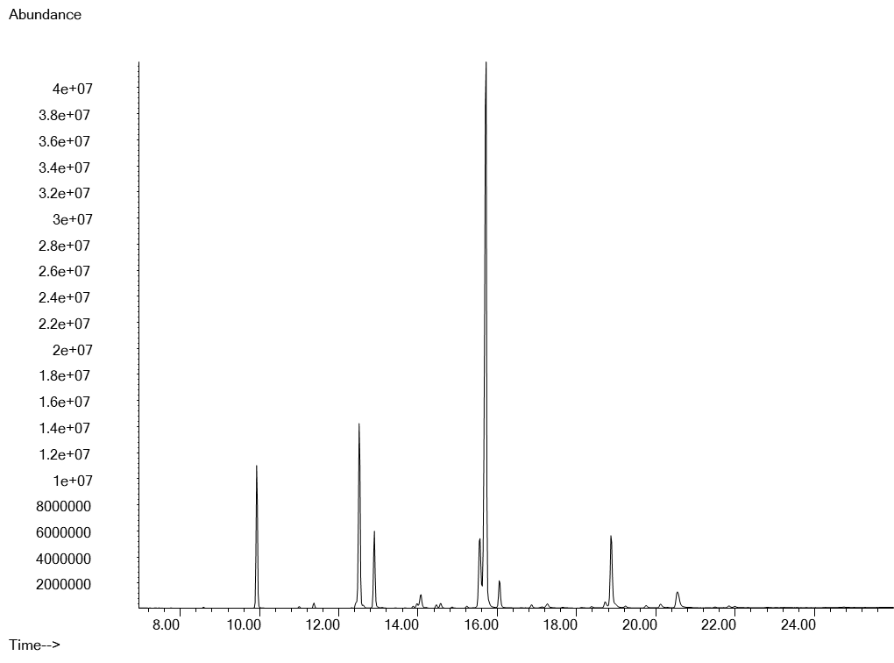
Hippodamia variegata

substances | mean abundance ± SD
n-C23 | 9.54 ± 1.8%
C24-ene | 0.1 ± 0.08%
n-C24 | 0.45 ± 0.11%
C25-ene | 8.63 ± 4.08%
n-C25 | 5.67 ± 0.83%
C26-ene | 1.52 ± 0.44%
n-C26 | 0.36 ± 0.06%
C27-diene | 0.35 ± 0.64%
C27-ene | 4.29 ± 2.43%
C27-ene | 43.12 ± 7.82%
n-C27 | 2.96 ± 2.26%
C28-ene | 0.28 ± 0.27%
C28-ene | 0.72 ± 0.85%
C29-diene | 0.57 ± 0.92%
C29-ene | 13.15 ± 8.2%
C31-ene | 0.52 ± 1.04%

Table S1g_P14-cues
Bucher et al. Interactions of ants with native and invasive ladybeetles and the role of chemical cues

Supplementary material S1 – behavioral data and identified substances

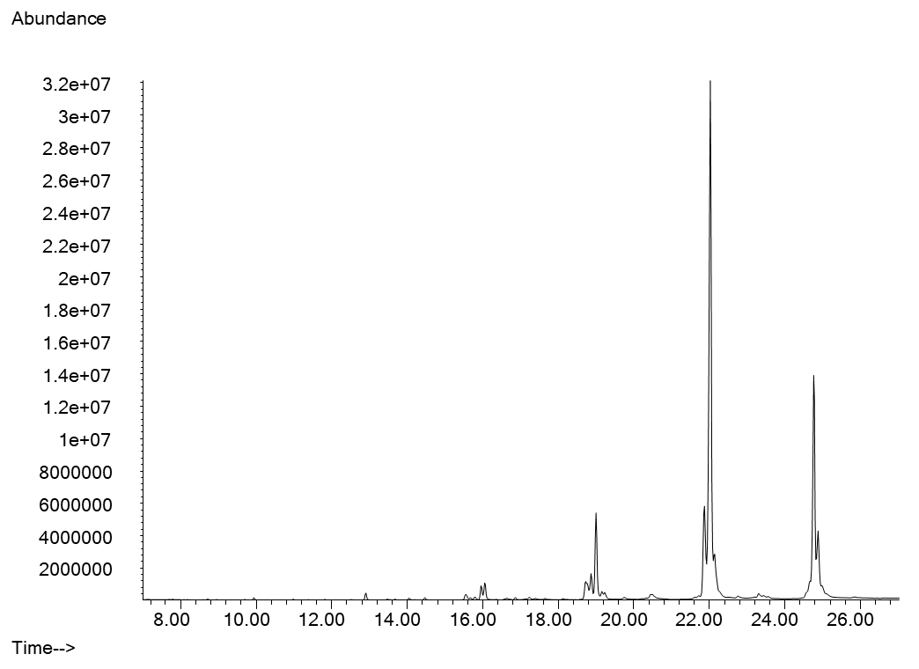
Propylea quatuordecimpunctata

substances | mean abundance ± SD
n-C23 | 0.16 ± 0.13%
4-MeC24 | 0.18 ± 0.19%
n-C25 | 0.93 ± 0.19%
4-;2-MeC25 | 0.24 ± 0.15%
3-MeC25 | 0.47 ± 0.52%
n-C26 | 0.23 ± 0.16%
4-MeC26 | 0.13 ± 0.12%
C27-ene | 1.8 ± 1.56%
n-C27 | 2.93 ± 1.74%
5-MeC27 | 0.35 ± 0.21%
C28-ene | 0.21 ± 0.22%
n-C28 | 0.13 ± 0.13%
C29-ene | 12.11 ± 4.17%
n-C29 | 1.93 ± 0.97%
11-MeC29 | 0.98 ± 0.16%
11,15-DiMeC29 | 0.53 ± 0.53%
7,11-DiMeC29 | 1.3 ± 0.53%
C30-diene | 0.83 ± 0.53%
C30-ene | 0.5 ± 0.3%
n-C31 | 0.1 ± 0.14%
C31-diene | 4.76 ± 2.07%
C31-diene | 59.13 ± 9.88%
11-MeC31 | 0.49 ± 0.77%
C32-diene | 0.84 ± 1.88%
11,15-DiMeC31 | 0.51 ± 1.14%
C33-diene | 9.26 ± 6.75%

