Age Summary
Sample | Lab Run ID | Material | Latitude | Longitude | Interpreted Age | Interpreted Age Error (2σ) | MWSD | %39Ar | Age Type
GD-32 | 174KD68 | Muscovite | 26.391111111 | 33.449166667 | 584 | 4 | 5.8 | 100% | Weighted Average
GD-35 | 178KD68 | Muscovite | 26.388888889 | 33.4525 | 582 | 3.7 | 0.52 | 100% | Plateau
GDg | 189KD68 | Muscovite | 26.393333333 | 33.451944444 | 581.5 | 3.1 | 0.75 | 53% | Plateau
GD21 | 199KD68 | Muscovite | 26.385555556 | 33.453333333 | 584.8 | 3.1 | 0.14 | 71% | Plateau
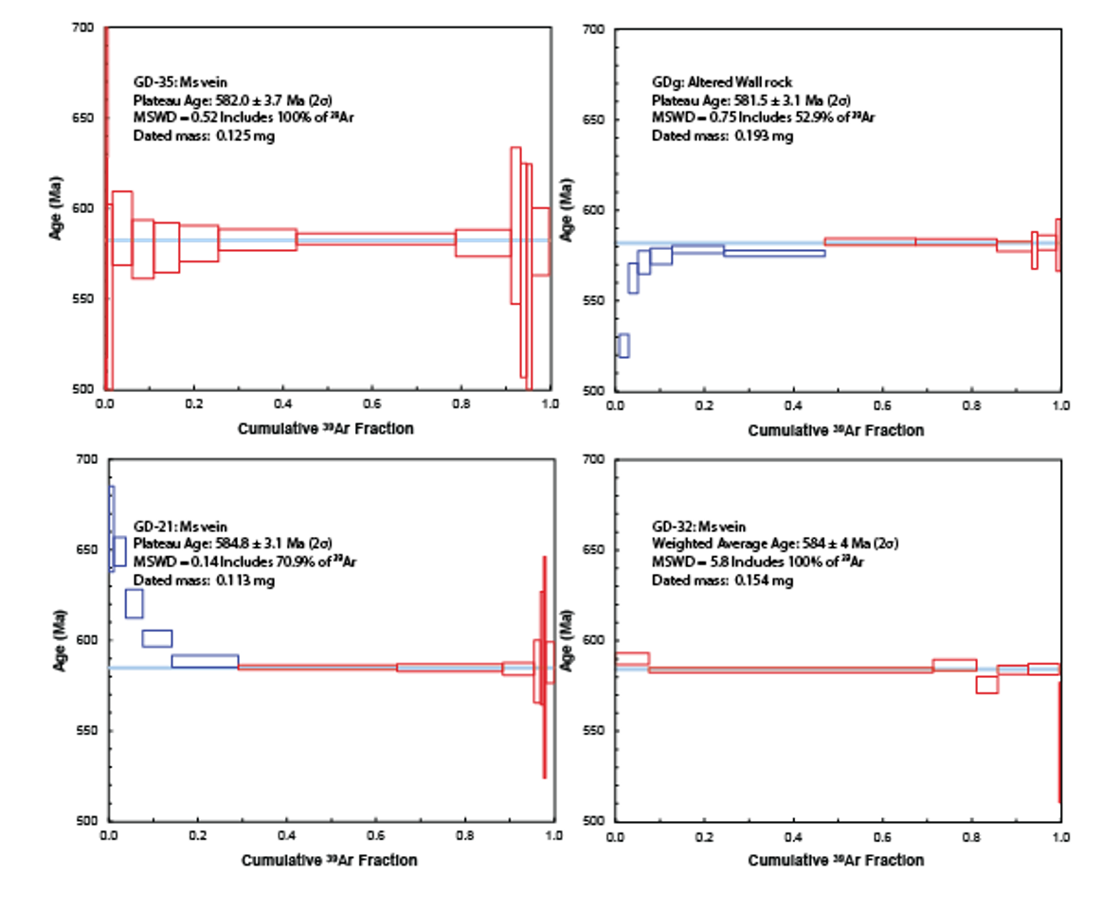
 |  |  |  |  | 583.1 | Wtd Mean (from internal errs)
 |  |  |  |  | 1.7 | 2-sigma err. of mean
 |  |  |  |  | 0.94 | MSWD
 |  |  |  |  | 0.00 | rejected
 |  |  |  |  | 0.42 | Probability of fit

 |  |  |  |  | User specifies
 |  |  |  |  | FALSE | % out
 |  |  |  |  | FALSE | % in
 |  |  |  |  | 2 | Sigma level
 |  |  |  |  | TRUE | Can reject
 |  |  |  |  | FALSE | Const. ext. err

