Table 1
Drillhole | Mineralization Stage | Mineralization Part (see Fig. 7 and ESM 9) | Host Mineral | Fluid Inclusion Origin | ThL-V (°C) | Tmice (°C) | Salinity (wt% NaCl equivalent) | Salinity calculation (wt.% eq NaCl)
ASY2-9 | Ore Stage 2 | Deeper | Quartz2 | Secondary | 150 | -1.8 | 3.06 | wt.% NaCl = 1.78 T - 0.0442 T2 + 0.000557 T3 | Bodnar (1993)
ASY2-9 | Ore Stage 2 | Deeper | Quartz2 | Secondary | 151 | -1.8 | 3.06 | n.d: not detected
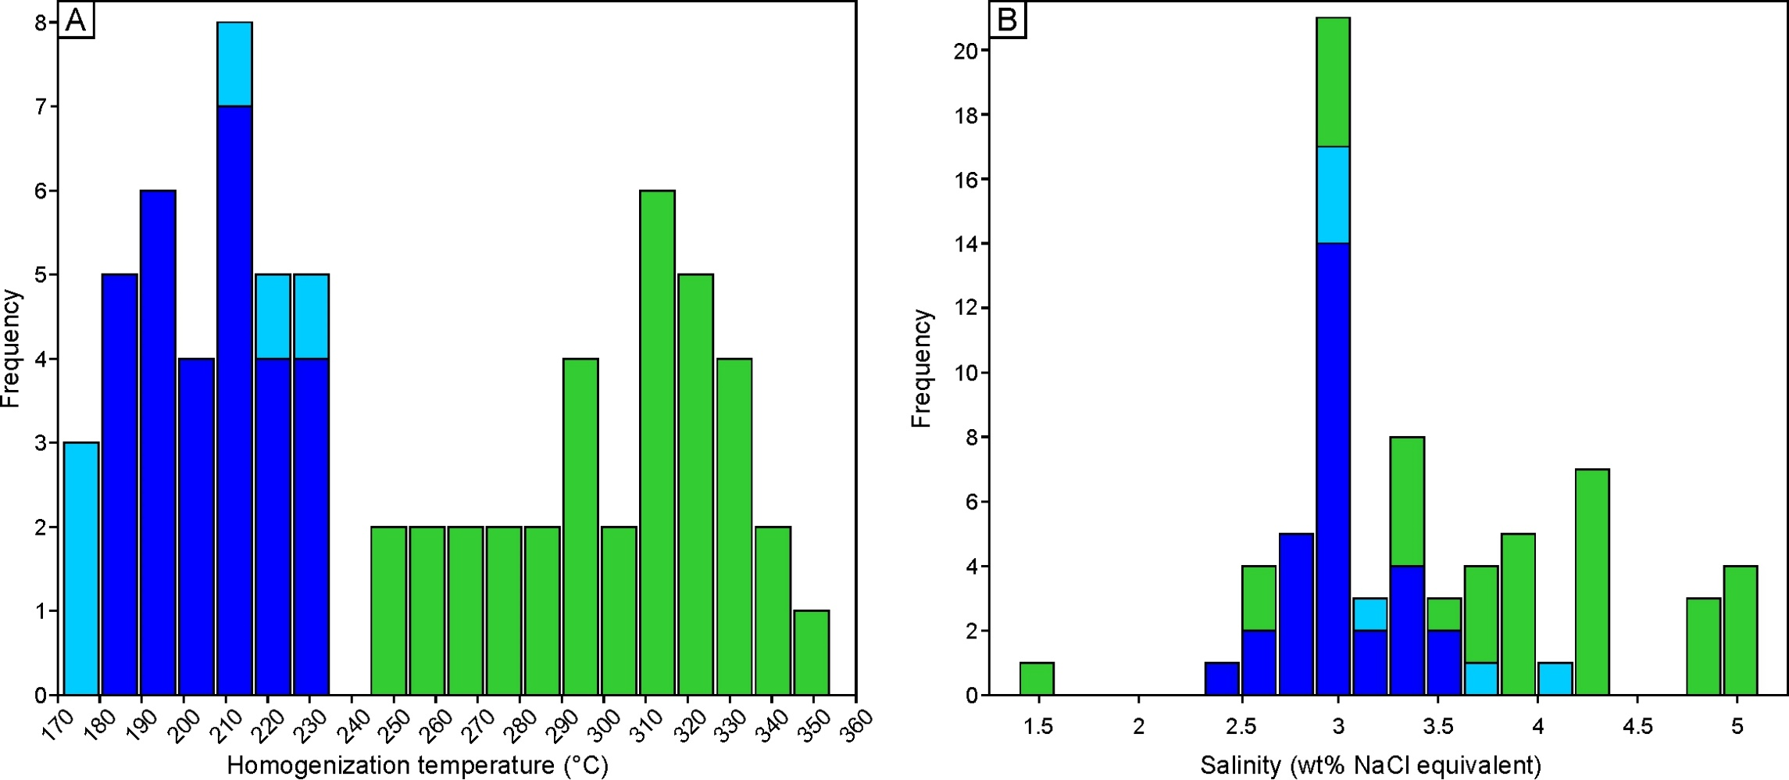
Sphalerite₂
Sphalerite₂
ASY2-9 | Ore Stage 2 | Deeper | Quartz2 | Secondary | 162 | -1.7 | 2.90
ASY2-9 | Ore Stage 2 | Deeper | Quartz2 | Secondary | 164 | -2.2 | 3.71
Shallow level - Quartz₂
Shallow level - Quartz₂
ASY2-9 | Ore Stage 2 | Deeper | Quartz2 | Secondary | 170 | -1.7 | 2.90
Deeper level - Quartz₂
Deeper level - Quartz₂
ASY2-9 | Ore Stage 2 | Deeper | Quartz2 | Secondary | 175 | -3 | 4.96
ASY2-9 | Ore Stage 2 | Deeper | Quartz2 | Secondary | 180 | -1.9 | 3.23
ASY2-9 | Ore Stage 2 | Deeper | Quartz2 | Secondary | 181 | -2.2 | 3.71
ASY2-9 | Ore Stage 2 | Deeper | Quartz2 | Secondary | 197 | -1.6 | 2.74
ASY2-9 | Ore Stage 2 | Deeper | Quartz2 | Secondary | 200 | -1.7 | 2.90
ASY2-9 | Ore Stage 2 | Deeper | Quartz2 | Secondary | 207 | -1.9 | 3.23
ASY2-9 | Ore Stage 2 | Deeper | Quartz2 | Primary - Post entrampment modification | 228 | -1.1 | 1.91
ASY2-9 | Ore Stage 2 | Deeper | Quartz2 | Primary - Post entrampment modification | 239 | -1.7 | 2.90
ASY2-9 | Ore Stage 2 | Deeper | Quartz2 | Primary | 247 | -2 | 3.39
ASY2-9 | Ore Stage 2 | Deeper | Quartz2 | Primary | 251 | -2.1 | 3.55
ASY2-9 | Ore Stage 2 | Deeper | Quartz2 | Primary | 262 | -2.3 | 3.87
ASY2-9 | Ore Stage 2 | Deeper | Quartz2 | Primary | 262 | -1.8 | 3.06
ASY2-9 | Ore Stage 2 | Deeper | Quartz2 | Primary | 265 | -1.5 | 2.57
ASY2-9 | Ore Stage 2 | Deeper | Quartz2 | Primary | 280 | -2 | 3.39
ASY2-9 | Ore Stage 2 | Deeper | Quartz2 | Primary | 286 | -2.3 | 3.87
ASY2-9 | Ore Stage 2 | Deeper | Quartz2 | Primary | 288 | -2 | 3.39
ASY2-9 | Ore Stage 2 | Deeper | Quartz2 | Primary | 295 | -1.7 | 2.90
ASY2-9 | Ore Stage 2 | Deeper | Quartz2 | Primary | 299 | -0.8 | 1.40
ASY2-9 | Ore Stage 2 | Deeper | Quartz2 | Primary | 306 | -1.7 | 2.90
ASY2-9 | Ore Stage 2 | Deeper | Quartz2 | Primary | 314 | -1.5 | 2.57
ASY2-9 | Ore Stage 2 | Deeper | Quartz2 | Primary | 329 | -2 | 3.39
ASY2-10 | Ore Stage 2 | Deeper | Quartz2 | Secondary | 177 | -1.8 | 3.06
ASY2-10 | Ore Stage 2 | Deeper | Quartz2 | Secondary | 192 | -1.7 | 2.90
ASY2-10 | Ore Stage 2 | Deeper | Quartz2 | Secondary | 203 | -3.1 | 5.11
ASY2-10 | Ore Stage 2 | Deeper | Quartz2 | Primary - Post entrampment modification | 230 | -2.2 | 3.71
ASY2-10 | Ore Stage 2 | Deeper | Quartz2 | Primary | 264 | -2.5 | 4.18
ASY2-10 | Ore Stage 2 | Deeper | Quartz2 | Primary | 279 | -2.2 | 3.71
ASY2-10 | Ore Stage 2 | Deeper | Quartz2 | Primary | 292 | -1.7 | 2.90
ASY2-10 | Ore Stage 2 | Deeper | Quartz2 | Primary | 320 | -2.9 | 4.80
ASY2-10 | Ore Stage 2 | Deeper | Quartz2 | Primary | 331 | -2.6 | 4.34
ASY2-10 | Ore Stage 2 | Deeper | Quartz2 | Primary | 340 | -2.3 | 3.87
ASY1-1 | Ore Stage 2 | Deeper | Quartz2 | Primary - Post entrampment modification | 212 | -1.7 | 2.90
ASY1-1 | Ore Stage 2 | Deeper | Quartz2 | Primary | 294 | -3.1 | 5.11
ASY1-1 | Ore Stage 2 | Deeper | Quartz2 | Primary | 308 | -2.6 | 4.34
ASY1-1 | Ore Stage 2 | Deeper | Quartz2 | Primary | 308 | -3 | 4.96
ASY1-1 | Ore Stage 2 | Deeper | Quartz2 | Primary | 310 | -2.6 | 4.34
ASY1-1 | Ore Stage 2 | Deeper | Quartz2 | Primary | 311 | -2.2 | 3.71
ASY1-1 | Ore Stage 2 | Deeper | Quartz2 | Primary | 316 | -2.5 | 4.18
ASY1-1 | Ore Stage 2 | Deeper | Quartz2 | Primary | 316 | -2.3 | 3.87
ASY1-1 | Ore Stage 2 | Deeper | Quartz2 | Primary | 318 | -3.1 | 5.11
ASY1-1 | Ore Stage 2 | Deeper | Quartz2 | Primary | 321 | -2.3 | 3.87
ASY1-1 | Ore Stage 2 | Deeper | Quartz2 | Primary | 322 | -3.1 | 5.11
ASY1-1 | Ore Stage 2 | Deeper | Quartz2 | Primary | 323 | -2.5 | 4.18
ASY1-1 | Ore Stage 2 | Deeper | Quartz2 | Primary | 328 | -2.9 | 4.80
ASY1-1 | Ore Stage 2 | Deeper | Quartz2 | Primary | 332 | -2.9 | 4.80
ASY1-1 | Ore Stage 2 | Deeper | Quartz2 | Primary | 342 | -2.2 | 3.71
ASY1-1 | Ore Stage 2 | Deeper | Quartz2 | Primary | 354 | -2.5 | 4.18
ASY6-1 | Ore Stage 2 | Shallower | Quartz2 | Primary - Post entrampment modification | 160 | n.d. | n.d.
ASY6-1 | Ore Stage 2 | Shallower | Quartz2 | Primary - Post entrampment modification | 167 | n.d. | n.d.
ASY6-1 | Ore Stage 2 | Shallower | Quartz2 | Primary | 180 | n.d. | n.d.
ASY6-1 | Ore Stage 2 | Shallower | Quartz2 | Primary | 172 | n.d. | n.d.
ASY6-1 | Ore Stage 2 | Shallower | Quartz2 | Primary | 181 | n.d. | n.d.
ASY6-1 | Ore Stage 2 | Shallower | Quartz2 | Primary | 217 | -2.4 | 4.03
ASY6-1 | Ore Stage 2 | Shallower | Quartz2 | Primary | 210 | -2 | 3.39
ASY6-1 | Ore Stage 2 | Shallower | Quartz2 | Primary | 180 | -1.9 | 3.23
ASY16-2 | Ore Stage 2 | Shallower | Quartz2 | Primary | 171 | -1.8 | 3.06
ASY16-2 | Ore Stage 2 | Shallower | Quartz2 | Primary | 174 | -1.8 | 3.06
ASY16-2 | Ore Stage 2 | Shallower | Quartz2 | Primary | 230 | -1.8 | 3.06
ASY6-1 | Ore Stage 2 | Shallower | Sphalerite2 | Primary or Secondary? | 224 | -1.6 | 2.74
ASY6-1 | Ore Stage 2 | Shallower | Sphalerite2 | Primary or Secondary? | 197 | -1.9 | 3.23
ASY6-1 | Ore Stage 2 | Shallower | Sphalerite2 | Primary or Secondary? | 193 | -1.6 | 2.74
ASY6-1 | Ore Stage 2 | Shallower | Sphalerite2 | Primary or Secondary? | 194 | -1.5 | 2.57
ASY6-1 | Ore Stage 2 | Shallower | Sphalerite2 | Primary or Secondary? | 231 | -1.7 | 2.90
ASY6-1 | Ore Stage 2 | Shallower | Sphalerite2 | Primary or Secondary? | 208 | -1.7 | 2.90
ASY6-1 | Ore Stage 2 | Shallower | Sphalerite2 | Primary or Secondary? | 204 | -1.6 | 2.74
ASY6-1 | Ore Stage 2 | Shallower | Sphalerite2 | Primary or Secondary? | 225 | -1.7 | 2.90
ASY6-1 | Ore Stage 2 | Shallower | Sphalerite2 | Primary or Secondary? | 221 | -1.7 | 2.90
ASY6-1 | Ore Stage 2 | Shallower | Sphalerite2 | Primary or Secondary? | 199 | -1.7 | 2.90
ASY6-1 | Ore Stage 2 | Shallower | Sphalerite2 | Primary or Secondary? | 228 | -1.7 | 2.90
ASY6-1 | Ore Stage 2 | Shallower | Sphalerite2 | Primary or Secondary? | 187 | -1.8 | 3.06
ASY6-1 | Ore Stage 2 | Shallower | Sphalerite2 | Primary or Secondary? | 190 | -1.8 | 3.06
ASY6-1 | Ore Stage 2 | Shallower | Sphalerite2 | Primary or Secondary? | 225 | -1.8 | 3.06
ASY6-1 | Ore Stage 2 | Shallower | Sphalerite2 | Primary or Secondary? | 233 | -1.8 | 3.06
ASY6-1 | Ore Stage 2 | Shallower | Sphalerite2 | Primary or Secondary? | 233 | -1.8 | 3.06
ASY6-1 | Ore Stage 2 | Shallower | Sphalerite2 | Primary or Secondary? | 209 | -1.7 | 2.90
ASY6-1 | Ore Stage 2 | Shallower | Sphalerite2 | Primary or Secondary? | 197 | -1.7 | 2.90
ASY6-1 | Ore Stage 2 | Shallower | Sphalerite2 | Primary or Secondary? | 204 | -1.4 | 2.41
ASY16-2 | Ore Stage 2 | Shallower | Sphalerite2 | Primary or Secondary? | 182 | -1.9 | 3.23
ASY16-2 | Ore Stage 2 | Shallower | Sphalerite2 | Primary or Secondary? | 184 | -2 | 3.39
ASY16-2 | Ore Stage 2 | Shallower | Sphalerite2 | Primary or Secondary? | 185 | -1.5 | 2.57
ASY16-2 | Ore Stage 2 | Shallower | Sphalerite2 | Primary or Secondary? | 193 | -1.7 | 2.90
ASY16-2 | Ore Stage 2 | Shallower | Sphalerite2 | Primary or Secondary? | 215 | -2.1 | 3.55
ASY16-2 | Ore Stage 2 | Shallower | Sphalerite2 | Primary or Secondary? | 210 | -2.1 | 3.55
ASY16-2 | Ore Stage 2 | Shallower | Sphalerite2 | Primary or Secondary? | 206 | -1.6 | 2.74
ASY16-2 | Ore Stage 2 | Shallower | Sphalerite2 | Primary or Secondary? | 216 | -2 | 3.39
ASY16-2 | Ore Stage 2 | Shallower | Sphalerite2 | Primary or Secondary? | 213 | -2 | 3.39
ASY16-2 | Ore Stage 2 | Shallower | Sphalerite2 | Primary or Secondary? | 211 | -2 | 3.39
ASY16-2 | Ore Stage 2 | Shallower | Sphalerite2 | Primary or Secondary? | 185 | -1.6 | 2.74
All inclusions are two at room temperature (L-V).
Total homogenization is to the liquid phase.

Figure 1
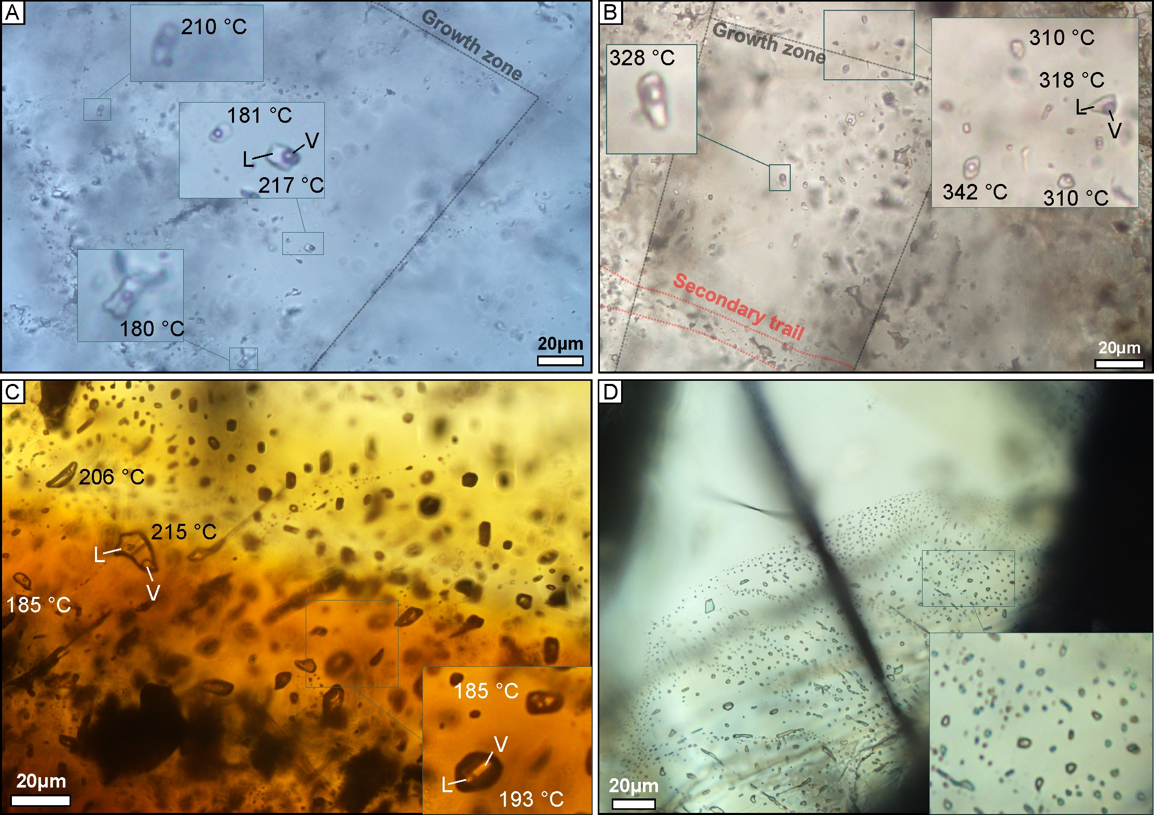

Microphotographs illustrating fluid inclusions within Ore Stage 2 minerals. A) Liquid–vapor fluid inclusions in quartz from shallow level (Qtz₂). B) Liquid–vapor fluid inclusions in quartz from deeper level (Qtz₂). C) Liquid–vapor fluid inclusions in sphalerite Sp₂. D) Monophase inclusions in sphalerite Sp₂. Homogenization temperatures (T_{h} °C) are indicated for the corresponding inclusions. V: vapor phase, L: liquid phase.

