Figure 1
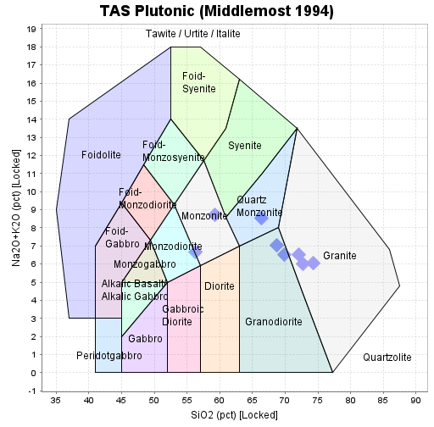
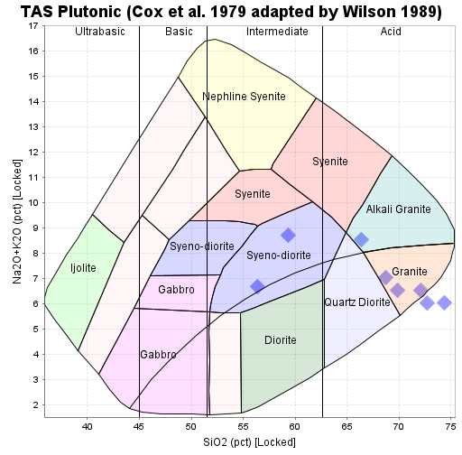

References:
Cox KG, Bell JD, Pankhurst RJ (1979) The Interpretation of Igneous Rocks. Allen and Unwin, London, p 450
Middlemost EAK (1994) Naming materials in the magma/igneous rock system. Earth Sci Rev 37:215-224
Wilson M (1989) Igneous Petrogenesis. Unwin Hyman, London, 466 pp

