Y-77A (CDa)
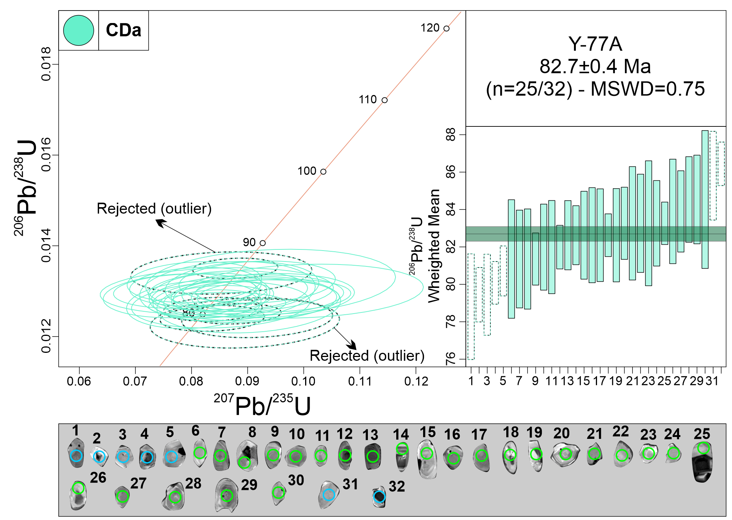
Measurement Point (WM - weighted mean) | Pb (U) AGES |  |  |  |  |  | NORMAL CONCORDIA FORMAT
 | 206Pb/238U |  | 207Pb/235U |  | 207Pb/206Pb |  | 207Pb/235U |  | 206Pb/238U
 | AGE (Ma) | +/- 2 S.D. | AGE (Ma) | +/- 2 S.D. | AGE (Ma) | +/- 2 S.D. | Ratio | 1s % | Ratio | 1s % | Rho
1 - WM outlier | 79.2 | 1.5 | 81.6 | 6.8 | 150 | 208 | 0.0837 | 4.54 | 0.0124 | 0.94 | 0.15
2 - WM outlier | 79 | 2.9 | 87 | 12.1 | 314 | 342 | 0.0895 | 7.71 | 0.0123 | 1.84 | 0.15
3 - WM outlier | 82.7 | 1.9 | 91.9 | 10 | 338 | 264 | 0.0947 | 5.91 | 0.0129 | 1.15 | 0.15
4 - WM outlier | 79.7 | 2.2 | 89.1 | 10.4 | 348 | 266 | 0.0917 | 6.00 | 0.0124 | 1.4 | 0.15
5 - WM outlier | 81.2 | 3.2 | 87.7 | 10.7 | 266 | 332 | 0.0902 | 7.43 | 0.0127 | 2 | 0.15
6 | 82.9 | 1.6 | 85 | 5.4 | 142 | 152 | 0.0873 | 3.44 | 0.0129 | 0.98 | 0.15
7 | 82.7 | 2.4 | 87.5 | 12.3 | 218 | 356 | 0.09 | 7.78 | 0.0129 | 1.46 | 0.15
8 | 80.4 | 1.2 | 85.6 | 6.1 | 232 | 170 | 0.0879 | 3.75 | 0.0125 | 0.73 | 0.15
9 | 81.6 | 2.7 | 83 | 11.8 | 122 | 290 | 0.0852 | 7.63 | 0.0127 | 1.65 | 0.15
10 | 82.6 | 2.6 | 81.2 | 7.2 | 40 | 154 | 0.0832 | 5.29 | 0.0129 | 1.58 | 0.15
11 | 83.8 | 2.8 | 86.6 | 9.2 | 166 | 284 | 0.089 | 6.29 | 0.0131 | 1.71 | 0.15
12 | 86.4 | 1.2 | 85.4 | 5.3 | 58 | 138 | 0.0878 | 3.53 | 0.0135 | 0.69 | 0.15
13 | 84.2 | 2.3 | 78.6 | 8.9 | 0 | 48 | 0.0805 | 6.09 | 0.0132 | 1.39 | 0.15
14 | 84.4 | 2.4 | 89.1 | 10.3 | 218 | 282 | 0.0917 | 6.22 | 0.0132 | 1.44 | 0.15
15 | 83.2 | 2 | 77 | 9.7 | 0 | 40 | 0.0788 | 6.60 | 0.013 | 1.19 | 0.15
16 | 82.4 | 2.5 | 76.4 | 10 | 0 | 58 | 0.0782 | 7.29 | 0.0129 | 1.54 | 0.15
17 | 83.2 | 3.1 | 96.6 | 16 | 440 | 386 | 0.0998 | 8.82 | 0.013 | 1.87 | 0.15
18 | 83.9 | 2.2 | 78.8 | 8.9 | 0 | 62 | 0.0807 | 5.95 | 0.0131 | 1.33 | 0.15
19 | 83 | 2.7 | 82.4 | 15.8 | 64 | 284 | 0.0845 | 10.06 | 0.013 | 1.62 | 0.15
20 | 82.1 | 2.3 | 88.2 | 11.2 | 256 | 316 | 0.0907 | 7.06 | 0.0128 | 1.44 | 0.15
21 | 83.4 | 3.4 | 84.1 | 11.6 | 104 | 264 | 0.0864 | 7.41 | 0.013 | 2.06 | 0.15
22 | 82.3 | 2.6 | 87 | 12.3 | 218 | 342 | 0.0895 | 7.49 | 0.0128 | 1.56 | 0.15
23 | 81.3 | 2.7 | 78.5 | 7.8 | 0 | 130 | 0.0804 | 6.09 | 0.0127 | 1.69 | 0.15
24 | 83.3 | 2.3 | 84.3 | 10.7 | 110 | 258 | 0.0865 | 6.71 | 0.013 | 1.41 | 0.15
25 | 83.2 | 1.2 | 84.8 | 4.2 | 130 | 136 | 0.0871 | 2.99 | 0.013 | 0.7 | 0.15
26 | 81.8 | 1.2 | 81.9 | 5.7 | 84 | 168 | 0.084 | 3.69 | 0.0128 | 0.73 | 0.15
27 | 82.5 | 1.2 | 82.7 | 6.2 | 88 | 182 | 0.0849 | 4.12 | 0.0129 | 0.71 | 0.15
28 | 81.6 | 1.4 | 82.4 | 9.3 | 106 | 236 | 0.0846 | 5.91 | 0.0127 | 0.88 | 0.15
29 | 85.7 | 2.4 | 83.1 | 11.9 | 8 | 182 | 0.0853 | 7.74 | 0.0134 | 1.42 | 0.15
30 | 81 | 1.4 | 81.7 | 6.4 | 102 | 200 | 0.0838 | 4.30 | 0.0126 | 0.85 | 0.15
31 - WM outlier | 82.4 | 2.5 | 90.2 | 11.6 | 302 | 318 | 0.0929 | 7.10 | 0.0129 | 1.55 | 0.15
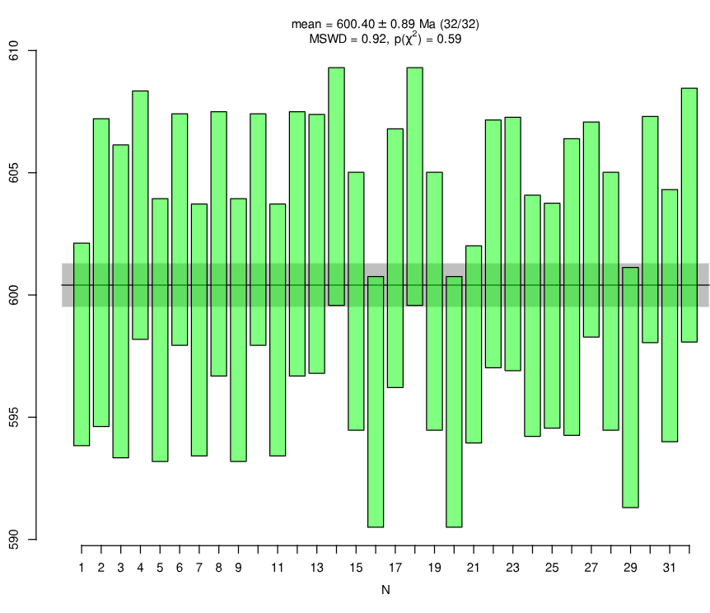
GJ-1
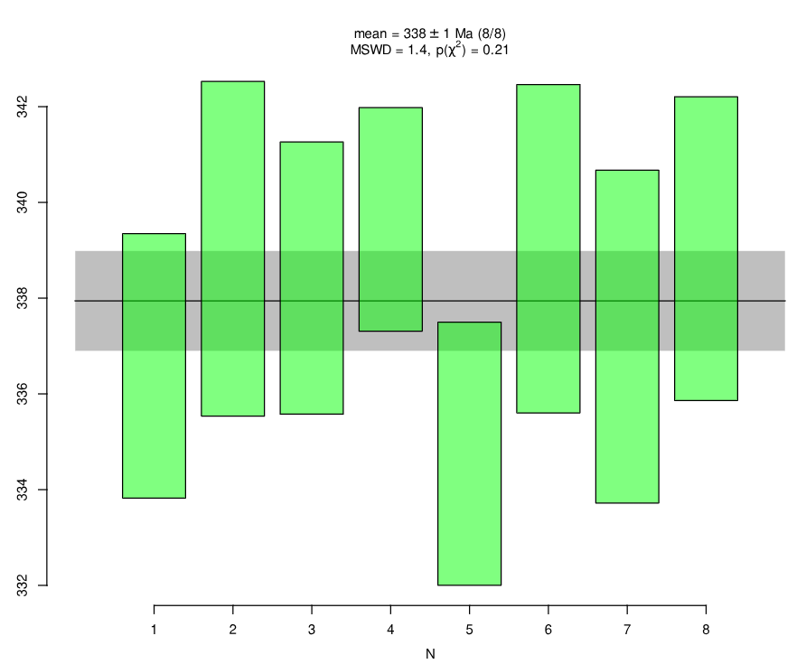
Plešovice
32 - WM outlier | 84.8 | 3.8 | 91.3 | 14.5 | 264 | 432 | 0.0941 | 9.67 | 0.0132 | 2.24 | 0.15
Discordant 1 | 84.3 | 1.8 | 95.6 | 12.3 | 386 | 276 | 0.0987 | 6.18 | 0.0132 | 1.09 | 0.15
Discordant 2 | 84.6 | 2.8 | 101.2 | 13.8 | 512 | 342 | 0.1048 | 7.92 | 0.0132 | 1.68 | 0.15
Discordant 3 | 99.9 | 3.6 | 359.7 | 35.4 | 2804 | 148 | 0.4251 | 4.92 | 0.0156 | 1.82 | 0.15
Discordant 4 | 83.3 | 1.6 | 107.2 | 14.1 | 676 | 282 | 0.1113 | 6.65 | 0.013 | 0.99 | 0.15
Discordant 5 | 84.2 | 3.1 | 129.1 | 13.9 | 1062 | 250 | 0.1356 | 6.49 | 0.0132 | 1.86 | 0.15
Discordant 6 | 86 | 2.5 | 135.1 | 15.2 | 1116 | 246 | 0.1423 | 6.32 | 0.0134 | 1.48 | 0.15
Discordant 7 | 85.8 | 2.8 | 118.4 | 12.6 | 834 | 236 | 0.1237 | 5.90 | 0.0134 | 1.64 | 0.15
Discordant 8 | 90.5 | 3.3 | 212.4 | 34.6 | 1946 | 228 | 0.2327 | 6.57 | 0.0141 | 1.83 | 0.15
Discordant 9 | 84.8 | 3.8 | 91.3 | 14.5 | 264 | 432 | 0.0941 | 9.67 | 0.0132 | 2.24 | 0.15
Primary standard (GJ-1)
GJ-1 01 | 597.9 | 4.3 | 600.7 | 12 | 610 | 62 | 0.8068 | 1.47 | 0.0972 | 0.37 | 0.15
GJ-1 02 | 601 | 6.4 | 603.6 | 14.1 | 612 | 68 | 0.812 | 1.67 | 0.0977 | 0.56 | 0.15
GJ-1 03 | 599.5 | 6.5 | 601.6 | 11.2 | 608 | 60 | 0.8084 | 1.48 | 0.0975 | 0.57 | 0.15
GJ-1 04 | 603.3 | 5.2 | 602.8 | 12 | 600 | 60 | 0.8105 | 1.43 | 0.0981 | 0.45 | 0.15
GJ-1 05 | 598.3 | 5.4 | 608.7 | 14.9 | 646 | 64 | 0.8211 | 1.60 | 0.0973 | 0.48 | 0.15
GJ-1 06 | 602.6 | 4.9 | 590.2 | 10.4 | 542 | 52 | 0.7882 | 1.26 | 0.098 | 0.42 | 0.15
GJ-1 07 | 598.5 | 5.3 | 603.6 | 13.9 | 622 | 70 | 0.812 | 1.69 | 0.0973 | 0.46 | 0.15
GJ-1 08 | 602.1 | 5.5 | 606 | 12.9 | 620 | 62 | 0.8164 | 1.53 | 0.0979 | 0.48 | 0.15
GJ-1 09 | 598.3 | 5.4 | 608.4 | 14.9 | 646 | 66 | 0.8206 | 1.60 | 0.0973 | 0.48 | 0.15
GJ-1 10 | 602.6 | 4.9 | 590.1 | 10.4 | 542 | 52 | 0.7881 | 1.26 | 0.098 | 0.42 | 0.15
GJ-1 11 | 598.5 | 5.3 | 603.7 | 13.9 | 622 | 72 | 0.8122 | 1.69 | 0.0973 | 0.46 | 0.15
GJ-1 12 | 602.1 | 5.5 | 606.3 | 12.9 | 620 | 62 | 0.8168 | 1.53 | 0.0979 | 0.48 | 0.15
GJ-1 13 | 601.9 | 5.4 | 612.3 | 13.8 | 650 | 68 | 0.8277 | 1.69 | 0.0979 | 0.47 | 0.15
GJ-1 14 | 604.5 | 4.9 | 599.5 | 12.4 | 580 | 64 | 0.8047 | 1.53 | 0.0983 | 0.43 | 0.15
GJ-1 15 | 599.5 | 5.4 | 593.2 | 12.4 | 568 | 60 | 0.7936 | 1.45 | 0.0975 | 0.47 | 0.15
GJ-1 16 | 595.6 | 5.2 | 603.5 | 11.6 | 632 | 56 | 0.8118 | 1.40 | 0.0968 | 0.46 | 0.15
GJ-1 17 | 601.8 | 5.4 | 613 | 13.9 | 654 | 70 | 0.829 | 1.69 | 0.0978 | 0.47 | 0.15
GJ-1 18 | 604.5 | 4.9 | 599.7 | 12.4 | 580 | 64 | 0.8051 | 1.53 | 0.0983 | 0.43 | 0.15
GJ-1 19 | 599.5 | 5.4 | 593 | 12.4 | 568 | 60 | 0.7932 | 1.45 | 0.0975 | 0.47 | 0.15
GJ-1 20 | 595.7 | 5.2 | 602.8 | 11.6 | 628 | 56 | 0.8106 | 1.41 | 0.0968 | 0.46 | 0.15
GJ-1 21 | 598.3 | 4.2 | 608.1 | 11.8 | 644 | 56 | 0.8201 | 1.34 | 0.0972 | 0.36 | 0.15
GJ-1 22 | 602 | 5.1 | 606.2 | 14.3 | 620 | 64 | 0.8167 | 1.56 | 0.0979 | 0.45 | 0.15
GJ-1 23 | 602 | 5.3 | 592.5 | 14.9 | 556 | 74 | 0.7923 | 1.75 | 0.0979 | 0.46 | 0.15
GJ-1 24 | 599.2 | 5.1 | 601.8 | 13.6 | 610 | 64 | 0.8088 | 1.56 | 0.0974 | 0.44 | 0.15
GJ-1 25 | 599.4 | 4.7 | 610.6 | 14 | 652 | 66 | 0.8246 | 1.59 | 0.0974 | 0.41 | 0.15
GJ-1 26 | 600.2 | 6.1 | 597.9 | 13.9 | 588 | 72 | 0.8019 | 1.78 | 0.0976 | 0.54 | 0.15
GJ-1 27 | 602.4 | 4.5 | 606.2 | 12.4 | 620 | 60 | 0.8167 | 1.44 | 0.098 | 0.39 | 0.15
GJ-1 28 | 599.6 | 5.4 | 593.8 | 12.4 | 570 | 64 | 0.7947 | 1.54 | 0.0975 | 0.47 | 0.15
GJ-1 29 | 596.1 | 5 | 604.5 | 13.8 | 636 | 70 | 0.8137 | 1.67 | 0.0969 | 0.44 | 0.15
GJ-1 30 | 602.8 | 4.7 | 584.5 | 12.2 | 514 | 62 | 0.7783 | 1.48 | 0.098 | 0.41 | 0.15
GJ-1 31 | 599.3 | 5.3 | 617.7 | 15.8 | 684 | 74 | 0.8374 | 1.78 | 0.0974 | 0.46 | 0.15
GJ-1 32 | 603.4 | 5.3 | 601.6 | 12.1 | 594 | 58 | 0.8085 | 1.41 | 0.0981 | 0.46 | 0.15
Secondary standard
Plešovice 1 | 336.6 | 2.8 | 336.3 | 11.1 | 334 | 96 | 0.3926 | 2.17 | 0.0536 | 0.43 | 0.15
Plešovice 2 | 339.1 | 3.5 | 346.8 | 10.1 | 398 | 78 | 0.4071 | 1.79 | 0.054 | 0.54 | 0.15
Plešovice 3 | 338.4 | 2.9 | 337.2 | 8.8 | 328 | 72 | 0.3939 | 1.68 | 0.0539 | 0.44 | 0.15
Plešovice 4 | 339.9 | 2.4 | 341.6 | 11.6 | 352 | 88 | 0.3999 | 1.98 | 0.0541 | 0.36 | 0.15
Plešovice 5 | 335 | 2.8 | 336.4 | 10.4 | 346 | 78 | 0.3927 | 1.81 | 0.0533 | 0.43 | 0.15
Plešovice 6 | 339.2 | 3.5 | 342.6 | 9.7 | 366 | 78 | 0.4013 | 1.82 | 0.054 | 0.53 | 0.15
Plešovice 7 | 337.5 | 3.5 | 339.9 | 9 | 356 | 70 | 0.3976 | 1.69 | 0.0537 | 0.54 | 0.15
Plešovice 8 | 338.7 | 3.3 | 340.7 | 7.9 | 354 | 62 | 0.3987 | 1.45 | 0.054 | 0.49 | 0.15

Y-77B (CDa)
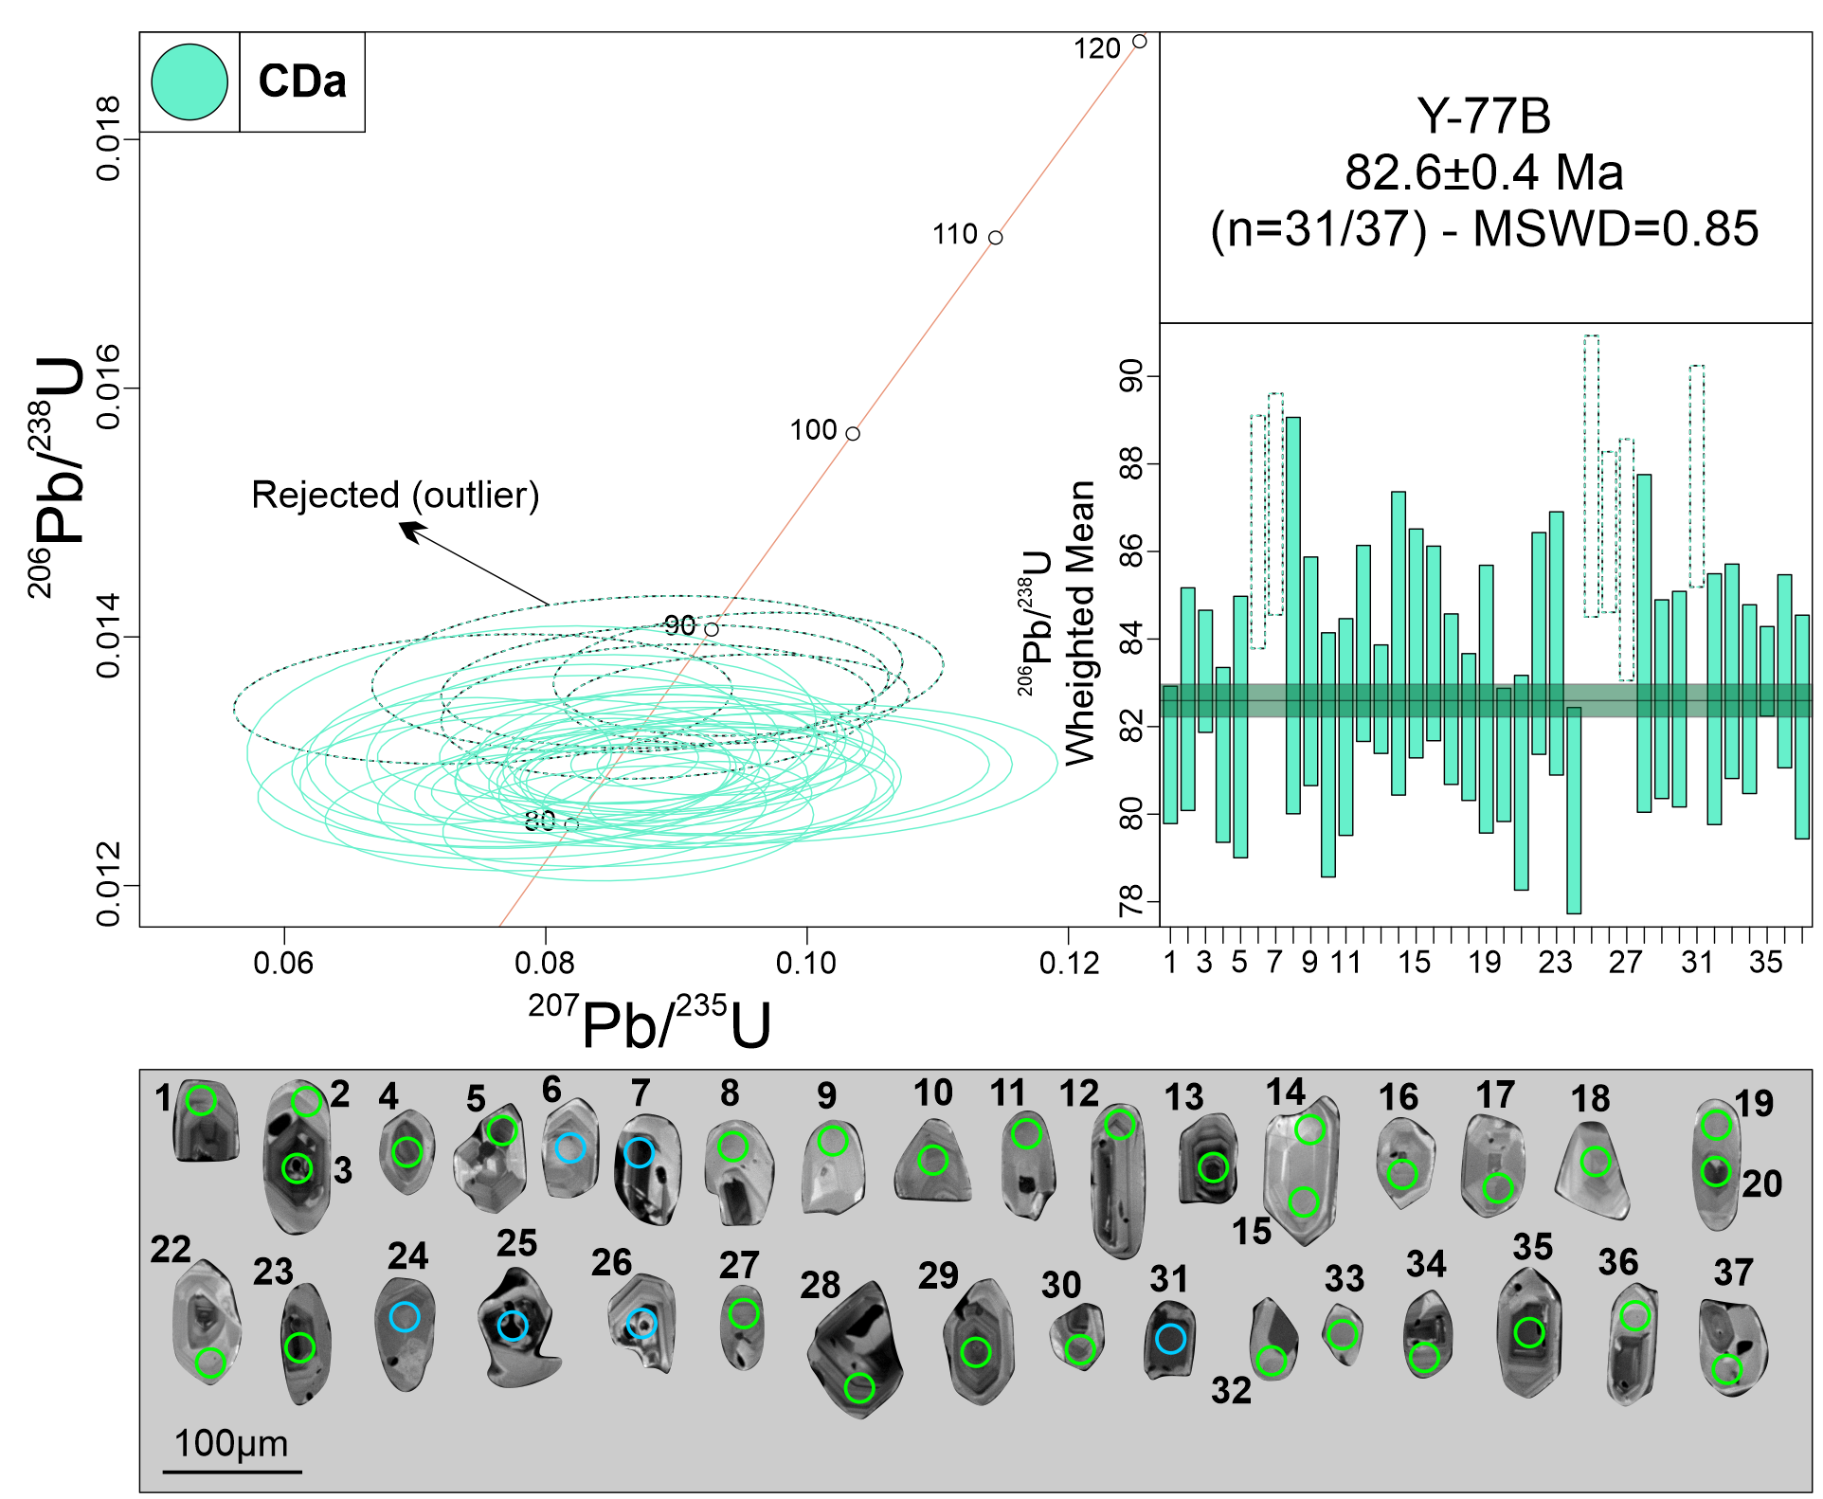
Measurement Point (WM - weighted mean) | Pb (U) AGES |  |  |  |  |  | NORMAL CONCORDIA FORMAT
 | 206Pb/238U |  | 207Pb/235U |  | 207Pb/206Pb |  | 207Pb/235U |  | 206Pb/238U
 | AGE (Ma) | +/- 2 S.D. | AGE (Ma) | +/- 2 S.D. | AGE (Ma) | +/- 2 S.D. | Ratio | 1s % | Ratio | 1s % | Rho
1 | 81.1 | 1.6 | 84.9 | 5.7 | 192 | 154 | 0.0872 | 3.44 | 0.0127 | 0.99 | 0.15
2 | 82.6 | 2.6 | 94.1 | 13.7 | 396 | 348 | 0.0971 | 7.83 | 0.0129 | 1.58 | 0.15
3 | 83.3 | 1.4 | 91.5 | 7.7 | 308 | 200 | 0.0942 | 4.46 | 0.013 | 0.86 | 0.15
4 | 81.4 | 2 | 90.5 | 9.9 | 336 | 262 | 0.0932 | 5.90 | 0.0127 | 1.26 | 0.15
5 | 82.2 | 3.1 | 77.2 | 14.4 | 0 | 166 | 0.079 | 10.89 | 0.0128 | 1.87 | 0.15
6 - WM outlier | 86.6 | 2.7 | 73.6 | 12.9 | 0 | 0 | 0.0752 | 10.37 | 0.0135 | 1.58 | 0.15
7 - WM outlier | 86.9 | 2.6 | 86.6 | 11.9 | 78 | 252 | 0.0891 | 7.86 | 0.0136 | 1.49 | 0.15
8 | 84.2 | 4.6 | 77.1 | 14.8 | 0 | 112 | 0.0789 | 11.28 | 0.0132 | 2.75 | 0.15
9 | 83.3 | 2.7 | 71.3 | 9 | 0 | 0 | 0.0728 | 6.87 | 0.013 | 1.61 | 0.15
10 | 81.5 | 2.9 | 83.9 | 14.4 | 152 | 348 | 0.0862 | 9.05 | 0.0127 | 1.76 | 0.15
11 | 82.2 | 2.5 | 86 | 13.5 | 192 | 376 | 0.0883 | 8.49 | 0.0128 | 1.55 | 0.15
12 | 83.7 | 2.3 | 84.1 | 10.8 | 94 | 246 | 0.0863 | 6.84 | 0.0131 | 1.37 | 0.15
13 | 82.4 | 1.3 | 84.1 | 6.5 | 132 | 194 | 0.0864 | 4.17 | 0.0129 | 0.77 | 0.15
14 | 83.9 | 3.5 | 79.3 | 10.6 | 0 | 110 | 0.0812 | 7.51 | 0.0131 | 2.12 | 0.15
15 | 83.9 | 2.7 | 87.4 | 11 | 182 | 312 | 0.0899 | 6.90 | 0.0131 | 1.6 | 0.15
16 | 83.8 | 2.3 | 83.5 | 14.2 | 74 | 270 | 0.0857 | 8.87 | 0.0131 | 1.36 | 0.15
17 | 82.9 | 2 | 81.7 | 8.3 | 48 | 164 | 0.0838 | 5.25 | 0.0129 | 1.21 | 0.15
18 | 81.8 | 1.7 | 82.1 | 10.2 | 90 | 232 | 0.0842 | 6.29 | 0.0128 | 1.05 | 0.15
19 | 82.4 | 3.1 | 77 | 12.5 | 0 | 116 | 0.0788 | 9.14 | 0.0129 | 1.9 | 0.15
20 | 81.5 | 1.6 | 89.2 | 6.5 | 300 | 172 | 0.0918 | 3.81 | 0.0127 | 0.96 | 0.15
21 | 80.7 | 2.5 | 78.1 | 11.5 | 0 | 194 | 0.08 | 8.63 | 0.0126 | 1.56 | 0.15
22 | 83.8 | 2.6 | 87.5 | 10 | 188 | 266 | 0.09 | 5.89 | 0.0131 | 1.55 | 0.15
23 | 83.9 | 3.1 | 78.7 | 12.8 | 0 | 118 | 0.0805 | 8.82 | 0.0131 | 1.84 | 0.15
24 | 80 | 2.4 | 84.1 | 10.2 | 200 | 308 | 0.0863 | 6.72 | 0.0125 | 1.51 | 0.15
25 - WM outlier | 87.5 | 3.3 | 84.7 | 13.6 | 4 | 216 | 0.087 | 9.54 | 0.0137 | 1.88 | 0.15
26 - WM outlier | 86.4 | 1.9 | 91.8 | 8.6 | 234 | 260 | 0.0946 | 5.71 | 0.0135 | 1.09 | 0.15
27 - WM outlier | 85.5 | 2.8 | 86.2 | 12.6 | 104 | 272 | 0.0886 | 7.67 | 0.0134 | 1.65 | 0.15
28 | 84.1 | 3.9 | 80 | 14.6 | 0 | 182 | 0.082 | 10.12 | 0.0131 | 2.36 | 0.15
29 | 82.4 | 2.3 | 81.5 | 7.5 | 54 | 168 | 0.0836 | 5.14 | 0.0129 | 1.41 | 0.15
30 | 82.8 | 2.5 | 92.3 | 13.6 | 342 | 362 | 0.0951 | 8.10 | 0.0129 | 1.53 | 0.15
31 - WM outlier | 87.7 | 2.6 | 92.6 | 11.1 | 220 | 290 | 0.0955 | 6.39 | 0.0137 | 1.48 | 0.15
32 | 82.4 | 2.9 | 94.4 | 14.8 | 408 | 400 | 0.0974 | 9.14 | 0.0129 | 1.78 | 0.15
33 | 83.4 | 2.5 | 86.7 | 8.6 | 178 | 258 | 0.0892 | 5.72 | 0.013 | 1.51 | 0.15
34 | 82.8 | 2.2 | 88 | 9.7 | 230 | 256 | 0.0905 | 5.64 | 0.0129 | 1.34 | 0.15
35 | 83.4 | 1 | 84.5 | 3.2 | 116 | 106 | 0.0868 | 2.30 | 0.013 | 0.63 | 0.15
36 | 83.2 | 2.2 | 87.1 | 12.5 | 194 | 346 | 0.0896 | 7.48 | 0.013 | 1.36 | 0.15
37 | 81.8 | 2.6 | 89.2 | 10.9 | 292 | 306 | 0.0918 | 6.86 | 0.0128 | 1.6 | 0.15
Discordant 1 | 88.9 | 3.1 | 164.3 | 37 | 1460 | 274 | 0.1756 | 7.40 | 0.01 | 1.78 | 0.15
Discordant 2 | 99.9 | 6.2 | 366.3 | 74.3 | 2838 | 224 | 0.4344 | 7.50 | 0.02 | 3.12 | 0.15
Discordant 3 | 83.8 | 1.5 | 95.9 | 9 | 408 | 240 | 0.099 | 5.45 | 0.01 | 0.93 | 0.15
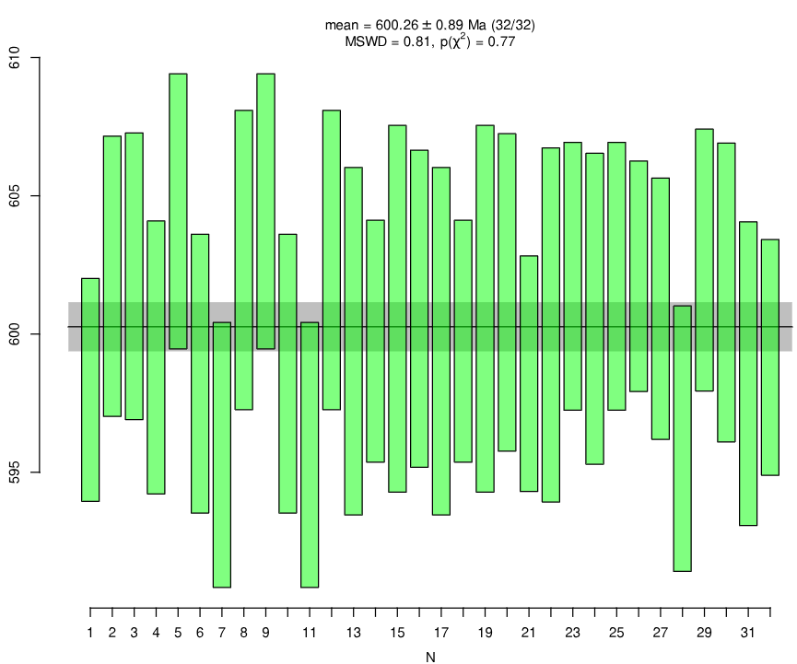
GJ-1
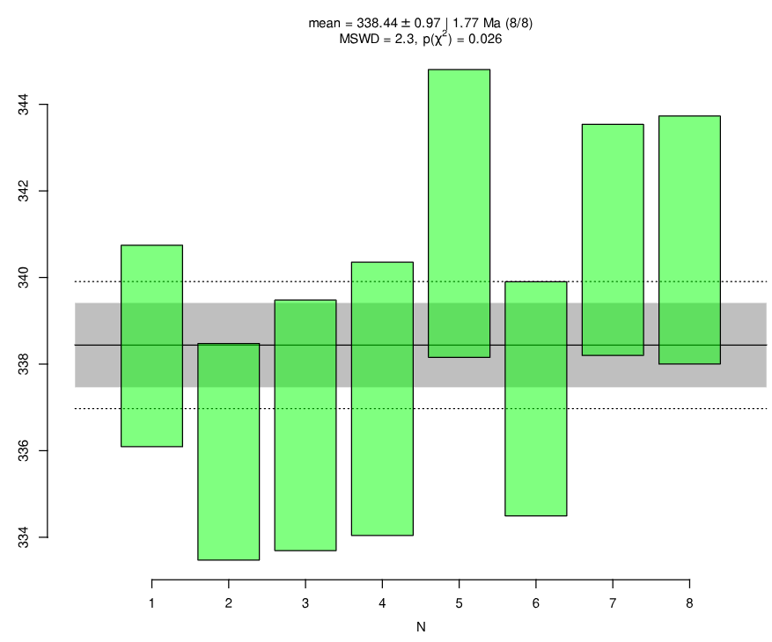
Plešovice
Primary standard (GJ-1)
GJ-1 01 | 598 | 4.2 | 606.9 | 11.8 | 640 | 56 | 0.818 | 1.34 | 0.0972 | 0.36 | 0.15
GJ-1 02 | 601.9 | 5.1 | 605.8 | 14.3 | 620 | 66 | 0.816 | 1.56 | 0.0979 | 0.45 | 0.15
GJ-1 03 | 602.1 | 5.3 | 592.8 | 14.9 | 556 | 74 | 0.7929 | 1.75 | 0.0979 | 0.46 | 0.15
GJ-1 04 | 599.4 | 5.1 | 602.9 | 13.7 | 616 | 66 | 0.8108 | 1.57 | 0.0974 | 0.44 | 0.15
GJ-1 05 | 604.2 | 5.1 | 594.4 | 11.3 | 556 | 64 | 0.7958 | 1.51 | 0.0983 | 0.44 | 0.15
GJ-1 06 | 598.6 | 5.1 | 602.1 | 12.4 | 614 | 58 | 0.8095 | 1.42 | 0.0973 | 0.45 | 0.15
GJ-1 07 | 595.8 | 4.9 | 602.1 | 15.7 | 626 | 78 | 0.8094 | 1.89 | 0.0968 | 0.43 | 0.15
GJ-1 08 | 602.9 | 5.5 | 609.8 | 13.4 | 634 | 68 | 0.8231 | 1.65 | 0.098 | 0.48 | 0.15
GJ-1 09 | 604.6 | 5.1 | 594.8 | 11.3 | 556 | 64 | 0.7964 | 1.51 | 0.0983 | 0.44 | 0.15
GJ-1 10 | 598.8 | 5.1 | 602.3 | 12.4 | 614 | 58 | 0.8097 | 1.42 | 0.0973 | 0.45 | 0.15
GJ-1 11 | 595.7 | 4.9 | 602 | 15.7 | 626 | 78 | 0.8092 | 1.89 | 0.0968 | 0.43 | 0.15
GJ-1 12 | 602.5 | 5.5 | 609.4 | 13.4 | 634 | 68 | 0.8225 | 1.65 | 0.098 | 0.48 | 0.15
GJ-1 13 | 600 | 6.4 | 598.4 | 12.3 | 592 | 62 | 0.8027 | 1.53 | 0.0975 | 0.56 | 0.15
GJ-1 14 | 599.8 | 4.5 | 600.9 | 13.4 | 604 | 68 | 0.8073 | 1.64 | 0.0975 | 0.39 | 0.15
GJ-1 15 | 600.9 | 6.7 | 607.3 | 16.5 | 630 | 72 | 0.8186 | 1.80 | 0.0977 | 0.59 | 0.15
GJ-1 16 | 600.8 | 5.8 | 602 | 13.4 | 606 | 66 | 0.8091 | 1.64 | 0.0977 | 0.51 | 0.15
GJ-1 17 | 599.6 | 6.4 | 598.6 | 12.3 | 594 | 62 | 0.8031 | 1.53 | 0.0975 | 0.56 | 0.15
GJ-1 18 | 599.7 | 4.5 | 601 | 13.4 | 606 | 70 | 0.8074 | 1.63 | 0.0975 | 0.39 | 0.15
GJ-1 19 | 601.1 | 6.7 | 607.2 | 16.5 | 630 | 74 | 0.8185 | 1.80 | 0.0977 | 0.59 | 0.15
GJ-1 20 | 601.2 | 5.8 | 601.7 | 13.4 | 602 | 68 | 0.8087 | 1.64 | 0.0978 | 0.51 | 0.15
GJ-1 21 | 598.6 | 4.4 | 595.1 | 13 | 580 | 62 | 0.7969 | 1.46 | 0.0973 | 0.38 | 0.15
GJ-1 22 | 600.4 | 6.6 | 606.8 | 15.1 | 630 | 72 | 0.8177 | 1.77 | 0.0976 | 0.57 | 0.15
GJ-1 23 | 601.8 | 4.9 | 602.4 | 14.2 | 604 | 66 | 0.8099 | 1.58 | 0.0979 | 0.43 | 0.15
GJ-1 24 | 600.7 | 5.8 | 604.2 | 15.1 | 616 | 70 | 0.8132 | 1.70 | 0.0977 | 0.5 | 0.15
GJ-1 25 | 602.1 | 4.9 | 607.5 | 16.5 | 626 | 80 | 0.819 | 1.89 | 0.0979 | 0.43 | 0.15
GJ-1 26 | 602.3 | 4.3 | 597.6 | 12.8 | 578 | 62 | 0.8013 | 1.47 | 0.0979 | 0.37 | 0.15
GJ-1 27 | 600.8 | 4.8 | 603.6 | 14.2 | 614 | 66 | 0.8121 | 1.59 | 0.0977 | 0.42 | 0.15
GJ-1 28 | 596.3 | 4.9 | 599.9 | 14.2 | 612 | 70 | 0.8054 | 1.69 | 0.0969 | 0.43 | 0.15
GJ-1 29 | 602.5 | 4.8 | 610 | 13.5 | 636 | 62 | 0.8234 | 1.49 | 0.098 | 0.42 | 0.15
GJ-1 30 | 601.2 | 5.5 | 601.8 | 14.7 | 604 | 74 | 0.8089 | 1.79 | 0.0978 | 0.48 | 0.15
GJ-1 31 | 598.8 | 5.6 | 597.8 | 10 | 594 | 50 | 0.8018 | 1.27 | 0.0973 | 0.49 | 0.15
GJ-1 32 | 599 | 4.3 | 598.9 | 14.4 | 598 | 66 | 0.8036 | 1.61 | 0.0974 | 0.38 | 0.15
Secondary standard
Plešovice 1 | 338.6 | 2.4 | 346.1 | 9.2 | 396 | 74 | 0.4062 | 1.70 | 0.0539 | 0.36 | 0.15
Plešovice 2 | 336.2 | 2.6 | 333.3 | 9.4 | 312 | 78 | 0.3885 | 1.75 | 0.0535 | 0.39 | 0.15
Plešovice 3 | 336.3 | 2.9 | 345.6 | 10.3 | 408 | 78 | 0.4054 | 1.80 | 0.0536 | 0.45 | 0.15
Plešovice 4 | 337.1 | 3.2 | 335.3 | 10.6 | 322 | 82 | 0.3912 | 1.87 | 0.0537 | 0.49 | 0.15
Plešovice 5 | 341.3 | 3.4 | 331.3 | 8.7 | 262 | 70 | 0.3859 | 1.63 | 0.0544 | 0.51 | 0.15
Plešovice 6 | 336.9 | 2.8 | 342.3 | 11.2 | 378 | 84 | 0.4009 | 1.92 | 0.0537 | 0.42 | 0.15
Plešovice 7 | 341 | 2.7 | 332.6 | 10.6 | 274 | 86 | 0.3876 | 1.91 | 0.0543 | 0.41 | 0.15
Plešovice 8 | 341.1 | 2.9 | 348.5 | 10.9 | 398 | 78 | 0.4094 | 1.83 | 0.0543 | 0.44 | 0.15

Y-09 (CRDa-1)
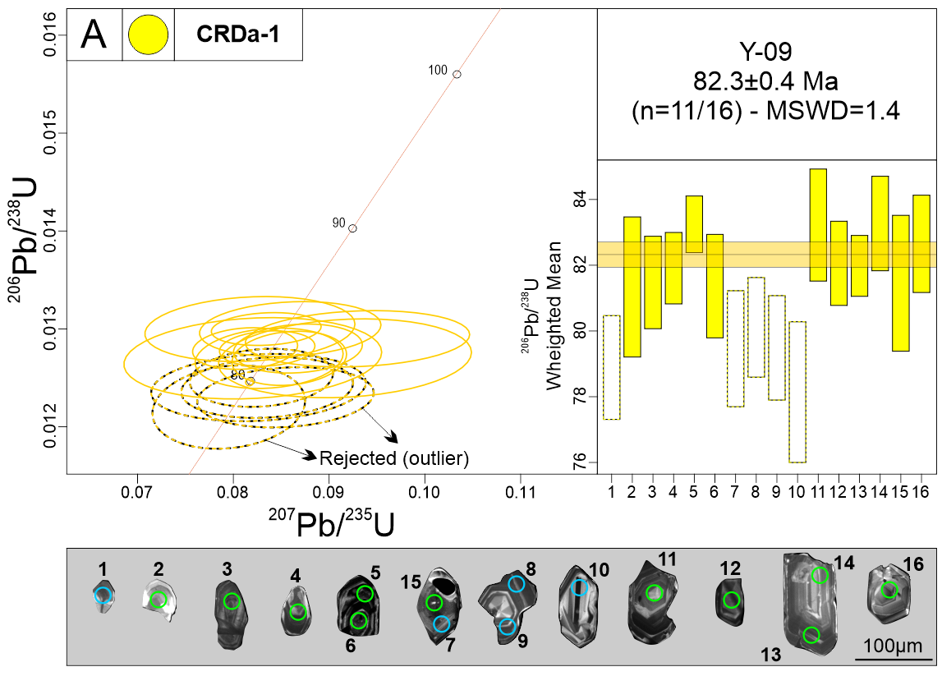
Measurement Point (WM - weighted mean) | Pb (U) AGES |  |  |  |  |  | NORMAL CONCORDIA FORMAT
 | 206Pb/238U |  | 207Pb/235U |  | 207Pb/206Pb |  | 207Pb/235U |  | 206Pb/238U
 | AGE (Ma) | +/- 2 S.D. | AGE (Ma) | +/- 2 S.D. | AGE (Ma) | +/- 2 S.D. | Ratio | 1s % | Ratio | 1s % | Rho
1 - WM outlier | 79.1 | 1.6 | 83.3 | 5.6 | 202 | 192 | 0.0855 | 4.33 | 0.0123 | 1.01 | 0.15
2 | 81.6 | 2.1 | 80.1 | 9.2 | 34 | 180 | 0.0821 | 6.58 | 0.0127 | 1.32 | 0.15
3 | 81.6 | 1.4 | 83.7 | 4.4 | 144 | 122 | 0.0859 | 2.79 | 0.0127 | 0.88 | 0.15
4 | 81.8 | 1.1 | 79.4 | 3.4 | 8 | 70 | 0.0813 | 2.71 | 0.0128 | 0.67 | 0.15
5 | 83 | 0.9 | 81.4 | 3.8 | 34 | 98 | 0.0835 | 2.75 | 0.0130 | 0.52 | 0.15
6 | 81.1 | 1.6 | 81.7 | 5.6 | 98 | 170 | 0.0838 | 3.70 | 0.0127 | 0.98 | 0.15
7 - WM outlier | 79.6 | 1.8 | 80.6 | 9.1 | 110 | 232 | 0.0827 | 5.44 | 0.0124 | 1.12 | 0.15
8 - WM outlier | 79.8 | 1.5 | 81 | 5 | 114 | 164 | 0.0830 | 3.61 | 0.0125 | 0.96 | 0.15
9 - WM outlier | 79.3 | 1.6 | 81.5 | 5.8 | 146 | 196 | 0.0836 | 4.31 | 0.0124 | 1.01 | 0.15
10 - WM outlier | 78.4 | 2.2 | 77.7 | 6.5 | 56 | 144 | 0.0796 | 4.02 | 0.0122 | 1.41 | 0.15
11 | 83.6 | 1.7 | 79.9 | 7 | 0 | 94 | 0.0818 | 5.38 | 0.0130 | 1.03 | 0.15
12 | 82.1 | 1.3 | 84.5 | 4.7 | 152 | 142 | 0.0868 | 3.11 | 0.0128 | 0.79 | 0.15
13 | 82.2 | 0.9 | 81.5 | 3.5 | 60 | 112 | 0.0836 | 2.39 | 0.0128 | 0.57 | 0.15
14 | 83 | 1.4 | 83.7 | 7 | 104 | 202 | 0.0860 | 4.42 | 0.0130 | 0.87 | 0.15
15 | 81.6 | 2.1 | 89.1 | 9.8 | 294 | 260 | 0.0917 | 5.78 | 0.0127 | 1.28 | 0.15
16 | 82.5 | 1.5 | 90.3 | 8.2 | 302 | 226 | 0.0930 | 5.05 | 0.0129 | 0.90 | 0.15
Discordant 1 | 505.7 | 82.4 | 2236 | 176.4 | 4000 | 0 | 8.0441 | 8.77 | 0.0816 | 8.47 | 0.15
Discordant 2 | 82.3 | 1.9 | 93.9 | 6.6 | 400 | 180 | 0.0969 | 4.13 | 0.0129 | 1.17 | 0.15
Discordant 3 | 84.2 | 2.4 | 120.8 | 14.7 | 920 | 256 | 0.1264 | 6.33 | 0.0131 | 1.42 | 0.15
Discordant 4 | 69.7 | 1.8 | 81.9 | 3.3 | 452 | 108 | 0.0840 | 2.74 | 0.0109 | 1.29 | 0.15
Discordant 5 | 91.8 | 8.5 | 217.6 | 106.5 | 1968 | 522 | 0.2390 | 15.19 | 0.0143 | 4.64 | 0.15
Discordant 6 | 33.4 | 2.2 | 77.6 | 12.5 | 1810 | 266 | 0.0794 | 8.06 | 0.0052 | 3.37 | 0.15
Discordant 7 | 36.9 | 1.5 | 139.1 | 25.1 | 2704 | 336 | 0.1468 | 10.35 | 0.0057 | 2.00 | 0.15
Discordant 8 | 116 | 4.8 | 521.5 | 43.2 | 3294 | 110 | 0.6714 | 4.08 | 0.0182 | 2.08 | 0.15
Discordant 9 | 81.9 | 0.9 | 87.9 | 3.4 | 254 | 104 | 0.0905 | 2.32 | 0.0128 | 0.54 | 0.15
Discordant 10 | 80.2 | 1.4 | 112.9 | 8.5 | 872 | 144 | 0.1176 | 3.57 | 0.0125 | 0.88 | 0.15
Discordant 11 | 81.9 | 2.1 | 71.7 | 9.8 | 0 | 0 | 0.0732 | 6.56 | 0.0128 | 1.32 | 0.15
Discordant 12 | 80.2 | 1.7 | 137.4 | 15.6 | 1290 | 240 | 0.1449 | 6.28 | 0.0125 | 1.07 | 0.15
Discordant 13 | 83.1 | 1.4 | 94 | 7.7 | 380 | 188 | 0.0970 | 4.33 | 0.0130 | 0.86 | 0.15
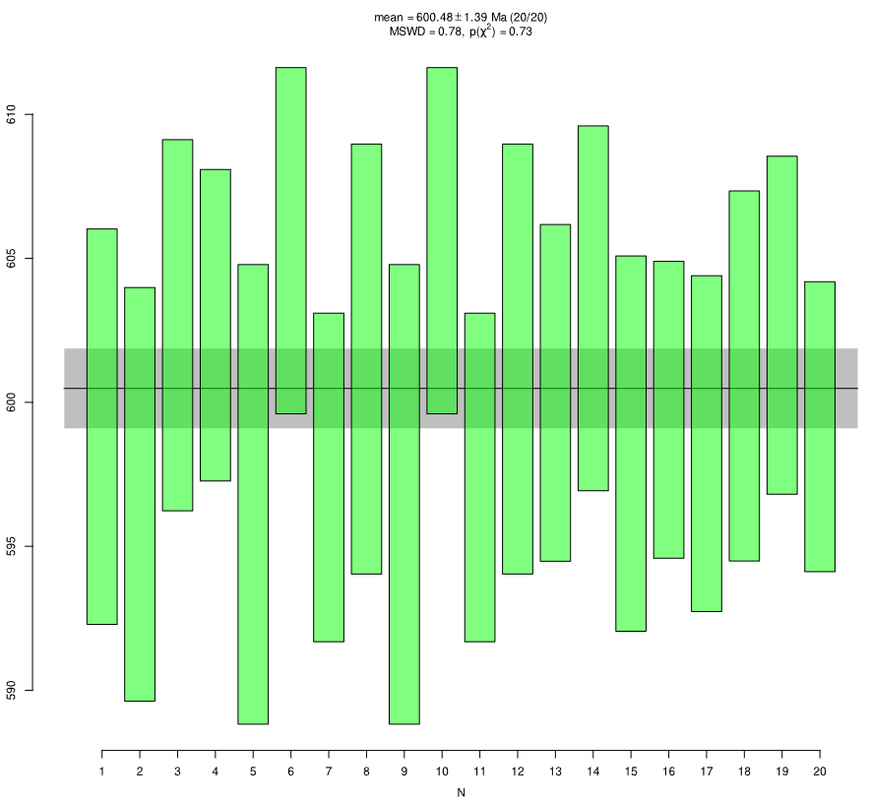
GJ-1
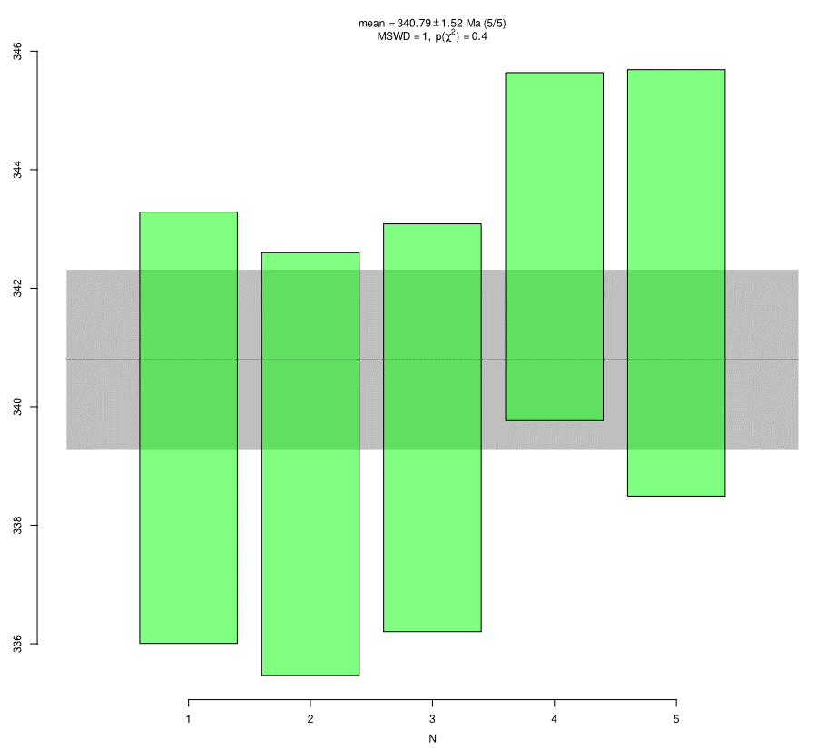
Plešovice
Primary standard (GJ-1)
GJ-1 01 | 599.2 | 6.8 | 596.9 | 23.7 | 588 | 90 | 0.8000 | 2.14 | 0.0974 | 0.60 | 0.15
GJ-1 02 | 596.8 | 7.2 | 596 | 20 | 592 | 64 | 0.7985 | 1.62 | 0.0970 | 0.63 | 0.15
GJ-1 03 | 602.8 | 6.5 | 601 | 13.9 | 594 | 66 | 0.8074 | 1.62 | 0.0980 | 0.56 | 0.15
GJ-1 04 | 602.7 | 5.4 | 614.7 | 20.3 | 658 | 64 | 0.8319 | 1.55 | 0.0980 | 0.47 | 0.15
GJ-1 05 | 596.9 | 8 | 598.6 | 22.1 | 604 | 72 | 0.8031 | 1.78 | 0.0970 | 0.70 | 0.15
GJ-1 06 | 605.5 | 6 | 602.1 | 18.5 | 588 | 54 | 0.8094 | 1.35 | 0.0985 | 0.52 | 0.15
GJ-1 07 | 597.6 | 5.8 | 600.2 | 17.1 | 610 | 62 | 0.8059 | 1.55 | 0.0971 | 0.50 | 0.15
GJ-1 08 | 601.5 | 7.5 | 607.7 | 15.8 | 630 | 56 | 0.8194 | 1.45 | 0.0978 | 0.65 | 0.15
GJ-1 09 | 596.8 | 8 | 599.6 | 22.1 | 610 | 70 | 0.8050 | 1.78 | 0.0970 | 0.70 | 0.15
GJ-1 10 | 605.5 | 6 | 602.5 | 18.5 | 590 | 52 | 0.8100 | 1.35 | 0.0985 | 0.52 | 0.15
GJ-1 11 | 597.6 | 5.8 | 599.8 | 17.1 | 608 | 62 | 0.8053 | 1.55 | 0.0971 | 0.50 | 0.15
GJ-1 12 | 601.6 | 7.5 | 606.6 | 15.8 | 624 | 56 | 0.8175 | 1.46 | 0.0978 | 0.65 | 0.15
GJ-1 13 | 600.3 | 5.9 | 605 | 21.9 | 622 | 80 | 0.8145 | 1.92 | 0.0976 | 0.51 | 0.15
GJ-1 14 | 603.4 | 6.3 | 597.6 | 22.5 | 576 | 74 | 0.8014 | 1.78 | 0.0981 | 0.55 | 0.15
GJ-1 15 | 598.4 | 6.5 | 604.1 | 16.6 | 624 | 78 | 0.8130 | 1.91 | 0.0973 | 0.57 | 0.15
GJ-1 16 | 599.5 | 5.2 | 601.8 | 20.7 | 610 | 68 | 0.8089 | 1.66 | 0.0975 | 0.45 | 0.15
GJ-1 17 | 598.7 | 5.9 | 604.5 | 18.5 | 626 | 66 | 0.8137 | 1.62 | 0.0973 | 0.51 | 0.15
GJ-1 18 | 601.1 | 6.4 | 593.1 | 19 | 562 | 68 | 0.7933 | 1.65 | 0.0977 | 0.56 | 0.15
GJ-1 19 | 602.4 | 5.8 | 606.4 | 19.2 | 620 | 72 | 0.8170 | 1.71 | 0.0980 | 0.51 | 0.15
GJ-1 20 | 599.3 | 5 | 604.6 | 18.6 | 624 | 74 | 0.8138 | 1.73 | 0.0974 | 0.44 | 0.15
Secondary standard
Plešovice 1 | 339.3 | 3.6 | 345.1 | 11.3 | 384 | 80 | 0.4047 | 1.88 | 0.0541 | 0.55 | 0.15
Plešovice 2 | 338.9 | 3.6 | 338.1 | 11.5 | 332 | 92 | 0.3951 | 2.10 | 0.0540 | 0.54 | 0.15
Plešovice 3 | 339.4 | 3.4 | 338.4 | 12 | 330 | 104 | 0.3955 | 2.35 | 0.0541 | 0.52 | 0.15
Plešovice 4 | 342.8 | 2.9 | 338.8 | 9.4 | 312 | 78 | 0.3961 | 1.79 | 0.0546 | 0.44 | 0.15
Plešovice 5 | 342.1 | 3.6 | 351.7 | 10.9 | 416 | 66 | 0.4140 | 1.55 | 0.0545 | 0.54 | 0.15

Y-32 (CRDa-1)
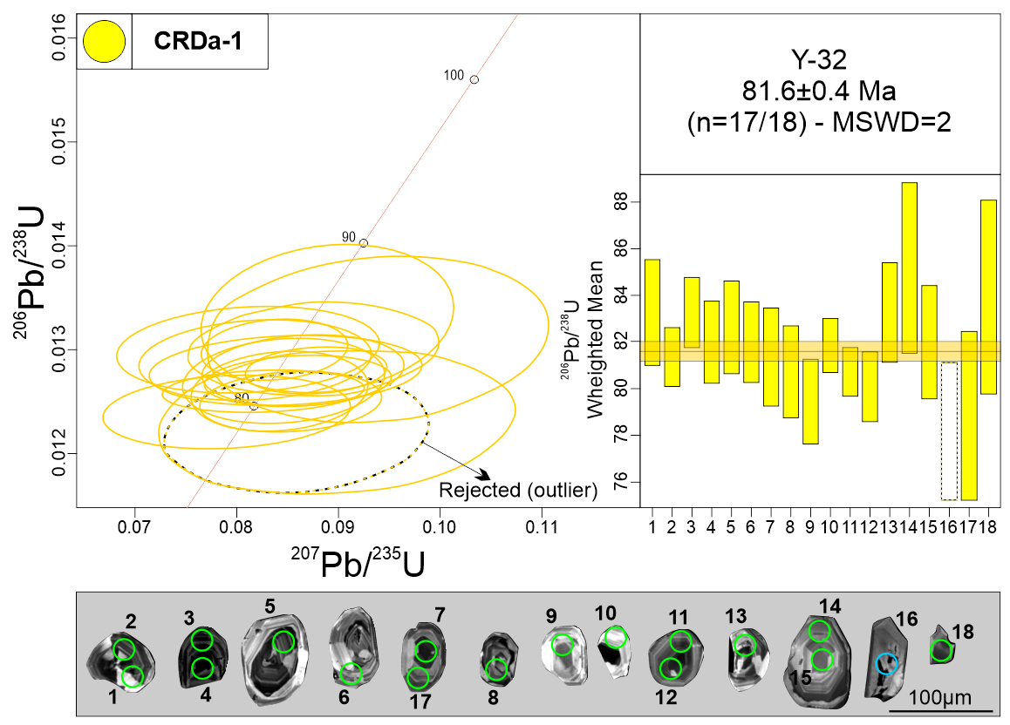
Measurement Point (WM - weighted mean) | Pb (U) AGES |  |  |  |  |  | NORMAL CONCORDIA FORMAT
 | 206Pb/238U |  | 207Pb/235U |  | 207Pb/206Pb |  | 207Pb/235U |  | 206Pb/238U
 | AGE (Ma) | +/- 2 S.D. | AGE (Ma) | +/- 2 S.D. | AGE (Ma) | +/- 2 S.D. | Ratio | 1s % | Ratio | 1s % | Rho
1 | 83.5 | 2.3 | 85.2 | 9.6 | 134 | 260 | 0.0876 | 5.71 | 0.0130 | 1.37 | 0.15
2 | 81.3 | 1.3 | 83.8 | 7.3 | 154 | 200 | 0.0860 | 4.30 | 0.0127 | 0.78 | 0.15
3 | 83.1 | 1.5 | 81.6 | 5.5 | 36 | 116 | 0.0837 | 3.46 | 0.0130 | 0.91 | 0.15
4 | 82.3 | 1.8 | 84.3 | 6.5 | 140 | 214 | 0.0865 | 4.62 | 0.0128 | 1.08 | 0.15
5 | 82.8 | 2 | 79.9 | 9.7 | 0 | 120 | 0.0818 | 5.62 | 0.0129 | 1.21 | 0.15
6 | 82.2 | 4.3 | 82.6 | 17.8 | 94 | 388 | 0.0848 | 6.37 | 0.0128 | 1.06 | 0.15
7 | 81.2 | 2.1 | 82.5 | 7.8 | 118 | 214 | 0.0846 | 4.73 | 0.0127 | 1.30 | 0.15
8 | 80.5 | 2 | 82.1 | 6.1 | 128 | 188 | 0.0842 | 4.16 | 0.0126 | 1.23 | 0.15
9 | 79.2 | 1.8 | 77.2 | 10.5 | 14 | 152 | 0.0790 | 6.20 | 0.0124 | 1.15 | 0.15
10 | 82 | 1.2 | 85.5 | 5.3 | 182 | 146 | 0.0878 | 3.19 | 0.0128 | 0.71 | 0.15
11 | 81 | 1 | 80.6 | 7.4 | 68 | 180 | 0.0826 | 4.84 | 0.0126 | 0.65 | 0.15
12 | 80.2 | 1.5 | 83.1 | 5.9 | 168 | 192 | 0.0853 | 4.22 | 0.0125 | 0.94 | 0.15
13 | 83.3 | 2.1 | 79.2 | 9.9 | 0 | 100 | 0.0811 | 6.41 | 0.0130 | 1.29 | 0.15
14 | 85.5 | 3.7 | 86.5 | 13.7 | 112 | 302 | 0.0889 | 5.62 | 0.0133 | 2.16 | 0.15
15 | 81.7 | 2.4 | 88.6 | 11 | 278 | 282 | 0.0912 | 6.36 | 0.0128 | 1.49 | 0.15
16 - WM outlier | 78.1 | 2.9 | 83.7 | 14.3 | 246 | 274 | 0.0859 | 6.17 | 0.0122 | 1.89 | 0.15
17 | 79 | 3.6 | 87.4 | 13.8 | 322 | 346 | 0.0898 | 7.91 | 0.0123 | 2.31 | 0.15
18 | 84.1 | 4.2 | 91.2 | 12.6 | 278 | 310 | 0.0939 | 7.24 | 0.0131 | 2.49 | 0.15
Discordant 1 | 72.3 | 1.8 | 123 | 11.7 | 1264 | 172 | 0.1288 | 4.58 | 0.0113 | 1.26 | 0.15
Discordant 2 | 82.3 | 3 | 94.4 | 11.5 | 410 | 292 | 0.0974 | 6.78 | 0.0128 | 1.85 | 0.15
Discordant 3 | 81.3 | 1.8 | 126.9 | 11.1 | 1096 | 180 | 0.1332 | 4.58 | 0.0127 | 1.11 | 0.15
Discordant 4 | 81.5 | 2.2 | 98.8 | 9.6 | 538 | 216 | 0.1022 | 5.09 | 0.0127 | 1.37 | 0.15
Discordant 5 | 83 | 1.8 | 128.3 | 11.6 | 1078 | 178 | 0.1347 | 4.53 | 0.0130 | 1.11 | 0.15
Discordant 6 | 84.7 | 2.3 | 170.4 | 23.5 | 1626 | 272 | 0.1827 | 7.39 | 0.0132 | 1.35 | 0.15
Discordant 7 | 87.7 | 3.3 | 281.8 | 33.4 | 2550 | 176 | 0.3199 | 5.56 | 0.0137 | 1.87 | 0.15
Discordant 8 | 96.3 | 3.7 | 380.5 | 45.9 | 2974 | 178 | 0.4547 | 5.85 | 0.0150 | 1.94 | 0.15
Discordant 9 | 91.7 | 2.6 | 186.7 | 22.3 | 1662 | 226 | 0.2019 | 6.24 | 0.0143 | 1.44 | 0.15
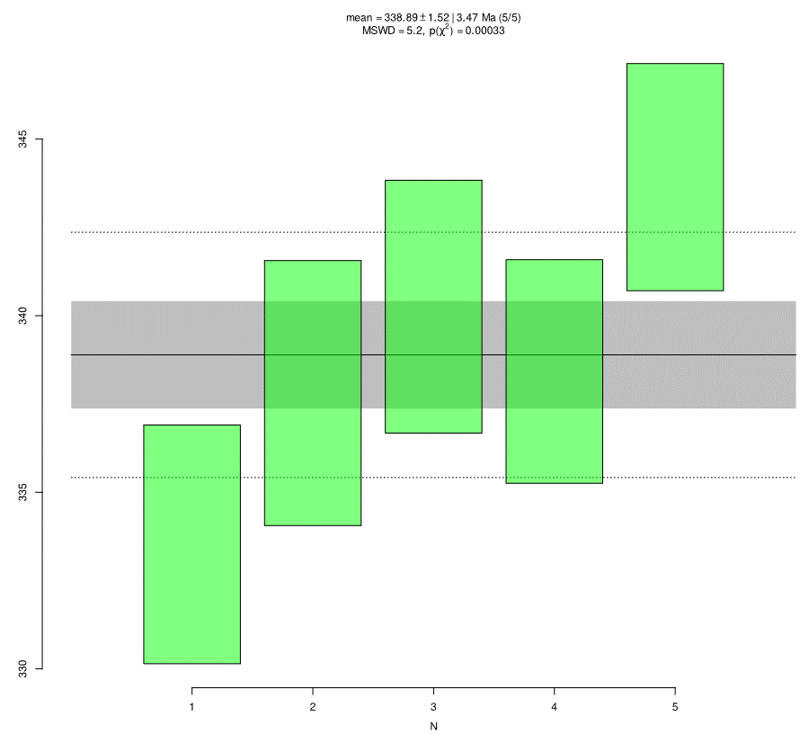
Plešovice
Discordant 10 | 76.5 | 1.8 | 132.5 | 17.4 | 1308 | 216 | 0.1394 | 5.67 | 0.0119 | 1.20 | 0.15
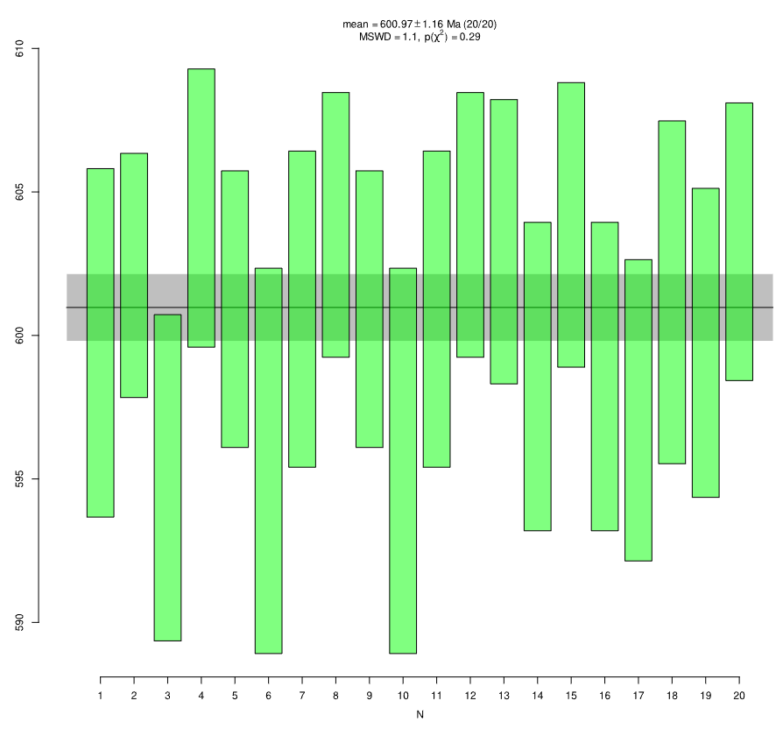
GJ-1
Primary standard (GJ-1)
GJ-1 01 | 599.8 | 6.1 | 604.1 | 16.9 | 620 | 54 | 0.8130 | 1.35 | 0.0975 | 0.53 | 0.15
GJ-1 02 | 602 | 4.2 | 604.8 | 18.9 | 614 | 56 | 0.8142 | 1.36 | 0.0979 | 0.37 | 0.15
GJ-1 03 | 595.1 | 5.7 | 598.6 | 17.1 | 610 | 64 | 0.8031 | 1.56 | 0.0967 | 0.50 | 0.15
GJ-1 04 | 604.6 | 4.8 | 601 | 17.7 | 586 | 72 | 0.8074 | 1.68 | 0.0983 | 0.42 | 0.15
GJ-1 05 | 601.1 | 4.8 | 599.6 | 17.4 | 592 | 64 | 0.8049 | 1.54 | 0.0977 | 0.42 | 0.15
GJ-1 06 | 595.5 | 6.7 | 608.6 | 14.1 | 656 | 58 | 0.8210 | 1.46 | 0.0968 | 0.59 | 0.15
GJ-1 07 | 601.1 | 5.5 | 603.2 | 19.3 | 610 | 62 | 0.8113 | 1.50 | 0.0977 | 0.48 | 0.15
GJ-1 08 | 603.9 | 4.6 | 597.2 | 14.1 | 570 | 54 | 0.8006 | 1.34 | 0.0982 | 0.40 | 0.15
GJ-1 09 | 601 | 4.8 | 599.5 | 17.4 | 594 | 64 | 0.8047 | 1.54 | 0.0977 | 0.42 | 0.15
GJ-1 10 | 595.4 | 6.7 | 608.6 | 14.1 | 656 | 58 | 0.8209 | 1.46 | 0.0968 | 0.59 | 0.15
GJ-1 11 | 601.1 | 5.5 | 603.2 | 19.3 | 610 | 62 | 0.8113 | 1.50 | 0.0977 | 0.48 | 0.15
GJ-1 12 | 604 | 4.6 | 597.3 | 14.1 | 570 | 56 | 0.8008 | 1.34 | 0.0982 | 0.40 | 0.15
GJ-1 13 | 603.3 | 4.9 | 606.8 | 17.6 | 620 | 62 | 0.8178 | 1.48 | 0.0981 | 0.43 | 0.15
GJ-1 15 | 598.5 | 5.4 | 601 | 18.5 | 610 | 62 | 0.8074 | 1.49 | 0.0973 | 0.47 | 0.15
GJ-1 17 | 603.6 | 4.9 | 606.6 | 17.6 | 616 | 62 | 0.8174 | 1.48 | 0.0982 | 0.43 | 0.15
GJ-1 19 | 598.4 | 5.4 | 601.1 | 18.5 | 610 | 60 | 0.8076 | 1.49 | 0.0973 | 0.47 | 0.15
GJ-1 21 | 597.4 | 5.3 | 595.5 | 20.2 | 588 | 58 | 0.7977 | 1.40 | 0.0971 | 0.46 | 0.15
GJ-1 22 | 601.3 | 6 | 599.4 | 17.7 | 592 | 62 | 0.8046 | 1.50 | 0.0978 | 0.52 | 0.15
GJ-1 23 | 599.8 | 5.4 | 606.7 | 16.9 | 632 | 60 | 0.8177 | 1.48 | 0.0975 | 0.47 | 0.15
GJ-1 24 | 603.1 | 4.8 | 606.9 | 16.2 | 620 | 68 | 0.8179 | 1.61 | 0.0981 | 0.42 | 0.15
Secondary standard
Plešovice 1 | 333.4 | 3.4 | 336.5 | 8.9 | 356 | 62 | 0.3930 | 1.48 | 0.0531 | 0.52 | 0.15
Plešovice 2 | 337.7 | 3.8 | 338.7 | 11.7 | 344 | 80 | 0.3959 | 1.87 | 0.0538 | 0.57 | 0.15
Plešovice 3 | 340.6 | 3.6 | 336.8 | 11.1 | 310 | 82 | 0.3933 | 1.88 | 0.0542 | 0.54 | 0.15
Plešovice 4 | 338.3 | 3.1 | 338.7 | 10.3 | 340 | 76 | 0.3959 | 1.74 | 0.0539 | 0.48 | 0.15
Plešovice 5 | 343.7 | 3.2 | 341.7 | 9.1 | 328 | 66 | 0.4000 | 1.53 | 0.0548 | 0.48 | 0.15

Y-47 (CRDa-2)
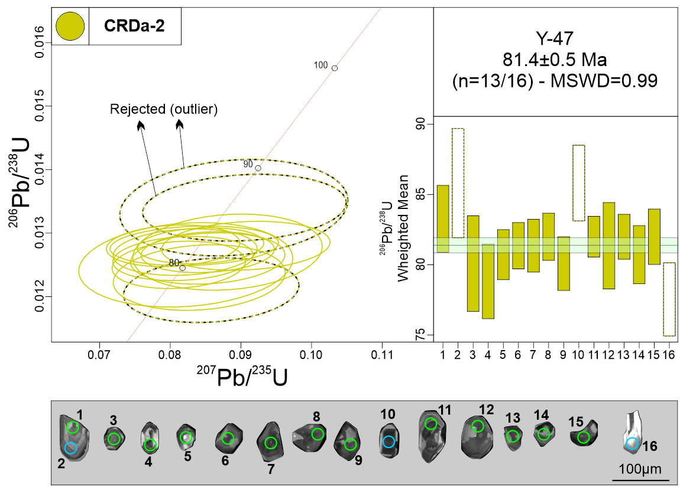
Measurement Point (WM - weighted mean) | Pb (U) AGES |  |  |  |  |  | NORMAL CONCORDIA FORMAT
 | 206Pb/238U |  | 207Pb/235U |  | 207Pb/206Pb |  | 207Pb/235U |  | 206Pb/238U
 | AGE (Ma) | +/- 2 S.D. | AGE (Ma) | +/- 2 S.D. | AGE (Ma) | +/- 2 S.D. | Ratio | 1s % | Ratio | 1s % | Rho
1 | 83.5 | 2.4 | 85.6 | 11 | 142 | 280 | 0.0879 | 6.26 | 0.0130 | 1.44 | 0.15
2 - WM outlier | 85.7 | 3.9 | 86.6 | 13.7 | 110 | 266 | 0.0890 | 7.30 | 0.0134 | 2.28 | 0.15
3 | 80 | 3.4 | 80.2 | 10.4 | 86 | 246 | 0.0822 | 7.42 | 0.0125 | 2.14 | 0.15
4 | 79 | 2.6 | 82 | 8.7 | 170 | 258 | 0.0841 | 5.83 | 0.0123 | 1.69 | 0.15
5 | 80.5 | 1.8 | 79.8 | 6.9 | 60 | 170 | 0.0818 | 4.89 | 0.0126 | 1.11 | 0.15
6 | 81.2 | 1.6 | 83.2 | 7.8 | 140 | 206 | 0.0853 | 4.45 | 0.0127 | 1.02 | 0.15
7 | 81.6 | 1.9 | 80.1 | 8.1 | 34 | 146 | 0.0821 | 4.99 | 0.0127 | 1.16 | 0.15
8 | 81.7 | 1.7 | 78.5 | 7.3 | 0 | 88 | 0.0804 | 4.73 | 0.0128 | 1.03 | 0.15
9 | 80.3 | 1.9 | 79.3 | 7.6 | 50 | 154 | 0.0812 | 4.68 | 0.0125 | 1.20 | 0.15
10 - WM outlier | 85.6 | 2.7 | 88 | 10.3 | 152 | 290 | 0.0905 | 6.41 | 0.0134 | 1.58 | 0.15
11 | 81.7 | 1.4 | 82.2 | 6.9 | 96 | 194 | 0.0843 | 4.27 | 0.0128 | 0.89 | 0.15
12 | 81.2 | 3.1 | 85.7 | 10.8 | 212 | 268 | 0.0881 | 6.13 | 0.0127 | 1.90 | 0.15
13 | 82.2 | 1.6 | 81.3 | 8.3 | 54 | 186 | 0.0834 | 5.76 | 0.0128 | 0.98 | 0.15
14 | 80.5 | 2.1 | 83.2 | 7.2 | 160 | 232 | 0.0853 | 5.16 | 0.0126 | 1.29 | 0.15
15 | 82.1 | 2 | 88.2 | 8.4 | 254 | 236 | 0.0907 | 5.29 | 0.0128 | 1.21 | 0.15
16 - WM outlier | 77.6 | 2.6 | 83.6 | 6.7 | 258 | 258 | 0.0858 | 5.83 | 0.0121 | 1.69 | 0.15
Discordant 1 | 81.3 | 1.6 | 101 | 7.6 | 594 | 166 | 0.1046 | 4.02 | 0.0127 | 1.02 | 0.15
Discordant 2 | 93.3 | 1.1 | 318.6 | 9.9 | 2684 | 54 | 0.3686 | 1.74 | 0.0146 | 0.59 | 0.15
Discordant 3 | 79.7 | 2 | 158.2 | 16.7 | 1592 | 170 | 0.1686 | 4.74 | 0.0124 | 1.25 | 0.15
Discordant 4 | 79.1 | 2 | 97.7 | 9.1 | 580 | 234 | 0.1010 | 5.54 | 0.0123 | 1.24 | 0.15
Discordant 5 | 83 | 1.7 | 128.6 | 9.2 | 1082 | 142 | 0.1350 | 3.70 | 0.0130 | 1.06 | 0.15
Discordant 6 | 84 | 1.8 | 100.2 | 8.6 | 504 | 196 | 0.1037 | 4.63 | 0.0131 | 1.11 | 0.15
Discordant 7 | 66.3 | 1.6 | 346.2 | 16.1 | 3390 | 84 | 0.4062 | 2.95 | 0.0103 | 1.24 | 0.15
Discordant 8 | 64.9 | 1.5 | 337.4 | 11.1 | 3378 | 72 | 0.3942 | 2.56 | 0.0101 | 1.13 | 0.15
Discordant 9 | 76 | 1.8 | 112.4 | 10.7 | 974 | 200 | 0.1171 | 5.04 | 0.0119 | 1.17 | 0.15
Discordant 10 | 116.9 | 3.6 | 633 | 33.3 | 3674 | 80 | 0.8652 | 3.05 | 0.0183 | 1.53 | 0.15
Discordant 11 | 80.2 | 1.3 | 92.7 | 6.8 | 424 | 180 | 0.0956 | 4.08 | 0.0125 | 0.81 | 0.15
Discordant 12 | 87.5 | 1.9 | 334.2 | 23.2 | 2880 | 124 | 0.3897 | 3.95 | 0.0137 | 1.07 | 0.15
Discordant 13 | 262.5 | 152.6 | 1515.8 | 692.4 | 4000 | 0 | 3.4495 | 30.11 | 0.0416 | 29.66 | 0.15
Discordant 14 | 84.6 | 2 | 115.3 | 8.2 | 806 | 180 | 0.1202 | 4.49 | 0.0132 | 1.21 | 0.15
Discordant 15 | 81 | 1.6 | 102.1 | 7.3 | 626 | 164 | 0.1058 | 3.97 | 0.0126 | 0.98 | 0.15
Discordant 16 | 84.7 | 1.2 | 131.8 | 8 | 1094 | 122 | 0.1387 | 3.17 | 0.0132 | 0.72 | 0.15
Discordant 17 | 87.4 | 1.2 | 167 | 16.9 | 1526 | 204 | 0.1787 | 5.43 | 0.0136 | 0.69 | 0.15
Discordant 18 | 82.5 | 1.7 | 96.3 | 16.2 | 452 | 340 | 0.0994 | 7.65 | 0.0129 | 1.03 | 0.15
Discordant 19 | 79.1 | 2.8 | 112.1 | 12.1 | 884 | 270 | 0.1167 | 6.77 | 0.0123 | 1.76 | 0.15
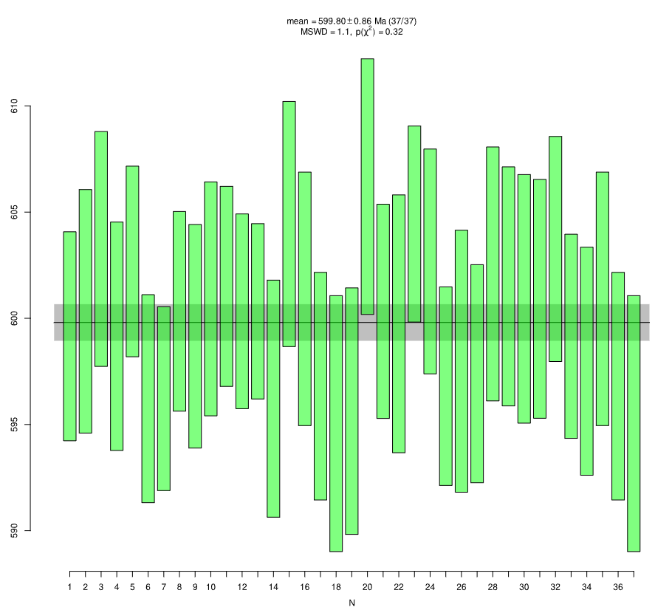
GJ-1
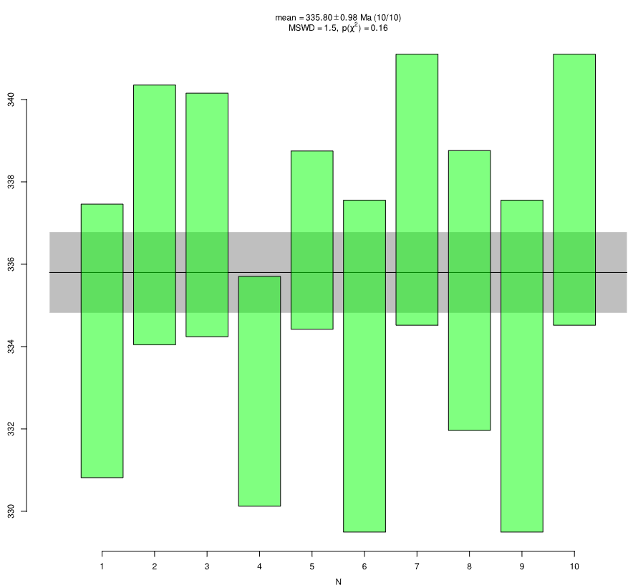
Plešovice
Primary standard (GJ-1)
GJ-1 01 | 599 | 4.9 | 610.8 | 15.5 | 654 | 52 | 0.8249 | 1.30 | 0.0974 | 0.43 | 0.15
GJ-1 02 | 600 | 5.8 | 608.4 | 13.9 | 638 | 46 | 0.8206 | 1.17 | 0.0976 | 0.50 | 0.15
GJ-1 03 | 603.4 | 5.5 | 597 | 16.1 | 572 | 64 | 0.8003 | 1.54 | 0.0981 | 0.48 | 0.15
GJ-1 04 | 599.2 | 5.4 | 592.3 | 18.1 | 566 | 58 | 0.7919 | 1.38 | 0.0974 | 0.47 | 0.15
GJ-1 05 | 602.5 | 4.5 | 598.9 | 18.7 | 584 | 68 | 0.8037 | 1.62 | 0.0980 | 0.39 | 0.15
GJ-1 06 | 596.1 | 4.9 | 607.3 | 15.6 | 648 | 64 | 0.8186 | 1.53 | 0.0969 | 0.43 | 0.15
GJ-1 07 | 596.3 | 4.4 | 596.9 | 16.4 | 598 | 64 | 0.8001 | 1.50 | 0.0969 | 0.38 | 0.15
GJ-1 08 | 600.1 | 4.7 | 599.1 | 16.2 | 594 | 58 | 0.8040 | 1.41 | 0.0976 | 0.41 | 0.15
GJ-1 09 | 599 | 5.2 | 598.8 | 18.4 | 598 | 70 | 0.8035 | 1.69 | 0.0974 | 0.46 | 0.15
GJ-1 10 | 601.1 | 5.5 | 610.4 | 14.4 | 644 | 56 | 0.8242 | 1.41 | 0.0977 | 0.48 | 0.15
GJ-1 11 | 601.4 | 4.7 | 600.2 | 14.1 | 596 | 54 | 0.8060 | 1.34 | 0.0978 | 0.41 | 0.15
GJ-1 12 | 600.6 | 4.5 | 598.3 | 13.9 | 588 | 50 | 0.8026 | 1.23 | 0.0976 | 0.40 | 0.15
GJ-1 13 | 600.2 | 4.2 | 609.6 | 15.4 | 644 | 60 | 0.8228 | 1.45 | 0.0976 | 0.36 | 0.15
GJ-1 14 | 596.4 | 5.6 | 600 | 14.1 | 612 | 54 | 0.8057 | 1.33 | 0.0969 | 0.49 | 0.15
GJ-1 15 | 604.3 | 5.7 | 600.6 | 14.7 | 586 | 56 | 0.8067 | 1.39 | 0.0983 | 0.50 | 0.15
GJ-1 16 | 600.9 | 6 | 603.5 | 17 | 612 | 56 | 0.8119 | 1.39 | 0.0977 | 0.52 | 0.15
GJ-1 17 | 597 | 5.4 | 606.3 | 14 | 640 | 44 | 0.8168 | 1.09 | 0.0970 | 0.47 | 0.15
GJ-1 18 | 595.2 | 6 | 601.6 | 17.3 | 624 | 70 | 0.8085 | 1.69 | 0.0967 | 0.53 | 0.15
GJ-1 19 | 595.8 | 5.8 | 601.6 | 16.9 | 622 | 56 | 0.8085 | 1.40 | 0.0968 | 0.51 | 0.15
GJ-1 20 | 606 | 6 | 600.1 | 14.3 | 576 | 58 | 0.8058 | 1.41 | 0.0986 | 0.52 | 0.15
GJ-1 21 | 600.2 | 5 | 603.1 | 16.6 | 614 | 54 | 0.8112 | 1.34 | 0.0976 | 0.44 | 0.15
GJ-1 22 | 599.6 | 6 | 603.7 | 16.8 | 618 | 56 | 0.8123 | 1.40 | 0.0975 | 0.53 | 0.15
GJ-1 23 | 604.3 | 4.6 | 604.5 | 16 | 604 | 56 | 0.8137 | 1.38 | 0.0983 | 0.40 | 0.15
GJ-1 24 | 602.7 | 5.3 | 591.1 | 17.1 | 546 | 56 | 0.7899 | 1.34 | 0.0980 | 0.46 | 0.15
GJ-1 25 | 596.8 | 4.6 | 607.7 | 12.1 | 648 | 52 | 0.8193 | 1.26 | 0.0970 | 0.41 | 0.15
GJ-1 26 | 597.8 | 6.2 | 605.1 | 13.7 | 632 | 58 | 0.8148 | 1.45 | 0.0972 | 0.54 | 0.15
GJ-1 27 | 597.5 | 5.2 | 607.9 | 17.9 | 646 | 56 | 0.8198 | 1.37 | 0.0971 | 0.45 | 0.15
GJ-1 28 | 602 | 5.9 | 599.5 | 11.7 | 590 | 46 | 0.8048 | 1.21 | 0.0979 | 0.52 | 0.15
GJ-1 29 | 601.4 | 5.6 | 598.5 | 15.3 | 586 | 60 | 0.8030 | 1.47 | 0.0978 | 0.49 | 0.15
GJ-1 30 | 600.7 | 5.8 | 602.6 | 14.4 | 608 | 48 | 0.8102 | 1.23 | 0.0977 | 0.51 | 0.15
GJ-1 31 | 600.9 | 5.6 | 599.5 | 16.4 | 594 | 66 | 0.8048 | 1.58 | 0.0977 | 0.49 | 0.15
GJ-1 32 | 603.5 | 5.3 | 606.3 | 16.5 | 616 | 60 | 0.8169 | 1.49 | 0.0981 | 0.46 | 0.15
GJ-1 33 | 599.3 | 4.8 | 596.4 | 15.8 | 584 | 60 | 0.7992 | 1.46 | 0.0974 | 0.42 | 0.15
GJ-1 34 | 597.9 | 5.3 | 606.3 | 17.4 | 638 | 58 | 0.8169 | 1.38 | 0.0972 | 0.47 | 0.15
GJ-1 35 | 601 | 6 | 603.4 | 17 | 612 | 54 | 0.8117 | 1.39 | 0.0977 | 0.52 | 0.15
GJ-1 36 | 597 | 5.4 | 606.2 | 14 | 640 | 42 | 0.8168 | 1.09 | 0.0970 | 0.47 | 0.15
GJ-1 37 | 595.1 | 6 | 601.7 | 17.3 | 626 | 70 | 0.8086 | 1.69 | 0.0967 | 0.53 | 0.15
Secondary standard
Plešovice 1 | 333.9 | 3.3 | 331.6 | 13.2 | 314 | 92 | 0.3862 | 2.07 | 0.0532 | 0.51 | 0.15
Plešovice 2 | 337 | 3.2 | 331 | 12.5 | 288 | 106 | 0.3854 | 2.36 | 0.0537 | 0.48 | 0.15
Plešovice 3 | 337.4 | 3 | 339.7 | 8.8 | 354 | 74 | 0.3974 | 1.69 | 0.0537 | 0.45 | 0.15
Plešovice 4 | 332.9 | 2.8 | 342 | 8.9 | 404 | 58 | 0.4004 | 1.37 | 0.0530 | 0.43 | 0.15
Plešovice 5 | 336.6 | 2.2 | 337.9 | 9.7 | 346 | 64 | 0.3948 | 1.47 | 0.0536 | 0.33 | 0.15
Plešovice 6 | 333.5 | 4 | 331.8 | 12.2 | 320 | 88 | 0.3865 | 2.04 | 0.0531 | 0.62 | 0.15
Plešovice 7 | 337.7 | 3.3 | 327.9 | 11.8 | 258 | 78 | 0.3812 | 1.76 | 0.0538 | 0.50 | 0.15
Plešovice 8 | 335.4 | 3.4 | 334.8 | 10.7 | 330 | 64 | 0.3905 | 1.51 | 0.0534 | 0.52 | 0.15
Plešovice 9 | 333.5 | 4 | 331.8 | 12.2 | 320 | 88 | 0.3865 | 2.04 | 0.0531 | 0.62 | 0.15
Plešovice 10 | 337.7 | 3.3 | 327.9 | 11.8 | 258 | 78 | 0.3812 | 1.76 | 0.0538 | 0.50 | 0.15

Y-64 (CRDa-2)
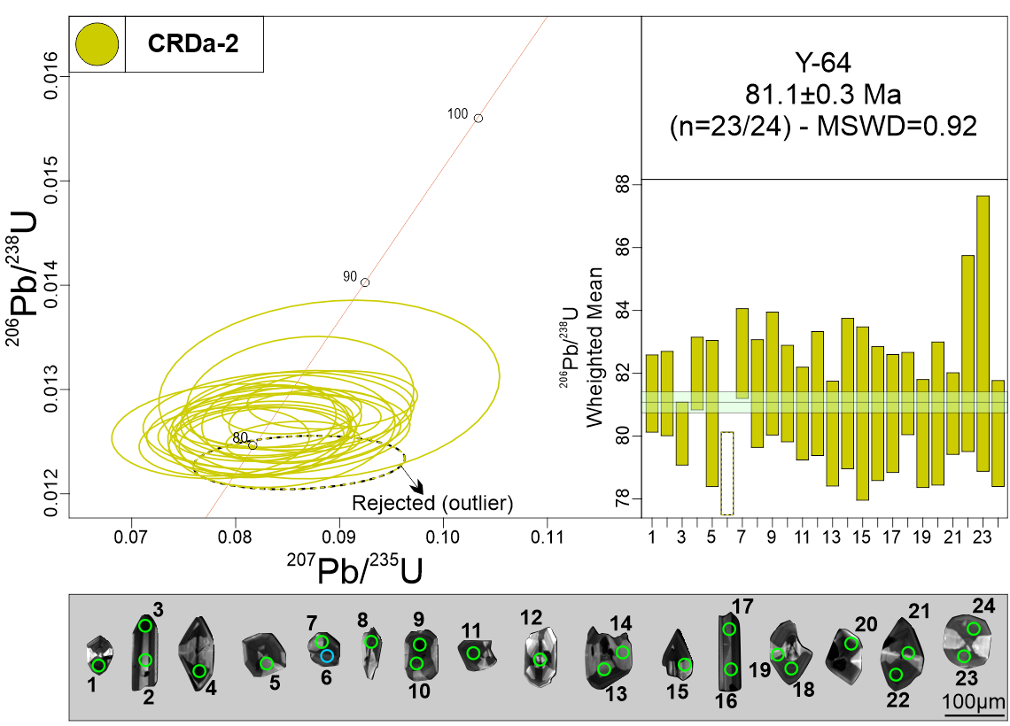
Measurement Point (WM - weighted mean) | Pb (U) AGES |  |  |  |  |  | NORMAL CONCORDIA FORMAT
 | 206Pb/238U |  | 207Pb/235U |  | 207Pb/206Pb |  | 207Pb/235U |  | 206Pb/238U
 | AGE (Ma) | +/- 2 S.D. | AGE (Ma) | +/- 2 S.D. | AGE (Ma) | +/- 2 S.D. | Ratio | 1s % | Ratio | 1s % | Rho
1 | 81.3 | 1.2 | 81.6 | 7.2 | 90 | 192 | 0.0837 | 4.42 | 0.0127 | 0.76 | 0.15
2 | 81.2 | 1.3 | 80.5 | 7.6 | 60 | 158 | 0.0826 | 4.24 | 0.0127 | 0.83 | 0.15
3 | 80 | 1 | 83.3 | 5 | 178 | 136 | 0.0855 | 3.04 | 0.0125 | 0.63 | 0.15
4 | 82.1 | 1.2 | 83.2 | 5.8 | 112 | 146 | 0.0854 | 3.16 | 0.0128 | 0.71 | 0.15
5 | 80.6 | 2.3 | 77.7 | 9.9 | 0 | 118 | 0.0795 | 5.79 | 0.0126 | 1.45 | 0.15
6 - WM outlier | 79 | 1.3 | 83.9 | 6.7 | 224 | 218 | 0.0861 | 4.76 | 0.0123 | 0.84 | 0.15
7 | 82.7 | 1.4 | 86.9 | 6.3 | 204 | 170 | 0.0893 | 3.70 | 0.0129 | 0.87 | 0.15
8 | 81.3 | 1.7 | 81.4 | 6.7 | 82 | 176 | 0.0834 | 4.20 | 0.0127 | 1.06 | 0.15
9 | 82.1 | 2 | 83.8 | 8.8 | 132 | 238 | 0.0860 | 5.23 | 0.0128 | 1.20 | 0.15
10 | 81.4 | 1.5 | 85 | 6.1 | 186 | 164 | 0.0873 | 3.67 | 0.0127 | 0.95 | 0.15
11 | 81 | 1.5 | 80.6 | 6.4 | 68 | 166 | 0.0827 | 4.35 | 0.0126 | 0.92 | 0.15
12 | 81.2 | 2 | 81.2 | 5.1 | 78 | 138 | 0.0832 | 3.13 | 0.0127 | 1.22 | 0.15
13 | 80.3 | 1.7 | 81 | 6 | 100 | 188 | 0.0830 | 4.10 | 0.0125 | 1.05 | 0.15
14 | 81.2 | 4.1 | 81.9 | 20.8 | 104 | 370 | 0.0840 | 6.19 | 0.0127 | 1.48 | 0.15
15 | 81 | 2.8 | 82.3 | 7.9 | 118 | 230 | 0.0844 | 5.21 | 0.0126 | 1.72 | 0.15
16 | 80.8 | 2.1 | 82 | 9.2 | 114 | 250 | 0.0841 | 6.06 | 0.0126 | 1.33 | 0.15
17 | 81 | 1.9 | 82.1 | 9.9 | 114 | 238 | 0.0842 | 5.58 | 0.0126 | 1.17 | 0.15
18 | 81.4 | 1.3 | 82.7 | 6.1 | 118 | 200 | 0.0848 | 4.36 | 0.0127 | 0.81 | 0.15
19 | 80.2 | 1.7 | 80.1 | 5.8 | 74 | 168 | 0.0820 | 4.15 | 0.0125 | 1.08 | 0.15
20 | 81 | 1.6 | 80.6 | 6.1 | 68 | 74 | 0.0826 | 4.14 | 0.0126 | 1.42 | 0.15
21 | 80.9 | 1.3 | 80.7 | 5.9 | 76 | 168 | 0.0827 | 4.11 | 0.0126 | 0.81 | 0.15
22 | 82.4 | 3.1 | 84 | 8.8 | 126 | 222 | 0.0862 | 5.10 | 0.0129 | 1.90 | 0.15
23 | 83.3 | 4.4 | 86.6 | 9.3 | 176 | 324 | 0.0890 | 7.42 | 0.0130 | 2.65 | 0.15
24 | 79.8 | 1.7 | 77.1 | 5.7 | 0 | 92 | 0.0789 | 4.18 | 0.0125 | 1.06 | 0.15
Discordant 1 | 81.9 | 1.4 | 74.3 | 4.7 | 0 | 0 | 0.0759 | 3.56 | 0.0128 | 0.86 | 0.15
Discordant 2 | 81.7 | 1.8 | 72.4 | 4.8 | 0 | 0 | 0.0739 | 3.38 | 0.0128 | 1.11 | 0.15
Discordant 3 | 81.8 | 2.1 | 116.4 | 13.1 | 898 | 232 | 0.1215 | 5.76 | 0.0128 | 1.31 | 0.15
Discordant 4 | 80.7 | 1.4 | 91.4 | 7.6 | 380 | 194 | 0.0942 | 4.35 | 0.0126 | 0.86 | 0.15
Discordant 5 | 115.6 | 26 | 578.8 | 261.4 | 3510 | 234 | 0.7682 | 13.60 | 0.0181 | 11.34 | 0.15
Discordant 6 | 80.7 | 2.2 | 94.8 | 10.8 | 466 | 258 | 0.0979 | 5.92 | 0.0126 | 1.38 | 0.15
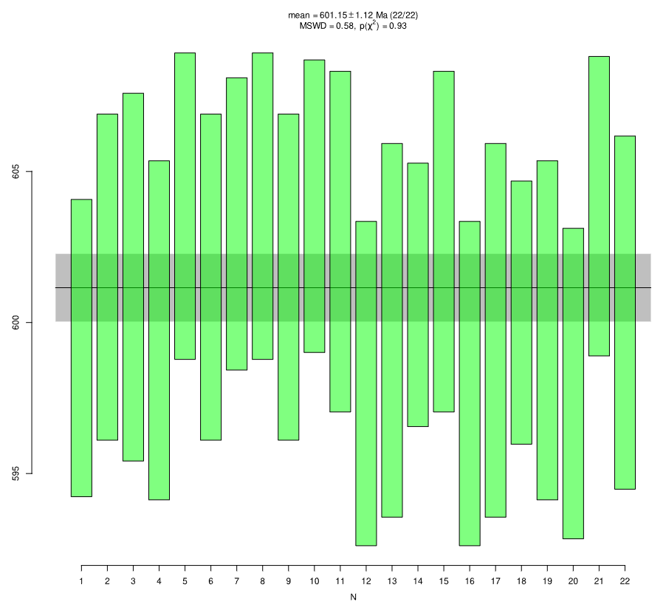
GJ-1
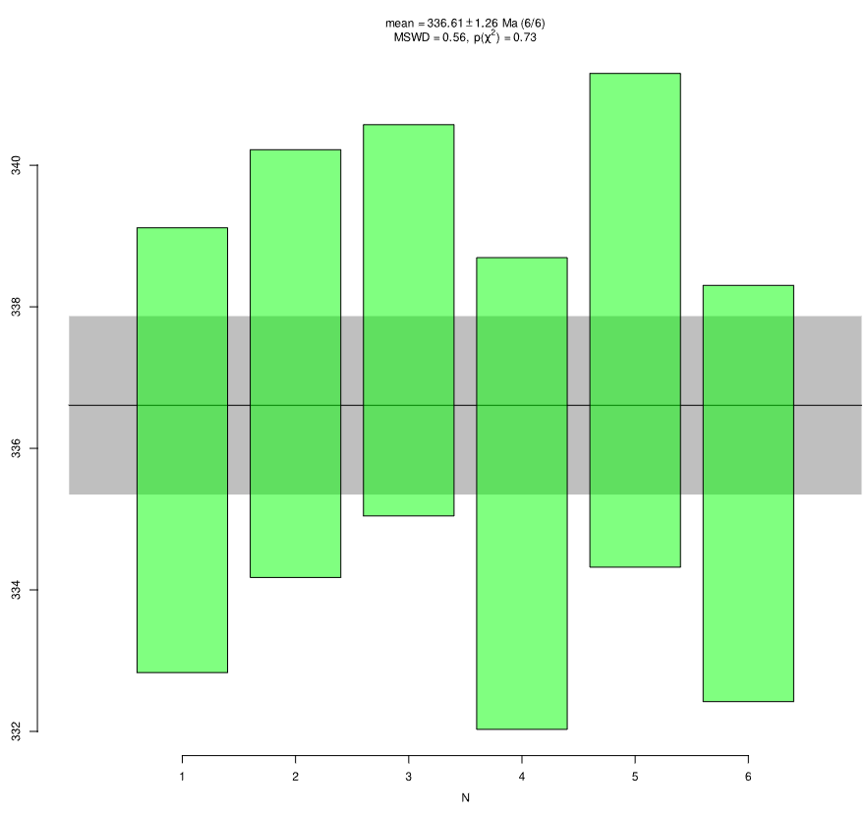
Plešovice
Primary standard (GJ-1)
GJ-1 01 | 598.9 | 4.9 | 596.1 | 18.4 | 584 | 52 | 0.7986 | 1.28 | 0.0974 | 0.43 | 0.15
GJ-1 02 | 601.5 | 5.4 | 608.8 | 17.6 | 636 | 54 | 0.8213 | 1.35 | 0.0978 | 0.47 | 0.15
GJ-1 03 | 601.2 | 6.1 | 601.5 | 15.8 | 602 | 62 | 0.8083 | 1.52 | 0.0978 | 0.53 | 0.15
GJ-1 04 | 599.9 | 5.6 | 602.2 | 12.6 | 610 | 56 | 0.8095 | 1.40 | 0.0975 | 0.49 | 0.15
GJ-1 05 | 603.7 | 5.1 | 608.8 | 18.1 | 628 | 58 | 0.8214 | 1.38 | 0.0982 | 0.44 | 0.15
GJ-1 06 | 601.4 | 5.4 | 606.7 | 15.3 | 626 | 50 | 0.8176 | 1.25 | 0.0978 | 0.47 | 0.15
GJ-1 07 | 603.5 | 4.8 | 598.1 | 17.4 | 576 | 54 | 0.8023 | 1.30 | 0.0981 | 0.42 | 0.15
GJ-1 08 | 603.7 | 5.1 | 608.9 | 18.1 | 628 | 56 | 0.8215 | 1.38 | 0.0982 | 0.44 | 0.15
GJ-1 09 | 601.4 | 5.4 | 606.7 | 15.3 | 626 | 50 | 0.8175 | 1.25 | 0.0978 | 0.47 | 0.15
GJ-1 10 | 603.7 | 4.8 | 598 | 17.4 | 576 | 54 | 0.8021 | 1.30 | 0.0982 | 0.42 | 0.15
GJ-1 11 | 602.7 | 5.6 | 597 | 18.6 | 574 | 64 | 0.8003 | 1.54 | 0.0980 | 0.49 | 0.15
GJ-1 12 | 598.1 | 5.3 | 593.6 | 16.6 | 576 | 68 | 0.7943 | 1.61 | 0.0972 | 0.47 | 0.15
GJ-1 13 | 600 | 6.2 | 607.8 | 16.9 | 636 | 52 | 0.8196 | 1.29 | 0.0975 | 0.54 | 0.15
GJ-1 14 | 600.8 | 4.4 | 610 | 16.6 | 644 | 58 | 0.8236 | 1.40 | 0.0977 | 0.38 | 0.15
GJ-1 15 | 602.8 | 5.6 | 597 | 18.6 | 574 | 64 | 0.8004 | 1.54 | 0.0980 | 0.49 | 0.15
GJ-1 16 | 598.1 | 5.3 | 593.6 | 16.6 | 576 | 66 | 0.7943 | 1.61 | 0.0972 | 0.47 | 0.15
GJ-1 17 | 600 | 6.2 | 607.8 | 16.9 | 636 | 52 | 0.8195 | 1.29 | 0.0975 | 0.54 | 0.15
GJ-1 18 | 600.6 | 4.4 | 610 | 16.6 | 644 | 56 | 0.8235 | 1.40 | 0.0976 | 0.38 | 0.15
GJ-1 19 | 599.8 | 5.6 | 601.5 | 15.1 | 608 | 60 | 0.8083 | 1.47 | 0.0975 | 0.49 | 0.15
GJ-1 20 | 597.7 | 5.1 | 604.7 | 15.1 | 630 | 64 | 0.8141 | 1.52 | 0.0972 | 0.45 | 0.15
GJ-1 21 | 603.9 | 4.9 | 601.5 | 15.1 | 592 | 64 | 0.8083 | 1.55 | 0.0982 | 0.43 | 0.15
GJ-1 22 | 600.2 | 5.9 | 600.8 | 15 | 602 | 48 | 0.8071 | 1.24 | 0.0976 | 0.51 | 0.15
Secondary standard
Plešovice 1 | 335.9 | 3.1 | 334.5 | 12 | 324 | 88 | 0.3902 | 2.00 | 0.0535 | 0.48 | 0.15
Plešovice 2 | 337.2 | 3 | 339.6 | 12 | 356 | 90 | 0.3971 | 2.01 | 0.0537 | 0.46 | 0.15
Plešovice 3 | 337.9 | 2.7 | 345 | 11.5 | 392 | 86 | 0.4046 | 1.98 | 0.0538 | 0.42 | 0.15
Plešovice 4 | 335.3 | 3.3 | 328.7 | 11.6 | 282 | 82 | 0.3822 | 1.86 | 0.0534 | 0.51 | 0.15
Plešovice 5 | 337.8 | 3.5 | 336.3 | 11.3 | 324 | 84 | 0.3926 | 1.91 | 0.0538 | 0.53 | 0.15
Plešovice 6 | 335.3 | 2.9 | 339 | 11.5 | 364 | 78 | 0.3964 | 1.79 | 0.0534 | 0.45 | 0.15

Y-40 (CAn-2)
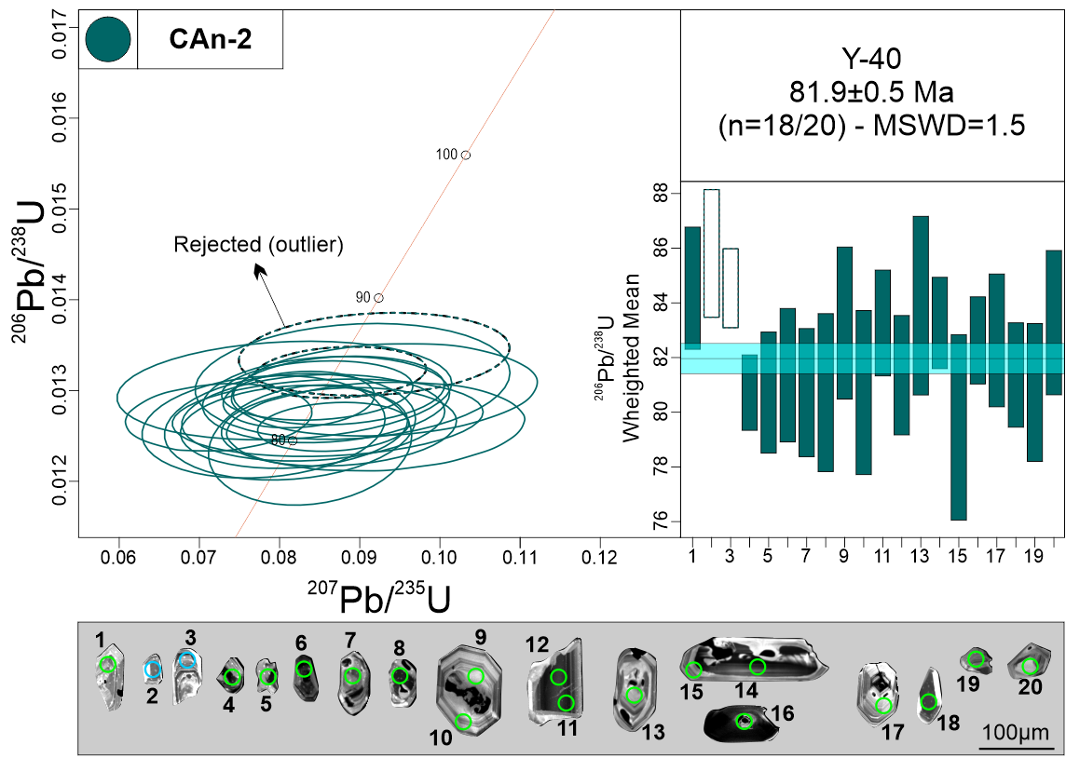
Measurement Point (WM - weighted mean) | Pb (U) AGES |  |  |  |  |  | NORMAL CONCORDIA FORMAT
 | 206Pb/238U |  | 207Pb/235U |  | 207Pb/206Pb |  | 207Pb/235U |  | 206Pb/238U
 | AGE (Ma) | +/- 2 S.D. | AGE (Ma) | +/- 2 S.D. | AGE (Ma) | +/- 2 S.D. | Ratio | 1s % | Ratio | 1s % | Rho
1 | 84.2 | 2.2 | 84.7 | 9.2 | 96 | 192 | 0.0870 | 4.37 | 0.0132 | 1.33 | 0.15
2 - WM outlier | 85.8 | 2.3 | 89.2 | 13.4 | 180 | 342 | 0.0918 | 7.41 | 0.0134 | 1.37 | 0.15
3 - WM outlier | 84.5 | 1.4 | 85.3 | 8.1 | 108 | 216 | 0.0876 | 4.91 | 0.0132 | 0.86 | 0.15
4 | 80.6 | 1.4 | 84.5 | 6.8 | 194 | 200 | 0.0867 | 4.38 | 0.0126 | 0.86 | 0.15
5 | 80.7 | 2.2 | 85 | 11.8 | 206 | 310 | 0.0874 | 6.75 | 0.0126 | 1.38 | 0.15
6 | 81.5 | 2.5 | 82.1 | 11.8 | 96 | 268 | 0.0842 | 7.84 | 0.0127 | 1.51 | 0.15
7 | 80.8 | 2.3 | 79.8 | 11.8 | 50 | 206 | 0.0818 | 6.97 | 0.0126 | 1.46 | 0.15
8 | 80.8 | 5.1 | 76.3 | 22.8 | 0 | 266 | 0.0780 | 7.82 | 0.0126 | 1.80 | 0.15
9 | 83.3 | 2.8 | 78.7 | 17 | 0 | 172 | 0.0806 | 10.42 | 0.0130 | 1.68 | 0.15
10 | 80.9 | 3 | 79.3 | 12.2 | 30 | 202 | 0.0813 | 7.75 | 0.0126 | 1.87 | 0.15
11 | 83 | 1.9 | 85.1 | 8.3 | 144 | 278 | 0.0874 | 6.06 | 0.0130 | 1.17 | 0.15
12 | 81.5 | 6.1 | 83.8 | 13.7 | 148 | 428 | 0.0860 | 9.07 | 0.0127 | 1.35 | 0.15
13 | 83.9 | 3.3 | 86.7 | 17.1 | 164 | 352 | 0.0891 | 8.87 | 0.0131 | 1.96 | 0.15
14 | 83.2 | 1.7 | 82.6 | 8.8 | 64 | 190 | 0.0847 | 5.67 | 0.0130 | 1.01 | 0.15
15 | 79.6 | 3.4 | 81.7 | 8.1 | 144 | 266 | 0.0838 | 6.09 | 0.0124 | 2.15 | 0.15
16 | 82.9 | 1.6 | 80.4 | 6.8 | 8 | 114 | 0.0824 | 4.61 | 0.0129 | 0.97 | 0.15
17 | 82.5 | 2.4 | 83.6 | 10.8 | 116 | 274 | 0.0858 | 7.23 | 0.0129 | 1.48 | 0.15
18 | 81.6 | 1.9 | 70.9 | 9.9 | 0 | 0 | 0.0724 | 6.49 | 0.0127 | 1.18 | 0.15
19 | 80.6 | 2.5 | 89.4 | 14 | 328 | 368 | 0.0920 | 8.15 | 0.0126 | 1.57 | 0.15
20 | 83.4 | 2.6 | 90.4 | 16.4 | 278 | 374 | 0.0931 | 8.27 | 0.0130 | 1.58 | 0.15
Discordant 1 | 257.6 | 4 | 301 | 19.4 | 652 | 146 | 0.3451 | 3.48 | 0.0408 | 0.80 | 0.15
Discordant 2 | 91.2 | 17.5 | 284.4 | 252.9 | 2502 | 396 | 0.3233 | 15.16 | 0.0142 | 9.68 | 0.15
Discordant 3 | 317.8 | 3.5 | 343.3 | 11.1 | 518 | 68 | 0.4022 | 1.62 | 0.0505 | 0.56 | 0.15
Discordant 4 | 309.7 | 4 | 329.4 | 23.7 | 470 | 168 | 0.3832 | 3.86 | 0.0492 | 0.67 | 0.15
Discordant 5 | 81.6 | 2.2 | 91.9 | 12.3 | 368 | 300 | 0.0947 | 6.76 | 0.0127 | 1.35 | 0.15
Discordant 6 | 82.5 | 1.7 | 104.4 | 17.7 | 638 | 334 | 0.1083 | 7.85 | 0.0129 | 1.03 | 0.15
Discordant 7 | 82.8 | 2.4 | 69.8 | 10.3 | 0 | 0 | 0.0712 | 7.58 | 0.0129 | 1.49 | 0.15
Discordant 8 | 84.2 | 2 | 99.1 | 14.5 | 474 | 292 | 0.1025 | 6.63 | 0.0131 | 1.22 | 0.15
Discordant 9 | 78.9 | 2.3 | 112.9 | 11.7 | 906 | 214 | 0.1176 | 5.36 | 0.0123 | 1.44 | 0.15
Discordant 10 | 87.7 | 2.6 | 101 | 11.8 | 428 | 272 | 0.1046 | 6.21 | 0.0137 | 1.47 | 0.15
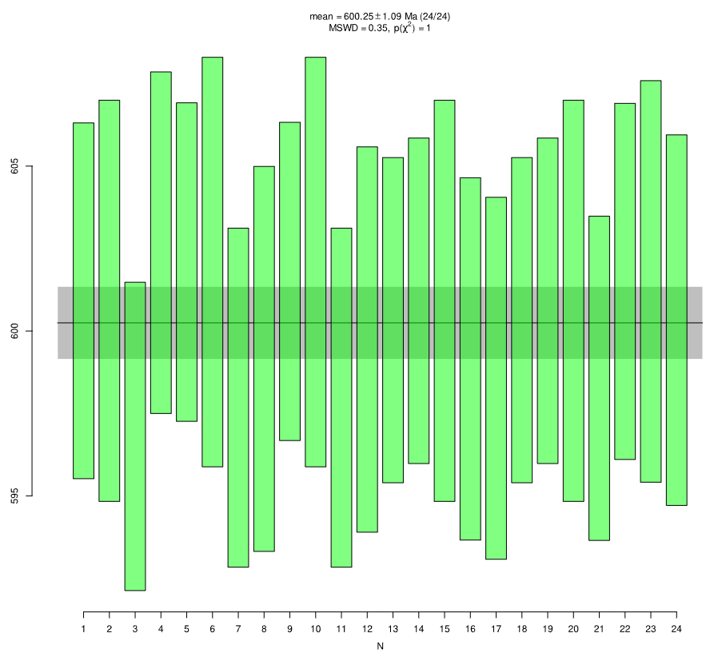
GJ-1
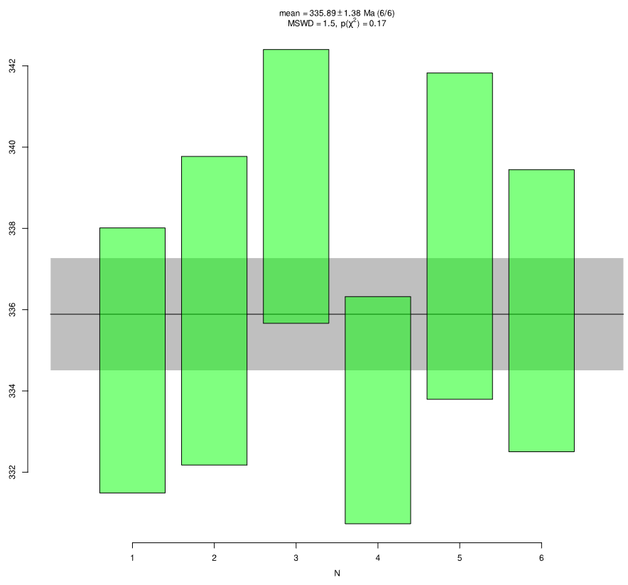
Plešovice
Primary standard (GJ-1)
GJ-1 01 | 601 | 5.4 | 596.6 | 19.6 | 578 | 66 | 0.7995 | 1.56 | 0.0977 | 0.47 | 0.15
GJ-1 02 | 601.1 | 6.1 | 591.7 | 16.7 | 556 | 68 | 0.7910 | 1.66 | 0.0977 | 0.53 | 0.15
GJ-1 03 | 596.9 | 4.7 | 610.7 | 16.7 | 662 | 54 | 0.8248 | 1.30 | 0.0970 | 0.41 | 0.15
GJ-1 04 | 602.6 | 5.1 | 609.4 | 14.4 | 634 | 56 | 0.8225 | 1.37 | 0.0980 | 0.45 | 0.15
GJ-1 05 | 602.1 | 4.8 | 610.9 | 18.6 | 642 | 50 | 0.8251 | 1.21 | 0.0979 | 0.42 | 0.15
GJ-1 06 | 602.2 | 6.2 | 600.9 | 15 | 596 | 50 | 0.8072 | 1.30 | 0.0979 | 0.54 | 0.15
GJ-1 07 | 598.1 | 5.2 | 595.8 | 17 | 586 | 60 | 0.7982 | 1.47 | 0.0972 | 0.45 | 0.15
GJ-1 08 | 599.1 | 5.9 | 600.9 | 17.6 | 608 | 58 | 0.8073 | 1.40 | 0.0974 | 0.51 | 0.15
GJ-1 09 | 601.7 | 4.8 | 611.6 | 18.6 | 648 | 48 | 0.8265 | 1.22 | 0.0978 | 0.42 | 0.15
GJ-1 10 | 602.1 | 6.2 | 601.1 | 15 | 596 | 52 | 0.8076 | 1.30 | 0.0979 | 0.54 | 0.15
GJ-1 11 | 598.2 | 5.2 | 595.5 | 17 | 584 | 60 | 0.7977 | 1.47 | 0.0972 | 0.45 | 0.15
GJ-1 12 | 599.5 | 5.9 | 600.2 | 17.6 | 602 | 56 | 0.8060 | 1.40 | 0.0975 | 0.51 | 0.15
GJ-1 13 | 600.6 | 5 | 605.4 | 18 | 622 | 62 | 0.8153 | 1.47 | 0.0976 | 0.43 | 0.15
GJ-1 14 | 601 | 4.9 | 602.3 | 18.2 | 606 | 58 | 0.8097 | 1.41 | 0.0977 | 0.43 | 0.15
GJ-1 15 | 601 | 6.1 | 603.9 | 17.7 | 614 | 64 | 0.8125 | 1.58 | 0.0977 | 0.53 | 0.15
GJ-1 16 | 599 | 5.5 | 597 | 18.9 | 588 | 72 | 0.8002 | 1.70 | 0.0974 | 0.48 | 0.15
GJ-1 17 | 598.8 | 5.5 | 597.5 | 19 | 592 | 70 | 0.8011 | 1.70 | 0.0973 | 0.48 | 0.15
GJ-1 18 | 600.6 | 5 | 605.2 | 18 | 622 | 60 | 0.8150 | 1.47 | 0.0976 | 0.43 | 0.15
GJ-1 19 | 601 | 4.9 | 602.1 | 18.2 | 606 | 58 | 0.8094 | 1.41 | 0.0977 | 0.43 | 0.15
GJ-1 20 | 601.1 | 6.1 | 603.7 | 17.7 | 612 | 64 | 0.8123 | 1.58 | 0.0977 | 0.53 | 0.15
GJ-1 21 | 598.7 | 4.9 | 596.4 | 18.4 | 586 | 52 | 0.7993 | 1.28 | 0.0973 | 0.43 | 0.15
GJ-1 22 | 601.5 | 5.4 | 608.9 | 17.6 | 636 | 54 | 0.8216 | 1.35 | 0.0978 | 0.47 | 0.15
GJ-1 23 | 601.3 | 6.1 | 601.4 | 15.8 | 602 | 62 | 0.8081 | 1.52 | 0.0978 | 0.53 | 0.15
GJ-1 24 | 600.1 | 5.6 | 601.8 | 12.6 | 608 | 56 | 0.8088 | 1.40 | 0.0976 | 0.49 | 0.15
Secondary standard
Plešovice 1 | 335 | 3.3 | 329.3 | 11.7 | 288 | 82 | 0.3831 | 1.85 | 0.0533 | 0.50 | 0.15
Plešovice 2 | 335.9 | 3.8 | 343.7 | 10.7 | 396 | 82 | 0.4028 | 1.91 | 0.0535 | 0.58 | 0.15
Plešovice 3 | 339 | 3.4 | 340.2 | 10.9 | 348 | 74 | 0.3980 | 1.71 | 0.0540 | 0.51 | 0.15
Plešovice 4 | 333.4 | 2.8 | 336.9 | 13.5 | 360 | 88 | 0.3934 | 1.98 | 0.0531 | 0.43 | 0.15
Plešovice 5 | 337.5 | 4 | 342.8 | 11.2 | 378 | 82 | 0.4016 | 1.92 | 0.0538 | 0.61 | 0.15
Plešovice 6 | 335.7 | 3.5 | 332.3 | 15.2 | 308 | 102 | 0.3871 | 2.27 | 0.0535 | 0.53 | 0.15

Y-71 (CAn-3)
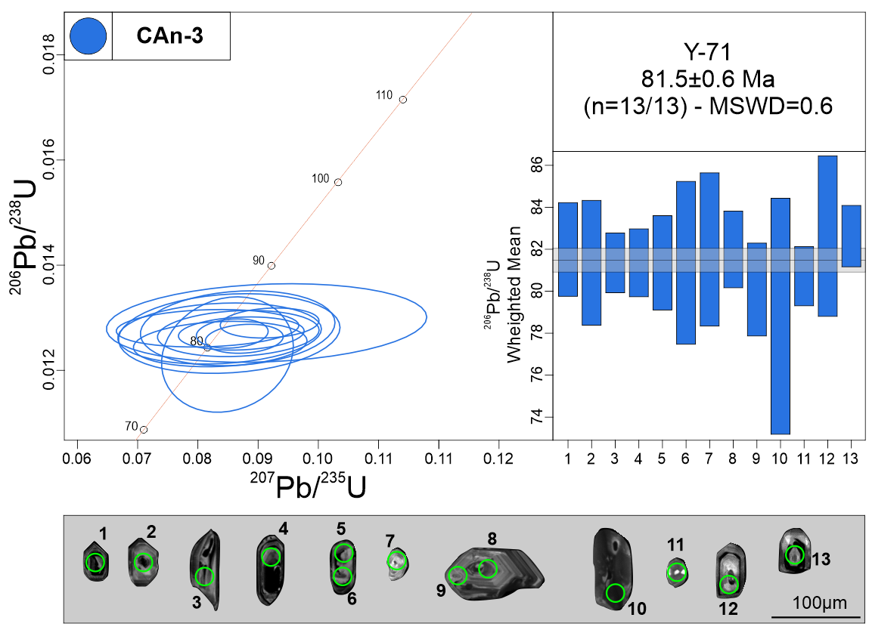
Measurement Point (WM - weighted mean) | Pb (U) AGES |  |  |  |  |  | NORMAL CONCORDIA FORMAT
 | 206Pb/238U |  | 207Pb/235U |  | 207Pb/206Pb |  | 207Pb/235U |  | 206Pb/238U
 | AGE (Ma) | +/- 2 S.D. | AGE (Ma) | +/- 2 S.D. | AGE (Ma) | +/- 2 S.D. | Ratio | 1s % | Ratio | 1s % | Rho
1 | 81.7 | 2.2 | 83.2 | 8.4 | 124 | 244 | 0.0854 | 5.50 | 0.0128 | 1.37 | 0.15
2 | 81.5 | 3 | 81.6 | 14.5 | 84 | 262 | 0.0836 | 8.13 | 0.0127 | 1.84 | 0.15
3 | 81.1 | 1.4 | 83.5 | 4.2 | 154 | 122 | 0.0857 | 2.80 | 0.0127 | 0.88 | 0.15
4 | 81.3 | 1.6 | 84.9 | 7.7 | 186 | 218 | 0.0872 | 4.82 | 0.0127 | 1.00 | 0.15
5 | 81.7 | 2.3 | 84.4 | 8.7 | 162 | 282 | 0.0867 | 6.23 | 0.0127 | 1.39 | 0.15
6 | 81.3 | 3.9 | 83 | 12.5 | 132 | 318 | 0.0852 | 8.69 | 0.0127 | 2.40 | 0.15
7 | 82.3 | 3.7 | 84.4 | 16.4 | 144 | 366 | 0.0866 | 7.51 | 0.0128 | 2.24 | 0.15
8 | 81.7 | 1.8 | 79.7 | 9.3 | 18 | 186 | 0.0816 | 7.48 | 0.0128 | 1.12 | 0.15
9 | 80.3 | 2.2 | 81.6 | 11 | 120 | 274 | 0.0837 | 6.93 | 0.0125 | 1.39 | 0.15
10 | 79.1 | 5.6 | 82.8 | 10.7 | 190 | 170 | 0.0849 | 5.18 | 0.0123 | 3.59 | 0.15
11 | 80.7 | 1.4 | 85.4 | 4.7 | 218 | 130 | 0.0877 | 2.96 | 0.0126 | 0.88 | 0.15
12 | 82.6 | 3.8 | 88.8 | 16.7 | 258 | 502 | 0.0914 | 11.71 | 0.0129 | 2.33 | 0.15
13 | 82.5 | 1.5 | 89.3 | 6 | 276 | 162 | 0.0919 | 3.59 | 0.0129 | 0.89 | 0.15
Discordant 1 | 90.7 | 4.2 | 273.1 | 32.5 | 2434 | 208 | 0.3087 | 6.54 | 0.0142 | 2.34 | 0.15
Discordant 2 | 105.7 | 4.5 | 483.8 | 52.6 | 3292 | 112 | 0.6104 | 4.18 | 0.0165 | 2.15 | 0.15
Discordant 3 | 88.3 | 3 | 181.5 | 22.5 | 1678 | 244 | 0.1958 | 6.79 | 0.0138 | 1.72 | 0.15
Discordant 4 | 81.3 | 1.3 | 91.2 | 5.8 | 360 | 156 | 0.0940 | 3.62 | 0.0127 | 0.81 | 0.15
Discordant 5 | 80.6 | 2.1 | 123.3 | 20.6 | 1052 | 332 | 0.1291 | 8.29 | 0.0126 | 1.34 | 0.15
Discordant 6 | 85.3 | 2.4 | 96.5 | 10 | 382 | 252 | 0.0997 | 5.82 | 0.0133 | 1.42 | 0.15
Discordant 7 | 77.5 | 1.7 | 107.2 | 9.6 | 832 | 186 | 0.1114 | 4.58 | 0.0121 | 1.14 | 0.15
Discordant 8 | 98.4 | 4.8 | 438.2 | 93.8 | 3212 | 394 | 0.5396 | 12.64 | 0.0154 | 2.45 | 0.15
Discordant 9 | 81.5 | 2.7 | 174.8 | 62.2 | 1750 | 596 | 0.1879 | 16.18 | 0.0127 | 1.65 | 0.15
Discordant 10 | 83 | 1.4 | 108.3 | 6.3 | 706 | 126 | 0.1125 | 3.11 | 0.0130 | 0.82 | 0.15
Discordant 11 | 83.6 | 2.4 | 103.6 | 11 | 592 | 240 | 0.1074 | 5.68 | 0.0130 | 1.44 | 0.15
Discordant 12 | 29.7 | 0.7 | 36.7 | 4.1 | 520 | 264 | 0.0368 | 6.25 | 0.0046 | 1.20 | 0.15
Discordant 13 | 83.8 | 3 | 100.6 | 12.4 | 520 | 282 | 0.1042 | 6.72 | 0.0131 | 1.80 | 0.15
Discordant 14 | 81.5 | 1.5 | 111.2 | 10.2 | 806 | 186 | 0.1158 | 4.58 | 0.0127 | 0.92 | 0.15
Discordant 15 | 84 | 2 | 116.8 | 8.5 | 850 | 160 | 0.1219 | 4.02 | 0.0131 | 1.17 | 0.15
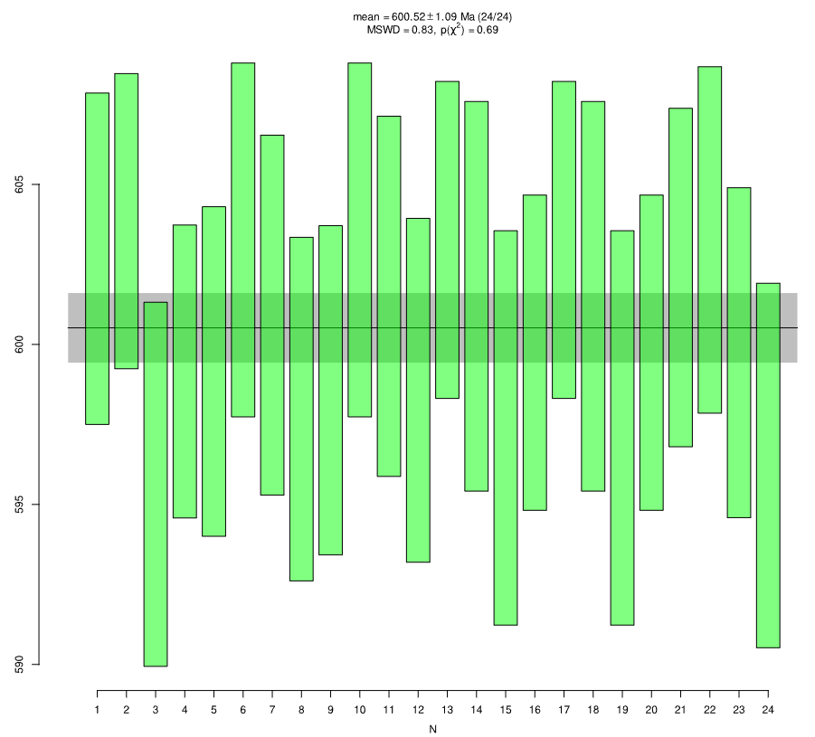
GJ-1
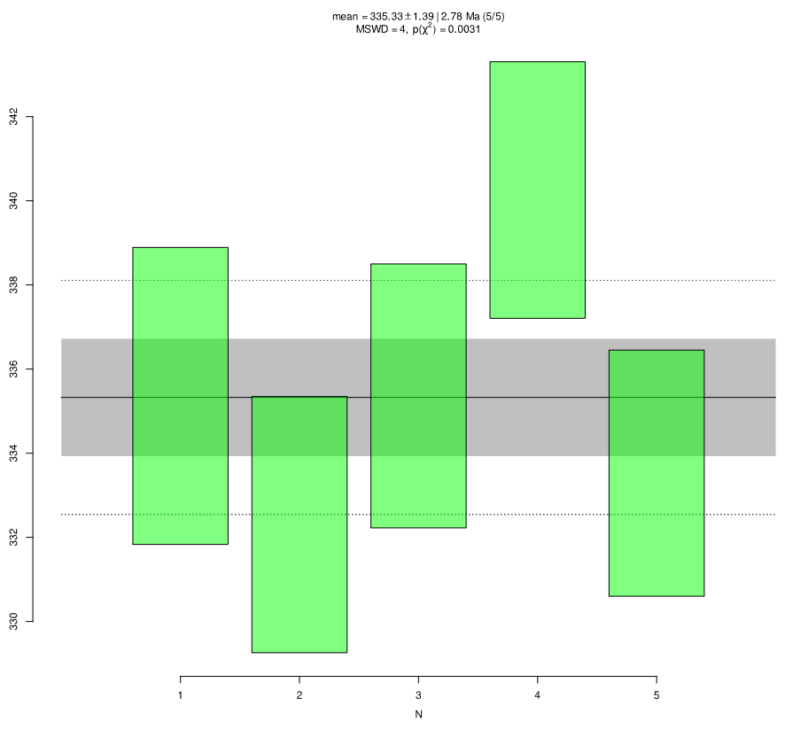
Plešovice
Primary standard (GJ-1)
GJ-1 01 | 602.6 | 5.2 | 595.3 | 18 | 568 | 46 | 0.7973 | 1.17 | 0.0980 | 0.45 | 0.15
GJ-1 02 | 604.1 | 4.6 | 603.9 | 15.7 | 604 | 46 | 0.8126 | 1.12 | 0.0982 | 0.40 | 0.15
GJ-1 03 | 595.6 | 5.6 | 590.7 | 17.5 | 572 | 72 | 0.7891 | 1.75 | 0.0968 | 0.50 | 0.15
GJ-1 04 | 599.2 | 4.6 | 594.7 | 14.3 | 578 | 70 | 0.7962 | 1.68 | 0.0974 | 0.40 | 0.15
GJ-1 05 | 599.1 | 5.2 | 586.3 | 14 | 538 | 58 | 0.7814 | 1.41 | 0.0974 | 0.45 | 0.15
GJ-1 06 | 603.1 | 5.6 | 598.4 | 12.8 | 580 | 54 | 0.8028 | 1.35 | 0.0981 | 0.48 | 0.15
GJ-1 07 | 601.1 | 5.6 | 595.8 | 15.1 | 576 | 60 | 0.7983 | 1.45 | 0.0977 | 0.49 | 0.15
GJ-1 08 | 598.2 | 5.4 | 593.8 | 14.6 | 578 | 62 | 0.7947 | 1.51 | 0.0972 | 0.47 | 0.15
GJ-1 09 | 598.8 | 5.2 | 594.9 | 14.2 | 580 | 58 | 0.7966 | 1.41 | 0.0973 | 0.45 | 0.15
GJ-1 10 | 603 | 5.6 | 607.1 | 13 | 622 | 54 | 0.8182 | 1.34 | 0.0981 | 0.48 | 0.15
GJ-1 11 | 601.2 | 5.6 | 604.3 | 15.2 | 616 | 58 | 0.8134 | 1.45 | 0.0978 | 0.49 | 0.15
GJ-1 12 | 598.5 | 5.4 | 602.2 | 14.8 | 616 | 62 | 0.8096 | 1.51 | 0.0973 | 0.47 | 0.15
GJ-1 13 | 603.2 | 4.9 | 606.8 | 17 | 620 | 62 | 0.8177 | 1.47 | 0.0981 | 0.43 | 0.15
GJ-1 14 | 601.2 | 6.1 | 609 | 18.1 | 638 | 74 | 0.8217 | 1.81 | 0.0978 | 0.53 | 0.15
GJ-1 15 | 597.2 | 6.1 | 599.3 | 16.7 | 606 | 56 | 0.8043 | 1.40 | 0.0971 | 0.54 | 0.15
GJ-1 16 | 599.9 | 4.9 | 593.4 | 17.7 | 568 | 66 | 0.7940 | 1.57 | 0.0975 | 0.43 | 0.15
GJ-1 17 | 603.3 | 4.9 | 606.5 | 17 | 618 | 60 | 0.8172 | 1.47 | 0.0981 | 0.43 | 0.15
GJ-1 18 | 601.2 | 6.1 | 608.9 | 18.1 | 636 | 74 | 0.8216 | 1.81 | 0.0978 | 0.53 | 0.15
GJ-1 19 | 597.2 | 6.1 | 599.4 | 16.7 | 608 | 56 | 0.8045 | 1.40 | 0.0971 | 0.54 | 0.15
GJ-1 20 | 599.9 | 4.9 | 593.7 | 17.7 | 570 | 66 | 0.7945 | 1.57 | 0.0975 | 0.43 | 0.15
GJ-1 21 | 602.3 | 5.3 | 606.9 | 15.6 | 624 | 52 | 0.8180 | 1.30 | 0.0979 | 0.46 | 0.15
GJ-1 22 | 603.3 | 5.4 | 600.8 | 15.5 | 590 | 64 | 0.8071 | 1.57 | 0.0981 | 0.47 | 0.15
GJ-1 23 | 599.7 | 5.2 | 603.3 | 15.8 | 616 | 60 | 0.8116 | 1.48 | 0.0975 | 0.45 | 0.15
GJ-1 24 | 596.2 | 5.7 | 597.5 | 7.7 | 602 | 48 | 0.8011 | 1.24 | 0.0969 | 0.50 | 0.15
Secondary standard
Plešovice 1 | 335.3 | 3.5 | 341.7 | 11.8 | 386 | 74 | 0.4001 | 1.75 | 0.0534 | 0.54 | 0.15
Plešovice 2 | 332.2 | 3.1 | 344.3 | 7.2 | 426 | 56 | 0.4037 | 1.36 | 0.0529 | 0.47 | 0.15
Plešovice 3 | 335.1 | 3.1 | 345.7 | 9.3 | 416 | 70 | 0.4056 | 1.65 | 0.0534 | 0.48 | 0.15
Plešovice 4 | 340 | 3 | 347.2 | 10.8 | 396 | 74 | 0.4077 | 1.67 | 0.0542 | 0.46 | 0.15
Plešovice 5 | 333.6 | 2.9 | 345.7 | 10 | 428 | 66 | 0.4056 | 1.53 | 0.0531 | 0.45 | 0.15

Y-46 (CDike-1)
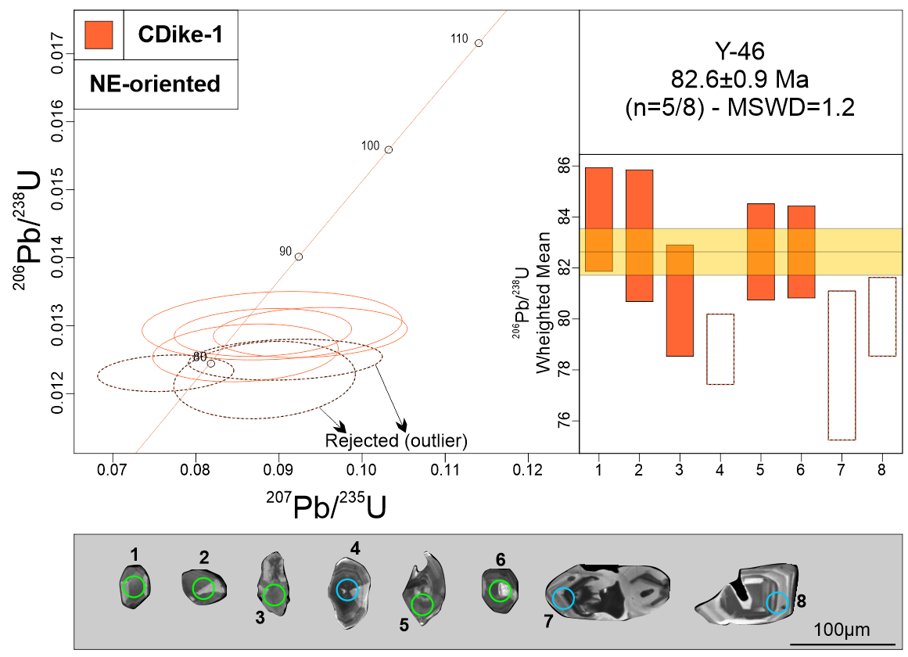
Measurement Point (WM - weighted mean) | Pb (U) AGES |  |  |  |  |  | NORMAL CONCORDIA FORMAT
 | 206Pb/238U |  | 207Pb/235U |  | 207Pb/206Pb |  | 207Pb/235U |  | 206Pb/238U
 | AGE (Ma) | +/- 2 S.D. | AGE (Ma) | +/- 2 S.D. | AGE (Ma) | +/- 2 S.D. | Ratio | 1s % | Ratio | 1s % | Rho
1 | 84.2 | 2 | 87.5 | 10.1 | 180 | 288 | 0.09 | 6.33 | 0.0131 | 1.22 | 0.15
2 | 84.5 | 2.3 | 88.3 | 12.8 | 190 | 318 | 0.0891 | 7.07 | 0.013 | 1.56 | 0.15
3 | 81 | 2.2 | 83.7 | 7.3 | 158 | 234 | 0.0859 | 5.24 | 0.0126 | 1.36 | 0.15
4 - WM outlier | 78.7 | 1.4 | 74.7 | 5.9 | 0 | 46 | 0.0763 | 4.33 | 0.0123 | 0.88 | 0.15
5 | 82.3 | 1.9 | 90.9 | 8.9 | 322 | 224 | 0.0937 | 5.02 | 0.0129 | 1.15 | 0.15
6 | 80.7 | 1.7 | 90.4 | 7.1 | 352 | 184 | 0.088 | 4.89 | 0.0129 | 1.10 | 0.15
7 - WM outlier | 78.3 | 2.9 | 85.8 | 7.8 | 302 | 212 | 0.0882 | 4.99 | 0.0122 | 1.88 | 0.15
8 - WM outlier | 80.7 | 1.4 | 89.1 | 7.9 | 320 | 212 | 0.0907 | 5.18 | 0.0125 | 0.97 | 0.15
Discordant 1 | 82.8 | 2.1 | 154.5 | 23.5 | 1470 | 332 | 0.1644 | 8.82 | 0.0129 | 1.26 | 0.15
Discordant 2 | 105.9 | 1.8 | 559.7 | 15.9 | 3578 | 42 | 0.7354 | 1.62 | 0.0166 | 0.88 | 0.15
Discordant 3 | 82.7 | 1.4 | 136.5 | 7.8 | 1216 | 104 | 0.1439 | 2.78 | 0.0129 | 0.84 | 0.15
Discordant 4 | 84.3 | 2.5 | 105.6 | 9.9 | 616 | 208 | 0.0929 | 6.35 | 0.0126 | 1.57 | 0.15
Discordant 5 | 78.8 | 1.6 | 98.4 | 10.3 | 602 | 212 | 0.1017 | 5.01 | 0.0123 | 1.04 | 0.15
Discordant 6 | 92 | 11.2 | 162 | 14.3 | 1366 | 206 | 0.173 | 8.15 | 0.0144 | 6.13 | 0.15
Discordant 7 | 89.8 | 2 | 216 | 14.7 | 1992 | 138 | 0.237 | 4.05 | 0.014 | 1.10 | 0.15
Discordant 8 | 91.8 | 1.8 | 364.6 | 16.5 | 2970 | 88 | 0.432 | 2.92 | 0.0143 | 1.00 | 0.15
Discordant 9 | 91.2 | 1.4 | 231.5 | 16.4 | 2102 | 126 | 0.2561 | 3.63 | 0.0142 | 0.79 | 0.15
Discordant 10 | 121.8 | 6.5 | 608.6 | 60.1 | 3530 | 122 | 0.8209 | 4.79 | 0.0191 | 2.67 | 0.15
Discordant 11 | 104.3 | 3.1 | 447.2 | 33.4 | 3158 | 104 | 0.5533 | 3.58 | 0.0163 | 1.52 | 0.15
Discordant 12 | 96.5 | 1.8 | 312.8 | 14.5 | 2590 | 96 | 0.3607 | 3.02 | 0.0151 | 0.95 | 0.15
Discordant 13 | 85.7 | 1.9 | 156.9 | 12.6 | 1436 | 168 | 0.1671 | 4.49 | 0.0134 | 1.10 | 0.15
Discordant 14 | 91.6 | 2.5 | 238.2 | 16.6 | 2152 | 134 | 0.2645 | 4.08 | 0.0143 | 1.40 | 0.15
Discordant 15 | 102 | 3.2 | 377.4 | 45.1 | 2864 | 170 | 0.4502 | 5.46 | 0.016 | 1.57 | 0.15
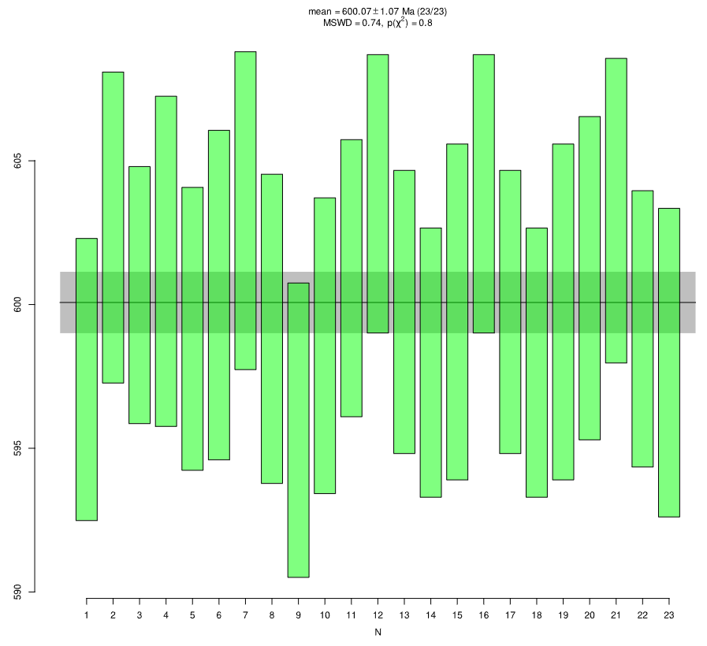
GJ-1
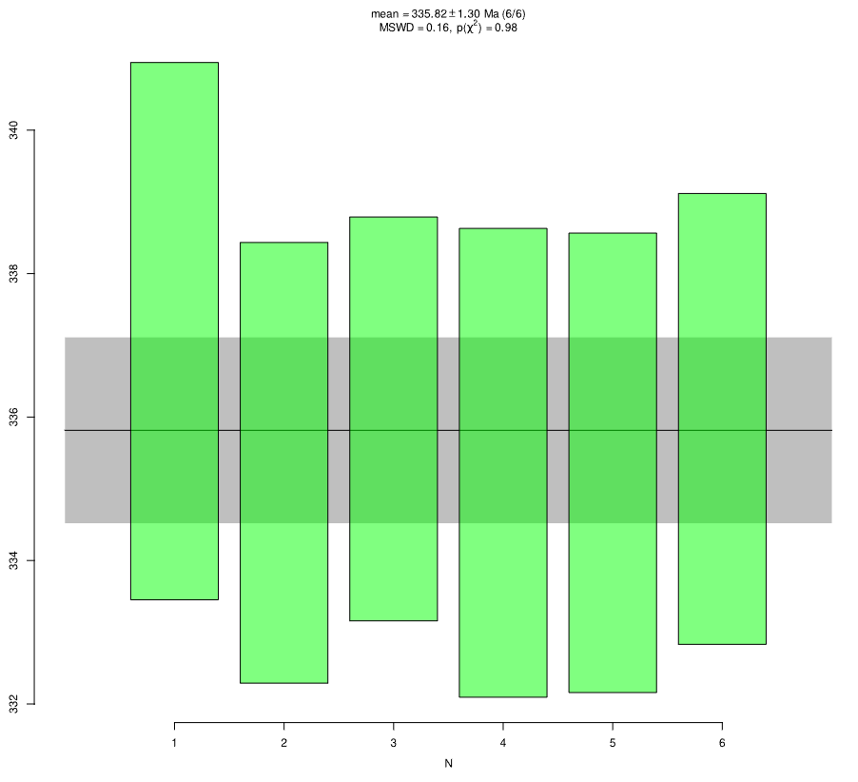
Plešovice
Primary standard (GJ-1)
GJ-1 01 | 597.5 | 5 | 597.9 | 15.3 | 598 | 62 | 0.8019 | 1.50 | 0.0971 | 0.43 | 0.15
GJ-1 02 | 602.7 | 5.4 | 608.6 | 14.6 | 630 | 66 | 0.8211 | 1.60 | 0.098 | 0.47 | 0.15
GJ-1 03 | 600.1 | 4.4 | 601.9 | 18 | 608 | 64 | 0.809 | 1.52 | 0.0976 | 0.39 | 0.15
GJ-1 04 | 601.3 | 5.7 | 600.1 | 19.6 | 594 | 68 | 0.8058 | 1.64 | 0.0978 | 0.50 | 0.15
GJ-1 05 | 599.1 | 4.9 | 611.1 | 15.6 | 656 | 54 | 0.8256 | 1.31 | 0.0974 | 0.43 | 0.15
GJ-1 06 | 600.1 | 5.8 | 608.5 | 13.9 | 640 | 46 | 0.8208 | 1.17 | 0.0976 | 0.50 | 0.15
GJ-1 07 | 603.3 | 5.5 | 596.9 | 16.1 | 572 | 64 | 0.8001 | 1.54 | 0.0981 | 0.48 | 0.15
GJ-1 08 | 599 | 5.4 | 591.9 | 18.1 | 564 | 56 | 0.7913 | 1.38 | 0.0974 | 0.47 | 0.15
GJ-1 09 | 595.5 | 5.1 | 603.6 | 16 | 634 | 60 | 0.8121 | 1.47 | 0.0968 | 0.45 | 0.15
GJ-1 10 | 598.3 |  | 602.5 | 18.6 | 618 | 64 | 0.81 | 1.54 | 0.0973 | 0.45 | 0.15
GJ-1 11 | 600.9 | 4.8 | 593.8 | 15 | 566 | 60 | 0.7947 | 1.45 | 0.0977 | 0.42 | 0.15
GJ-1 12 | 604 | 4.8 | 606.8 | 14.5 | 616 | 54 | 0.8178 | 1.32 | 0.0982 | 0.42 | 0.15
GJ-1 13 | 599.9 | 4.9 | 602.1 | 14.1 | 610 | 44 | 0.8094 | 1.11 | 0.0975 | 0.43 | 0.15
GJ-1 14 | 597.8 | 4.7 | 603.8 | 15 | 626 | 60 | 0.8124 | 1.46 | 0.0972 | 0.41 | 0.15
GJ-1 15 | 599.9 | 5.8 | 595.8 | 15.4 | 580 | 60 | 0.7982 | 1.47 | 0.0975 | 0.51 | 0.15
GJ-1 16 | 604.1 | 4.8 | 605.9 | 14.5 | 612 | 54 | 0.8161 | 1.32 | 0.0982 | 0.42 | 0.15
GJ-1 17 | 600 | 4.9 | 601.8 | 14.1 | 608 | 44 | 0.8088 | 1.11 | 0.0975 | 0.43 | 0.15
GJ-1 18 | 597.7 | 4.7 | 604.1 | 15 | 628 | 62 | 0.8129 | 1.46 | 0.0972 | 0.41 | 0.15
GJ-1 19 | 599.8 | 5.8 | 596.8 | 15.4 | 584 | 60 | 0.7999 | 1.48 | 0.0975 | 0.51 | 0.15
GJ-1 20 | 600.6 | 5.6 | 599.8 | 16.4 | 596 | 66 | 0.8052 | 1.58 | 0.0977 | 0.49 | 0.15
GJ-1 21 | 603.4 | 5.3 | 606.4 | 16.5 | 616 | 62 | 0.8171 | 1.49 | 0.0981 | 0.46 | 0.15
GJ-1 22 | 599.4 | 4.8 | 596.3 | 15.8 | 584 | 62 | 0.799 | 1.46 | 0.0974 | 0.42 | 0.15
GJ-1 23 | 598.1 | 5.3 | 606.1 | 17.4 | 636 | 58 | 0.8165 | 1.38 | 0.0972 | 0.47 | 0.15
Secondary standard
Plešovice 1 | 337.4 | 3.8 | 335.7 | 14.2 | 324 | 90 | 0.3919 | 2.0668537892 | 0.0537 | 0.57 | 0.15
Plešovice 2 | 335.3 | 3.1 | 327.1 | 14 | 268 | 108 | 0.3801 | 2.4204156801 | 0.0534 | 0.47 | 0.15
Plešovice 3 | 335.9 | 2.8 | 338.2 | 8.6 | 354 | 58 | 0.3953 | 1.3407538578 | 0.0535 | 0.43 | 0.15
Plešovice 4 | 335.5 | 3.3 | 337 | 8.9 | 346 | 68 | 0.3936 | 1.549796748 | 0.0534 | 0.50 | 0.15
Plešovice 5 | 335.1 | 3.2 | 336.8 | 11.1 | 348 | 72 | 0.3934 | 1.6522623284 | 0.0534 | 0.49 | 0.15
Plešovice 6 | 336.2 | 3.1 | 330 | 8.6 | 286 | 78 | 0.384 | 1.7708333333 | 0.0535 | 0.48 | 0.15

Y-43 (CDike-1)
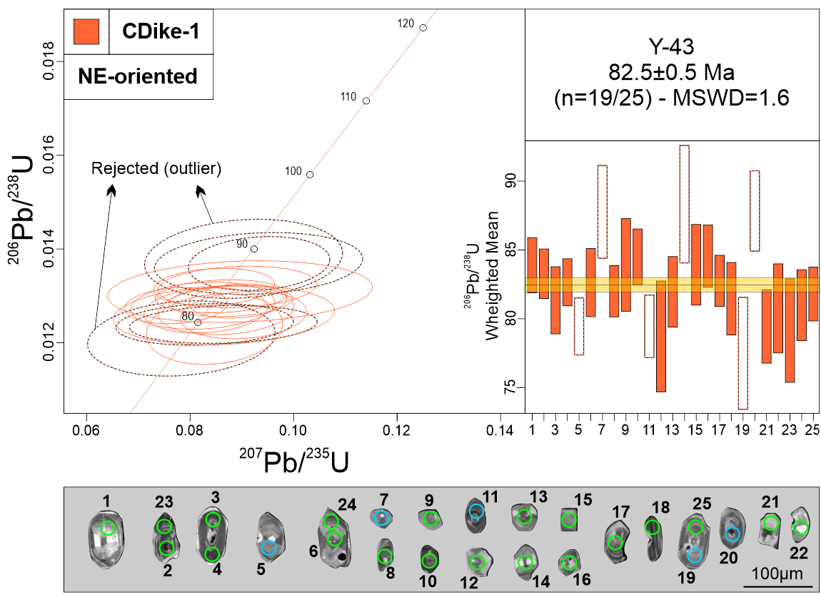
Measurement Point (WM - weighted mean) | Pb (U) AGES |  |  |  |  |  | NORMAL CONCORDIA FORMAT
 | 206Pb/238U |  | 207Pb/235U |  | 207Pb/206Pb |  | 207Pb/235U |  | 206Pb/238U
 | AGE (Ma) | +/- 2 S.D. | AGE (Ma) | +/- 2 S.D. | AGE (Ma) | +/- 2 S.D. | Ratio | 1s % | Ratio | 1s % | Rho
1 | 83.6 | 2 | 80 | 12 | 0 | 146 | 0.082 | 7.68 | 0.0131 | 1.2 | 0.15
2 | 83.3 | 1.8 | 83.7 | 9.7 | 94 | 226 | 0.0859 | 5.94 | 0.013 | 1.09 | 0.15
3 | 81.5 | 2.5 | 80.9 | 8.3 | 64 | 194 | 0.083 | 5.78 | 0.0127 | 1.52 | 0.15
4 | 82.6 | 1.7 | 85.4 | 8.4 | 164 | 248 | 0.0878 | 5.47 | 0.0129 | 1.04 | 0.15
5 - WM outlier | 79.2 | 2.1 | 84.1 | 13.8 | 224 | 386 | 0.0864 | 8.45 | 0.0124 | 1.31 | 0.15
6 | 82.8 | 4.7 | 82.7 | 21.6 | 78 | 348 | 0.0848 | 7.78 | 0.0129 | 1.51 | 0.15
7 - WM outlier | 87.8 | 3.4 | 90.5 | 15.9 | 160 | 348 | 0.0932 | 8.69 | 0.0137 | 1.94 | 0.15
8 | 81.8 | 1.9 | 83.3 | 11.4 | 126 | 272 | 0.0855 | 6.55 | 0.0128 | 1.14 | 0.15
9 | 83.8 | 5.3 | 87.1 | 19.8 | 178 | 466 | 0.0896 | 11.50 | 0.0131 | 2.02 | 0.15
10 | 84.6 | 2 | 82.5 | 8.6 | 20 | 146 | 0.0846 | 5.56 | 0.0132 | 1.21 | 0.15
11 - WM outlier | 79.8 | 2.3 | 80.8 | 11.5 | 110 | 292 | 0.0828 | 8.33 | 0.0124 | 1.44 | 0.15
12 | 78.6 | 4.1 | 77.5 | 19.8 | 42 | 502 | 0.0793 | 7.94 | 0.0123 | 2.62 | 0.15
13 | 81.9 | 2.6 | 80.4 | 10.4 | 34 | 186 | 0.0824 | 6.80 | 0.0128 | 1.58 | 0.15
14 | 88.6 | 4.3 | 87.8 | 17.7 | 64 | 322 | 0.0903 | 8.53 | 0.0138 | 2.46 | 0.15
15 - WM outlier | 83.9 | 2.9 | 85.3 | 14.4 | 122 | 300 | 0.0876 | 8.22 | 0.0131 | 1.76 | 0.15
16 | 84.2 | 2.3 | 86.6 | 11.2 | 152 | 306 | 0.0891 | 6.96 | 0.0132 | 1.35 | 0.15
17 | 82.4 | 1.9 | 86.8 | 6.8 | 208 | 188 | 0.0892 | 4.26 | 0.0129 | 1.14 | 0.15
18 | 81.1 | 2.6 | 84.6 | 10.2 | 186 | 272 | 0.0869 | 6.10 | 0.0127 | 1.64 | 0.15
19 - WM outlier | 77.8 | 4.1 | 76.6 | 12.5 | 38 | 240 | 0.0783 | 9.32 | 0.0121 | 2.67 | 0.15
20 - WM outlier | 87.8 | 2.9 | 90.6 | 11 | 162 | 262 | 0.0933 | 5.89 | 0.0137 | 1.69 | 0.15
21 | 79.7 | 2.7 | 79.2 | 16.2 | 64 | 262 | 0.0811 | 9.00 | 0.0124 | 1.69 | 0.15
22 | 80.9 | 3.2 | 84.2 | 17.4 | 180 | 394 | 0.0865 | 9.94 | 0.0126 | 2.02 | 0.15
23 | 78.5 | 3.9 | 82.6 | 14.8 | 200 | 426 | 0.0847 | 6.26 | 0.0123 | 2.47 | 0.15
24 | 80.6 | 2.6 | 87.8 | 9.9 | 288 | 238 | 0.0903 | 5.43 | 0.0126 | 1.62 | 0.15
25 | 82.2 | 2 | 75.6 | 8.7 | 0 | 0 | 0.0773 | 5.17 | 0.0128 | 1.21 | 0.15
Discordant 1 | 85 | 2.7 | 118.1 | 11.6 | 848 | 240 | 0.1233 | 5.92 | 0.0133 | 1.58 | 0.15
Discordant 2 | 90.1 | 2.4 | 207.5 | 20.6 | 1908 | 156 | 0.2267 | 4.50 | 0.0141 | 1.36 | 0.15
Discordant 3 | 82.5 | 2.1 | 103 | 13.1 | 608 | 296 | 0.1067 | 6.94 | 0.0129 | 1.25 | 0.15
Discordant 4 | 87.1 | 2.9 | 100.7 | 18.3 | 436 | 364 | 0.1043 | 8.34 | 0.0136 | 1.67 | 0.15
Discordant 5 | 82.6 | 2.1 | 94.1 | 12.9 | 394 | 314 | 0.0971 | 7.11 | 0.0129 | 1.29 | 0.15
Discordant 6 | 89.1 | 5 | 212.5 | 51.4 | 1974 | 528 | 0.2328 | 14.95 | 0.0139 | 2.82 | 0.15
Discordant 7 | 84.2 | 2.3 | 157.8 | 89.8 | 1480 | 1328 | 0.1681 | 33.08 | 0.0132 | 1.4 | 0.15
Discordant 8 | 80.7 | 2.2 | 124.7 | 33 | 1074 | 694 | 0.1306 | 17.00 | 0.0126 | 1.36 | 0.15
Discordant 9 | 80.7 | 2.4 | 103.6 | 21.9 | 668 | 608 | 0.1075 | 14.14 | 0.0126 | 1.52 | 0.15
Discordant 10 | 84 | 3 | 108.3 | 16.1 | 684 | 336 | 0.1126 | 8.08 | 0.0131 | 1.83 | 0.15
Discordant 11 | 87.2 | 6.1 | 190.7 | 72.1 | 1798 | 366 | 0.2066 | 10.60 | 0.0136 | 3.5 | 0.15
Discordant 12 | 81.3 | 1.6 | 122.4 | 8.8 | 1020 | 158 | 0.1282 | 3.98 | 0.0127 | 0.96 | 0.15
Discordant 13 | 84.1 | 2.2 | 156.2 | 17.7 | 1464 | 256 | 0.1663 | 6.86 | 0.0131 | 1.3 | 0.15
GJ-1
Discordant 14 | 80.7 | 1.9 | 98.2 | 11.5 | 546 | 268 | 0.0942 | 9.87 | 0.0128 | 1.69 | 0.15
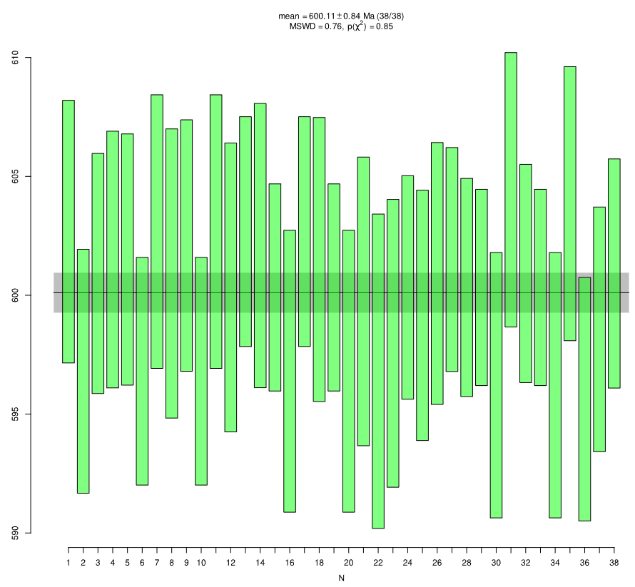
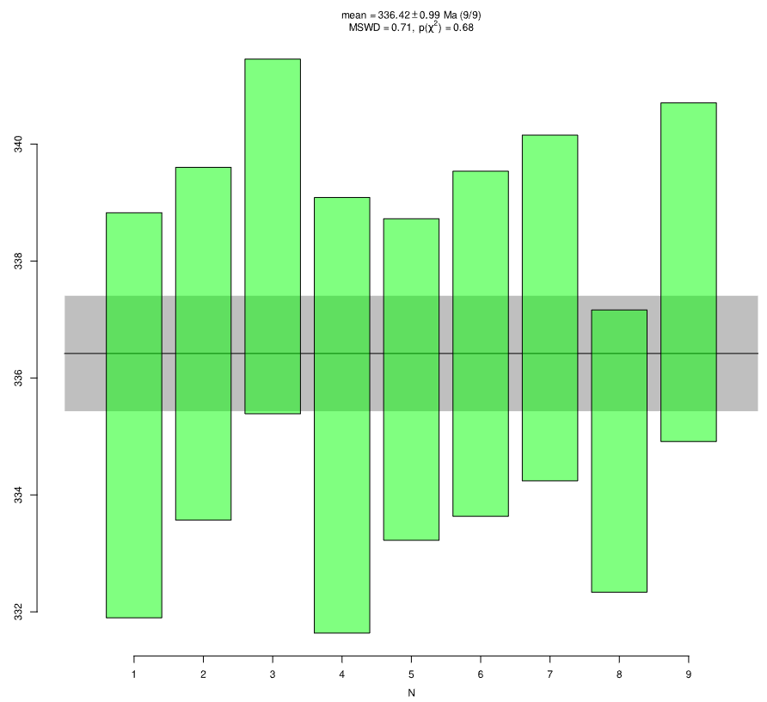
Plešovice
Primary standard (GJ-1)
GJ-1 01 | 602.4 | 5.6 | 608 | 16.6 | 628 | 62 | 0.8199 | 1.52 | 0.098 | 0.48 | 0.15
GJ-1 02 | 596.7 | 5.2 | 613 | 18.7 | 672 | 74 | 0.8288 | 1.77 | 0.097 | 0.45 | 0.15
GJ-1 03 | 601.2 | 5.1 | 594.6 | 17.3 | 568 | 58 | 0.7961 | 1.42 | 0.0977 | 0.44 | 0.15
GJ-1 04 | 601.3 | 5.4 | 592.9 | 19.1 | 560 | 70 | 0.793 | 1.66 | 0.0978 | 0.47 | 0.15
GJ-1 05 | 601.7 | 5.2 | 604.9 | 19.2 | 616 | 56 | 0.8144 | 1.39 | 0.0978 | 0.46 | 0.15
GJ-1 06 | 596.6 | 4.8 | 598.4 | 17.3 | 604 | 56 | 0.8028 | 1.37 | 0.097 | 0.42 | 0.15
GJ-1 07 | 602.7 | 5.8 | 605.7 | 17.9 | 616 | 68 | 0.8157 | 1.66 | 0.098 | 0.5 | 0.15
GJ-1 08 | 600.6 | 6 | 599.5 | 21.7 | 594 | 60 | 0.8048 | 1.47 | 0.0977 | 0.53 | 0.15
GJ-1 09 | 602.2 | 5.2 | 604.3 | 19.1 | 612 | 58 | 0.8133 | 1.39 | 0.0979 | 0.46 | 0.15
GJ-1 10 | 596.7 | 4.8 | 598.2 | 17.3 | 604 | 56 | 0.8025 | 1.36 | 0.097 | 0.42 | 0.15
GJ-1 11 | 602.5 | 5.8 | 605.9 | 17.9 | 618 | 68 | 0.8161 | 1.65 | 0.098 | 0.5 | 0.15
GJ-1 12 | 600.1 | 6 | 600.1 | 21.7 | 600 | 58 | 0.8059 | 1.46 | 0.0976 | 0.53 | 0.15
GJ-1 13 | 602.9 | 4.9 | 598.6 | 15.6 | 582 | 66 | 0.8031 | 1.59 | 0.098 | 0.42 | 0.15
GJ-1 14 | 601.8 | 6 | 604.6 | 16.5 | 614 | 56 | 0.8139 | 1.41 | 0.0979 | 0.52 | 0.15
GJ-1 15 | 600.1 | 4.3 | 601.3 | 17.8 | 604 | 58 | 0.8079 | 1.37 | 0.0976 | 0.38 | 0.15
GJ-1 16 | 596.7 | 6 | 604 | 17.6 | 630 | 66 | 0.8128 | 1.61 | 0.097 | 0.52 | 0.15
GJ-1 17 | 602.8 | 4.9 | 599.2 | 15.6 | 584 | 66 | 0.8042 | 1.59 | 0.098 | 0.42 | 0.15
GJ-1 18 | 601.8 | 6 | 604.8 | 16.5 | 616 | 58 | 0.8142 | 1.42 | 0.0978 | 0.52 | 0.15
GJ-1 19 | 600.2 | 4.3 | 601.1 | 17.8 | 604 | 58 | 0.8075 | 1.37 | 0.0976 | 0.38 | 0.15
GJ-1 20 | 596.8 | 6 | 603.4 | 17.6 | 628 | 66 | 0.8118 | 1.60 | 0.097 | 0.52 | 0.15
GJ-1 21 | 599.7 | 6.1 | 598.4 | 16.2 | 592 | 68 | 0.8027 | 1.67 | 0.0975 | 0.53 | 0.15
GJ-1 22 | 597.1 | 6.6 | 612 | 18.2 | 666 | 72 | 0.8271 | 1.77 | 0.097 | 0.58 | 0.15
GJ-1 23 | 598 | 6 | 599 | 18.7 | 602 | 64 | 0.8039 | 1.55 | 0.0972 | 0.53 | 0.15
GJ-1 24 | 600.1 | 4.7 | 599.1 | 16.2 | 594 | 58 | 0.804 | 1.41 | 0.0976 | 0.41 | 0.15
GJ-1 25 | 599 | 5.2 | 598.8 | 18.4 | 598 | 70 | 0.8035 | 1.69 | 0.0974 | 0.46 | 0.15
GJ-1 26 | 601.1 | 5.5 | 610.4 | 14.4 | 644 | 56 | 0.8242 | 1.41 | 0.0977 | 0.48 | 0.15
GJ-1 27 | 601.4 | 4.7 | 600.2 | 14.1 | 596 | 54 | 0.806 | 1.34 | 0.0978 | 0.41 | 0.15
GJ-1 28 | 600.6 | 4.5 | 598.3 | 13.9 | 588 | 50 | 0.8026 | 1.23 | 0.0976 | 0.4 | 0.15
GJ-1 29 | 600.2 | 4.2 | 609.6 | 15.4 | 644 | 60 | 0.8228 | 1.45 | 0.0976 | 0.36 | 0.15
GJ-1 30 | 596.4 | 5.6 | 600 | 14.1 | 612 | 54 | 0.8057 | 1.33 | 0.0969 | 0.49 | 0.15
GJ-1 31 | 604.3 | 5.7 | 600.6 | 14.7 | 586 | 56 | 0.8067 | 1.39 | 0.0983 | 0.5 | 0.15
GJ-1 32 | 600.8 | 4.6 | 598.9 | 13.9 | 590 | 50 | 0.8036 | 1.23 | 0.0977 | 0.4 | 0.15
GJ-1 33 | 600.3 | 4.2 | 609.8 | 15.4 | 644 | 60 | 0.8231 | 1.45 | 0.0976 | 0.36 | 0.15
GJ-1 34 | 596.3 | 5.6 | 599.8 | 14.1 | 612 | 52 | 0.8053 | 1.33 | 0.0969 | 0.49 | 0.15
GJ-1 35 | 604.1 | 5.7 | 600.1 | 14.7 | 584 | 56 | 0.8057 | 1.39 | 0.0982 | 0.5 | 0.15
GJ-1 36 | 595.7 | 5.1 | 603 | 16 | 630 | 60 | 0.8109 | 1.47 | 0.0968 | 0.45 | 0.15
GJ-1 37 | 598.4 | 5.1 | 602.2 | 18.6 | 616 | 64 | 0.8096 | 1.54 | 0.0973 | 0.45 | 0.15
GJ-1 38 | 600.8 | 4.8 | 594 | 15 | 568 | 60 | 0.7951 | 1.45 | 0.0977 | 0.42 | 0.15
Secondary standard
Plešovice 1 | 335.6 | 3.5 | 333 | 14 | 314 | 108 | 0.3881 | 2.42 | 0.0534 | 0.53 | 0.15
Plešovice 2 | 336.3 | 3 | 337.1 | 14.2 | 342 | 92 | 0.3937 | 2.08 | 0.0536 | 0.46 | 0.15
Plešovice 3 | 338.3 | 3 | 335.4 | 11.5 | 314 | 76 | 0.3915 | 1.74 | 0.0539 | 0.46 | 0.15
Plešovice 4 | 335.3 | 3.7 | 326 | 10.9 | 258 | 96 | 0.3785 | 2.17 | 0.0534 | 0.57 | 0.15
Plešovice 5 | 336 | 2.8 | 336.7 | 14.1 | 342 | 82 | 0.3932 | 1.86 | 0.0535 | 0.42 | 0.15
Plešovice 6 | 336.9 | 3 | 324.6 | 13.8 | 236 | 90 | 0.3767 | 1.99 | 0.0536 | 0.45 | 0.15
Plešovice 7 | 337.4 | 3 | 339.7 | 8.8 | 354 | 74 | 0.3974 | 1.69 | 0.0537 | 0.45 | 0.15
Plešovice 8 | 334.8 | 2.4 | 343.3 | 10.4 | 400 | 80 | 0.4023 | 1.81 | 0.0533 | 0.37 | 0.15
Plešovice 9 | 337.7 | 2.9 | 335.9 | 10.1 | 322 | 68 | 0.3921 | 1.58 | 0.0538 | 0.44 | 0.15

Y-41 (CDike-1)
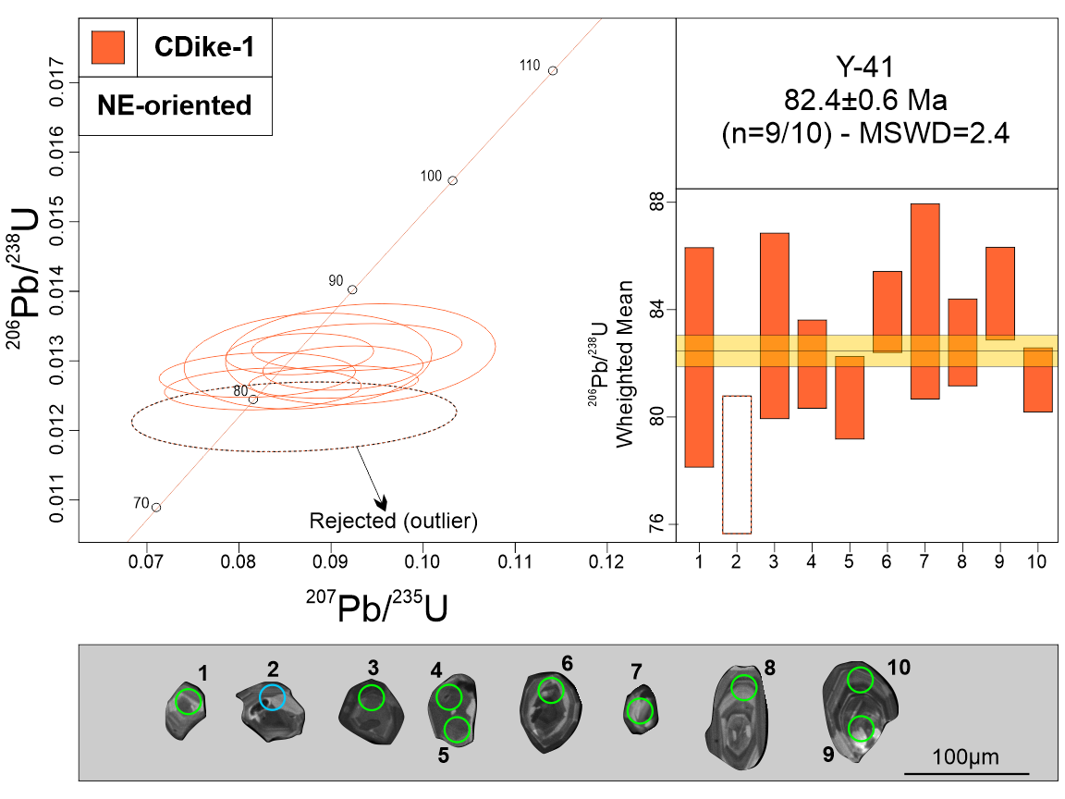
Measurement Point (WM - weighted mean) | Pb (U) AGES |  |  |  |  |  | NORMAL CONCORDIA FORMAT
 | 206Pb/238U |  | 207Pb/235U |  | 207Pb/206Pb |  | 207Pb/235U |  | 206Pb/238U
 | AGE (Ma) | +/- 2 S.D. | AGE (Ma) | +/- 2 S.D. | AGE (Ma) | +/- 2 S.D. | Ratio | 1s % | Ratio | 1s % | Rho
1 | 81.9 | 4.1 | 86.6 | 10.1 | 218 | 1210 | 0.0891 | 8.03 | 0.0128 | 2.54 | 0.15
2 - WM outlier | 77.8 | 1.8 | 81.8 | 9 | 198 | 262 | 0.086 | 8.26 | 0.0122 | 1.65 | 0.15
3 | 83 | 3.5 | 85.2 | 11.2 | 148 | 974 | 0.0875 | 6.19 | 0.013 | 2.13 | 0.15
4 | 81.7 | 7.3 | 80 | 19.3 | 28 | 588 | 0.082 | 5.23 | 0.0128 | 1.01 | 0.15
5 | 80.9 | 1.5 | 80.6 | 7.4 | 72 | 188 | 0.0826 | 5.21 | 0.0126 | 0.96 | 0.15
6 | 83.9 | 7.3 | 84.3 | 13 | 96 | 516 | 0.0866 | 3.73 | 0.0131 | 0.91 | 0.15
7 | 84 | 3.7 | 90.5 | 10.6 | 262 | 274 | 0.0932 | 6.33 | 0.0131 | 2.22 | 0.15
8 | 82.6 | 1.6 | 88.8 | 6 | 258 | 172 | 0.0913 | 3.83 | 0.0129 | 0.99 | 0.15
9 | 84.7 | 1.7 | 90.1 | 7.7 | 234 | 226 | 0.0928 | 4.96 | 0.0132 | 1.03 | 0.15
10 | 81.6 | 1.2 | 87.8 | 6 | 260 | 182 | 0.0903 | 4.10 | 0.0127 | 0.74 | 0.15
Discordant 1 | 82.7 | 1.5 | 101.9 | 11.4 | 578 | 280 | 0.1038 | 12.04 | 0.0129 | 1.21 | 0.15
Discordant 2 | 83.7 | 1.9 | 118.2 | 11.3 | 884 | 228 | 0.1235 | 5.59 | 0.0131 | 1.13 | 0.15
Discordant 3 | 84.4 | 2.1 | 112.5 | 12.2 | 758 | 222 | 0.1172 | 5.38 | 0.0132 | 1.23 | 0.15
Discordant 4 | 61.1 | 1.9 | 93.4 | 8.6 | 1024 | 196 | 0.0964 | 5.08 | 0.0095 | 1.55 | 0.15
Discordant 5 | 71.8 | 2.3 | 79.9 | 11.4 | 328 | 306 | 0.0819 | 6.96 | 0.0112 | 1.58 | 0.15
Discordant 6 | 77.7 | 1.3 | 117.3 | 7.8 | 1020 | 132 | 0.1225 | 3.35 | 0.0121 | 0.84 | 0.15
Discordant 7 | 82.4 | 1.9 | 117.6 | 9.5 | 904 | 166 | 0.1228 | 4.23 | 0.0129 | 1.14 | 0.15
Discordant 8 | 85.8 | 2.4 | 150 | 9.7 | 1342 | 140 | 0.1592 | 3.89 | 0.0134 | 1.39 | 0.15
Discordant 9 | 87.5 | 2 | 170.7 | 9.3 | 1568 | 114 | 0.1831 | 3.28 | 0.0137 | 1.16 | 0.15
Discordant 10 | 83.9 | 1.3 | 116.9 | 8.3 | 852 | 146 | 0.122 | 3.61 | 0.0131 | 0.81 | 0.15
Discordant 11 | 82.9 | 1.5 | 103.3 | 5.2 | 602 | 128 | 0.1071 | 3.08 | 0.0129 | 0.9 | 0.15
Discordant 12 | 83.7 | 1.7 | 135.1 | 9 | 1172 | 136 | 0.1423 | 3.58 | 0.0131 | 1.05 | 0.15
Discordant 13 | 82.3 | 1.4 | 109.1 | 8.1 | 742 | 166 | 0.1134 | 3.97 | 0.0129 | 0.86 | 0.15
Discordant 14 | 85.3 | 2.4 | 141.7 | 8.4 | 1234 | 122 | 0.1497 | 3.41 | 0.0133 | 1.39 | 0.15
Discordant 15 | 83.7 | 1.2 | 106.2 | 6.9 | 644 | 142 | 0.1102 | 3.36 | 0.0131 | 0.74 | 0.15
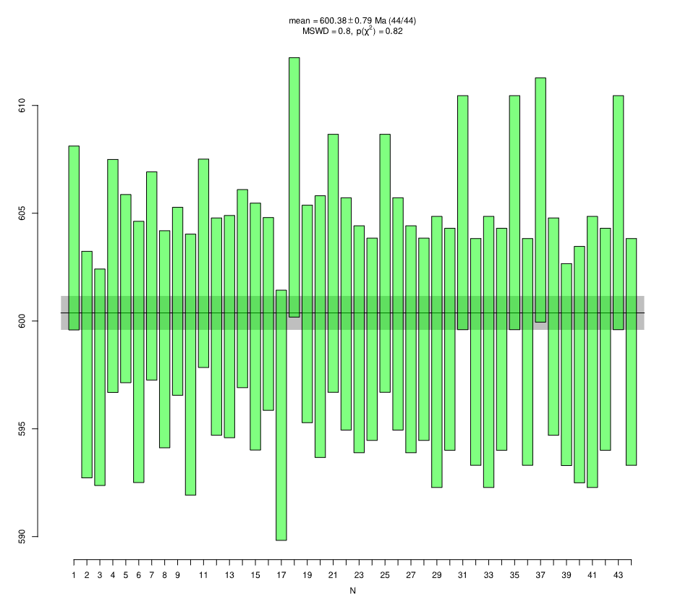
GJ-1
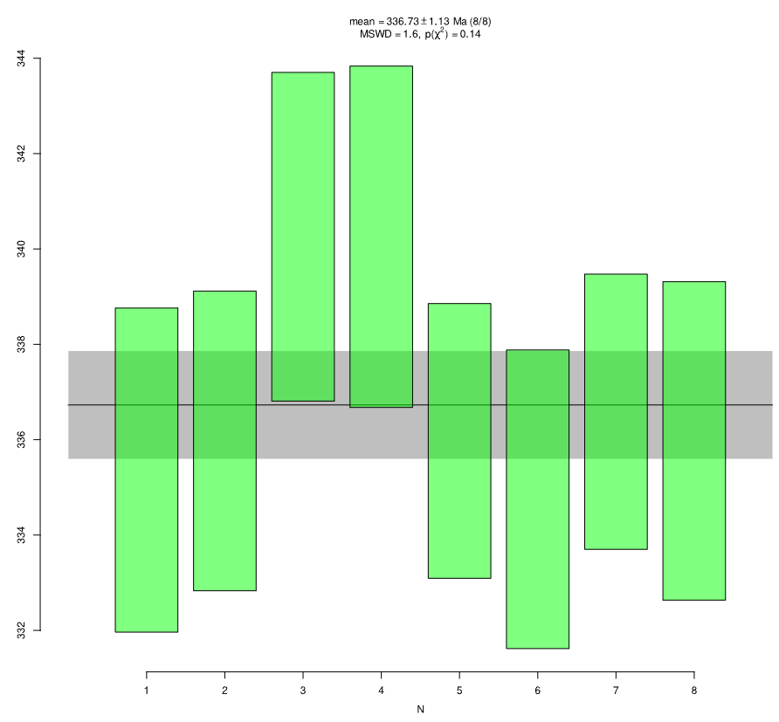
Plešovice
Primary standard (GJ-1)
GJ-1 01 | 603.9 | 4.3 | 608.3 | 16.9 | 624 | 62 | 0.8205 | 1.47 | 0.0982 | 0.37 | 0.15
GJ-1 02 | 598.1 | 5.3 | 598.1 | 17.3 | 598 | 62 | 0.8023 | 1.47 | 0.0972 | 0.46 | 0.15
GJ-1 03 | 597.6 | 5.1 | 605.2 | 20.6 | 632 | 70 | 0.8149 | 1.67 | 0.0971 | 0.44 | 0.15
GJ-1 04 | 601.8 | 5.3 | 596.9 | 16.2 | 578 | 70 | 0.8001 | 1.70 | 0.0979 | 0.47 | 0.15
GJ-1 05 | 601.4 | 4.4 | 607.1 | 16.4 | 628 | 64 | 0.8184 | 1.52 | 0.0978 | 0.38 | 0.15
GJ-1 06 | 598.4 | 6.1 | 607.9 | 18.1 | 642 | 68 | 0.8198 | 1.65 | 0.0973 | 0.53 | 0.15
GJ-1 07 | 602.4 | 4.9 | 600.5 | 17.2 | 592 | 64 | 0.8066 | 1.55 | 0.0979 | 0.42 | 0.15
GJ-1 08 | 599.3 | 5 | 592.9 | 16.1 | 568 | 66 | 0.7931 | 1.58 | 0.0974 | 0.44 | 0.15
GJ-1 09 | 600.9 | 4.4 | 606 | 16.4 | 624 | 64 | 0.8163 | 1.52 | 0.0977 | 0.38 | 0.15
GJ-1 10 | 598.3 | 6.1 | 607.5 | 18.1 | 642 | 66 | 0.8191 | 1.65 | 0.0972 | 0.53 | 0.15
GJ-1 11 | 602.5 | 4.9 | 600.9 | 17.3 | 594 | 64 | 0.8073 | 1.55 | 0.098 | 0.42 | 0.15
GJ-1 12 | 599.8 | 5 | 594.1 | 16.2 | 572 | 66 | 0.7951 | 1.58 | 0.0975 | 0.44 | 0.15
GJ-1 13 | 599.6 | 5.1 | 607.3 | 17.1 | 636 | 54 | 0.8186 | 1.37 | 0.0975 | 0.45 | 0.15
GJ-1 14 | 601.7 | 4.6 | 598.7 | 15.4 | 586 | 56 | 0.8033 | 1.37 | 0.0978 | 0.4 | 0.15
GJ-1 15 | 600 | 5.7 | 602.3 | 17.7 | 610 | 68 | 0.8098 | 1.63 | 0.0975 | 0.5 | 0.15
GJ-1 16 | 600.3 | 4.4 | 600.2 | 17.7 | 600 | 58 | 0.8061 | 1.43 | 0.0976 | 0.39 | 0.15
GJ-1 17 | 595.5 | 5.8 | 602 | 16.9 | 626 | 56 | 0.8092 | 1.40 | 0.0968 | 0.51 | 0.15
GJ-1 18 | 605.9 | 6 | 600.2 | 14.3 | 578 | 58 | 0.806 | 1.43 | 0.0986 | 0.52 | 0.15
GJ-1 19 | 600.3 | 5 | 603 | 16.6 | 612 | 56 | 0.811 | 1.34 | 0.0976 | 0.44 | 0.15
GJ-1 20 | 599.8 | 6 | 603.3 | 16.8 | 616 | 56 | 0.8115 | 1.40 | 0.0975 | 0.53 | 0.15
GJ-1 21 | 602.6 | 6 | 593.2 | 16 | 556 | 70 | 0.7936 | 1.68 | 0.098 | 0.52 | 0.15
GJ-1 22 | 600.2 | 5.3 | 605.5 | 15.1 | 624 | 56 | 0.8154 | 1.40 | 0.0976 | 0.47 | 0.15
GJ-1 23 | 599.4 | 5.3 | 609.6 | 16.6 | 646 | 66 | 0.8227 | 1.59 | 0.0974 | 0.46 | 0.15
GJ-1 24 | 599.4 | 4.7 | 600.3 | 13.8 | 602 | 54 | 0.8061 | 1.30 | 0.0974 | 0.41 | 0.15
GJ-1 25 | 602.9 | 6 | 593.2 | 16 | 556 | 70 | 0.7936 | 1.68 | 0.098 | 0.52 | 0.15
GJ-1 26 | 600.4 | 5.3 | 605.5 | 15.1 | 624 | 56 | 0.8154 | 1.40 | 0.0976 | 0.47 | 0.15
GJ-1 27 | 599.3 | 5.3 | 609.6 | 16.6 | 648 | 66 | 0.8227 | 1.59 | 0.0974 | 0.46 | 0.15
GJ-1 28 | 599 | 4.7 | 600.3 | 13.8 | 604 | 52 | 0.8061 | 1.30 | 0.0974 | 0.41 | 0.15
GJ-1 29 | 598.5 | 6.3 | 600.9 | 13.5 | 610 | 40 | 0.8072 | 1.08 | 0.0973 | 0.55 | 0.15
GJ-1 30 | 599.3 | 5.2 | 602.6 | 18.7 | 614 | 60 | 0.8102 | 1.43 | 0.0974 | 0.45 | 0.15
GJ-1 31 | 605 | 5.4 | 609.2 | 16.6 | 624 | 60 | 0.8221 | 1.46 | 0.0984 | 0.47 | 0.15
GJ-1 32 | 598.7 | 5.2 | 595.8 | 14.5 | 584 | 60 | 0.7982 | 1.47 | 0.0973 | 0.46 | 0.15
GJ-1 33 | 598.5 | 6.3 | 600.3 | 13.5 | 606 | 40 | 0.8061 | 1.08 | 0.0973 | 0.55 | 0.15
GJ-1 34 | 599.3 | 5.2 | 602.4 | 18.7 | 614 | 58 | 0.8099 | 1.43 | 0.0974 | 0.45 | 0.15
GJ-1 35 | 605 | 5.4 | 609.4 | 16.6 | 626 | 58 | 0.8225 | 1.46 | 0.0984 | 0.47 | 0.15
GJ-1 36 | 598.7 | 5.2 | 596.4 | 14.5 | 586 | 60 | 0.7992 | 1.46 | 0.0973 | 0.46 | 0.15
GJ-1 37 | 605.8 | 5.6 | 596.7 | 18.4 | 562 | 64 | 0.7999 | 1.54 | 0.0985 | 0.49 | 0.15
GJ-1 38 | 599.7 | 5 | 605.8 | 16.6 | 628 | 60 | 0.816 | 1.47 | 0.0975 | 0.44 | 0.15
GJ-1 39 | 598.2 | 4.7 | 595.1 | 14.4 | 582 | 48 | 0.7969 | 1.15 | 0.0972 | 0.41 | 0.15
GJ-1 40 | 597.9 | 5.5 | 610.8 | 19.7 | 658 | 60 | 0.825 | 1.49 | 0.0972 | 0.48 | 0.15
GJ-1 41 | 598.5 | 6.3 | 600.3 | 13.5 | 606 | 40 | 0.8061 | 1.08 | 0.0973 | 0.55 | 0.15
GJ-1 42 | 599.3 | 5.2 | 602.4 | 18.7 | 614 | 58 | 0.8099 | 1.43 | 0.0974 | 0.45 | 0.15
GJ-1 43 | 605 | 5.4 | 609.4 | 16.6 | 626 | 58 | 0.8225 | 1.46 | 0.0984 | 0.47 | 0.15
GJ-1 44 | 598.7 | 5.2 | 596.4 | 14.5 | 586 | 60 | 0.7992 | 1.46 | 0.0973 | 0.46 | 0.15
Secondary standard
Plešovice 1 | 335.3 | 3.4 | 334.5 | 11.6 | 328 | 72 | 0.3902 | 1.69 | 0.0534 | 0.52 | 0.15
Plešovice 2 | 335.9 | 3.1 | 329.7 | 11.4 | 286 | 78 | 0.3837 | 1.80 | 0.0535 | 0.48 | 0.15
Plešovice 3 | 340.4 | 3.5 | 328.5 | 15.2 | 244 | 96 | 0.382 | 2.15 | 0.0542 | 0.52 | 0.15
Plešovice 4 | 340.5 | 3.6 | 329 | 12.4 | 248 | 86 | 0.3827 | 1.91 | 0.0542 | 0.54 | 0.15
Plešovice 5 | 336 | 2.9 | 338.2 | 10.4 | 352 | 64 | 0.3953 | 1.49 | 0.0535 | 0.44 | 0.15
Plešovice 6 | 335 | 3.1 | 339.6 | 11 | 370 | 80 | 0.3972 | 1.84 | 0.0533 | 0.48 | 0.15
Plešovice 7 | 336.5 | 2.9 | 337.7 | 9.3 | 346 | 74 | 0.3946 | 1.72 | 0.0536 | 0.44 | 0.15
Plešovice 8 | 336.2 | 3.3 | 343.6 | 9.2 | 394 | 62 | 0.4027 | 1.47 | 0.0535 | 0.51 | 0.15

Y-08 (CDike-3)
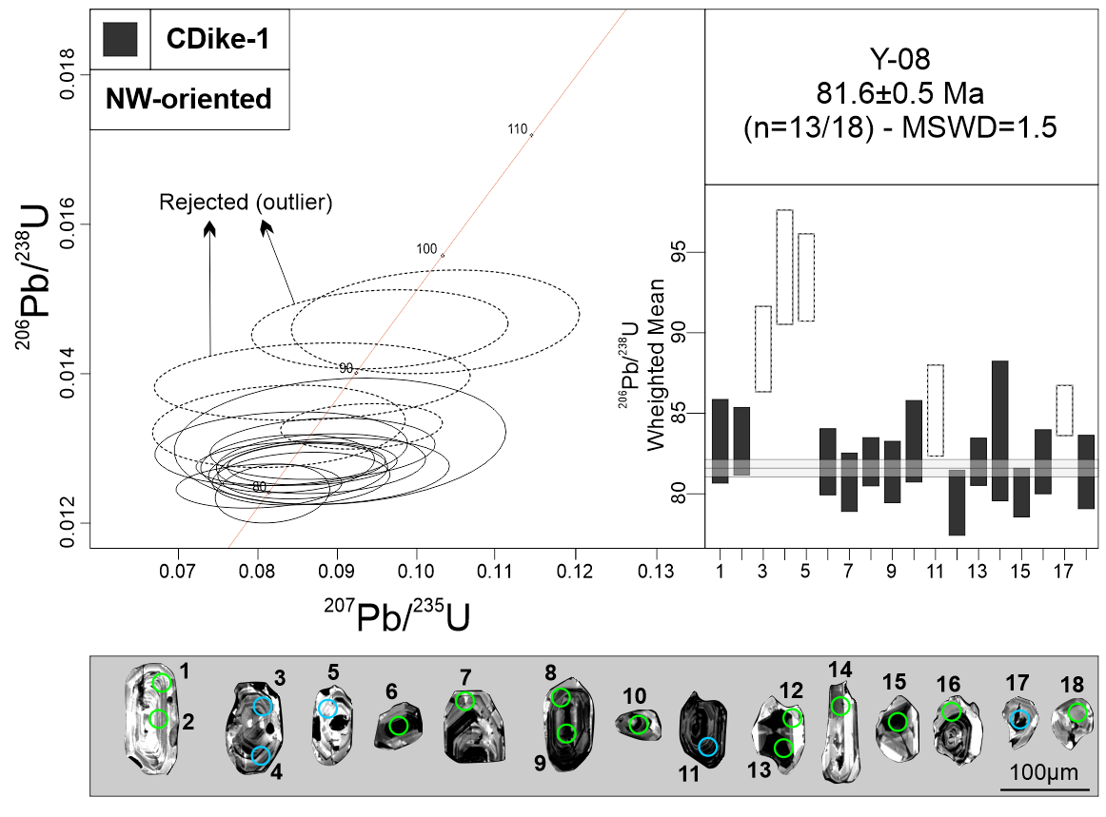
Measurement Point (WM - weighted mean) | Pb (U) AGES |  |  |  |  |  | NORMAL CONCORDIA FORMAT
 | 206Pb/238U |  | 207Pb/235U |  | 207Pb/206Pb |  | 207Pb/235U |  | 206Pb/238U
 | AGE (Ma) | +/- 2 S.D. | AGE (Ma) | +/- 2 S.D. | AGE (Ma) | +/- 2 S.D. | Ratio | 1s % | Ratio | 1s % | Rho
1 | 83.5 | 2.6 | 79.7 | 8.9 | 0 | 104 | 0.0817 | 6.00 | 0.0130 | 1.57 | 0.15
2 | 83.5 | 2.1 | 85.7 | 12.5 | 148 | 290 | 0.0881 | 6.47 | 0.0130 | 1.27 | 0.15
3 - WM outlier | 88.9 | 2.7 | 84.5 | 16.9 | 0 | 168 | 0.0868 | 9.22 | 0.0139 | 1.50 | 0.15
4 - WM outlier | 94.2 | 3.5 | 98.9 | 11.6 | 212 | 318 | 0.1023 | 7.14 | 0.0147 | 1.90 | 0.15
5 - WM outlier | 93.7 | 2.7 | 92.4 | 12.3 | 58 | 208 | 0.0953 | 6.82 | 0.0146 | 1.46 | 0.15
6 | 81.7 | 2 | 85.6 | 9.9 | 194 | 276 | 0.0879 | 6.03 | 0.0128 | 1.26 | 0.15
7 | 80.9 | 1.8 | 83.2 | 8.4 | 152 | 242 | 0.0854 | 5.27 | 0.0126 | 1.13 | 0.15
8 | 81.8 | 1.5 | 82 | 8.9 | 86 | 214 | 0.0841 | 5.71 | 0.0128 | 0.92 | 0.15
9 | 81.5 | 1.9 | 83.4 | 8.1 | 136 | 232 | 0.0856 | 5.02 | 0.0127 | 1.18 | 0.15
10 | 83 | 2.5 | 80.9 | 11.9 | 16 | 188 | 0.0829 | 7.72 | 0.0130 | 1.53 | 0.15
11 - WM outlier | 84.9 | 2.8 | 80.6 | 14 | 0 | 128 | 0.0826 | 7.75 | 0.0133 | 1.67 | 0.15
12 | 79.7 | 2 | 79.8 | 5.2 | 84 | 156 | 0.0818 | 3.55 | 0.0124 | 1.28 | 0.15
13 | 82 | 1.5 | 84.5 | 7.2 | 156 | 232 | 0.0868 | 4.95 | 0.0128 | 0.90 | 0.15
14 | 84 | 4.3 | 87.7 | 13.1 | 190 | 384 | 0.0903 | 9.30 | 0.0131 | 2.60 | 0.15
15 | 80 | 1.5 | 78.2 | 8.2 | 24 | 144 | 0.0801 | 5.24 | 0.0125 | 0.95 | 0.15
16 | 81.8 | 2 | 81.6 | 8 | 74 | 192 | 0.0837 | 5.26 | 0.0128 | 1.22 | 0.15
17 - WM outlier | 84.9 | 1.5 | 90.3 | 7.3 | 236 | 200 | 0.0930 | 4.41 | 0.0133 | 0.92 | 0.15
18 | 81.5 | 2.3 | 86.5 | 10.8 | 226 | 310 | 0.0889 | 6.86 | 0.0127 | 1.41 | 0.15
Discordant 1 | 87.3 | 3.2 | 294.5 | 38.9 | 2644 | 222 | 0.3365 | 6.92 | 0.0136 | 1.85 | 0.15
Discordant 2 | 85.6 | 2.8 | 113 | 11.9 | 736 | 238 | 0.1177 | 5.86 | 0.0134 | 1.62 | 0.15
Discordant 3 | 80.6 | 3.6 | 100 | 14.4 | 592 | 336 | 0.1035 | 8.02 | 0.0126 | 2.24 | 0.15
Discordant 4 | 82.1 | 1.8 | 96.9 | 8.2 | 480 | 196 | 0.1002 | 4.49 | 0.0128 | 1.11 | 0.18
Discordant 5 | 86.6 | 2.5 | 98.1 | 15.9 | 386 | 374 | 0.1014 | 8.48 | 0.0135 | 1.48 | 0.15
Discordant 6 | 97.1 | 5.5 | 217.5 | 79.8 | 1864 | 292 | 0.2388 | 8.54 | 0.0152 | 2.85 | 0.15
Discordant 7 | 82.5 | 1.5 | 94.8 | 6.2 | 416 | 174 | 0.0979 | 3.98 | 0.0129 | 0.91 | 0.15
Discordant 8 | 88.7 | 3.6 | 277.8 | 29 | 2504 | 184 | 0.3147 | 5.82 | 0.0139 | 2.03 | 0.15
Discordant 9 | 84.1 | 1.8 | 120.8 | 13.3 | 920 | 236 | 0.1264 | 5.85 | 0.0131 | 1.10 | 0.15
Discordant 10 | 91.7 | 2 | 248.7 | 15.9 | 2232 | 118 | 0.2775 | 3.60 | 0.0143 | 1.08 | 0.15
Discordant 11 | 88.4 | 1.7 | 100.2 | 13.8 | 388 | 296 | 0.1037 | 6.65 | 0.0138 | 0.94 | 0.15
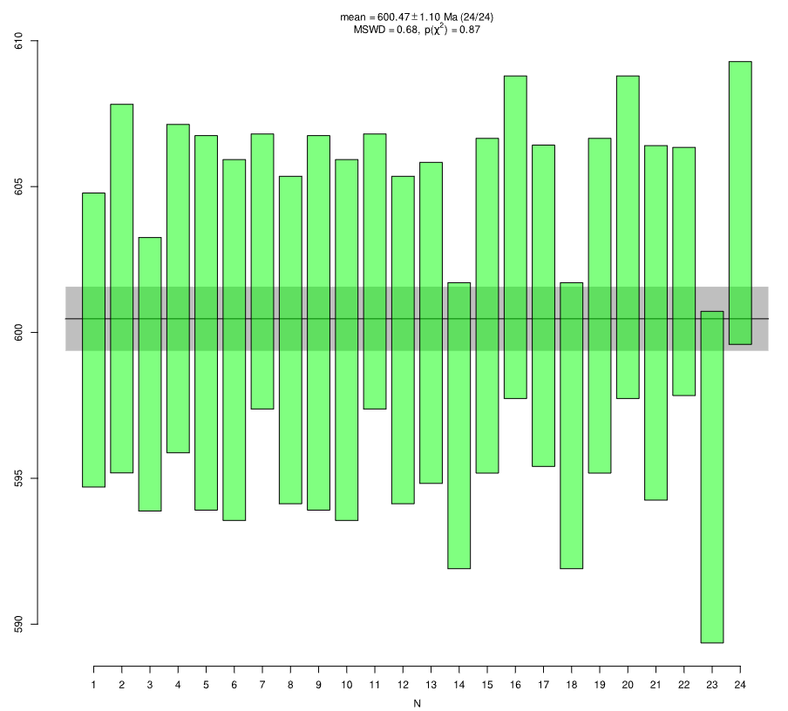
GJ-1
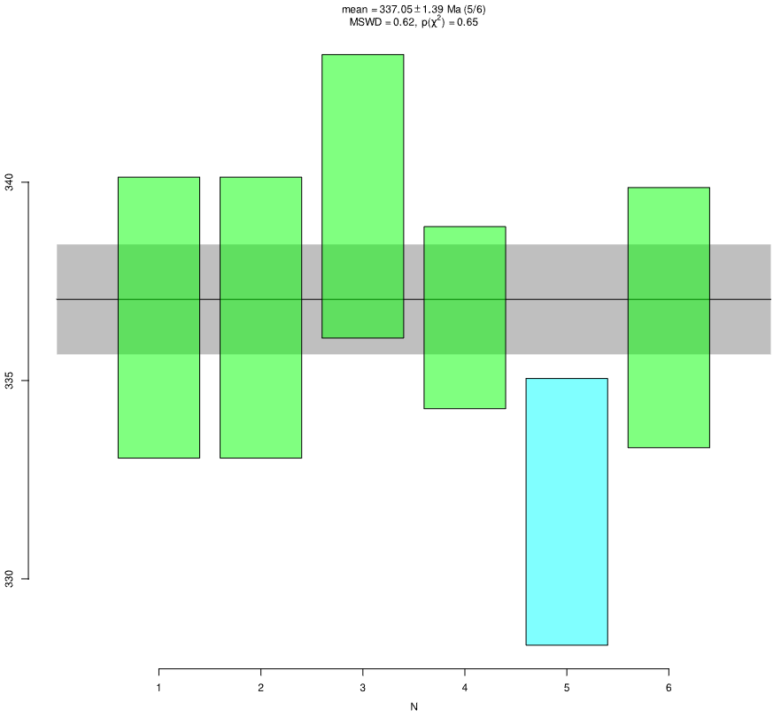
Plešovice
Discordant 12 | 87.3 | 2.4 | 274.2 | 27 | 2506 | 160 | 0.3100 | 4.97 | 0.0136 | 1.38 | 0.15
Primary standard (GJ-1)
GJ-1 01 | 599.6 | 5.1 | 601.5 | 19 | 608 | 62 | 0.8083 | 1.50 | 0.0975 | 0.44 | 0.15
GJ-1 02 | 601.6 | 6.3 | 604.5 | 18.3 | 614 | 58 | 0.8136 | 1.45 | 0.0978 | 0.55 | 0.15
GJ-1 03 | 598.6 | 4.7 | 595.4 | 14.2 | 582 | 66 | 0.7975 | 1.57 | 0.0973 | 0.41 | 0.15
GJ-1 04 | 601.8 | 5.7 | 607.1 | 15.1 | 626 | 54 | 0.8184 | 1.34 | 0.0978 | 0.49 | 0.15
GJ-1 05 | 600.3 | 6.4 | 600.3 | 20.3 | 600 | 64 | 0.8061 | 1.59 | 0.0976 | 0.56 | 0.15
GJ-1 06 | 599.5 | 6.2 | 596.8 | 17.9 | 586 | 70 | 0.8000 | 1.70 | 0.0975 | 0.54 | 0.15
GJ-1 07 | 602.1 | 4.7 | 611.9 | 16.6 | 648 | 54 | 0.8269 | 1.32 | 0.0979 | 0.41 | 0.15
GJ-1 08 | 599.7 | 5.6 | 599.5 | 23.9 | 598 | 64 | 0.8048 | 1.58 | 0.0975 | 0.49 | 0.15
GJ-1 09 | 600.4 | 6.4 | 600.6 | 20.3 | 600 | 64 | 0.8066 | 1.59 | 0.0976 | 0.56 | 0.15
GJ-1 10 | 599.5 | 6.2 | 596.9 | 17.9 | 586 | 70 | 0.8001 | 1.70 | 0.0975 | 0.54 | 0.15
GJ-1 11 | 602 | 4.7 | 611.8 | 16.6 | 648 | 54 | 0.8267 | 1.32 | 0.0979 | 0.41 | 0.15
GJ-1 12 | 599.5 | 5.6 | 599.3 | 23.9 | 598 | 66 | 0.8043 | 1.58 | 0.0975 | 0.49 | 0.15
GJ-1 13 | 600.6 | 5.5 | 602.3 | 15.8 | 608 | 72 | 0.8096 | 1.73 | 0.0976 | 0.48 | 0.15
GJ-1 14 | 596.6 | 4.9 | 603.1 | 18.4 | 626 | 56 | 0.8111 | 1.38 | 0.0970 | 0.43 | 0.15
GJ-1 15 | 601.1 | 5.8 | 601.2 | 17.8 | 600 | 70 | 0.8078 | 1.68 | 0.0977 | 0.50 | 0.15
GJ-1 16 | 603.3 | 5.5 | 602 | 16.1 | 596 | 56 | 0.8092 | 1.36 | 0.0981 | 0.48 | 0.15
GJ-1 17 | 600.8 | 5.5 | 603.2 | 15.8 | 612 | 72 | 0.8114 | 1.73 | 0.0977 | 0.48 | 0.15
GJ-1 18 | 596.6 | 4.9 | 603.4 | 18.5 | 628 | 56 | 0.8117 | 1.38 | 0.0970 | 0.43 | 0.15
GJ-1 19 | 601.1 | 5.8 | 600.9 | 17.8 | 600 | 70 | 0.8073 | 1.68 | 0.0977 | 0.50 | 0.15
GJ-1 20 | 603.1 | 5.5 | 601 | 16.1 | 592 | 56 | 0.8074 | 1.36 | 0.0981 | 0.48 | 0.15
GJ-1 21 | 600.2 | 6.1 | 604.9 | 16.9 | 622 | 54 | 0.8143 | 1.35 | 0.0976 | 0.53 | 0.15
GJ-1 22 | 602.1 | 4.2 | 605.1 | 18.9 | 616 | 58 | 0.8146 | 1.36 | 0.0979 | 0.37 | 0.15
GJ-1 23 | 595 | 5.7 | 598.4 | 17.1 | 610 | 64 | 0.8027 | 1.56 | 0.0967 | 0.50 | 0.15
GJ-1 24 | 604.2 | 4.8 | 600.3 | 17.7 | 584 | 72 | 0.8061 | 1.69 | 0.0983 | 0.42 | 0.15
Secondary Standard
Plešovice 1 | 336.6 | 3.6 | 343.3 | 10.9 | 388 | 86 | 0.4023 | 1.99 | 0.0536 | 0.54 | 0.15
Plešovice 2 | 336.6 | 3.5 | 404.4 | 13.4 | 812 | 78 | 0.4893 | 1.94 | 0.0536 | 0.54 | 0.15
Plešovice 3 | 339.5 | 3.5 | 349.2 | 12.9 | 414 | 78 | 0.4104 | 1.83 | 0.0541 | 0.54 | 0.15
Plešovice 4 | 336.8 | 2.3 | 341.3 | 11.7 | 370 | 72 | 0.3995 | 1.63 | 0.0536 | 0.35 | 0.15
Plešovice 5 | 331.7 | 3.3 | 330.7 | 9.2 | 324 | 78 | 0.3850 | 1.79 | 0.0528 | 0.52 | 0.15
Plešovice 6 | 336.8 | 3.3 | 335.5 | 9.6 | 326 | 60 | 0.3915 | 1.43 | 0.0536 | 0.50 | 0.15

Y-18 (CDike-2)
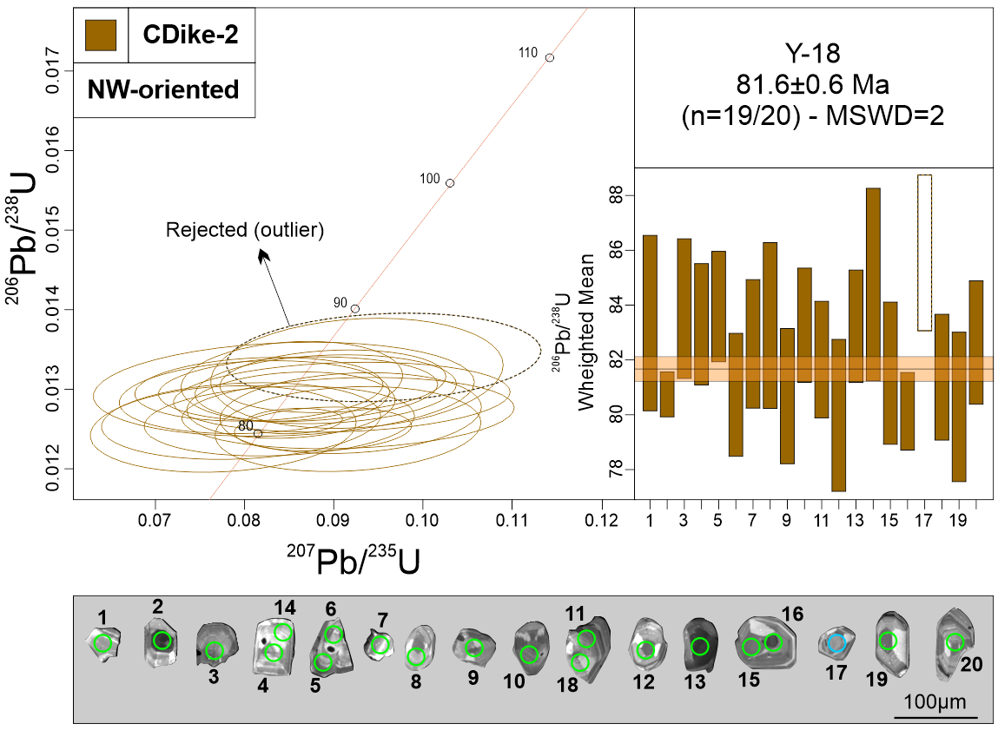
Measurement Point (WM - weighted mean) | Pb (U) AGES |  |  |  |  |  | NORMAL CONCORDIA FORMAT
 | 206Pb/238U |  | 207Pb/235U |  | 207Pb/206Pb |  | 207Pb/235U |  | 206Pb/238U
 | AGE (Ma) | +/- 2 S.D. | AGE (Ma) | +/- 2 S.D. | AGE (Ma) | +/- 2 S.D. | Ratio | 1s % | Ratio | 1s % | Rho
1 | 83.1 | 3.2 | 86 | 12.5 | 152 | 306 | 0.0879 | 7.05 | 0.013 | 1.95 | 0.15
2 | 80.8 | 0.8 | 83 | 4.3 | 154 | 118 | 0.0855 | 2.57 | 0.0126 | 0.51 | 0.15
3 | 84.1 | 2.6 | 83 | 10.1 | 56 | 184 | 0.0853 | 5.86 | 0.0131 | 1.54 | 0.15
4 | 83.2 | 2.2 | 87 | 11 | 184 | 302 | 0.0891 | 6.62 | 0.013 | 1.34 | 0.15
5 | 84.2 | 2 | 87 | 9.2 | 176 | 258 | 0.0899 | 5.67 | 0.0131 | 1.21 | 0.15
6 | 80.4 | 2.2 | 81.8 | 11.3 | 120 | 280 | 0.0839 | 7.27 | 0.0126 | 1.4 | 0.15
7 | 82.4 | 2.3 | 79.2 | 12 | 0 | 150 | 0.0811 | 7.52 | 0.0129 | 1.43 | 0.15
8 | 83.3 | 3 | 82.3 | 16.2 | 52 | 274 | 0.0844 | 10.19 | 0.013 | 1.83 | 0.15
9 | 80.7 | 2.5 | 77.8 | 11.4 | 0 | 168 | 0.0796 | 7.91 | 0.0126 | 1.54 | 0.15
10 | 83.6 | 2.1 | 83.8 | 12 | 90 | 252 | 0.086 | 7.33 | 0.013 | 1.26 | 0.15
11 | 82.2 | 2.1 | 83 | 9.7 | 104 | 226 | 0.0852 | 5.52 | 0.0128 | 1.31 | 0.15
12 | 80.1 | 2.8 | 75.9 | 10.1 | 0 | 118 | 0.0776 | 7.73 | 0.0125 | 1.75 | 0.15
13 | 83.3 | 2.1 | 79.7 | 11.2 | 0 | 128 | 0.0816 | 6.86 | 0.013 | 1.24 | 0.15
14 | 84.7 | 3.6 | 90 | 11.3 | 232 | 312 | 0.0926 | 7.13 | 0.0132 | 2.11 | 0.15
15 | 81.5 | 2.6 | 89.3 | 9.6 | 302 | 286 | 0.0919 | 6.42 | 0.0127 | 1.61 | 0.15
16 | 79.9 | 1.4 | 86.4 | 6.9 | 272 | 204 | 0.0888 | 4.50 | 0.0125 | 0.89 | 0.15
17 - WM outlier | 85.5 | 2.8 | 92.7 | 13 | 280 | 332 | 0.0956 | 7.43 | 0.0134 | 1.67 | 0.15
18 | 81.2 | 2.3 | 89 | 14 | 304 | 366 | 0.0916 | 8.19 | 0.0127 | 1.42 | 0.15
19 | 80.4 | 2.8 | 89 | 10.5 | 326 | 286 | 0.0916 | 6.55 | 0.0125 | 1.72 | 0.15
20 | 82.9 | 2.3 | 88.3 | 13.9 | 236 | 382 | 0.0909 | 8.36 | 0.0129 | 1.37 | 0.15
Discordant 1 | 84.4 | 2.3 | 79 | 9.1 | 0 | 56 | 0.0813 | 5.66 | 0.0132 | 1.36 | 0.15
Discordant 2 | 85 | 2.5 | 141 | 16.3 | 1224 | 218 | 0.1486 | 5.72 | 0.0133 | 1.45 | 0.15
Discordant 3 | 79.8 | 2.4 | 95 | 11.9 | 492 | 244 | 0.0979 | 5.72 | 0.0125 | 1.54 | 0.15
Discordant 4 | 80.7 | 2.7 | 92 | 14.9 | 394 | 376 | 0.0947 | 8.45 | 0.0126 | 1.67 | 0.15
Discordant 5 | 83 | 2.2 | 90.7 | 11.3 | 296 | 276 | 0.0934 | 6.21 | 0.013 | 1.33 | 0.15
Discordant 6 | 81.2 | 2.3 | 87.3 | 10.5 | 256 | 280 | 0.0898 | 6.24 | 0.0127 | 1.4 | 0.15
Discordant 7 | 81.8 | 2 | 74.7 | 6.7 | 0 | 0 | 0.0764 | 5.24 | 0.0128 | 1.23 | 0.15
Discordant 8 | 98.5 | 4.1 | 250.9 | 35.5 | 2124 | 226 | 0.2803 | 6.78 | 0.0154 | 2.12 | 0.15
Discordant 9 | 81.7 | 2.4 | 75.3 | 11.4 | 0 | 50 | 0.0769 | 7.67 | 0.0128 | 1.48 | 0.15
Discordant 10 | 82.7 | 2.7 | 95.2 | 10.4 | 418 | 266 | 0.0983 | 6.10 | 0.0129 | 1.64 | 0.15
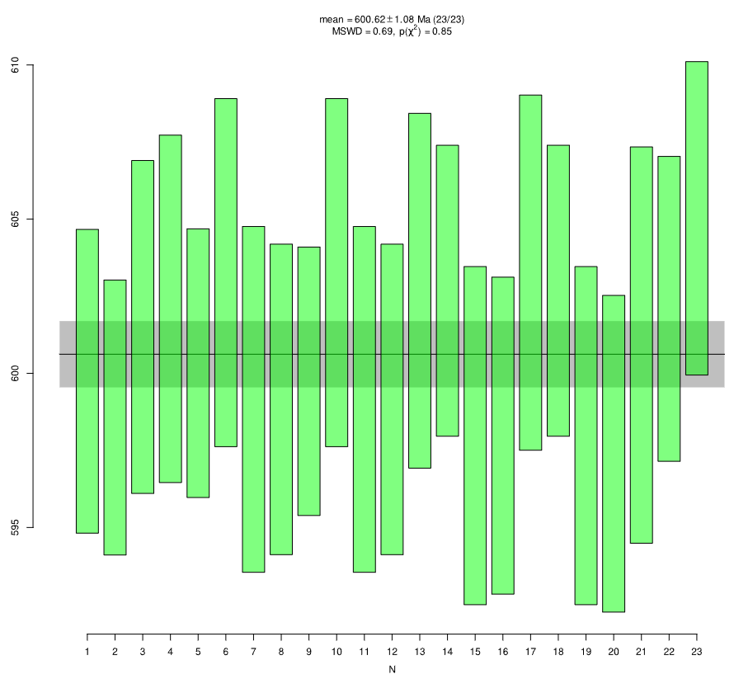
GJ-1
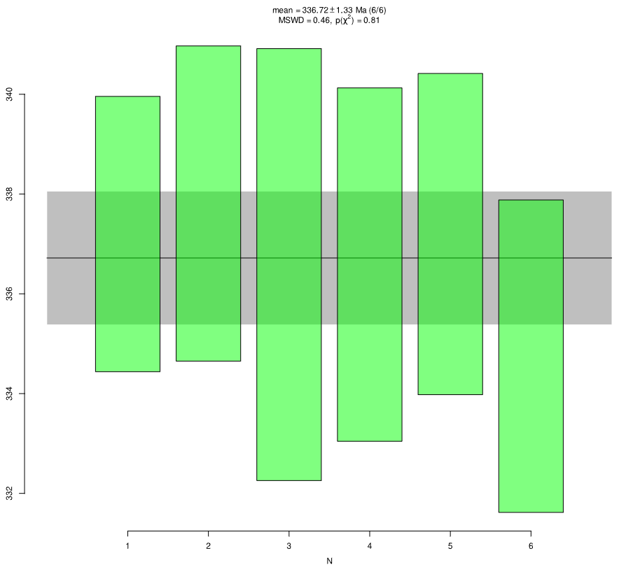
Plešovice
Primary standard (GJ-1)
GJ-1 01 | 599.6 | 5 | 598 | 21.4 | 594 | 66 | 0.8027 | 1.61 | 0.0975 | 0.43 | 0.15
GJ-1 02 | 598.4 | 4.5 | 613 | 15.6 | 668 | 54 | 0.8291 | 1.31 | 0.0973 | 0.39 | 0.15
GJ-1 03 | 601.4 | 5.4 | 598 | 17.7 | 582 | 56 | 0.8013 | 1.41 | 0.0978 | 0.47 | 0.15
GJ-1 04 | 602.2 | 5.6 | 599 | 14 | 588 | 58 | 0.8045 | 1.40 | 0.0979 | 0.49 | 0.15
GJ-1 05 | 600.2 | 4.4 | 606 | 15.2 | 628 | 54 | 0.8164 | 1.31 | 0.0976 | 0.38 | 0.15
GJ-1 06 | 603.2 | 5.6 | 602.3 | 17.1 | 598 | 50 | 0.8097 | 1.25 | 0.0981 | 0.49 | 0.15
GJ-1 07 | 599.3 | 5.7 | 592.9 | 18.4 | 568 | 70 | 0.793 | 1.66 | 0.0974 | 0.49 | 0.15
GJ-1 08 | 598.9 | 5 | 607.3 | 19 | 638 | 58 | 0.8186 | 1.43 | 0.0974 | 0.44 | 0.15
GJ-1 09 | 599.9 | 4.4 | 606.6 | 15.2 | 632 | 54 | 0.8175 | 1.31 | 0.0975 | 0.38 | 0.15
GJ-1 10 | 603.1 | 5.6 | 602.5 | 17.1 | 600 | 50 | 0.8101 | 1.25 | 0.0981 | 0.49 | 0.15
GJ-1 11 | 599.4 | 5.7 | 592.7 | 18.4 | 566 | 68 | 0.7927 | 1.67 | 0.0974 | 0.49 | 0.15
GJ-1 12 | 599.2 | 5 | 606.7 | 19 | 634 | 58 | 0.8175 | 1.43 | 0.0974 | 0.44 | 0.15
GJ-1 13 | 602.8 | 5.8 | 591.2 | 15.5 | 546 | 58 | 0.79 | 1.42 | 0.098 | 0.5 | 0.15
GJ-1 14 | 602.4 | 4.7 | 599.1 | 15.3 | 586 | 62 | 0.804 | 1.46 | 0.098 | 0.41 | 0.15
GJ-1 15 | 598.2 | 5.5 | 617.1 | 17.7 | 686 | 60 | 0.8363 | 1.47 | 0.0972 | 0.48 | 0.15
GJ-1 16 | 598.2 | 5.2 | 601 | 14.2 | 610 | 56 | 0.8074 | 1.35 | 0.0972 | 0.45 | 0.15
GJ-1 17 | 603.5 | 5.8 | 590.9 | 15.5 | 542 | 60 | 0.7896 | 1.42 | 0.0981 | 0.5 | 0.15
GJ-1 18 | 602.6 | 4.7 | 599 | 15.3 | 584 | 60 | 0.8038 | 1.46 | 0.098 | 0.41 | 0.15
GJ-1 19 | 597.9 | 5.5 | 617.2 | 17.7 | 688 | 58 | 0.8365 | 1.47 | 0.0972 | 0.48 | 0.15
GJ-1 20 | 597.5 | 5.2 | 601.3 | 14.2 | 614 | 56 | 0.8079 | 1.35 | 0.0971 | 0.45 | 0.15
GJ-1 21 | 600.9 | 6.4 | 602.3 | 18 | 606 | 64 | 0.8097 | 1.56 | 0.0977 | 0.56 | 0.15
GJ-1 22 | 602 | 4.9 | 598 | 23.2 | 582 | 72 | 0.8021 | 1.72 | 0.0979 | 0.43 | 0.15
GJ-1 23 | 605 | 5.1 | 604.2 | 13.2 | 600 | 50 | 0.8131 | 1.24 | 0.0984 | 0.44 | 0.15
Secondary standard
Plešovice 1 | 337.2 | 2.8 | 332 | 10.4 | 296 | 70 | 0.3867 | 1.58 | 0.0537 | 0.42 | 0.15
Plešovice 2 | 337.7 | 3.2 | 340 | 9.3 | 354 | 70 | 0.3975 | 1.61 | 0.0538 | 0.48 | 0.15
Plešovice 3 | 336.5 | 4.3 | 330.7 | 12.1 | 290 | 102 | 0.385 | 2.31 | 0.0536 | 0.66 | 0.15
Plešovice 4 | 336.6 | 3.6 | 335.9 | 11.5 | 330 | 80 | 0.3922 | 1.89 | 0.0536 | 0.54 | 0.15
Plešovice 5 | 337.4 | 3.3 | 342 | 10.7 | 372 | 76 | 0.4005 | 1.72 | 0.0537 | 0.49 | 0.15
Plešovice 6 | 335 | 3.1 | 344.5 | 13.7 | 408 | 88 | 0.4039 | 2.01 | 0.0533 | 0.48 | 0.15

Regional Samples
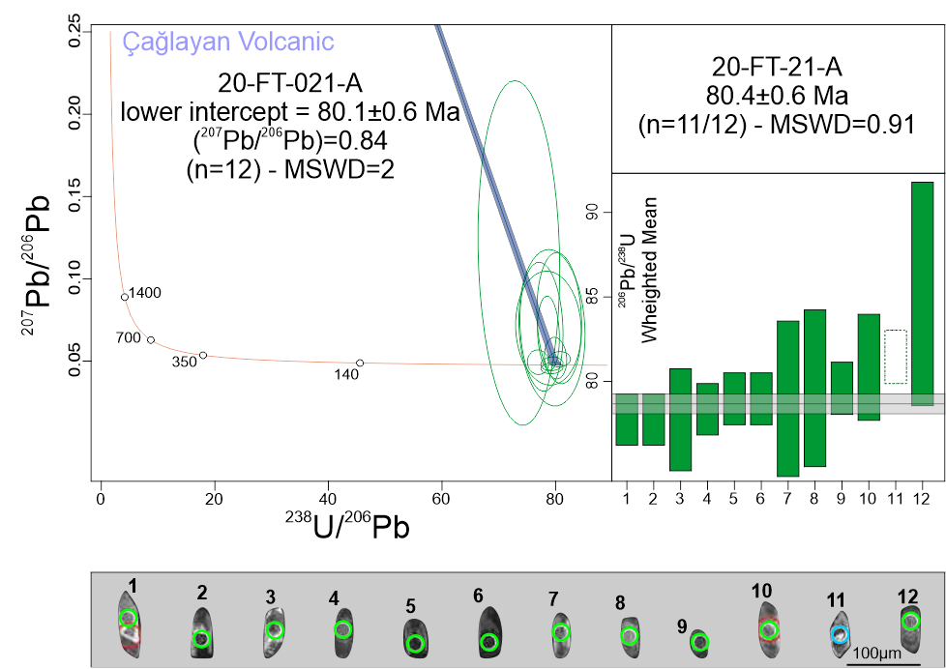
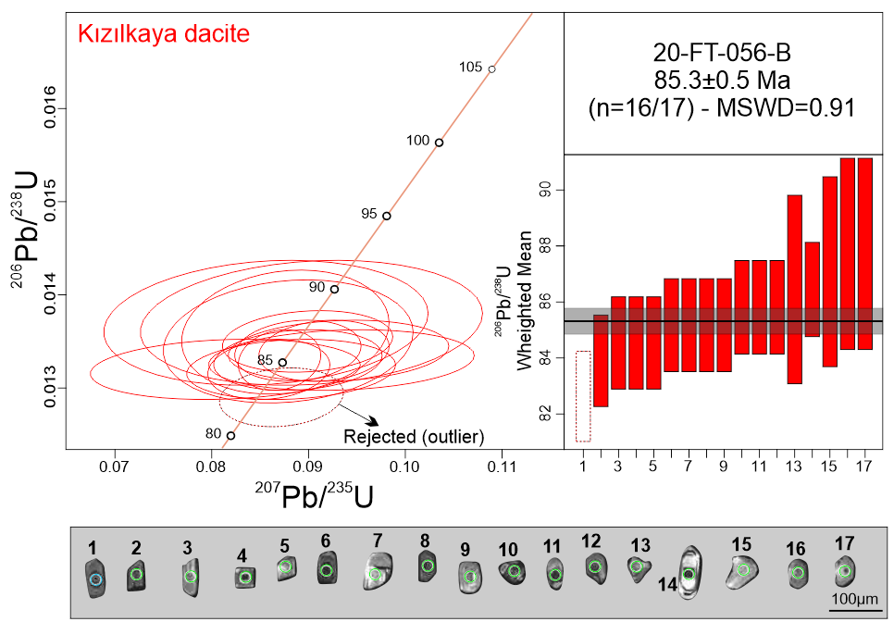
Sample ID | Measurement Point (WM - weighted mean) | Pb (U) AGES |  |  |  |  |  | NORMAL CONCORDIA FORMAT
 |  | 206Pb/238U |  | 207Pb/235U |  | 207Pb/206Pb |  | 207Pb/235U |  | 206Pb/238U
 |  | AGE (Ma) | +/- 2 S.D. | AGE (Ma) | +/- 2 S.D. | AGE (Ma) | +/- 2 S.D. | Ratio | 1s % | Ratio | 1s % | Rho
20-FT-056-B | 1 - WM outlier | 82.6 | 1.6 | 84.9 | 5.3 | 150 | 148 | 0.0872 | 3.2 | 0.0129 | 1 | 0.15
20-FT-056-B | 2 | 84 | 2 | 81.4 | 10.8 | 6 | 150 | 0.0835 | 6.9 | 0.0131 | 1.18 | 0.15
20-FT-056-B | 3 | 84.4 | 2.3 | 79.5 | 10.9 | 0 | 94 | 0.0814 | 7.2 | 0.0132 | 1.36 | 0.15
20-FT-056-B | 4 | 84.6 | 1 | 83.7 | 4.3 | 58 | 124 | 0.0859 | 2.7 | 0.0132 | 0.62 | 0.15
20-FT-056-B | 5 | 84.6 | 1.9 | 85.8 | 8.3 | 120 | 236 | 0.0882 | 5 | 0.0132 | 1.16 | 0.15
20-FT-056-B | 6 | 84.9 | 0.9 | 84.7 | 3.3 | 76 | 96 | 0.087 | 2 | 0.0133 | 0.56 | 0.15
20-FT-056-B | 7 | 85.1 | 1.6 | 86.5 | 6 | 124 | 188 | 0.0889 | 3.6 | 0.0133 | 0.96 | 0.15
20-FT-056-B | 8 | 85.4 | 2.1 | 86.6 | 7.2 | 118 | 232 | 0.089 | 4.3 | 0.0133 | 1.21 | 0.15
20-FT-056-B | 9 | 85.1 | 2.1 | 90.6 | 10.8 | 238 | 282 | 0.0934 | 6.2 | 0.0133 | 1.25 | 0.15
20-FT-056-B | 10 | 85.6 | 1.6 | 86.5 | 5.7 | 110 | 170 | 0.0889 | 3.4 | 0.0134 | 0.95 | 0.15
20-FT-056-B | 11 | 85.9 | 1.4 | 89 | 5.1 | 172 | 150 | 0.0916 | 3 | 0.0134 | 0.81 | 0.15
20-FT-056-B | 12 | 85.9 | 2.1 | 90.4 | 9.3 | 208 | 270 | 0.0931 | 5.4 | 0.0134 | 1.21 | 0.15
20-FT-056-B | 13 | 86.1 | 2.6 | 85.5 | 9.5 | 68 | 198 | 0.0879 | 5.8 | 0.0135 | 1.51 | 0.15
20-FT-056-B | 14 | 86.4 | 1.9 | 87.5 | 7 | 116 | 196 | 0.0899 | 4.1 | 0.0135 | 1.09 | 0.15
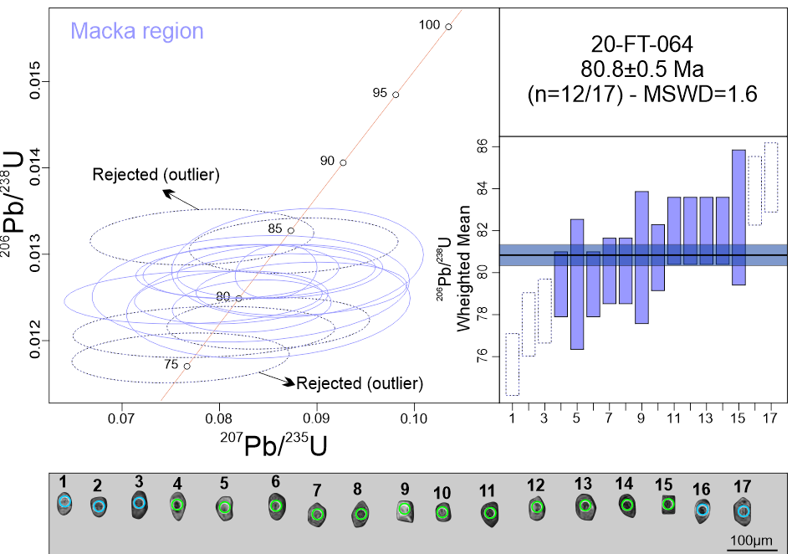
20-FT-056-B | 15 | 86.9 | 3.1 | 85.2 | 8.9 | 38 | 162 | 0.0876 | 5.4 | 0.0136 | 1.78 | 0.15
20-FT-056-B | 16 | 87.9 | 2.7 | 83.4 | 13.3 | 0 | 144 | 0.0856 | 8.3 | 0.0137 | 1.57 | 0.15
20-FT-056-B | 17 | 87.6 | 2.7 | 87.7 | 12.8 | 92 | 256 | 0.0903 | 7.6 | 0.0137 | 1.56 | 0.15
20-FT-056-B | Discordant 1 | 85.5 | 2 | 108.1 | 12.2 | 640 | 268 | 0.1124 | 6 | 0.0134 | 1.16 | 0.15
20-FT-064-A | 1 - WM outlier | 75.8 | 2 | 74.3 | 8.2 | 26 | 168 | 0.076 | 5.7 | 0.0118 | 1.35 | 0.15
20-FT-064-A | 2 - WM outlier | 77.3 | 1.7 | 76.6 | 9.7 | 54 | 208 | 0.0784 | 6.5 | 0.0121 | 1.11 | 0.15
20-FT-064-A | 3 - WM outlier | 78 | 2.1 | 82.8 | 8.2 | 224 | 246 | 0.085 | 5.2 | 0.0122 | 1.35 | 0.15
20-FT-064-A | 4 | 79.7 | 1.1 | 77.6 | 3.7 | 14 | 76 | 0.0795 | 2.5 | 0.0124 | 0.7 | 0.15
20-FT-064-A | 5 | 79.3 | 3.4 | 82.8 | 11.3 | 184 | 358 | 0.085 | 7.1 | 0.0124 | 2.18 | 0.15
20-FT-064-A | 6 | 79.7 | 1.7 | 81.2 | 6.2 | 124 | 194 | 0.0833 | 4 | 0.0124 | 1.08 | 0.15
20-FT-064-A | 7 | 80.2 | 1.8 | 75.6 | 9.5 | 0 | 88 | 0.0773 | 6.5 | 0.0125 | 1.1 | 0.15
20-FT-064-A | 8 | 80.2 | 2 | 79.3 | 8.1 | 52 | 172 | 0.0812 | 5.3 | 0.0125 | 1.25 | 0.15
20-FT-064-A | 9 | 80.5 | 2.4 | 81.2 | 12.4 | 100 | 276 | 0.0832 | 7.9 | 0.0126 | 1.52 | 0.15
20-FT-064-A | 10 | 81 | 1.8 | 86.1 | 8.4 | 226 | 238 | 0.0884 | 5.1 | 0.0126 | 1.09 | 0.15
20-FT-064-A | 11 | 82.3 | 2.2 | 84 | 8.1 | 132 | 220 | 0.0862 | 5.1 | 0.0128 | 1.35 | 0.15
20-FT-064-A | 12 | 81.8 | 1.8 | 80.2 | 7 | 34 | 140 | 0.0822 | 4.5 | 0.0128 | 1.08 | 0.15
20-FT-064-A | 13 | 82.3 | 2.1 | 81.6 | 9.4 | 62 | 198 | 0.0837 | 6 | 0.0128 | 1.29 | 0.15
20-FT-064-A | 14 | 82.2 | 1 | 83.6 | 3.1 | 124 | 96 | 0.0858 | 2 | 0.0128 | 0.64 | 0.15
20-FT-064-A | 15 | 82.6 | 2.5 | 85.6 | 9.2 | 170 | 264 | 0.088 | 5.6 | 0.0129 | 1.5 | 0.15
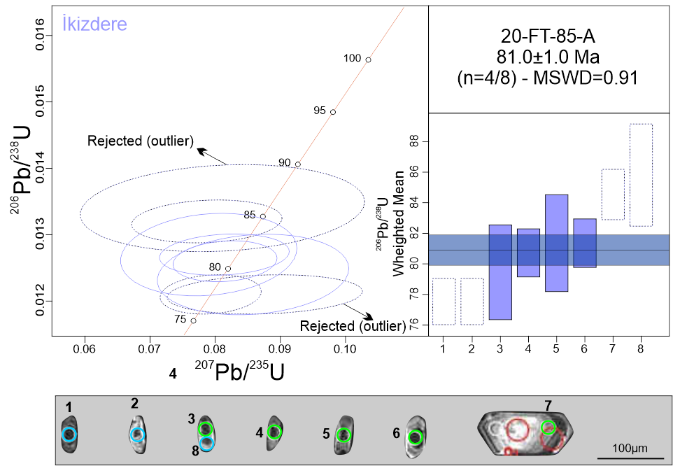
20-FT-064-A | 16 | 84.1 | 2.2 | 85.2 | 8.1 | 116 | 220 | 0.0876 | 5 | 0.0131 | 1.32 | 0.15
20-FT-064-A | 17 - WM outlier | 84.6 | 1.8 | 76.5 | 8.2 | 0 | 0 | 0.0782 | 5.5 | 0.0132 | 1.08 | 0.15
20-FT-064-A | Discordant 1 | 76.2 | 2 | 84.1 | 8 | 316 | 234 | 0.0864 | 5 | 0.0119 | 1.34 | 0.15
20-FT-064-A | Discordant 2 | 78.8 | 3.7 | 163.2 | 40 | 1674 | 348 | 0.1744 | 13.3 | 0.0123 | 2.39 | 0.15
20-FT-064-A | Discordant 3 | 79.2 | 2.3 | 73.3 | 13.5 | 0 | 102 | 0.0749 | 9.6 | 0.0124 | 1.46 | 0.15
20-FT-064-A | Discordant 4 | 80.7 | 2.1 | 94.7 | 8.5 | 462 | 210 | 0.0978 | 4.7 | 0.0126 | 1.31 | 0.15
20-FT-064-A | Discordant 5 | 81.5 | 2.3 | 110.1 | 16.9 | 784 | 306 | 0.1146 | 8.1 | 0.0127 | 1.41 | 0.15
20-FT-064-A | Discordant 6 | 83.1 | 2.2 | 91.1 | 11.5 | 304 | 308 | 0.0938 | 6.6 | 0.013 | 1.31 | 0.15
20-FT-064-A | Discordant 7 | 83.9 | 3 | 131.9 | 11.9 | 1116 | 184 | 0.1387 | 4.8 | 0.0131 | 1.8 | 0.15
20-FT-085-A | 1 - WM outlier | 77.6 | 1.2 | 77.5 | 5.5 | 72 | 158 | 0.0793 | 3.7 | 0.0121 | 0.79 | 0.15
20-FT-085-A | 2 - WM outlier | 77.3 | 1.5 | 85.3 | 11.4 | 314 | 286 | 0.0876 | 7 | 0.0121 | 0.99 | 0.15
20-FT-085-A | 3 | 79.6 | 2.9 | 83.6 | 11.4 | 200 | 290 | 0.0858 | 7.1 | 0.0124 | 1.81 | 0.15
20-FT-085-A | 4 | 80.9 | 1.3 | 79.6 | 5.4 | 40 | 122 | 0.0815 | 3.5 | 0.0126 | 0.83 | 0.15
20-FT-085-A | 5 | 81.5 | 2.7 | 77.2 | 10.4 | 0 | 116 | 0.079 | 7 | 0.0127 | 1.66 | 0.15
20-FT-085-A | 6 | 81.4 | 1.5 | 79.5 | 7.8 | 22 | 130 | 0.0814 | 5.1 | 0.0127 | 0.93 | 0.15
20-FT-085-A | 7 - WM outlier | 84.4 | 2 | 76.9 | 9 | 0 | 0 | 0.0787 | 6.1 | 0.0132 | 1.2 | 0.15
20-FT-085-A | 8 - WM outlier | 85.7 | 3.6 | 79.2 | 16.1 | 0 | 100 | 0.0811 | 10.5 | 0.0134 | 2.11 | 0.15
20-FT-085-A | Discordant 1 | 79.3 | 7.4 | 129.7 | 100.2 | 1192 | 564 | 0.1363 | 41.1 | 0.0124 | 4.7 | 0.15
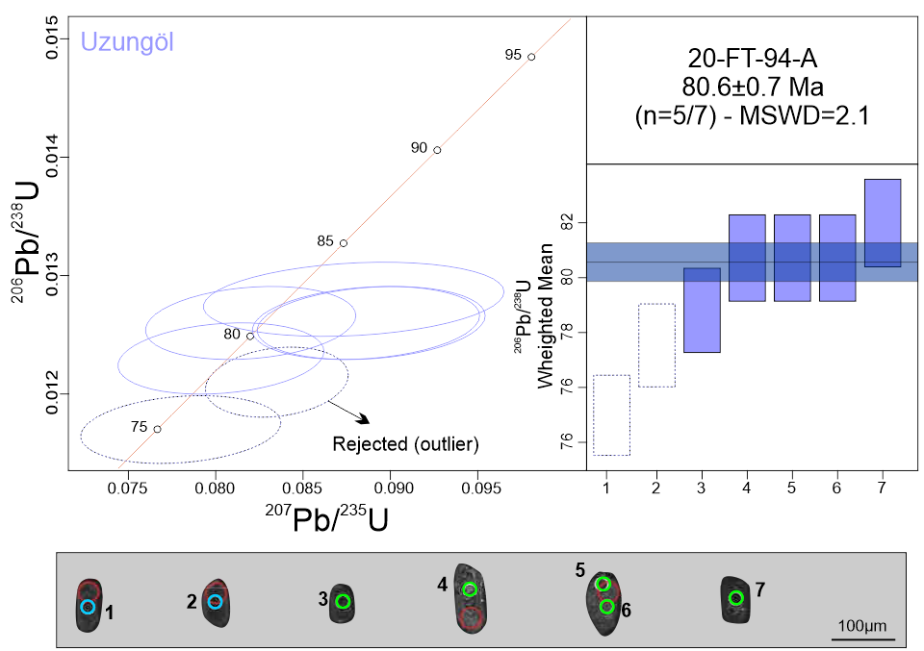
20-FT-085-A | Discordant 2 | 80.3 | 3.1 | 113 | 18.2 | 872 | 344 | 0.1177 | 8.5 | 0.0125 | 1.94 | 0.15
20-FT-085-A | Discordant 3 | 80.2 | 2.4 | 110.7 | 15.3 | 828 | 230 | 0.1152 | 7.3 | 0.0125 | 1.5 | 0.15
20-FT-085-A | Discordant 4 | 83.7 | 2.9 | 155.4 | 48.6 | 1462 | 552 | 0.1654 | 16.8 | 0.0131 | 1.73 | 0.15
20-FT-085-A | Discordant 5 | 85.5 | 2 | 115.9 | 12.9 | 796 | 220 | 0.1209 | 5.9 | 0.0134 | 1.15 | 0.15
20-FT-085-A | Discordant 6 | 85.7 | 2.9 | 129.5 | 19.8 | 1032 | 280 | 0.136 | 8.2 | 0.0134 | 1.73 | 0.15
20-FT-085-A | Discordant 7 | 86.9 | 2.4 | 140.7 | 27.6 | 1182 | 358 | 0.1486 | 10.5 | 0.0136 | 1.38 | 0.15
20-FT-085-A | Discordant 8 | 93 | 3.6 | 211.8 | 27.9 | 1890 | 276 | 0.2319 | 7.3 | 0.0145 | 1.93 | 0.15
20-FT-085-A | Discordant 9 | 94.9 | 2.6 | 216.1 | 24.1 | 1894 | 178 | 0.2372 | 6.2 | 0.0148 | 1.39 | 0.15
20-FT-085-A | Discordant 10 | 112.4 | 7.4 | 571.6 | 180.3 | 3528 | 218 | 0.7558 | 20.6 | 0.0176 | 3.33 | 0.15
20-FT-094-A | 1 - WM outlier | 75.2 | 2 | 76.2 | 4.2 | 108 | 120 | 0.078 | 2.9 | 0.0117 | 1.31 | 0.15
20-FT-094-A | 2 - WM outlier | 77.3 | 0.9 | 81.4 | 3.2 | 204 | 98 | 0.0835 | 2 | 0.0121 | 0.56 | 0.15
20-FT-094-A | 3 | 78.5 | 1.3 | 78.5 | 3.9 | 76 | 122 | 0.0803 | 2.6 | 0.0123 | 0.82 | 0.15
20-FT-094-A | 4 | 80.4 | 1 | 80.1 | 4.8 | 68 | 136 | 0.082 | 3.1 | 0.0126 | 0.66 | 0.15
20-FT-094-A | 5 | 80.6 | 1.6 | 86.2 | 4.7 | 244 | 136 | 0.0886 | 2.8 | 0.0126 | 1.01 | 0.15
20-FT-094-A | 6 | 80.8 | 1.3 | 86.5 | 5.4 | 244 | 156 | 0.0889 | 3.3 | 0.0126 | 0.83 | 0.15
20-FT-094-A | 7 | 82 | 1.4 | 85.5 | 5.8 | 186 | 136 | 0.0879 | 3.5 | 0.0128 | 0.88 | 0.15
20-FT-094-A | Discordant 1 | 79.1 | 0.9 | 119 | 3.3 | 1012 | 62 | 0.1243 | 1.5 | 0.0124 | 0.57 | 0.15
20-FT-094-A | Discordant 2 | 84.6 | 2.7 | 160.3 | 15.8 | 1506 | 146 | 0.171 | 5.3 | 0.0132 | 1.58 | 0.15
21-FT-003-A | 1 | 76.9 | 1.1 | 75.5 | 3.6 | 30 | 82 | 0.0771 | 2.5 | 0.012 | 0.73 | 0.15
21-FT-003-A | 2 | 78 | 2.2 | 77.9 | 9.6 | 74 | 222 | 0.0797 | 6.4 | 0.0122 | 1.43 | 0.15
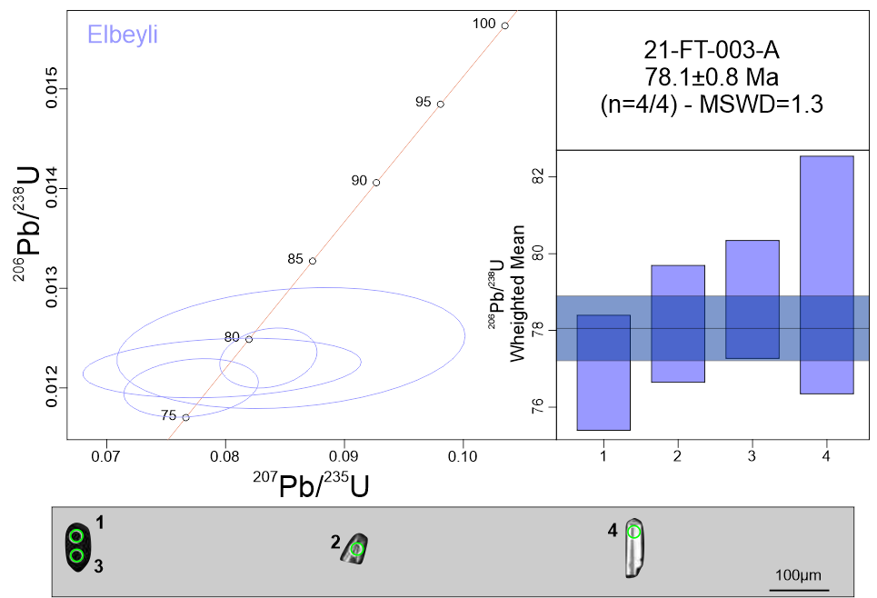
21-FT-003-A | 3 | 78.8 | 1.1 | 81.5 | 3.8 | 162 | 112 | 0.0836 | 2.4 | 0.0123 | 0.7 | 0.15
21-FT-003-A | 4 | 79.2 | 2.5 | 83.3 | 10.8 | 202 | 332 | 0.0855 | 6.7 | 0.0124 | 1.6 | 0.15
21-FT-003-A | Discordant 1 | 460.4 | 22.9 | 2130.6 | 40.5 | 4000 | 0 | 7.1526 | 2.3 | 0.074 | 2.58 | 0.15
21-FT-003-A | Discordant 2 | 528.5 | 24.4 | 2317.7 | 46.6 | 4000 | 0 | 8.8024 | 2.6 | 0.0854 | 2.41 | 0.15
21-FT-003-A | Discordant 3 | 583.9 | 23.2 | 2411.3 | 42.8 | 4000 | 0 | 9.7489 | 2.3 | 0.0948 | 2.08 | 0.15
21-FT-003-A | Discordant 4 | 650.1 | 30.9 | 2463.4 | 57.8 | 4000 | 0 | 10.3146 | 3.1 | 0.1061 | 2.5 | 0.15
21-FT-003-A | Discordant 5 | 650.1 | 30.9 | 2463.4 | 57.8 | 4000 | 0 | 10.3146 | 3.1 | 0.1061 | 2.5 | 0.15
21-FT-003-A | Discordant 6 | 756 | 26.8 | 2695.2 | 55.7 | 4000 | 0 | 13.2153 | 2.9 | 0.1244 | 1.88 | 0.15
21-FT-003-A | Discordant 7 | 768.4 | 32.2 | 2681.7 | 56 | 4000 | 0 | 13.0284 | 3 | 0.1266 | 2.22 | 0.15
21-FT-003-A | Discordant 8 | 768.4 | 32.2 | 2681.7 | 56 | 4000 | 0 | 13.0284 | 3 | 0.1266 | 2.22 | 0.15
21-FT-009-A | 1 - WM outlier | 77.3 | 1 | 78.1 | 4.5 | 102 | 130 | 0.08 | 3 | 0.0121 | 0.64 | 0.15
21-FT-009-A | 2 | 79.3 | 1.1 | 81.4 | 5.1 | 144 | 142 | 0.0835 | 3.2 | 0.0124 | 0.72 | 0.15
21-FT-009-A | 3 | 79.8 | 1 | 79 | 3.6 | 58 | 108 | 0.081 | 2.4 | 0.0124 | 0.6 | 0.15
21-FT-009-A | 4 | 79.4 | 1 | 83.3 | 5.1 | 196 | 140 | 0.0855 | 3.2 | 0.0124 | 0.63 | 0.15
21-FT-009-A | 5 | 79.4 | 1 | 77.2 | 3.3 | 8 | 62 | 0.0789 | 2.2 | 0.0124 | 0.63 | 0.15
21-FT-009-A | 6 | 80.1 | 0.8 | 81 | 4.1 | 108 | 120 | 0.0831 | 2.6 | 0.0125 | 0.53 | 0.15
21-FT-009-A | 7 | 80.2 | 1 | 81.9 | 3.8 | 134 | 108 | 0.084 | 2.4 | 0.0125 | 0.63 | 0.15
21-FT-009-A | 8 | 80 | 1.3 | 82.8 | 5.1 | 162 | 160 | 0.0849 | 3.2 | 0.0125 | 0.82 | 0.15
21-FT-009-A | 9 | 80.8 | 1 | 81.4 | 4.5 | 98 | 134 | 0.0835 | 2.9 | 0.0126 | 0.65 | 0.15
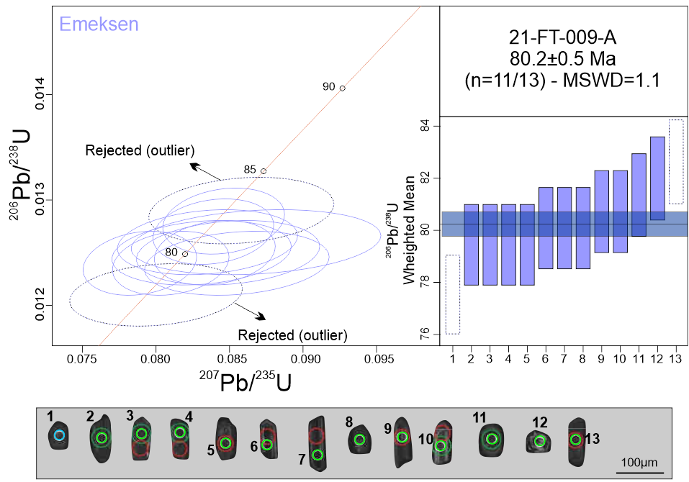
21-FT-009-A | 10 | 80.9 | 1.7 | 84.5 | 6 | 188 | 178 | 0.0868 | 3.7 | 0.0126 | 1.07 | 0.15
21-FT-009-A | 11 | 81.3 | 1.1 | 81.8 | 3.4 | 96 | 108 | 0.0839 | 2.2 | 0.0127 | 0.68 | 0.15
21-FT-009-A | 12 | 81.8 | 1.3 | 82.5 | 3.8 | 102 | 124 | 0.0846 | 2.4 | 0.0128 | 0.82 | 0.15
21-FT-009-A | 13 - WM outlier | 82.5 | 1 | 83.6 | 4.7 | 112 | 138 | 0.0858 | 2.9 | 0.0129 | 0.62 | 0.15
21-FT-009-A | Discordant 1 | 76.9 | 0.8 | 81.7 | 4.3 | 224 | 124 | 0.0838 | 2.7 | 0.012 | 0.53 | 0.15
21-FT-009-A | Discordant 2 | 77.3 | 1.1 | 87 | 6 | 362 | 152 | 0.0894 | 3.6 | 0.0121 | 0.73 | 0.15
21-FT-009-A | Discordant 3 | 77.5 | 1.6 | 88.4 | 14.7 | 392 | 314 | 0.0909 | 8.7 | 0.0121 | 1.05 | 0.15
21-FT-009-A | Discordant 4 | 78.1 | 1.2 | 92 | 5.2 | 468 | 130 | 0.0948 | 2.9 | 0.0122 | 0.75 | 0.15
21-FT-009-A | Discordant 5 | 79.6 | 1.6 | 84.7 | 5.9 | 232 | 170 | 0.087 | 3.6 | 0.0124 | 0.99 | 0.15
21-FT-009-A | Discordant 6 | 80.2 | 1 | 87.7 | 4.9 | 296 | 128 | 0.0902 | 2.9 | 0.0125 | 0.63 | 0.15
21-FT-009-A | Discordant 7 | 79.8 | 1.1 | 92.1 | 5.4 | 424 | 142 | 0.095 | 3.1 | 0.0125 | 0.68 | 0.15
21-FT-009-A | Discordant 8 | 80.6 | 1.3 | 93.1 | 6.3 | 426 | 144 | 0.096 | 3.5 | 0.0126 | 0.78 | 0.15
21-FT-009-A | Discordant 9 | 81.5 | 1.3 | 95.8 | 9.5 | 468 | 196 | 0.099 | 5.2 | 0.0127 | 0.82 | 0.15
21-FT-009-A | Discordant 10 | 81.3 | 1.1 | 86.7 | 5.5 | 236 | 156 | 0.0891 | 3.3 | 0.0127 | 0.68 | 0.15
21-FT-009-A | Discordant 11 | 81.1 | 1.3 | 86.1 | 5.2 | 226 | 136 | 0.0885 | 3.1 | 0.0127 | 0.79 | 0.15
21-FT-009-A | Discordant 12 | 81.6 | 1.2 | 98.4 | 5.8 | 528 | 130 | 0.1018 | 3.1 | 0.0127 | 0.76 | 0.15
21-FT-009-A | Discordant 13 | 81.8 | 1.6 | 117 | 13.9 | 910 | 208 | 0.1221 | 6.3 | 0.0128 | 0.99 | 0.15
21-FT-009-A | Discordant 14 | 83.6 | 1.8 | 115.7 | 23.3 | 840 | 308 | 0.1207 | 10.7 | 0.013 | 1.07 | 0.15
21-FT-009-A | Discordant 15 | 83.1 | 1.1 | 94.7 | 4.7 | 396 | 120 | 0.0977 | 2.6 | 0.013 | 0.66 | 0.15
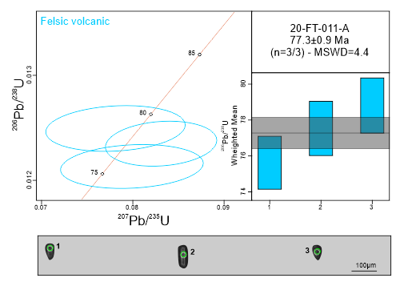
21-FT-009-A | Discordant 16 | 156.4 | 5 | 893.5 | 30.5 | 3968 | 46 | 1.4108 | 2.6 | 0.0246 | 1.6 | 0.15
21-FT-009-A | Discordant 17 | 548 | 7.9 | 591.6 | 14.1 | 762 | 52 | 0.7907 | 1.6 | 0.0887 | 0.75 | 0.15
21-FT-011-A | 1 | 75.9 | 1.6 | 78 | 6.4 | 144 | 178 | 0.0799 | 4.2 | 0.0118 | 1.04 | 0.15
21-FT-011-A | 2 | 77.4 | 1 | 81.1 | 4 | 188 | 120 | 0.0831 | 2.6 | 0.0121 | 0.65 | 0.15
21-FT-011-A | 3 | 78.5 | 1.5 | 76.3 | 6.4 | 8 | 102 | 0.0781 | 4.3 | 0.0123 | 0.94 | 0.15
21-FT-011-A | Discordant 1 | 66.1 | 1.5 | 98.4 | 4.7 | 974 | 120 | 0.1018 | 2.5 | 0.0103 | 1.11 | 0.15
21-FT-011-A | Discordant 2 | 78.6 | 0.9 | 92.9 | 3.5 | 476 | 84 | 0.0958 | 2 | 0.0123 | 0.59 | 0.15
21-FT-011-A | Discordant 3 | 79.3 | 1.7 | 106.9 | 14.2 | 774 | 246 | 0.111 | 7 | 0.0124 | 1.07 | 0.15
21-FT-011-A | Discordant 4 | 83.3 | 2.8 | 165.4 | 28.8 | 1598 | 250 | 0.1769 | 9.5 | 0.013 | 1.69 | 0.15
21-FT-011-A | Discordant 5 | 190.6 | 5.2 | 178.1 | 16.6 | 16 | 142 | 0.1918 | 5.1 | 0.03 | 1.4 | 0.15
21-FT-014-A | 1 | 81.8 | 1.6 | 84.5 | 6 | 160 | 162 | 0.0867 | 3.7 | 0.0128 | 0.96 | 0.15
21-FT-014-A | 2 | 82.8 | 0.9 | 88.5 | 3.4 | 244 | 96 | 0.0911 | 2 | 0.0129 | 0.57 | 0.15
21-FT-014-A | 3 | 83 | 1.1 | 88.2 | 4.1 | 230 | 108 | 0.0908 | 2.4 | 0.013 | 0.65 | 0.15
21-FT-014-A | 4 | 83 | 1.2 | 83.8 | 4.2 | 108 | 120 | 0.0861 | 2.6 | 0.013 | 0.7 | 0.15
21-FT-014-A | 5 | 83.6 | 0.9 | 86.9 | 2 | 178 | 54 | 0.0893 | 1.2 | 0.013 | 0.57 | 0.15
21-FT-014-A | 6 | 83.5 | 1.1 | 85.3 | 2.5 | 136 | 64 | 0.0876 | 1.6 | 0.013 | 0.65 | 0.15
21-FT-014-A | 7 | 83.9 | 1 | 88.8 | 3.5 | 222 | 92 | 0.0914 | 2 | 0.0131 | 0.59 | 0.15
21-FT-014-A | 8 | 84.8 | 1.6 | 88.2 | 8.7 | 180 | 252 | 0.0908 | 5.2 | 0.0132 | 0.94 | 0.15
21-FT-014-A | Discordant 1 | 39.4 | 1.3 | 96.9 | 11.7 | 1934 | 188 | 0.1002 | 6.3 | 0.0061 | 1.67 | 0.15
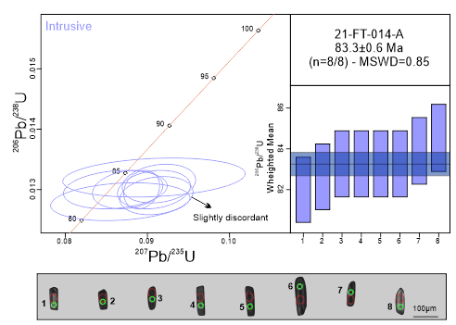
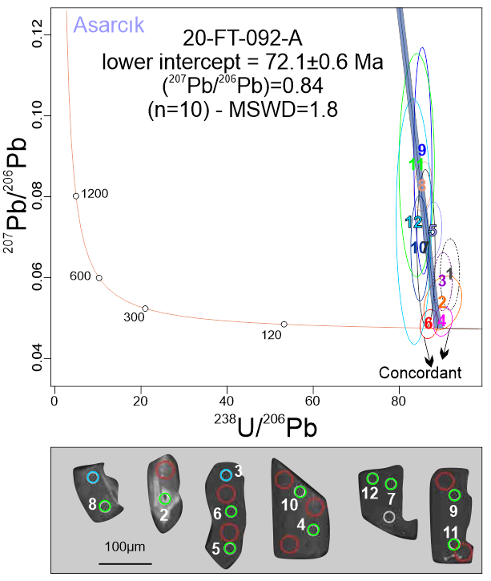
21-FT-014-A | Discordant 2 | 78.2 | 1.5 | 89.3 | 3.2 | 396 | 80 | 0.0919 | 1.9 | 0.0122 | 0.94 | 0.15
21-FT-014-A | Discordant 3 | 83 | 1.1 | 139.1 | 7.2 | 1248 | 116 | 0.1468 | 2.8 | 0.013 | 0.68 | 0.15
21-FT-014-A | Discordant 4 | 83.9 | 1.4 | 106.8 | 4.2 | 652 | 72 | 0.1109 | 2.1 | 0.0131 | 0.83 | 0.15
21-FT-014-A | Discordant 5 | 87.6 | 1 | 96.9 | 3.2 | 334 | 82 | 0.1002 | 1.7 | 0.0137 | 0.55 | 0.15
21-FT-014-A | Discordant 6 | 95.1 | 3.5 | 257.3 | 31.2 | 2236 | 176 | 0.2883 | 6.9 | 0.0149 | 1.83 | 0.15
21-FT-014-A | Discordant 7 | 301 | 3 | 325.1 | 6.8 | 500 | 52 | 0.3773 | 1.2 | 0.0478 | 0.5 | 0.15
20-FT-092-A | 1 - Discordant | 70.1 | 1.7 | c | 9.8 | 622 | 294 | 0.0913 | 5.8 | 0.0109 | 1.19 | 0.15
20-FT-092-A | 2 - Discordant | 71.2 | 2.2 | 80.2 | 7 | 356 | 208 | 0.0822 | 4.5 | 0.0111 | 1.55 | 0.15
20-FT-092-A | 3 - Discordant | 71.3 | 0.9 | 87.8 | 7.9 | 562 | 214 | 0.0903 | 4.7 | 0.0111 | 0.67 | 0.15
20-FT-092-A | 4 - Concordant | 71.4 | 1.1 | 73.6 | 4.2 | 146 | 158 | 0.0752 | 3 | 0.0111 | 0.76 | 0.15
20-FT-092-A | 5 - Discordant | 73.1 | 0.8 | 108.4 | 9.1 | 976 | 138 | 0.1127 | 4.4 | 0.0114 | 0.56 | 0.15
20-FT-092-A | 6 - Concordant | 73.6 | 0.9 | 75.2 | 4 | 128 | 132 | 0.0769 | 2.8 | 0.0115 | 0.61 | 0.15
20-FT-092-A | 7 - Discordant | 74.5 | 1.3 | 103.6 | 22.7 | 838 | 342 | 0.1074 | 11.5 | 0.0116 | 0.86 | 0.15
20-FT-092-A | 8 - Discordant | 74.9 | 1.4 | 126.9 | 6.1 | 1258 | 92 | 0.1331 | 2.6 | 0.0117 | 0.95 | 0.15
20-FT-092-A | 9 - Discordant | 74.7 | 2 | 136 | 32.4 | 1408 | 284 | 0.1433 | 12.7 | 0.0117 | 1.34 | 0.15
20-FT-092-A | 10 - Discordant | 75.3 | 1.3 | 105.4 | 15.5 | 852 | 226 | 0.1093 | 7.7 | 0.0118 | 0.86 | 0.15
20-FT-092-A | 11 - Discordant | 76.3 | 2.5 | 136.6 | 33.1 | 1376 | 258 | 0.144 | 13 | 0.0119 | 1.65 | 0.15
20-FT-092-A | 12 - Discordant | 77.2 | 2.8 | 117 | 38 | 1028 | 422 | 0.1221 | 17.2 | 0.012 | 1.85 | 0.15
21-FT-016-A | 1 - WM outlier | 79.5 | 1.3 | 91.2 | 16.4 | 408 |  | 0.094 | 9.4 | 0.0124 | 0.85 | 0.15 | 346
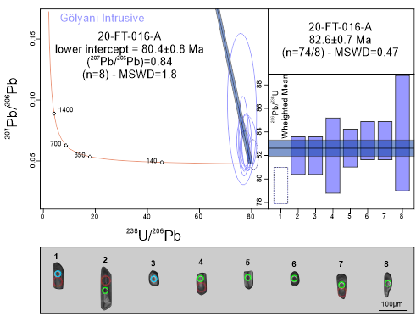
21-FT-016-A | 2 | 82 | 1.7 | 101.3 | 20.6 | 584 |  | 0.1049 | 10.7 | 0.0128 | 1.04 | 0.15 | 320
21-FT-016-A | 3 | 82.3 | 1.5 | 111.1 | 31.2 | 782 |  | 0.1156 | 14.8 | 0.0128 | 0.89 | 0.15 | 506
21-FT-016-A | 4 | 81.9 | 2.6 | 109.9 | 30.4 | 768 |  | 0.1144 | 14.6 | 0.0128 | 1.6 | 0.15 | 464
21-FT-016-A | 5 | 82.8 | 1.9 | 103.4 | 19.7 | 608 |  | 0.1072 | 10 | 0.0129 | 1.16 | 0.15 | 296
21-FT-016-A | 6 | 83.4 | 2.3 | 123.7 | 40.9 | 990 |  | 0.1295 | 17.5 | 0.013 | 1.39 | 0.15 | 526
21-FT-016-A | 7 | 83.2 | 1.9 | 103.3 | 29.9 | 598 |  | 0.1071 | 15.2 | 0.013 | 1.13 | 0.15 | 476
21-FT-016-A | 8 | 83.9 | 4.3 | 156.9 | 80.9 | 1476 |  | 0.1671 | 27.8 | 0.0131 | 2.57 | 0.15 | 680
21-FT-021-A | 1 | 79.5 | 2.1 | 94.4 | 10.9 | 488 | 284 | 0.0974 | 6 | 0.0124 | 1.33 | 0.15 | 284
21-FT-021-A | 2 | 79.7 | 1.5 | 85 | 6.3 | 236 | 186 | 0.0874 | 3.8 | 0.0124 | 0.94 | 0.15 | 186
21-FT-021-A | 3 | 79.2 | 3.1 | 124.2 | 50.7 | 1102 | 632 | 0.1301 | 21.7 | 0.0124 | 1.99 | 0.15 | 632
21-FT-021-A | 4 | 80.1 | 2.3 | 86.9 | 16.7 | 278 | 402 | 0.0893 | 10.1 | 0.0125 | 1.44 | 0.15 | 402
21-FT-021-A | 5 | 80.5 | 0.9 | 77.6 | 4.7 | 0 | 64 | 0.0795 | 3.1 | 0.0126 | 0.57 | 0.15 | 64
21-FT-021-A | 6 | 80.4 | 1.5 | 81.9 | 5.6 | 124 | 170 | 0.084 | 3.6 | 0.0126 | 0.93 | 0.15 | 170
21-FT-021-A | 7 | 80.4 | 5 | 116.9 | 62.1 | 942 | 558 | 0.122 | 28.1 | 0.0126 | 3.15 | 0.15 | 558
21-FT-021-A | 8 | 81.2 | 4.4 | 117.5 | 45.8 | 934 | 632 | 0.1226 | 20.6 | 0.0127 | 2.71 | 0.15 | 632
21-FT-021-A | 9 | 81.3 | 1.8 | 112.5 | 29.6 | 836 | 490 | 0.1172 | 13.9 | 0.0127 | 1.1 | 0.15 | 490
21-FT-021-A | 10 | 82.8 | 3.6 | 120.5 | 52 | 948 | 586 | 0.126 | 22.9 | 0.0129 | 2.18 | 0.15 | 586
21-FT-021-A | 11 | 83.3 | 1.6 | 86 | 10.3 | 162 | 242 | 0.0884 | 6.3 | 0.013 | 0.99 | 0.15
21-FT-021-A | 12 - WM outlier | 87 | 7.4 | 199.2 | 136.4 | 1890 | 716 | 0.2168 | 37.6 | 0.0136 | 4.26 | 0.15

