Leaching
Information about the lead leaching characteristics attributed to pipe
 | Part Diameter (D) and Volume | Maximum dissolved lead concentration ( E ) | Speed of lead release (M) | Time scale for solution
 |  |  |  | (T = DE/(4M))
Modelling assumptions | 32 mm en 804 ml | 110 µg/L | 0,115 µg/(m2·s) | 2,13 hr

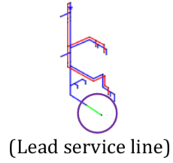
M = Lead dissolution rate
T= Timescale that represents how quickly the maximum lead concentration is achieved

Consumption
Information about water consumption

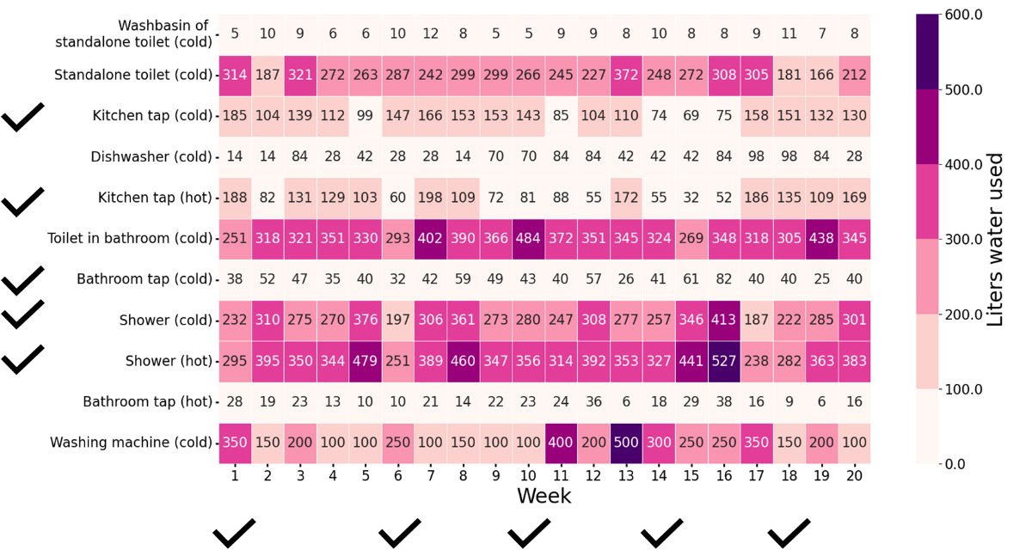

Total water consumption in litres at each tap in 20 separate weeks of SIMDEUM patterns for a typical Dutch household with two adults. The tick marks at the rows indicate the locations where proportional sampling taps were fitted and the tick marks under the columns indicate the weeks chosen for the one-week experiments.

