Fig. S1 Size distributions
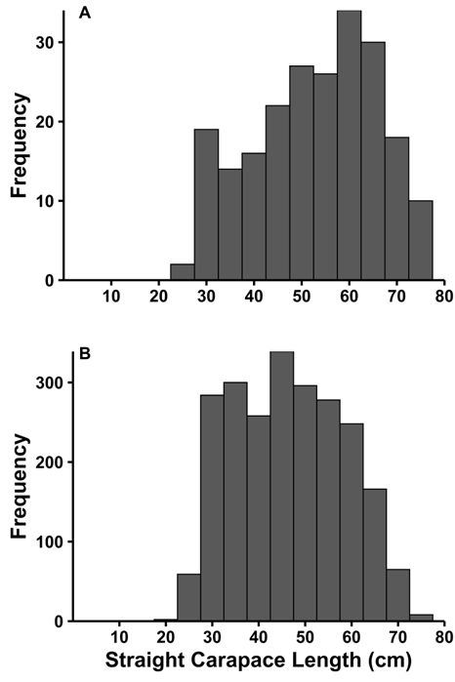

Fig. S1 Straight carapace length (SCLmin) of all immature green turtle (Chelonia mydas) captures for which plasma testosterone titer was assessed, Bermuda, 1990–2016. a) Turtles that were laparoscoped to determine sex and calibrate plasma testosterone titers (n = 190 turtles, 218 captures); b) turtles that were not laparoscoped and whose sex was predicted by plasma testosterone titer calibrated by laparoscopy (n = 2,487 turtles, 2,918 captures)

Fig. S2 Titer by turtle size
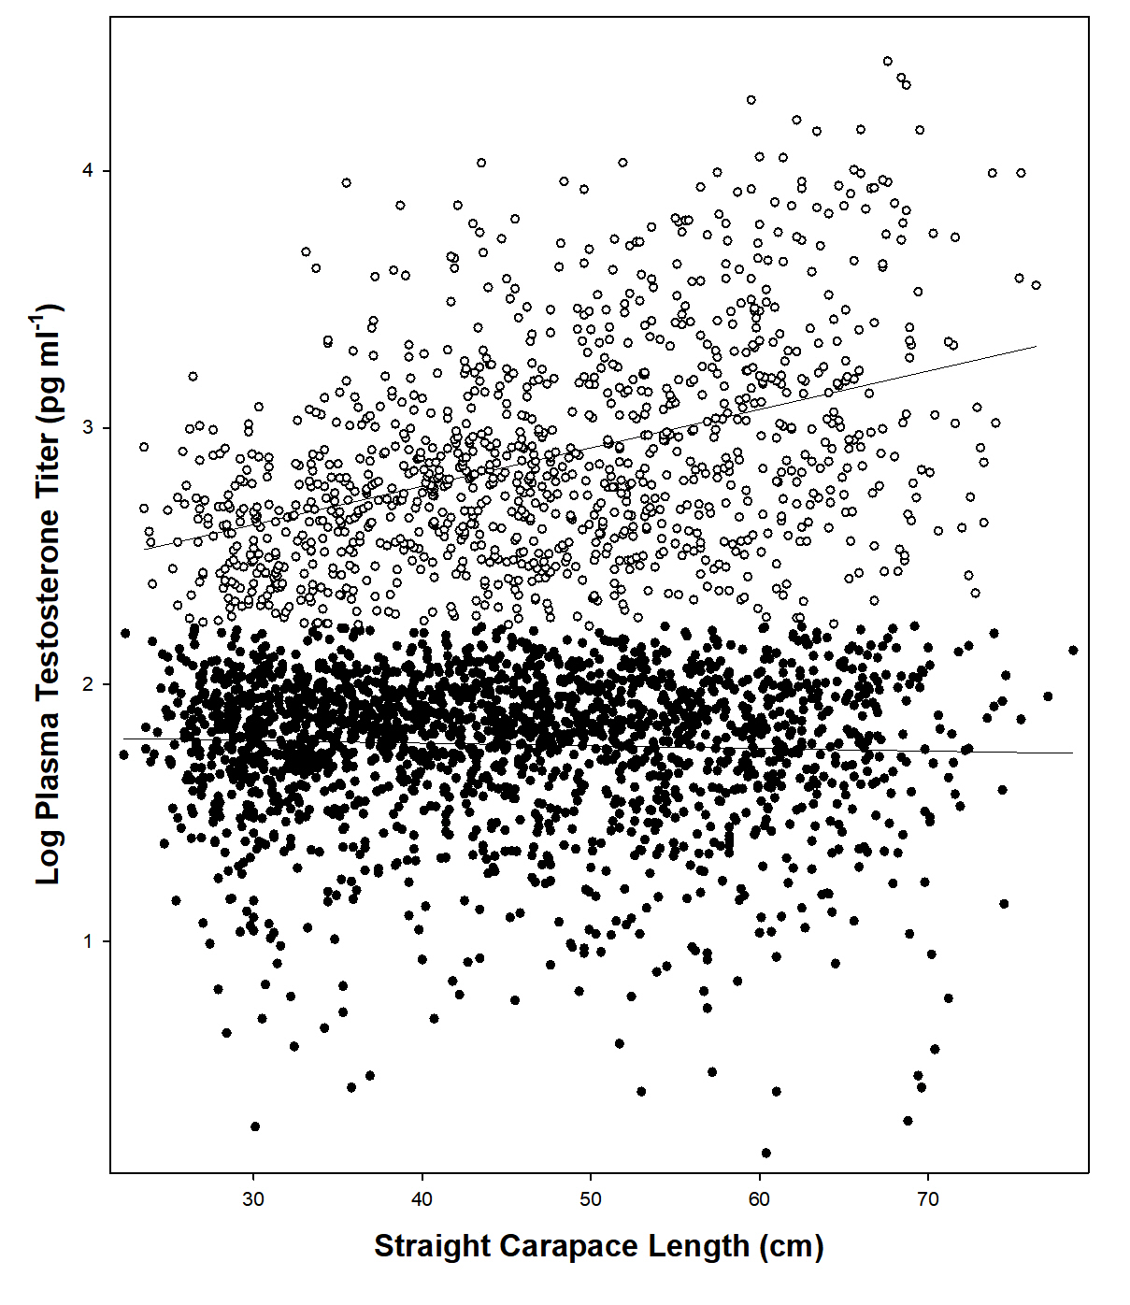

Fig. S2 Relationship between plasma testosterone titer and turtle size for immature green turtles (Chelonia mydas) captured in Bermuda, by sex. Male titers (open circles, n = 1,104) increased significantly (linear regression, adjusted r2 = 0.1727, F1,1103 = 23.15, p < 0.0001); female titers (filled circles, n = 2,029) decreased but not significantly (linear regression, adjusted r2 = 0.001283, F1,2026 = 3.605, p = 0.08)

Fig. S3 Sample size by temp.
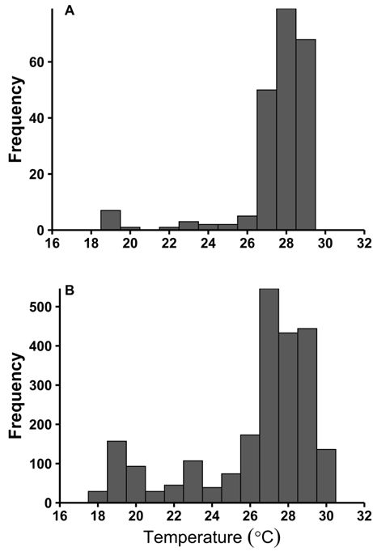

Fig. S3 Water temperature (°C) for captures of immature green turtles (Chelonia mydas) in Bermuda, 1990–2016, with an associated plasma testosterone titer. a) Captures of turtles that were laparoscoped to determine sex, n = 218; b) captures of turtles that were not laparoscoped; sex was predicted by plasma testosterone calibrated by laparoscopy, n = 2,920

Fig. S4 Trends data sets A,B,C
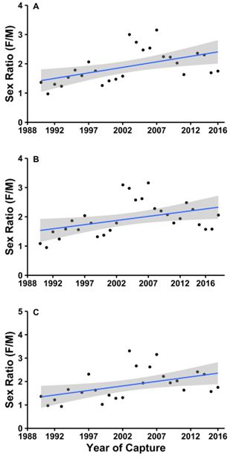
Fig. S4 Trend in annual sex ratio (with 95% confidence interval) of immature green turtles (Chelonia mydas) by year of capture in Bermuda. a) Sex determination based on laparoscopy and/or plasma testosterone titer at capture that year, 1990–2016, n = 3,163 captures. Annual sample size averaged 117 (SD = 49.1, range 1–208) captures (Table S1: Data set A); b) sex determination based on laparoscopy and/or plasma testosterone titer at any capture(s) of an individual turtle, 1990–2018, n = 3,817 captures. Annual sample size averaged 132 (SD = 52.8, range 43–224) captures (Table S1: Data set B); c) annual sex ratio for captures made at water temperatures of 26–30°C, 1990–2016, n = 2,499 captures. Sex determination based on laparoscopy and/or plasma testosterone titer at capture that year; annual sample size averaged 92.6 (SD = 45.8, range = 1–180) captures (Table S1: Data set C)

Fig. S5 Temporal var haplos
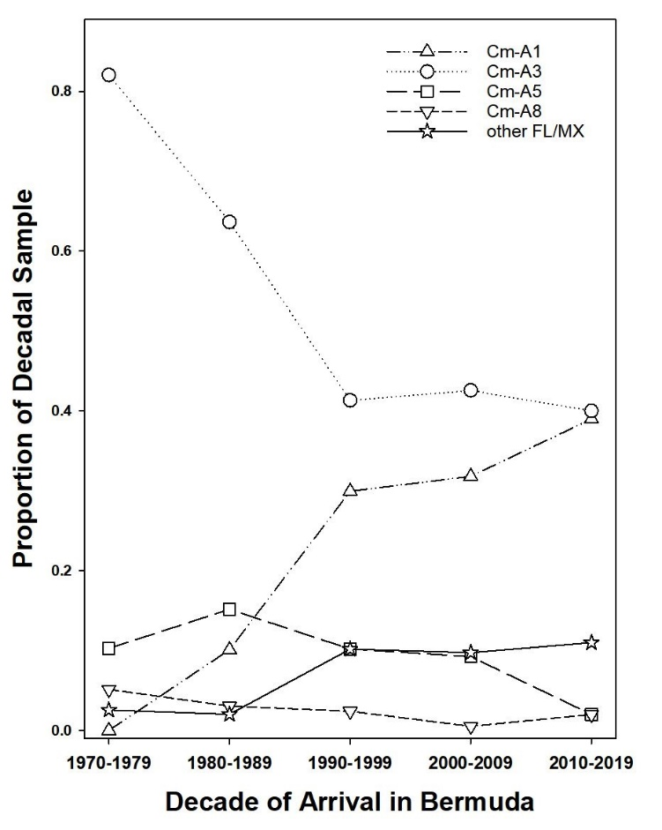

Fig. S5 Temporal variation in haplotypes observed in the Bermuda green turtle (Chelonia mydas) developmental foraging aggregation over five decades. Proportion of decadal samples (by estimated year of arrival) are shown for the four most common Atlantic haplotypes and for pooled contributions for seven other haplotypes known only from Florida and/or Mexico (Cm-A2, Cm-A15, Cm-A16, Cm-A17, Cm-A18, Cm-A26, Cm-A28)

