HEADER
Applied Microbiology and Biotechnology
Investigating the physiological response of Pichia (Komagataella) pastoris GS115 to the heterologous expression of misfolded proteins using chemostat cultures.
Andy Hesketh^{1#}, Juan I. Castrillo^{1#}, Trevor Sawyer¹, David B. Archer²
and Stephen G. Oliver^{1*}
¹ Cambridge Systems Biology Centre and Department of Biochemistry. University of Cambridge, Sanger Building, 80 Tennis Court Road, Cambridge CB2 1GA, UK.
² School of Biology, University of Nottingham, University Park, Nottingham, NG7 2RD, UK.
*Corresponding author sgo24@cam.ac.uk
#Contributed equally to this work.

README
This file presents the results from the analysis written in red text in the pipeline outlined below.
1. Only consider the SS, T+3 and SM samples of the T70N, I56T and VEC samples.
2. Only consider gene features present in the annotation of March 1st 2012.
3. Counts over features using HTSeq
4. Normalisation and analysis of counts using DESeq. In the absence of any replication, use the SS samples of T70N and I56T (designated "U") as pseudoreplicates to allow estimates of variance and therefore permit an attempt at statistical comparisons of gene expression counts.
5. Comparisons made focus on changes between the T+3 time points:
VEC T+3 with T70N T+3 :- in file "res3_V3_T703.xls"
VEC T+3 with I56 T+3 :- in file "res3_V3_I563.xls"
T70 T+3 with I56 T+3 :- in file "res3_T703_I563.xls"
6. Used an adjusted p-value cut-off <0.05.
7. Separated into up-regulated (="POS") and down-regulated (="NEG") in the pairwise comparisons.
8. Merged to give global lists of differentially expressed genes = 1243 different genes in files "ALL_sigNEG_V3L3_ANNO.xls" and "ALL_sigPOS_V3L3_ANNO.xls"
NEG and POS are relative between pairs: sigNEG contains I56<VEC, T70<VEC, I56<T70; sigPOS contains I56>VEC, T70>VEC, I56>T70.
Columns headed e.g."sigPOS_I56" contain binary data indicating membership (1) or non-membership (0) of the gene in the genelist of the column header.
Global lists subjected to Bayesian Heirarchical Clustering (BHC) and cluster members summarised in worksheets within the files. GO analysis of clusters also in files.
9. Lists in 8 used to generate the following sublists:
-significantly up-regulated in T70+3 compared to VEC+3 = 363 genes in file= "sigPOS_T70_V_V3L3_ANNO_log.xls"
-significantly up-regulated in I56+3 compared to VEC+3 = 245 genes in file= "sigPOS_I56_V_V3L3_ANNO_log.xls"
-significantly up-regulated in I56+3 compared to T70+3 = 186 genes in file= "sigPOS_I56_T70_V3L3_ANNO_log.xls"
-significantly down-regulated in T70+3 compared to VEC+3 = 647 genes in file= "sigNEG_T70_V_V3L3_ANNO_log.xls"
-significantly down-regulated in I56+3 compared to VEC+3 = 417 genes in file= "sigNEG_I56_V_V3L3_ANNO_log.xls"
-significantly down-regulated in I56+3 compared to T70+3 = 79 genes in file= "sigNEG_I56_T70_V3L3_ANNO_log.xls"
Files also contain the results of BHC clustering, and GO analysis results for selected clusters.
10. Groups of genes of interest plotted individually in powerpoint files.

BHC Summary
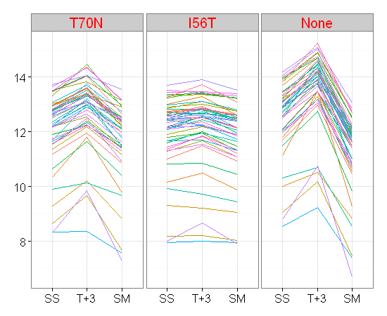
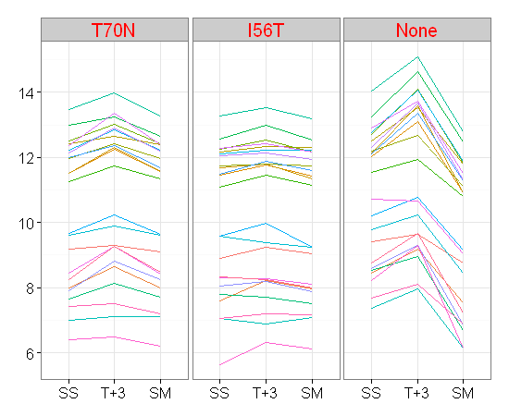
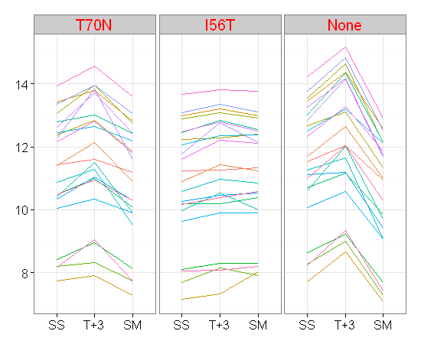
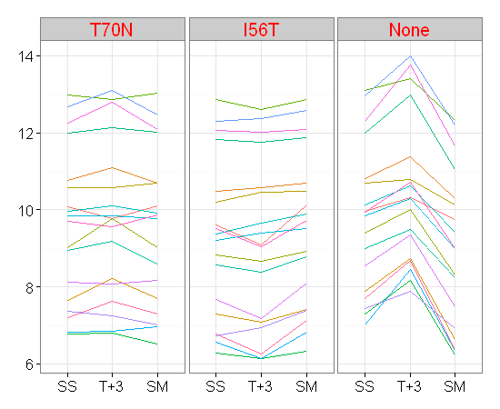
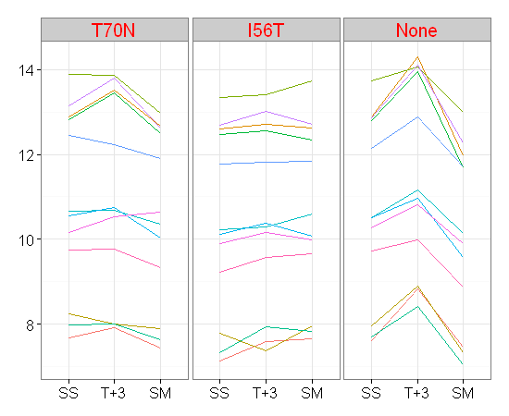
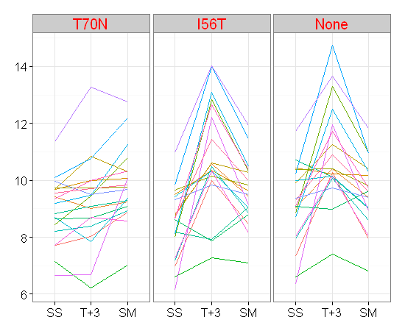
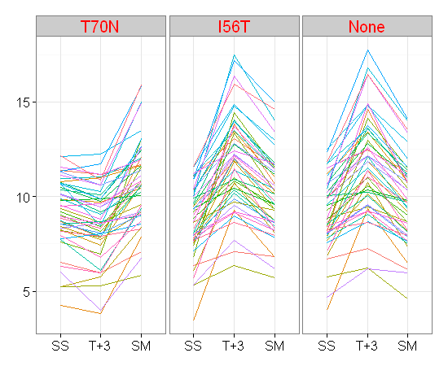
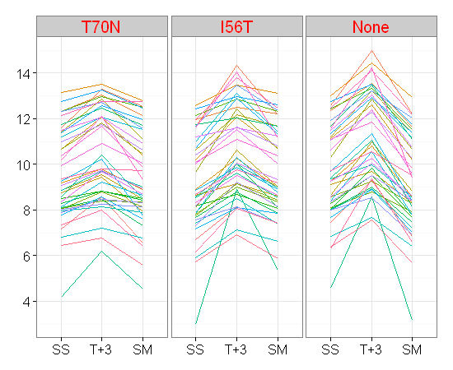
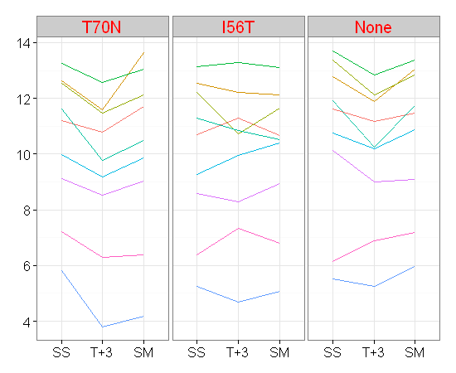
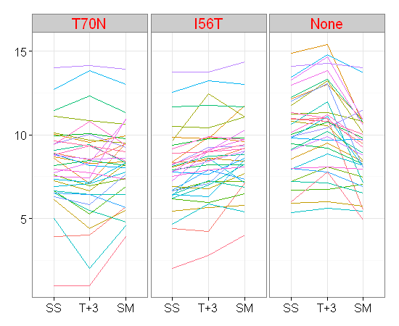
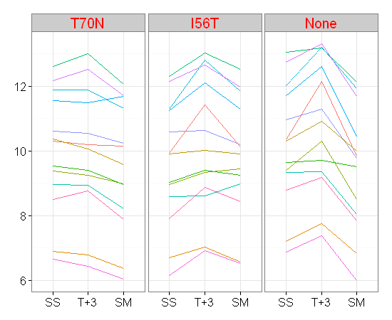
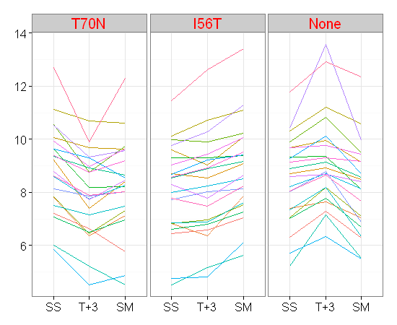
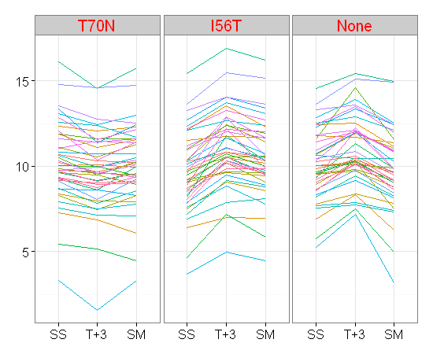
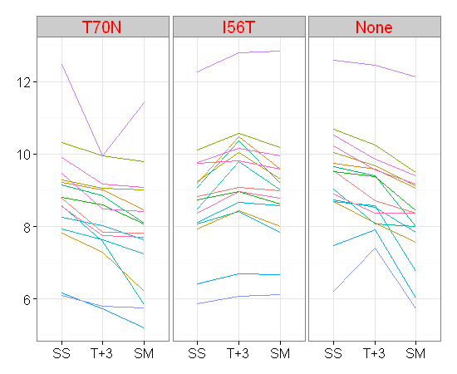
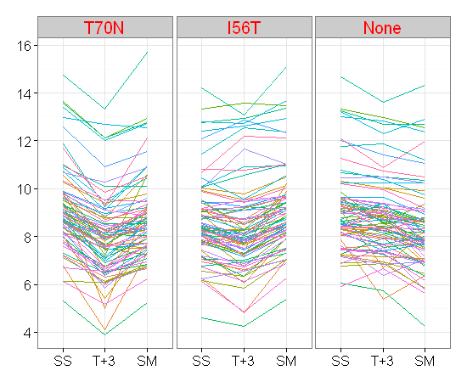
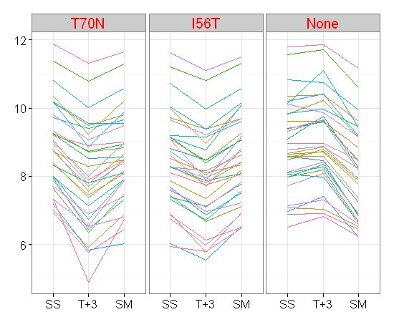
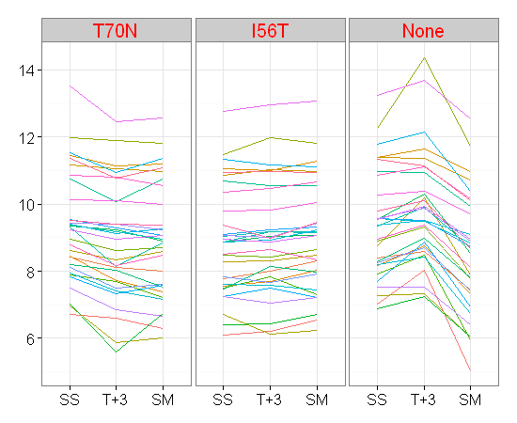
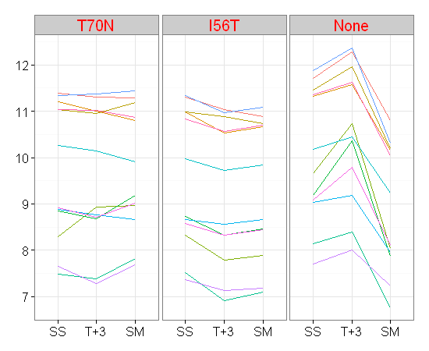
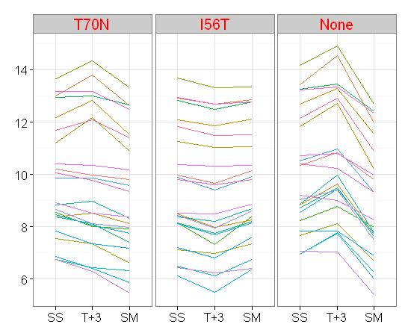
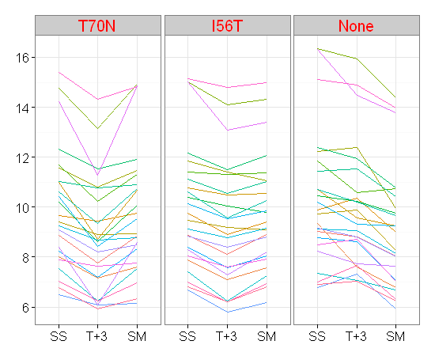
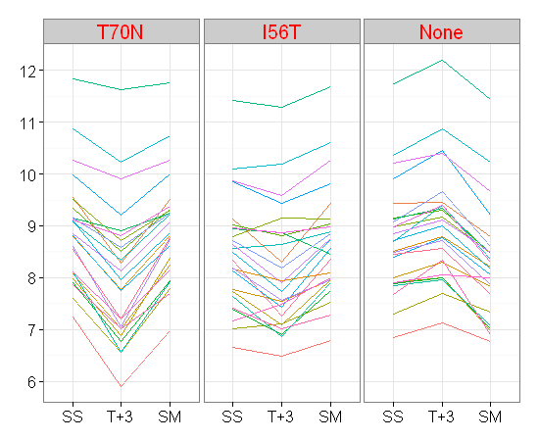
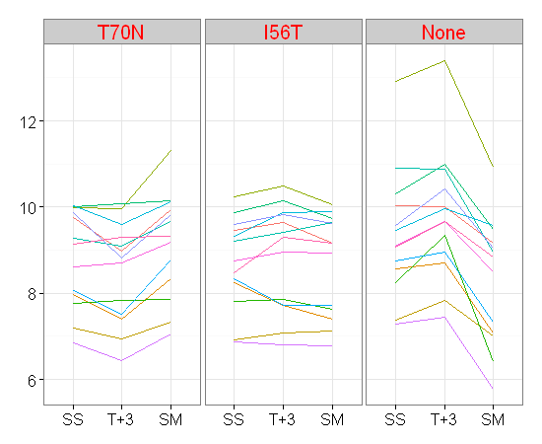
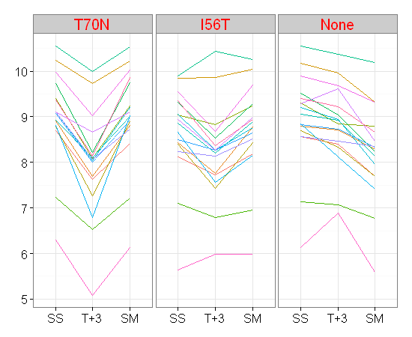
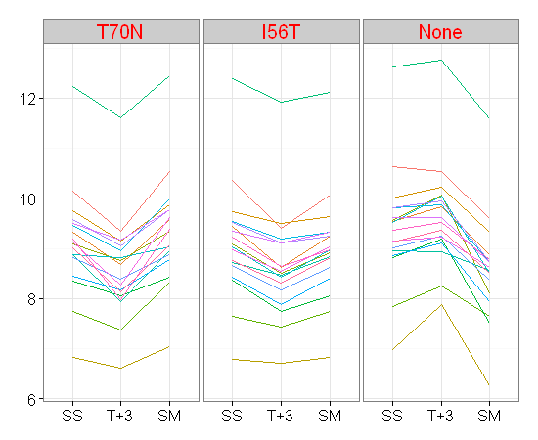
PPmar012012 annotation
647 genes
BHC cluster membership:
Cluster 1 = 51
Cluster 2 = 23
Cluster 3 = 22
Cluster 4 = 18
Cluster 5 = 19
Cluster 6 = 47
Cluster 7 = 42
Cluster 8 = 12
Cluster 9 = 9
Cluster 10 = 34
Cluster 11 = 13
Cluster 12 = 22
Cluster 13 = 42
Cluster 14 = 16
Cluster 15 = 81
Cluster 16 = 33
Cluster 17 = 31
Cluster 18 = 12
Cluster 19 = 23
Cluster 20 = 24
Cluster 21 = 25
Cluster 22 = 13
Cluster 23 = 17
Cluster 24 = 18
Mean expression per cluster

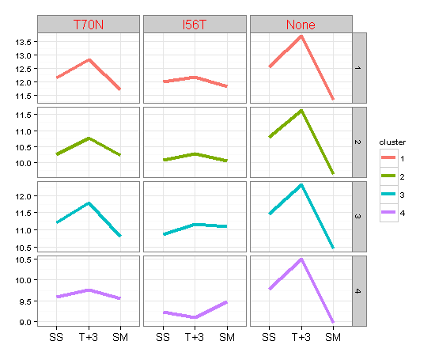
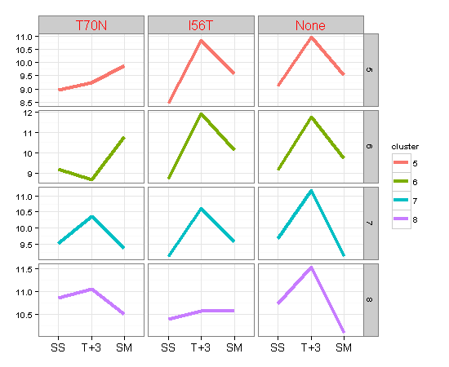
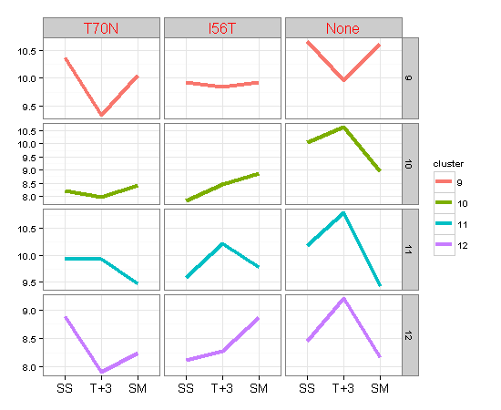
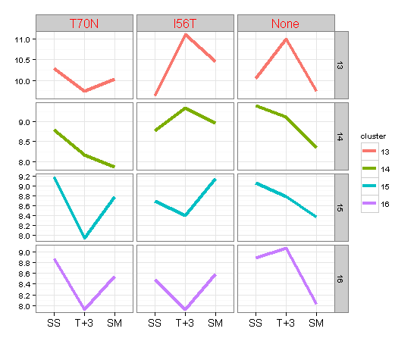
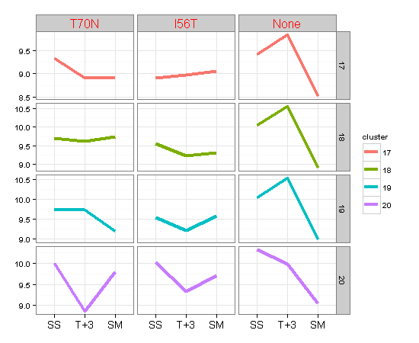
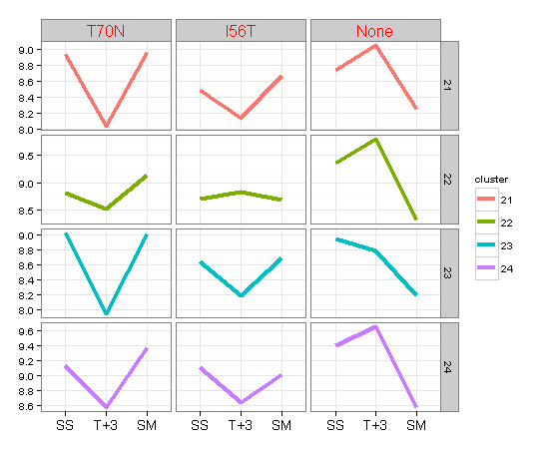

Expression per cluster

