HEADER
Applied Microbiology and Biotechnology
Investigating the physiological response of Pichia (Komagataella) pastoris GS115 to the heterologous expression of misfolded proteins using chemostat cultures.
Andy Hesketh^{1#}, Juan I. Castrillo^{1#}, Trevor Sawyer¹, David B. Archer²
and Stephen G. Oliver^{1*}
¹ Cambridge Systems Biology Centre and Department of Biochemistry. University of Cambridge, Sanger Building, 80 Tennis Court Road, Cambridge CB2 1GA, UK.
² School of Biology, University of Nottingham, University Park, Nottingham, NG7 2RD, UK.
*Corresponding author sgo24@cam.ac.uk
#Contributed equally to this work.

README
Expression details for the genes presented in Figs. 4 and 5

GO-0045333
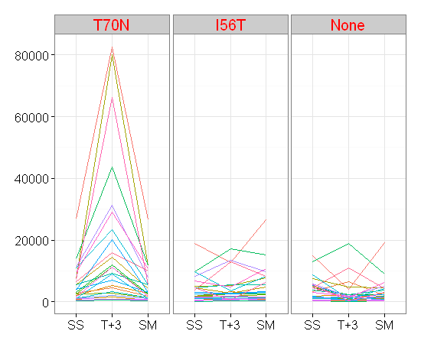
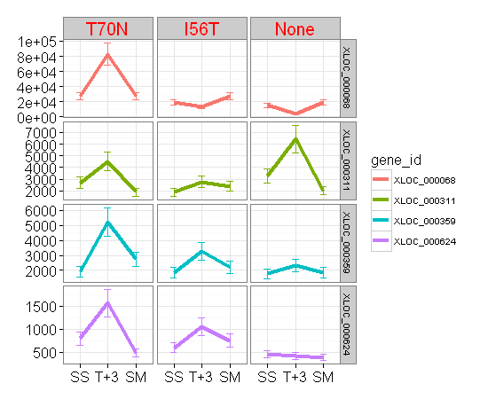
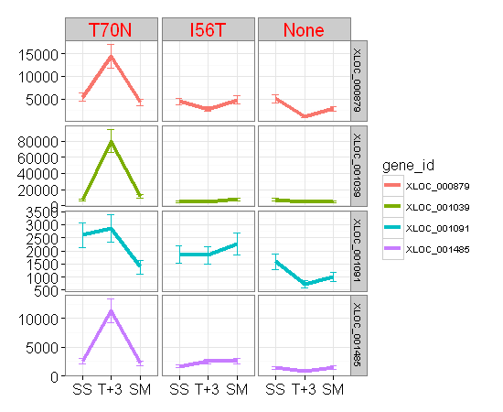
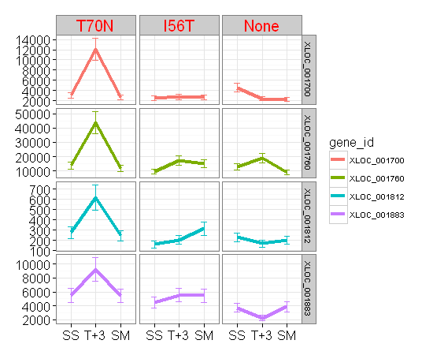
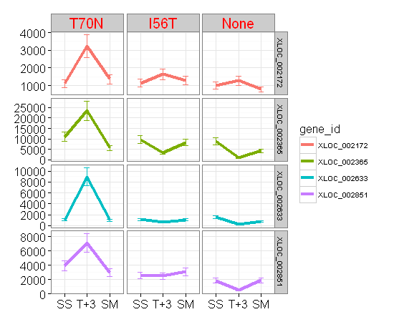
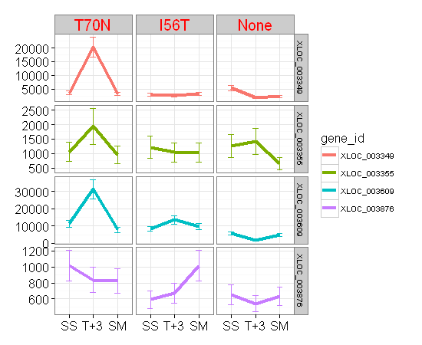
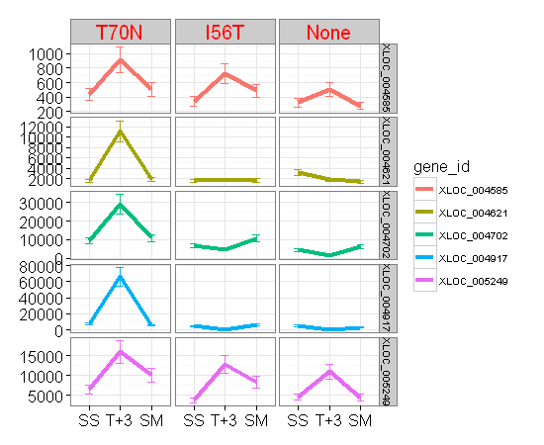
 | gene_id | PAS_name | IGV_search | strand | Product | From | Entry | Entry_name | Status | Length | A590005 | A590007 | A590008 | A590009 | A590011 | A590012 | A590013 | A590015 | A590016 | A590005.1 | A590007.1 | A590008.1 | A590009.1 | A590011.1 | A590012.1 | A590013.1 | A590015.1 | A590016.1
XLOC_000068 | XLOC_000068 | PAS_chr1-3_0104 | chr1:198794-201136 | + | "Aconitase, required for the tricarboxylic acid (TCA) cycle and also independently required for mitoc" | C4QV90 | C4QV90 | C4QV90_PICPG | unreviewed | 780 | 26771 | 82571 | 26605 | 18849 | 12783 | 26569 | 14832 | 4115 | 19063 | 14.708437299 | 16.333365029 | 14.699464009 | 14.202276903 | 13.642051693 | 14.697510607 | 13.856522794 | 12.007027267 | 14.218563236
XLOC_000311 | XLOC_000311 | PAS_chr1-1_0233 | chr1:1011135-1012448 | + | "Mitochondrial NADP-specific isocitrate dehydrogenase, catalyzes the oxidation of isocitrate" | C4QWH9 | C4QWH9 | C4QWH9_PICPG | unreviewed | 101 | 2698 | 4511 | 1899 | 1890 | 2776 | 2401 | 3307 | 6438 | 2030 | 11.398209261 | 12.139551352 | 10.891783703 | 10.884933648 | 11.439311462 | 11.230020436 | 11.691743519 | 12.652620935 | 10.987974524
XLOC_000359 | XLOC_000359 | PAS_chr1-1_0322 | chr1:1168391-1168774 | + | Subunit 7 of the ubiquinol cytochrome-c reductase complex | C4QWS4 | C4QWS4 | C4QWS4_PICPG | unreviewed | 335 | 1930 | 5233 | 2741 | 1846 | 3261 | 2211 | 1790 | 2321 | 1851 | 10.915132449 | 12.353698209 | 11.421012856 | 10.850968151 | 11.671541067 | 11.11113567 | 10.806549622 | 11.181152257 | 10.854868383
XLOC_000624 | XLOC_000624 | PAS_chr1-4_0371 | chr1:2088295-2088699 | + | hypothetical protein | C4QY92 | C4QY92 | C4QY92_PICPG | unreviewed | 155 | 793 | 1567 | 475 | 596 | 1050 | 752 | 453 | 419 | 384 | 9.6329951971 | 10.614709844 | 8.8948177633 | 9.2215871213 | 10.037546954 | 9.5565060547 | 8.8265484873 | 8.7142455177 | 8.5887146356
XLOC_000879 | XLOC_000879 | PAS_chr1-3_0094 | chr1:177338-178663 | - | "Dihydrolipoyl transsuccinylase, component of the mitochondrial alpha-ketoglutarate dehydrogenase" | C4QV80 | C4QV80 | C4QV80_PICPG | unreviewed | 441 | 5402 | 14437 | 4248 | 4413 | 2761 | 4804 | 5035 | 1001 | 2796 | 12.399544967 | 13.817583289 | 12.052907628 | 12.107870914 | 11.431497604 | 12.230320716 | 12.298062568 | 9.9686667932 | 11.449664538
XLOC_001039 | XLOC_001039 | PAS_chr1-1_0475 | chr1:781443-782852 | - | Citrate synthase | C4QW60 | C4QW60 | C4QW60_PICPG | unreviewed | 469 | 7279 | 80137 | 11725 | 4917 | 5254 | 7702 | 7494 | 4791 | 4638 | 12.829722735 | 16.290198885 | 13.517423341 | 12.26385602 | 12.359475049 | 12.91120471 | 12.871712763 | 12.226412193 | 12.179598131
XLOC_001091 | XLOC_001091 | PAS_chr1-1_0217 | chr1:984051-984560 | - | hypothetical protein | C4QWG4 | C4QWG4 | C4QWG4_PICPG | unreviewed | 169 | 2600 | 2871 | 1375 | 1851 | 1834 | 2262 | 1590 | 736 | 1011 | 11.344850684 | 11.487840034 | 10.426264755 | 10.854868383 | 10.841564348 | 11.144020869 | 10.63571812 | 9.5255208091 | 9.9829935747
XLOC_001485 | XLOC_001485 | PAS_chr1-4_0487 | chr1:2293011-2293507 | - | hypothetical protein | C4QYL6 | C4QYL6 | C4QYL6_PICPG | unreviewed | 224 | 2539 | 11325 | 2212 | 1686 | 2511 | 2567 | 1412 | 761 | 1442 | 11.310612782 | 13.467350814 | 11.111787736 | 10.720244258 | 11.294620749 | 11.326429487 | 10.46454575 | 9.5736471875 | 10.494855584
XLOC_001700 | XLOC_001700 | PAS_chr2-1_0120 | chr2:219560-220660 | + | "Subunit of mitochondrial NAD(+)-dependent isocitrate dehydrogenase, which catalyzes the oxidation of" | C4QZQ0 | C4QZQ0 | C4QZQ0_PICPG | unreviewed | 265 | 3062 | 12043 | 2628 | 2447 | 2722 | 2587 | 4540 | 2385 | 2239 | 11.580729652 | 13.556026993 | 11.360298427 | 11.257387843 | 11.410981267 | 11.337621902 | 12.148794321 | 11.220378328 | 11.129283017
XLOC_001760 | XLOC_001760 | PAS_chr2-1_0238 | chr2:446653-447657 | + | "Mitochondrial malate dehydrogenase, catalyzes interconversion of malate and oxaloacetate" | C4R024 | C4R024 | C4R024_PICPG | unreviewed | 165 | 13873 | 43759 | 11822 | 9688 | 17225 | 15237 | 12829 | 18762 | 8956 | 13.760096169 | 15.417325118 | 13.529308535 | 13.242132058 | 14.072300116 | 13.89538594 | 13.64723355 | 14.195602897 | 13.128799891
XLOC_001812 | XLOC_001812 | PAS_chr2-1_0323 | chr2:604343-604915 | + | Essential Hsp90p co-chaperone | C4R0B5 | C4R0B5 | SDHF2_PICPG | reviewed | 824 | 277 | 619 | 246 | 161 | 205 | 314 | 229 | 170 | 200 | 8.1189410727 | 9.2761244053 | 7.9483672316 | 7.3398500029 | 7.6865005272 | 8.2992080184 | 7.8454900509 | 7.4178525149 | 7.6510516912
XLOC_001883 | XLOC_001883 | PAS_chr2-1_0456 | chr2:838925-841105 | + | hypothetical protein | C4R0Q9 | C4R0Q9 | C4R0Q9_PICPG | unreviewed | 323 | 5510 | 9230 | 5430 | 4467 | 5537 | 5468 | 3745 | 2262 | 3871 | 12.428098412 | 13.172271229 | 12.407002148 | 12.12541347 | 12.435149338 | 12.417061347 | 11.871135184 | 11.144020869 | 11.918863237
XLOC_002172 | XLOC_002172 | PAS_chr2-2_0265 | chr2:1894825-1895016 | + | Cytochrome c oxidase subunit 7A (EC 1.9.3.1) (Cytochrome c oxidase polypeptide VIIA) | C4R2C4 | C4R2C4 | C4R2C4_PICPG | unreviewed | 1302 | 1119 | 3236 | 1365 | 1131 | 1637 | 1283 | 1007 | 1274 | 790 | 10.129283017 | 11.66044165 | 10.415741768 | 10.144658243 | 10.677719642 | 10.326429487 | 9.9772799235 | 10.316281532 | 9.6275338845
XLOC_002365 | XLOC_002365 | PAS_chr2-1_0089 | chr2:156820-159825 | - | "Component of the mitochondrial alpha-ketoglutarate dehydrogenase complex, which catalyzes a key step" | C4QZL6 | C4QZL6 | C4QZL6_PICPG | unreviewed | 243 | 11034 | 23420 | 5626 | 9671 | 3460 | 8291 | 8837 | 879 | 4329 | 13.429799009 | 14.515515055 | 12.458150248 | 13.239598529 | 11.756973226 | 13.017504401 | 13.109504216 | 9.7813597135 | 12.08015131
XLOC_002633 | XLOC_002633 | PAS_chr2-1_0580 | chr2:1070667-1071965 | - | Cytosolic NADP-specific isocitrate dehydrogenase | C4R142 | C4R142 | C4R142_PICPG | unreviewed | 1429 | 1033 | 8964 | 1005 | 1105 | 690 | 1079 | 1574 | 206 | 791 | 10.01402047 | 13.130087868 | 9.9744145898 | 10.11113567 | 9.4325419004 | 10.076815597 | 10.621136113 | 7.6934869575 | 9.6293566201
XLOC_002851 | XLOC_002851 | PAS_chr2-2_0283 | chr2:1861850-1862308 | - | "Membrane anchor subunit of succinate dehydrogenase (Sdh1p, Sdh2p, Sdh3p, Sdh4p)" | C4R2A6 | C4R2A6 | C4R2A6_PICPG | unreviewed | 320 | 3912 | 7103 | 2954 | 2563 | 2480 | 3070 | 1831 | 468 | 1869 | 11.934059395 | 12.794415866 | 11.528942415 | 11.324180547 | 11.27670602 | 11.584492797 | 10.839203788 | 8.8734441125 | 10.868822555
XLOC_003349 | XLOC_003349 | PAS_chr3_0647 | chr3:1234846-1236312 | + | "Fumarase, converts fumaric acid to L-malic acid in the TCA cycle" | C4R559 | C4R559 | C4R559_PICPG | unreviewed | 532 | 3653 | 20216 | 3124 | 3044 | 2680 | 3240 | 5339 | 1840 | 2307 | 11.835260919 | 14.303281311 | 11.609640474 | 11.572226513 | 11.388555504 | 11.662223305 | 12.382624027 | 10.846273911 | 11.172427509
XLOC_003355 | XLOC_003355 | PAS_chr3_0659 | chr3:1261452-1263833 | + | Putative mitochondrial aconitase isozyme | C4R570 | C4R570 | C4R570_PICPG | unreviewed | 430 | 1060 | 1939 | 951 | 1215 | 1043 | 1030 | 1257 | 1423 | 652 | 10.051208941 | 10.921840937 | 9.8948177633 | 10.247927513 | 10.027905997 | 10.009828617 | 10.296916207 | 10.475733431 | 9.3509391815
XLOC_003609 | XLOC_003609 | PAS_chr3_1111 | chr3:2148760-2149563 | + | "Iron-sulfur protein subunit of succinate dehydrogenase (Sdh1p, Sdh2p, Sdh3p, Sdh4p)" | C4R6J2 | C4R6J2 | C4R6J2_PICPG | unreviewed | 555 | 11235 | 31258 | 7697 | 8355 | 13459 | 9603 | 5761 | 1793 | 5002 | 13.455840909 | 14.931984006 | 12.910267956 | 13.028596777 | 13.716390789 | 13.229419688 | 12.492353945 | 10.808964175 | 12.288577737
XLOC_003876 | XLOC_003876 | PAS_chr3_0424 | chr3:826156-826644 | - | "Membrane anchor subunit of succinate dehydrogenase (Sdh1p, Sdh2p, Sdh3p, Sdh4p)" | C4R4I7 | C4R4I7 | C4R4I7_PICPG | unreviewed | 352 | 1015 | 836 | 823 | 591 | 672 | 1015 | 652 | 539 | 633 | 9.9886846868 | 9.7090838126 | 9.6865005272 | 9.2094533656 | 9.3944626946 | 9.9886846868 | 9.3509391815 | 9.0768155971 | 9.3083390301
XLOC_004585 | XLOC_004585 | PAS_chr4_0520 | chr4:1014720-1014929 | + | hypothetical protein | C4R850 | C4R850 | C4R850_PICPG | unreviewed | 404 | 433 | 914 | 501 | 345 | 725 | 487 | 326 | 505 | 278 | 8.7615512324 | 9.8376279332 | 8.971543554 | 8.4346282276 | 9.503825738 | 8.9307373376 | 8.3531468255 | 8.9829935747 | 8.1241213118
XLOC_004621 | XLOC_004621 | PAS_chr4_0580 | chr4:1133949-1133972 | + | Subunit of mitochondrial NAD(+)-dependent isocitrate dehydrogenase | C4R8B4 | C4R8B4 | C4R8B4_PICPG | unreviewed | 334 | 1543 | 11173 | 1792 | 1543 | 1738 | 1624 | 3112 | 1771 | 1374 | 10.592457037 | 13.447858105 | 10.808159773 | 10.592457037 | 10.764042217 | 10.666224003 | 11.604089861 | 10.791162889 | 10.425215903
XLOC_004702 | XLOC_004702 | PAS_chr4_0733 | chr4:1400213-1402126 | + | "Flavoprotein subunit of succinate dehydrogenase (Sdh1p, Sdh2p, Sdh3p, Sdh4p)" | C4R8S1 | C4R8S1 | C4R8S1_PICPG | unreviewed | 441 | 9373 | 29147 | 10830 | 6729 | 4841 | 10621 | 4474 | 1414 | 6177 | 13.194449079 | 14.831109275 | 13.402878829 | 12.716390789 | 12.241387364 | 13.374767814 | 12.127671967 | 10.466586338 | 12.592924156
XLOC_004917 | XLOC_004917 | PAS_chr4_0191 | chr4:391301-393046 | - | Malate synthase | C4R741 | C4R741 | C4R741_PICPG | unreviewed | 299 | 7235 | 66122 | 5580 | 4520 | 647 | 6229 | 5459 | 354 | 3068 | 12.820976693 | 16.012864561 | 12.446307931 | 12.142426202 | 9.3398500029 | 12.605016448 | 12.414685236 | 8.4716752144 | 11.58355293
XLOC_005249 | XLOC_005249 | PAS_chr4_0815 | chr4:1539071-1540099 | - | "Mitochondrial malate dehydrogenase, catalyzes interconversion of malate and oxaloacetate" | C4R911 | C4R911 | C4R911_PICPG | unreviewed | 222 | 6452 | 15999 | 10035 | 3660 | 12818 | 8278 | 4507 | 10958 | 4381 | 12.65575431 | 13.965784285 | 13.292896755 | 11.838022058 | 13.645996102 | 13.015240803 | 12.1382718 | 13.419828539 | 12.097373769

GO-0006261
 | gene_id | PAS_name | IGV_search | strand | Product | From | Entry | Entry_name | Status | Length | A590005 | A590007 | A590008 | A590009 | A590011 | A590012 | A590013 | A590015 | A590016 | A590005.1 | A590007.1 | A590008.1 | A590009.1 | A590011.1 | A590012.1 | A590013.1 | A590015.1 | A590016.1
XLOC_000390 | XLOC_000390 | PAS_chr1-1_0376 | chr1:1257751-1259826 | + | DNA replication initiation factor | C4QWY1 | C4QWY1 | C4QWY1_PICPG | unreviewed | 523 | 407 | 729 | 249 | 321 | 609 | 356 | 597 | 223 | 277 | 8.672425342 | 9.5117526538 | 7.9657842847 | 8.3309168781 | 9.2526654325 | 8.479780264 | 9.2240016742 | 7.8073549221 | 8.1189410727
XLOC_000508 | XLOC_000508 | PAS_chr1-4_0142 | chr1:1666329-1668839 | + | Essential helicase component of heterohexameric MCM2-7 complexes | C4QXJ7 | C4QXJ7 | C4QXJ7_PICPG | unreviewed | 644 | 997 | 3266 | 724 | 1054 | 1522 | 817 | 1618 | 552 | 707 | 9.9628960053 | 11.673750739 | 9.5018371849 | 10.043027284 | 10.572700226 | 9.6759570329 | 10.66088727 | 9.1111356702 | 9.4676055501
XLOC_000618 | XLOC_000618 | PAS_chr1-4_0360 | chr1:2070594-2073374 | + | Protein involved in DNA replication | C4QY80 | C4QY80 | C4QY80_PICPG | unreviewed | 647 | 1550 | 4202 | 682 | 1214 | 1672 | 1530 | 2173 | 894 | 1021 | 10.598982971 | 12.037203741 | 9.4157417683 | 10.246740598 | 10.70822173 | 10.580258567 | 11.086136225 | 9.8057438722 | 9.9971794809
XLOC_001711 | XLOC_001711 | PAS_chr2-1_0149 | chr2:273129-275774 | + | Protein involved in DNA replication | C4QZT2 | C4QZT2 | C4QZT2_PICPG | unreviewed | 696 | 2262 | 5049 | 1287 | 1473 | 2748 | 2098 | 2613 | 810 | 1519 | 11.144020869 | 12.302067673 | 10.330916878 | 10.525520809 | 11.424691192 | 11.035486451 | 11.352043426 | 9.6635581042 | 10.569855608
XLOC_002592 | XLOC_002592 | PAS_chr2-1_0512 | chr2:940872-942416 | - | "Subunit of DNA primase, which is required for DNA synthesis and double-strand break repair" | C4R0X0 | C4R0X0 | C4R0X0_PICPG | unreviewed | 511 | 318 | 930 | 105 | 262 | 812 | 382 | 478 | 240 | 247 | 8.3174126138 | 9.8626373576 | 6.7279204546 | 8.0389189893 | 9.6671115421 | 8.5812005819 | 8.9038818457 | 7.9128893362 | 7.9541963104
XLOC_002819 | XLOC_002819 | PAS_chr2-2_0339 | chr2:1747759-1749954 | - | Component of the hexameric MCM complex | C4R243 | C4R243 | C4R243_PICPG | unreviewed | 324 | 1347 | 2912 | 847 | 911 | 2051 | 1254 | 1449 | 744 | 1091 | 10.396604781 | 11.508289986 | 9.7279204546 | 9.8328900142 | 11.002815016 | 10.293471649 | 10.501837185 | 9.5410966153 | 10.092757141
XLOC_004407 | XLOC_004407 | PAS_chr4_0223 | chr4:448023-450668 | + | Protein involved in DNA replication | C4R776 | C4R776 | C4R776_PICPG | unreviewed | 907 | 1377 | 2725 | 473 | 853 | 1245 | 1195 | 1485 | 417 | 798 | 10.428360173 | 11.412569847 | 8.8887432489 | 9.7380922596 | 10.283088353 | 10.224001674 | 10.537218401 | 8.7073591321 | 9.6420516929
XLOC_004418 | XLOC_004418 | PAS_chr4_0244 | chr4:496725-497456 | + | hypothetical protein | C4R798 | C4R798 | C4R798_PICPG | unreviewed | 750 | 346 | 674 | 191 | 273 | 629 | 375 | 446 | 201 | 241 | 8.4387918526 | 9.3987436919 | 7.5849625007 | 8.098032083 | 9.2992080184 | 8.5545888517 | 8.8041310212 | 7.6582114828 | 7.9188632373
XLOC_004792 | XLOC_004792 | PAS_chr4_0891 | chr4:1673290-1675674 | + | DNA replication licensing factor | C4R986 | C4R986 | C4R986_PICPG | unreviewed | 367 | 1460 | 2758 | 876 | 1058 | 1804 | 1104 | 1865 | 691 | 1097 | 10.512740463 | 11.429929741 | 9.7764330324 | 10.048486874 | 10.817783122 | 10.109830654 | 10.865733271 | 9.4346282276 | 10.100662339
XLOC_004982 | XLOC_004982 | PAS_chr4_0323 | chr4:654293-655660 | - | "Subunit of DNA primase, which is required for DNA synthesis and double-strand break repair" | C4R7J1 | C4R7J1 | C4R7J1_PICPG | unreviewed | 1305 | 239 | 713 | 99 | 196 | 627 | 239 | 410 | 268 | 219 | 7.9068905956 | 9.479780264 | 6.6438561898 | 7.6220518195 | 9.2946207489 | 7.9068905956 | 8.6829945837 | 8.0714623626 | 7.7813597135

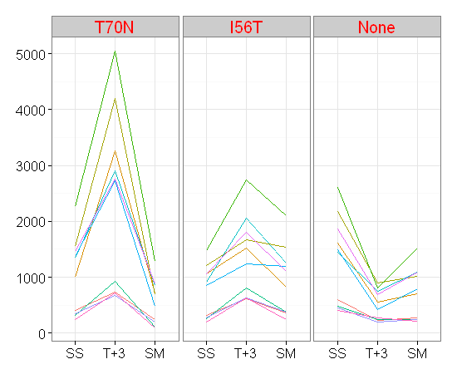
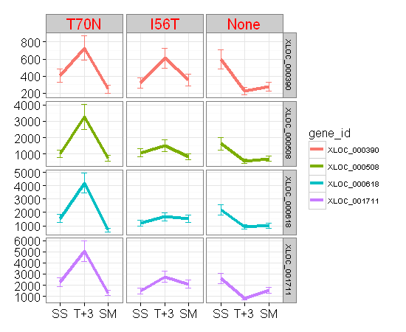
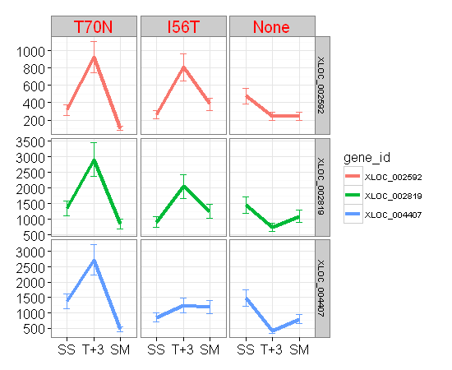
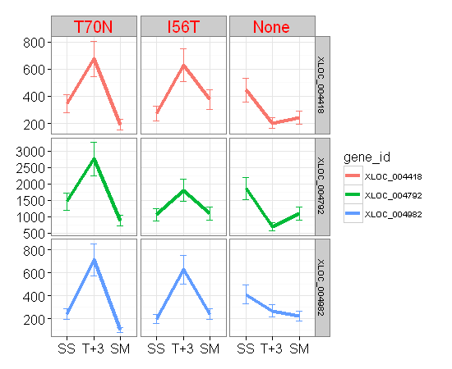

 |  |  | DNA-dependent DNA replication

GO-0032156
 | gene_id | PAS_name | IGV_search | strand | Product | From | Entry | Entry_name | Status | Length | A590005 | A590007 | A590008 | A590009 | A590011 | A590012 | A590013 | A590015 | A590016 | A590005.1 | A590007.1 | A590008.1 | A590009.1 | A590011.1 | A590012.1 | A590013.1 | A590015.1 | A590016.1
XLOC_003534 | XLOC_003534 | PAS_chr3_0977 | chr3:1891478-1893097 | + | "One of five related septins (Cdc3p, Cdc10p, Cdc11p, Cdc12p, Shs1p)" | C4R655 | C4R655 | C4R655_PICPG | unreviewed | 226 | 1173 | 2279 | 785 | 809 | 1314 | 919 | 1457 | 984 | 934 | 10.197216693 | 11.154818109 | 9.6183855023 | 9.6617780978 | 10.360847084 | 9.8454900509 | 10.509775004 | 9.9439799143 | 9.8688225548
XLOC_003859 | XLOC_003859 | PAS_chr3_0397 | chr3:774790-775761 | - | Component of the septin ring of the mother-bud neck that is required for cytokinesis | C4R4F8 | C4R4F8 | C4R4F8_PICPG | unreviewed | 703 | 296 | 207 | 173 | 161 | 215 | 303 | 266 | 127 | 194 | 8.2143191208 | 7.7004397181 | 7.4429434958 | 7.3398500029 | 7.7548875022 | 8.2479275134 | 8.0606959317 | 7 | 7.6073303137
XLOC_004176 | XLOC_004176 | PAS_chr3_0967 | chr3:1874208-1875407 | - | Component of the septin ring of the mother-bud neck that is required for cytokinesis | C4R643 | C4R643 | C4R643_PICPG | unreviewed | 364 | 1242 | 2280 | 848 | 806 | 1546 | 1305 | 1370 | 497 | 895 | 10.279610581 | 11.155450731 | 9.7296207436 | 9.6564248633 | 10.595257481 | 10.350939182 | 10.421012856 | 8.9600019321 | 9.8073549221
XLOC_004765 | XLOC_004765 | PAS_chr4_0846 | chr4:1591344-1592294 | + | Component of the septin ring of the mother-bud neck that is required for cytokinesis | C4R940 | C4R940 | C4R940_PICPG | unreviewed | 547 | 1070 | 2179 | 972 | 717 | 1489 | 1090 | 1238 | 744 | 1103 | 10.064742765 | 11.09011242 | 9.9262959948 | 9.4878400338 | 10.541096615 | 10.091435386 | 10.274960472 | 9.5410966153 | 10.108524457
XLOC_004967 | XLOC_004967 | PAS_chr4_0293 | chr4:583714-584806 | - | Component of the septin ring of the mother-bud neck that is required for cytokinesis | C4R7F5 | C4R7F5 | C4R7F5_PICPG | unreviewed | 947 | 1704 | 4381 | 1425 | 1080 | 2459 | 1601 | 1941 | 1229 | 1500 | 10.735556024 | 12.097373769 | 10.477758266 | 10.078150808 | 11.2644426 | 10.645658432 | 10.923327485 | 10.2644426 | 10.551708262
XLOC_005108 | XLOC_005108 | PAS_chr4_0548 | chr4:1075945-1077369 | - | Component of the septin ring of the mother-bud neck that is required for cytokinesis | C4R883 | C4R883 | C4R883_PICPG | unreviewed | 328 | 2197 | 6181 | 1451 | 1553 | 3504 | 1922 | 3079 | 1791 | 2018 | 11.101975671 | 12.593857939 | 10.503825738 | 10.601770788 | 11.775198729 | 10.909143047 | 11.588714636 | 10.807354922 | 10.979425195

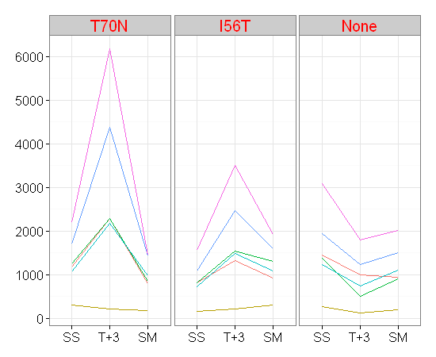
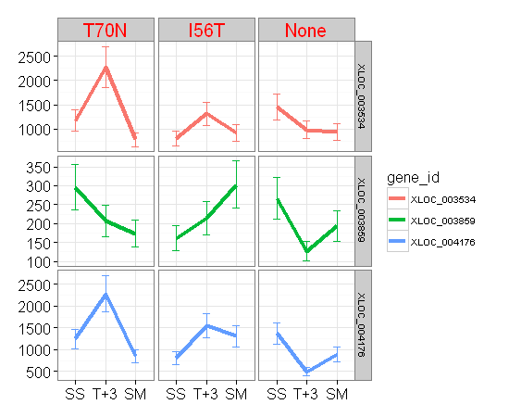
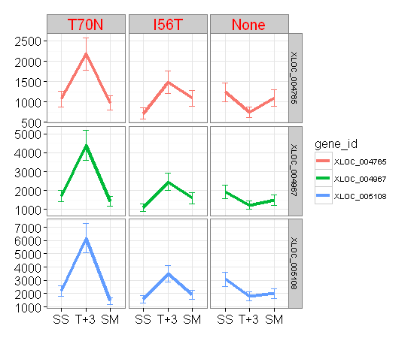

 |  | septin cytoskeleton

GO-0006493
 | gene_id | PAS_name | IGV_search | strand | Product | From | Entry | Entry_name | Status | Length | A590005 | A590007 | A590008 | A590009 | A590011 | A590012 | A590013 | A590015 | A590016 | A590005.1 | A590007.1 | A590008.1 | A590009.1 | A590011.1 | A590012.1 | A590013.1 | A590015.1 | A590016.1
XLOC_000340 | XLOC_000340 | PAS_chr1-1_0286 | chr1:1103709-1105934 | + | "Protein O-mannosyltransferase, transfers mannose residues from dolichyl phosphate-D-mannose" | C4QWN8 | C4QWN8 | C4QWN8_PICPG | unreviewed | 503 | 866 | 1829 | 767 | 651 | 603 | 809 | 1084 | 768 | 591 | 9.7598881832 | 10.837627933 | 9.5849625007 | 9.3487281542 | 9.2384047393 | 9.6617780978 | 10.083479327 | 9.586839788 | 9.2094533656
XLOC_001770 | XLOC_001770 | PAS_chr2-1_0256 | chr2:480489-482741 | + | "Protein O-mannosyltransferase, transfers mannose residues from dolichyl phosphate-D-mannose to prote" | C4R044 | C4R044 | C4R044_PICPG | unreviewed | 199 | 4450 | 9171 | 2299 | 3601 | 4198 | 3664 | 5317 | 1945 | 2515 | 12.119913785 | 13.16302064 | 11.167418146 | 11.814582466 | 12.035830073 | 11.839597483 | 12.376668062 | 10.926295995 | 11.296916207
XLOC_002432 | XLOC_002432 | PAS_chr2-1_0212 | chr2:393958-396327 | - | "Protein O-mannosyltransferase, transfers mannose residues from dolichyl phosphate-D-mannose to prote" | C4QZZ6 | C4QZZ6 | C4QZZ6_PICPG | unreviewed | 1247 | 5119 | 10719 | 2683 | 4220 | 5708 | 3873 | 6678 | 2192 | 3126 | 12.321928095 | 13.388017285 | 11.390168956 | 12.043369114 | 12.479022347 | 11.919608239 | 12.705416399 | 11.098690097 | 11.610563504
XLOC_004724 | XLOC_004724 | PAS_chr4_0777 | chr4:1473736-1475994 | + | "Protein O-mannosyltransferase, transfers mannose from dolichyl phosphate-D-mannose" | C4R8W7 | C4R8W7 | C4R8W7_PICPG | unreviewed | 277 | 1256 | 2354 | 827 | 1060 | 1116 | 1293 | 1493 | 799 | 803 | 10.295768934 | 11.201511345 | 9.6934869575 | 10.051208941 | 10.12541347 | 10.337621902 | 10.544964433 | 9.6438561898 | 9.6510516912

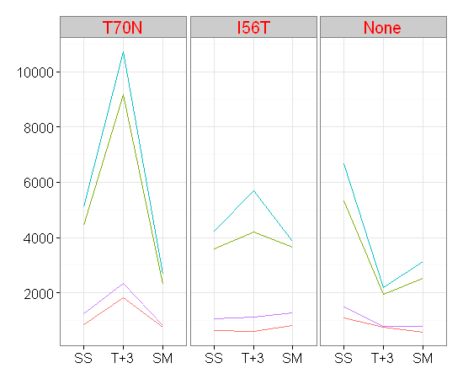
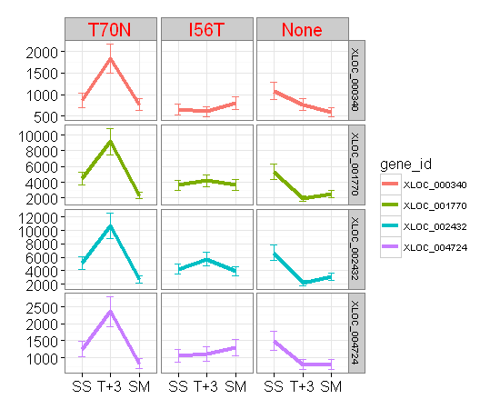

 |  | Protein O-linked glycosylation

GO-0042254
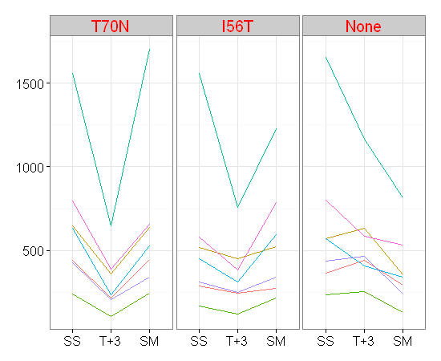
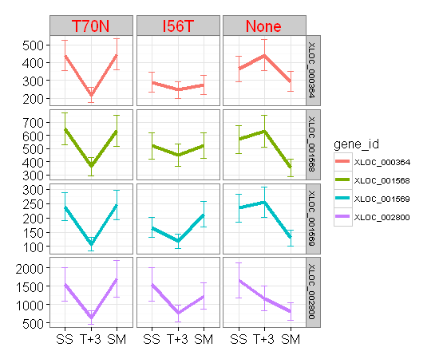
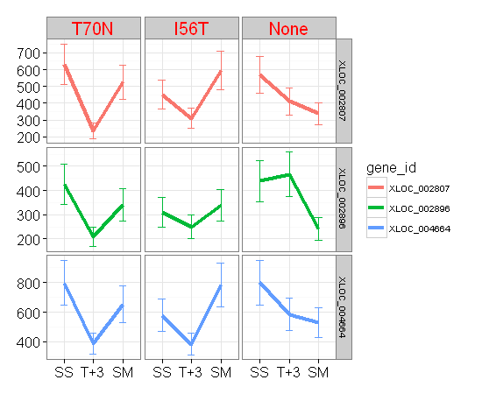
gene_id | PAS_name | XLOC_id | transcript_id | Chr | NCBI | Feature | Start | End | IGV_search | strand | Product | Ent.log2.counts | Ent.log2.counts_name | Status | Protein_Length | A590005.counts | A590007.counts | A590008.counts | A590009.counts | A590011.counts | A590012.counts | A590013.counts | A590015.counts | A590016.counts | A590005.log2.counts | A590007.log2.counts | A590008.log2.counts | A590009.log2.counts | A590011.log2.counts | A590012.log2.counts | A590013.log2.counts | A590015.log2.counts | A590016.log2.counts | cluster
XLOC_000364 | PAS_chr1-1_0331 | XLOC_000364 | TCONS_00000365 | Chr1 | NC_012963.1 | CDS | 1184162 | 1185103 | chr1:1184154-1185098 | + | Essential nucleolar protein required for the synthesis of 18S rRNA | C4QWT5 | C4QWT5_PICPG | unreviewed | 589 | 441 | 217 | 446 | 288 | 245 | 273 | 364 | 442 | 294 | 8.787903 | 7.768184 | 8.804131 | 8.174926 | 7.942515 | 8.098032 | 8.511753 | 8.791163 | 8.204571 | 3
XLOC_001568 | PAS_chr1-4_0640 | XLOC_001568 | TCONS_00001569 | Chr1 | NC_012963.1 | CDS | 2607041 | 2608531 | chr1:2607026-2608519 | - | U3 small nucleolar RNA-associated protein | C4QZ27 | C4QZ27_PICPG | unreviewed | 246 | 649 | 362 | 636 | 520 | 450 | 523 | 569 | 631 | 353 | 9.344296 | 8.503826 | 9.31515 | 9.02514 | 8.816984 | 9.033423 | 9.154818 | 9.303781 | 8.467606 | 1
XLOC_001569 | PAS_chr1-4_0642 | XLOC_001569 | TCONS_00001570 | Chr1 | NC_012963.1 | CDS | 2610661 | 2611398 | chr1:2610646-2611386 | - | U3 small nucleolar RNA-associated protein | C4QZ29 | C4QZ29_PICPG | unreviewed | 686 | 239 | 108 | 246 | 166 | 118 | 214 | 235 | 256 | 129 | 7.906891 | 6.768184 | 7.948367 | 7.383704 | 6.894818 | 7.748193 | 7.882643 | 8.005625 | 7.022368 | 1
XLOC_002800 | PAS_chr2-2_0379 | XLOC_002800 | TCONS_00002801 | Chr2 | NC_012964.1 | CDS | 1678834 | 1680657 | chr2:1678805-1680631 | - | Probable RNA m(5)C methyltransferase | C4R202 | C4R202_PICPG | unreviewed | 469 | 1559 | 647 | 1702 | 1559 | 760 | 1229 | 1655 | 1163 | 817 | 10.60733 | 9.33985 | 10.733863 | 10.60733 | 9.571753 | 10.264443 | 10.693487 | 10.184875 | 9.675957 | 1
XLOC_002807 | PAS_chr2-2_0363 | XLOC_002807 | TCONS_00002808 | Chr2 | NC_012964.1 | CDS | 1708814 | 1710484 | chr2:1708784-1710457 | - | Protein required for the assembly of box H/ACA snoRNPs and for pre-rRNA processing | C4R219 | C4R219_PICPG | unreviewed | 1061 | 632 | 235 | 526 | 450 | 310 | 596 | 571 | 410 | 339 | 9.306062 | 7.882643 | 9.041659 | 8.816984 | 8.280771 | 9.221587 | 9.159871 | 8.682995 | 8.409391 | 1
XLOC_002896 | PAS_chr2-2_0196 | XLOC_002896 | TCONS_00002897 | Chr2 | NC_012964.1 | CDS | 2015832 | 2017922 | chr2:2015793-2017886 | - | Protein required for cell viability | C4R2K0 | UTP25_PICPG | reviewed | 283 | 425 | 209 | 341 | 311 | 249 | 339 | 439 | 467 | 242 | 8.73471 | 7.714246 | 8.417853 | 8.285402 | 7.965784 | 8.409391 | 8.78136 | 8.870365 | 7.924813 | 1
XLOC_004664 | PAS_chr4_0667 | XLOC_004664 | TCONS_00004666 | Chr4 | NC_012966.1 | CDS | 1289230 | 1291821 | chr4:1289217-1291811 | + | Nucleolar protein, component of the small subunit (SSU) processome containing the U3 snoRNA | C4R8K0 | C4R8K0_PICPG | unreviewed | 281 | 797 | 387 | 655 | 578 | 383 | 786 | 800 | 584 | 531 | 9.640245 | 8.599913 | 9.357552 | 9.17742 | 8.584963 | 9.62022 | 9.645658 | 9.192293 | 9.055282 | 1

GO-0044391
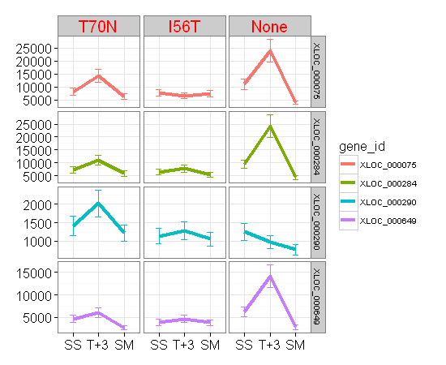
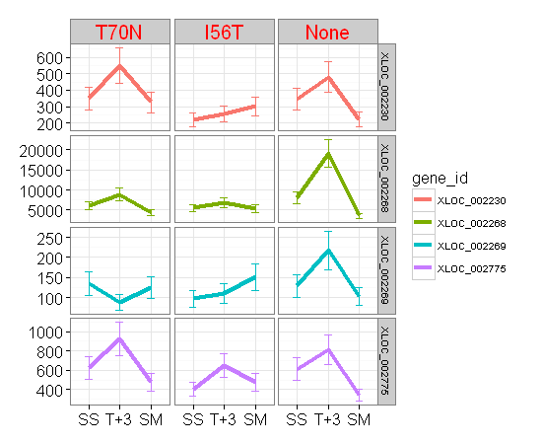
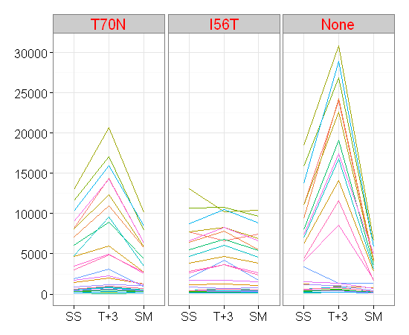
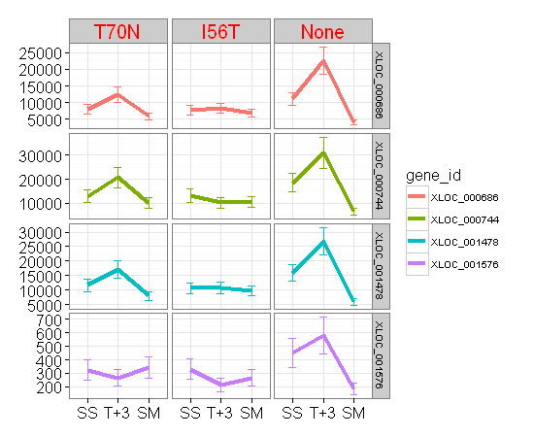
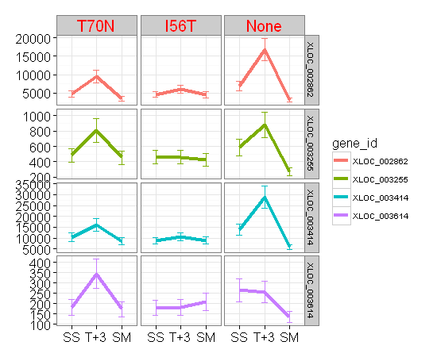
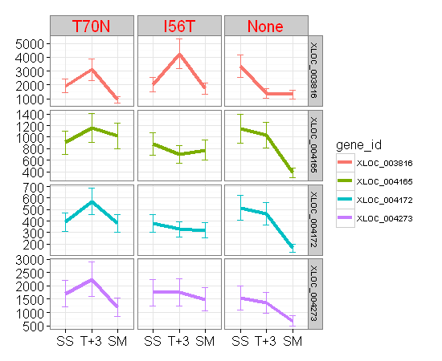
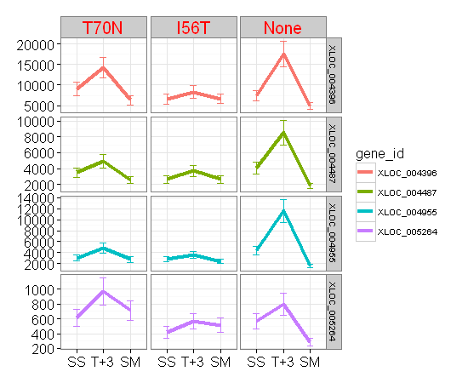
 | gene_id | PAS_name | IGV_search | strand | Product | From | Entry | Entry_name | Status | Length | A590005 | A590007 | A590008 | A590009 | A590011 | A590012 | A590013 | A590015 | A590016 | A590005.1 | A590007.1 | A590008.1 | A590009.1 | A590011.1 | A590012.1 | A590013.1 | A590015.1 | A590016.1
XLOC_000075 | XLOC_000075 | PAS_chr1-3_0115 | chr1:222371-223102 | + | Protein component of the small (40S) ribosomal subunit | C4QVA2 | C4QVA2 | C4QVA2_PICPG | unreviewed | 243 | 8186 | 14352 | 6294 | 7756 | 6603 | 7434 | 11096 | 23998 | 4043 | 12.99911918 | 13.809064694 | 12.619990663 | 12.921283086 | 12.689124405 | 12.860117027 | 13.437882086 | 14.550686672 | 11.981567282
XLOC_000284 | XLOC_000284 | PAS_chr1-1_0183 | chr1:897989-898642 | + | N-terminally acetylated protein component of the large (60S) ribosomal subunit | C4QWC5 | C4QWC5 | C4QWC5_PICPG | unreviewed | 217 | 7110 | 10979 | 5825 | 6442 | 7800 | 5464 | 9419 | 24315 | 4254 | 12.795836741 | 13.422590434 | 12.508289986 | 12.653516879 | 12.929443358 | 12.416005781 | 13.201511345 | 14.569618303 | 12.054943417
XLOC_000290 | XLOC_000290 | PAS_chr1-1_0192 | chr1:928100-929233 | + | "Mitochondrial ribosomal protein of the large subunit, has similarity to E. coli L2 ribosomal protein" | C4QWD5 | C4QWD5 | C4QWD5_PICPG | unreviewed | 377 | 1411 | 2021 | 1223 | 1139 | 1287 | 1055 | 1254 | 979 | 778 | 10.463524373 | 10.981567282 | 10.257387843 | 10.154818109 | 10.330916878 | 10.044394119 | 10.293471649 | 9.936637939 | 9.6054795181
XLOC_000649 | XLOC_000649 | PAS_chr1-4_0422 | chr1:2179218-2179224 | + | 40S small ribosomal subunit | C4QYE8 | C4QYE8 | C4QYE8_PICPG | unreviewed | 365 | 4671 | 5986 | 2701 | 3838 | 4683 | 3822 | 6252 | 14121 | 2820 | 12.189824559 | 12.547617555 | 11.399811959 | 11.906514845 | 12.193525361 | 11.900489485 | 12.610332802 | 13.785656801 | 11.461990951
XLOC_000686 | XLOC_000686 | PAS_chr1-4_0491 | chr1:2299342-2299779 | + | Protein component of the small (40S) ribosomal subunit | C4QYM1 | C4QYM1 | C4QYM1_PICPG | unreviewed | 445 | 8087 | 12380 | 5897 | 7760 | 8250 | 6930 | 11096 | 22583 | 4020 | 12.981567282 | 13.595840224 | 12.526010107 | 12.922026839 | 13.010353266 | 12.758847803 | 13.437882086 | 14.463013413 | 11.973338621
XLOC_000744 | XLOC_000744 | PAS_chr1-4_0589 | chr1:2506179-2506970 | + | "Protein component of the small (40S) subunit, essential for control of translational accuracy" | C4QYX3 | C4QYX3 | C4QYX3_PICPG | unreviewed | 1035 | 12989 | 20688 | 10170 | 13133 | 10204 | 10441 | 18467 | 30851 | 6608 | 13.66511381 | 14.336576294 | 13.31217391 | 13.68101874 | 13.316988562 | 13.350110443 | 14.172740017 | 14.913076396 | 12.69021628
XLOC_001478 | XLOC_001478 | PAS_chr1-4_0471 | chr1:2272657-2273448 | - | "Protein component of the small (40S) ribosomal subunit, nearly identical to Rps0Bp" | C4QYK0 | C4QYK0 | RSSA_PICPG | reviewed | 504 | 11626 | 17101 | 7938 | 10657 | 10747 | 9689 | 15830 | 26846 | 5904 | 13.50519128 | 14.061877431 | 12.954741581 | 13.379649118 | 13.391780606 | 13.24228095 | 13.950464769 | 14.712473264 | 12.527721344
XLOC_001576 | XLOC_001576 | PAS_c121_0005 | chr1:2637393-2638625 | - | hypothetical protein | C4QZ44 | C4QZ44 | C4QZ44_PICPG | unreviewed | 1538 | 323 | 265 | 342 | 330 | 212 | 266 | 451 | 580 | 182 | 8.3398500029 | 8.0552824355 | 8.4220647662 | 8.3706874068 | 7.7347096202 | 8.0606959317 | 8.8201789624 | 9.1823943534 | 7.5156998383
XLOC_002230 | XLOC_002230 | PAS_chr2-2_0170 | chr2:2067191-2067889 | + | Mitochondrial ribosomal protein of the small subunit | C4R2M9 | C4R2M9 | C4R2M9_PICPG | unreviewed | 898 | 349 | 548 | 325 | 219 | 256 | 301 | 346 | 479 | 222 | 8.4512111118 | 9.100662339 | 8.3487281542 | 7.7813597135 | 8.0056245492 | 8.2384047393 | 8.4387918526 | 8.9068905956 | 7.8008998999
XLOC_002268 | XLOC_002268 | PAS_chr2-2_0109 | chr2:2177419-2177727 | + | Protein component of the large (60S) ribosomal subunit | C4R2U4 | C4R2U4 | C4R2U4_PICPG | unreviewed | 302 | 6083 | 8884 | 4417 | 5479 | 6780 | 5441 | 8032 | 19122 | 3573 | 12.570804438 | 13.117156061 | 12.109177703 | 12.419960178 | 12.727282329 | 12.409921241 | 12.971723161 | 14.223021249 | 11.803323919
XLOC_002269 | XLOC_002269 | PAS_chr2-2_0106 | chr2:2180736-2181542 | + | Possible U3 snoRNP protein | C4R2U7 | C4R2U7 | C4R2U7_PICPG | unreviewed | 186 | 134 | 89 | 124 | 97 | 110 | 151 | 129 | 218 | 103 | 7.0768155971 | 6.4918530963 | 6.9657842847 | 6.6147098441 | 6.7944158664 | 7.2479275134 | 7.022367813 | 7.7747870596 | 6.7004397181
XLOC_002775 | XLOC_002775 | PAS_chr2-2_0417 | chr2:1605686-1606528 | - | Mitochondrial ribosomal protein of the large subunit | C4R1W7 | C4R1W7 | C4R1W7_PICPG | unreviewed | 909 | 627 | 922 | 476 | 403 | 653 | 473 | 613 | 814 | 343 | 9.2946207489 | 9.8501868376 | 8.897845456 | 8.6582114828 | 9.3531468255 | 8.8887432489 | 9.2620948454 | 9.6706562491 | 8.4262647547
XLOC_002862 | XLOC_002862 | PAS_chr2-2_0257 | chr2:1911270-1911626 | - | Protein component of the small (40S) ribosomal subunit | C4R2D3 | C4R2D3 | C4R2D3_PICPG | unreviewed | 119 | 4772 | 9546 | 3490 | 4653 | 6099 | 4571 | 6959 | 16767 | 3138 | 12.220680621 | 13.220831744 | 11.769424642 | 12.184255495 | 12.574593527 | 12.158609688 | 12.764871591 | 14.033423002 | 11.616089314
XLOC_003255 | XLOC_003255 | PAS_chr3_0474 | chr3:905853-906674 | + | Mitochondrial ribosomal protein of the large subunit | C4R4N7 | C4R4N7 | C4R4N7_PICPG | unreviewed | 566 | 482 | 807 | 453 | 460 | 460 | 425 | 586 | 879 | 270 | 8.9158793788 | 9.6582114828 | 8.8265484873 | 8.8486229404 | 8.8486229404 | 8.7347096202 | 9.1972166931 | 9.7813597135 | 8.0821490414
XLOC_003414 | XLOC_003414 | PAS_chr3_0762 | chr3:1455720-1456385 | + | Protein component of the small (40S) ribosomal subunit | C4R5H6 | C4R5H6 | C4R5H6_PICPG | unreviewed | 333 | 10354 | 15938 | 8490 | 8711 | 10486 | 8853 | 13776 | 28930 | 5920 | 13.338039933 | 13.960273498 | 13.051718757 | 13.088788239 | 13.356314407 | 13.112113658 | 13.749974149 | 14.82032857 | 12.531625138
XLOC_003614 | XLOC_003614 | PAS_chr3_1120 | chr3:2162207-2162737 | + | Mitochondrial protein | C4R6K1 | C4R6K1 | C4R6K1_PICPG | unreviewed | 431 | 182 | 344 | 172 | 179 | 181 | 207 | 264 | 255 | 135 | 7.5156998383 | 8.4304525517 | 7.4346282276 | 7.4918530963 | 7.5077946402 | 7.7004397181 | 8.0498485495 | 8 | 7.0874628413
XLOC_003816 | XLOC_003816 | PAS_chr3_0322 | chr3:634547-634801 | - | Essential type II topoisomerase | C4R475 | C4R475 | C4R475_PICPG | unreviewed | 689 | 1932 | 3108 | 907 | 2037 | 4252 | 1731 | 3355 | 1384 | 1310 | 10.916625922 | 11.602234901 | 9.8265484873 | 10.992938336 | 12.05426514 | 10.758223215 | 11.712527 | 10.435670261 | 10.35645197
XLOC_004165 | XLOC_004165 | PAS_chr3_0946 | chr3:1845546-1846277 | - | Mitochondrial ribosomal protein of the small subunit | C4R621 | C4R621 | C4R621_PICPG | unreviewed | 338 | 905 | 1157 | 1022 | 885 | 704 | 775 | 1148 | 1035 | 382 | 9.82336724 | 10.177419538 | 9.9985904297 | 9.7911628886 | 9.4614794473 | 9.5999128422 | 10.166163083 | 10.016808288 | 8.5812005819
XLOC_004172 | XLOC_004172 | PAS_chr3_0959 | chr3:1863103-1863501 | - | Mitochondrial ribosomal protein of the large subunit | C4R634 | C4R634 | C4R634_PICPG | unreviewed | 103 | 390 | 571 | 380 | 378 | 328 | 318 | 515 | 464 | 165 | 8.6110247973 | 9.1598713368 | 8.5736471875 | 8.5660540382 | 8.3619437737 | 8.3174126138 | 9.0112272554 | 8.861086906 | 7.3750394313
XLOC_004273 | XLOC_004273 | PAS_c131_0005 | chr3:2219806-2220957 | - | hypothetical protein | C4R383 | C4R383 | C4R383_PICPG | unreviewed | 434 | 1699 | 2240 | 1188 | 1744 | 1760 | 1494 | 1550 | 1368 | 680 | 10.731319031 | 11.129926934 | 10.215533 | 10.769011321 | 10.782179194 | 10.545929769 | 10.598982971 | 10.418906731 | 9.411510988
XLOC_004396 | XLOC_004396 | PAS_chr4_0208 | chr4:423646-424245 | + | "N-terminally acetylated protein component of the large (60S) ribosomal subunit, binds to 5.8 S rRNA" | C4R759 | C4R759 | C4R759_PICPG | unreviewed | 320 | 9033 | 14270 | 6319 | 6608 | 8314 | 6659 | 7395 | 17472 | 4925 | 13.141149198 | 13.800798811 | 12.625708843 | 12.69021628 | 13.021500548 | 12.701306462 | 12.852529509 | 14.09283971 | 12.266200912
XLOC_004487 | XLOC_004487 | PAS_chr4_0348 | chr4:707942-708379 | + | Ribosomal protein 28 (rp28) of the small (40S) ribosomal subunit | C4R7L7 | C4R7L7 | C4R7L7_PICPG | unreviewed | 49 | 3479 | 4929 | 2530 | 2652 | 3690 | 2616 | 4082 | 8541 | 1827 | 11.764871591 | 12.267371931 | 11.305491792 | 11.37340896 | 11.849796022 | 11.353698209 | 11.995413852 | 13.060358183 | 10.836050355
XLOC_004955 | XLOC_004955 | PAS_chr4_0267 | chr4:538297-538680 | - | Protein component of the large (60S) ribosomal subunit | C4R7C6 | C4R7C6 | C4R7C6_PICPG | unreviewed | 935 | 3031 | 4823 | 2746 | 2797 | 3621 | 2376 | 4397 | 11650 | 1608 | 11.566054038 | 12.236014192 | 11.423641195 | 11.450180247 | 11.822570831 | 11.214926188 | 12.102631889 | 13.508166166 | 10.651948611
XLOC_005264 | XLOC_005264 | PAS_chr4_0845 | chr4:1590413-1590952 | - | Mitochondrial ribosomal protein of the large subunit | C4R939 | C4R939 | C4R939_PICPG | unreviewed | 409 | 608 | 966 | 712 | 421 | 567 | 512 | 568 | 792 | 285 | 9.2502984179 | 9.9173720795 | 9.4777582664 | 8.7210991887 | 9.1497471195 | 9.0028150156 | 9.1522848423 | 9.6311770557 | 8.1598713368

KAR2_PDI1
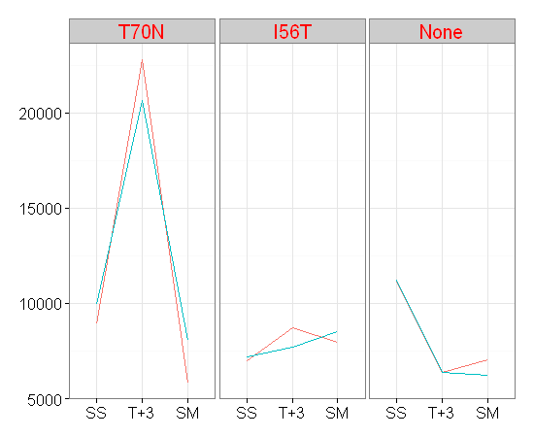
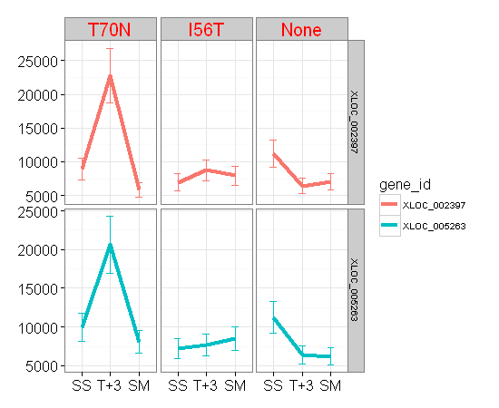
row.names | gene_id | PAS_name | XLOC_id | transcript_id | Chr | NCBI | Feature | Start | End | IGV_search | strand | Product | Ent.log2.counts | Ent.log2.counts_name | Status | Protein_Length | A590005.counts | A590007.counts | A590008.counts | A590009.counts | A590011.counts | A590012.counts | A590013.counts | A590015.counts | A590016.counts | A590005.log2.counts | A590007.log2.counts | A590008.log2.counts | A590009.log2.counts | A590011.log2.counts | A590012.log2.counts | A590013.log2.counts | A590015.log2.counts | A590016.log2.counts | cluster
109 | XLOC_002397 | PAS_chr2-1_0140 | XLOC_002397 | TCONS_00002398 | Chr2 | NC_012964.1 | CDS | 264388 | 266421 | chr2:264376-266412 | - | ATPase involved in protein import into the ER, also acts as a chaperone to mediate protein folding i | C4QZS3 | C4QZS3_PICPG | unreviewed | 153 | 8909 | 22801 | 5840 | 6967 | 8728 | 7956 | 11190 | 6375 | 7032 | 13.12121 | 14.47687 | 12.512 | 12.76653 | 13.0916 | 12.95801 | 13.45005 | 12.63844 | 12.77992 | 11
238 | XLOC_005263 | PAS_chr4_0844 | XLOC_005263 | TCONS_00005265 | Chr4 | NC_012966.1 | CDS | 1589614 | 1590172 | chr4:1588605-1590158 | - | Protein disulfide isomerase, multifunctional protein resident in the endoplasmic reticulum lumen | C4R938 | C4R938_PICPG | unreviewed | 316 | 9950 | 20633 | 8065 | 7208 | 7690 | 8529 | 11238 | 6389 | 6213 | 13.28063 | 14.33274 | 12.97764 | 12.81558 | 12.90896 | 13.05833 | 13.45623 | 12.6416 | 12.60131 | 11

COP vesicles
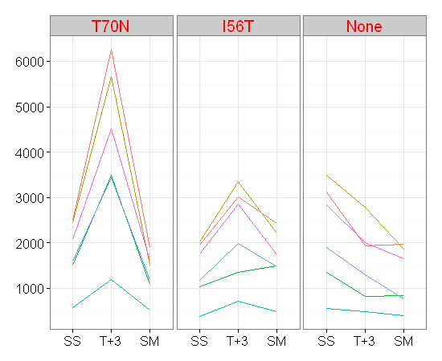
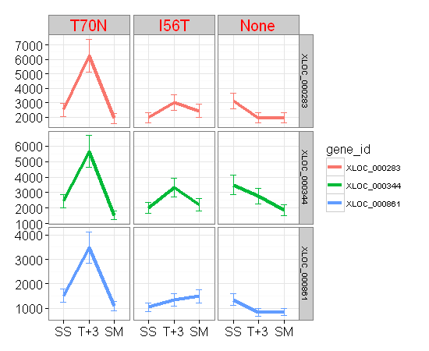
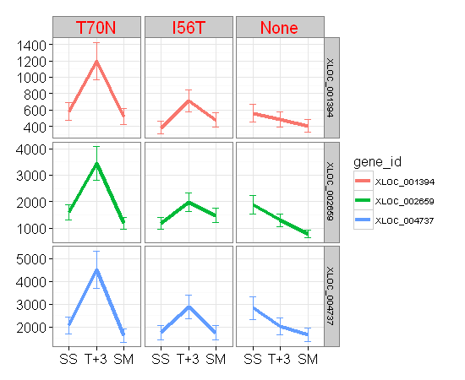
row.names | gene_id | PAS_name | XLOC_id | transcript_id | Chr | NCBI | Feature | Start | End | IGV_search | strand | Product | Ent.log2.counts | Ent.log2.counts_name | Status | Protein_Length | A590005.counts | A590007.counts | A590008.counts | A590009.counts | A590011.counts | A590012.counts | A590013.counts | A590015.counts | A590016.counts | A590005.log2.counts | A590007.log2.counts | A590008.log2.counts | A590009.log2.counts | A590011.log2.counts | A590012.log2.counts | A590013.log2.counts | A590015.log2.counts | A590016.log2.counts | cluster
13 | XLOC_000283 | PAS_chr1-1_0181 | XLOC_000283 | TCONS_00000283 | Chr1 | NC_012963.1 | CDS | 894003 | 896711 | chr1:893999-896710 | + | Essential beta'-coat protein of the COPI coatomer, involved in ER-to-Golgi and Golgi-to-ER transport | C4QWC3 | C4QWC3_PICPG | unreviewed | 903 | 2504 | 6265 | 1902 | 1951 | 3015 | 2432 | 3114 | 1927 | 1962 | 11.290595 | 12.61333 | 10.89406 | 10.930737 | 11.558421 | 11.248521 | 11.605016 | 10.912889 | 10.938844 | 11
15 | XLOC_000344 | PAS_chr1-1_0294 | XLOC_000344 | TCONS_00000345 | Chr1 | NC_012963.1 | CDS | 1116529 | 1120146 | chr1:1116524-1120144 | + | Alpha subunit of COPI vesicle coatomer complex | C4QWP7 | C4QWP7_PICPG | unreviewed | 524 | 2448 | 5664 | 1519 | 2023 | 3343 | 2212 | 3493 | 2787 | 1864 | 11.257977 | 12.46786 | 10.569856 | 10.982994 | 11.707359 | 11.111788 | 11.770664 | 11.445015 | 10.86496 | 11
39 | XLOC_000861 | PAS_chr1-3_0057 | XLOC_000861 | TCONS_00000862 | Chr1 | NC_012963.1 | CDS | 106535 | 106537 | chr1:105591-106457 | - | Component of both the Nup84 nuclear pore sub-complex and of the COPII complex | P53024 | SEC13_PICPG | reviewed | 190 | 1509 | 3487 | 1082 | 1039 | 1345 | 1493 | 1354 | 827 | 842 | 10.560333 | 11.76818 | 10.080818 | 10.022368 | 10.394463 | 10.544964 | 10.404077 | 9.693487 | 9.719389 | 7
62 | XLOC_001394 | PAS_chr1-4_0317 | XLOC_001394 | TCONS_00001395 | Chr1 | NC_012963.1 | CDS | 1997044 | 1997613 | chr1:1997027-1997599 | - | Zeta subunit of the coatomer complex (COPI), which coats Golgi-derived transport vesicles | C4QY35 | C4QY35_PICPG | unreviewed | 1204 | 583 | 1198 | 521 | 388 | 715 | 480 | 563 | 484 | 406 | 9.189825 | 10.22762 | 9.027906 | 8.603626 | 9.483816 | 8.909893 | 9.139551 | 8.921841 | 8.668885 | 5
132 | XLOC_002659 | PAS_chr2-1_0633 | XLOC_002659 | TCONS_00002660 | Chr2 | NC_012964.1 | CDS | 1194208 | 1194798 | chr2:1194189-1194782 | - | Integral membrane component of endoplasmic reticulum-derived COPII-coated vesicles | C4R1A2 | C4R1A2_PICPG | unreviewed | 320 | 1591 | 3445 | 1193 | 1184 | 1982 | 1482 | 1895 | 1296 | 777 | 10.636625 | 11.75071 | 10.221587 | 10.210671 | 10.953469 | 10.534303 | 10.888743 | 10.340963 | 9.603626 | 5
214 | XLOC_004737 | PAS_chr4_0798 | XLOC_004737 | TCONS_00004739 | Chr4 | NC_012966.1 | CDS | 1513629 | 1513661 | chr4:1513615-1513647 | + | Essential beta-coat protein of the COPI coatomer | C4R8Z2 | C4R8Z2_PICPG | unreviewed | 492 | 2071 | 4515 | 1619 | 1759 | 2862 | 1744 | 2828 | 2014 | 1658 | 11.016808 | 12.14083 | 10.661778 | 10.78136 | 11.483312 | 10.769011 | 11.466076 | 10.976564 | 10.696098 | 4

Ubiquitinylation
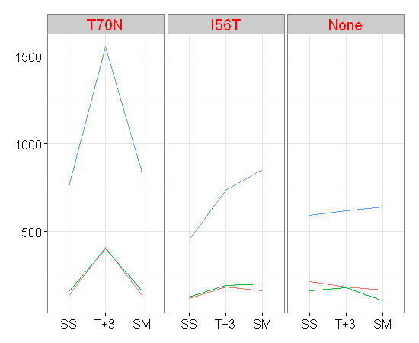
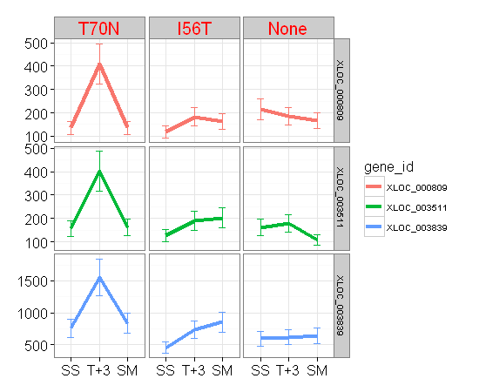
row.names | gene_id | PAS_name | XLOC_id | transcript_id | Chr | NCBI | Feature | Start | End | IGV_search | strand | Product | Ent.log2.counts | Ent.log2.counts_name | Status | Protein_Length | A590005.counts | A590007.counts | A590008.counts | A590009.counts | A590011.counts | A590012.counts | A590013.counts | A590015.counts | A590016.counts | A590005.log2.counts | A590007.log2.counts | A590008.log2.counts | A590009.log2.counts | A590011.log2.counts | A590012.log2.counts | A590013.log2.counts | A590015.log2.counts | A590016.log2.counts | cluster
36 | XLOC_000809 | PAS_FragB_0055 | XLOC_000809 | TCONS_00000810 | Chr1 | NC_012963.1 | CDS | 2758933 | 2759373 | chr1:2758920-2759363 | + | ubiquitin-conjugating enzyme | C4QZB3 | C4QZB3_PICPG | unreviewed | 955 | 136 | 410 | 136 | 118 | 183 | 162 | 214 | 185 | 166 | 7.098032 | 8.682995 | 7.098032 | 6.894818 | 7.523562 | 7.348728 | 7.748193 | 7.539159 | 7.383704 | 11
169 | XLOC_003511 | PAS_chr3_0924 | XLOC_003511 | TCONS_00003512 | Chr3 | NC_012965.1 | CDS | 1798113 | 1798613 | chr3:1797690-1798193 | + | Ubiquitin conjugating enzyme, involved in the ER-associated protein degradation pathway | C4R5Z6 | C4R5Z6_PICPG | unreviewed | 859 | 157 | 402 | 162 | 126 | 191 | 202 | 162 | 179 | 108 | 7.303781 | 8.654636 | 7.348728 | 6.988685 | 7.584963 | 7.665336 | 7.348728 | 7.491853 | 6.768184 | 8
182 | XLOC_003839 | PAS_chr3_0359 | XLOC_003839 | TCONS_00003840 | Chr3 | NC_012965.1 | CDS | 705281 | 705322 | chr3:704729-705211 | - | Ubiquitin-conjugating enzyme (E2) | C4R4B5 | C4R4B5_PICPG | unreviewed | 219 | 757 | 1553 | 837 | 455 | 734 | 854 | 594 | 617 | 641 | 9.566054 | 10.601771 | 9.710806 | 8.83289 | 9.5216 | 9.739781 | 9.216746 | 9.271463 | 9.326429 | 8

Proteasome-Protease
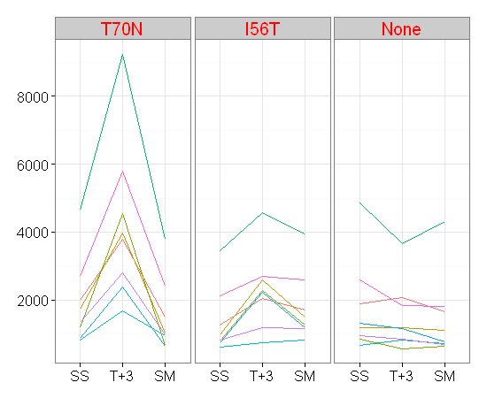
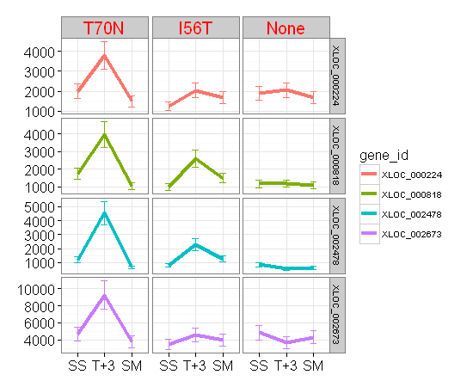
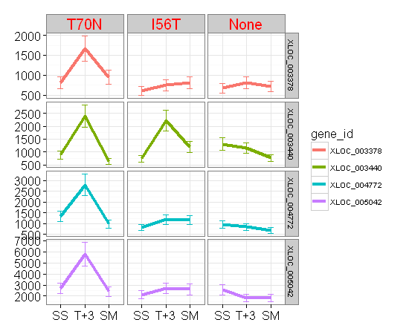
row.names | gene_id | PAS_name | XLOC_id | transcript_id | Chr | NCBI | Feature | Start | End | IGV_search | strand | Product | Ent.log2.counts | Ent.log2.counts_name | Status | Protein_Length | A590005.counts | A590007.counts | A590008.counts | A590009.counts | A590011.counts | A590012.counts | A590013.counts | A590015.counts | A590016.counts | A590005.log2.counts | A590007.log2.counts | A590008.log2.counts | A590009.log2.counts | A590011.log2.counts | A590012.log2.counts | A590013.log2.counts | A590015.log2.counts | A590016.log2.counts | cluster
11 | XLOC_000224 | PAS_chr1-1_0079 | XLOC_000224 | TCONS_00000224 | Chr1 | NC_012963.1 | CDS | 697016 | 698266 | chr1:697015-698268 | + | Non-ATPase regulatory subunit of the 26S proteasome | C4QW15 | C4QW15_PICPG | unreviewed | 417 | 1991 | 3780 | 1502 | 1257 | 2040 | 1693 | 1899 | 2059 | 1661 | 10.960002 | 11.88455 | 10.553629 | 10.296916 | 10.99506 | 10.726218 | 10.891784 | 11.008429 | 10.698705 | 12
37 | XLOC_000818 | PAS_c034_0038 | XLOC_000818 | TCONS_00000819 | NA | NA | NA | NA | NA | chr1:2804460-2805278 | + | 26S proteasome non-ATPase regulatory particle subunit | C4R9G0 | C4R9G0_PICPG | unreviewed | 327 | 1733 | 3976 | 1029 | 986 | 2594 | 1504 | 1183 | 1190 | 1107 | 10.759888 | 11.95746 | 10.008429 | 9.946906 | 11.341519 | 10.555548 | 10.209453 | 10.217958 | 10.113742 | 6
118 | XLOC_002478 | PAS_chr2-1_0304 | XLOC_002478 | TCONS_00002479 | Chr2 | NC_012964.1 | CDS | 570085 | 572415 | chr2:570073-572406 | - | Kex2 proprotein convertase | C4R095 | C4R095_PICPG | unreviewed | 68 | 1181 | 4552 | 653 | 799 | 2284 | 1255 | 855 | 568 | 628 | 10.207014 | 12.1526 | 9.353147 | 9.643856 | 11.157978 | 10.294621 | 9.741467 | 9.152285 | 9.296916 | 3
135 | XLOC_002673 | PAS_chr2-1_0656 | XLOC_002673 | TCONS_00002674 | Chr2 | NC_012964.1 | CDS | 1239438 | 1242320 | chr2:1239418-1242303 | - | Subunit of the 26S proteasome, substrate of the N-acetyltransferase Nat1p | C4R1C7 | C4R1C7_PICPG | unreviewed | 204 | 4652 | 9238 | 3790 | 3457 | 4560 | 3939 | 4852 | 3668 | 4315 | 12.183945 | 13.17352 | 11.888363 | 11.755722 | 12.155134 | 11.94398 | 12.244661 | 11.841171 | 12.075479 | 11
161 | XLOC_003378 | PAS_chr3_0699 | XLOC_003378 | TCONS_00003379 | Chr3 | NC_012965.1 | CDS | 1331460 | 1331462 | chr3:1331443-1331445 | + | Alpha 7 subunit of the 20S proteasome | C4R5B2 | C4R5B2_PICPG | unreviewed | 715 | 809 | 1668 | 943 | 602 | 746 | 811 | 674 | 806 | 721 | 9.661778 | 10.70477 | 9.882643 | 9.236014 | 9.544964 | 9.665336 | 9.398744 | 9.656425 | 9.495855 | 10
162 | XLOC_003440 | PAS_chr3_0803 | XLOC_003440 | TCONS_00003441 | Chr3 | NC_012965.1 | CDS | 1548562 | 1550217 | chr3:1548141-1549799 | + | Vacuolar aminopeptidase | C4R5M0 | C4R5M0_PICPG | unreviewed | 942 | 877 | 2391 | 635 | 735 | 2213 | 1185 | 1303 | 1155 | 761 | 9.778077 | 11.224 | 9.312883 | 9.523562 | 11.11244 | 10.211888 | 10.348728 | 10.174926 | 9.573647 | 6
218 | XLOC_004772 | PAS_chr4_0856 | XLOC_004772 | TCONS_00004774 | Chr4 | NC_012966.1 | CDS | 1606412 | 1608541 | chr4:1606398-1608647 | + | Component, with Yta12p, of the mitochondrial inner membrane m-AAA protease | C4R950 | C4R950_PICPG | unreviewed | 850 | 1331 | 2808 | 978 | 819 | 1184 | 1164 | 947 | 850 | 682 | 10.379378 | 11.45584 | 9.935165 | 9.67948 | 10.210671 | 10.186114 | 9.888743 | 9.733015 | 9.415742 | 7
228 | XLOC_005042 | PAS_chr4_0441 | XLOC_005042 | TCONS_00005044 | Chr4 | NC_012966.1 | CDS | 868458 | 871775 | chr4:868439-871759 | - | ATP-dependent Lon protease, involved in degradation of misfolded proteins in mitochondria | C4R7W9 | C4R7W9_PICPG | unreviewed | 537 | 2684 | 5783 | 2412 | 2129 | 2685 | 2602 | 2595 | 1838 | 1809 | 11.390706 | 12.49785 | 11.236612 | 11.056638 | 11.391244 | 11.34596 | 11.342075 | 10.844706 | 10.821774 | 3

Cyclins
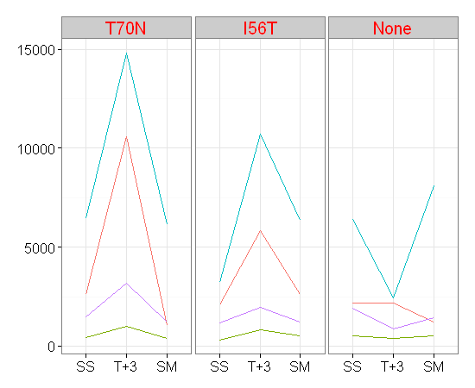
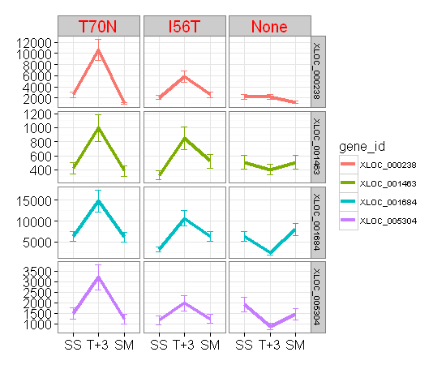
row.names | gene_id | PAS_name | XLOC_id | transcript_id | Chr | NCBI | Feature | Start | End | IGV_search | strand | Product | Ent.log2.counts | Ent.log2.counts_name | Status | Protein_Length | A590005.counts | A590007.counts | A590008.counts | A590009.counts | A590011.counts | A590012.counts | A590013.counts | A590015.counts | A590016.counts | A590005.log2.counts | A590007.log2.counts | A590008.log2.counts | A590009.log2.counts | A590011.log2.counts | A590012.log2.counts | A590013.log2.counts | A590015.log2.counts | A590016.log2.counts | cluster
12 | XLOC_000238 | PAS_chr1-1_0097 | XLOC_000238 | TCONS_00000238 | Chr1 | NC_012963.1 | CDS | 736360 | 737100 | chr1:736358-737101 | + | Cyclin, interacts with Pho85p cyclin-dependent kinase (Cdk), induced by Gcn4p at level of transcript | C4QW36 | C4QW36_PICPG | unreviewed | 247 | 2593 | 10583 | 1052 | 2079 | 5821 | 2592 | 2196 | 2186 | 1235 | 11.340963 | 13.3696 | 10.04029 | 11.02237 | 12.507299 | 11.340406 | 11.101319 | 11.094738 | 10.271463 | 4
64 | XLOC_001463 | PAS_chr1-4_0440 | XLOC_001463 | TCONS_00001464 | Chr1 | NC_012963.1 | CDS | 2219385 | 2220932 | chr1:2219368-2220918 | - | B-type cyclin involved in cell cycle progression | C4QYG8 | C4QYG8_PICPG | unreviewed | 1063 | 419 | 996 | 383 | 322 | 846 | 521 | 505 | 403 | 506 | 8.714246 | 9.96145 | 8.584963 | 8.33539 | 9.726218 | 9.027906 | 8.982994 | 8.658211 | 8.985842 | 6
79 | XLOC_001684 | PAS_chr2-1_0092 | XLOC_001684 | TCONS_00001685 | Chr2 | NC_012964.1 | CDS | 164552 | 165373 | chr2:164547-165371 | + | Pho85 cyclin of the Pcl1,2-like subfamily, involved in entry into the mitotic cell cycle and regulat | C4QZL9 | C4QZL9_PICPG | unreviewed | 1173 | 6428 | 14807 | 6146 | 3207 | 10695 | 6341 | 6404 | 2420 | 8086 | 12.650379 | 13.85409 | 12.585667 | 11.64746 | 13.384784 | 12.630722 | 12.644983 | 11.241387 | 12.981389 | 1
240 | XLOC_005304 | PAS_FragD_0025 | XLOC_005304 | TCONS_00005306 | Chr4 | NC_012966.1 | CDS | 1735060 | 1735884 | chr4:1735044-1735871 | - | G1 cyclin, associates with Pho85p cyclin-dependent kinase (Cdk) | C4R9A7 | C4R9A7_PICPG | unreviewed | 391 | 1480 | 3196 | 1228 | 1175 | 1968 | 1235 | 1920 | 870 | 1446 | 10.532356 | 11.6425 | 10.263269 | 10.19967 | 10.943247 | 10.271463 | 10.907642 | 9.766529 | 10.498849 | 1

Other Golgi ER
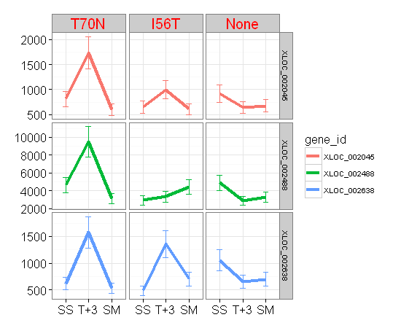
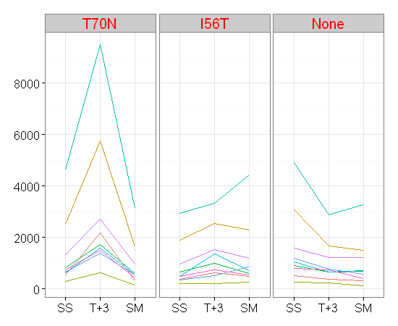
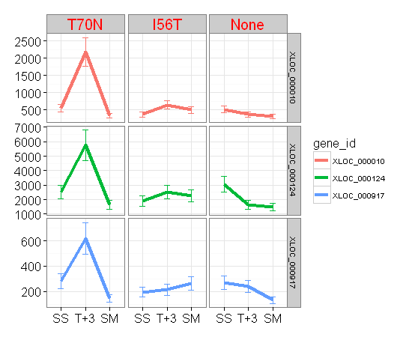
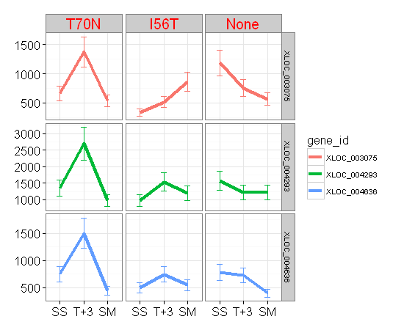
gene_id | PAS_name | XLOC_id | transcript_id | Chr | NCBI | Feature | Start | End | IGV_search | strand | Product | Ent.log2.counts | Ent.log2.counts_name | Status | Protein_Length | A590005.counts | A590007.counts | A590008.counts | A590009.counts | A590011.counts | A590012.counts | A590013.counts | A590015.counts | A590016.counts | A590005.log2.counts | A590007.log2.counts | A590008.log2.counts | A590009.log2.counts | A590011.log2.counts | A590012.log2.counts | A590013.log2.counts | A590015.log2.counts | A590016.log2.counts | cluster
XLOC_000010 | PAS_chr1-3_0014 | XLOC_000010 | TCONS_00000010 | Chr1 | NC_012963.1 | CDS | 25978 | 27351 | chr1:25978-27354 | + | Flavin-containing monooxygenase, localized to the cytoplasmic face of the ER membrane | C4QUZ6 | C4QUZ6_PICPG | unreviewed | 458 | 544 | 2186 | 329 | 364 | 640 | 495 | 510 | 363 | 306 | 9.090112 | 11.094738 | 8.366322 | 8.511753 | 9.324181 | 8.954196 | 8.997179 | 8.507795 | 8.262095 | 4
XLOC_000124 | PAS_chr1-3_0202 | XLOC_000124 | TCONS_00000124 | Chr1 | NC_012963.1 | CDS | 376933 | 378366 | chr1:376934-378370 | + | Essential subunit of Sec61 complex (Sec61p, Sbh1p, and Sss1p) | C4QVJ2 | C4QVJ2_PICPG | unreviewed | 478 | 2520 | 5762 | 1638 | 1904 | 2532 | 2286 | 3063 | 1656 | 1489 | 11.29978 | 12.492604 | 10.6786 | 10.895575 | 11.306631 | 11.159241 | 11.581201 | 10.694358 | 10.541097 | 11
XLOC_000917 | PAS_chr1-3_0174 | XLOC_000917 | TCONS_00000918 | Chr1 | NC_012963.1 | CDS | 329275 | 330336 | chr1:329273-330337 | - | One of several homologs of bacterial chaperone DnaJ, located in the ER lumen | C4QVG4 | C4QVG4_PICPG | unreviewed | 354 | 282 | 619 | 146 | 195 | 214 | 263 | 269 | 239 | 132 | 8.144658 | 9.276124 | 7.199672 | 7.61471 | 7.748193 | 8.044394 | 8.076816 | 7.906891 | 7.055282 | 7
XLOC_002045 | PAS_chr2-1_0753 | XLOC_002045 | TCONS_00002046 | Chr2 | NC_012964.1 | CDS | 1429843 | 1431444 | chr2:1429823-1431427 | + | Alpha-1,2-mannosidase involved in ER quality control | C4R1N0 | C4R1N0_PICPG | unreviewed | 157 | 810 | 1736 | 598 | 650 | 996 | 608 | 922 | 644 | 677 | 9.663558 | 10.762382 | 9.226412 | 9.346514 | 9.96145 | 9.250298 | 9.850187 | 9.333155 | 9.405141 | 6
XLOC_002488 | PAS_chr2-1_0322 | XLOC_002488 | TCONS_00002489 | Chr2 | NC_012964.1 | CDS | 602357 | 604051 | chr2:602345-604042 | - | Calnexin | C4R0B4 | C4R0B4_PICPG | unreviewed | 497 | 4634 | 9495 | 3145 | 2928 | 3323 | 4438 | 4895 | 2875 | 3278 | 12.178354 | 13.213104 | 11.619303 | 11.516192 | 11.698705 | 12.116019 | 12.257388 | 11.489848 | 11.67904 | 11
XLOC_002638 | PAS_chr2-1_0585 | XLOC_002638 | TCONS_00002639 | Chr2 | NC_012964.1 | CDS | 1082086 | 1082790 | chr2:1082070-1082777 | - | Cis-golgi localized monothiol glutaredoxin that binds an iron-sulfur cluster | C4R147 | C4R147_PICPG | unreviewed | 718 | 617 | 1576 | 532 | 486 | 1361 | 702 | 1054 | 653 | 699 | 9.271463 | 10.622967 | 9.057992 | 8.927778 | 10.411511 | 9.457381 | 10.043027 | 9.353147 | 9.451211 | 6
XLOC_003075 | PAS_chr3_0140 | XLOC_003075 | TCONS_00003076 | Chr3 | NC_012965.1 | CDS | 280750 | 281604 | chr3:280746-281603 | + | ER localized, heme-binding peroxidase involved in the degradation of heme | C4R3N3 | C4R3N3_PICPG | unreviewed | 588 | 663 | 1377 | 539 | 339 | 514 | 864 | 1188 | 754 | 566 | 9.375039 | 10.42836 | 9.076816 | 8.409391 | 9.008429 | 9.756556 | 10.215533 | 9.560333 | 9.147205 | 11
XLOC_004293 | PAS_chr4_0021 | XLOC_004293 | TCONS_00004295 | Chr4 | NC_012966.1 | CDS | 46215 | 47864 | chr4:46214-47866 | + | Guanosine diphosphatase located in the Golgi | C4R6M2 | C4R6M2_PICPG | unreviewed | 1208 | 1343 | 2699 | 966 | 965 | 1533 | 1195 | 1581 | 1212 | 1211 | 10.392317 | 11.398744 | 9.917372 | 9.915879 | 10.583083 | 10.224002 | 10.627534 | 10.244364 | 10.243174 | 11
XLOC_004636 | PAS_chr4_0610 | XLOC_004636 | TCONS_00004638 | Chr4 | NC_012966.1 | CDS | 1190864 | 1191844 | chr4:1190849-1191832 | + | Gamma subunit of the oligosaccharyltransferase complex of the ER lumen, which catalyzes asparagine-l | C4R8E5 | C4R8E5_PICPG | unreviewed | 352 | 751 | 1503 | 442 | 500 | 745 | 549 | 785 | 727 | 397 | 9.554589 | 10.554589 | 8.791163 | 8.968667 | 9.543032 | 9.103288 | 9.618386 | 9.507795 | 8.636625 | 11

Other mannosylation
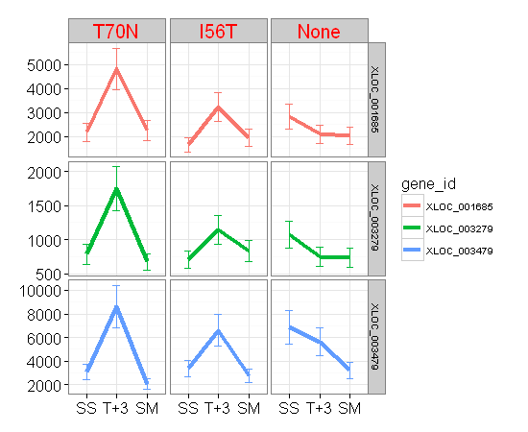
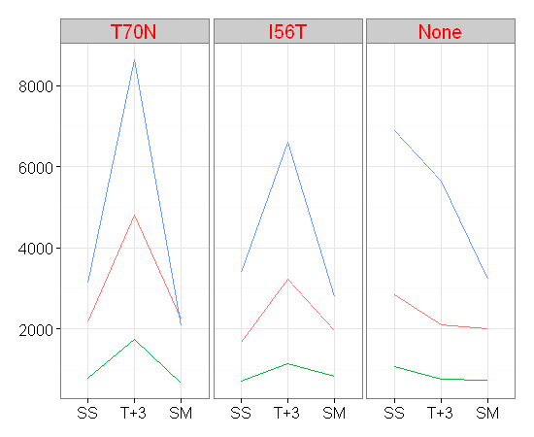
row.names | gene_id | PAS_name | XLOC_id | transcript_id | Chr | NCBI | Feature | Start | End | IGV_search | strand | Product | Ent.log2.counts | Ent.log2.counts_name | Status | Protein_Length | A590005.counts | A590007.counts | A590008.counts | A590009.counts | A590011.counts | A590012.counts | A590013.counts | A590015.counts | A590016.counts | A590005.log2.counts | A590007.log2.counts | A590008.log2.counts | A590009.log2.counts | A590011.log2.counts | A590012.log2.counts | A590013.log2.counts | A590015.log2.counts | A590016.log2.counts | cluster
80 | XLOC_001685 | PAS_chr2-1_0093 | XLOC_001685 | TCONS_00001686 | Chr2 | NC_012964.1 | CDS | 165774 | 167099 | chr2:165769-167097 | + | GDP-mannose pyrophosphorylase (mannose-1-phosphate guanyltransferase), synthesizes GDP-mannose from | C4QZM0 | C4QZM0_PICPG | unreviewed | 428 | 2170 | 4812 | 2246 | 1657 | 3228 | 1957 | 2829 | 2088 | 2013 | 11.084144 | 12.23272 | 11.133784 | 10.695228 | 11.65687 | 10.935165 | 11.466586 | 11.028597 | 10.975848 | 6
155 | XLOC_003279 | PAS_chr3_0515 | XLOC_003279 | TCONS_00003280 | Chr3 | NC_012965.1 | CDS | 987936 | 989321 | chr3:987922-989310 | + | Subunit of the alpha-1,6 mannosyltransferase complex | C4R4S8 | C4R4S8_PICPG | unreviewed | 286 | 785 | 1747 | 671 | 708 | 1146 | 833 | 1074 | 747 | 734 | 9.618386 | 10.77149 | 9.392317 | 9.469642 | 10.16365 | 9.703904 | 10.070121 | 9.546894 | 9.5216 | 6
167 | XLOC_003479 | PAS_chr3_0870 | XLOC_003479 | TCONS_00003480 | Chr3 | NC_012965.1 | CDS | 1695718 | 1696809 | chr3:1695294-1696388 | + | GDP-mannose pyrophosphorylase (mannose-1-phosphate guanyltransferase) | C4R5U0 | C4R5U0_PICPG | unreviewed | 749 | 3118 | 8640 | 2066 | 3403 | 6612 | 2787 | 6896 | 5646 | 3220 | 11.606868 | 13.07698 | 11.013323 | 11.733015 | 12.69109 | 11.445015 | 12.751753 | 12.463269 | 11.653293 | 11

Hsp90
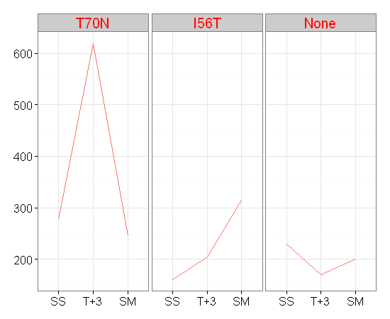
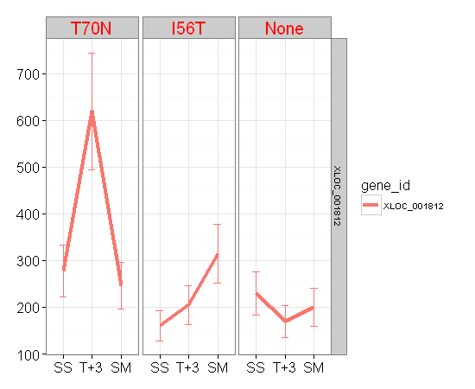
gene_id | PAS_name | XLOC_id | transcript_id | Chr | NCBI | Feature | Start | End | IGV_search | strand | Product | Ent.log2.counts | Ent.log2.counts_name | Status | Protein_Length | A590005.counts | A590007.counts | A590008.counts | A590009.counts | A590011.counts | A590012.counts | A590013.counts | A590015.counts | A590016.counts | A590005.log2.counts | A590007.log2.counts | A590008.log2.counts | A590009.log2.counts | A590011.log2.counts | A590012.log2.counts | A590013.log2.counts | A590015.log2.counts | A590016.log2.counts | cluster
XLOC_001812 | PAS_chr2-1_0323 | XLOC_001812 | TCONS_00001813 | Chr2 | NC_012964.1 | CDS | 604352 | 604921 | chr2:604343-604915 | + | Essential Hsp90p co-chaperone | C4R0B5 | SDHF2_PICPG | reviewed | 824 | 277 | 619 | 246 | 161 | 205 | 314 | 229 | 170 | 200 | 8.118941 | 9.276124 | 7.948367 | 7.33985 | 7.686501 | 8.299208 | 7.84549 | 7.417853 | 7.651052 | 8

tRNA synthetases
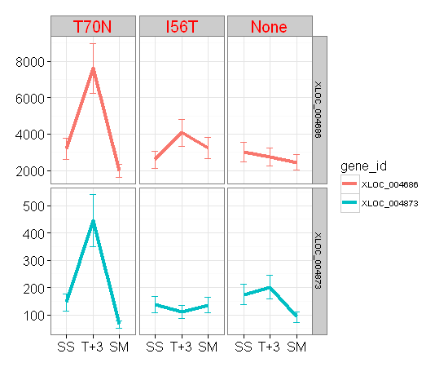
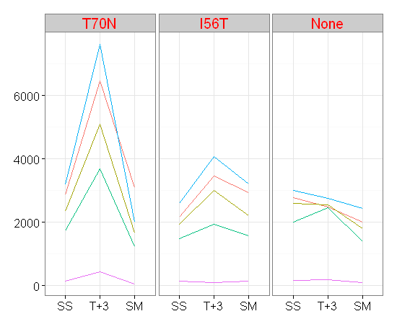
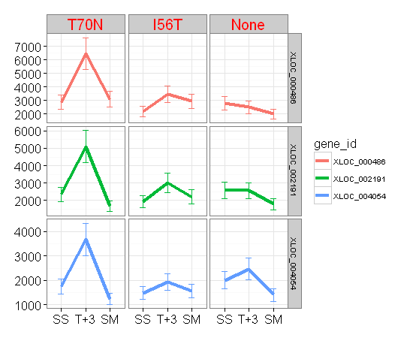
row.names | gene_id | PAS_name | XLOC_id | transcript_id | Chr | NCBI | Feature | Start | End | IGV_search | strand | Product | Ent.log2.counts | Ent.log2.counts_name | Status | Protein_Length | A590005.counts | A590007.counts | A590008.counts | A590009.counts | A590011.counts | A590012.counts | A590013.counts | A590015.counts | A590016.counts | A590005.log2.counts | A590007.log2.counts | A590008.log2.counts | A590009.log2.counts | A590011.log2.counts | A590012.log2.counts | A590013.log2.counts | A590015.log2.counts | A590016.log2.counts | cluster
19 | XLOC_000486 | PAS_chr1-4_0095 | XLOC_000486 | TCONS_00000487 | Chr1 | NC_012963.1 | CDS | 1581298 | 1582962 | chr1:1581288-1582955 | + | Cytoplasmic aspartyl-tRNA synthetase, homodimeric enzyme | C4QXF2 | C4QXF2_PICPG | unreviewed | 763 | 2868 | 6462 | 3098 | 2177 | 3463 | 2945 | 2779 | 2493 | 2015 | 11.486332 | 12.657988 | 11.597587 | 11.088788 | 11.758223 | 11.524542 | 11.440869 | 11.284246 | 10.97728 | 5
103 | XLOC_002191 | PAS_chr2-2_0238 | XLOC_002191 | TCONS_00002192 | Chr2 | NC_012964.1 | CDS | 1944630 | 1946765 | chr2:1944594-1946732 | + | Threonyl-tRNA synthetase, essential cytoplasmic protein | C4R2F4 | C4R2F4_PICPG | unreviewed | 171 | 2346 | 5101 | 1659 | 1930 | 3009 | 2204 | 2588 | 2561 | 1799 | 11.196602 | 12.316847 | 10.696968 | 10.915132 | 11.555548 | 11.106563 | 11.338179 | 11.323055 | 10.813781 | 4
185 | XLOC_004054 | PAS_chr3_0754 | XLOC_004054 | TCONS_00004056 | Chr3 | NC_012965.1 | CDS | 1436218 | 1439433 | chr3:1435795-1439013 | - | Mitochondrial and cytoplasmic valyl-tRNA synthetase | C4R5G8 | C4R5G8_PICPG | unreviewed | 306 | 1746 | 3677 | 1238 | 1477 | 1936 | 1566 | 2004 | 2471 | 1399 | 10.770664 | 11.844706 | 10.27496 | 10.529431 | 10.919608 | 10.613789 | 10.969387 | 11.271463 | 10.451211 | 12
208 | XLOC_004686 | PAS_chr4_0709 | XLOC_004686 | TCONS_00004688 | Chr4 | NC_012966.1 | CDS | 1357436 | 1360651 | chr4:1357422-1360640 | + | isoleucine-tRNA synthetase | C4R8P5 | C4R8P5_PICPG | unreviewed | 806 | 3184 | 7615 | 1997 | 2593 | 4071 | 3221 | 3008 | 2751 | 2449 | 11.637078 | 12.894818 | 10.964341 | 11.340963 | 11.991522 | 11.653741 | 11.555068 | 11.426265 | 11.258566 | 4
221 | XLOC_004873 | PAS_chr4_0101 | XLOC_004873 | TCONS_00004875 | Chr4 | NC_012966.1 | CDS | 200505 | 202499 | chr4:200498-202495 | - | Mitochondrial aspartyl-tRNA synthetase, required for acylation of aspartyl-tRNA | C4R6V2 | C4R6V2_PICPG | unreviewed | 371 | 146 | 446 | 65 | 139 | 112 | 136 | 175 | 201 | 92 | 7.199672 | 8.804131 | 6.044394 | 7.129283 | 6.820179 | 7.098032 | 7.459432 | 7.658211 | 6.539159 | 12

GO-0006072
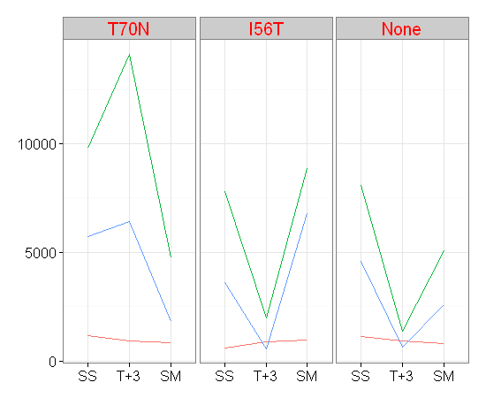
 | gene_id | PAS_name | IGV_search | strand | Product | From | Entry | Entry_name | Status | Length | A590005 | A590007 | A590008 | A590009 | A590011 | A590012 | A590013 | A590015 | A590016 | A590005.1 | A590007.1 | A590008.1 | A590009.1 | A590011.1 | A590012.1 | A590013.1 | A590015.1 | A590016.1
XLOC_002266 | XLOC_002266 | PAS_chr2-2_0111 | chr2:2174356-2175561 | + | "NAD-dependent glycerol-3-phosphate dehydrogenase, key enzyme of glycerol synthesis" | C4R2U1 | C4R2U1 | C4R2U1_PICPG | unreviewed | 270 | 1148 | 939 | 825 | 611 | 887 | 972 | 1113 | 930 | 818 | 10.166163083 | 9.8765169466 | 9.6899979714 | 9.2573878427 | 9.7944158664 | 9.9262959948 | 10.121533517 | 9.8626373576 | 9.6777196416
XLOC_003959 | XLOC_003959 | PAS_chr3_0579 | chr3:1101179-1103182 | - | Mitochondrial glycerol-3-phosphate dehydrogenase | C4R4Z1 | C4R4Z1 | C4R4Z1_PICPG | unreviewed | 108 | 9778 | 14111 | 4742 | 7805 | 1992 | 8856 | 8104 | 1385 | 5082 | 13.255471227 | 13.784634846 | 12.211584153 | 12.930367747 | 10.960725995 | 13.112602404 | 12.98459647 | 10.436711542 | 12.311464515
XLOC_005234 | XLOC_005234 | PAS_chr4_0783 | chr4:1483766-1485631 | - | "Glycerol kinase, converts glycerol to glycerol-3-phosphate" | C4R8X4 | C4R8X4 | C4R8X4_PICPG | unreviewed | 371 | 5735 | 6411 | 1804 | 3622 | 575 | 6784 | 4567 | 636 | 2603 | 12.485829309 | 12.64655871 | 10.817783122 | 11.82296909 | 9.1699250014 | 12.7281331 | 12.157346935 | 9.3151495623 | 11.346513733

GO-0004312

 | gene_id | PAS_name | IGV_search | strand | Product | From | Entry | Entry_name | Status | Length | A590005 | A590007 | A590008 | A590009 | A590011 | A590012 | A590013 | A590015 | A590016 | A590005.1 | A590007.1 | A590008.1 | A590009.1 | A590011.1 | A590012.1 | A590013.1 | A590015.1 | A590016.1
XLOC_000583 | XLOC_000583 | PAS_chr1-4_0295 | chr1:1947387-1953026 | + | Alpha subunit of fatty acid synthetase | C4QY10 | C4QY10 | C4QY10_PICPG | unreviewed | 279 | 13483 | 13851 | 7443 | 10568 | 7680 | 10963 | 12981 | 2983 | 8495 | 13.718960912 | 13.757806672 | 12.86186234 | 13.36755126 | 12.907078434 | 13.420486613 | 13.664225041 | 11.54303182 | 13.052568051
XLOC_000978 | XLOC_000978 | PAS_chr1-1_0008 | chr1:545271-551480 | - | Beta subunit of fatty acid synthetase; catalyzes the synthesis of long-chain saturated fatty acids | C4QVT8 | C4QVT8 | C4QVT8_PICPG | unreviewed | 2069 | 10625 | 12909 | 7112 | 9354 | 7320 | 8361 | 10740 | 2855 | 6698 | 13.375310997 | 13.65620138 | 12.796242448 | 13.191521938 | 12.837825009 | 13.029632328 | 13.390840696 | 11.479780264 | 12.709730037

GO-0000786




 | gene_id | PAS_name | IGV_search | strand | Product | From | Entry | Entry_name | Status | Length | A590005 | A590007 | A590008 | A590009 | A590011 | A590012 | A590013 | A590015 | A590016 | A590005.1 | A590007.1 | A590008.1 | A590009.1 | A590011.1 | A590012.1 | A590013.1 | A590015.1 | A590016.1
XLOC_000575 | XLOC_000575 | PAS_chr1-4_0282 | chr1:1919063-1919166 | + | "Histone H1, a linker histone required for nucleosome packaging at restricted sites" | C4QXZ5 | C4QXZ5 | C4QXZ5_PICPG | unreviewed | 249 | 2800 | 1901 | 1011 | 3067 | 5916 | 3246 | 4391 | 1114 | 1783 | 11.451726268 | 10.893301531 | 9.9829935747 | 11.583082768 | 12.53065018 | 11.664891669 | 12.100662339 | 10.122827995 | 10.8008999
XLOC_000820 | XLOC_000820 | PAS_c034_0035 | chr1:2807647-2807958 | + | Histone H4 | NA | NA | NA | NA | NA | 3930 | 2733 | 1939 | 2900 | 8518 | 2479 | 4405 | 2132 | 2184 | 11.940680648 | 11.416797528 | 10.921840937 | 11.50233458 | 13.056468375 | 11.276124405 | 12.10525378 | 11.05866825 | 11.093417564
XLOC_001626 | XLOC_001626 | PAS_c034_0036 | chr1:2806817-2807230 | - | Histone H3 | NA | NA | NA | NA | NA | 15442 | 10323 | 9143 | 14273 | 23817 | 14438 | 16939 | 9991 | 8750 | 13.914665421 | 13.333714426 | 13.158609688 | 13.801102057 | 14.539764655 | 13.817683209 | 14.048146254 | 13.286557762 | 13.095232172
XLOC_001872 | XLOC_001872 | PAS_chr2-1_0429 | chr2:787319-787711 | + | One of two nearly identical (see also HTA1) histone H2A subtypes | C4R0M8 | C4R0M8 | C4R0M8_PICPG | unreviewed | 147 | 17066 | 11565 | 6035 | 24175 | 52519 | 17812 | 40080 | 15608 | 8678 | 14.058921866 | 13.497602387 | 12.559377091 | 14.561287945 | 15.680579296 | 14.12064289 | 15.290630883 | 13.930090493 | 13.083313109
XLOC_002032 | XLOC_002032 | PAS_chr2-1_0721 | chr2:1368029-1368547 | + | "Centromere protein that resembles histones, required for proper kinetochore function" | C4R1J6 | C4R1J6 | C4R1J6_PICPG | unreviewed | 356 | 238 | 249 | 77 | 176 | 197 | 234 | 234 | 124 | 118 | 7.900866808 | 7.9657842847 | 6.2854022189 | 7.4676055501 | 7.6293566201 | 7.8765169466 | 7.8765169466 | 6.9657842847 | 6.8948177633
XLOC_002211 | XLOC_002211 | PAS_chr2-2_0199 | chr2:2013564-2013977 | + | One of two identical histone H3 proteins (see also HHT2) | C4R2J7 | C4R2J7 | C4R2J7_PICPG | unreviewed | 201 | 9221 | 6467 | 2356 | 15361 | 37108 | 9175 | 26704 | 12422 | 6268 | 13.17086395 | 12.659103963 | 11.202736043 | 13.907078434 | 15.179481504 | 13.163649676 | 14.704822264 | 13.600725988 | 12.614019614
XLOC_002541 | XLOC_002541 | PAS_chr2-1_0428 | chr2:786370-786768 | - | One of two nearly identical (see HTB1) histone H2B subtypes | C4R0M7 | C4R0M7 | C4R0M7_PICPG | unreviewed | 317 | 20103 | 12049 | 4895 | 25523 | 66471 | 20908 | 38049 | 17700 | 12064 | 14.295194956 | 13.556745526 | 12.257387843 | 14.639566819 | 16.020459142 | 14.351836444 | 15.215608833 | 14.111543246 | 13.558540295
XLOC_002894 | XLOC_002894 | PAS_chr2-2_0200 | chr2:2012887-2013198 | - | One of two identical histone H4 proteins (see also HHF2) | C4R2J6 | C4R2J6 | C4R2J6_PICPG | unreviewed | 145 | 2829 | 3182 | 893 | 5754 | 15256 | 3286 | 11538 | 5961 | 2377 | 11.466586338 | 11.636171442 | 9.8041310212 | 12.490600213 | 13.897183691 | 11.682555741 | 13.494230581 | 12.54158066 | 11.215533
XLOC_004901 | XLOC_004901 | PAS_chr4_0157 | chr4:310116-310514 | - | "Histone variant H2AZ, exchanged for histone H2A in nucleosomes by the SWR1 complex" | C4R707 | C4R707 | C4R707_PICPG | unreviewed | 579 | 1232 | 1149 | 390 | 1652 | 2697 | 1331 | 2192 | 812 | 728 | 10.267957084 | 10.167418146 | 8.6110247973 | 10.690871009 | 11.397674633 | 10.379378367 | 11.098690097 | 9.6671115421 | 9.5097750043

GO-0044439



 | gene_id | PAS_name | IGV_search | strand | Product | From | Entry | Entry_name | Status | Length | A590005 | A590007 | A590008 | A590009 | A590011 | A590012 | A590013 | A590015 | A590016 | A590005.1 | A590007.1 | A590008.1 | A590009.1 | A590011.1 | A590012.1 | A590013.1 | A590015.1 | A590016.1
XLOC_002588 | XLOC_002588 | PAS_chr2-1_0504 | chr2:923463-924212 | - | Peroxisomal membrane protein | C4R0W1 | C4R0W1 | C4R0W1_PICPG | unreviewed | 454 | 1737 | 950 | 5603 | 1231 | 15772 | 3536 | 1663 | 10479 | 2696 | 10.763212367 | 9.8933015309 | 12.45224124 | 10.266786541 | 13.945169464 | 11.788310504 | 10.700439718 | 13.355351096 | 11.397139806
XLOC_003587 | XLOC_003587 | PAS_chr3_1073 | chr3:2066703-2068070 | + | Peroxisomal membrane protein (PMP) | C4R6F0 | C4R6F0 | C4R6F0_PICPG | unreviewed | 411 | 2489 | 1587 | 2696 | 1346 | 7119 | 2556 | 1655 | 4584 | 1776 | 11.281930027 | 10.632995197 | 11.397139806 | 10.395534135 | 12.797661526 | 11.320236445 | 10.693486957 | 12.162706018 | 10.795227966
XLOC_004218 | XLOC_004218 | PAS_chr3_1045 | chr3:2009794-2013267 | - | Peroxisome biosynthesis protein PAS1 | C4R6C2 | C4R6C2 | C4R6C2_PICPG | unreviewed | 155 | 1266 | 772 | 1073 | 990 | 2195 | 1307 | 1407 | 1899 | 777 | 10.307200809 | 9.5943246039 | 10.068778278 | 9.9527412472 | 11.100662339 | 10.353146825 | 10.459431619 | 10.891783703 | 9.603626345
XLOC_004519 | XLOC_004519 | PAS_chr4_0390 | chr4:782403-783992 | + | hypothetical protein | C4R7R4 | C4R7R4 | C4R7R4_PICPG | unreviewed | 206 | 871 | 999 | 1325 | 758 | 7515 | 1564 | 1276 | 4918 | 943 | 9.7681843248 | 9.9657842847 | 10.37286506 | 9.5679560754 | 12.875749351 | 10.611946942 | 10.31854281 | 12.26414934 | 9.8826430494
XLOC_004734 | XLOC_004734 | PAS_chr4_0794 | chr4:1505711-1506988 | + | Peroxisomal membrane peroxin that is a central component of the peroxisomal protein import machinery | C4R8Y8 | C4R8Y8 | C4R8Y8_PICPG | unreviewed | 154 | 2118 | 2889 | 2651 | 1268 | 7753 | 3250 | 1910 | 4373 | 1927 | 11.049167872 | 11.496853777 | 11.37286506 | 10.309476354 | 12.92072502 | 11.666667841 | 10.900112063 | 12.094737505 | 10.912889336
XLOC_005219 | XLOC_005219 | PAS_chr4_0759 | chr4:1439611-1440840 | - | C3HC4-type RING-finger peroxisomal membrane peroxin | C4R8U8 | C4R8U8 | C4R8U8_PICPG | unreviewed | 1790 | 749 | 834 | 919 | 410 | 2760 | 1022 | 625 | 1906 | 779 | 9.5507467854 | 9.7056323874 | 9.8454900509 | 8.6829945837 | 11.430975173 | 9.9985904297 | 9.2900188469 | 10.897089128 | 9.6073303137

GO-0005874




 | gene_id | PAS_name | IGV_search | strand | Product | From | Entry | Entry_name | Status | Length | A590005 | A590007 | A590008 | A590009 | A590011 | A590012 | A590013 | A590015 | A590016 | A590005.1 | A590007.1 | A590008.1 | A590009.1 | A590011.1 | A590012.1 | A590013.1 | A590015.1 | A590016.1
XLOC_001021 | XLOC_001021 | PAS_chr1-1_0083 | chr1:706448-707944 | - | Kinesin-related motor protein involved in mitotic spindle positioning | C4QW20 | C4QW20 | C4QW20_PICPG | unreviewed | 498 | 233 | 287 | 81 | 218 | 453 | 232 | 311 | 155 | 146 | 7.8703647196 | 8.1699250014 | 6.3575520046 | 7.7747870596 | 8.8265484873 | 7.8641861447 | 8.2854022189 | 7.2854022189 | 7.1996723448
XLOC_001493 | XLOC_001493 | PAS_chr1-4_0497 | chr1:2309997-2312555 | - | Kinesin-related motor protein involved in mitotic spindle positioning | C4QYM7 | C4QYM7 | C4QYM7_PICPG | unreviewed | 489 | 739 | 774 | 287 | 631 | 1587 | 795 | 989 | 751 | 588 | 9.5313814605 | 9.5980525002 | 8.1699250014 | 9.3037807482 | 10.632995197 | 9.6366246205 | 9.951284715 | 9.5545888517 | 9.2021238238
XLOC_001731 | XLOC_001731 | PAS_chr2-1_0186 | chr2:349425-349449 | + | Alpha-tubulin | C4QZX0 | C4QZX0 | C4QZX0_PICPG | unreviewed | 250 | 4915 | 5583 | 1833 | 5723 | 9325 | 4893 | 8263 | 2613 | 3725 | 12.2632692 | 12.447083226 | 10.840777924 | 12.482807957 | 13.187042714 | 12.256798386 | 13.012624539 | 11.352043426 | 11.863411959
XLOC_001767 | XLOC_001767 | PAS_chr2-1_0247 | chr2:465419-467206 | + | Kinesin-related motor protein involved in mitotic spindle positioning | C4R035 | C4R035 | C4R035_PICPG | unreviewed | 270 | 477 | 671 | 315 | 397 | 726 | 474 | 599 | 204 | 359 | 8.900866808 | 9.3923174228 | 8.3037807482 | 8.6366246205 | 9.5058115539 | 8.8917837032 | 9.2288186905 | 7.6794800995 | 8.4918530963
XLOC_003598 | XLOC_003598 | PAS_chr3_1092 | chr3:2113054-2114556 | + | "Protein involved in nuclear migration, part of the dynein/dynactin pathway" | C4R6H3 | C4R6H3 | LIS1_PICPG | reviewed | 574 | 374 | 295 | 262 | 236 | 325 | 310 | 290 | 222 | 270 | 8.5507467854 | 8.2094533656 | 8.0389189893 | 7.8887432489 | 8.3487281542 | 8.2807707701 | 8.1848753429 | 7.8008998999 | 8.0821490414
XLOC_004332 | XLOC_004332 | PAS_chr4_0091 | chr4:176148-178184 | + | Kinesin-related motor protein involved in mitotic spindle positioning | C4R6U3 | C4R6U3 | C4R6U3_PICPG | unreviewed | 496 | 607 | 672 | 249 | 523 | 876 | 763 | 750 | 360 | 441 | 9.2479275134 | 9.3944626946 | 7.9657842847 | 9.0334230015 | 9.7764330324 | 9.577428828 | 9.5526690975 | 8.4958550269 | 8.7879025594
XLOC_004366 | XLOC_004366 | PAS_chr4_0160 | chr4:314952-317693 | + | Kinesin-related motor protein required for mitotic spindle assembly and chromosome segregation | C4R710 | C4R710 | C4R710_PICPG | unreviewed | 302 | 1038 | 1172 | 538 | 996 | 1329 | 983 | 1179 | 396 | 634 | 10.020979939 | 10.195987298 | 9.0741414628 | 9.9614496944 | 10.37721053 | 9.9425145053 | 10.204571144 | 8.6329951971 | 9.3106127817
XLOC_004594 | XLOC_004594 | PAS_chr4_0533 | chr4:1046064-1046075 | + | Beta-tubulin | C4R868 | C4R868 | C4R868_PICPG | unreviewed | 122 | 3227 | 3665 | 1143 | 3690 | 7893 | 3190 | 5576 | 2300 | 2749 | 11.656424863 | 11.839991071 | 10.159871337 | 11.849796022 | 12.946540804 | 11.639792893 | 12.445273556 | 11.168045268 | 11.425215903
XLOC_004640 | XLOC_004640 | PAS_chr4_0617 | chr4:1199867-1202185 | + | hypothetical protein | C4R8F2 | C4R8F2 | C4R8F2_PICPG | unreviewed | 398 | 826 | 990 | 426 | 771 | 1684 | 819 | 1214 | 643 | 727 | 9.6917435192 | 9.9527412472 | 8.7380922596 | 9.5924570373 | 10.718532876 | 9.6794800995 | 10.246740598 | 9.3309168781 | 9.5077946402
XLOC_004897 | XLOC_004897 | PAS_chr4_0148 | chr4:291770-293106 | - | Gamma-tubulin | C4R6Z8 | C4R6Z8 | C4R6Z8_PICPG | unreviewed | 519 | 647 | 597 | 256 | 429 | 591 | 625 | 624 | 164 | 331 | 9.3398500029 | 9.2240016742 | 8.0056245492 | 8.7481928496 | 9.2094533656 | 9.2900188469 | 9.2877123795 | 7.3663222142 | 8.3750394313
XLOC_005144 | XLOC_005144 | PAS_chr4_0623 | chr4:1213254-1214594 | - | Alpha-tubulin | C4R8F8 | C4R8F8 | C4R8F8_PICPG | unreviewed | 523 | 1608 | 1086 | 526 | 1738 | 2944 | 1471 | 2664 | 881 | 1169 | 10.651948611 | 10.086136225 | 9.0416591516 | 10.764042217 | 11.524051919 | 10.523561956 | 11.379919818 | 9.7846348456 | 10.192292814
XLOC_005292 | XLOC_005292 | PAS_chr4_0900 | chr4:1688705-1690543 | - | Kinesin-like protein | C4R995 | C4R995 | C4R995_PICPG | unreviewed | 393 | 528 | 402 | 351 | 312 | 397 | 464 | 374 | 312 | 403 | 9.0471239121 | 8.6546360285 | 8.4594316186 | 8.2900188469 | 8.6366246205 | 8.861086906 | 8.5507467854 | 8.2900188469 | 8.6582114828

GO-0044430








 | gene_id | PAS_name | IGV_search | strand | Product | From | Entry | Entry_name | Status | Length | A590005 | A590007 | A590008 | A590009 | A590011 | A590012 | A590013 | A590015 | A590016 | A590005.1 | A590007.1 | A590008.1 | A590009.1 | A590011.1 | A590012.1 | A590013.1 | A590015.1 | A590016.1
XLOC_000327 | XLOC_000327 | PAS_chr1-1_0268 | chr1:1068982-1069011 | + | hypothetical protein | C4QWL6 | C4QWL6 | C4QWL6_PICPG | unreviewed | 1942 | 376 | 601 | 147 | 200 | 306 | 356 | 291 | 145 | 179 | 8.5584207133 | 9.2336196768 | 7.2094533656 | 7.6510516912 | 8.2620948454 | 8.479780264 | 8.1898245589 | 7.1898245589 | 7.4918530963
XLOC_001021 | XLOC_001021 | PAS_chr1-1_0083 | chr1:706448-707944 | - | Kinesin-related motor protein involved in mitotic spindle positioning | C4QW20 | C4QW20 | C4QW20_PICPG | unreviewed | 498 | 233 | 287 | 81 | 218 | 453 | 232 | 311 | 155 | 146 | 7.8703647196 | 8.1699250014 | 6.3575520046 | 7.7747870596 | 8.8265484873 | 7.8641861447 | 8.2854022189 | 7.2854022189 | 7.1996723448
XLOC_001493 | XLOC_001493 | PAS_chr1-4_0497 | chr1:2309997-2312555 | - | Kinesin-related motor protein involved in mitotic spindle positioning | C4QYM7 | C4QYM7 | C4QYM7_PICPG | unreviewed | 489 | 739 | 774 | 287 | 631 | 1587 | 795 | 989 | 751 | 588 | 9.5313814605 | 9.5980525002 | 8.1699250014 | 9.3037807482 | 10.632995197 | 9.6366246205 | 9.951284715 | 9.5545888517 | 9.2021238238
XLOC_001590 | XLOC_001590 | PAS_FragB_0012 | chr1:2684333-2689012 | - | Myosin-2 | C4QZ69 | C4QZ69 | C4QZ69_PICPG | unreviewed | 767 | 3009 | 4628 | 1645 | 2379 | 4360 | 2677 | 3948 | 1744 | 2151 | 11.555547772 | 12.176484847 | 10.68474862 | 11.216745858 | 12.090443275 | 11.386940245 | 11.947271652 | 10.769011321 | 11.071462363
XLOC_001731 | XLOC_001731 | PAS_chr2-1_0186 | chr2:349425-349449 | + | Alpha-tubulin | C4QZX0 | C4QZX0 | C4QZX0_PICPG | unreviewed | 250 | 4915 | 5583 | 1833 | 5723 | 9325 | 4893 | 8263 | 2613 | 3725 | 12.2632692 | 12.447083226 | 10.840777924 | 12.482807957 | 13.187042714 | 12.256798386 | 13.012624539 | 11.352043426 | 11.863411959
XLOC_001767 | XLOC_001767 | PAS_chr2-1_0247 | chr2:465419-467206 | + | Kinesin-related motor protein involved in mitotic spindle positioning | C4R035 | C4R035 | C4R035_PICPG | unreviewed | 270 | 477 | 671 | 315 | 397 | 726 | 474 | 599 | 204 | 359 | 8.900866808 | 9.3923174228 | 8.3037807482 | 8.6366246205 | 9.5058115539 | 8.8917837032 | 9.2288186905 | 7.6794800995 | 8.4918530963
XLOC_002515 | XLOC_002515 | PAS_chr2-1_0377 | chr2:703296-705563 | - | Component of the microtubule-nucleating Tub4p (gamma-tubulin) complex | C4R0H5 | C4R0H5 | C4R0H5_PICPG | unreviewed | 558 | 215 | 380 | 97 | 218 | 534 | 196 | 346 | 222 | 221 | 7.7548875022 | 8.5736471875 | 6.6147098441 | 7.7747870596 | 9.0633950813 | 7.6220518195 | 8.4387918526 | 7.8008998999 | 7.7944158664
XLOC_002723 | XLOC_002723 | PAS_chr2-1_0744 | chr2:1403878-1416327 | - | "Cytoplasmic heavy chain dynein, microtubule motor protein, required for anaphase spindle elongation" | C4R1M0 | C4R1M0 | C4R1M0_PICPG | unreviewed | 318 | 3448 | 5187 | 2798 | 2605 | 4231 | 3136 | 3278 | 1311 | 3088 | 11.751962413 | 12.340962764 | 11.450695772 | 11.347621369 | 12.047123912 | 11.615169814 | 11.679040186 | 10.357552005 | 11.592924156
XLOC_002811 | XLOC_002811 | PAS_chr2-2_0354 | chr2:1722005-1724515 | - | Component of the microtubule-nucleating Tub4p (gamma-tubulin) complex | C4R227 | C4R227 | C4R227_PICPG | unreviewed | 192 | 482 | 730 | 298 | 390 | 748 | 415 | 592 | 294 | 397 | 8.9158793788 | 9.513727596 | 8.2240016742 | 8.6110247973 | 9.5488219085 | 8.7004397181 | 9.2118882945 | 8.2045711442 | 8.6366246205
XLOC_003534 | XLOC_003534 | PAS_chr3_0977 | chr3:1891478-1893097 | + | "One of five related septins (Cdc3p, Cdc10p, Cdc11p, Cdc12p, Shs1p)" | C4R655 | C4R655 | C4R655_PICPG | unreviewed | 226 | 1173 | 2279 | 785 | 809 | 1314 | 919 | 1457 | 984 | 934 | 10.197216693 | 11.154818109 | 9.6183855023 | 9.6617780978 | 10.360847084 | 9.8454900509 | 10.509775004 | 9.9439799143 | 9.8688225548
XLOC_003598 | XLOC_003598 | PAS_chr3_1092 | chr3:2113054-2114556 | + | "Protein involved in nuclear migration, part of the dynein/dynactin pathway" | C4R6H3 | C4R6H3 | LIS1_PICPG | reviewed | 574 | 374 | 295 | 262 | 236 | 325 | 310 | 290 | 222 | 270 | 8.5507467854 | 8.2094533656 | 8.0389189893 | 7.8887432489 | 8.3487281542 | 8.2807707701 | 8.1848753429 | 7.8008998999 | 8.0821490414
XLOC_003628 | XLOC_003628 | PAS_chr3_1140 | chr3:2198603-2198645 | + | "Cytoplasmic light chain dynein, microtubule motor protein" | C4R375 | C4R375 | C4R375_PICPG | unreviewed | 342 | 176 | 156 | 166 | 106 | 186 | 96 | 198 | 104 | 153 | 7.4676055501 | 7.2946207489 | 7.3837042925 | 6.7414669864 | 7.5468944599 | 6.5999128422 | 7.6366246205 | 6.7142455177 | 7.2667865407
XLOC_003859 | XLOC_003859 | PAS_chr3_0397 | chr3:774790-775761 | - | Component of the septin ring of the mother-bud neck that is required for cytokinesis | C4R4F8 | C4R4F8 | C4R4F8_PICPG | unreviewed | 703 | 296 | 207 | 173 | 161 | 215 | 303 | 266 | 127 | 194 | 8.2143191208 | 7.7004397181 | 7.4429434958 | 7.3398500029 | 7.7548875022 | 8.2479275134 | 8.0606959317 | 7 | 7.6073303137
XLOC_003941 | XLOC_003941 | PAS_chr3_0548 | chr3:1047764-1048609 | - | Beta subunit of the capping protein (CP) heterodimer (Cap1p and Cap2p) | C4R4W0 | C4R4W0 | C4R4W0_PICPG | unreviewed | 230 | 1383 | 1708 | 1123 | 870 | 1180 | 1288 | 1210 | 956 | 1155 | 10.434628228 | 10.738936682 | 10.13442632 | 9.7665289086 | 10.205793249 | 10.332036548 | 10.24198315 | 9.9023751145 | 10.174925683
XLOC_004093 | XLOC_004093 | PAS_chr3_0823 | chr3:1586097-1588652 | - | "Type II myosin heavy chain, required for wild-type cytokinesis and cell separation" | C4R5P0 | C4R5P0 | C4R5P0_PICPG | unreviewed | 829 | 1035 | 759 | 348 | 1469 | 2459 | 1167 | 2010 | 764 | 665 | 10.016808288 | 9.5698556083 | 8.4470832262 | 10.52160044 | 11.2644426 | 10.189824559 | 10.973697366 | 9.5793159376 | 9.3793783671
XLOC_004176 | XLOC_004176 | PAS_chr3_0967 | chr3:1874208-1875407 | - | Component of the septin ring of the mother-bud neck that is required for cytokinesis | C4R643 | C4R643 | C4R643_PICPG | unreviewed | 364 | 1242 | 2280 | 848 | 806 | 1546 | 1305 | 1370 | 497 | 895 | 10.279610581 | 11.155450731 | 9.7296207436 | 9.6564248633 | 10.595257481 | 10.350939182 | 10.421012856 | 8.9600019321 | 9.8073549221
XLOC_004274 | XLOC_004274 | PAS_c131_0006 | chr3:2221439-2222260 | - | hypothetical protein | C4R384 | C4R384 | C4R384_PICPG | unreviewed | 152 | 832 | 741 | 593 | 611 | 1071 | 646 | 892 | 713 | 616 | 9.7021726854 | 9.5352753766 | 9.2143191208 | 9.2573878427 | 10.06608919 | 9.337621902 | 9.8025163651 | 9.479780264 | 9.2691266791
XLOC_004332 | XLOC_004332 | PAS_chr4_0091 | chr4:176148-178184 | + | Kinesin-related motor protein involved in mitotic spindle positioning | C4R6U3 | C4R6U3 | C4R6U3_PICPG | unreviewed | 496 | 607 | 672 | 249 | 523 | 876 | 763 | 750 | 360 | 441 | 9.2479275134 | 9.3944626946 | 7.9657842847 | 9.0334230015 | 9.7764330324 | 9.577428828 | 9.5526690975 | 8.4958550269 | 8.7879025594
XLOC_004366 | XLOC_004366 | PAS_chr4_0160 | chr4:314952-317693 | + | Kinesin-related motor protein required for mitotic spindle assembly and chromosome segregation | C4R710 | C4R710 | C4R710_PICPG | unreviewed | 302 | 1038 | 1172 | 538 | 996 | 1329 | 983 | 1179 | 396 | 634 | 10.020979939 | 10.195987298 | 9.0741414628 | 9.9614496944 | 10.37721053 | 9.9425145053 | 10.204571144 | 8.6329951971 | 9.3106127817
XLOC_004594 | XLOC_004594 | PAS_chr4_0533 | chr4:1046064-1046075 | + | Beta-tubulin | C4R868 | C4R868 | C4R868_PICPG | unreviewed | 122 | 3227 | 3665 | 1143 | 3690 | 7893 | 3190 | 5576 | 2300 | 2749 | 11.656424863 | 11.839991071 | 10.159871337 | 11.849796022 | 12.946540804 | 11.639792893 | 12.445273556 | 11.168045268 | 11.425215903
XLOC_004640 | XLOC_004640 | PAS_chr4_0617 | chr4:1199867-1202185 | + | hypothetical protein | C4R8F2 | C4R8F2 | C4R8F2_PICPG | unreviewed | 398 | 826 | 990 | 426 | 771 | 1684 | 819 | 1214 | 643 | 727 | 9.6917435192 | 9.9527412472 | 8.7380922596 | 9.5924570373 | 10.718532876 | 9.6794800995 | 10.246740598 | 9.3309168781 | 9.5077946402
XLOC_004765 | XLOC_004765 | PAS_chr4_0846 | chr4:1591344-1592294 | + | Component of the septin ring of the mother-bud neck that is required for cytokinesis | C4R940 | C4R940 | C4R940_PICPG | unreviewed | 547 | 1070 | 2179 | 972 | 717 | 1489 | 1090 | 1238 | 744 | 1103 | 10.064742765 | 11.09011242 | 9.9262959948 | 9.4878400338 | 10.541096615 | 10.091435386 | 10.274960472 | 9.5410966153 | 10.108524457
XLOC_004897 | XLOC_004897 | PAS_chr4_0148 | chr4:291770-293106 | - | Gamma-tubulin | C4R6Z8 | C4R6Z8 | C4R6Z8_PICPG | unreviewed | 519 | 647 | 597 | 256 | 429 | 591 | 625 | 624 | 164 | 331 | 9.3398500029 | 9.2240016742 | 8.0056245492 | 8.7481928496 | 9.2094533656 | 9.2900188469 | 9.2877123795 | 7.3663222142 | 8.3750394313
XLOC_004967 | XLOC_004967 | PAS_chr4_0293 | chr4:583714-584806 | - | Component of the septin ring of the mother-bud neck that is required for cytokinesis | C4R7F5 | C4R7F5 | C4R7F5_PICPG | unreviewed | 947 | 1704 | 4381 | 1425 | 1080 | 2459 | 1601 | 1941 | 1229 | 1500 | 10.735556024 | 12.097373769 | 10.477758266 | 10.078150808 | 11.2644426 | 10.645658432 | 10.923327485 | 10.2644426 | 10.551708262
XLOC_005108 | XLOC_005108 | PAS_chr4_0548 | chr4:1075945-1077369 | - | Component of the septin ring of the mother-bud neck that is required for cytokinesis | C4R883 | C4R883 | C4R883_PICPG | unreviewed | 328 | 2197 | 6181 | 1451 | 1553 | 3504 | 1922 | 3079 | 1791 | 2018 | 11.101975671 | 12.593857939 | 10.503825738 | 10.601770788 | 11.775198729 | 10.909143047 | 11.588714636 | 10.807354922 | 10.979425195
XLOC_005142 | XLOC_005142 | PAS_chr4_0618 | chr4:1202262-1206011 | - | One of two type I myosins | C4R8F3 | C4R8F3 | C4R8F3_PICPG | unreviewed | 235 | 3215 | 3269 | 2742 | 2240 | 2157 | 2744 | 2677 | 1094 | 2283 | 11.651051691 | 11.67507492 | 11.421538907 | 11.129926934 | 11.075479149 | 11.422590434 | 11.386940245 | 10.096715154 | 11.157346935
XLOC_005144 | XLOC_005144 | PAS_chr4_0623 | chr4:1213254-1214594 | - | Alpha-tubulin | C4R8F8 | C4R8F8 | C4R8F8_PICPG | unreviewed | 523 | 1608 | 1086 | 526 | 1738 | 2944 | 1471 | 2664 | 881 | 1169 | 10.651948611 | 10.086136225 | 9.0416591516 | 10.764042217 | 11.524051919 | 10.523561956 | 11.379919818 | 9.7846348456 | 10.192292814
XLOC_005292 | XLOC_005292 | PAS_chr4_0900 | chr4:1688705-1690543 | - | Kinesin-like protein | C4R995 | C4R995 | C4R995_PICPG | unreviewed | 393 | 528 | 402 | 351 | 312 | 397 | 464 | 374 | 312 | 403 | 9.0471239121 | 8.6546360285 | 8.4594316186 | 8.2900188469 | 8.6366246205 | 8.861086906 | 8.5507467854 | 8.2900188469 | 8.6582114828

GO-0022402




 | gene_id | PAS_name | IGV_search | strand | Product | From | Entry | Entry_name | Status | Length | A590005 | A590007 | A590008 | A590009 | A590011 | A590012 | A590013 | A590015 | A590016 | A590005.1 | A590007.1 | A590008.1 | A590009.1 | A590011.1 | A590012.1 | A590013.1 | A590015.1 | A590016.1
XLOC_000330 | XLOC_000330 | PAS_chr1-1_0273 | chr1:1079752-1081053 | + | Protein tyrosine phosphatase involved in cell cycle control | C4QWM0 | C4QWM0 | C4QWM0_PICPG | unreviewed | 170 | 1724 | 1190 | 427 | 1473 | 1650 | 1613 | 1853 | 507 | 618 | 10.752380647 | 10.217957698 | 8.7414669864 | 10.525520809 | 10.689124405 | 10.656424863 | 10.856425529 | 8.9886846868 | 9.2737955992
XLOC_000951 | XLOC_000951 | PAS_chr1-3_0242 | chr1:451980-453272 | - | Component of the evolutionarily conserved kinetochore-associated Ndc80 complex | C4QVN1 | C4QVN1 | C4QVN1_PICPG | unreviewed | 430 | 401 | 406 | 238 | 404 | 845 | 428 | 592 | 242 | 274 | 8.6510516912 | 8.6688849843 | 7.900866808 | 8.6617780978 | 9.7245138531 | 8.7448338375 | 9.2118882945 | 7.9248125036 | 8.1032878084
XLOC_001678 | XLOC_001678 | PAS_chr2-1_0082 | chr2:145844-149521 | + | "Subunit of the multiprotein cohesin complex, essential protein involved in chromosome segregation an" | C4QZK9 | C4QZK9 | C4QZK9_PICPG | unreviewed | 217 | 690 | 1665 | 283 | 722 | 1693 | 624 | 1346 | 393 | 603 | 9.4325419004 | 10.702172685 | 8.1497471195 | 9.497851837 | 10.726218159 | 9.2877123795 | 10.395534135 | 8.6220518195 | 9.2384047393
XLOC_002092 | XLOC_002092 | PAS_chr2-2_0416 | chr2:1607727-1612052 | + | "Subunit of the condensin complex, which reorganizes chromosomes during cell division" | C4R1W8 | C4R1W8 | C4R1W8_PICPG | unreviewed | 1189 | 799 | 935 | 625 | 760 | 1290 | 768 | 1192 | 557 | 637 | 9.6438561898 | 9.8703647196 | 9.2900188469 | 9.5717526435 | 10.334273285 | 9.586839788 | 10.220378328 | 9.1241213118 | 9.3174126138
XLOC_003357 | XLOC_003357 | PAS_chr3_0665 | chr3:1274707-1274744 | + | "17-kDa component of the U4/U6aU5 tri-snRNP, plays an essential role in pre-mRNA splicing" | C4R576 | C4R576 | C4R576_PICPG | unreviewed | 199 | 103 | 98 | 70 | 85 | 98 | 86 | 58 | 77 | 112 | 6.7004397181 | 6.6293566201 | 6.1497471195 | 6.4262647547 | 6.6293566201 | 6.4429434958 | 5.8826430494 | 6.2854022189 | 6.8201789624
XLOC_003383 | XLOC_003383 | PAS_chr3_0708 | chr3:1349350-1350174 | + | Essential component of the MIND kinetochore complex (Mtw1p Including Nnf1p-Nsl1p-Dsn1p) | C4R5C3 | C4R5C3 | C4R5C3_PICPG | unreviewed | 147 | 131 | 106 | 57 | 72 | 130 | 130 | 122 | 75 | 79 | 7.0443941194 | 6.7414669864 | 5.8579809951 | 6.1898245589 | 7.0334230015 | 7.0334230015 | 6.9425145053 | 6.2479275134 | 6.3219280949
XLOC_003464 | XLOC_003464 | PAS_chr3_0851 | chr3:1654220-1656289 | + | Subunit of a complex with Rad50p and Xrs2p (MRX complex) | C4R5R7 | C4R5R7 | C4R5R7_PICPG | unreviewed | 118 | 429 | 526 | 384 | 279 | 372 | 428 | 368 | 223 | 311 | 8.7481928496 | 9.0416591516 | 8.5887146356 | 8.1292830169 | 8.5430318203 | 8.7448338375 | 8.5274770061 | 7.8073549221 | 8.2854022189
XLOC_003544 | XLOC_003544 | PAS_chr3_0995 | chr3:1923245-1924321 | + | hypothetical protein | C4R671 | C4R671 | C4R671_PICPG | unreviewed | 288 | 271 | 108 | 160 | 197 | 101 | 233 | 160 | 23 | 150 | 8.0874628413 | 6.7681843248 | 7.3309168781 | 7.6293566201 | 6.672425342 | 7.8703647196 | 7.3309168781 | 4.5849625007 | 7.2384047393
XLOC_003598 | XLOC_003598 | PAS_chr3_1092 | chr3:2113054-2114556 | + | "Protein involved in nuclear migration, part of the dynein/dynactin pathway" | C4R6H3 | C4R6H3 | LIS1_PICPG | reviewed | 574 | 374 | 295 | 262 | 236 | 325 | 310 | 290 | 222 | 270 | 8.5507467854 | 8.2094533656 | 8.0389189893 | 7.8887432489 | 8.3487281542 | 8.2807707701 | 8.1848753429 | 7.8008998999 | 8.0821490414
XLOC_003781 | XLOC_003781 | PAS_chr3_0265 | chr3:525707-529141 | - | Non-SMC subunit of the condensin complex (Smc2p-Smc4p-Ycs4p-Brn1p-Ycg1p) | C4R417 | C4R417 | C4R417_PICPG | unreviewed | 285 | 647 | 760 | 424 | 700 | 1638 | 673 | 1018 | 608 | 555 | 9.3398500029 | 9.5717526435 | 8.731319031 | 9.453270634 | 10.678600139 | 9.3966047812 | 9.9929383362 | 9.2502984179 | 9.1189410727
XLOC_004606 | XLOC_004606 | PAS_chr4_0554 | chr4:1086303-1086737 | + | hypothetical protein | C4R889 | C4R889 | C4R889_PICPG | unreviewed | 290 | 305 | 270 | 370 | 177 | 205 | 326 | 224 | 141 | 357 | 8.2573878427 | 8.0821490414 | 8.5352753766 | 7.475733431 | 7.6865005272 | 8.3531468255 | 7.8137811912 | 7.1497471195 | 8.4838157773

