HEADER
Applied Microbiology and Biotechnology
Investigating the physiological response of Pichia (Komagataella) pastoris GS115 to the heterologous expression of misfolded proteins using chemostat cultures.
Andy Hesketh^{1#}, Juan I. Castrillo^{1#}, Trevor Sawyer¹, David B. Archer²
and Stephen G. Oliver^{1*}
¹ Cambridge Systems Biology Centre and Department of Biochemistry. University of Cambridge, Sanger Building, 80 Tennis Court Road, Cambridge CB2 1GA, UK.
² School of Biology, University of Nottingham, University Park, Nottingham, NG7 2RD, UK.
*Corresponding author sgo24@cam.ac.uk
#Contributed equally to this work.

README
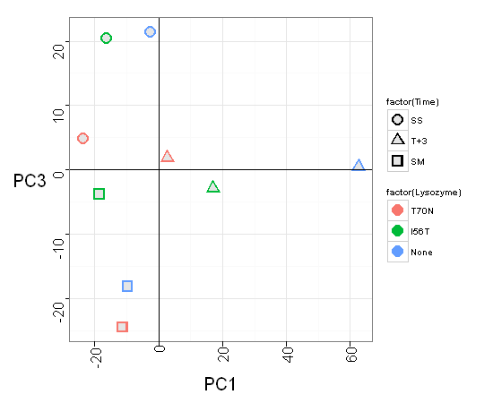
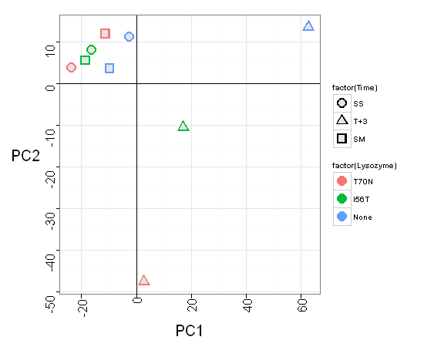
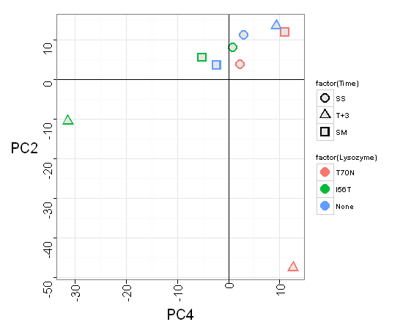
PCA of normalised transformed transcript abundances: variation explained in PC1 =40.3% ;PC2=21.2%; PC3=11.3%; and PC4=10.1%.
Lists of genes whose transcript values make the most important contribution to the variability observed in each component were obtained by selecting loadings with values >0.03 or <-0.03. This returned the following numbers of genes for each component:
PC1= 227 genes
PC2= 212 genes
PC3= 187 genes
PC4= 224 genes
Each list was subjected to gene ontology (GO) analysis
Each list was clustered according to their expression profiles in the 9 samples using Bayesian Heirarchical Clustering (BHC)
PC1 BHC cluster membership
1=39 genes
2=20 genes
3=24 genes
4=19 genes
5=26 genes
6=52 genes
7=33 genes
8=14 genes
Clusters were also subjected to GO analysis (worksheets labelled GO..)

Cluster Summary
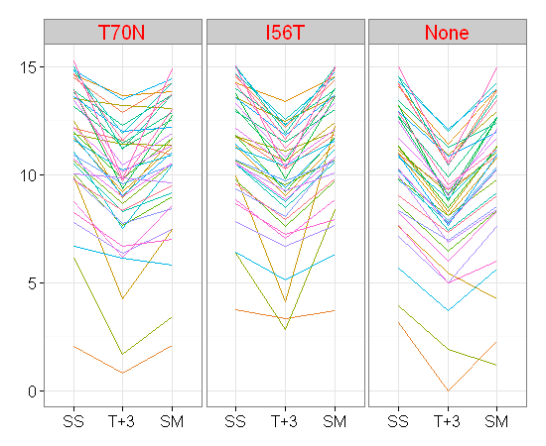
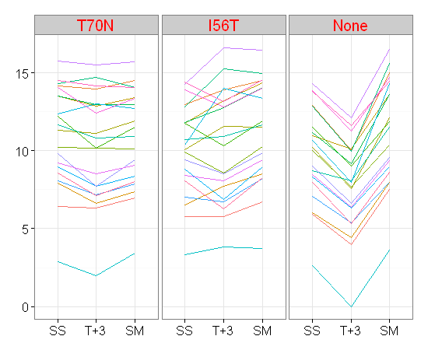
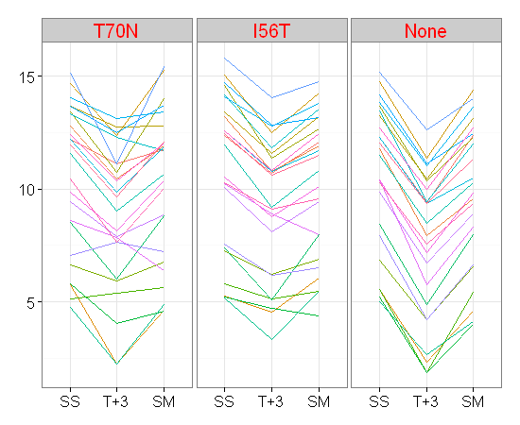
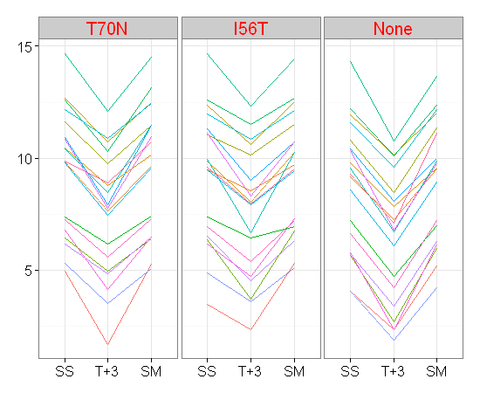
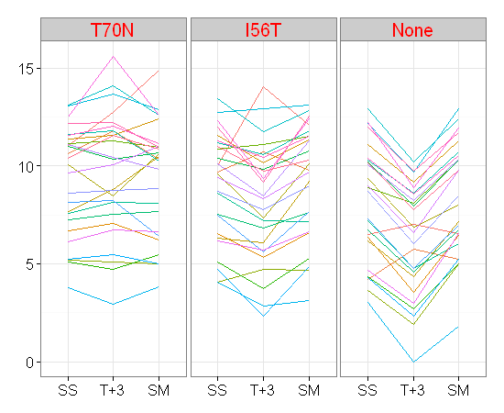
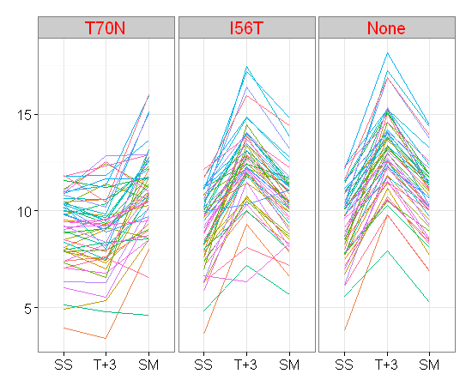
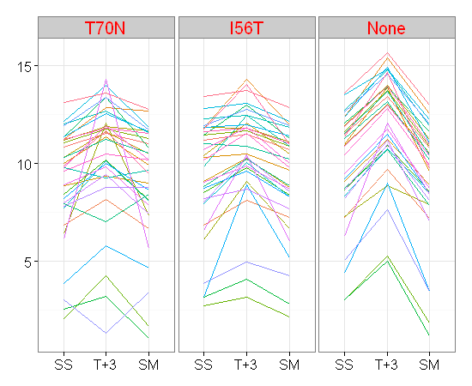
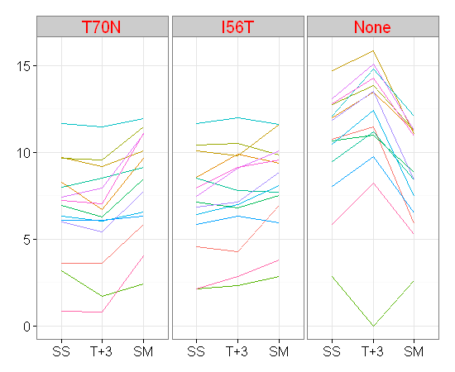
Mean expression per cluster
BHC clusters
1=39
2=20
3=24
4=19
5=26
6=52
7=33
8=14
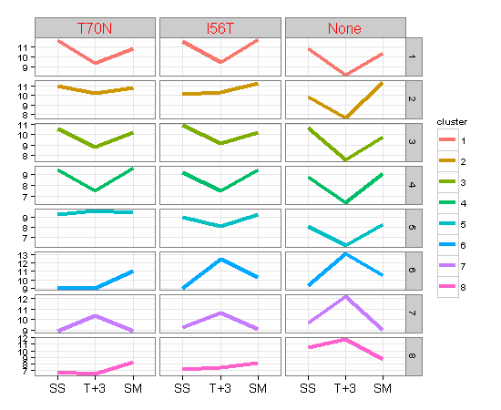
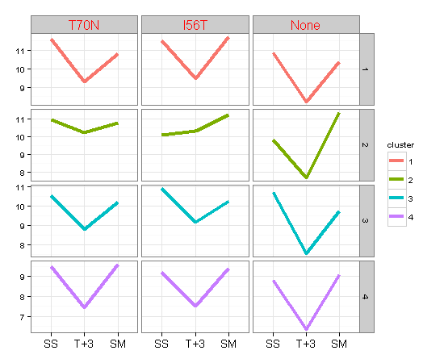
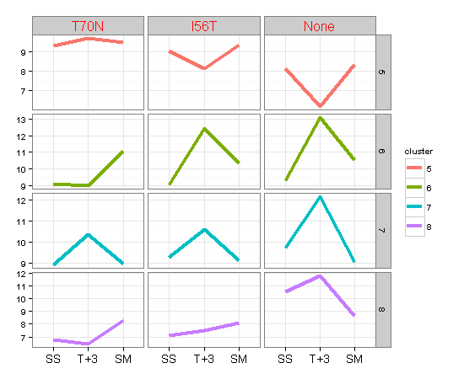

Per gene expression in each cluster

