HEADER
Applied Microbiology and Biotechnology
Investigating the physiological response of Pichia (Komagataella) pastoris GS115 to the heterologous expression of misfolded proteins using chemostat cultures.
Andy Hesketh^{1#}, Juan I. Castrillo^{1#}, Trevor Sawyer¹, David B. Archer²
and Stephen G. Oliver^{1*}
¹ Cambridge Systems Biology Centre and Department of Biochemistry. University of Cambridge, Sanger Building, 80 Tennis Court Road, Cambridge CB2 1GA, UK.
² School of Biology, University of Nottingham, University Park, Nottingham, NG7 2RD, UK.
*Corresponding author sgo24@cam.ac.uk
#Contributed equally to this work.

Table 4 UP-REGULATED
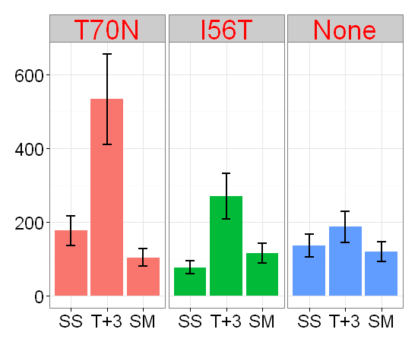
Location and abundance of the antisense transcripts presented in Table 4

a) Up-regulated in T70N T+3 compared to SS

TCONS_00000499
TCONS_00002056

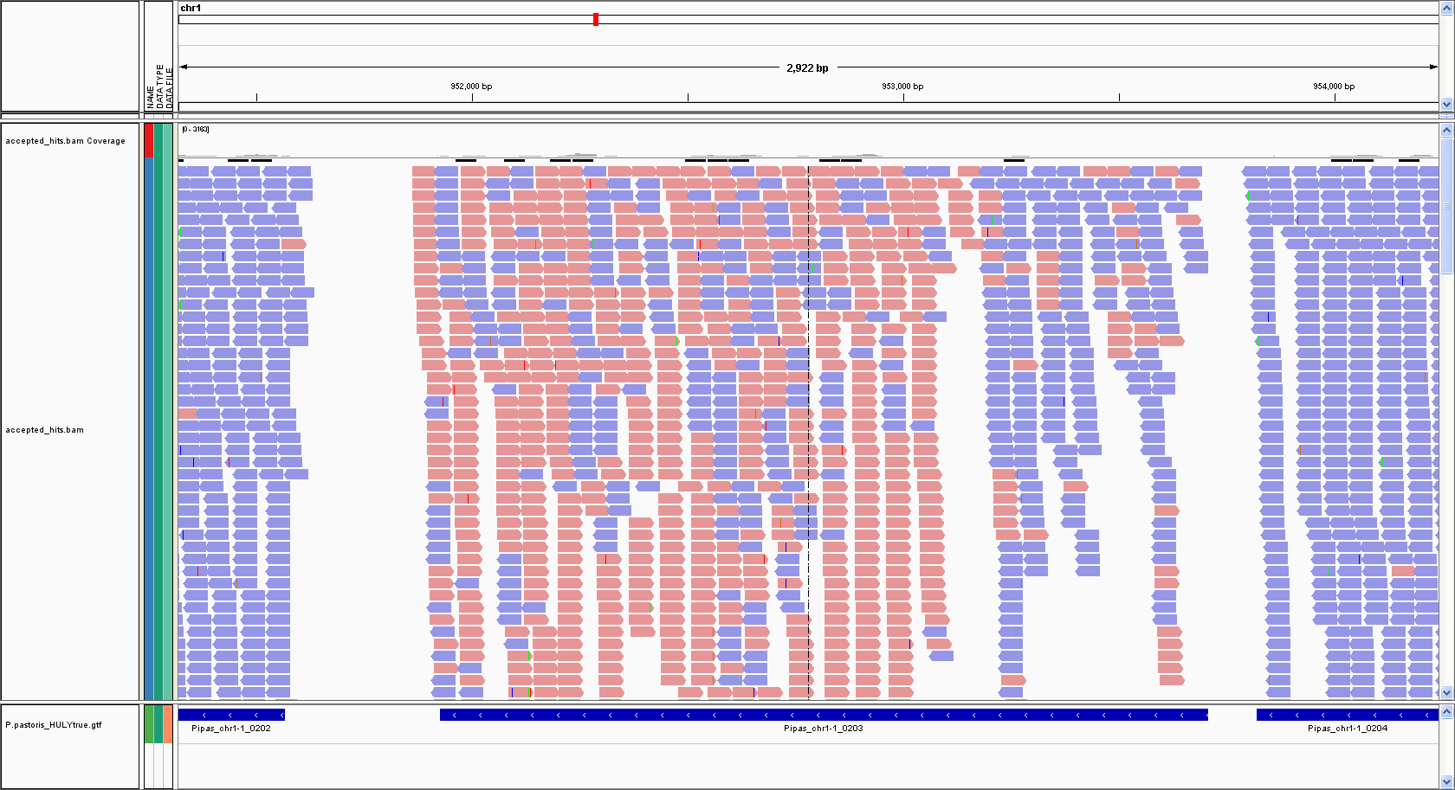
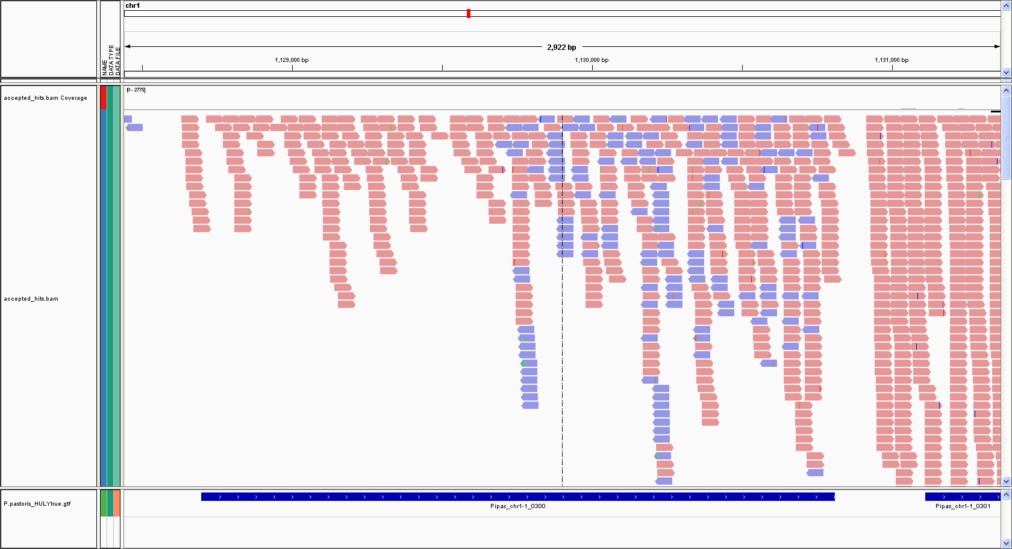

PAS_Chr1-1_0203
PAS_Chr1-3_0300
TCONS_00000499
TCONS_00002056
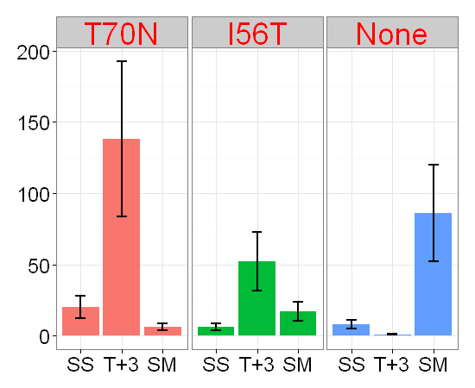
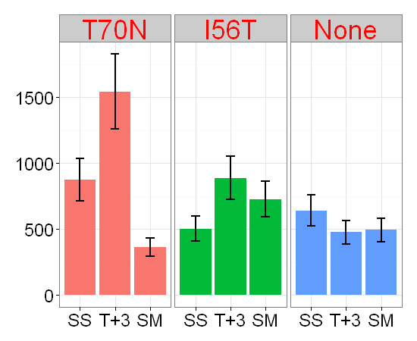

TCONS_00003504
TCONS_00003515
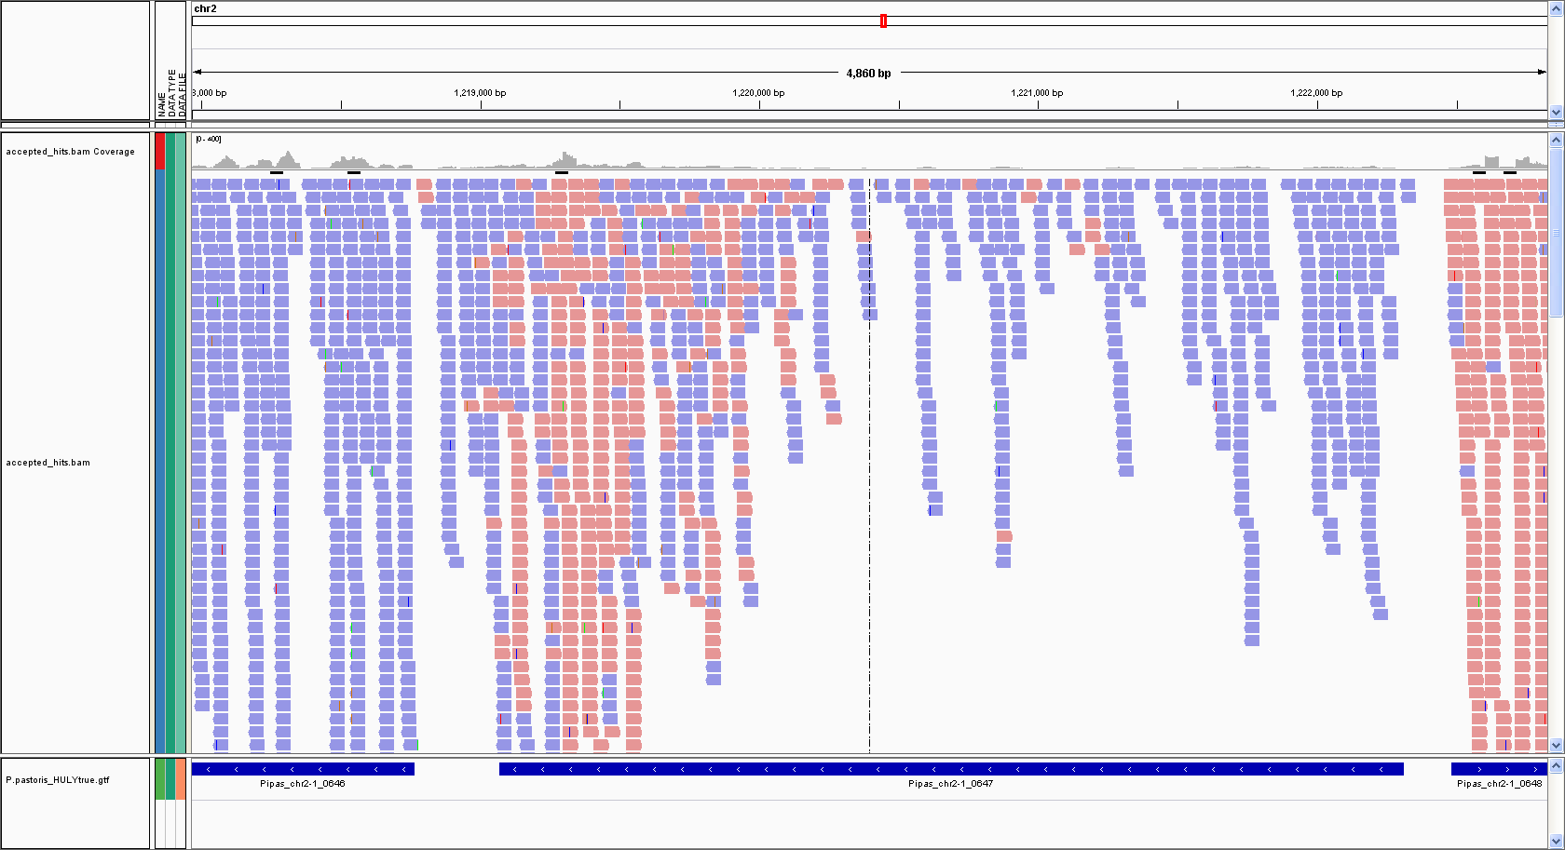
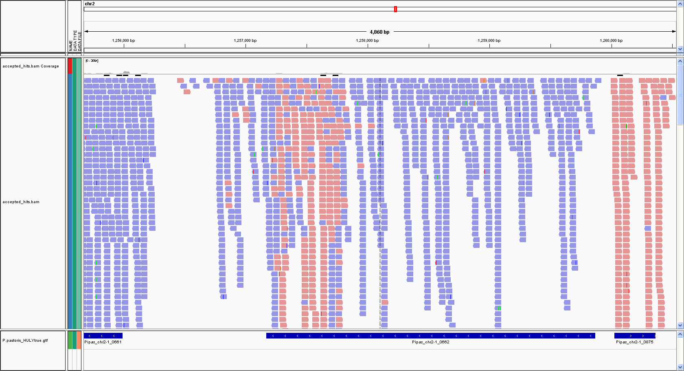

PAS_Chr2-1_0647
PAS_Chr2-1_0662

TCONS_00003504
TCONS_00003515

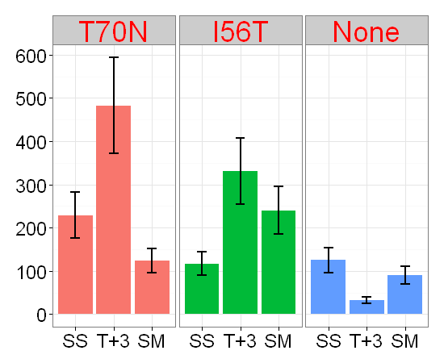
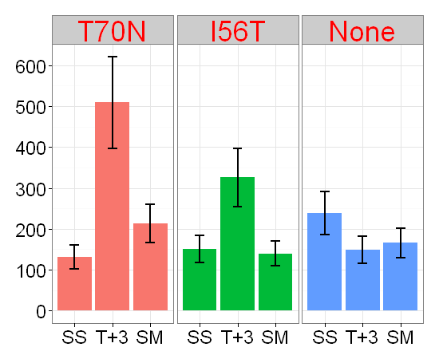

TCONS_00004674

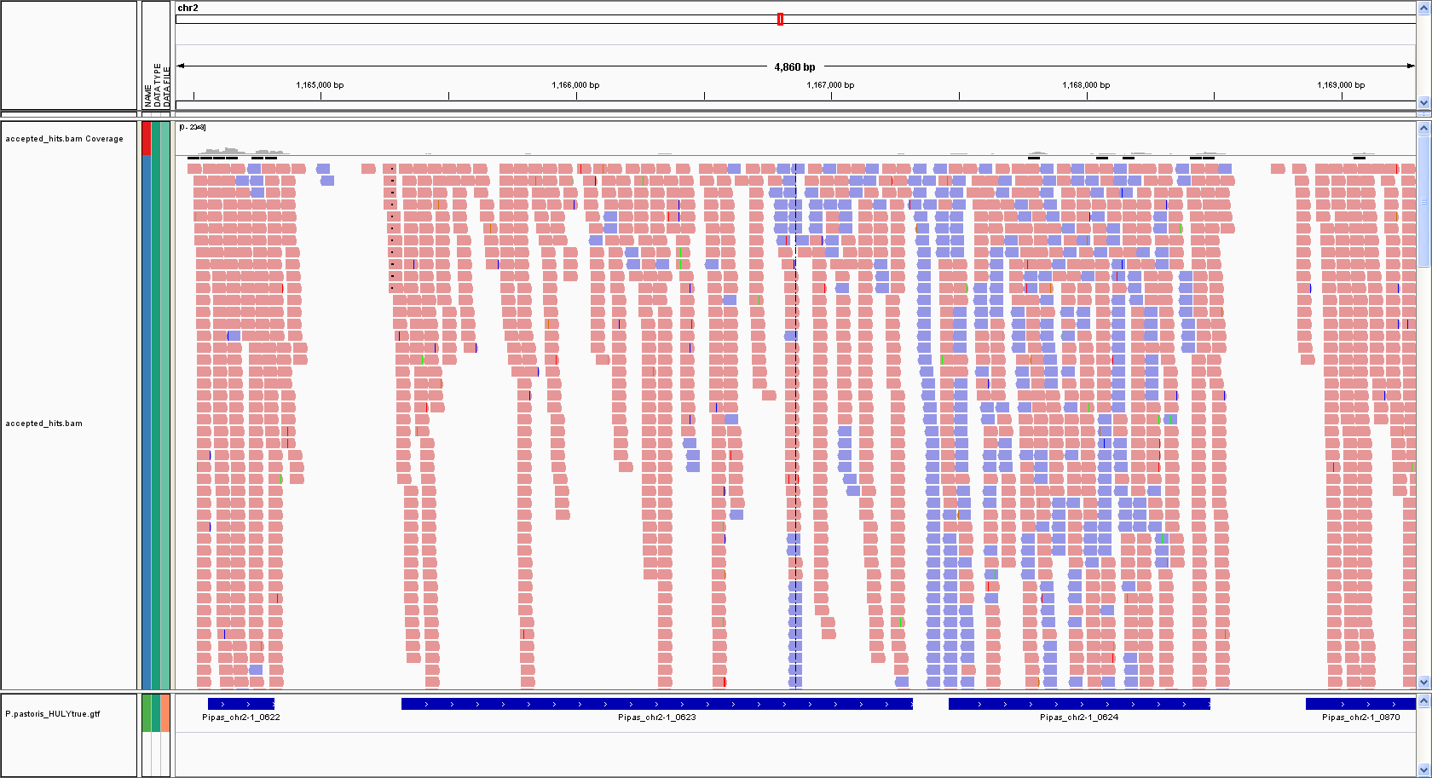

PAS_Chr2-1_0623
2-1_0624
TCONS_00004674

Table 4 DOWN_REGULATED
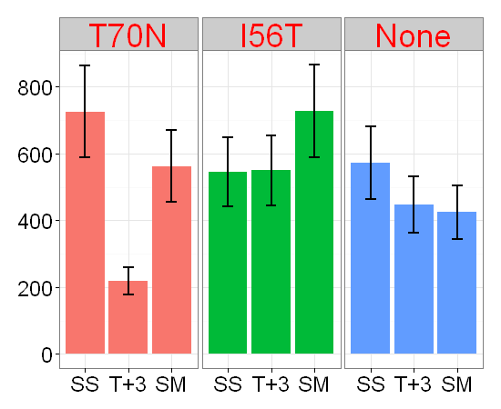
Location and abundance of the antisense transcripts presented in Table 4

b) Down-regulated in T70N T+3 compared to SS

TCONS_00001972
TCONS_00005855

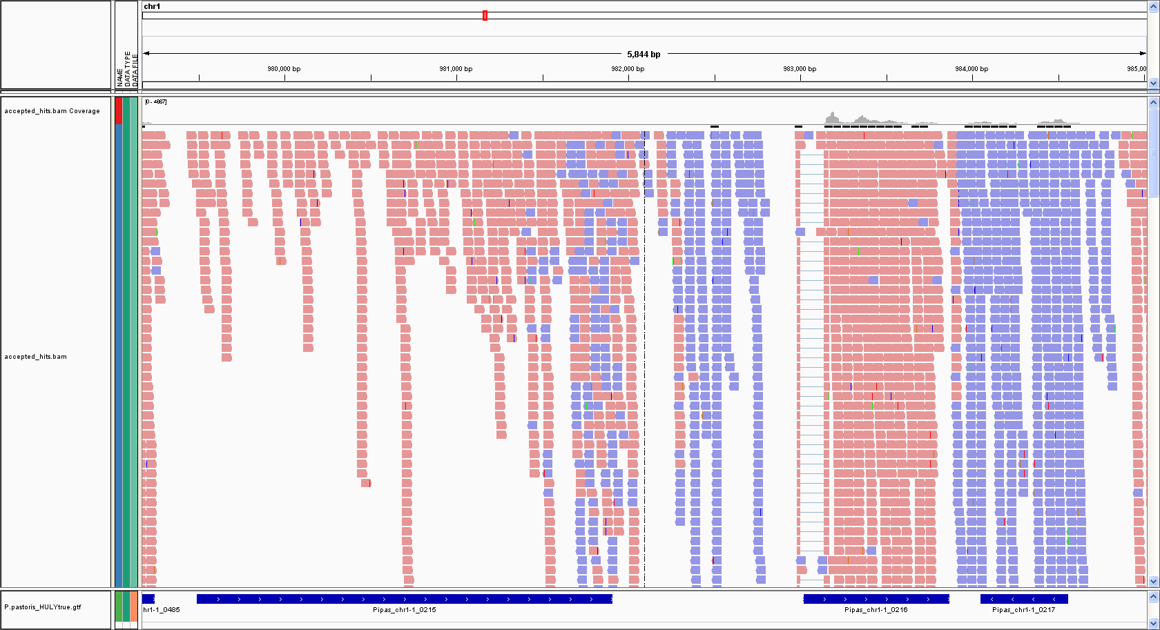

PAS_Chr1-1_0215
TCONS_00001972

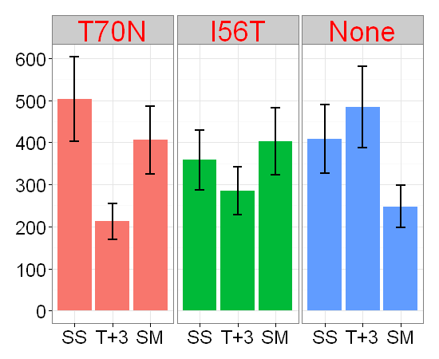
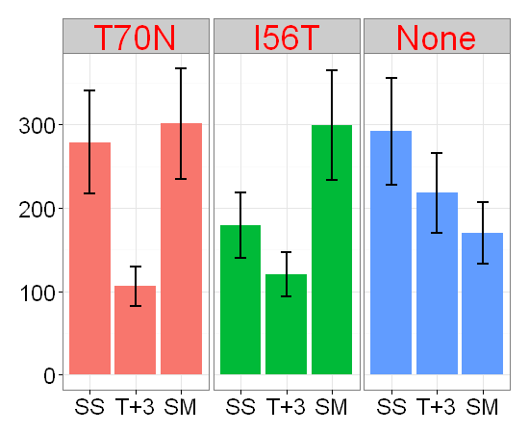

TCONS_00006603
TCONS_00007242

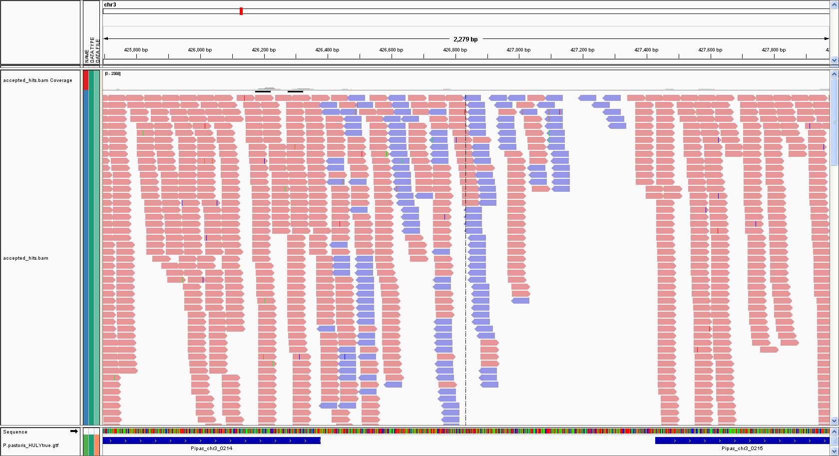
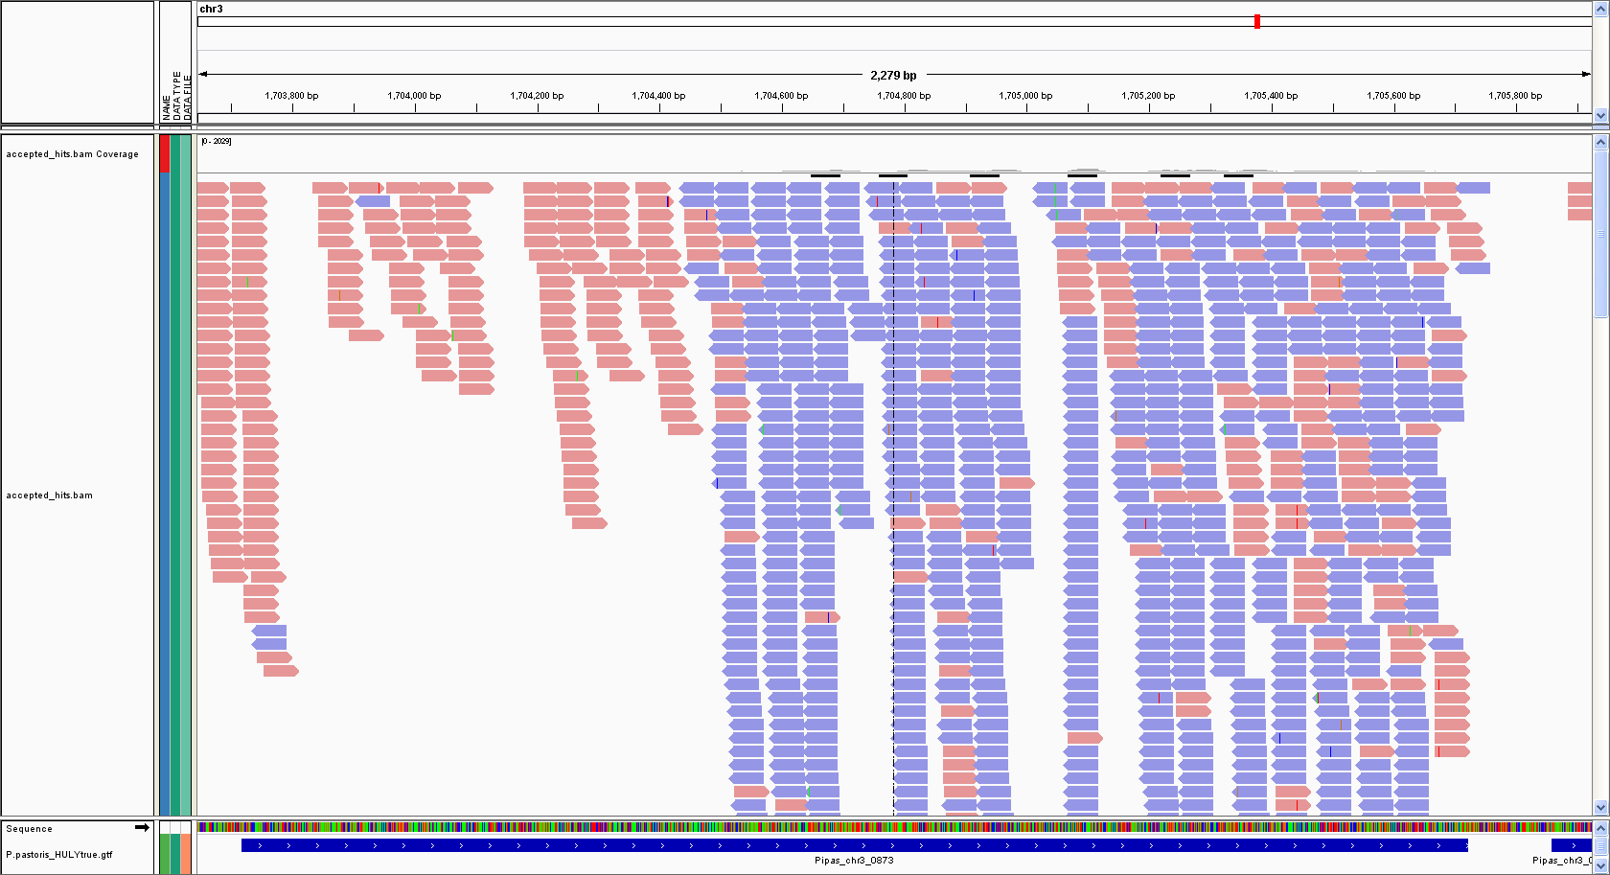

PAS_Chr3_0214
PAS_Chr3_0873
TCONS_00006603
TCONS_00007242

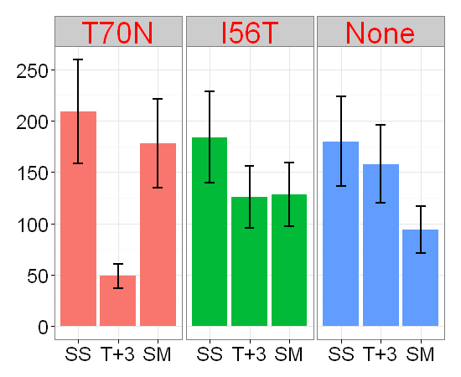
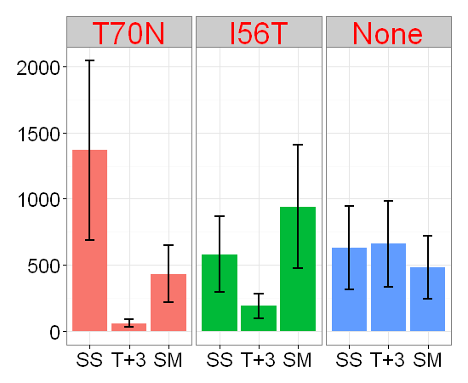

TCONS_00008123

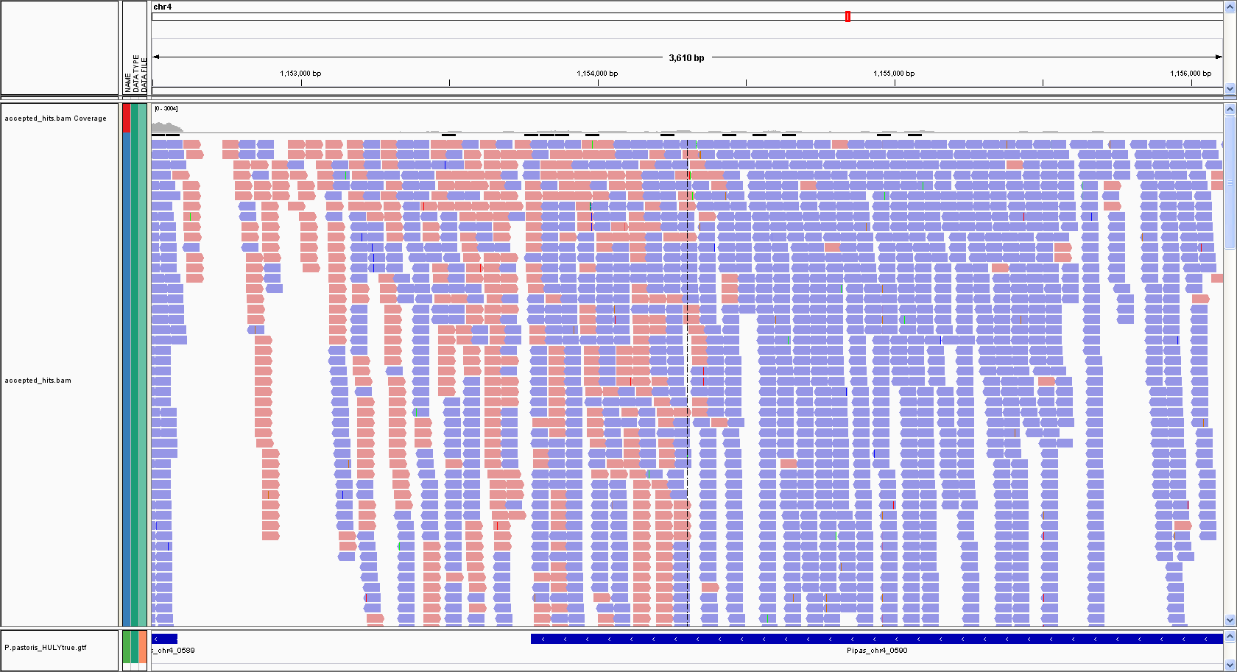

PAS_Chr4_0590

TCONS_00008123

ALL UPREGULATED in T70 T+3
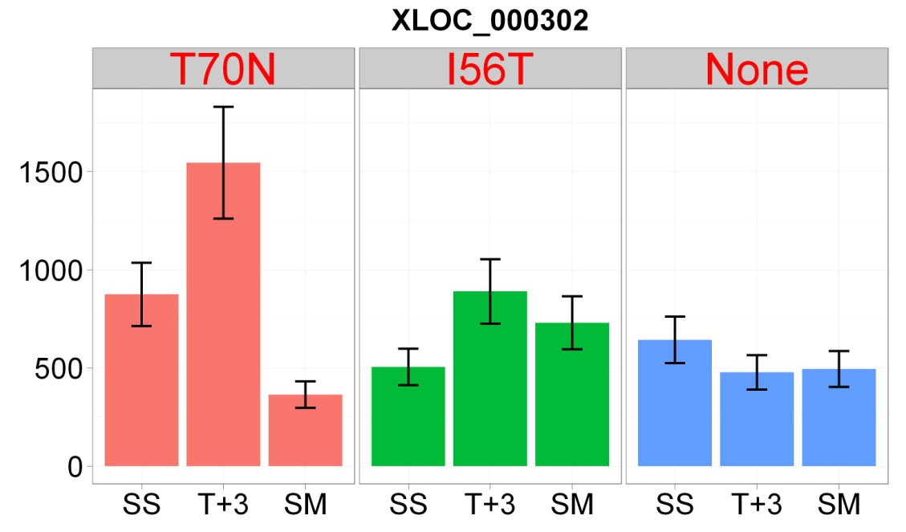
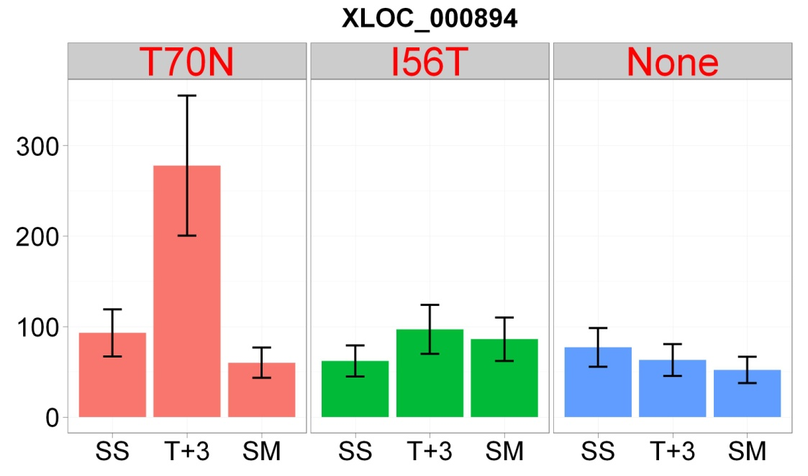
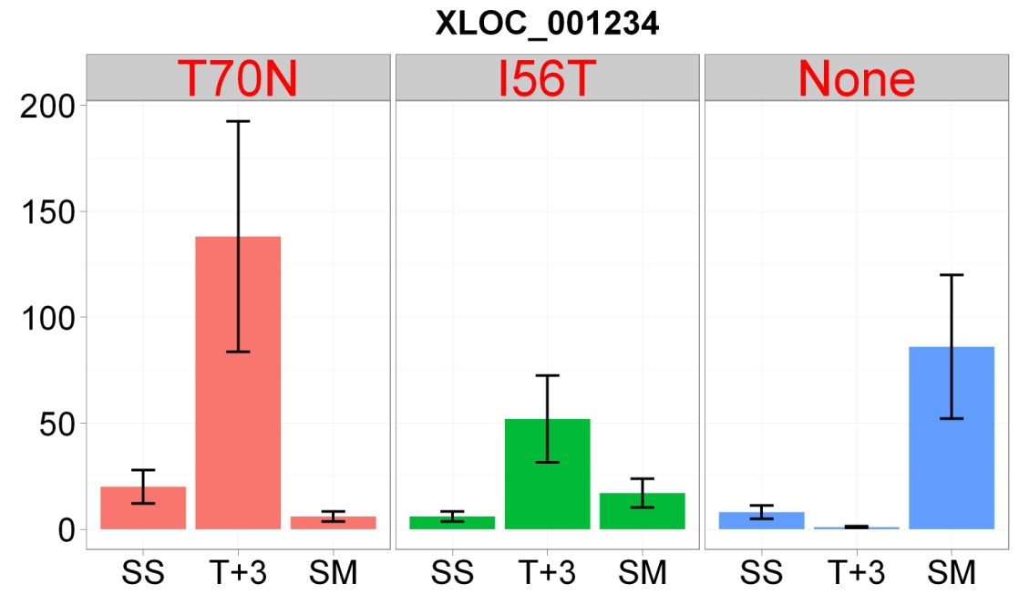
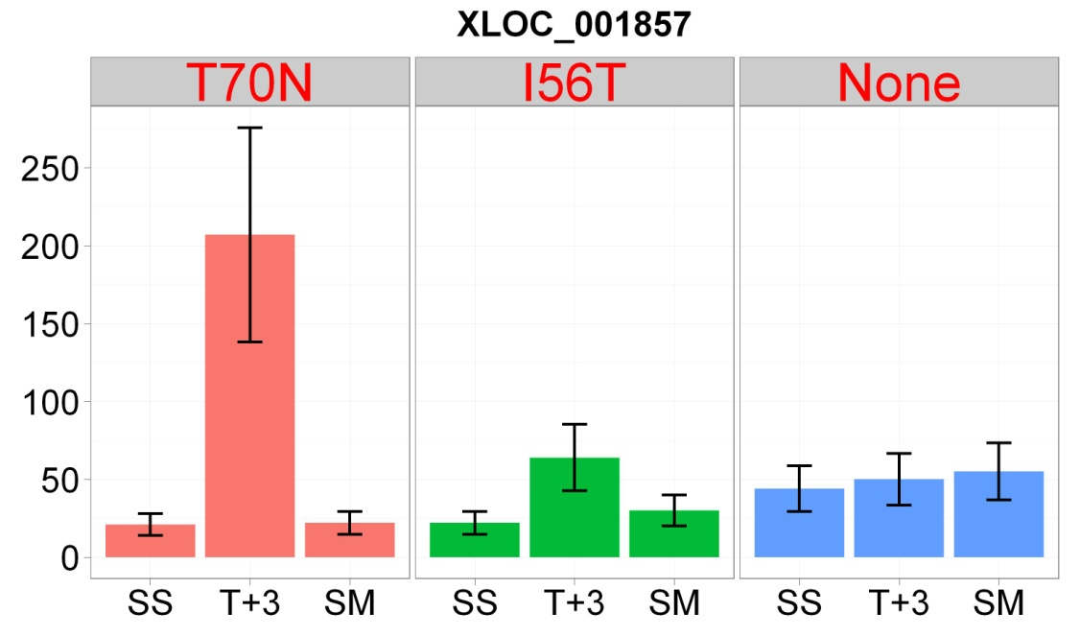
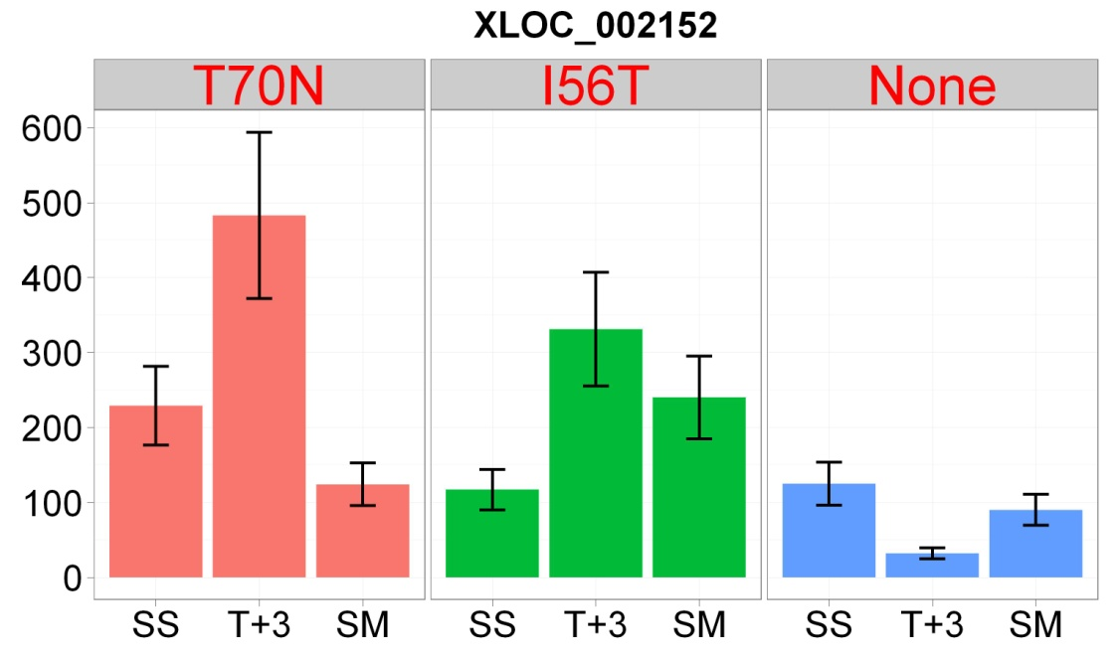
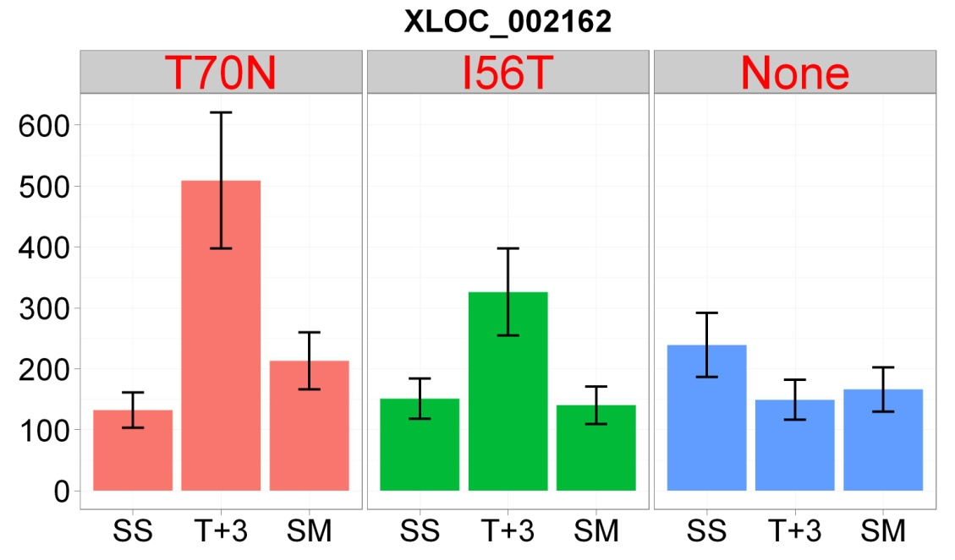
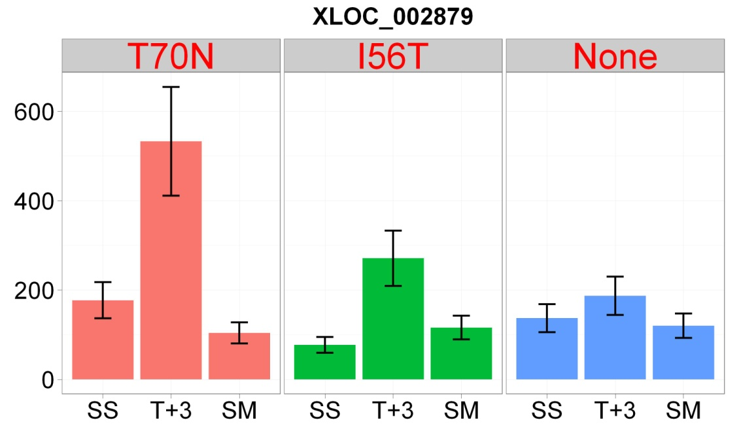
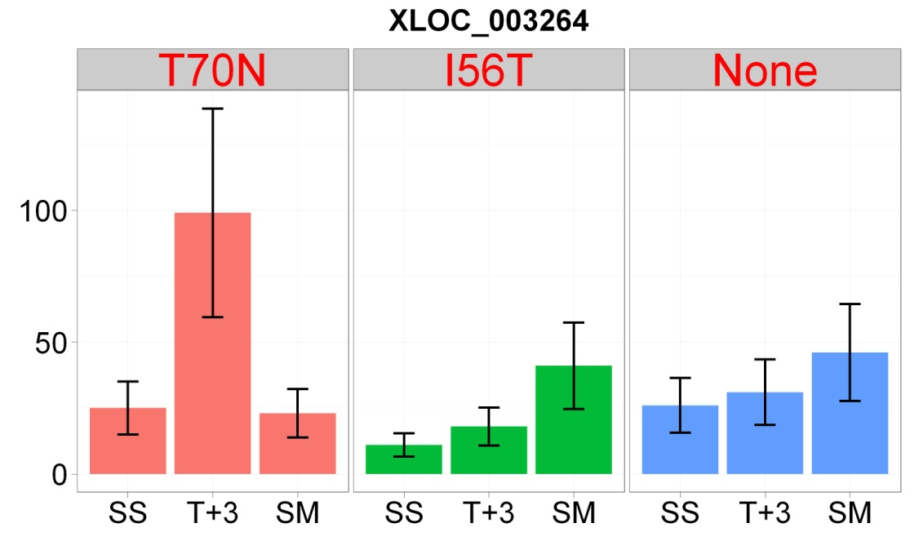
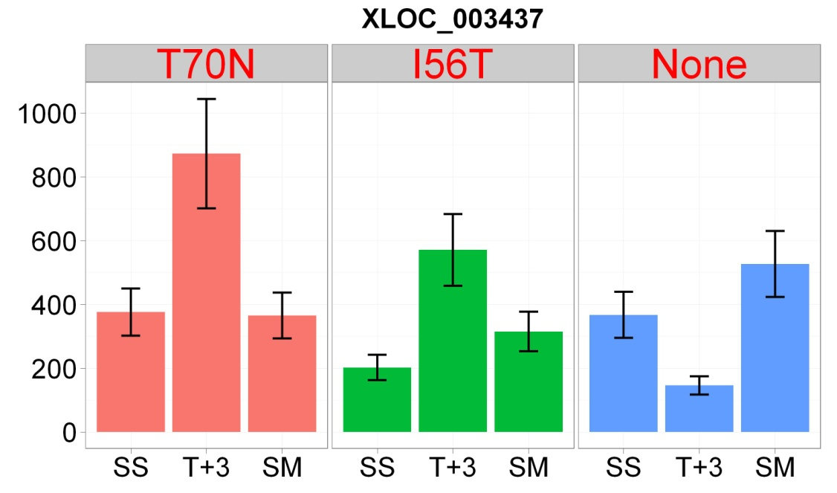
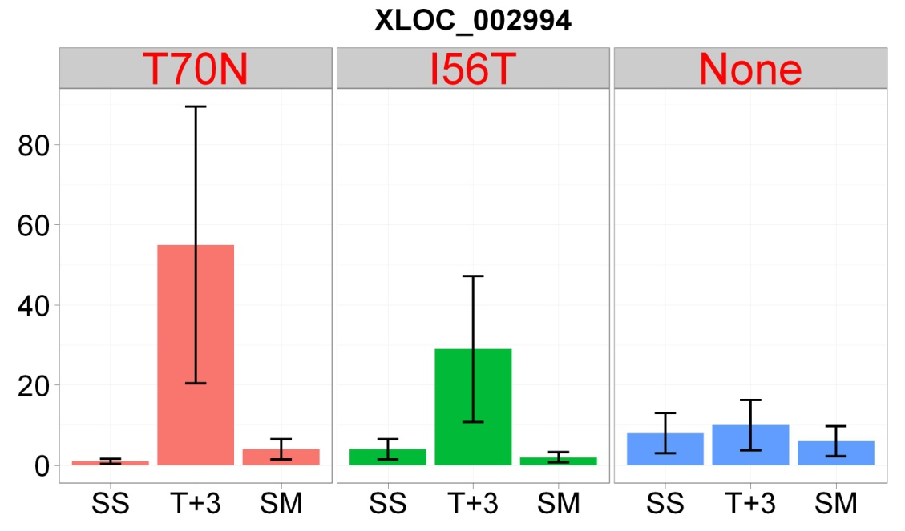
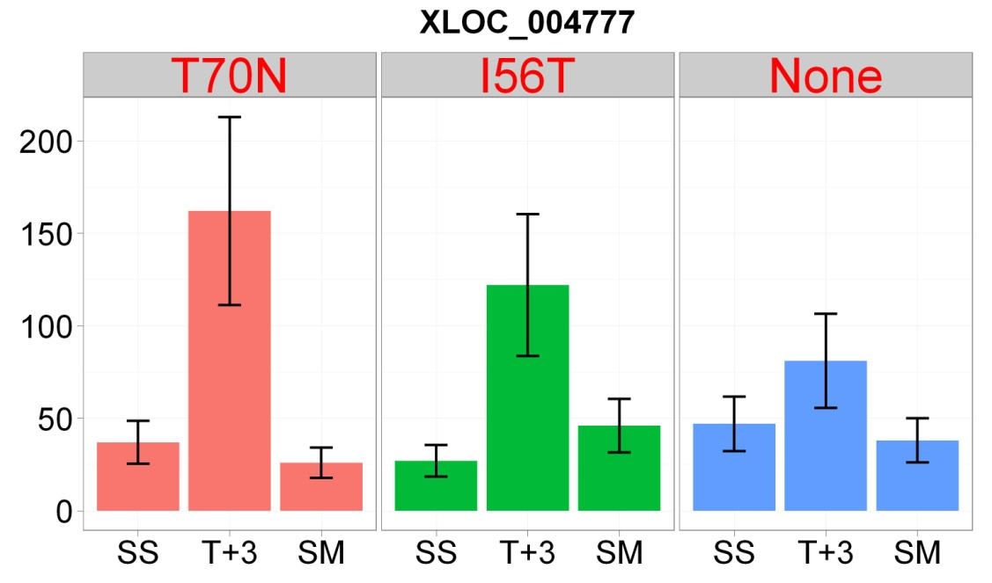
 | gene_id | baseMean.T70 | baseMeanA.T70 | baseMeanB.T70 | foldChange.T70 | log2FoldChange.T70 | pval.T70 | padj.T70 | sigPOS_T70 | baseMean.I56 | baseMeanA.I56 | baseMeanB.I56 | foldChange.I56 | log2FoldChange.I56 | pval.I56 | padj.I56 | sigPOS_I56 | baseMean | baseMeanA | baseMeanB | foldChange | log2FoldChange | pval | padj | sigPOS_VEC | IGV_search | strand | transcript_id | exon_number | gene_name | PAS_name | PAS_product | nearest_ref | class_code | tss_id | asXLOC_id | A590005 | A590007 | A590008 | A590009 | A590011 | A590012 | A590013 | A590015 | A590016
31 | asXLOC_000302 | 821.30673487 | 622.54072504 | 1218.8387545 | 1.9578458172 | 0.96926715535 | 0.0035016021701 | 0.037884565852 | 1 | NA | NA | NA | NA | NA | NA | NA | 0 | NA | NA | NA | NA | NA | NA | NA | 0 | chr1:951848-953710 | + | TCONS_00000499 | 1 | Pipas_chr1-1_0203 | PAS_chr1-1_0203 | General amino acid permease | Pipas_chr1-1_0203 | x | TSS433 | asXLOC_000302 | 874 | 1544 | 364 | 504 | 889 | 729 | 642 | 477 | 494
110 | asXLOC_000894 | 120.43352651 | 70.923225719 | 219.45412808 | 3.0942491103 | 1.6295893493 | 0.0012000168859 | 0.017064596558 | 1 | NA | NA | NA | NA | NA | NA | NA | 0 | NA | NA | NA | NA | NA | NA | NA | 0 | chr1:25002-25797 | - | TCONS_00001513 | 1 | Pipas_chr1-3_0013 | PAS_chr1-3_0013 | hypothetical protein | Pipas_chr1-3_0013 | x | TSS1292 | asXLOC_000894 | 93 | 278 | 60 | 62 | 97 | 86 | 77 | 63 | 52
142 | asXLOC_001234 | 43.747222321 | 11.15200313 | 108.9376607 | 9.7684388568 | 3.2881280163 | 2.17E-05 | 0.00068917240422 | 1 | NA | NA | NA | NA | NA | NA | NA | 0 | NA | NA | NA | NA | NA | NA | NA | 0 | chr1:1129649-1130790 | - | TCONS_00002056 | 1 | Pipas_chr1-1_0300 | PAS_chr1-1_0300 | Plasma membrane glucose sensor that regulates glucose transport | Pipas_chr1-1_0300 | x | TSS1780 | asXLOC_001234 | 20 | 138 | 6 | 6 | 52 | 17 | 8 | 1 | 86
216 | asXLOC_001857 | 68.127483868 | 20.487980275 | 163.40649105 | 7.9757247353 | 2.9956156191 | 1.02E-06 | 5.68E-05 | 1 | NA | NA | NA | NA | NA | NA | NA | 0 | NA | NA | NA | NA | NA | NA | NA | 0 | chr2:252497-253603 | + | TCONS_00003030 | 1 | Pipas_chr2-1_0813 | PAS_chr2-1_0813 | Cu2+-exporting ATPase [EC:3.6.3.4] | Pipas_chr2-1_0813 | x | TSS2647 | asXLOC_001857 | 21 | 207 | 22 | 22 | 64 | 30 | 44 | 50 | 55
244 | asXLOC_002152 | 230.22495452 | 154.69652555 | 381.28181246 | 2.4647083126 | 1.3014169201 | 0.0020298628539 | 0.025139783186 | 1 | NA | NA | NA | NA | NA | NA | NA | 0 | NA | NA | NA | NA | NA | NA | NA | 0 | chr2:1218943-1220052 | + | TCONS_00003504 | 1 | Pipas_chr2-1_0647 | PAS_chr2-1_0647 | intron-binding protein aquarius | Pipas_chr2-1_0647 | x | TSS3066 | asXLOC_002152 | 229 | 483 | 124 | 117 | 331 | 240 | 125 | 32 | 90
247 | asXLOC_002162 | 224.52913843 | 135.89055801 | 401.80629926 | 2.9568375105 | 1.564054964 | 3.28E-05 | 0.00096153738999 | 1 | 199.97988224 | 135.89055801 | 328.1585307 | 2.4148736711 | 1.2719477196 | 0.00076364446832 | 0.015270228584 | 1 | NA | NA | NA | NA | NA | NA | NA | 0 | chr2:1257108-1257861 | + | TCONS_00003515 | 1 | Pipas_chr2-1_0662 | PAS_chr2-1_0662 | nuclear cap-binding protein subunit 1 | Pipas_chr2-1_0662 | x | TSS3077 | asXLOC_002162 | 132 | 509 | 213 | 151 | 326 | 140 | 239 | 149 | 166
331 | asXLOC_002879 | 214.95631945 | 112.05848948 | 420.75197938 | 3.7547532661 | 1.9087181079 | 5.89E-06 | 0.00023031087831 | 1 | 165.63711346 | 112.05848948 | 272.79436141 | 2.4343926343 | 1.2835618738 | 0.0029898444743 | 0.044410417716 | 1 | NA | NA | NA | NA | NA | NA | NA | 0 | chr2:1166186-1168596 | - | TCONS_00004674 | 1 | Pipas_chr2-1_0623 | PAS_chr2-1_0624 | 6-phosphofructo-2-kinase | Pipas_chr2-1_0623 | x | TSS4100 | asXLOC_002879 | 177 | 533 | 104 | 77 | 271 | 116 | 137 | 187 | 120
344 | asXLOC_002994 | 16.223320963 | 2.6263896379 | 43.417183613 | 16.531128126 | 4.0471132761 | 0.0011049349888 | 0.016111298251 | 1 | NA | NA | NA | NA | NA | NA | NA | 0 | NA | NA | NA | NA | NA | NA | NA | 0 | chr2:1564602-1564961 | - | TCONS_00004869 | 1 | Pipas_chr2-2_0437 | PAS_chr2-2_0437 | glycogen debranching enzyme | Pipas_chr2-2_0437 | x | TSS4269 | asXLOC_002994 | 1 | 55 | 4 | 4 | 29 | 2 | 8 | 10 | 6
383 | asXLOC_003264 | 36.648288125 | 15.896966935 | 78.150930504 | 4.9160906495 | 2.2975115183 | 0.0026858480078 | 0.030984330934 | 1 | NA | NA | NA | NA | NA | NA | NA | 0 | NA | NA | NA | NA | NA | NA | NA | 0 | chr3:5290-5979 | + | TCONS_00005308 | 1 | Pipas_chr3_0002 | PAS_chr3_0002 | hypothetical protein | Pipas_chr3_0002 | x | TSS4647 | asXLOC_003264 | 25 | 99 | 23 | 11 | 18 | 41 | 26 | 31 | 46
404 | asXLOC_003437 | 402.73787769 | 259.53225931 | 689.14911444 | 2.6553504997 | 1.4089023058 | 7.69E-05 | 0.0019196116169 | 1 | 364.61508599 | 259.53225931 | 574.78073935 | 2.2146793654 | 1.1470978449 | 0.0014178904914 | 0.024658404637 | 1 | NA | NA | NA | NA | NA | NA | NA | 0 | chr3:568646-570220 | + | TCONS_00005567 | 1 | Pipas_chr3_0287 | PAS_chr3_0287 | Integral membrane protein localized to mitochondria (untagged protein) and eisosomes, immobile patch | Pipas_chr3_0287 | x | TSS4881 | asXLOC_003437 | 376 | 873 | 365 | 202 | 571 | 315 | 367 | 146 | 527
562 | asXLOC_004777 | 62.308719766 | 29.521409237 | 127.88334082 | 4.3318846942 | 2.1149948419 | 0.0002664368324 | 0.0053108577983 | 1 | 60.616870724 | 29.521409237 | 122.8077937 | 4.1599570234 | 2.0565686239 | 0.00042409650796 | 0.0096599712337 | 1 | NA | NA | NA | NA | NA | NA | NA | 0 | chr4:373022-374503 | + | TCONS_00007702 | 1 | Pipas_chr4_0183 | PAS_chr4_0183 | NA | Pipas_chr4_0183 | x | TSS6761 | asXLOC_004777 | 37 | 162 | 26 | 27 | 122 | 46 | 47 | 81 | 38

ALL DOWNREGULATED in T70 T+3
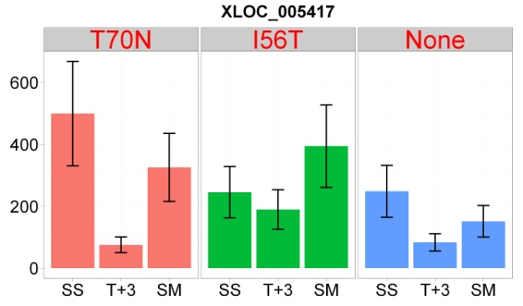
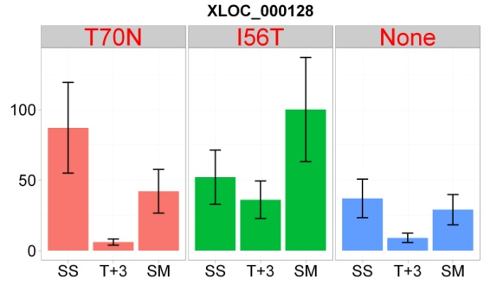
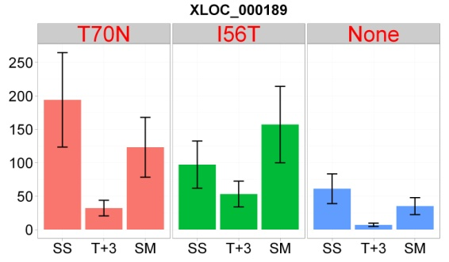
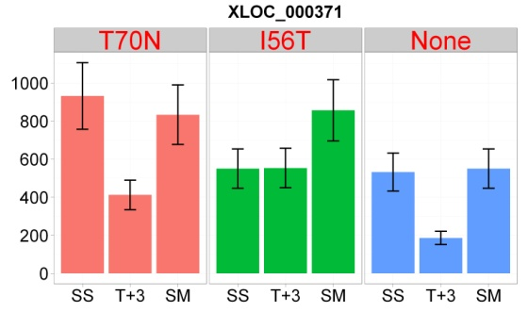
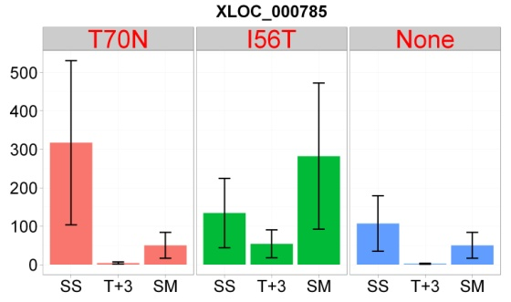
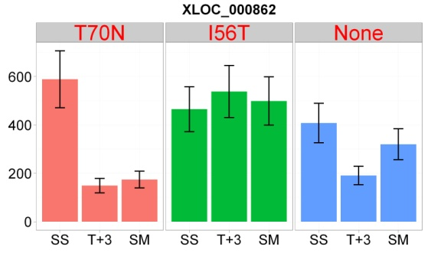
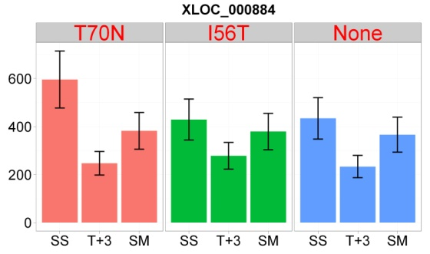
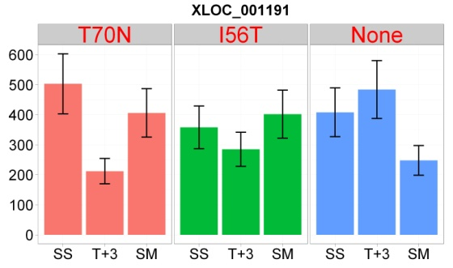
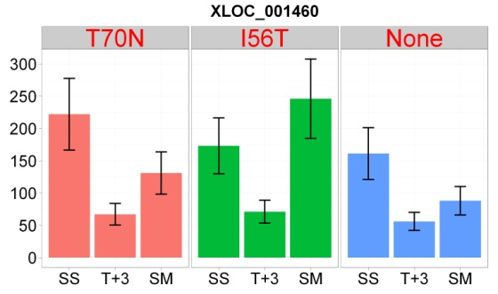
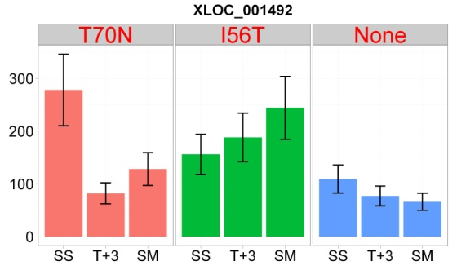
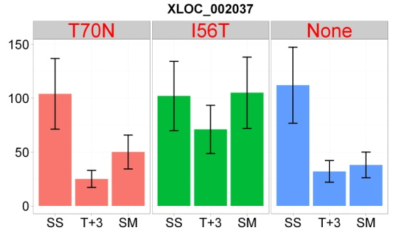
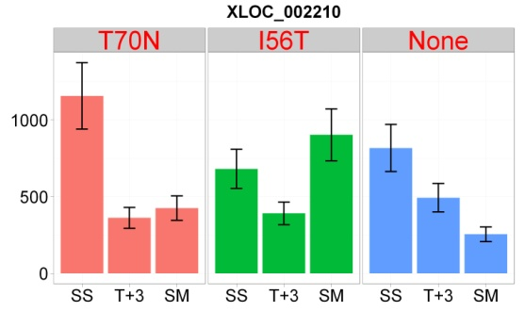
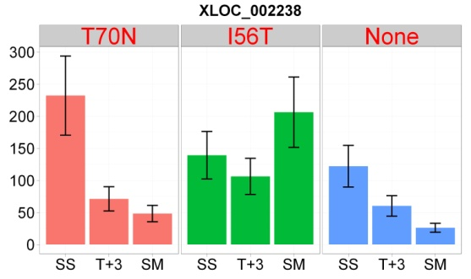
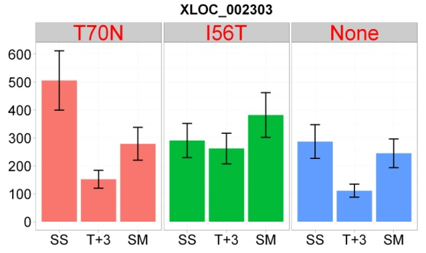
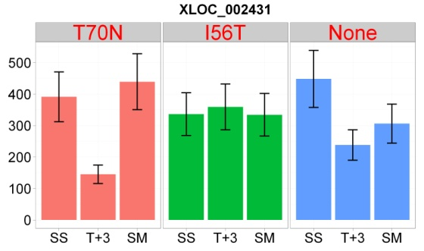
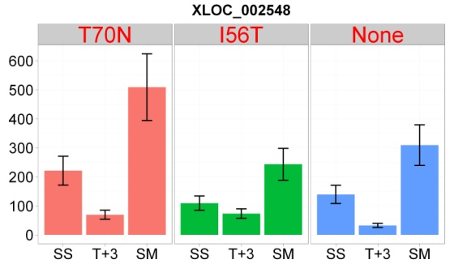
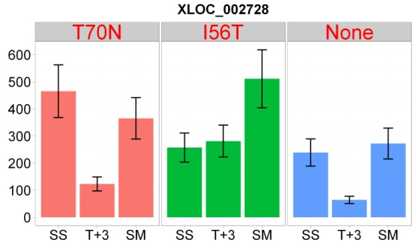
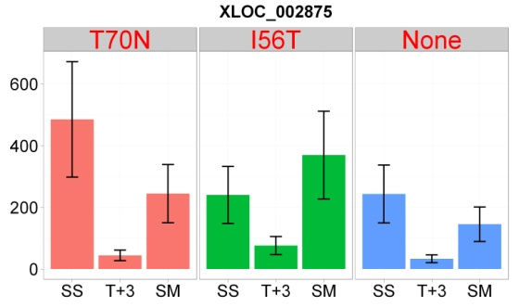
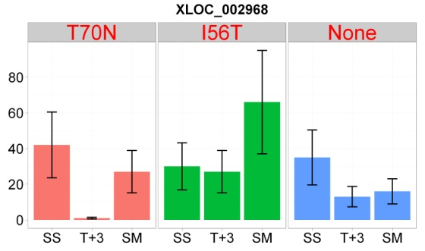
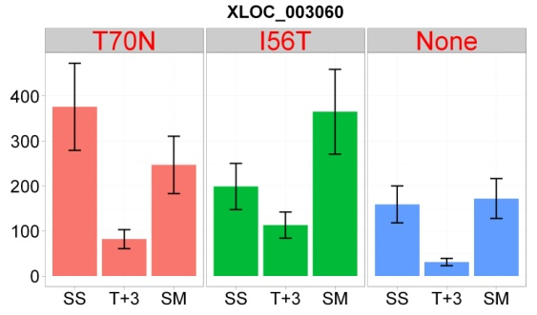















 | gene_id | baseMean.T70 | baseMeanA.T70 | baseMeanB.T70 | foldChange.T70 | log2FoldChange.T70 | pval.T70 | padj.T70 | sigNEG_T70 | baseMean.I56 | baseMeanA.I56 | baseMeanB.I56 | foldChange.I56 | log2FoldChange.I56 | pval.I56 | padj.I56 | sigNEG_I56 | baseMean | baseMeanA | baseMeanB | foldChange | log2FoldChange | pval | padj | sigNEG_VEC | IGV_search | strand | transcript_id | exon_number | gene_name | PAS_name | PAS_product | nearest_ref | class_code | tss_id | asXLOC_id | A590005 | A590007 | A590008 | A590009 | A590011 | A590012 | A590013 | A590015 | A590016
20 | asXLOC_000128 | 43.573966666 | 62.992739984 | 4.7364200305 | 0.07518993509 | -3.7333166338 | 9.41E-05 | 0.0022610130453 | 1 | NA | NA | NA | NA | NA | NA | NA | 0 | NA | NA | NA | NA | NA | NA | NA | 0 | chr1:362945-363632 | + | TCONS_00000203 | 1 | Pipas_chr1-3_0194 | PAS_chr1-3_0194 | protoheme IX farnesyltransferase | Pipas_chr1-3_0194 | x | TSS181 | asXLOC_000128 | 87 | 6 | 42 | 52 | 36 | 100 | 37 | 9 | 29
26 | asXLOC_000189 | 94.999477808 | 129.8687633 | 25.26090683 | 0.19451102935 | -2.3620761323 | 0.0024620273408 | 0.029043833825 | 1 | NA | NA | NA | NA | NA | NA | NA | 0 | NA | NA | NA | NA | NA | NA | NA | 0 | chr1:537666-538809 | + | TCONS_00000305 | 1 | Pipas_chr1-1_0004 | PAS_chr1-1_0004 | U3 small nucleolar RNA-associated protein 21 | Pipas_chr1-1_0004 | x | TSS266 | asXLOC_000189 | 194 | 32 | 123 | 97 | 53 | 157 | 61 | 7 | 35
41 | asXLOC_000371 | 555.65987026 | 670.87271767 | 325.23417543 | 0.48479266911 | -1.0445602119 | 0.0032949462547 | 0.036194008094 | 1 | NA | NA | NA | NA | NA | NA | NA | 0 | NA | NA | NA | NA | NA | NA | NA | 0 | chr1:1187765-1189551 | + | TCONS_00000630 | 1 | Pipas_chr1-1_0334 | PAS_chr1-1_0334 | hypothetical protein | Pipas_chr1-1_0334 | x | TSS540 | asXLOC_000371 | 932 | 412 | 833 | 550 | 553 | 856 | 532 | 186 | 550
75 | asXLOC_000785 | 133.39220163 | 198.50949577 | 3.1576133537 | 0.015906611124 | -5.9742296851 | 0.0012054683967 | 0.017088021302 | 1 | NA | NA | NA | NA | NA | NA | NA | 0 | NA | NA | NA | NA | NA | NA | NA | 0 | chr1:2517540-2518930 | + | TCONS_00001317 | 1 | Pipas_chr1-4_0594 | PAS_chr1-4_0594 | CCR4-NOT transcription complex subunit 4 | Pipas_chr1-4_0594 | x | TSS1144 | asXLOC_000785 | 317 | 4 | 50 | 134 | 54 | 282 | 107 | 2 | 50
81 | asXLOC_000862 | 365.62325383 | 489.62433203 | 117.62109743 | 0.24022723082 | -2.0575283987 | 8.09E-07 | 4.56E-05 | 1 | NA | NA | NA | NA | NA | NA | NA | 0 | NA | NA | NA | NA | NA | NA | NA | 0 | chr1:2797514-2798314 | + | TCONS_00001440 | 1 | Pipas_c034_0041 | PAS_c034_0041 | hypothetical protein | Pipas_c034_0041 | x | TSS1248 | asXLOC_000862 | 589 | 149 | 174 | 465 | 538 | 499 | 408 | 191 | 320
85 | asXLOC_000884 | 379.81060339 | 472.22459279 | 194.98262459 | 0.41290230871 | -1.2761276096 | 0.0012446755684 | 0.017355973642 | 1 | NA | NA | NA | NA | NA | NA | NA | 0 | NA | NA | NA | NA | NA | NA | NA | 0 | chr1:2866860-2871049 | + | TCONS_00001500 | 1 | Pipas_c034_0004 | PAS_c034_0004 | hypothetical protein | Pipas_c034_0004 | x | TSS1279 | asXLOC_000884 | 596 | 247 | 382 | 429 | 278 | 379 | 434 | 233 | 366
110 | asXLOC_001191 | 319.96395354 | 396.26917644 | 167.35350775 | 0.42232279899 | -1.2435819621 | 0.0016745377373 | 0.021667160588 | 1 | NA | NA | NA | NA | NA | NA | NA | 0 | NA | NA | NA | NA | NA | NA | NA | 0 | chr1:981359-982829 | - | TCONS_00001972 | 1 | Pipas_chr1-1_0215 | PAS_chr1-1_0215 | mannosyl-oligosaccharide glucosidase | Pipas_chr1-1_0215 | x | TSS1706 | asXLOC_001191 | 503 | 212 | 406 | 358 | 285 | 402 | 408 | 484 | 248
133 | asXLOC_001460 | 139.81594832 | 183.27891064 | 52.890023674 | 0.28857670253 | -1.7929732625 | 0.00071730635639 | 0.011510963736 | 1 | NA | NA | NA | NA | NA | NA | NA | 0 | NA | NA | NA | NA | NA | NA | NA | 0 | chr1:1860368-1861720 | - | TCONS_00002413 | 1 | Pipas_chr1-4_0251 | PAS_chr1-4_0251 | subtilase-type proteinase RRT12 | Pipas_chr1-4_0251 | x | TSS2095 | asXLOC_001460 | 222 | 67 | 131 | 173 | 71 | 246 | 161 | 56 | 88
137 | asXLOC_001492 | 151.9809232 | 195.60584792 | 64.731073751 | 0.33092606606 | -1.595419162 | 0.0013129385261 | 0.018088325737 | 1 | NA | NA | NA | NA | NA | NA | NA | 0 | NA | NA | NA | NA | NA | NA | NA | 0 | chr1:1970433-1971423 | - | TCONS_00002469 | 1 | Pipas_chr1-4_0302 | PAS_chr1-4_0302 | Ca2+/calmodulin-dependent protein kinase | Pipas_chr1-4_0302 | x | TSS2146 | asXLOC_001492 | 278 | 82 | 128 | 156 | 188 | 244 | 109 | 77 | 66
179 | asXLOC_002037 | 71.629682865 | 97.576982567 | 19.735083461 | 0.20225142182 | -2.3057782501 | 0.0013505438603 | 0.018429630588 | 1 | NA | NA | NA | NA | NA | NA | NA | 0 | NA | NA | NA | NA | NA | NA | NA | 0 | chr2:833184-833917 | + | TCONS_00003332 | 1 | Pipas_chr2-1_0454 | PAS_chr2-1_0454 | glucan 1,3-beta-glucosidase | Pipas_chr2-1_0454 | x | TSS2912 | asXLOC_002037 | 104 | 25 | 50 | 102 | 71 | 105 | 112 | 32 | 38
196 | asXLOC_002210 | 649.81310513 | 831.83765344 | 285.76400851 | 0.34353338939 | -1.5414777677 | 2.48E-05 | 0.00076328241379 | 1 | 685.75473982 | 831.83765344 | 393.58891259 | 0.47315592286 | -1.0796124101 | 0.0024704850856 | 0.038527483441 | 1 | NA | NA | NA | NA | NA | NA | NA | 0 | chr2:1380422-1381650 | + | TCONS_00003585 | 1 | Pipas_chr2-1_0881 | PAS_chr2-1_0881 | hypothetical protein | Pipas_chr2-1_0881 | x | TSS3138 | asXLOC_002210 | 1157 | 362 | 425 | 681 | 391 | 903 | 817 | 493 | 255
198 | asXLOC_002238 | 130.7938906 | 168.16701739 | 56.047637028 | 0.33328555087 | -1.5851693221 | 0.0036309223629 | 0.03891725555 | 1 | NA | NA | NA | NA | NA | NA | NA | 0 | NA | NA | NA | NA | NA | NA | NA | 0 | chr2:1469116-1470480 | + | TCONS_00003627 | 1 | Pipas_chr2-1_0887 | PAS_chr2-1_0887 | hypothetical protein | Pipas_chr2-1_0887 | x | TSS3174 | asXLOC_002238 | 232 | 71 | 48 | 139 | 106 | 206 | 122 | 60 | 26
202 | asXLOC_002303 | 279.98103199 | 359.97689426 | 119.98930744 | 0.33332502545 | -1.5849984584 | 0.00015777179647 | 0.0034727929914 | 1 | NA | NA | NA | NA | NA | NA | NA | 0 | NA | NA | NA | NA | NA | NA | NA | 0 | chr2:1710563-1712595 | + | TCONS_00003747 | 1 | Pipas_chr2-2_0362 | PAS_chr2-2_0362 | meiosis-specific transcription factor NDT80 | Pipas_chr2-2_0362 | x | TSS3284 | asXLOC_002303 | 506 | 152 | 279 | 291 | 262 | 382 | 287 | 111 | 245
212 | asXLOC_002431 | 265.02375703 | 340.3038935 | 114.46348407 | 0.33635666901 | -1.5719362318 | 0.00017892443745 | 0.0038056514155 | 1 | NA | NA | NA | NA | NA | NA | NA | 0 | NA | NA | NA | NA | NA | NA | NA | 0 | chr2:2110350-2112966 | + | TCONS_00003952 | 1 | Pipas_chr2-2_0145 | PAS_chr2-2_0145 | methylenetetrahydrofolate reductase (NADPH) | Pipas_chr2-2_0145 | x | TSS3472 | asXLOC_002431 | 391 | 145 | 439 | 336 | 359 | 334 | 448 | 238 | 306
221 | asXLOC_002548 | 116.22599909 | 147.10458346 | 54.468830351 | 0.3702728295 | -1.433339406 | 0.0018506284411 | 0.023573969832 | 1 | NA | NA | NA | NA | NA | NA | NA | 0 | NA | NA | NA | NA | NA | NA | NA | 0 | chr2:81766-83661 | - | TCONS_00004130 | 1 | Pipas_chr2-1_0049 | PAS_chr2-1_0049 | permease | Pipas_chr2-1_0049 | x | TSS3625 | asXLOC_002548 | 221 | 69 | 509 | 109 | 73 | 243 | 139 | 32 | 309
236 | asXLOC_002728 | 249.02028161 | 324.98211711 | 97.096610626 | 0.29877524182 | -1.7428674915 | 3.85E-05 | 0.0010836273326 | 1 | NA | NA | NA | NA | NA | NA | NA | 0 | NA | NA | NA | NA | NA | NA | NA | 0 | chr2:644943-645768 | - | TCONS_00004415 | 1 | Pipas_chr2-1_0893 | PAS_chr2-1_0893 | hypothetical protein | Pipas_chr2-1_0893 | x | TSS3874 | asXLOC_002728 | 465 | 123 | 365 | 257 | 281 | 511 | 239 | 64 | 272
249 | asXLOC_002875 | 227.09396731 | 323.27407751 | 34.733746891 | 0.10744365016 | -3.2183478718 | 0.0001462736154 | 0.0032698129202 | 1 | NA | NA | NA | NA | NA | NA | NA | 0 | NA | NA | NA | NA | NA | NA | NA | 0 | chr2:1157937-1160749 | - | TCONS_00004668 | 1 | Pipas_chr2-1_0617 | PAS_chr2-1_0617 | Nuclear pore protein involved in nuclear export of pre-tRNA | Pipas_chr2-1_0617 | x | TSS4095 | asXLOC_002875 | 485 | 44 | 244 | 240 | 76 | 369 | 243 | 33 | 145
255 | asXLOC_002968 | 22.361873418 | 33.148108458 | 0.78940333842 | 0.023814430903 | -5.392020117 | 0.00027444342593 | 0.0054368189033 | 1 | NA | NA | NA | NA | NA | NA | NA | 0 | NA | NA | NA | NA | NA | NA | NA | 0 | chr2:1463825-1464556 | - | TCONS_00004819 | 1 | Pipas_chr2-1_0768 | PAS_chr2-1_0768 | Deoxycytidyl transferase, forms a complex with the subunits of DNA polymerase zeta, Rev3p and Rev7p | Pipas_chr2-1_0768 | x | TSS4223 | asXLOC_002968 | 42 | 1 | 27 | 30 | 27 | 66 | 35 | 13 | 16
262 | asXLOC_003060 | 193.4802662 | 257.85486243 | 64.731073751 | 0.25103685515 | -1.9940289106 | 0.00016428657135 | 0.0035750998197 | 1 | NA | NA | NA | NA | NA | NA | NA | 0 | NA | NA | NA | NA | NA | NA | NA | 0 | chr2:1763138-1763947 | - | TCONS_00004975 | 1 | Pipas_chr2-2_0328 | PAS_chr2-2_0328 | Subunit of the ARP2/3 complex | Pipas_chr2-2_0328 | x | TSS4363 | asXLOC_003060 | 376 | 82 | 247 | 199 | 113 | 365 | 159 | 31 | 172
267 | asXLOC_003188 | 812.031407 | 1097.2683997 | 241.55742156 | 0.22014433444 | -2.1834783788 | 5.10E-09 | 5.33E-07 | 1 | NA | NA | NA | NA | NA | NA | NA | 0 | NA | NA | NA | NA | NA | NA | NA | 0 | chr2:2171596-2175616 | - | TCONS_00005200 | 1 | Pipas_chr2-2_0112 | PAS_chr2-2_0112 | xanthine dehydrogenase/oxidase | Pipas_chr2-2_0112 | x | TSS4552 | asXLOC_003188 | 1442 | 306 | 440 | 957 | 596 | 1140 | 1022 | 418 | 553
275 | asXLOC_003278 | 871.86867806 | 1119.5303209 | 376.54539243 | 0.33634229052 | -1.5719979051 | 1.25E-05 | 0.00043492281756 | 1 | NA | NA | NA | NA | NA | NA | NA | 0 | NA | NA | NA | NA | NA | NA | NA | 0 | chr3:72394-79470 | + | TCONS_00005329 | 1 | Pipas_chr3_0032 | PAS_chr3_0032 | hypothetical protein | Pipas_chr3_0032 | x | TSS4667 | asXLOC_003278 | 1327 | 477 | 641 | 1077 | 870 | 1183 | 1310 | 584 | 730
278 | asXLOC_003321 | 402.79818832 | 498.41723513 | 211.5600947 | 0.42446384231 | -1.2362864309 | 0.0012592337941 | 0.017474150114 | 1 | NA | NA | NA | NA | NA | NA | NA | 0 | NA | NA | NA | NA | NA | NA | NA | 0 | chr3:216318-217780 | + | TCONS_00005394 | 1 | Pipas_chr3_0102 | PAS_chr3_0102 | hypothetical protein | Pipas_chr3_0102 | x | TSS4726 | asXLOC_003321 | 689 | 268 | 327 | 411 | 423 | 553 | 457 | 145 | 328
298 | asXLOC_003588 | 40.820851005 | 58.468364824 | 5.525823369 | 0.094509627311 | -3.4033948915 | 0.00069794835209 | 0.011294966994 | 1 | NA | NA | NA | NA | NA | NA | NA | 0 | NA | NA | NA | NA | NA | NA | NA | 0 | chr3:1040708-1041325 | + | TCONS_00005812 | 1 | Pipas_chr3_0544 | PAS_chr3_0544 | Component of the RSC chromatin remodeling complex | Pipas_chr3_0544 | x | TSS5095 | asXLOC_003588 | 84 | 7 | 38 | 46 | 10 | 73 | 36 | 5 | 24
300 | asXLOC_003618 | 167.1294187 | 208.85575111 | 83.676753873 | 0.40064376215 | -1.3196080801 | 0.0030157202186 | 0.03390472144 | 1 | NA | NA | NA | NA | NA | NA | NA | 0 | NA | NA | NA | NA | NA | NA | NA | 0 | chr3:1122528-1123416 | + | TCONS_00005855 | 1 | Pipas_chr3_0593 | PAS_chr3_0593 | tRNA methyltransferase | Pipas_chr3_0593 | x | TSS5134 | asXLOC_003618 | 279 | 106 | 301 | 179 | 120 | 299 | 292 | 218 | 170
302 | asXLOC_003654 | 42.737669492 | 57.79127753 | 12.630453415 | 0.21855293661 | -2.1939453317 | 0.0043130516519 | 0.044405881255 | 1 | NA | NA | NA | NA | NA | NA | NA | 0 | NA | NA | NA | NA | NA | NA | NA | 0 | chr3:1248693-1250308 | + | TCONS_00005913 | 1 | Pipas_chr3_0654 | PAS_chr3_0654 | Subunit of a complex with Ctf8p that shares some subunits with Replication Factor C | Pipas_chr3_0654 | x | TSS5186 | asXLOC_003654 | 88 | 16 | 40 | 42 | 23 | 70 | 135 | 49 | 21
311 | asXLOC_003738 | 139.07507077 | 184.53580433 | 48.153603644 | 0.26094450245 | -1.9381850872 | 0.0010531448913 | 0.015633895091 | 1 | 137.45210761 | 184.53580433 | 43.284714172 | 0.23455997783 | -2.0919712227 | 0.00054768278631 | 0.012089044272 | 1 | NA | NA | NA | NA | NA | NA | NA | 0 | chr3:1495218-1495903 | + | TCONS_00006037 | 1 | Pipas_chr3_0779 | PAS_chr3_0779 | Ubiquitin-conjugating enzyme that negatively regulates gluconeogenesis | Pipas_chr3_0779 | x | TSS5293 | asXLOC_003738 | 241 | 61 | 25 | 162 | 43 | 116 | 131 | 41 | 27
318 | asXLOC_003801 | 102.7773994 | 137.588629 | 33.154940214 | 0.24097151382 | -2.0530654849 | 0.00097745515096 | 0.014738792237 | 1 | NA | NA | NA | NA | NA | NA | NA | 0 | NA | NA | NA | NA | NA | NA | NA | 0 | chr3:1700645-1701348 | + | TCONS_00006133 | 1 | Pipas_chr3_0871 | PAS_chr3_0871 | hypothetical protein | Pipas_chr3_0871 | x | TSS5381 | asXLOC_003801 | 155 | 42 | 46 | 138 | 95 | 126 | 112 | 33 | 55
330 | asXLOC_004089 | 135.80104103 | 184.36117976 | 38.680763583 | 0.20980969873 | -2.2528467249 | 2.44E-05 | 0.00075222303539 | 1 | NA | NA | NA | NA | NA | NA | NA | 0 | NA | NA | NA | NA | NA | NA | NA | 0 | chr3:426331-427336 | - | TCONS_00006603 | 1 | Pipas_chr3_0214 | PAS_chr3_0214 | Cyclin-dependent kinase | Pipas_chr3_0214 | x | TSS5794 | asXLOC_004089 | 209 | 49 | 178 | 184 | 126 | 128 | 180 | 158 | 94
341 | asXLOC_004268 | 128.15362282 | 163.81191405 | 56.837040367 | 0.34696524179 | -1.5271369508 | 0.0024444429936 | 0.028937864059 | 1 | NA | NA | NA | NA | NA | NA | NA | 0 | NA | NA | NA | NA | NA | NA | NA | 0 | chr3:948240-949288 | - | TCONS_00006882 | 1 | Pipas_chr3_0496 | PAS_chr3_0496 | RNA-dependent ATPase in the DEAH-box family | Pipas_chr3_0496 | x | TSS6039 | asXLOC_004268 | 228 | 72 | 208 | 134 | 81 | 207 | 183 | 55 | 115
357 | asXLOC_004496 | 588.29059865 | 857.96439448 | 48.943006982 | 0.057045498971 | -4.1317431309 | 0.00028039049404 | 0.0055355442895 | 1 | NA | NA | NA | NA | NA | NA | NA | 0 | NA | NA | NA | NA | NA | NA | NA | 0 | chr3:1704440-1705789 | - | TCONS_00007242 | 1 | Pipas_chr3_0873 | PAS_chr3_0873 | Serine-threonine protein kinase that is part of a glucose-sensing system | Pipas_chr3_0873 | x | TSS6358 | asXLOC_004496 | 1366 | 62 | 435 | 582 | 192 | 941 | 631 | 660 | 481
372 | asXLOC_004750 | 74.590761442 | 100.83449543 | 22.103293476 | 0.21920368999 | -2.1896560106 | 0.001213709223 | 0.01713208719 | 1 | NA | NA | NA | NA | NA | NA | NA | 0 | NA | NA | NA | NA | NA | NA | NA | 0 | chr4:291738-292678 | + | TCONS_00007660 | 1 | Pipas_chr4_0148 | PAS_chr4_0148 | Gamma-tubulin | Pipas_chr4_0148 | x | TSS6723 | asXLOC_004750 | 131 | 28 | 53 | 89 | 61 | 71 | 120 | 44 | 43
379 | asXLOC_004833 | 80.014064953 | 107.78534568 | 24.471503491 | 0.22703924486 | -2.1389863988 | 0.0003494436784 | 0.0066037958302 | 1 | NA | NA | NA | NA | NA | NA | NA | 0 | NA | NA | NA | NA | NA | NA | NA | 0 | chr4:537922-538708 | + | TCONS_00007795 | 1 | Pipas_chr4_0267 | PAS_chr4_0267 | Protein component of the large (60S) ribosomal subunit | Pipas_chr4_0267 | x | TSS6845 | asXLOC_004833 | 156 | 31 | 172 | 84 | 67 | 167 | 69 | 15 | 121
396 | asXLOC_004952 | 108.4350174 | 141.33863597 | 42.627780275 | 0.30160033725 | -1.729290053 | 0.0019896791296 | 0.024849362173 | 1 | NA | NA | NA | NA | NA | NA | NA | 0 | NA | NA | NA | NA | NA | NA | NA | 0 | chr4:868985-870381 | + | TCONS_00007979 | 1 | Pipas_chr4_0441 | PAS_chr4_0441 | "ATP-dependent Lon protease, involved in degradation of misfolded proteins in mitochondria" | Pipas_chr4_0441 | x | TSS7003 | asXLOC_004952 | 189 | 54 | 80 | 121 | 69 | 222 | 114 | 51 | 87
405 | asXLOC_005036 | 449.47031013 | 587.76579964 | 172.87933111 | 0.29412961969 | -1.7654760198 | 4.76E-06 | 0.00019685039705 | 1 | NA | NA | NA | NA | NA | NA | NA | 0 | NA | NA | NA | NA | NA | NA | NA | 0 | chr4:1152739-1154679 | + | TCONS_00008123 | 1 | Pipas_chr4_0590 | PAS_chr4_0590 | hypothetical protein | Pipas_chr4_0590 | x | TSS7130 | asXLOC_005036 | 726 | 219 | 563 | 545 | 550 | 728 | 573 | 447 | 425
431 | asXLOC_005417 | 240.75360715 | 331.52778554 | 59.205250382 | 0.17858307196 | -2.4853327622 | 0.00042302629089 | 0.007498615378 | 1 | NA | NA | NA | NA | NA | NA | NA | 0 | NA | NA | NA | NA | NA | NA | NA | 0 | chr4:656187-658576 | - | TCONS_00008740 | 1 | Pipas_chr4_0324 | PAS_chr4_0324 | hypothetical protein | Pipas_chr4_0324 | x | TSS7664 | asXLOC_005417 | 499 | 75 | 325 | 245 | 189 | 394 | 248 | 83 | 151

