HEADER
Applied Microbiology and Biotechnology
Investigating the physiological response of Pichia (Komagataella) pastoris GS115 to the heterologous expression of misfolded proteins using chemostat cultures.
Andy Hesketh^{1#}, Juan I. Castrillo^{1#}, Trevor Sawyer¹, David B. Archer²
and Stephen G. Oliver^{1*}
¹ Cambridge Systems Biology Centre and Department of Biochemistry. University of Cambridge, Sanger Building, 80 Tennis Court Road, Cambridge CB2 1GA, UK.
² School of Biology, University of Nottingham, University Park, Nottingham, NG7 2RD, UK.
*Corresponding author sgo24@cam.ac.uk
#Contributed equally to this work.

TABLE 5 DETAILS
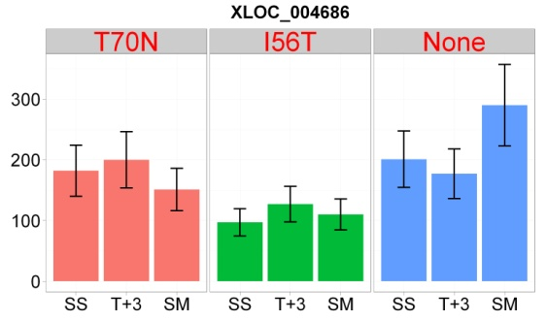
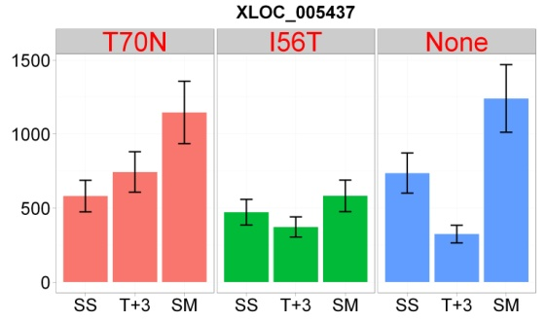
Location and abundance of the antisense transcripts presented in Table 5

a) Up-regulated in I56T SM compared to VEC SM

TCONS_00000239
TCONS_00001125

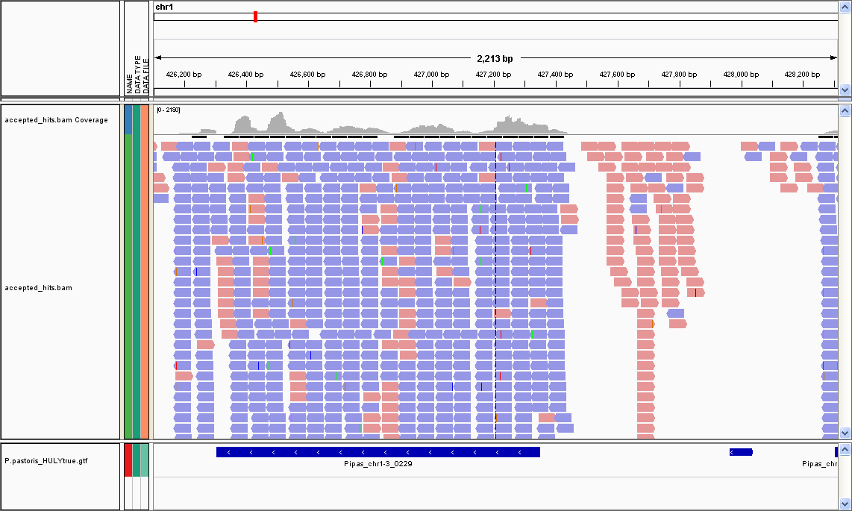
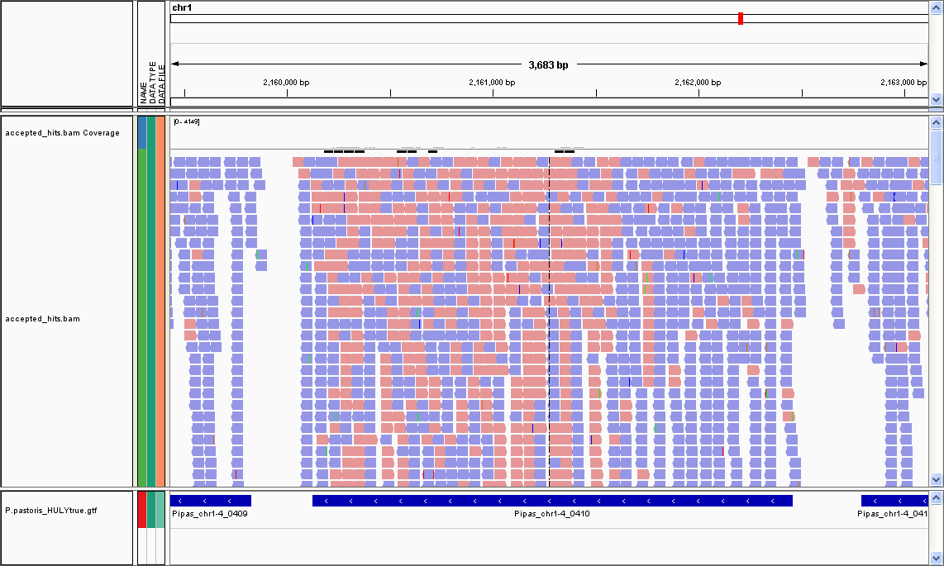

PAS_Chr1-3_0229
PAS_Chr1-4_0410
TCONS_00000239
TCONS_00001125

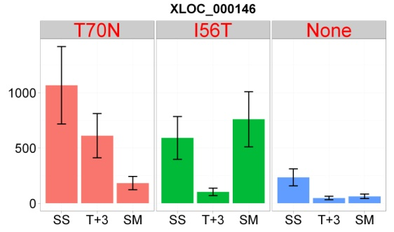
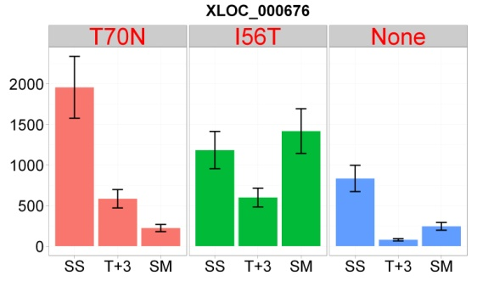

TCONS_00001435
TCONS_00003627

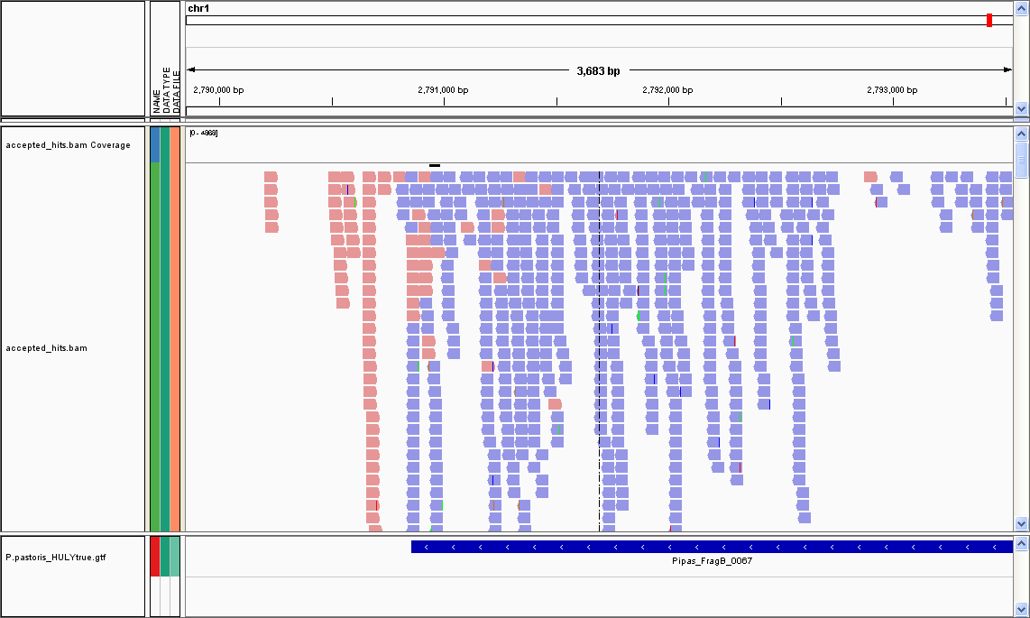
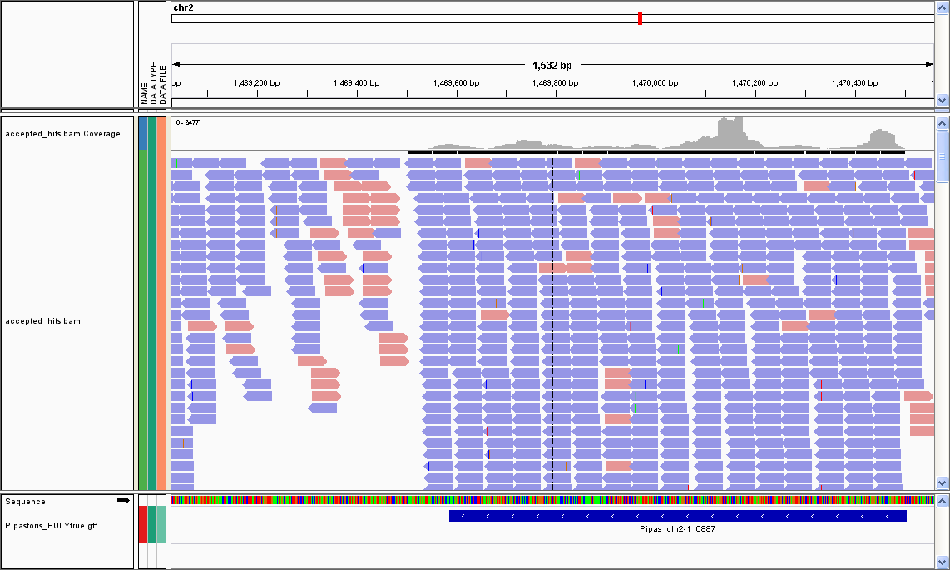

PAS_FRAGB_0067
PAS_2-1_0887

TCONS_00001435
TCONS_00003627

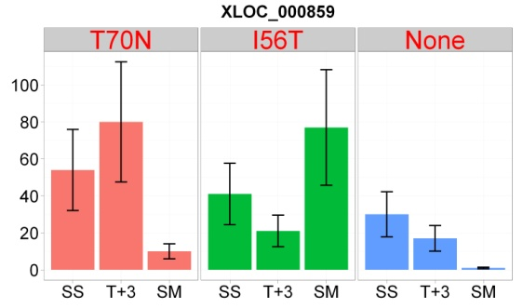
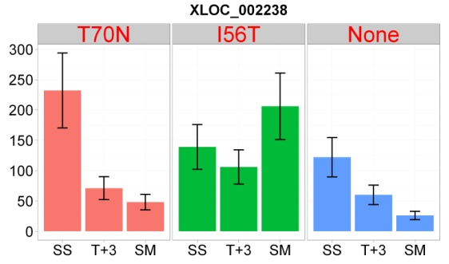

TCONS_00006515

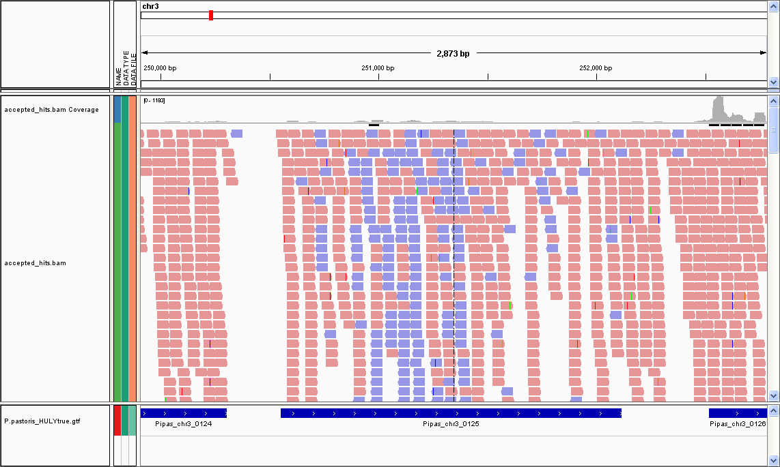

PAS_Chr3_0125

TCONS_00006515

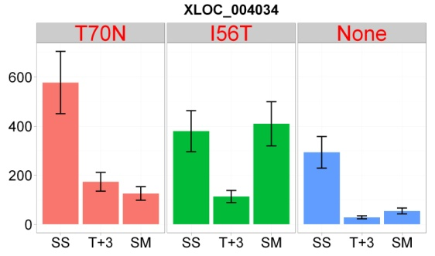

a) Down-regulated in I56T SM compared to VEC SM

TCONS_00001541
TCONS_00001891

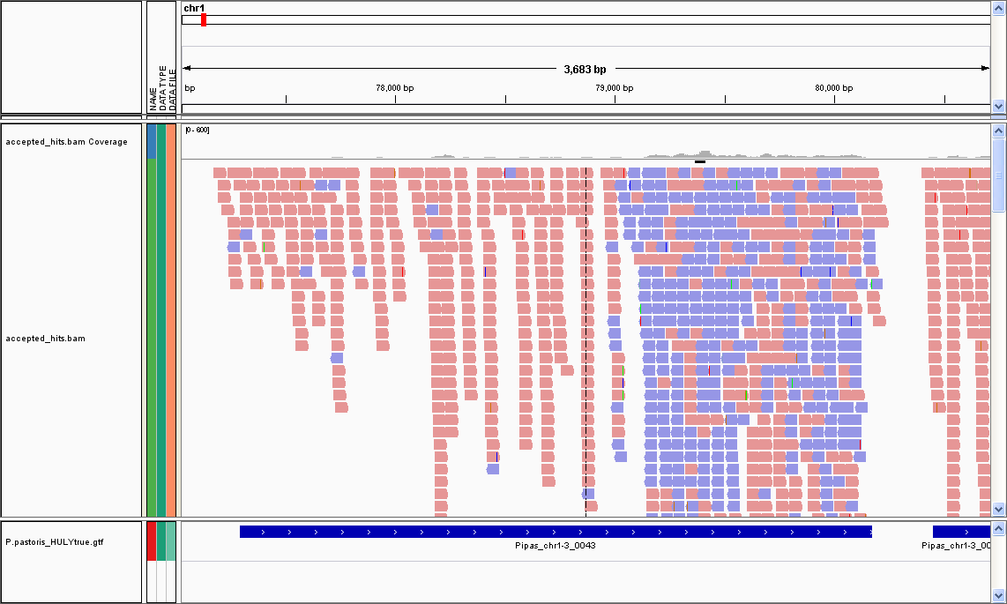
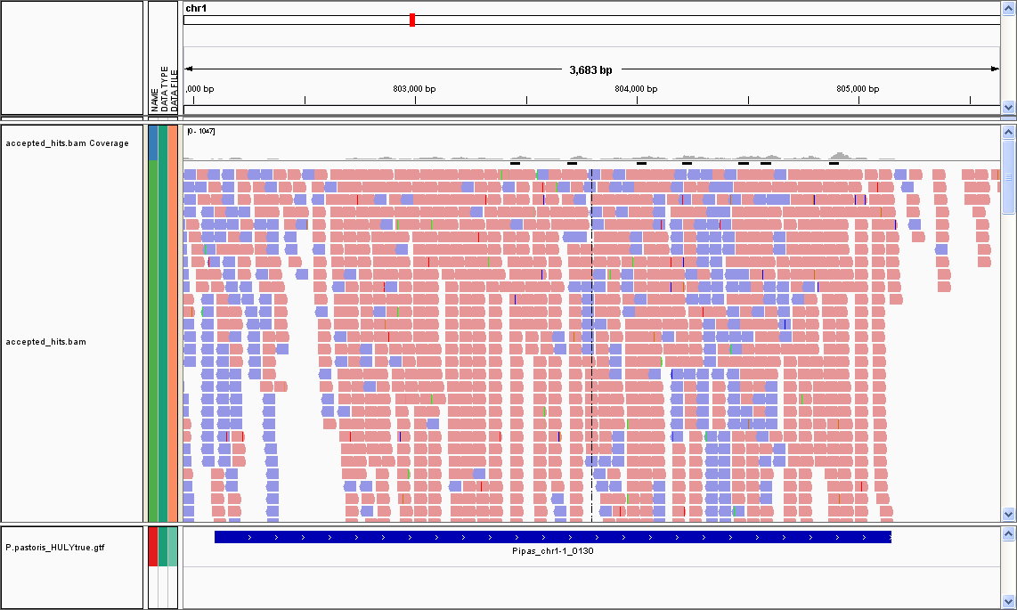

PAS_Chr1-3_0043
PAS_Chr1-1_0130

TCONS_00001541
TCONS_00001891

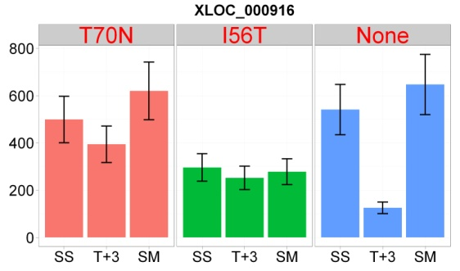
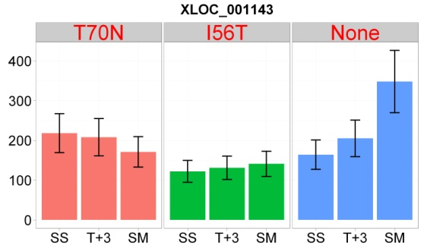

TCONS_00004132
TCONS_00004278

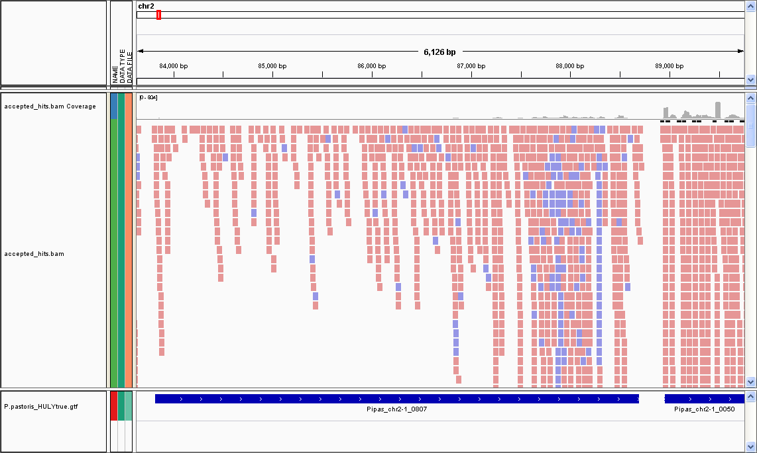
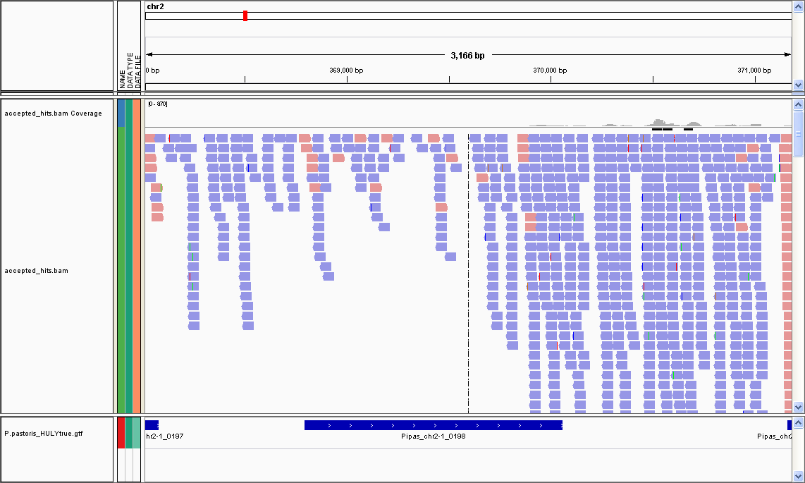

PAS_Chr2-1_0807
PAS_Chr2-1_0198
TCONS_00004132
TCONS_00002056

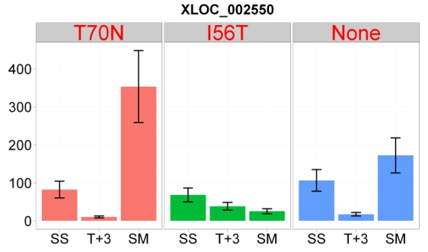
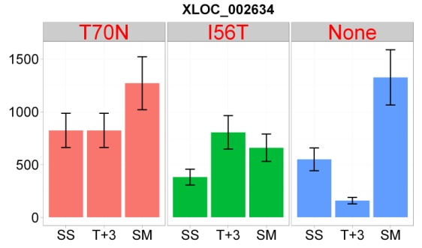

TCONS_00005430
TCONS_00005654

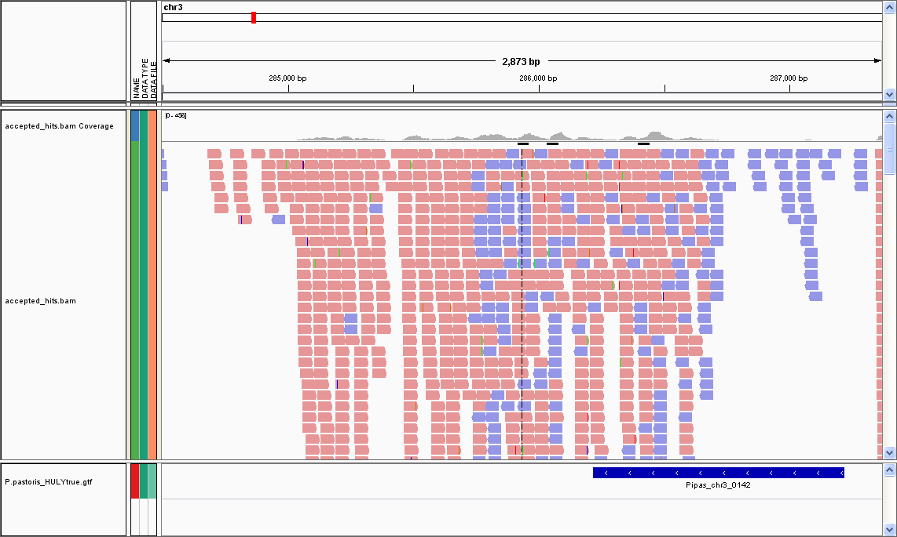
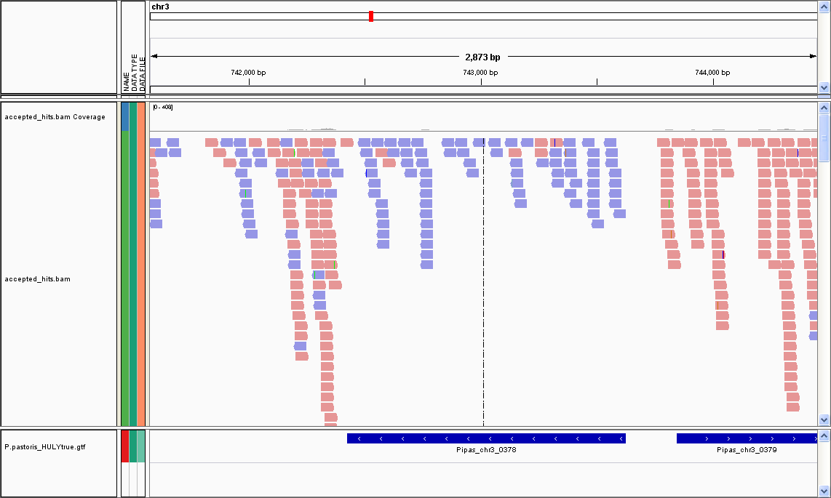

PAS_Chr3_0142
PAS_Chr3_0378

TCONS_00005430
TCONS_00005654

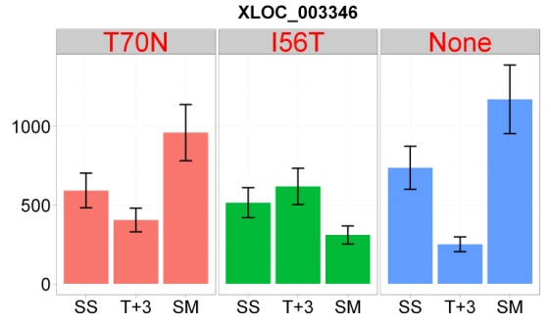
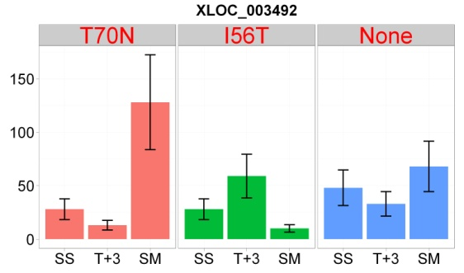

TCONS_00005693
TCONS_00006875

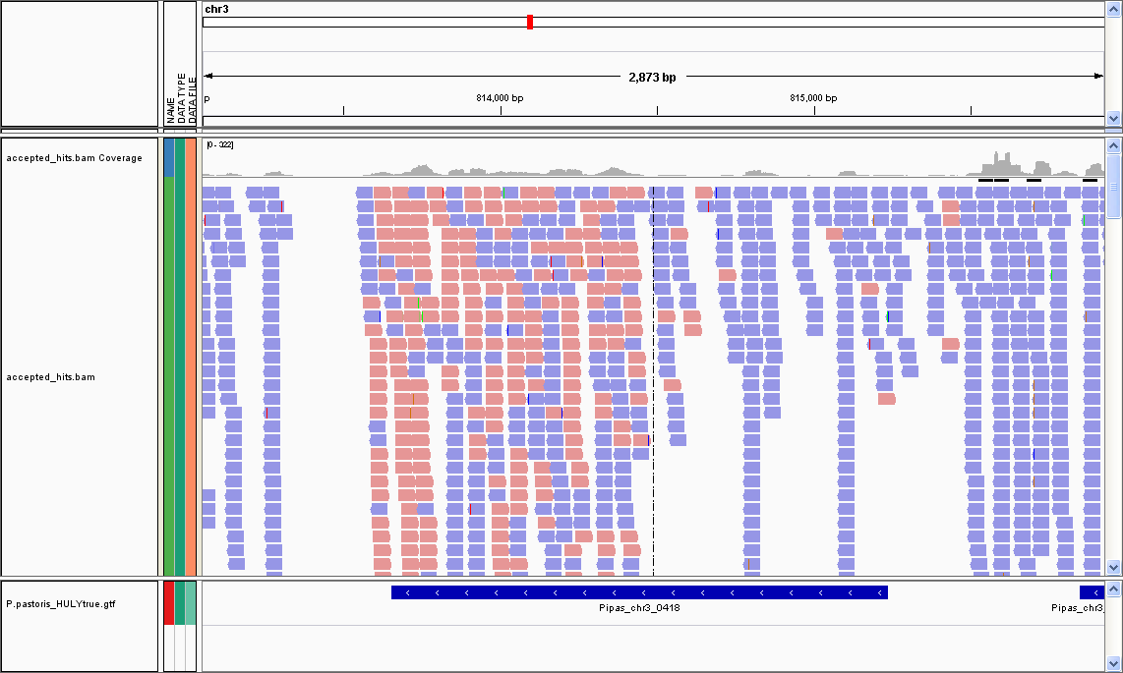
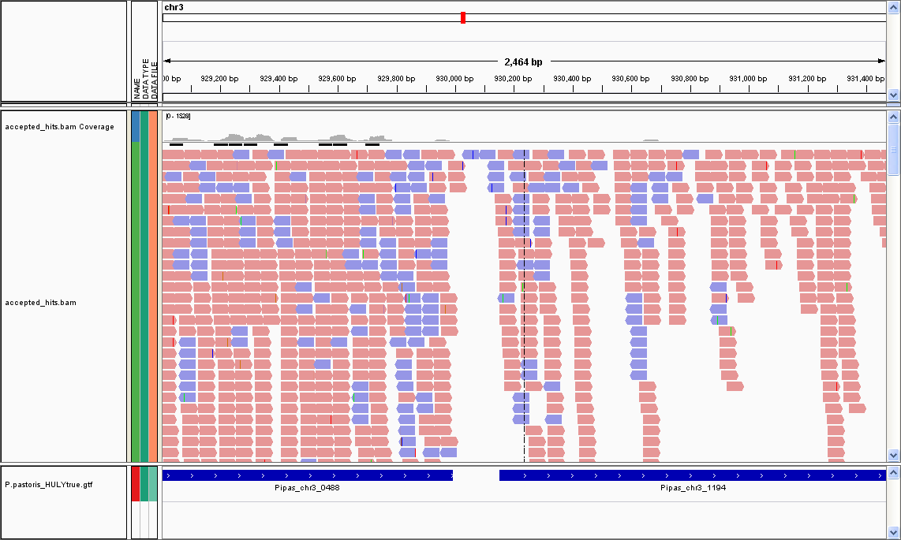

PAS_Chr3_0418
PAS_Chr3_0488
PAS_Chr3_1193
TCONS_00005693
TCONS_00006875

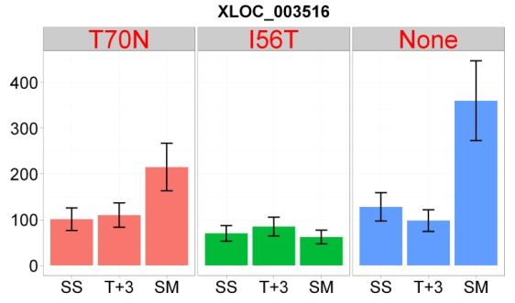
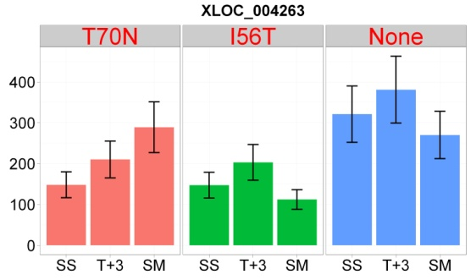

TCONS_00007559
TCONS_00008775

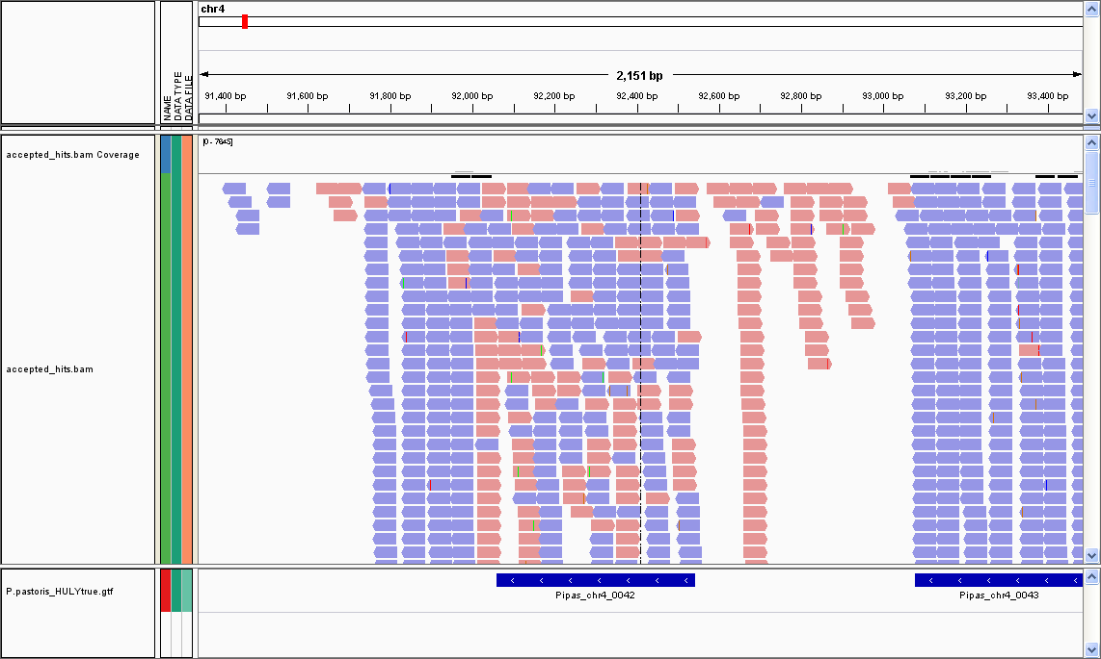
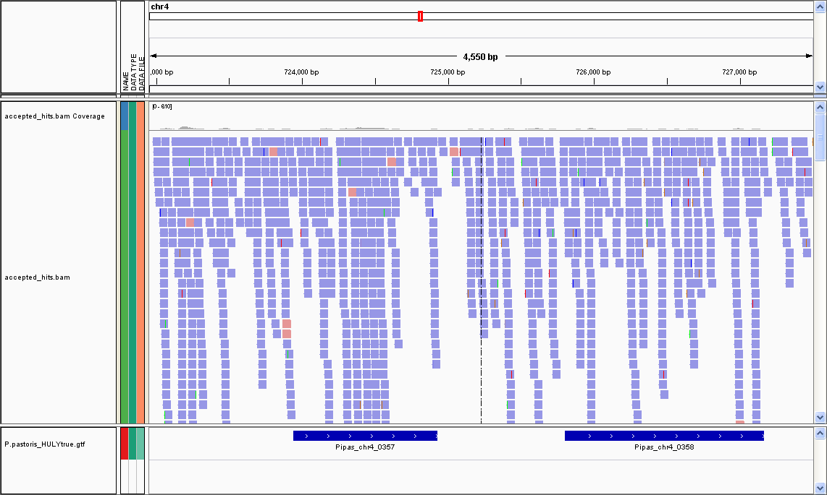

PAS_Chr4_0358
PAS_Chr4_0042
PAS_Chr4_0357
TCONS_00007559
TCONS_00008775

