Resolution
Depth and surface radius of Back scattered electrons from Monte-Carlo simulation.

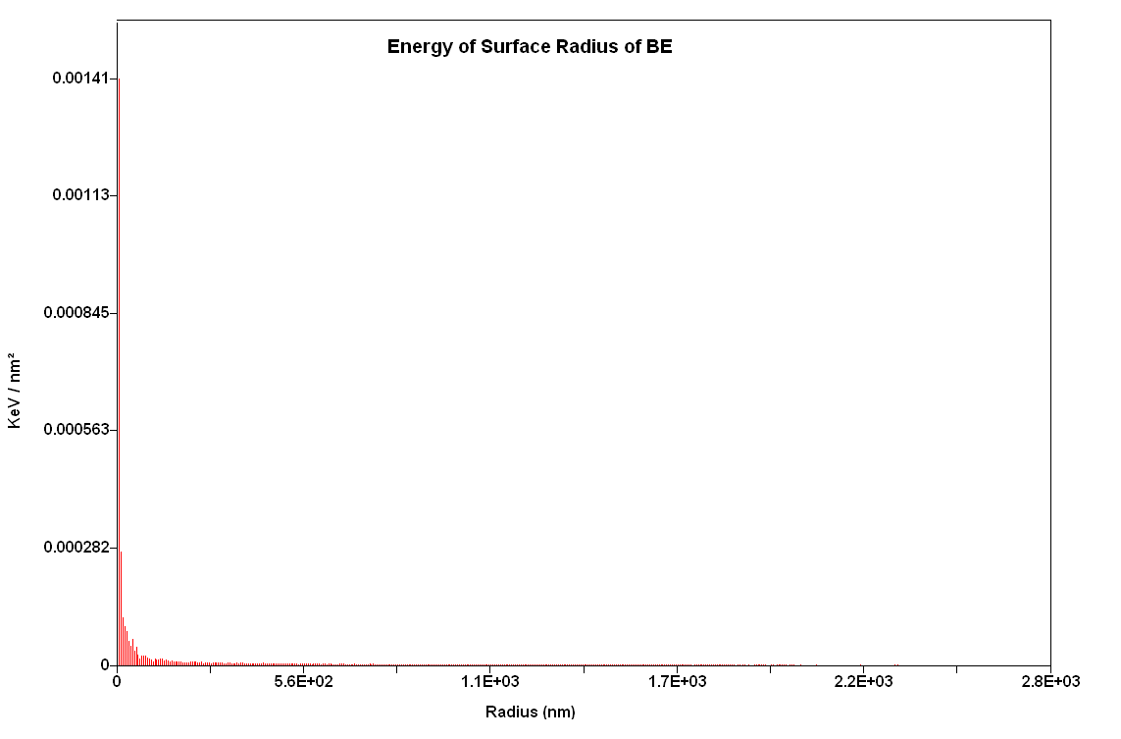
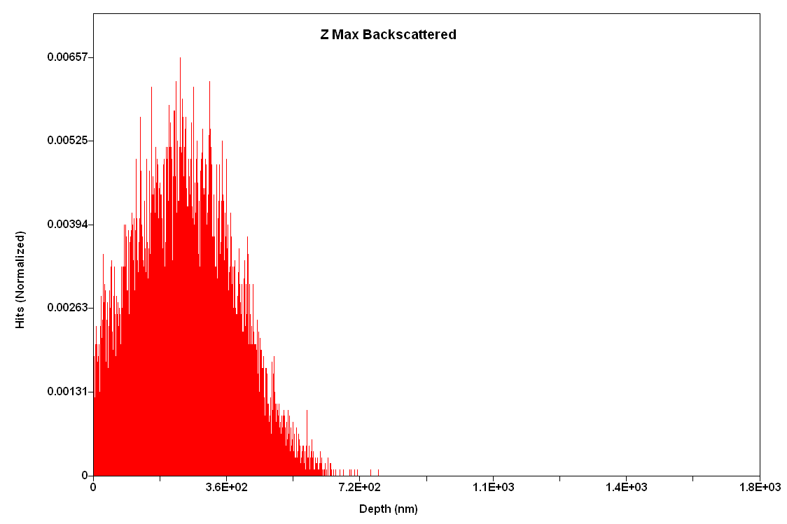

Modelling of a crack to constrain minimum resolvable timescale at a perticular temperature

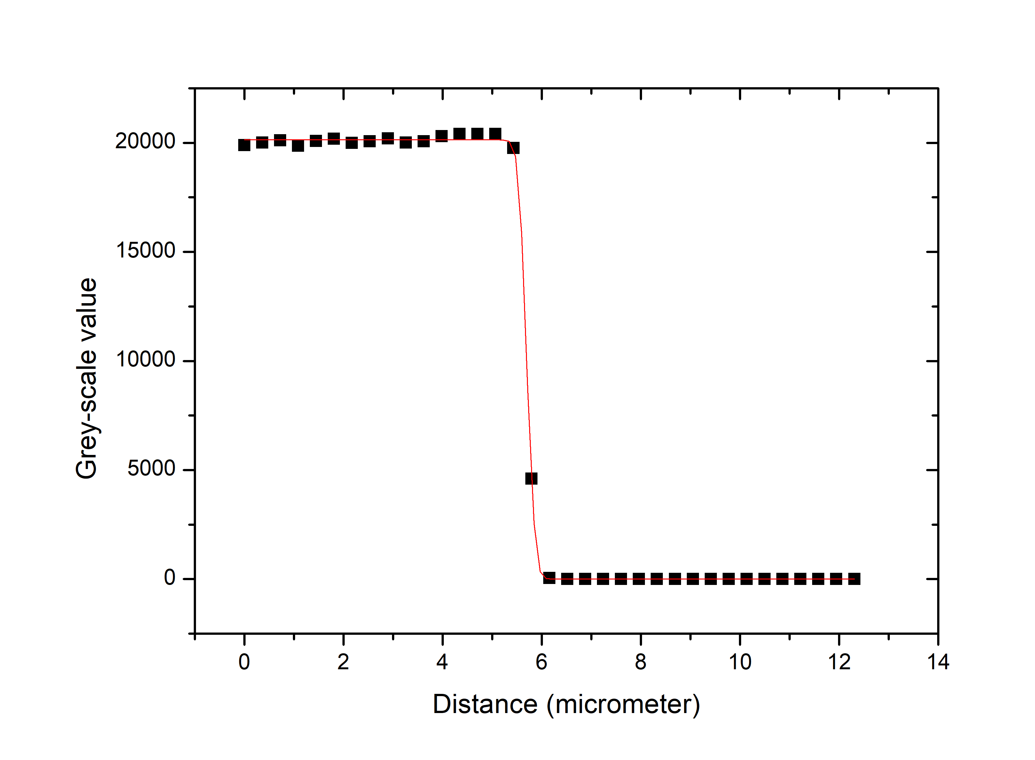

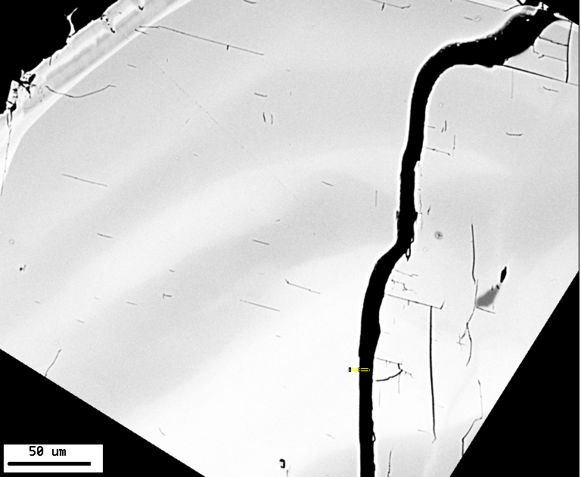

 | T (deg C) | Time (in years) | Time (in days)
 | 870 | 0.57 | 206.4
 | 840 | 2.06 | 750.4
 | 780 | 33.88 | 12367.9
 | 1010 | 0.00 | 1.1
 | 890 | 0.25 | 90.6

In-diffusion
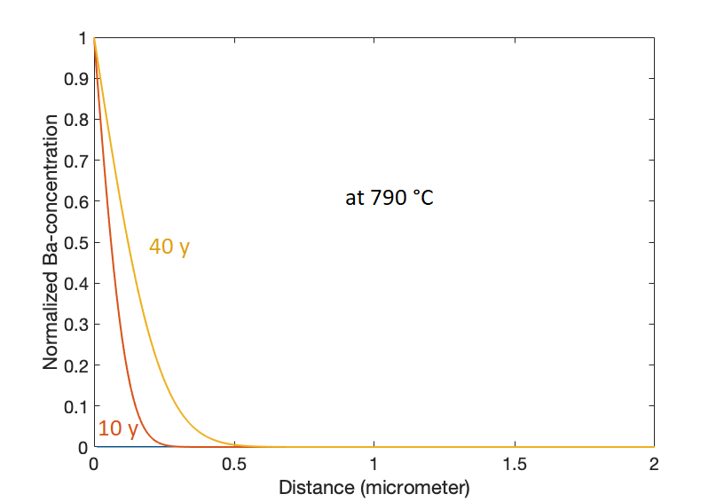
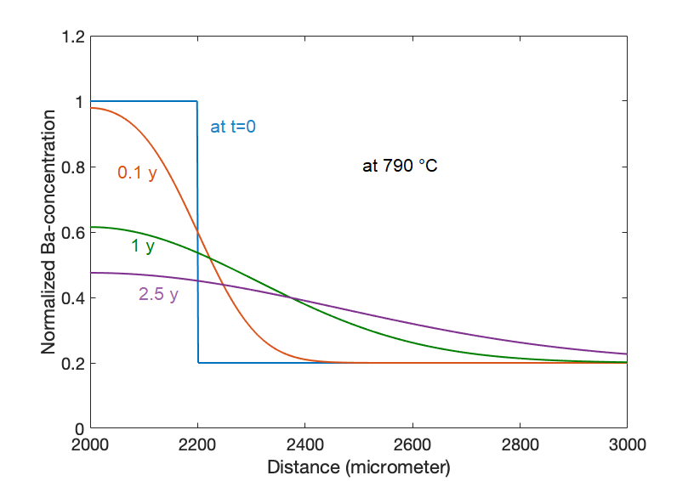
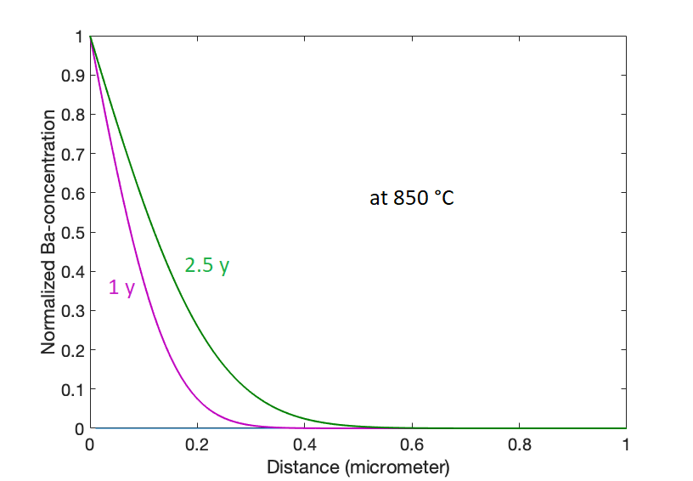
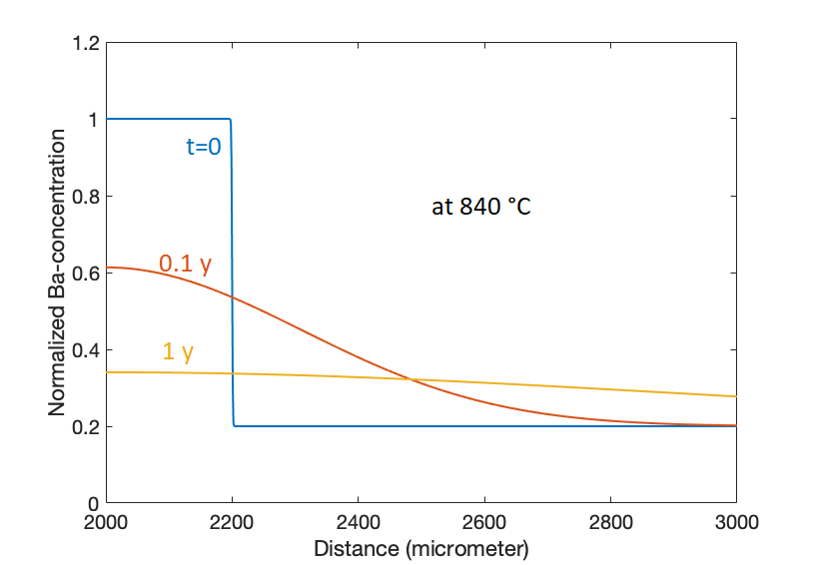
Constraints on the effects of Ba in-diffusion (from Ba-enriched melt layer into the crystal) on the initial profile

 | Ba in-diffusion assuming a constant source of Ba at crystal boundary | Diffusion of Ba from enriched melt layer (surrounding the crystal) into surrounding non-enriched melt

Melt heterogeneity
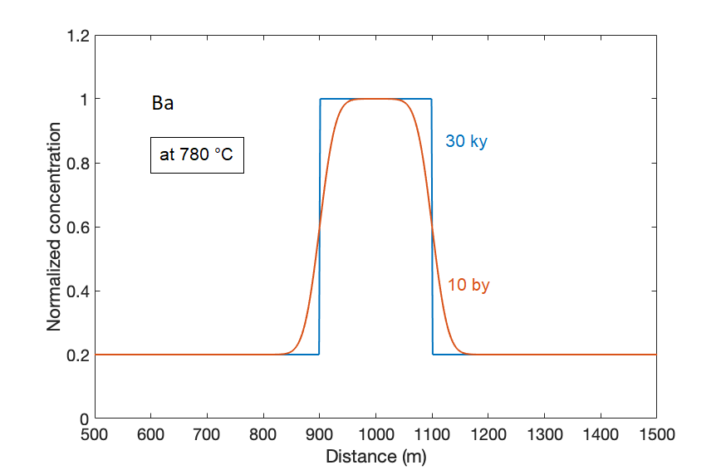
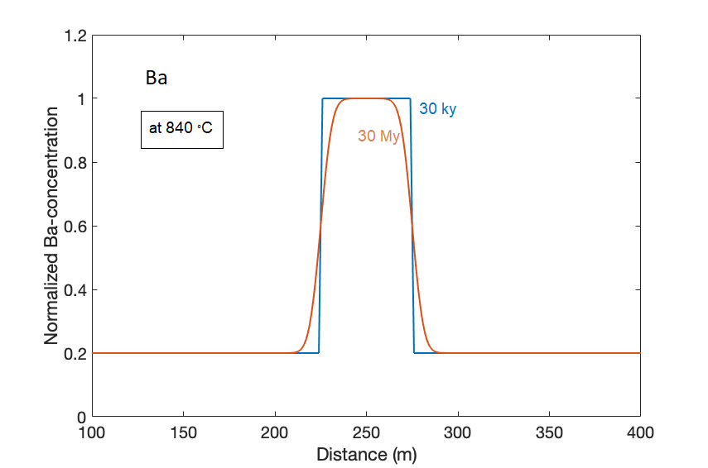
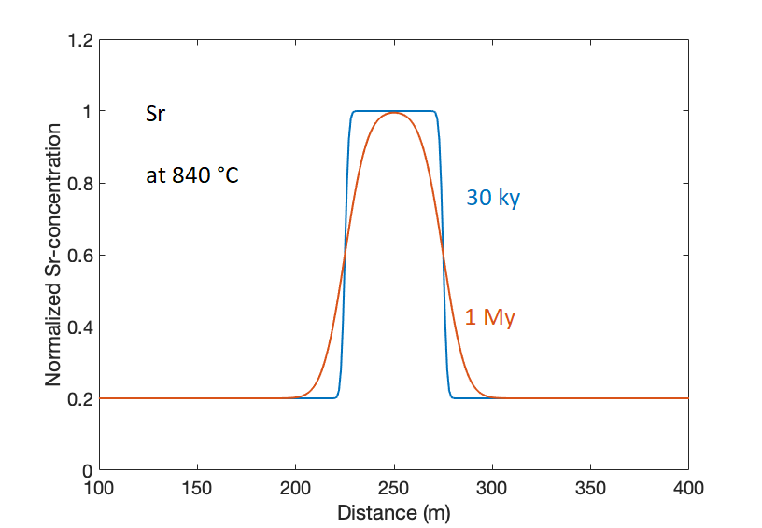
Modelling of persistence of Ba and Sr heterogeneity in melt. The modelling is done with a finite source diffusion model assumming 100% melt. Actual composite diffusivity might be lower (thus longer timescales) depending on crystal content and availability of inter-connected melt framework

Error calculation
Uncertainties in the diffusion timescales:

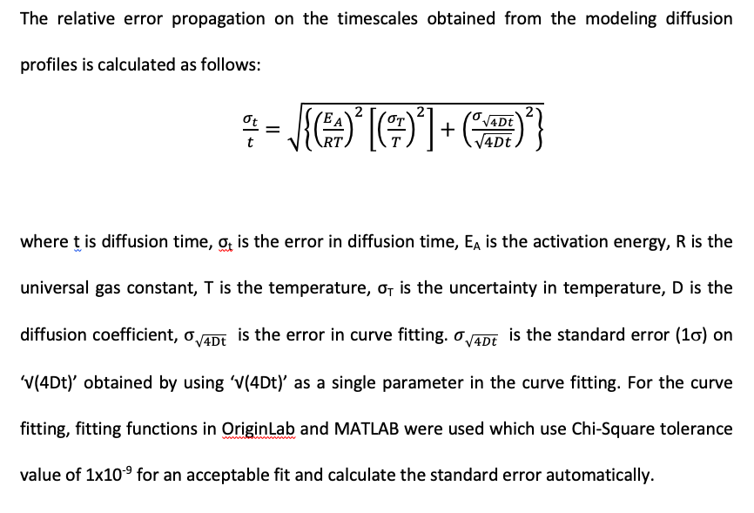

Based on Rout et al. (2020) American Mineralogist 105:227–238

