LA-ICP-MS Q.C. NIST
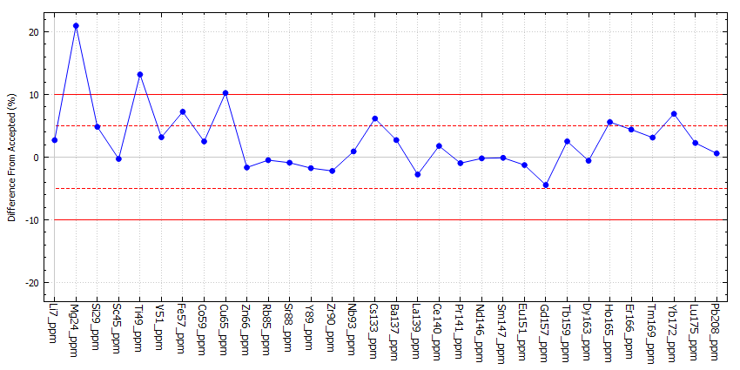
Session 1 - Sample AF20-04
Secondary Check
Default Accuracy Alarm Value | 5
Default Accuracy Warning Value | 10
Default Variation Alarm Value | 30
Default Variation Warning Value | 25
MaskBelowLOD | true
RefMat | G_NIST610
exceptions | { }
Channel | Element | Measured | Accepted | % Diff | Variation (%RSD) | Minimum | Maximum | &#60; LOD | Calibrant
Sr88_ppm | Sr | 511.235 | 515.5 | -0.83 | 6.84 | 487.117 | 533.799 | No | G_NIST612
Ba137_ppm | Ba | 459.724 | 452 | 1.71 | 4.54 | 445.616 | 472.459 | No | G_NIST612
La139_ppm | La | 426.359 | 440 | -3.1 | 4.89 | 417.74 | 446.36 | No | G_NIST612
Ce140_ppm | Ce | 459.881 | 453 | 1.52 | 4.45 | 449.295 | 475.068 | No | G_NIST612
Pr141_ppm | Pr | 441.596 | 448 | -1.43 | 5.9 | 423.782 | 457.665 | No | G_NIST612
Nd146_ppm | Nd | 430.863 | 430 | 0.2 | 7.53 | 413.244 | 454.166 | No | G_NIST612
Sm147_ppm | Sm | 452.646 | 453 | -0.08 | 6.48 | 436.829 | 471.692 | No | G_NIST612
Eu151_ppm | Eu | 443.469 | 447 | -0.79 | 7.33 | 418.716 | 468.458 | No | G_NIST612

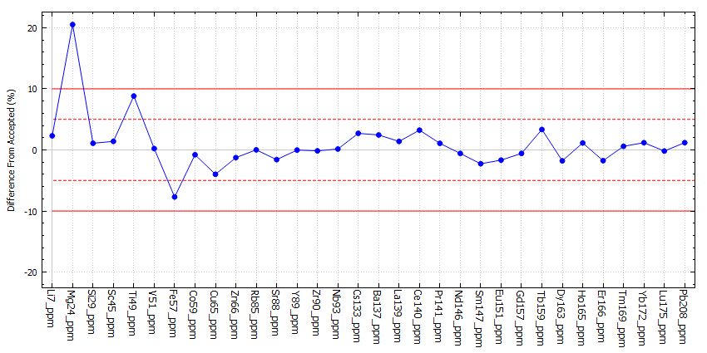
Session 2 - Sample AF20-12
Secondary Check
Default Accuracy Alarm Value | 10
Default Accuracy Warning Value | 5
Default Variation Alarm Value | 30
Default Variation Warning Value | 25
MaskBelowLOD | true
RefMat | G_NIST610
exceptions | { }
Channel | Element | Measured | Accepted | % Diff | Variation (%RSD) | Minimum | Maximum | &#60; LOD | Calibrant
Sr88_ppm | Sr | 507.295 | 515.5 | -1.59 | 10.98 | 453.219 | 534.762 | No | G_NIST612
Ba137_ppm | Ba | 463.064 | 452 | 2.45 | 10.27 | 428.659 | 499.479 | No | G_NIST612
La139_ppm | La | 446.111 | 440 | 1.39 | 7.16 | 419.787 | 465.122 | No | G_NIST612
Ce140_ppm | Ce | 467.672 | 453 | 3.24 | 7.12 | 446.55 | 492.962 | No | G_NIST612
Pr141_ppm | Pr | 452.831 | 448 | 1.08 | 8.32 | 432.653 | 484.472 | No | G_NIST612
Nd146_ppm | Nd | 427.52 | 430 | -0.58 | 9.6 | 393.417 | 453.28 | No | G_NIST612
Sm147_ppm | Sm | 442.725 | 453 | -2.27 | 2.88 | 433.155 | 452.663 | No | G_NIST612
Eu151_ppm | Eu | 439.541 | 447 | -1.67 | 6.94 | 413.599 | 464.903 | No | G_NIST612

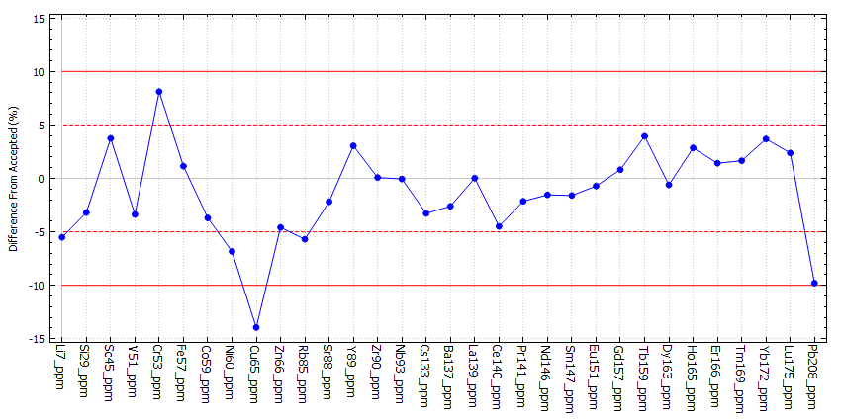
Session 3 - Sample AF20-25, AF20-46 & Z131
Secondary Check
Default Accuracy Alarm Value | 10
Default Accuracy Warning Value | 5
Default Variation Alarm Value | 30
Default Variation Warning Value | 25
MaskBelowLOD | true
RefMat | G_NIST610
exceptions | { }
Channel | Element | Measured | Accepted | % Diff | Variation (%RSD) | Minimum | Maximum | &#60; LOD | Calibrant
Sr88_ppm | Sr | 504.18 | 515.5 | -2.2 | 3.11 | 488.062 | 513.797 | No | G_NIST612
Ba137_ppm | Ba | 440.205 | 452 | -2.61 | 3.74 | 431.752 | 454.273 | No | G_NIST612
La139_ppm | La | 440.087 | 440 | 0.02 | 5.21 | 423.512 | 456.664 | No | G_NIST612
Ce140_ppm | Ce | 432.645 | 453 | -4.49 | 4.83 | 415.103 | 445.909 | No | G_NIST612
Pr141_ppm | Pr | 438.402 | 448 | -2.14 | 3.62 | 427.916 | 449.464 | No | G_NIST612
Nd146_ppm | Nd | 423.361 | 430 | -1.54 | 4.65 | 406.973 | 433.804 | No | G_NIST612
Sm147_ppm | Sm | 445.752 | 453 | -1.6 | 4.29 | 431.079 | 463.564 | No | G_NIST612
Eu151_ppm | Eu | 443.773 | 447 | -0.72 | 2.75 | 435.681 | 456.378 | No | G_NIST612

