Figure S1
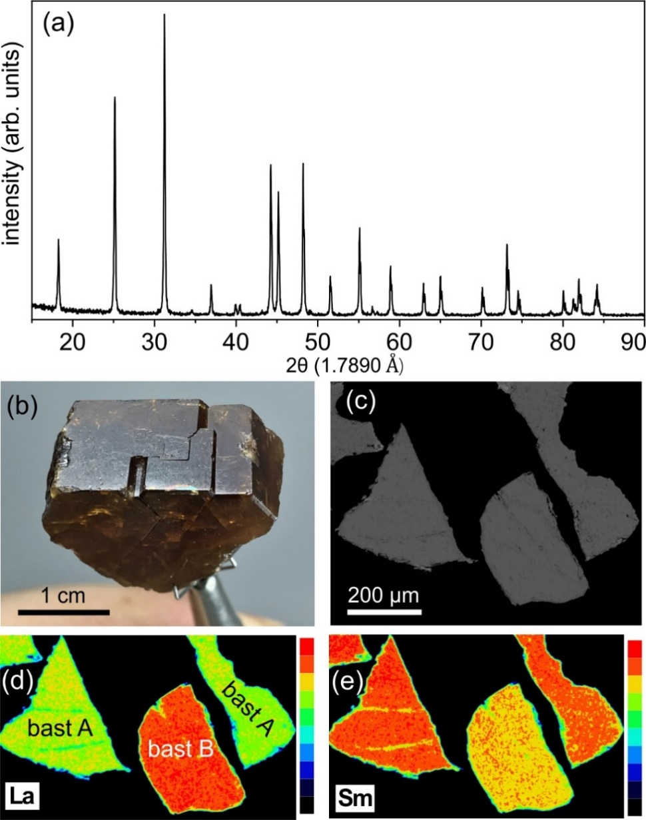

Figure S1. Characterisation of the bastnäsite starting material from Zagi Mountain. (a) PXRD pattern. (b) Optical image of the bastnäsite crystal. (c) BSE image of a typical bastnäsite grain (cross-section view). (d, e) EDS maps of La and Sm of the same sample in (c).

