Suppl Table 3
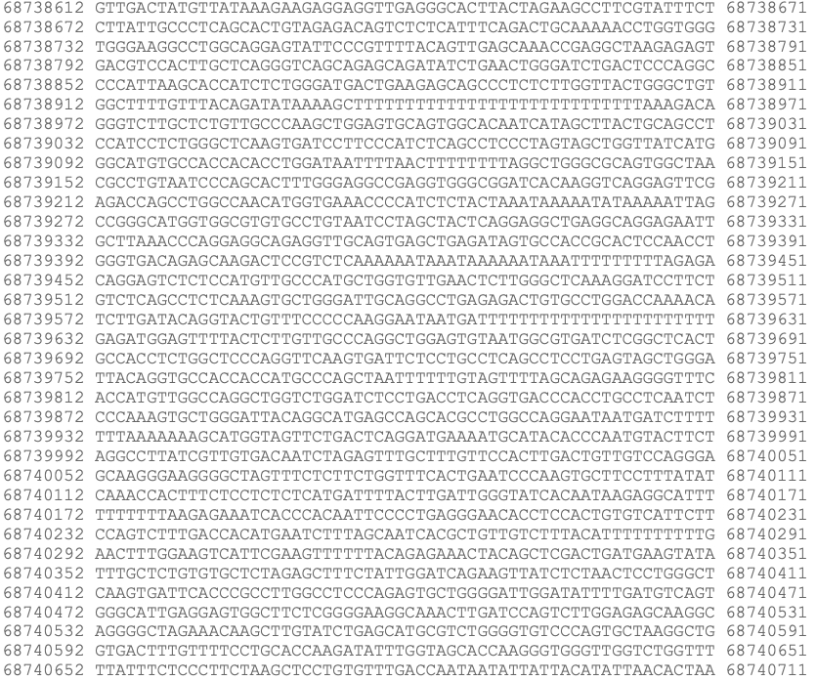
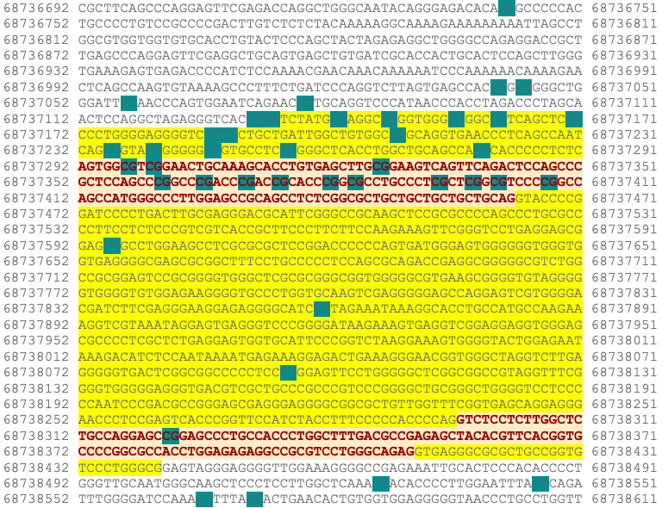
Supplementary Table 3. CpGs sites along the CDH1 gene that have been studied by methylation analysis.
UCSC_REFGENE_GROUP | RELATION_TO_UCSC_CPG_ISLAND | Position | References* | References*
TSS1500 | N_shore | 68736742 | 8 | 1. Sarrió, D. et al. Epigenetic and genetic alterations of APC and CDH1 genes in lobular breast cancer: Relationships with abnormal E-cadherin and catenin expression and microsatellite instability: E-Cadherin, Catenins and APC. Int. J. Cancer 106, 208–215 (2003).
 |  | 68737040 | Present study, 7, 8
 |  | 68737043 | Present study, 8 | 2. Lombaerts, M. et al. Infiltrating leukocytes confound the detection of E-cadherin promoter methylation in tumors. Biochemical and Biophysical Research Communications 319, 697–704 (2004).
 |  | 68737056 | Present study
 |  | 68737077 | Present study, 7, 8 | 3. Zou, D. et al. Epigenetic silencing in non-neoplastic epithelia identifies E-cadherin ( CDH1 ) as a target for chemoprevention of lobular neoplasia. J. Pathol. 218, 265–272 (2009).
TSS200 | Island | 68737131 | Present study, 2, 4, 5, 6, 8, 9
 |  | 68737133 | Present study, 2, 4, 5, 6, 9 | 4. Shinozaki, M. et al. Distinct hypermethylation profile of primary breast cancer is associated with sentinel lymph node metastasis. Clin Cancer Res 11, 2156–2162 (2005).
 |  | 68737141 | Present study, 2, 4, 5, 6, 9
 |  | 68737147 | Present study, 2, 4, 5, 6, 9 | 5. Liu, J. et al. CDH1 promoter methylation correlates with decreased gene expression and poor prognosis in patients with breast cancer. Oncology Letters 11, 2635–2643 (2016).
 |  | 68737155 | Present study, 2, 4, 5, 6, 7, 8, 9
 |  | 68737160 | Present study, 2, 4, 5, 6, 9 | 6. Droufakou, S. et al. Multiple ways of silencing E-cadherin gene expression in lobular carcinoma of the breast. Int. J. Cancer 92, 404–408 (2001).
 |  | 68737169 | Present study, 2, 4, 5, 6
 |  | 68737186 | 2, 4, 5, 6 | 7. Ciriello, G. et al. Comprehensive Molecular Portraits of Invasive Lobular Breast Cancer. Cell 163, 506–519 (2015).
 |  | 68737188 | 2, 4, 5, 6, 7, 8
 |  | 68737208 | 2, 4, 5, 6 | 8. Alexander, J. et al. Assessment of the Molecular Heterogeneity of E-Cadherin Expression in Invasive Lobular Breast Cancer. Cancers 14, 295 (2022).
 |  | 68737234 | 3
 |  | 68737239 | 3, 8 | 9. Fridrichova, I. et al. CXCL12 and ADAM23 hypermethylation are associated with advanced breast cancers. Translational Research 165, 717–730 (2015).
 |  | 68737246 | 3
 |  | 68737255 | 3
First exon |  | 68737278 | Present study, 1, 3, 7, 8
 |  | 68737296 | Present study, 1, 3, 7, 8
 |  | 68737299 | Present study, 1, 3, 7, 8
 |  | 68737326 | 1, 3
 |  | 68737349 | 1, 3
 |  | 68737359 | 1, 3
 |  | 68737364 | 1, 3
 |  | 68737369 | 1, 3
 |  | 68737373 | 1, 3
 |  | 68737382 | 3
 |  | 68737392 | 3
 |  | 68737396 | 3
 |  | 68737399 | 3
 |  | 68737405 | 3
Body |  | 68737594 | 7, 8
 |  | 68737859 | 7, 8
 |  | 68738095 | 7, 8
Second exon |  | 68738321 | 7, 8
Body | S_shore | 68738526 | Present study, 7, 8
 |  | 68738545 | Present study
 |  | 68738565 | Present study, 7, 8
 |  | 68738571 | Present study
 |  | 68740805 | 8
 |  | 68741082 | 8

hg38_cpgIslandExt_CpG: 103 range=chr16:68737132-68738441

