Post-Collapse Mass Calculations
Note: Calculating initial post-collapse mass based on the pre-collapse proportion of tuff to lava in the remnant portion of the edifice. All material emplaced pre-1960 is assumed to be represented by tuff (density of 1690.323 kg/m3), all material emplaced between 1960-2018 is assumed to be represented by lava, but is calculated using two bounds: an upper bound of entirely lava (density of 2315.102 kg/m3) and a lower bound using a 75:25 ratio of lava:pyroclastic cone (density of 2080.00 kg/m3). All material to the SW of the collapse scar was removed by the December 2018 failure.

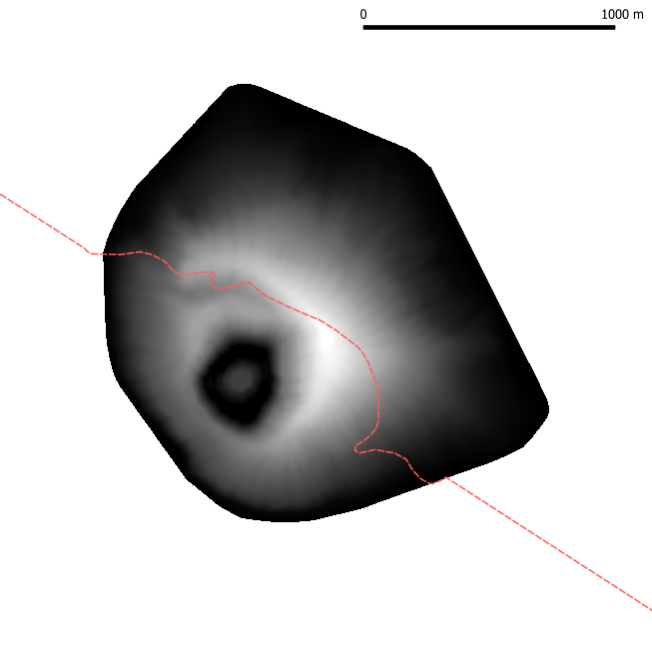
NE of collapse scar
SW of collapse scar
Collapse geometry
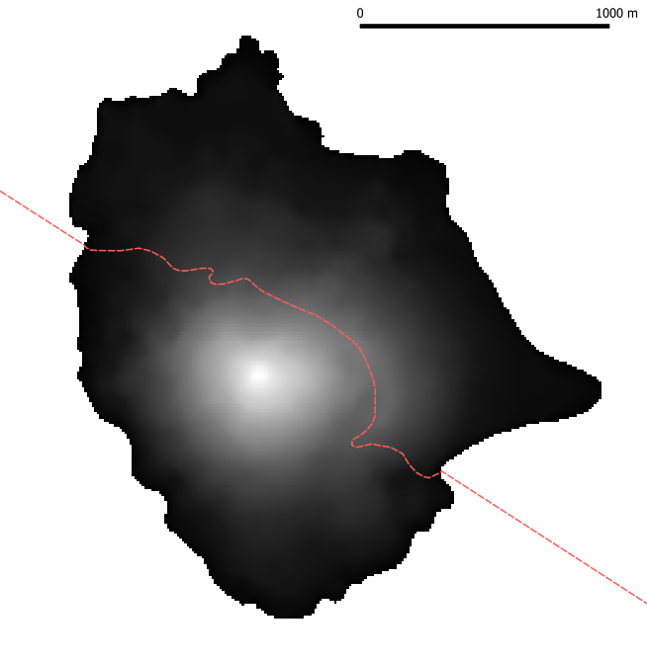
NE of collapse scar
SW of collapse scar
Collapse geometry
Upper Bound (2315.102 kg/m3) |  |  | Pre-Collapse
Total Edifice | Volume (m3) | Mass (kg) | January 1960 | December 2018
1960 | 98141615.58 | 165891030071.92
Pre-collapse 2018 | 173718741.07 | 340859784439.65
Post-collapse 2018 | 57279355.01 | 102365873478.18
Collapse | 116439386.05 | 238493910961.47

NE of the collapse scar | Volume (m3) | Mass (kg)
1960 (tuff only) | 48403796.98 | 81818051323.44
Pre-collapse 2018 (tuff + lava) | 57279355.01 | 102365873478.18
2018 - 1960 (lava only) | 8875558.03 | 20547822154.75

SW of the collapse scar | Volume (m3) | Mass (kg)
1960 (tuff only) | 49737818.60 | 84072978748
Pre-collapse 2018 (tuff + lava) | 116439386.05 | 238493910961.47
2018 - 1960 (lava only) | 66701567.453 | 154420932212.98

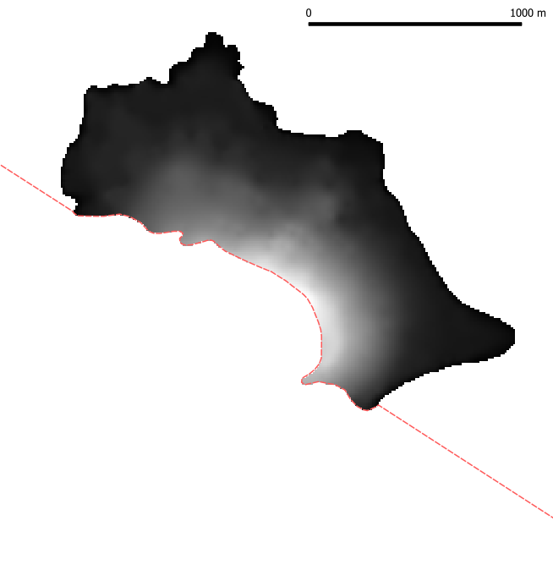
NE of collapse scar
SW of collapse scar
Collapse geometry
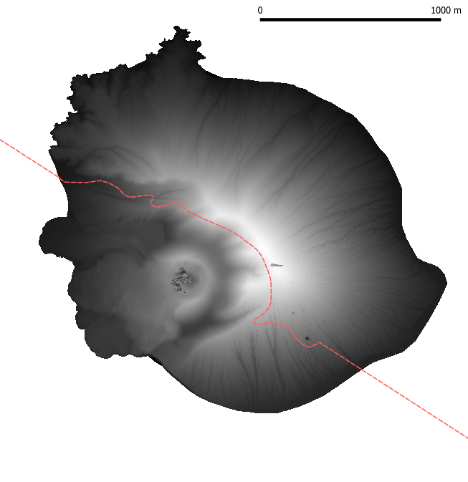
NE of collapse scar
SW of collapse scar
Collapse geometry
Lower Bound (2080.00 kg/m3) |  |  | Post-Collapse
Total Edifice | Volume (m3) | Mass (kg) | December 2018 | June 2023
1960 | 98141615.58 | 165891030071.92
Pre-collapse 2018 | 173718741.07 | 323091451083.56
Post-collapse 2018 | 57279355.01 | 100279212033.36
Collapse | 116439386.05 | 222812239050.19

NE of the collapse scar | Volume (m3) | Mass (kg)
1960 (tuff only) | 48403796.98 | 81818051323.44
Pre-collapse 2018 (tuff + lava) | 57279355.01 | 100279212033.36
2018 -1960 (lava only) | 8875558.03 | 18461160709.93

SW of the collapse scar | Volume (m3) | Mass (kg)
1960 (tuff only) | 49737818.60 | 84072978748
Pre-collapse 2018 (tuff + lava) | 116439386.05 | 222812239050.19
2018 - 1960 (lava only) | 66701567.453 | 138739260301.71

