Shape and U-Th-Pb parameters
Table S4: Zircon shape parameters and U-Pb ages inferred from zircon population in BLZ samples
 | shape parameters |  |  |  |  | U-Pb dating |  |  | U-Th-Pb conc. |  |  |  | radiation
grain no | length | width | aspect | roundness | typology | no | Age | con% | U | Th | Pb | Th/U
 | µm | µm |  | .1-5 | Pupin (1980) |  | Ma |  | ppm | ppm | ppm |  | alpha - decay doses/ mg
 |  |  |  | Zeh&Cabral | code (1-49)
 |  |  |  | .(2021)

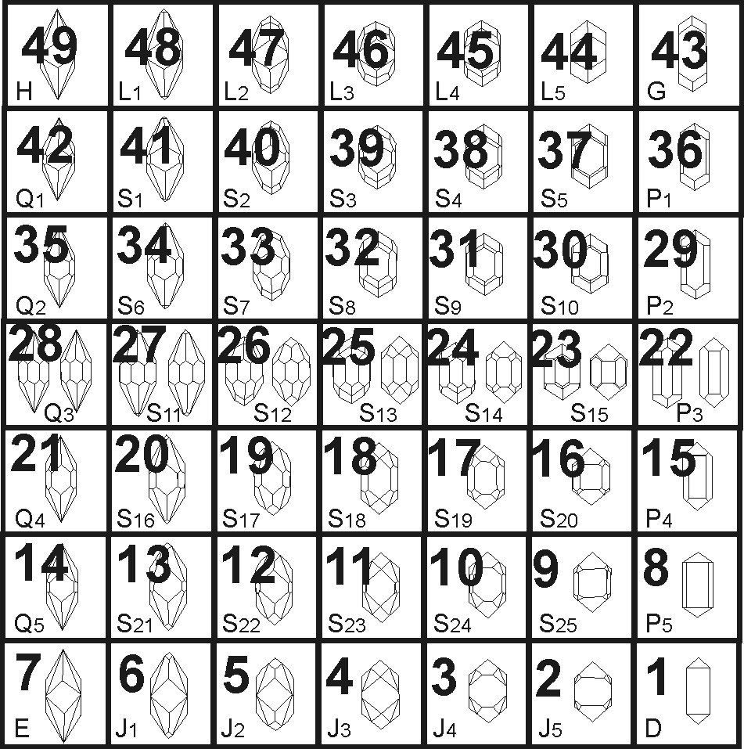
sample PR19
1 | 222 | 142 | 2 | 1 | 18 | U181 | 380 | 95 | 353 | 178 | 26 | 0.51 | 5.06E+14
2 | 90 | 62 | 1 | 1 | - | U182 | 576 | 99 | 136 | 55 | 15 | 0.41 | 2.95E+14
3 | 77 | 57 | 1 | 5 | - | U183 | 460 | 180 | 220 | 78 | 20 | 0.35 | 3.73E+14
4 | 98 | 60 | 2 | - | - | U184 | 372 | 88 | 583 | 369 | 45 | 0.63 | 8.42E+14
5 | 106 | 54 | 2 | 1 | 38 | U185 | 191 | 54 | 3762 | 879 | 130 | 0.23 | 2.52E+15
6 | 94 | 92 | 1 | 1 | 25 | U186 | 390 | 107 | 821 | 592 | 66 | 0.72 | 1.27E+15
7 | 105 | 64 | 2 | 4 | - | U187 | 632 | 96 | 82 | 110 | 13 | 1.34 | 2.34E+14
8 | 165 | 62 | 3 | 1 | 19 | U188 | 397 | 93 | 622 | 536 | 53 | 0.86 | 1.00E+15
9 | 79 | 57 | 1 | 1 | - | U189 | 412 | 93 | 1250 | 2170 | 148 | 1.74 | 2.44E+15
10 | 114 | 66 | 2 | 4 | - | U190 | 3325 | 100 | 223 | 95 | 211 | 0.43 | 4.04E+15
11 | 101 | 64 | 2 | 1 | 18 | U191 | 556 | 92 | 451 | 467 | 58 | 1.04 | 1.07E+15
12 | 120 | 58 | 2 | 1 | 17 | U192 | 394 | 99 | 984 | 632 | 78 | 0.64 | 1.51E+15
13 | 80 | 60 | 1 | 2 | 31 | U193 | 404 | 112 | 666 | 517 | 59 | 0.78 | 1.08E+15
14 | 153 | 104 | 1 | 5 | - | U194 | 2092 | 102 | 178 | 105 | 92 | 0.59 | 1.71E+15
15 | 108 | 77 | 1 | - | - | U195 | 1915 | 115 | 17 | 33 | 12 | 1.89 | 1.84E+14
16 | 98 | 67 | 1 | 5 | - | U196 | 2485 | 92 | 180 | 71 | 98 | 0.39 | 2.10E+15
17 | 101 | 59 | 2 | 4 | - | U197 | 397 | 98 | 492 | 399 | 41 | 0.81 | 7.85E+14
18 | 113 | 74 | 2 | 1 | 33 | U198 | 365 | 95 | 800 | 513 | 59 | 0.64 | 1.13E+15
19 | 164 | 73 | 2 | 3 | - | U199 | 2086 | 100 | 1402 | 49 | 602 | 0.03 | 1.21E+16
20 | 51 | 39 | 1 | 2 | - | U200 | 371 | 98 | 692 | 434 | 52 | 0.63 | 9.93E+14
21 | 64 | 47 | 1 | 3 | - | U206 | 411 | 105 | 282 | 145 | 22 | 0.51 | 4.40E+14
22 | 106 | 87 | 1 | 5 | - | U207 | 1691 | 117 | 514 | 273 | 230 | 0.53 | 3.77E+15
23 | 102 | 69 | 1 | 2 | - | U208 | 401 | 106 | 789 | 384 | 61 | 0.49 | 1.19E+15
24 | 96 | 60 | 2 | 2 | 18 | U209 | 410 | 102 | 604 | 389 | 50 | 0.64 | 9.66E+14
25 | 134 | 98 | 1 | 5 | - | U210 | 449 | 103 | 2354 | 650 | 200 | 0.28 | 3.83E+15
26 | 112 | 95 | 1 | - | - | U211 | 293 | 92 | 69 | 34 | 4 | 0.49 | 7.51E+13
27 | 130 | 87 | 1 | 5 | - | U212 | 1883 | 104 | 133 | 130 | 67 | 0.98 | 1.20E+15
28 | 143 | 61 | 2 | 4 | - | U213 | 2009 | 100 | 162 | 401 | 119 | 2.47 | 1.98E+15
29 | 128 | 102 | 1 | 5 | - | U214 | 608 | 104 | 454 | 77 | 50 | 0.17 | 9.92E+14
30 | 206 | 109 | 2 | 1 | 20 | U215 | 373 | 98 | 508 | 324 | 39 | 0.64 | 7.36E+14
31 | 80 | 75 | 1 | - | - | U216 | 379 | 99 | 340 | 226 | 26 | 0.67 | 5.03E+14
32 | 118 | 68 | 2 | 1 | 17 | U217 | 369 | 107 | 701 | 459 | 54 | 0.66 | 1.01E+15
33 | 103 | 48 | 2 | 3 | 37 | U218 | 641 | 101 | 711 | 162 | 84 | 0.23 | 1.66E+15
34 | 80 | 63 | 1 | 1 | 9 | U219 | 590 | 101 | 335 | 125 | 38 | 0.37 | 7.41E+14
35 | 98 | 76 | 1 | 1 | - | U220 | 392 | 103 | 889 | 465 | 68 | 0.52 | 1.32E+15
36 | 107 | 76 | 1 | 5 | - | U221 | 1729 | 100 | 222 | 191 | 94 | 0.86 | 1.78E+15
37 | 112 | 66 | 2 | 4 | - | U222 | 2189 | 100 | 100 | 26 | 49 | 0.26 | 9.64E+14
38 | 92 | 46 | 2 | 1 | 30 | U223 | 406 | 100 | 526 | 289 | 42 | 0.55 | 8.15E+14
39 | 105 | 80 | 1 | 2 | 10 | U224 | 383 | 103 | 421 | 222 | 32 | 0.53 | 6.13E+14
40 | 101 | 80 | 1 | 1 | 16 | U225 | 569 | 99 | 320 | 114 | 35 | 0.36 | 6.78E+14
41 | 84 | 70 | 1 | 2 | - | U226 | 530 | 100 | 104 | 34 | 11 | 0.33 | 2.04E+14
42 | 80 | 56 | 1 | 4 | - | U227 | 392 | 80 | 569 | 449 | 50 | 0.79 | 8.95E+14
43 | 56 | 55 | 1 | - | - | U228 | 572 | 96 | 144 | 39 | 18 | 0.27 | 3.01E+14
44 | 107 | 53 | 2 | 4 | - | U229 | 520 | 92 | 483 | 144 | 47 | 0.30 | 9.21E+14
45 | 130 | 72 | 2 | 5 | - | U230 | 2573 | 90 | 881 | 64 | 449 | 0.07 | 1.02E+16
46 | 169 | 117 | 1 | 1 | 18 | U231 | 390 | 101 | 399 | 210 | 31 | 0.53 | 5.92E+14
47 | 114 | 93 | 1 | 1 | 19 | U232 | 559 | 102 | 293 | 73 | 31 | 0.25 | 5.96E+14
48 | 114 | 51 | 2 | 1 | 31 | U233 | 426 | 105 | 1045 | 348 | 82 | 0.33 | 1.63E+15
49 | 99 | 69 | 1 | 2 | - | 0
50 | 137 | 80 | 2 | 1 | 18 | U235 | 2164 | 13 | 890 | 482 | 66 | 0.54 | 8.87E+15
51 | 86 | 58 | 1 | 4 | - | U236 | 524 | 98 | 189 | 155 | 22 | 0.82 | 4.03E+14
52 | 94 | 74 | 1 | 5 | - | U237 | 2112 | 102 | 178 | 128 | 96 | 0.72 | 1.78E+15
53 | 103 | 66 | 2 | 2 | 18 | U238 | 377 | 99 | 562 | 271 | 41 | 0.48 | 7.96E+14
54 | 96 | 46 | 2 | 3 | 37 | U239 | 617 | 126 | 77 | 137 | 13 | 1.77 | 2.31E+14
55 | 187 | 107 | 2 | 3 | 10 | U240 | 2172 | 103 | 50 | 21 | 26 | 0.43 | 4.88E+14
56 | 131 | 64 | 2 | 1 | 19 | U241 | 384 | 99 | 428 | 262 | 33 | 0.61 | 6.35E+14
57 | 109 | 62 | 2 | 5 | - | U242 | 634 | 117 | 1002 | 486 | 126 | 0.48 | 2.45E+15
58 | 107 | 63 | 2 | 4 | - | U243 | 535 | 96 | 264 | 103 | 27 | 0.39 | 5.30E+14
59 | 89 | 54 | 2 | 2 | 18 | U244 | 362 | 77 | 481 | 306 | 35 | 0.63 | 6.74E+14
60 | 121 | 69 | 2 | 5 | - | U245 | 386 | 100 | 590 | 529 | 50 | 0.90 | 9.31E+14
61 | 112 | 68 | 2 | 1 | 31 | U246 | 383 | 104 | 877 | 416 | 65 | 0.47 | 1.26E+15
62 | 84 | 61 | 1 | 2 | - | U247 | 2061 | 79 | 22 | 46 | 13 | 2.09 | 2.61E+14
63 | 84 | 89 | 1 | 1 | 29 | U248 | 2345 | 19 | 413 | 176 | 53 | 0.43 | 4.49E+15
64 | 105 | 79 | 1 | 5 | - | U249 | 2095 | 101 | 195 | 48 | 91 | 0.25 | 1.77E+15
65 | 115 | 82 | 1 | 1 | 18 | U250 | 569 | 104 | 568 | 158 | 60 | 0.28 | 1.19E+15
66 | 123 | 93 | 1 | 5 | - | U256 | 408 | 103 | 417 | 287 | 35 | 0.69 | 6.68E+14
67 | 122 | 81 | 2 | 2 | - | U257 | 383 | 101 | 420 | 298 | 33 | 0.71 | 6.34E+14
68 | 134 | 81 | 2 | 1 | 17 | U258 | 1343 | 37 | 2829 | 4127 | 297 | 1.46 | 1.87E+16
69 | 86 | 53 | 2 | 1 | 33 | U259 | 371 | 54 | 401 | 173 | 29 | 0.43 | 5.53E+14
70 | 104 | 73 | 1 | 5 | - | U260 | 2709 | 100 | 176 | 77 | 121 | 0.44 | 2.33E+15
71 | 89 | 58 | 2 | 5 | - | U261 | 396 | 55 | 489 | 346 | 41 | 0.71 | 7.64E+14
72 | 96 | 71 | 1 | 3 | 32 | U262 | 396 | 76 | 268 | 192 | 22 | 0.72 | 4.19E+14
73 | 90 | 64 | 1 | 3 | 18 | U263 | 558 | 101 | 191 | 109 | 22 | 0.57 | 4.15E+14
74 | 77 | 66 | 1 | - | - | U264 | 1976 | 103 | 353 | 194 | 170 | 0.55 | 3.15E+15
75 | 72 | 46 | 2 | 5 | - | U265 | 641 | 97 | 441 | 288 | 59 | 0.65 | 1.13E+15
76 | 57 | 49 | 1 | 4 | - | U266 | 2685 | 85 | 960 | 99 | 485 | 0.10 | 1.19E+16
77 | 166 | 80 | 2 | 3 | 9 | U267 | 2022 | 113 | 471 | 214 | 249 | 0.46 | 4.24E+15
78 | 84 | 53 | 2 | 5 | - | U268 | 383 | 99 | 368 | 244 | 29 | 0.66 | 5.50E+14
79 | 90 | 57 | 2 | 3 | 31 | U269 | 369 | 100 | 405 | 162 | 28 | 0.40 | 5.52E+14
80 | 96 | 77 | 1 | 1 | 18 | U270 | 370 | 72 | 409 | 194 | 30 | 0.47 | 5.69E+14
81 | 158 | 64 | 2 | 1 | 25 | U271 | 392 | 92 | 635 | 452 | 51 | 0.71 | 9.81E+14
82 | 90 | 89 | 1 | 2 | 31 | U272 | 402 | 99 | 447 | 229 | 35 | 0.51 | 6.81E+14
83 | 61 | 37 | 2 | 1 | 31 | U273 | 389 | 96 | 1360 | 1341 | 119 | 0.99 | 2.20E+15
84 | 82 | 67 | 1 | 5 | - | U274 | 1985 | 100 | 47 | 116 | 34 | 2.45 | 5.70E+14
85 | 75 | 102 | 1 | 4 | - | U275 | 401 | 100 | 510 | 268 | 40 | 0.53 | 7.77E+14
86 | 134 | 57 | 2 | 1 | 25 | U276 | 360 | 54 | 541 | 379 | 41 | 0.70 | 7.64E+14
87 | 103 | 58 | 2 | 1 | 19 | U277 | 362 | 91 | 705 | 635 | 56 | 0.90 | 1.04E+15
88 | 95 | 45 | 2 | 2 | 19 | U278 | 371 | 93 | 417 | 185 | 30 | 0.44 | 5.77E+14
89 | 90 | 67 | 1 | 5 | - | U279 | 1801 | 130 | 545 | 13 | 264 | 0.02 | 3.91E+15
90 | 67 | 47 | 1 | 1 | 32 | U280 | 422 | 97 | 161 | 51 | 13 | 0.32 | 2.47E+14
91 | 73 | 62 | 1 | - | - | U281 | 412 | 104 | 69 | 10 | 5 | 0.15 | 1.01E+14
92 | 76 | 46 | 2 | 1 | 18 | U282 | 384 | 97 | 106 | 30 | 7 | 0.29 | 1.46E+14
93 | 77 | 52 | 1 | 1 | 31 | U283 | 617 | 101 | 229 | 123 | 29 | 0.54 | 5.50E+14
94 | 130 | 81 | 2 | 2 | 12 | U284 | 387 | 106 | 569 | 341 | 44 | 0.60 | 8.50E+14
95 | 114 | 68 | 2 | 3 | - | U285 | 729 | 103 | 70 | 65 | 12 | 0.92 | 2.16E+14
96 | 73 | 52 | 1 | 1 | - | U286 | 395 | 100 | 109 | 55 | 9 | 0.51 | 1.63E+14
97 | 147 | 59 | 2 | 3 | 22 | U287 | 420 | 101 | 1391 | 634 | 116 | 0.46 | 2.19E+15
98 | 126 | 65 | 2 | 4 | - | U288 | 628 | 101 | 298 | 150 | 38 | 0.50 | 7.23E+14
99 | 107 | 63 | 2 | 1 | 17 | U289 | 383 | 100 | 439 | 293 | 34 | 0.67 | 6.56E+14
100 | 166 | 86 | 2 | 1 | 11 | U290 | 375 | 60 | 185 | 73 | 14 | 0.39 | 2.56E+14
101 | 65 | 44 | 1 | 3 | - | U291 | 103 | 20 | 7989 | 15335 | 236 | 1.92 | 3.93E+15
102 | 118 | 61 | 2 | 1 | 33 | U292 | 364 | 100 | 218 | 78 | 15 | 0.36 | 2.91E+14
103 | 119 | 52 | 2 | 1 | 18 | U293 | 1402 | 29 | 282 | 120 | 23 | 0.43 | 1.63E+15
104 | 203 | 102 | 2 | 4 | - | U294 | 365 | 99 | 708 | 448 | 53 | 0.63 | 1.00E+15
105 | 190 | 98 | 2 | 1 | 18 | U295 | 382 | 98 | 593 | 376 | 46 | 0.63 | 8.78E+14
106 | 127 | 78 | 2 | 2 | - | U296 | 374 | 114 | 503 | 401 | 46 | 0.80 | 7.54E+14
107 | 171 | 91 | 2 | 1 | 18 | U297 | 374 | 106 | 818 | 357 | 59 | 0.44 | 1.14E+15
108 | 121 | 76 | 2 | 2 | 15 | U298 | 402 | 82 | 712 | 331 | 55 | 0.47 | 1.08E+15
109 | 93 | 82 | 1 | 1 | - | U299 | 571 | 103 | 544 | 263 | 61 | 0.48 | 1.19E+15
110 | 112 | 77 | 1 | 3 | 31 | U300 | 443 | 98 | 395 | 275 | 35 | 0.70 | 6.91E+14
111 | 121 | 51 | 2 | 1 | 26 | U306 | 408 | 102 | 288 | 121 | 23 | 0.42 | 4.37E+14
112 | 55 | 48 | 1 | - | - | U307 | 380 | 105 | 992 | 650 | 77 | 0.66 | 1.47E+15
113 | 126 | 79 | 2 | 1 | 17 | U308 | 419 | 77 | 201 | 56 | 16 | 0.28 | 3.05E+14
114 | 92 | 51 | 2 | 3 | 31 | U309 | 587 | 97 | 100 | 122 | 15 | 1.22 | 2.59E+14
115 | 77 | 61 | 1 | 4 | - | U310 | 564 | 102 | 497 | 227 | 55 | 0.46 | 1.07E+15
116 | 144 | 57 | 2 | 1 | 12 | U311 | 381 | 52 | 86 | 56 | 7 | 0.65 | 1.28E+14
117 | 106 | 71 | 2 | 2 | 25 | U312 | 417 | 105 | 755 | 487 | 64 | 0.65 | 1.23E+15
118 | 84 | 52 | 2 | 2 | 33 | U313 | 425 | 66 | 696 | 441 | 62 | 0.63 | 1.15E+15
119 | 107 | 67 | 2 | 2 | 25 | U314 | 399 | 96 | 224 | 114 | 18 | 0.51 | 3.38E+14
120 | 119 | 68 | 2 | 1 | 19 | U315 | 399 | 49 | 286 | 196 | 24 | 0.69 | 4.49E+14
121 | 151 | 76 | 2 | 1 | 33 | 0
122 | 136 | 74 | 2 | 4 | - | 0
123 | 168 | 61 | 3 | 1 | 11 | 0
124 | 73 | 67 | 1 | 5 | - | 0
125 | 70 | 61 | 1 | 1 | 22 | 0
126 | 100 | 63 | 2 | 3 | 30 | 0
127 | 100 | 57 | 2 | 3 | 18 | 0
128 | 92 | 71 | 1 | 5 | - | 0
129 | 76 | 62 | 1 | 3 | 24 | 0
130 | 103 | 74 | 1 | 1 | 30 | 0
131 | 77 | 61 | 1 | 4 | - | 0
132 | 168 | 73 | 2 | 2 | 17 | 0
133 | 95 | 57 | 2 | 3 | - | 0
134 | 159 | 70 | 2 | 2 | 26 | 0
135 | 77 | 59 | 1 | 1 | 33 | 0
136 | 114 | 61 | 2 | 2 | 19 | 0
137 | 69 | 61 | 1 | 1 | 33 | 0
138 | 109 | 74 | 1 | 5 | - | 0
139 | 113 | 64 | 2 | 3 | 18 | 0
140 | 116 | 76 | 2 | 1 | 38 | 0
141 | 88 | 73 | 1 | 1 | 24 | 0
142 | 88 | 84 | 1 | - | - | 0
143 | 183 | 100 | 2 | 3 | 19 | 0
144 | 135 | 144 | 1 | 1 | 33 | 0
145 | 82 | 64 | 1 | 3 | - | 0
146 | 102 | 57 | 2 | 1 | 33 | 0
147 | 75 | 70 | 1 | 5 | - | 0
148 | 77 | 40 | 2 | 1 | 39 | 0
149 | 111 | 115 | 1 | 5 | - | 0
150 | 68 | 40 | 2 | 1 | 11 | 0
151 | 104 | 59 | 2 | 2 | - | 0
152 | 117 | 76 | 2 | 1 | 25 | 0
153 | 119 | 96 | 1 | 4 | - | 0
154 | 111 | 91 | 1 | 2 | - | 0
155 | 73 | 58 | 1 | 1 | 22 | 0
156 | 111 | 69 | 2 | 1 | 18 | 0
157 | 127 | 89 | 1 | 2 | 32 | 0
158 | 63 | 63 | 1 | 1 | - | 0
159 | 131 | 71 | 2 | 1 | 25 | 0
160 | 100 | 58 | 2 | 1 | 9 | 0
161 | 121 | 70 | 2 | 1 | 17 | 0
162 | 105 | 63 | 2 | 2 | 18 | 0
163 | 146 | 63 | 2 | 3 | 11 | 0
164 | 118 | 61 | 2 | 1 | 18 | 0
165 | 86 | 84 | 1 | 3 | - | 0
166 | 137 | 87 | 2 | 2 | 11 | 0
167 | 75 | 58 | 1 | 5 | - | 0
168 | 135 | 67 | 2 | 1 | 18 | 0
169 | 42 | 81 | 1 | - | - | 0
170 | 120 | 45 | 3 | 2 | 32 | 0
171 | 56 | 53 | 1 | 5 | - | 0
172 | 75 | 59 | 1 | 5 | - | 0
173 | 122 | 80 | 2 | 2 | 18 | 0
174 | 127 | 44 | 3 | 1 | 26 | 0
175 | 91 | 79 | 1 | 1 | 18 | 0
176 | 171 | 92 | 2 | 5 | - | 0
177 | 82 | 49 | 2 | 1 | 18 | 0
178 | 108 | 66 | 2 | 5 | - | 0
...

