Table 2
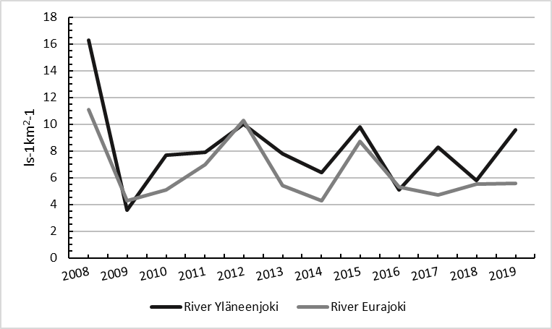
Year | River Yläneenjoki | River Eurajoki
2008 | 16.3 | 11.1
2009 | 3.6 | 4.3
2010 | 7.7 | 5.1
2011 | 7.9 | 7.0
2012 | 10.0 | 10.3
2013 | 7.8 | 5.4
2014 | 6.4 | 4.3
2015 | 9.8 | 8.7
2016 | 5.1 | 5.3
2017 | 8.3 | 4.7
2018 | 5.8 | 5.5
2019 | 9.6 | 5.6

