Trends of publication (50 entri
Publication Years | Record Count | % of 17,932
2024 | 2227 | 12.419
2023 | 2042 | 11.387
2022 | 1979 | 11.036
2021 | 1957 | 10.913
2020 | 1574 | 8.778
2019 | 1157 | 6.452
2018 | 882 | 4.919
2017 | 811 | 4.523
Record Count vs. Final Publication Year
2016 | 713 | 3.976
2015 | 579 | 3.229
2014 | 495 | 2.76
2013 | 414 | 2.309
2012 | 405 | 2.259
2011 | 388 | 2.164
2010 | 316 | 1.762
2009 | 248 | 1.383
2008 | 226 | 1.26
2007 | 186 | 1.037
2006 | 183 | 1.021
2004 | 126 | 0.703
2005 | 121 | 0.675
2003 | 115 | 0.641
2002 | 104 | 0.58
2001 | 83 | 0.463
2000 | 66 | 0.368
1999 | 62 | 0.346
1998 | 60 | 0.335
1995 | 56 | 0.312
1997 | 56 | 0.312
1996 | 49 | 0.273
1994 | 42 | 0.234
1993 | 36 | 0.201
1992 | 34 | 0.19
1991 | 27 | 0.151
1990 | 16 | 0.089
1985 | 12 | 0.067
1988 | 11 | 0.061
1989 | 11 | 0.061
1987 | 10 | 0.056
1986 | 9 | 0.05
1981 | 8 | 0.045
1980 | 6 | 0.033
1982 | 6 | 0.033
1977 | 5 | 0.028
1978 | 4 | 0.022
1983 | 4 | 0.022
1984 | 4 | 0.022
1976 | 3 | 0.017
1979 | 3 | 0.017
1975 | 1 | 0.006

Countries distribution (160 ent
Countries/Regions | Record Count | % of 17,932 | 160 entries (countries, state)
PEOPLES R CHINA | 5089 | 28.379
USA | 1714 | 9.558
SPAIN | 1222 | 6.815
INDIA | 1111 | 6.196
BRAZIL | 1071 | 5.973
NORWAY | 824 | 4.595
AUSTRALIA | 809 | 4.511
ITALY | 659 | 3.675
FRANCE | 627 | 3.497
EGYPT | 622 | 3.469
PORTUGAL | 585 | 3.262
CANADA | 549 | 3.062
JAPAN | 542 | 3.023
MEXICO | 532 | 2.967
GERMANY | 491 | 2.738
SOUTH KOREA | 476 | 2.654
MALAYSIA | 456 | 2.543
THAILAND | 453 | 2.526
IRAN | 441 | 2.459
SCOTLAND | 400 | 2.231
CHILE | 358 | 1.996
ENGLAND | 333 | 1.857
DENMARK | 318 | 1.773
TAIWAN | 308 | 1.718
SAUDI ARABIA | 273 | 1.522
BELGIUM | 267 | 1.489
NETHERLANDS | 237 | 1.322
GREECE | 230 | 1.283
BANGLADESH | 219 | 1.221
TURKEY | 214 | 1.193
SWEDEN | 209 | 1.166
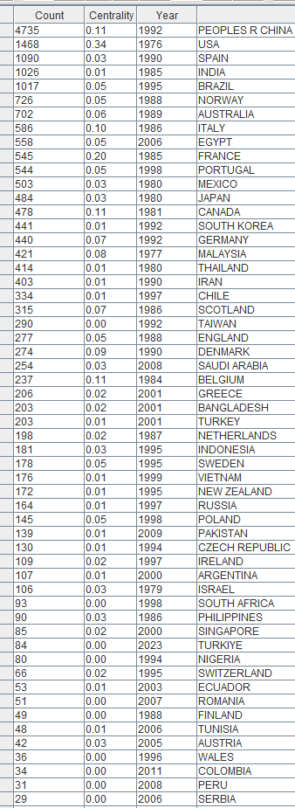
VIETNAM | 196 | 1.093
INDONESIA | 188 | 1.048
NEW ZEALAND | 188 | 1.048
RUSSIA | 173 | 0.965
POLAND | 155 | 0.864
PAKISTAN | 148 | 0.825
CZECH REPUBLIC | 140 | 0.781
ISRAEL | 132 | 0.736
IRELAND | 125 | 0.697
SOUTH AFRICA | 113 | 0.63
ARGENTINA | 108 | 0.602
PHILIPPINES | 103 | 0.574
SINGAPORE | 97 | 0.541
TURKIYE | 87 | 0.485
NIGERIA | 84 | 0.468
FINLAND | 78 | 0.435
SWITZERLAND | 78 | 0.435
AUSTRIA | 67 | 0.374
TUNISIA | 64 | 0.357
ECUADOR | 62 | 0.346
ROMANIA | 54 | 0.301
COLOMBIA | 50 | 0.279
WALES | 50 | 0.279
CROATIA | 49 | 0.273
TANZANIA | 41 | 0.229
HUNGARY | 40 | 0.223
SERBIA | 40 | 0.223
PERU | 39 | 0.217
KENYA | 38 | 0.212
ICELAND | 29 | 0.162
CUBA | 28 | 0.156
IRAQ | 28 | 0.156
SRI LANKA | 27 | 0.151
GHANA | 24 | 0.134
U ARAB EMIRATES | 24 | 0.134
UGANDA | 21 | 0.117
COSTA RICA | 20 | 0.112
ETHIOPIA | 20 | 0.112
KUWAIT | 20 | 0.112
QATAR | 20 | 0.112
MOROCCO | 19 | 0.106
NORTH IRELAND | 19 | 0.106
BULGARIA | 18 | 0.1
SLOVAKIA | 18 | 0.1
UKRAINE | 18 | 0.1
NEW CALEDONIA | 16 | 0.089 | Higher publications number by countries (CiteSpace analysis)
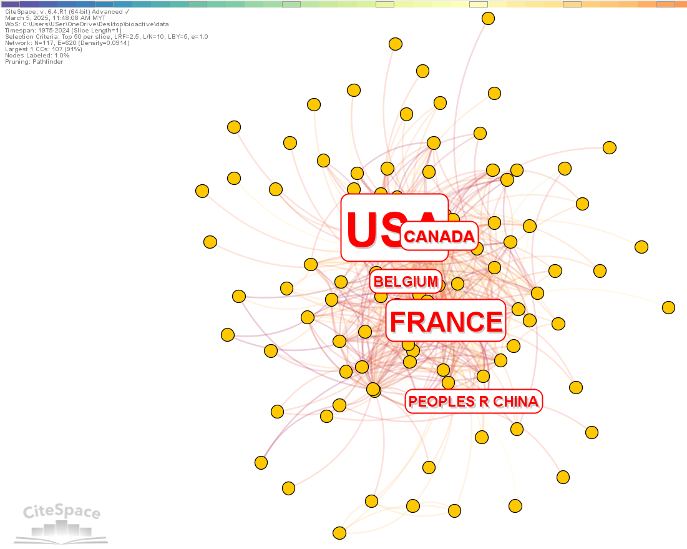
SLOVENIA | 15 | 0.084
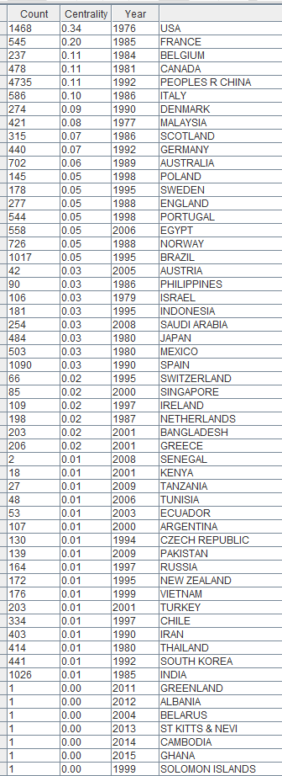
ALGERIA | 13 | 0.072
COTE IVOIRE | 13 | 0.072
LITHUANIA | 13 | 0.072
BRUNEI | 12 | 0.067
VENEZUELA | 12 | 0.067
LIBYA | 11 | 0.061
URUGUAY | 9 | 0.05
CAMBODIA | 8 | 0.045
ESTONIA | 8 | 0.045
KAZAKHSTAN | 8 | 0.045
MALAWI | 8 | 0.045
MOZAMBIQUE | 8 | 0.045
ZAMBIA | 8 | 0.045
BENIN | 7 | 0.039
HONG KONG | 7 | 0.039
NAMIBIA | 7 | 0.039
SENEGAL | 7 | 0.039
CAMEROON | 6 | 0.033
JORDAN | 6 | 0.033
MALTA | 6 | 0.033
OMAN | 6 | 0.033
LEBANON | 5 | 0.028
MADAGASCAR | 5 | 0.028
YEMEN | 5 | 0.028
CYPRUS | 4 | 0.022
MAURITIUS | 4 | 0.022
MYANMAR | 4 | 0.022
SOLOMON ISLANDS | 4 | 0.022
SUDAN | 4 | 0.022
ZIMBABWE | 4 | 0.022
DEM REP CONGO | 3 | 0.017
GRENADA | 3 | 0.017
HONDURAS | 3 | 0.017
JAMAICA | 3 | 0.017
LAOS | 3 | 0.017
LATVIA | 3 | 0.017
LUXEMBOURG | 3 | 0.017
MONACO | 3 | 0.017
MONTENEGRO | 3 | 0.017
NEPAL | 3 | 0.017
PANAMA | 3 | 0.017
USSR | 3 | 0.017
ALBANIA | 2 | 0.011
BAHRAIN | 2 | 0.011
BELARUS | 2 | 0.011 | Most influential countries based on the centrality score (CiteSpace)
BOTSWANA | 2 | 0.011
BURKINA FASO | 2 | 0.011
DOMINICA | 2 | 0.011
DOMINICAN REP | 2 | 0.011
FAROE ISLANDS | 2 | 0.011
FIJI | 2 | 0.011
KOSOVO | 2 | 0.011
MACEDONIA | 2 | 0.011
MONGOLIA | 2 | 0.011
NICARAGUA | 2 | 0.011
NORTH MACEDONIA | 2 | 0.011
UZBEKISTAN | 2 | 0.011
VANUATU | 2 | 0.011
YUGOSLAVIA | 2 | 0.011
ANGOLA | 1 | 0.006
ANGUILLA | 1 | 0.006
ARMENIA | 1 | 0.006
BOLIVIA | 1 | 0.006
CZECHOSLOVAKIA | 1 | 0.006
DJIBOUTI | 1 | 0.006
EL SALVADOR | 1 | 0.006
ERITREA | 1 | 0.006
FALKLAND ISLAND | 1 | 0.006
FED REP GER | 1 | 0.006
FRENCH GUIANA | 1 | 0.006
GEORGIA | 1 | 0.006
GREENLAND | 1 | 0.006
GUATEMALA | 1 | 0.006
LIBERIA | 1 | 0.006
MALI | 1 | 0.006
MOLDOVA | 1 | 0.006
PAPUA N GUINEA | 1 | 0.006
RWANDA | 1 | 0.006
SIERRA LEONE | 1 | 0.006
SOMALIA | 1 | 0.006
ST KITTS NEVI | 1 | 0.006
TRINIDAD TOBAGO | 1 | 0.006

21 record(s) (0.117%) do not contain data in the field being analyzed

Authors involved (51,391 entrie
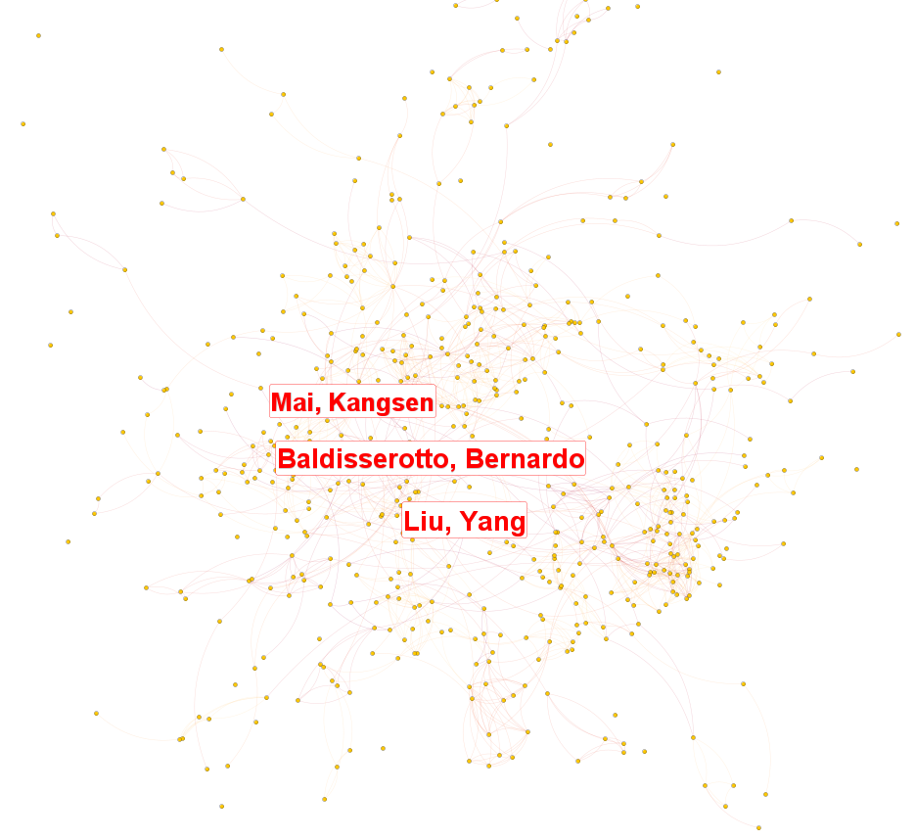
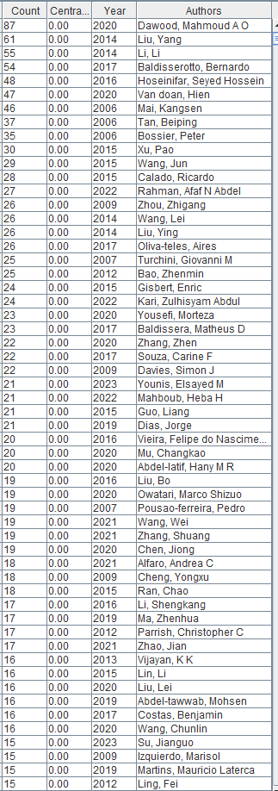
Authors | Record Count | % of 17,932 | Immposible to analyze authors, since Liu Y got various affiliation
Liu Y | 189 | 1.054
Wang Y | 119 | 0.664
Li Y | 118 | 0.658
Wang L | 113 | 0.63
Dawood MAO | 109 | 0.608
Wang J | 106 | 0.591
Zhang Y | 106 | 0.591
Li J | 95 | 0.53
Li L | 90 | 0.502
Zhang L | 86 | 0.48
Esteban MA | 80 | 0.446
Wang Q | 78 | 0.435
Hoseinifar SH | 74 | 0.413
Xu P | 72 | 0.402
Baldisserotto B | 71 | 0.396
Van Doan H | 71 | 0.396
Chen J | 69 | 0.385
Bossier P | 68 | 0.379
Tocher DR | 68 | 0.379
Wang H | 68 | 0.379
Mai KS | 67 | 0.374
Li X | 64 | 0.357
Liu Q | 64 | 0.357
Zhang M | 64 | 0.357
Li M | 61 | 0.34
Li H | 60 | 0.335
Wang GX | 58 | 0.323
Zhang Z | 58 | 0.323
Davies SJ | 55 | 0.307
Tan BP | 54 | 0.301
Zhou ZG | 54 | 0.301
Yang H | 52 | 0.29
Li YH | 51 | 0.284
Zhang X | 51 | 0.284
Huang Y | 50 | 0.279
Wang YJ | 50 | 0.279
Zhang J | 50 | 0.279
Zhou Y | 49 | 0.273
Turchini GM | 48 | 0.268
Wang T | 48 | 0.268
Zhang YL | 48 | 0.268
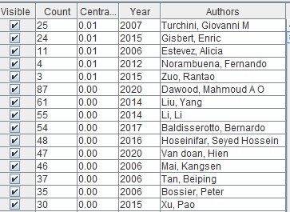
Li Q | 47 | 0.262
Wang W | 47 | 0.262
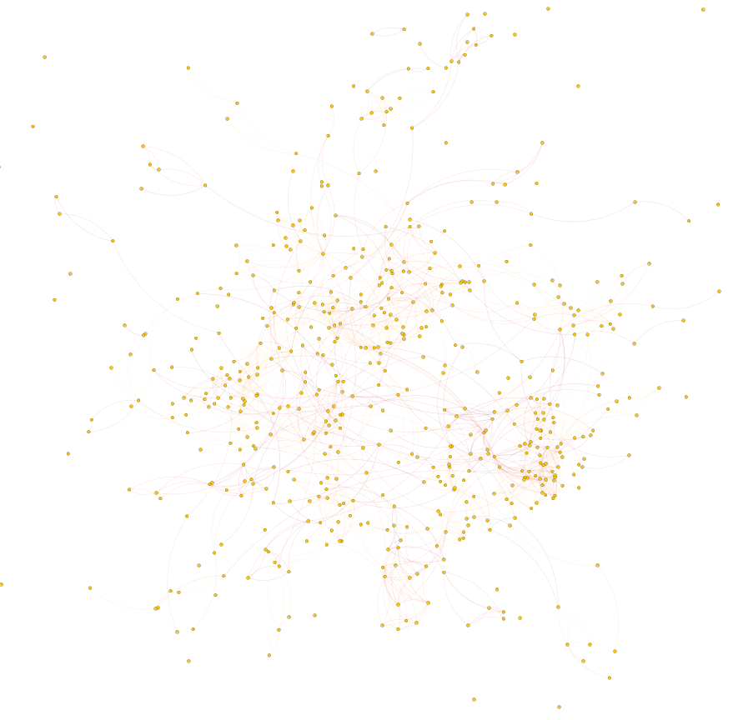
Liu C | 46 | 0.257
Wang X | 46 | 0.257
Yang Y | 46 | 0.257
Pousao-ferreira P | 45 | 0.251
Gisbert E | 44 | 0.245
Oliva-teles A | 44 | 0.245
Wang B | 44 | 0.245
Montero D | 43 | 0.24
Wang CL | 43 | 0.24
Calado R | 41 | 0.229
Liu L | 41 | 0.229
Terova G | 41 | 0.229
Wang C | 41 | 0.229
Wang S | 41 | 0.229
Li YY | 40 | 0.223
Rahman ANA | 40 | 0.223
Yang YL | 40 | 0.223
Zhao J | 40 | 0.223
Liu J | 39 | 0.217
Sorgeloos P | 39 | 0.217
Lee S | 38 | 0.212
Liu H | 38 | 0.212
Parrish CC | 38 | 0.212
Ran C | 38 | 0.212
Wang F | 38 | 0.212
Zhang H | 38 | 0.212
Guo L | 37 | 0.206
Li B | 37 | 0.206
Li JL | 37 | 0.206
Li SK | 37 | 0.206
Liu B | 37 | 0.206
Liu HY | 37 | 0.206
Martins ML | 37 | 0.206
Singh ISB | 37 | 0.206
Sun Y | 37 | 0.206
Vieira FD | 37 | 0.206
Xie J | 37 | 0.206
Zhang C | 37 | 0.206
Zhang S | 37 | 0.206
Zhang YY | 37 | 0.206
Bao ZM | 36 | 0.201
Cheng YX | 36 | 0.201
Gasco L | 36 | 0.201
Li YM | 36 | 0.201
Xu W | 36 | 0.201
Ai QH | 35 | 0.195
Costas B | 35 | 0.195
Dias J | 35 | 0.195
Wu P | 35 | 0.195
Younis EM | 35 | 0.195
Zhang ML | 35 | 0.195
Chen X | 34 | 0.19
Du ZY | 34 | 0.19
Li C | 34 | 0.19
Mu CK | 34 | 0.19
Wasielesky W | 34 | 0.19
Yousefi M | 34 | 0.19
Zhang YX | 34 | 0.19
Alfaro AC | 33 | 0.184
Cuesta A | 33 | 0.184
Izquierdo M | 33 | 0.184
Liu X | 33 | 0.184
Rahman MM | 33 | 0.184
Rimoldi S | 33 | 0.184
Wang Z | 33 | 0.184
Yan XJ | 33 | 0.184
Abdel-tawwab M | 32 | 0.178
Francis DS | 32 | 0.178
Gatlin DM | 32 | 0.178
Ikhwanuddin M | 32 | 0.178
Ling F | 32 | 0.178
Luo J | 32 | 0.178
Moriñigo MA | 32 | 0.178
Parisi G | 32 | 0.178
Chen Y | 31 | 0.173
Davis DA | 31 | 0.173
Lin L | 31 | 0.173
Liu F | 31 | 0.173
Liu Z | 31 | 0.173
Valente LMP | 31 | 0.173
Vijayan KK | 31 | 0.173
Wang YL | 31 | 0.173
Abdel-latif HMR | 30 | 0.167
Baldissera MD | 30 | 0.167
Chen XH | 30 | 0.167
Dong SL | 30 | 0.167
Li W | 30 | 0.167
Ma ZH | 30 | 0.167
Mouriño JLP | 30 | 0.167
Olsen RE | 30 | 0.167
Owatari MS | 30 | 0.167
Philip R | 30 | 0.167
Zhang DM | 30 | 0.167
Zhang N | 30 | 0.167
Zhang XY | 30 | 0.167
Giri SS | 29 | 0.162
Liu M | 29 | 0.162
Liu S | 29 | 0.162
Nichols PD | 29 | 0.162
Park SC | 29 | 0.162
Yu Y | 29 | 0.162
Chen H | 28 | 0.156
Fotedar R | 28 | 0.156
Guardiola FA | 28 | 0.156
Ke CH | 28 | 0.156
Li JY | 28 | 0.156
Mancera JM | 28 | 0.156
Ringo E | 28 | 0.156
Yang S | 28 | 0.156
Zhang K | 28 | 0.156
Alvarez-gonzález CA | 27 | 0.151
Balebona MC | 27 | 0.151
Chen C | 27 | 0.151
Chen XY | 27 | 0.151
Das BK | 27 | 0.151
Dong XH | 27 | 0.151
Fontanillas R | 27 | 0.151
Hoseini SM | 27 | 0.151
Kari ZA | 27 | 0.151
Kumar V | 27 | 0.151
Mahboub HH | 27 | 0.151
Olivotto I | 27 | 0.151
Qin JG | 27 | 0.151
Wang M | 27 | 0.151
Wang P | 27 | 0.151
Wang ZY | 27 | 0.151
Xu H | 27 | 0.151
Xu Y | 27 | 0.151
Zhang JH | 27 | 0.151
Zhou L | 27 | 0.151
Faggio C | 26 | 0.145
Feng L | 26 | 0.145
Heinzmann BM | 26 | 0.145
Huang XL | 26 | 0.145
Kumar S | 26 | 0.145
Liu XL | 26 | 0.145
Pilarski F | 26 | 0.145
Schulz C | 26 | 0.145
Taggart JB | 26 | 0.145
Torrecillas S | 26 | 0.145
Wang JY | 26 | 0.145
Wang N | 26 | 0.145
Zhang Q | 26 | 0.145
Zhu J | 26 | 0.145
Angulo C | 25 | 0.139
Chen SL | 25 | 0.139
Jia R | 25 | 0.139
Kim JH | 25 | 0.139
Li GL | 25 | 0.139
Lu X | 25 | 0.139
Ma HY | 25 | 0.139
Meng XL | 25 | 0.139
Moyano FJ | 25 | 0.139
Qiao F | 25 | 0.139
Qin QW | 25 | 0.139
Seiffert WQ | 25 | 0.139
Souza CF | 25 | 0.139
Su JG | 25 | 0.139
Tovar-ramírez D | 25 | 0.139
Wang XD | 25 | 0.139
Wang XY | 25 | 0.139
Xu GC | 25 | 0.139
Xu WJ | 25 | 0.139
Yang HS | 25 | 0.139
Yang Q | 25 | 0.139
Zhang GF | 25 | 0.139
Zhang JS | 25 | 0.139
Zhang T | 25 | 0.139
Zhang WB | 25 | 0.139
Zhang YM | 25 | 0.139
Zhao YG | 25 | 0.139
Zhou XQ | 25 | 0.139
Amer AA | 24 | 0.134
Carter CG | 24 | 0.134
Chang YQ | 24 | 0.134
Chen LQ | 24 | 0.134
Chen Z | 24 | 0.134
Conceiçao LEC | 24 | 0.134
Domingues MR | 24 | 0.134
Du J | 24 | 0.134
Gao MC | 24 | 0.134
Hansen BW | 24 | 0.134
He J | 24 | 0.134
Holmer M | 24 | 0.134
Karim M | 24 | 0.134
Li JT | 24 | 0.134
Li XY | 24 | 0.134
Liu YJ | 24 | 0.134
Mansour AT | 24 | 0.134
Martos-sitcha JA | 24 | 0.134
Navarro JC | 24 | 0.134
Pan LQ | 24 | 0.134
Rise ML | 24 | 0.134
Wu XG | 24 | 0.134
Yang W | 24 | 0.134
You WW | 24 | 0.134
Zhang XJ | 24 | 0.134
Zhang ZY | 24 | 0.134
Abdelwarith AA | 23 | 0.128
Acosta F | 23 | 0.128
Ding J | 23 | 0.128
Fracalossi DM | 23 | 0.128
Gao S | 23 | 0.128
Gao Y | 23 | 0.128
Houston RD | 23 | 0.128
Hu Y | 23 | 0.128
Hussain SM | 23 | 0.128
Jiang WD | 23 | 0.128
Lee JS | 23 | 0.128
Li FH | 23 | 0.128
Li HY | 23 | 0.128
Li N | 23 | 0.128
Li XJ | 23 | 0.128
Li YJ | 23 | 0.128
Luo X | 23 | 0.128
Mente E | 23 | 0.128
Paolucci M | 23 | 0.128
Peres H | 23 | 0.128
Sun J | 23 | 0.128
Tan HX | 23 | 0.128
Tesser MB | 23 | 0.128
Verdegem MCJ | 23 | 0.128
Zhu B | 23 | 0.128
Antonopoulou E | 22 | 0.123
Bai SC | 22 | 0.123
Boscolo WR | 22 | 0.123
Gao XL | 22 | 0.123
Gewaily MS | 22 | 0.123
Guo ZX | 22 | 0.123
Huang J | 22 | 0.123
Huang XH | 22 | 0.123
Jin CJ | 22 | 0.123
Li F | 22 | 0.123
Li Z | 22 | 0.123
Luo GZ | 22 | 0.123
Panserat S | 22 | 0.123
Qiang J | 22 | 0.123
Sewilam H | 22 | 0.123
Tian XL | 22 | 0.123
Tremblay R | 22 | 0.123
Wang YY | 22 | 0.123
Wang ZL | 22 | 0.123
Xu L | 22 | 0.123
Yang J | 22 | 0.123
Yang QH | 22 | 0.123
Zhang CX | 22 | 0.123
Zhao Y | 22 | 0.123
Zhao YL | 22 | 0.123
Zhou J | 22 | 0.123
Barrows FT | 21 | 0.117
Bell JG | 21 | 0.117
Brito LO | 21 | 0.117
Chen B | 21 | 0.117
Gao QF | 21 | 0.117
Gram L | 21 | 0.117
Lazado CC | 21 | 0.117
Li CH | 21 | 0.117
Li PF | 21 | 0.117
Liu P | 21 | 0.117
Liu WB | 21 | 0.117
Marques A | 21 | 0.117
Mazón-suástegui JM | 21 | 0.117
Nie GX | 21 | 0.117
Patil PK | 21 | 0.117
Schrama JW | 21 | 0.117
Tang L | 21 | 0.117
Tort L | 21 | 0.117
Wang XL | 21 | 0.117
Wang YF | 21 | 0.117
Wu Y | 21 | 0.117
Xu C | 21 | 0.117
Yang M | 21 | 0.117
Zhao C | 21 | 0.117
Zhao L | 21 | 0.117
Zhu CH | 21 | 0.117
Alarcón FJ | 20 | 0.112
Betancor MB | 20 | 0.112
Chen JY | 20 | 0.112
De Nys R | 20 | 0.112
El Basuini MF | 20 | 0.112
Estévez A | 20 | 0.112
Gioacchini G | 20 | 0.112
Gálvez AO | 20 | 0.112
Han D | 20 | 0.112
Huang H | 20 | 0.112
Ibrahim RE | 20 | 0.112
Krasnov A | 20 | 0.112
Lee J | 20 | 0.112
Li XX | 20 | 0.112
Liu CH | 20 | 0.112
Liu SL | 20 | 0.112
Monroig O | 20 | 0.112
Martínez-porchas M | 20 | 0.112
Pérez-sánchez J | 20 | 0.112
Rodríguez C | 20 | 0.112
Sanchez-jerez P | 20 | 0.112
Shukry M | 20 | 0.112
Srivastava PP | 20 | 0.112
Stejskal V | 20 | 0.112
Trushenski JT | 20 | 0.112
Vaseeharan B | 20 | 0.112
Wang GJ | 20 | 0.112
Wang JL | 20 | 0.112
Wang K | 20 | 0.112
Wang LL | 20 | 0.112
Wang YH | 20 | 0.112
Xu JL | 20 | 0.112
Zhao Z | 20 | 0.112
Zheng HP | 20 | 0.112
Carnevali O | 19 | 0.106
Chang XL | 19 | 0.106
Chen G | 19 | 0.106
Chi SY | 19 | 0.106
Enes P | 19 | 0.106
Feidantsis K | 19 | 0.106
He JG | 19 | 0.106
He Y | 19 | 0.106
Hu JJ | 19 | 0.106
Hu XL | 19 | 0.106
Huang JH | 19 | 0.106
Huang YH | 19 | 0.106
Jerry DR | 19 | 0.106
Kasan NA | 19 | 0.106
Li S | 19 | 0.106
Li YD | 19 | 0.106
Liu JY | 19 | 0.106
Liu T | 19 | 0.106
Liu YC | 19 | 0.106
Merrifield DL | 19 | 0.106
Morais S | 19 | 0.106
Nan FH | 19 | 0.106
Wang CH | 19 | 0.106
Wang JH | 19 | 0.106
Wang JJ | 19 | 0.106
Wang QJ | 19 | 0.106
Wang SQ | 19 | 0.106
Wang WJ | 19 | 0.106
Wang YX | 19 | 0.106
Xie SQ | 19 | 0.106
Xu HG | 19 | 0.106
Xu J | 19 | 0.106
Yang F | 19 | 0.106
Yang YH | 19 | 0.106
Yilmaz S | 19 | 0.106
Yusoff FM | 19 | 0.106
Yáñez JM | 19 | 0.106
Zhang CY | 19 | 0.106
Zhang W | 19 | 0.106
Zhang WW | 19 | 0.106
Zhang XH | 19 | 0.106
Zhao XL | 19 | 0.106
Zhu L | 19 | 0.106
Abreu PC | 18 | 0.1
Bandarra NM | 18 | 0.1
Bekaert M | 18 | 0.1
Bron JE | 18 | 0.1
Brown MR | 18 | 0.1
Chen DF | 18 | 0.1
Chen XL | 18 | 0.1
Das P | 18 | 0.1
Das S | 18 | 0.1
Figueroa FL | 18 | 0.1
Gao J | 18 | 0.1
Geng Y | 18 | 0.1
Haffray P | 18 | 0.1
Huang L | 18 | 0.1
Ji H | 18 | 0.1
Jiang M | 18 | 0.1
Jiang SG | 18 | 0.1
Kamarudin MS | 18 | 0.1
Kloas W | 18 | 0.1
Kokou F | 18 | 0.1
Krishnani KK | 18 | 0.1
Li ZF | 18 | 0.1
Limbu SM | 18 | 0.1
Lin Q | 18 | 0.1
Liu SJ | 18 | 0.1
Liu W | 18 | 0.1
Liu WC | 18 | 0.1
Mukherjee A | 18 | 0.1
Overland M | 18 | 0.1
Reda RM | 18 | 0.1
Reyes-becerril M | 18 | 0.1
Rodkhum C | 18 | 0.1
Sarker PK | 18 | 0.1
Serra CR | 18 | 0.1
Slater MJ | 18 | 0.1
Soliman AA | 18 | 0.1
Sun YZ | 18 | 0.1
Thongprajukaew K | 18 | 0.1
Waagbo R | 18 | 0.1
Wang KJ | 18 | 0.1
Wang XF | 18 | 0.1
Wang YB | 18 | 0.1
Wang ZH | 18 | 0.1
Wu FC | 18 | 0.1
Yang L | 18 | 0.1
Yang P | 18 | 0.1
Yang YX | 18 | 0.1
Young T | 18 | 0.1
Zarantoniello M | 18 | 0.1
Zhang JY | 18 | 0.1
Zhang LL | 18 | 0.1
Zhang R | 18 | 0.1
Zhang YJ | 18 | 0.1
Zhao W | 18 | 0.1
Zheng ZM | 18 | 0.1
Zhou HH | 18 | 0.1
Zhou Q | 18 | 0.1
Andree KB | 17 | 0.095
Arockiaraj J | 17 | 0.095
Boyd CE | 17 | 0.095
Chen F | 17 | 0.095
Chen L | 17 | 0.095
Couto A | 17 | 0.095
Doan HV | 17 | 0.095
Duan YF | 17 | 0.095
El-haroun E | 17 | 0.095
Engrola S | 17 | 0.095
Fjelldal PG | 17 | 0.095
Ghosh K | 17 | 0.095
He L | 17 | 0.095
Hu J | 17 | 0.095
Huang F | 17 | 0.095
Huo XC | 17 | 0.095
Jiang J | 17 | 0.095
Jiang Y | 17 | 0.095
Li SW | 17 | 0.095
Li YX | 17 | 0.095
Liu ZP | 17 | 0.095
Ma Y | 17 | 0.095
Machado M | 17 | 0.095
Ng WK | 17 | 0.095
Nie ZJ | 17 | 0.095
Palaiokostas C | 17 | 0.095
Pan YJ | 17 | 0.095
Pereira SA | 17 | 0.095
Robledo D | 17 | 0.095
Rocha RJM | 17 | 0.095
Romano LA | 17 | 0.095
Romero J | 17 | 0.095
She ZL | 17 | 0.095
Soares F | 17 | 0.095
Soltani M | 17 | 0.095
Song C | 17 | 0.095
Su YL | 17 | 0.095
Sukumaran V | 17 | 0.095
Sun YX | 17 | 0.095
Thilsted SH | 17 | 0.095
Venter L | 17 | 0.095
Viana MT | 17 | 0.095
Wang GC | 17 | 0.095
Wang GQ | 17 | 0.095
Wang QY | 17 | 0.095
Wang SF | 17 | 0.095
Wang XH | 17 | 0.095
Wang YP | 17 | 0.095
Wei YL | 17 | 0.095
Yang R | 17 | 0.095
Yu H | 17 | 0.095
Zhang DD | 17 | 0.095
Zhang JJ | 17 | 0.095
Zhang MZ | 17 | 0.095
Zhang SY | 17 | 0.095
Zhang XL | 17 | 0.095
Zhang YT | 17 | 0.095
Zhao LL | 17 | 0.095
Zhou YC | 17 | 0.095
Zhu SM | 17 | 0.095
Abreu MH | 16 | 0.089
Ahmadifar E | 16 | 0.089
Chen YY | 16 | 0.089
Domingues P | 16 | 0.089
Eissa EH | 16 | 0.089
Emerenciano MGC | 16 | 0.089
Foysal MJ | 16 | 0.089
Ghafarifarsani H | 16 | 0.089
Hirono I | 16 | 0.089
Izquierdo MS | 16 | 0.089
Jiang H | 16 | 0.089
Jiang N | 16 | 0.089
Kim S | 16 | 0.089
Li DP | 16 | 0.089
Li P | 16 | 0.089
Li RH | 16 | 0.089
Li XL | 16 | 0.089
Liu HK | 16 | 0.089
Liu JH | 16 | 0.089
Liu QH | 16 | 0.089
Liu ZH | 16 | 0.089
Luo L | 16 | 0.089
Manchado M | 16 | 0.089
Meseguer J | 16 | 0.089
Mylonas CC | 16 | 0.089
Martínez P | 16 | 0.089
Martínez-córdova LR | 16 | 0.089
Nilsen F | 16 | 0.089
Palti Y | 16 | 0.089
Pereira R | 16 | 0.089
Power DM | 16 | 0.089
Rebl A | 16 | 0.089
Robaina L | 16 | 0.089
Romano N | 16 | 0.089
Rosenlund G | 16 | 0.089
Ruyter B | 16 | 0.089
Shahjahan M | 16 | 0.089
Shi C | 16 | 0.089
Sun JL | 16 | 0.089
Symonds JE | 16 | 0.089
Tapia-paniagua ST | 16 | 0.089
Tian JJ | 16 | 0.089
Wang MY | 16 | 0.089
Wang R | 16 | 0.089
Wang SH | 16 | 0.089
Wang XX | 16 | 0.089
Wang YT | 16 | 0.089
Wang ZF | 16 | 0.089
Wu X | 16 | 0.089
Wuertz S | 16 | 0.089
Xiao J | 16 | 0.089
Xu YJ | 16 | 0.089
Yan X | 16 | 0.089
Ye ZY | 16 | 0.089
Yu EM | 16 | 0.089
Zhang DC | 16 | 0.089
Zhang JX | 16 | 0.089
Zhang LB | 16 | 0.089
Zhang MY | 16 | 0.089
Zhang YA | 16 | 0.089
Zhang YF | 16 | 0.089
Zhou ZC | 16 | 0.089
Ashour M | 15 | 0.084
Ballester ELC | 15 | 0.084
Balcázar JL | 15 | 0.084
Calduch-giner JA | 15 | 0.084
Chaves FCM | 15 | 0.084
Chen HP | 15 | 0.084
Da Silva AS | 15 | 0.084
Dalsgaard I | 15 | 0.084
Dantagnan P | 15 | 0.084
De Schryver P | 15 | 0.084
Dinis MT | 15 | 0.084
Dong Y | 15 | 0.084
Feng J | 15 | 0.084
Ge XP | 15 | 0.084
Gharbi K | 15 | 0.084
Gong WB | 15 | 0.084
Guo WL | 15 | 0.084
Hao Q | 15 | 0.084
Hardy RW | 15 | 0.084
Huang XY | 15 | 0.084
Jiang HB | 15 | 0.084
Jin JY | 15 | 0.084
Kamilya D | 15 | 0.084
Khamis T | 15 | 0.084
Kim HJ | 15 | 0.084
Kim KH | 15 | 0.084
Kong XH | 15 | 0.084
Lee JH | 15 | 0.084
Li K | 15 | 0.084
Li QQ | 15 | 0.084
Li SH | 15 | 0.084
Li T | 15 | 0.084
Li WF | 15 | 0.084
Li XF | 15 | 0.084
Li XH | 15 | 0.084
Liang MQ | 15 | 0.084
Lillebo AI | 15 | 0.084
Liu XG | 15 | 0.084
Liu YH | 15 | 0.084
Liu YL | 15 | 0.084
Liu ZJ | 15 | 0.084
Lock EJ | 15 | 0.084
Luo K | 15 | 0.084
Magouz FI | 15 | 0.084
Meier S | 15 | 0.084
Mydland LT | 15 | 0.084
Norambuena F | 15 | 0.084
Paray BA | 15 | 0.084
Paul NA | 15 | 0.084
Powtongsook S | 15 | 0.084
Safari R | 15 | 0.084
Sawant PB | 15 | 0.084
Skiba-cassy S | 15 | 0.084
Sonnenholzner S | 15 | 0.084
Southgate PC | 15 | 0.084
Sprague M | 15 | 0.084
Strand O | 15 | 0.084
Tang R | 15 | 0.084
Thomas J | 15 | 0.084
Valladao GMR | 15 | 0.084
Verma AK | 15 | 0.084
Waiho K | 15 | 0.084
Wang BJ | 15 | 0.084
Wang GH | 15 | 0.084
Wang MQ | 15 | 0.084
Wang WL | 15 | 0.084
Wasielesky W JR | 15 | 0.084
Wen XB | 15 | 0.084
Wikfors GH | 15 | 0.084
Wu ZL | 15 | 0.084
Xia LQ | 15 | 0.084
Xia Y | 15 | 0.084
Xue MY | 15 | 0.084
Yang XZ | 15 | 0.084
Yao B | 15 | 0.084
Zhang B | 15 | 0.084
Zhang XX | 15 | 0.084
Zhou S | 15 | 0.084
Zhou T | 15 | 0.084
Zhu XM | 15 | 0.084
Alam MS | 14 | 0.078
Altun S | 14 | 0.078
Avendaño-herrera R | 14 | 0.078
Baptista T | 14 | 0.078
Baruah K | 14 | 0.078
Beck BH | 14 | 0.078
Berntssen MHG | 14 | 0.078
Boon N | 14 | 0.078
Buchmann K | 14 | 0.078
Cardinaletti G | 14 | 0.078
Chen FY | 14 | 0.078
Chen W | 14 | 0.078
Cintas LM | 14 | 0.078
De Silva SS | 14 | 0.078
Dong HB | 14 | 0.078
Dong ZJ | 14 | 0.078
Dupont-nivet M | 14 | 0.078
Elshopakey GE | 14 | 0.078
Fu ZY | 14 | 0.078
Furuya WM | 14 | 0.078
Gao F | 14 | 0.078
Glover KA | 14 | 0.078
Grant J | 14 | 0.078
Guo HY | 14 | 0.078
Gallardo-escárate C | 14 | 0.078
He G | 14 | 0.078
Hossain MS | 14 | 0.078
Huang Q | 14 | 0.078
Jang WJ | 14 | 0.078
Jiang KY | 14 | 0.078
Jiang XY | 14 | 0.078
Karapanagiotidis IT | 14 | 0.078
Khanjani MH | 14 | 0.078
Kunzmann A | 14 | 0.078
Li CL | 14 | 0.078
Li XD | 14 | 0.078
Liu BS | 14 | 0.078
Liu XC | 14 | 0.078
Liu YF | 14 | 0.078
Lu J | 14 | 0.078
Luna-gonzález A | 14 | 0.078
Martin SAM | 14 | 0.078
Martins MA | 14 | 0.078
Miller MR | 14 | 0.078
Moen T | 14 | 0.078
Nunes B | 14 | 0.078
Ozório ROA | 14 | 0.078
Pirarat N | 14 | 0.078
Poersch LH | 14 | 0.078
Policar T | 14 | 0.078
Qin ZD | 14 | 0.078
Randazzo B | 14 | 0.078
Ribeiro L | 14 | 0.078
Rossi W | 14 | 0.078
Santulli A | 14 | 0.078
Saticioglu IB | 14 | 0.078
Shi Q | 14 | 0.078
Shu H | 14 | 0.078
Song LS | 14 | 0.078
Su YQ | 14 | 0.078
Sun H | 14 | 0.078
Sundell K | 14 | 0.078
Tang BP | 14 | 0.078
Tao YF | 14 | 0.078
Tian Y | 14 | 0.078
Val AL | 14 | 0.078
Vargas-chacoff L | 14 | 0.078
Volkman JK | 14 | 0.078
Wahab MA | 14 | 0.078
Wang HY | 14 | 0.078
Wang SL | 14 | 0.078
Webster CD | 14 | 0.078
Weng SP | 14 | 0.078
Wu B | 14 | 0.078
Xu D | 14 | 0.078
Yang CR | 14 | 0.078
Yang YF | 14 | 0.078
Yao YY | 14 | 0.078
Yin SW | 14 | 0.078
Yue GH | 14 | 0.078
Zaineldin AI | 14 | 0.078
Zhang HY | 14 | 0.078
Zhang JL | 14 | 0.078
Zhang QQ | 14 | 0.078
Zhang YR | 14 | 0.078
Zhang ZP | 14 | 0.078
Zhou CX | 14 | 0.078
Zhu JY | 14 | 0.078
Zhu KC | 14 | 0.078
Zhu ZY | 14 | 0.078
Amenyogbe E | 13 | 0.072
Aragao C | 13 | 0.072
Banerjee S | 13 | 0.072
Bargelloni L | 13 | 0.072
Bittencourt F | 13 | 0.072
Butts IAE | 13 | 0.072
Cao LP | 13 | 0.072
Chen JH | 13 | 0.072
Chen K | 13 | 0.072
Chen YH | 13 | 0.072
Choi YH | 13 | 0.072
Cyrino JEP | 13 | 0.072
Duman M | 13 | 0.072
Fan YD | 13 | 0.072
Ferreira M | 13 | 0.072
Gao GT | 13 | 0.072
Gao JC | 13 | 0.072
Gao L | 13 | 0.072
Gao ZX | 13 | 0.072
Gu ZM | 13 | 0.072
Hagemann A | 13 | 0.072
Han T | 13 | 0.072
He PM | 13 | 0.072
He SX | 13 | 0.072
Hou YR | 13 | 0.072
Hu W | 13 | 0.072
Hu XJ | 13 | 0.072
Jesus GFA | 13 | 0.072
Jiang ZJ | 13 | 0.072
Jatobá A | 13 | 0.072
Karakassis I | 13 | 0.072
Kondo H | 13 | 0.072
Kumar VJR | 13 | 0.072
Lawrence AL | 13 | 0.072
Lee TH | 13 | 0.072
Li HJ | 13 | 0.072
Li JJ | 13 | 0.072
Li YQ | 13 | 0.072
Li ZJ | 13 | 0.072
Liang XF | 13 | 0.072
Liang Y | 13 | 0.072
Lien S | 13 | 0.072
Little DC | 13 | 0.072
Liu LH | 13 | 0.072
Liu YT | 13 | 0.072
Lu YS | 13 | 0.072
Lundh T | 13 | 0.072
Ma Q | 13 | 0.072
Melo T | 13 | 0.072
Messina CM | 13 | 0.072
Michaelidis B | 13 | 0.072
Mirghaed AT | 13 | 0.072
Monserrat JM | 13 | 0.072
Martínez-garcía R | 13 | 0.072
Mráz J | 13 | 0.072
Nguyen TV | 13 | 0.072
Olsen Y | 13 | 0.072
Panigrahi A | 13 | 0.072
Pirozzi I | 13 | 0.072
Qin CB | 13 | 0.072
Ray AJ | 13 | 0.072
Reitan KI | 13 | 0.072
Rombenso A | 13 | 0.072
Roo J | 13 | 0.072
Rosas C | 13 | 0.072
Salem M | 13 | 0.072
Sanahuja I | 13 | 0.072
Schleder DD | 13 | 0.072
Secombes CJ | 13 | 0.072
Shen YB | 13 | 0.072
Signor A | 13 | 0.072
Song XF | 13 | 0.072
Sun CB | 13 | 0.072
Sitjà Bobadilla A | 13 | 0.072
Tibaldi E | 13 | 0.072
Tong C | 13 | 0.072
Tulli F | 13 | 0.072
Undeland I | 13 | 0.072
Walker SP | 13 | 0.072
Wang AL | 13 | 0.072
Wang XC | 13 | 0.072
Wen H | 13 | 0.072
Wu H | 13 | 0.072
Wu N | 13 | 0.072
Xie RT | 13 | 0.072
Xie SW | 13 | 0.072
Xie ZY | 13 | 0.072
Xu QY | 13 | 0.072
Ye YC | 13 | 0.072
Ye YF | 13 | 0.072
Yu M | 13 | 0.072
Zambonino-infante JL | 13 | 0.072
Zhang HK | 13 | 0.072
Zhang MQ | 13 | 0.072
Zhang ZM | 13 | 0.072
Zhao JM | 13 | 0.072
Zhao LJ | 13 | 0.072
Abdel-warith AWA | 12 | 0.067
Ali A | 12 | 0.067
Arijo S | 12 | 0.067
Azeredo R | 12 | 0.067
Bouza C | 12 | 0.067
Brokordt K | 12 | 0.067
Bureau DP | 12 | 0.067
Cao JM | 12 | 0.067
Cao XY | 12 | 0.067
Cao YC | 12 | 0.067
Cardoso L | 12 | 0.067
Carvalho M | 12 | 0.067
Chadha NK | 12 | 0.067
Chagas EC | 12 | 0.067
Chandrasekaran N | 12 | 0.067
Chen JM | 12 | 0.067
Chen LL | 12 | 0.067
Chen SJ | 12 | 0.067
Chong CM | 12 | 0.067
Colen R | 12 | 0.067
Colombo SM | 12 | 0.067
Corraze G | 12 | 0.067
Davidson J | 12 | 0.067
Ekasari J | 12 | 0.067
Fang JG | 12 | 0.067
Fazio F | 12 | 0.067
Feng JC | 12 | 0.067
Fernandes JMO | 12 | 0.067
Gallani SU | 12 | 0.067
Giorgini E | 12 | 0.067
Glencross BD | 12 | 0.067
Good C | 12 | 0.067
Gui JF | 12 | 0.067
Hachero-cruzado I | 12 | 0.067
Hayashi L | 12 | 0.067
He S | 12 | 0.067
Hu MH | 12 | 0.067
Hu YF | 12 | 0.067
Huang JS | 12 | 0.067
Huang W | 12 | 0.067
Huang X | 12 | 0.067
Hur SW | 12 | 0.067
Hernández PE | 12 | 0.067
Ibarz A | 12 | 0.067
Ismail SH | 12 | 0.067
Jiang QC | 12 | 0.067
Jin XK | 12 | 0.067
Jorgensen NOG | 12 | 0.067
Kenari AA | 12 | 0.067
Kestemont P | 12 | 0.067
Khatoon H | 12 | 0.067
Kim D | 12 | 0.067
Kim KW | 12 | 0.067
Kim SK | 12 | 0.067
Kiron V | 12 | 0.067
Kortner TM | 12 | 0.067
Kuang SY | 12 | 0.067
Krogdahl Å | 12 | 0.067
Lafrentz BR | 12 | 0.067
Li CY | 12 | 0.067
Li HD | 12 | 0.067
Li HX | 12 | 0.067
Li NQ | 12 | 0.067
Li PY | 12 | 0.067
Li SS | 12 | 0.067
Li WY | 12 | 0.067
Li XM | 12 | 0.067
Li YF | 12 | 0.067
Li YR | 12 | 0.067
Lin Y | 12 | 0.067
Liu JX | 12 | 0.067
Liu WS | 12 | 0.067
Liu ZG | 12 | 0.067
Ma J | 12 | 0.067
Miranda-baeza A | 12 | 0.067
Naiel MAE | 12 | 0.067
Nie HT | 12 | 0.067
Ouyang P | 12 | 0.067
Park J | 12 | 0.067
Pavia H | 12 | 0.067
Pedersen PB | 12 | 0.067
Pereira H | 12 | 0.067
Peña-rodríguez A | 12 | 0.067
Pérez JA | 12 | 0.067
Qiu LP | 12 | 0.067
Ragg NLC | 12 | 0.067
Ramos F | 12 | 0.067
Ren MC | 12 | 0.067
Ren TJ | 12 | 0.067
Ruiz-jarabo I | 12 | 0.067
Sahu NP | 12 | 0.067
Satoh S | 12 | 0.067
Senapin S | 12 | 0.067
Song L | 12 | 0.067
Sousa-pinto I | 12 | 0.067
Srisapoome P | 12 | 0.067
Sritunyalucksana K | 12 | 0.067
Tavares-dias M | 12 | 0.067
Tran NT | 12 | 0.067
Verdegem M | 12 | 0.067
Viegas I | 12 | 0.067
Wang JX | 12 | 0.067
Wang QZ | 12 | 0.067
Wang XJ | 12 | 0.067
Wang XT | 12 | 0.067
Wang ZW | 12 | 0.067
Wei LS | 12 | 0.067
Xia JH | 12 | 0.067
Xiao Y | 12 | 0.067
Xie X | 12 | 0.067
Xiong JB | 12 | 0.067
Xu WT | 12 | 0.067
Xu XY | 12 | 0.067
Yamamoto FY | 12 | 0.067
Yang GK | 12 | 0.067
Yang XL | 12 | 0.067
Yang Z | 12 | 0.067
Yoon JH | 12 | 0.067
Yoshizaki G | 12 | 0.067
Yu G | 12 | 0.067
Yu J | 12 | 0.067
Yu XB | 12 | 0.067
Zare M | 12 | 0.067
Zeng QF | 12 | 0.067
Zhang HQ | 12 | 0.067
Zhang HT | 12 | 0.067
Zhang YH | 12 | 0.067
Zhang YP | 12 | 0.067
Zheng XT | 12 | 0.067
Zhou W | 12 | 0.067
Zhou YG | 12 | 0.067
Abdullah SRS | 11 | 0.061
Abreu H | 11 | 0.061
Adel M | 11 | 0.061
Alavandi SV | 11 | 0.061
Anderson DM | 11 | 0.061
Asaduzzaman M | 11 | 0.061
Azimonti G | 11 | 0.061
Barroso FG | 11 | 0.061
Belghit I | 11 | 0.061
Benkendorff K | 11 | 0.061
Chaklader MR | 11 | 0.061
Chen P | 11 | 0.061
Chen Q | 11 | 0.061
Chen SC | 11 | 0.061
Chen YL | 11 | 0.061
Chen YM | 11 | 0.061
Cheng J | 11 | 0.061
Christensen H | 11 | 0.061
Campa-córdova AI | 11 | 0.061
Defoirdt T | 11 | 0.061
Dempster T | 11 | 0.061
Dick JR | 11 | 0.061
Ding DS | 11 | 0.061
Díaz-rosales P | 11 | 0.061
Eissa MEH | 11 | 0.061
El-matbouli M | 11 | 0.061
Elabd H | 11 | 0.061
Endo M | 11 | 0.061
Espe M | 11 | 0.061
Fan LM | 11 | 0.061
Filgueira R | 11 | 0.061
Fu HT | 11 | 0.061
Gai F | 11 | 0.061
Ge HX | 11 | 0.061
Gebauer T | 11 | 0.061
Giantsis IA | 11 | 0.061
Goldammer T | 11 | 0.061
Gu W | 11 | 0.061
Gupta SK | 11 | 0.061
Haga Y | 11 | 0.061
Hall JR | 11 | 0.061
Han YZ | 11 | 0.061
Hasan MT | 11 | 0.061
He K | 11 | 0.061
Hu SY | 11 | 0.061
Hu Z | 11 | 0.061
Huang AY | 11 | 0.061
Huang B | 11 | 0.061
Huang HT | 11 | 0.061
Huyben D | 11 | 0.061
Jana BB | 11 | 0.061
Jeon YJ | 11 | 0.061
Jian JC | 11 | 0.061
Jiang B | 11 | 0.061
Jiang HX | 11 | 0.061
Jiang L | 11 | 0.061
Jiang S | 11 | 0.061
Jones DB | 11 | 0.061
Jun JW | 11 | 0.061
Kabir MA | 11 | 0.061
Khan S | 11 | 0.061
Kim DH | 11 | 0.061
Kormas KA | 11 | 0.061
Kouba M | 11 | 0.061
Kuhn DD | 11 | 0.061
Kumar P | 11 | 0.061
Li EC | 11 | 0.061
Li JN | 11 | 0.061
Li LY | 11 | 0.061
Li MY | 11 | 0.061
Li SJ | 11 | 0.061
Li XP | 11 | 0.061
Li ZZ | 11 | 0.061
Liland NS | 11 | 0.061
Liu CY | 11 | 0.061
Liu JL | 11 | 0.061
Liu QN | 11 | 0.061
Liu SK | 11 | 0.061
Liu SS | 11 | 0.061
Liu XD | 11 | 0.061
Liu YQ | 11 | 0.061
Liu YY | 11 | 0.061
Liu ZY | 11 | 0.061
Lu L | 11 | 0.061
Luo Y | 11 | 0.061
Luo Z | 11 | 0.061
Matias D | 11 | 0.061
Mazurais D | 11 | 0.061
Mei J | 11 | 0.061
Meng SL | 11 | 0.061
Meng ZN | 11 | 0.061
Monteiro M | 11 | 0.061
Morales-lange B | 11 | 0.061
Martínez-rodríguez G | 11 | 0.061
Muñoz-atienza E | 11 | 0.061
Nicholaus R | 11 | 0.061
Nolasco-soria H | 11 | 0.061
Nunes ML | 11 | 0.061
Oliveira CYB | 11 | 0.061
Pandey PK | 11 | 0.061
Pastres R | 11 | 0.061
Pedersen LF | 11 | 0.061
Qiao G | 11 | 0.061
Richard N | 11 | 0.061
Riolo P | 11 | 0.061
Rombenso AN | 11 | 0.061
Roncarati A | 11 | 0.061
Saad CR | 11 | 0.061
Santos RCV | 11 | 0.061
Shan XF | 11 | 0.061
Shi F | 11 | 0.061
Sissener NH | 11 | 0.061
Soares AMVM | 11 | 0.061
Song CB | 11 | 0.061
Song K | 11 | 0.061
Souissi S | 11 | 0.061
Sui LY | 11 | 0.061
Sun L | 11 | 0.061
Sun LN | 11 | 0.061
Sun XJ | 11 | 0.061
Sun YY | 11 | 0.061
Sung YY | 11 | 0.061
Sánchez-vázquez FJ | 11 | 0.061
Tacon AGJ | 11 | 0.061
Thompson KD | 11 | 0.061
Tian J | 11 | 0.061
Tran HQ | 11 | 0.061
Trocino A | 11 | 0.061
Truzzi C | 11 | 0.061
Vadstein O | 11 | 0.061
Vandeputte M | 11 | 0.061
Verreth JAJ | 11 | 0.061
Villa RE | 11 | 0.061
Vázquez JA | 11 | 0.061
Wade NM | 11 | 0.061
Waldbieser GC | 11 | 0.061
Wang HL | 11 | 0.061
Wang JT | 11 | 0.061
Wang JW | 11 | 0.061
Wang PX | 11 | 0.061
Wang WX | 11 | 0.061
Wang YQ | 11 | 0.061
Wang YS | 11 | 0.061
Wangkahart E | 11 | 0.061
Wu D | 11 | 0.061
Wu QY | 11 | 0.061
Wu YY | 11 | 0.061
Xiang JH | 11 | 0.061
Yan XW | 11 | 0.061
Yang HL | 11 | 0.061
Yarish C | 11 | 0.061
You F | 11 | 0.061
Yu F | 11 | 0.061
Yu ZH | 11 | 0.061
Zeng CS | 11 | 0.061
Zeppenfeld CC | 11 | 0.061
Zhang F | 11 | 0.061
Zhang P | 11 | 0.061
Zhang QL | 11 | 0.061
Zhang YB | 11 | 0.061
Zhao FX | 11 | 0.061
Zhao ZG | 11 | 0.061
Zhao ZL | 11 | 0.061
Zhou FL | 11 | 0.061
Zhu BH | 11 | 0.061
Zou JX | 11 | 0.061
Abol-munafi AB | 10 | 0.056
Abraham TJ | 10 | 0.056
Ali M | 10 | 0.056
Ali S | 10 | 0.056
Almansa E | 10 | 0.056
Ambasankar K | 10 | 0.056
Audet C | 10 | 0.056
Bandeira G | 10 | 0.056
Barnes AC | 10 | 0.056
Berge GM | 10 | 0.056
Bonaldo A | 10 | 0.056
Buck BH | 10 | 0.056
Bulone V | 10 | 0.056
Cai Y | 10 | 0.056
Capilla E | 10 | 0.056
Castex M | 10 | 0.056
Castro C | 10 | 0.056
Chatzifotis S | 10 | 0.056
Chemello G | 10 | 0.056
Chen S | 10 | 0.056
Chen SY | 10 | 0.056
Chen WM | 10 | 0.056
Chen YK | 10 | 0.056
Chen YS | 10 | 0.056
Chen YX | 10 | 0.056
Cheng YY | 10 | 0.056
Chi C | 10 | 0.056
Dalsgaard A | 10 | 0.056
Dalvin S | 10 | 0.056
Dayal JS | 10 | 0.056
De La Banda IG | 10 | 0.056
De Lorenzo MA | 10 | 0.056
Deng YW | 10 | 0.056
Dong X | 10 | 0.056
Dong YW | 10 | 0.056
Dong ZG | 10 | 0.056
Du JL | 10 | 0.056
Du ZJ | 10 | 0.056
Dusemund B | 10 | 0.056
Esmaeili N | 10 | 0.056
Fabrikov D | 10 | 0.056
Fazhan H | 10 | 0.056
Feng Y | 10 | 0.056
Fortes-silva R | 10 | 0.056
Galafat A | 10 | 0.056
Gao Q | 10 | 0.056
Ghosh S | 10 | 0.056
Glencross B | 10 | 0.056
Guerreiro I | 10 | 0.056
Gupta S | 10 | 0.056
Gonçalves LU | 10 | 0.056
Gutiérrez J | 10 | 0.056
Hamre K | 10 | 0.056
Han C | 10 | 0.056
Harikrishnan R | 10 | 0.056
Harpaz S | 10 | 0.056
Hashimoto DT | 10 | 0.056
Hassaan MS | 10 | 0.056
Hendam BM | 10 | 0.056
Hong YH | 10 | 0.056
Howieson J | 10 | 0.056
Hu CY | 10 | 0.056
Huang JQ | 10 | 0.056
Huang ZQ | 10 | 0.056
Hwang JS | 10 | 0.056
Hernández C | 10 | 0.056
Ismail TA | 10 | 0.056
Jia YD | 10 | 0.056
Jiang JW | 10 | 0.056
Jiang T | 10 | 0.056
Jiang YL | 10 | 0.056
Joyce A | 10 | 0.056
Kamaszewski M | 10 | 0.056
Kaneko G | 10 | 0.056
Kang YH | 10 | 0.056
Keesman KJ | 10 | 0.056
Kim HS | 10 | 0.056
Kim J | 10 | 0.056
Kim SG | 10 | 0.056
Kim YS | 10 | 0.056
Koshio S | 10 | 0.056
Krummenauer D | 10 | 0.056
Kulikov EV | 10 | 0.056
Kumar R | 10 | 0.056
Labarta U | 10 | 0.056
Lagos L | 10 | 0.056
Langeland M | 10 | 0.056
Lee BJ | 10 | 0.056
Legarda EC | 10 | 0.056
Li DL | 10 | 0.056
Li GY | 10 | 0.056
Li HL | 10 | 0.056
Li QY | 10 | 0.056
Li SL | 10 | 0.056
Li WS | 10 | 0.056
Li WW | 10 | 0.056
Li YZ | 10 | 0.056
Li ZH | 10 | 0.056
Liang HL | 10 | 0.056
Liles MR | 10 | 0.056
Lin X | 10 | 0.056
Lin YH | 10 | 0.056
Linh NV | 10 | 0.056
Liu G | 10 | 0.056
Liu HJ | 10 | 0.056
Liu HL | 10 | 0.056
Liu XH | 10 | 0.056
Lu KL | 10 | 0.056
Lu MX | 10 | 0.056
Lukwambe B | 10 | 0.056
Luo YJ | 10 | 0.056
López-alonso M | 10 | 0.056
Ma YC | 10 | 0.056
Maita M | 10 | 0.056
Malinovskyi O | 10 | 0.056
Malzahn AM | 10 | 0.056
Mandal A | 10 | 0.056
Mao Y | 10 | 0.056
Marcon F | 10 | 0.056
Mata L | 10 | 0.056
Mercado L | 10 | 0.056
Miura T | 10 | 0.056
Morales AE | 10 | 0.056
Moretti VM | 10 | 0.056
Moustafa EM | 10 | 0.056
Martínez-llorens S | 10 | 0.056
Napier JA | 10 | 0.056
Navarro I | 10 | 0.056
Nemova NN | 10 | 0.056
Niu J | 10 | 0.056
Novoa B | 10 | 0.056
O'connor W | 10 | 0.056
Palma M | 10 | 0.056
Pan CH | 10 | 0.056
Papandroulakis N | 10 | 0.056
Park CI | 10 | 0.056
Perez-velazquez M | 10 | 0.056
Piazzon MC | 10 | 0.056
Prearo M | 10 | 0.056
Qi XZ | 10 | 0.056
Qiao ZG | 10 | 0.056
Quillet E | 10 | 0.056
Rahimnejad S | 10 | 0.056
Rashidian G | 10 | 0.056
Rathore G | 10 | 0.056
Rawles SD | 10 | 0.056
Rema P | 10 | 0.056
Ren HM | 10 | 0.056
Ren YC | 10 | 0.056
Saitoh SI | 10 | 0.056
Schmitt P | 10 | 0.056
Secci G | 10 | 0.056
Severi W | 10 | 0.056
Shahzad MM | 10 | 0.056
Shehata AI | 10 | 0.056
Sheu SY | 10 | 0.056
Shi HJ | 10 | 0.056
Shpigel M | 10 | 0.056
Simon CJ | 10 | 0.056
Song J | 10 | 0.056
Stone DAJ | 10 | 0.056
Sun F | 10 | 0.056
Sun JH | 10 | 0.056
Sun XY | 10 | 0.056
Sundh H | 10 | 0.056
Sánchez-muros MJ | 10 | 0.056
Tan J | 10 | 0.056
Tang KFJ | 10 | 0.056
Tang KW | 10 | 0.056
Tang XQ | 10 | 0.056
Teame T | 10 | 0.056
Teiba II | 10 | 0.056
Torstensen BE | 10 | 0.056
Troell M | 10 | 0.056
Tsapakis M | 10 | 0.056
Varghese T | 10 | 0.056
Vega-villasante F | 10 | 0.056
Verleih M | 10 | 0.056
Wang CX | 10 | 0.056
Wang JF | 10 | 0.056
Wang JG | 10 | 0.056
Wang JQ | 10 | 0.056
Wang QH | 10 | 0.056
Wang RX | 10 | 0.056
Wang SS | 10 | 0.056
Wang WM | 10 | 0.056
Wang YW | 10 | 0.056
Watanabe WO | 10 | 0.056
Wen GL | 10 | 0.056
Wu L | 10 | 0.056
Xie DZ | 10 | 0.056
Xu DD | 10 | 0.056
Xu JH | 10 | 0.056
Xu N | 10 | 0.056
Xu X | 10 | 0.056
Yang CY | 10 | 0.056
Yang LS | 10 | 0.056
Yang QL | 10 | 0.056
Yang T | 10 | 0.056
Yang X | 10 | 0.056
Ye JD | 10 | 0.056
Yepiz-plascencia G | 10 | 0.056
Yuan GL | 10 | 0.056
Zhang BY | 10 | 0.056
Zhang D | 10 | 0.056
Zhang JM | 10 | 0.056
Zhang LH | 10 | 0.056
Zhang PJ | 10 | 0.056
Zhang SS | 10 | 0.056
Zhang XM | 10 | 0.056
Zhang XQ | 10 | 0.056
Zhang XT | 10 | 0.056
Zhang YQ | 10 | 0.056
Zhao XY | 10 | 0.056
Zhou H | 10 | 0.056
Zhou K | 10 | 0.056
Zhou LQ | 10 | 0.056
Zhou QL | 10 | 0.056
Zhou YY | 10 | 0.056
Zuberi A | 10 | 0.056
Adineh H | 9 | 0.05
Afonso C | 9 | 0.05
Ahmad N | 9 | 0.05
Ai XH | 9 | 0.05
Alkafafy M | 9 | 0.05
Allal F | 9 | 0.05
Aubin J | 9 | 0.05
Avunje S | 9 | 0.05
Acar Ü | 9 | 0.05
Bampidis V | 9 | 0.05
Barja JL | 9 | 0.05
Behera BK | 9 | 0.05
Belo I | 9 | 0.05
Bezerra RS | 9 | 0.05
Browdy CL | 9 | 0.05
Caballero MJ | 9 | 0.05
Cao JY | 9 | 0.05
Cardenete G | 9 | 0.05
Castro LFC | 9 | 0.05
Chaiyapechara S | 9 | 0.05
Chang JS | 9 | 0.05
Chang ZQ | 9 | 0.05
Chen BL | 9 | 0.05
Chen CY | 9 | 0.05
Chen D | 9 | 0.05
Chen HY | 9 | 0.05
Chen JJ | 9 | 0.05
Chen JW | 9 | 0.05
Chen JX | 9 | 0.05
Chen KC | 9 | 0.05
Chen M | 9 | 0.05
Chen TY | 9 | 0.05
Cheng CH | 9 | 0.05
Cheng Y | 9 | 0.05
Ciereszko A | 9 | 0.05
Costa DS | 9 | 0.05
Cranford PJ | 9 | 0.05
Casillas-hernández R | 9 | 0.05
Cerón-garcía MC | 9 | 0.05
De Troch M | 9 | 0.05
Delorme NJ | 9 | 0.05
Didinen BI | 9 | 0.05
Dierckens K | 9 | 0.05
Dimaggio MA | 9 | 0.05
Ding QW | 9 | 0.05
Ding ZL | 9 | 0.05
Dong HT | 9 | 0.05
Dong J | 9 | 0.05
Du H | 9 | 0.05
Dunham R | 9 | 0.05
Dunstan GA | 9 | 0.05
Eding EH | 9 | 0.05
Eguchi M | 9 | 0.05
Elizur A | 9 | 0.05
Estrada MP | 9 | 0.05
Evensen O | 9 | 0.05
Fan LF | 9 | 0.05
Fang L | 9 | 0.05
Feng WR | 9 | 0.05
Fernandes H | 9 | 0.05
Figueras A | 9 | 0.05
Fu Q | 9 | 0.05
Fernández I | 9 | 0.05
Fernández-alacid L | 9 | 0.05
Gao BQ | 9 | 0.05
Gao G | 9 | 0.05
Gao JW | 9 | 0.05
Gao YL | 9 | 0.05
Geurden I | 9 | 0.05
Ghosh AK | 9 | 0.05
Gomez-chiarri M | 9 | 0.05
Gong Y | 9 | 0.05
Gopalakrishnan A | 9 | 0.05
Griffin MJ | 9 | 0.05
Gu ZF | 9 | 0.05
Guttman L | 9 | 0.05
García-márquez J | 9 | 0.05
González-félix ML | 9 | 0.05
Gonçalves AT | 9 | 0.05
Guzmán F | 9 | 0.05
Han F | 9 | 0.05
Hossain MA | 9 | 0.05
Hossain MK | 9 | 0.05
Hu CQ | 9 | 0.05
Hussain M | 9 | 0.05
Hernández MD | 9 | 0.05
Ibarra-castro L | 9 | 0.05
Irgang R | 9 | 0.05
Ishikawa M | 9 | 0.05
Jacobsen C | 9 | 0.05
Jaiswar S | 9 | 0.05
Jeffrey SW | 9 | 0.05
Jeffs A | 9 | 0.05
Jiang HF | 9 | 0.05
Joaquim S | 9 | 0.05
Jover-cerdá M | 9 | 0.05
Kainz MJ | 9 | 0.05
Ke QZ | 9 | 0.05
Khan MA | 9 | 0.05
Kim SH | 9 | 0.05
Kim Y | 9 | 0.05
Koch JFA | 9 | 0.05
Kumar A | 9 | 0.05
Kumar M | 9 | 0.05
Kuo HW | 9 | 0.05
Lee KJ | 9 | 0.05
Lee SH | 9 | 0.05
Lee SJ | 9 | 0.05
Leeds TD | 9 | 0.05
Lhorente JP | 9 | 0.05
Li D | 9 | 0.05
Li LL | 9 | 0.05
Li QJ | 9 | 0.05
Li SY | 9 | 0.05
Li XQ | 9 | 0.05
Li XS | 9 | 0.05
Li ZB | 9 | 0.05
Li ZQ | 9 | 0.05
Liang YS | 9 | 0.05
Liang YX | 9 | 0.05
Limborg MT | 9 | 0.05
Lin G | 9 | 0.05
Liu BL | 9 | 0.05
Liu BZ | 9 | 0.05
Liu GL | 9 | 0.05
Liu GX | 9 | 0.05
Liu LZ | 9 | 0.05
Liu MM | 9 | 0.05
Liu QG | 9 | 0.05
Liu SX | 9 | 0.05
Liu WZ | 9 | 0.05
Liu XY | 9 | 0.05
Long H | 9 | 0.05
Lu Q | 9 | 0.05
Luo P | 9 | 0.05
Luo Q | 9 | 0.05
Luo W | 9 | 0.05
Luz RK | 9 | 0.05
Larrán AM | 9 | 0.05
Madsen L | 9 | 0.05
Magnoni LJ | 9 | 0.05
Magnusson M | 9 | 0.05
Mahboob S | 9 | 0.05
Martinez-rubio L | 9 | 0.05
Mayo B | 9 | 0.05
Mazzola A | 9 | 0.05
Meng QG | 9 | 0.05
Metwally MMM | 9 | 0.05
Mi HF | 9 | 0.05
Middelboe M | 9 | 0.05
Mourente G | 9 | 0.05
Munir MB | 9 | 0.05
Olsvik PA | 9 | 0.05
Ornsrud R | 9 | 0.05
Otero A | 9 | 0.05
Padilla D | 9 | 0.05
Palm HW | 9 | 0.05
Pan CY | 9 | 0.05
Park S | 9 | 0.05
Parma L | 9 | 0.05
Patel AK | 9 | 0.05
Perera E | 9 | 0.05
Pezzato LE | 9 | 0.05
Planas M | 9 | 0.05
Plastino EM | 9 | 0.05
Poeta P | 9 | 0.05
Pombo A | 9 | 0.05
Prakash S | 9 | 0.05
Puente SL | 9 | 0.05
Pechová A | 9 | 0.05
Páez-osuna F | 9 | 0.05
Qi ZT | 9 | 0.05
Quiroz-guzmán E | 9 | 0.05
Rasdi NW | 9 | 0.05
Rayner TA | 9 | 0.05
Real F | 9 | 0.05
Rebours C | 9 | 0.05
Robert R | 9 | 0.05
Robinson SMC | 9 | 0.05
Rojas R | 9 | 0.05
Roques JAC | 9 | 0.05
Rosas VT | 9 | 0.05
Roy K | 9 | 0.05
Ruiz A | 9 | 0.05
Safari O | 9 | 0.05
Santigosa E | 9 | 0.05
Santos R | 9 | 0.05
Saroglia M | 9 | 0.05
Selvin J | 9 | 0.05
Shahin SA | 9 | 0.05
Shan HW | 9 | 0.05
Shariff M | 9 | 0.05
Shekarabi SPH | 9 | 0.05
Shen YW | 9 | 0.05
Shi LL | 9 | 0.05
Shi X | 9 | 0.05
Shi Y | 9 | 0.05
Siddik MAB | 9 | 0.05
Silva J | 9 | 0.05
Singh R | 9 | 0.05
Smol JP | 9 | 0.05
Smullen R | 9 | 0.05
Song CY | 9 | 0.05
Song FB | 9 | 0.05
Song YL | 9 | 0.05
Sorensen M | 9 | 0.05
Souza CD | 9 | 0.05
Steinhagen D | 9 | 0.05
Su HC | 9 | 0.05
Sumithra TG | 9 | 0.05
Summerfelt S | 9 | 0.05
Sun CX | 9 | 0.05
Sun WT | 9 | 0.05
Sun YJ | 9 | 0.05
Surget A | 9 | 0.05
Tachibana L | 9 | 0.05
Tafalla C | 9 | 0.05
Tan LS | 9 | 0.05
Tang XX | 9 | 0.05
Terrier F | 9 | 0.05
Tomkiewicz J | 9 | 0.05
Tomás-almenar C | 9 | 0.05
Tomás-vidal A | 9 | 0.05
Uriarte I | 9 | 0.05
Valenti WC | 9 | 0.05
Van Dam AA | 9 | 0.05
Van Rijn J | 9 | 0.05
Vargas-albores F | 9 | 0.05
Vega J | 9 | 0.05
Vettori MV | 9 | 0.05
Valenzuela-muñoz V | 9 | 0.05
Wang CG | 9 | 0.05
Wang LX | 9 | 0.05
Wang SW | 9 | 0.05
Wang WW | 9 | 0.05
Wang XQ | 9 | 0.05
Wang YC | 9 | 0.05
Wang ZS | 9 | 0.05
Watson AM | 9 | 0.05
Wei C | 9 | 0.05
White CA | 9 | 0.05
Wiens GD | 9 | 0.05
Won S | 9 | 0.05
Wu F | 9 | 0.05
Wu HL | 9 | 0.05
Wu JY | 9 | 0.05
Wu Q | 9 | 0.05
Wu YL | 9 | 0.05
Xia XQ | 9 | 0.05
Xie MX | 9 | 0.05
Xie YD | 9 | 0.05
Xue M | 9 | 0.05
Xue X | 9 | 0.05
Xue Y | 9 | 0.05
Yang MJ | 9 | 0.05
Yang QB | 9 | 0.05
Yang YZ | 9 | 0.05
Yin GJ | 9 | 0.05
Yu Q | 9 | 0.05
Yu Z | 9 | 0.05
Yu ZL | 9 | 0.05
Yuan ZH | 9 | 0.05
Zahran E | 9 | 0.05
Zanuzzo FS | 9 | 0.05
Zhan FB | 9 | 0.05
Zhang DZ | 9 | 0.05
Zhang FY | 9 | 0.05
Zhang KX | 9 | 0.05
Zhang MM | 9 | 0.05
Zhang WJ | 9 | 0.05
Zhang XZ | 9 | 0.05
Zhang ZH | 9 | 0.05
Zhang ZQ | 9 | 0.05
Zhao JH | 9 | 0.05
Zheng J | 9 | 0.05
Zheng X | 9 | 0.05
Zhou C | 9 | 0.05
Zhou M | 9 | 0.05
Zhou XY | 9 | 0.05
Zhou YH | 9 | 0.05
Zhu F | 9 | 0.05
Zhu JQ | 9 | 0.05
Zhu X | 9 | 0.05
Zhu XY | 9 | 0.05
Abdel-razek N | 8 | 0.045
Ahmed HA | 8 | 0.045
Alagawany M | 8 | 0.045
Alvarez CA | 8 | 0.045
Aly SM | 8 | 0.045
Amin M | 8 | 0.045
Antonini M | 8 | 0.045
Antony SP | 8 | 0.045
Arechavala-lopez P | 8 | 0.045
Arena R | 8 | 0.045
Arshad A | 8 | 0.045
Austin B | 8 | 0.045
Avnimelech Y | 8 | 0.045
Aweya JJ | 8 | 0.045
Ay H | 8 | 0.045
Azra MN | 8 | 0.045
Alarcón-lópez FJ | 8 | 0.045
Araújo C | 8 | 0.045
Bacher C | 8 | 0.045
Bainy ACD | 8 | 0.045
Balasundaram C | 8 | 0.045
Bannister RJ | 8 | 0.045
Barreto A | 8 | 0.045
Barrett SM | 8 | 0.045
Beveridge MCM | 8 | 0.045
Bhatnagar A | 8 | 0.045
Bian C | 8 | 0.045
Bianchini AE | 8 | 0.045
Bombardelli RA | 8 | 0.045
Boonanuntanasarn S | 8 | 0.045
Boudry P | 8 | 0.045
Brambilla F | 8 | 0.045
Bravo J | 8 | 0.045
Brown PB | 8 | 0.045
Bruce TJ | 8 | 0.045
Buschmann AH | 8 | 0.045
Caballero-solares A | 8 | 0.045
Cain KD | 8 | 0.045
Candeias-mendes A | 8 | 0.045
Candela M | 8 | 0.045
Cao Y | 8 | 0.045
Carroll PM | 8 | 0.045
Cerezo IM | 8 | 0.045
Cerqueira VR | 8 | 0.045
Chandrakant MH | 8 | 0.045
Chang CC | 8 | 0.045
Chen BB | 8 | 0.045
Chen DD | 8 | 0.045
Chen JF | 8 | 0.045
Chen JZ | 8 | 0.045
Chen N | 8 | 0.045
Chen RY | 8 | 0.045
Chen XQ | 8 | 0.045
Chen XW | 8 | 0.045
Chen YD | 8 | 0.045
Chen YJ | 8 | 0.045
Chen ZF | 8 | 0.045
Cheng L | 8 | 0.045
Choi CY | 8 | 0.045
Choi KS | 8 | 0.045
Choudhury TG | 8 | 0.045
Correia AT | 8 | 0.045
Costa CSB | 8 | 0.045
Coutinho F | 8 | 0.045
Cui Y | 8 | 0.045
Cruz-suárez LE | 8 | 0.045
Da Costa E | 8 | 0.045
Da Silva LP | 8 | 0.045
Dabrowski K | 8 | 0.045
Dadar M | 8 | 0.045
Das R | 8 | 0.045
Decamp O | 8 | 0.045
Dias DD | 8 | 0.045
Ding Y | 8 | 0.045
Dong XX | 8 | 0.045
Dong YH | 8 | 0.045
Drillet G | 8 | 0.045
Duchaud E | 8 | 0.045
Durjava M | 8 | 0.045
Ebeneezar S | 8 | 0.045
Edvardsen RB | 8 | 0.045
El-murr A | 8 | 0.045
Elbahnaswy S | 8 | 0.045
Ericson JA | 8 | 0.045
Ervik A | 8 | 0.045
Escamilla-montes R | 8 | 0.045
Fang JH | 8 | 0.045
Farag MR | 8 | 0.045
Farhadi A | 8 | 0.045
Fast MD | 8 | 0.045
Firmino JP | 8 | 0.045
Fu SZ | 8 | 0.045
Fu XZ | 8 | 0.045
Fukada H | 8 | 0.045
Furuya VRB | 8 | 0.045
Farías A | 8 | 0.045
Fernández C | 8 | 0.045
Fernández-reiriz MJ | 8 | 0.045
Gan L | 8 | 0.045
Gao C | 8 | 0.045
Gatta PP | 8 | 0.045
Gavaia PJ | 8 | 0.045
Gaylord TG | 8 | 0.045
Gong HY | 8 | 0.045
Guan XY | 8 | 0.045
Guo BY | 8 | 0.045
Guo K | 8 | 0.045
Guo XM | 8 | 0.045
Guo ZY | 8 | 0.045
Guy DR | 8 | 0.045
Hamidoghli A | 8 | 0.045
Han J | 8 | 0.045
Han Y | 8 | 0.045
Hansen JO | 8 | 0.045
Hansen T | 8 | 0.045
Haque MM | 8 | 0.045
He JY | 8 | 0.045
Herrera M | 8 | 0.045
Herrero C | 8 | 0.045
Hinchcliffe J | 8 | 0.045
Horn SJ | 8 | 0.045
Hu K | 8 | 0.045
Huang CC | 8 | 0.045
Huang K | 8 | 0.045
Huang M | 8 | 0.045
Huang R | 8 | 0.045
Huang Z | 8 | 0.045
Huo ZM | 8 | 0.045
Hernández J | 8 | 0.045
Jang IK | 8 | 0.045
Jaturasitha S | 8 | 0.045
Javid A | 8 | 0.045
Jepsen PM | 8 | 0.045
Jiang G | 8 | 0.045
Jiang JH | 8 | 0.045
Jiang SF | 8 | 0.045
Jiang XD | 8 | 0.045
Jin XW | 8 | 0.045
Johansen J | 8 | 0.045
Johnston IA | 8 | 0.045
Jones PL | 8 | 0.045
Jerónimo D | 8 | 0.045
Jerônimo GT | 8 | 0.045
...

Active organization (9,509 entr
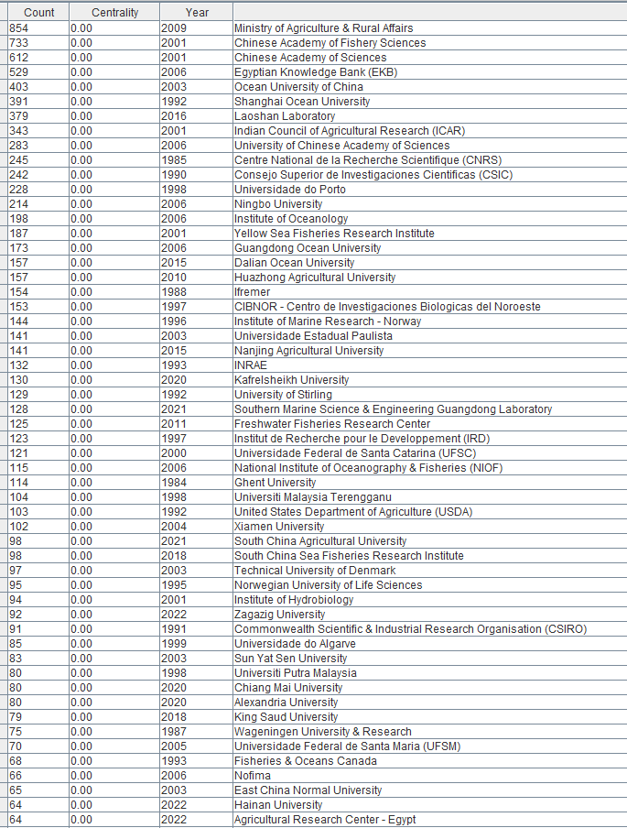
Affiliations | Record Count | % of 17,932 | 9,509 actives organization
MINISTRY OF AGRICULTURE RURAL AFFAIRS | 900 | 5.019
CHINESE ACADEMY OF FISHERY SCIENCES | 782 | 4.361
CHINESE ACADEMY OF SCIENCES | 666 | 3.714
EGYPTIAN KNOWLEDGE BANK EKB | 593 | 3.307
OCEAN UNIVERSITY OF CHINA | 435 | 2.426
SHANGHAI OCEAN UNIVERSITY | 424 | 2.364
LAOSHAN LABORATORY | 393 | 2.192
INDIAN COUNCIL OF AGRICULTURAL RESEARCH ICAR | 372 | 2.075
UNIVERSITY OF CHINESE ACADEMY OF SCIENCES CAS | 311 | 1.734
CONSEJO SUPERIOR DE INVESTIGACIONES CIENTIFICAS CSIC | 275 | 1.534
CENTRE NATIONAL DE LA RECHERCHE SCIENTIFIQUE CNRS | 271 | 1.511
UNIVERSIDADE DO PORTO | 248 | 1.383
NINGBO UNIVERSITY | 234 | 1.305
INSTITUTE OF OCEANOLOGY CAS | 221 | 1.232
IFREMER | 219 | 1.221
UNIVERSITY OF STIRLING | 213 | 1.188
YELLOW SEA FISHERIES RESEARCH INSTITUTE CAFS | 210 | 1.171
GUANGDONG OCEAN UNIVERSITY | 202 | 1.126
UNITED STATES DEPARTMENT OF AGRICULTURE USDA | 185 | 1.032
CIBNOR CENTRO DE INVESTIGACIONES BIOLOGICAS DEL NOROESTE | 181 | 1.009
INSTITUTE OF MARINE RESEARCH NORWAY | 180 | 1.004
HUAZHONG AGRICULTURAL UNIVERSITY | 178 | 0.993
DALIAN OCEAN UNIVERSITY | 174 | 0.97
INRAE | 173 | 0.965
COMMONWEALTH SCIENTIFIC INDUSTRIAL RESEARCH ORGANISATION CSIRO | 169 | 0.942
NORWEGIAN UNIVERSITY OF LIFE SCIENCES | 169 | 0.942
GHENT UNIVERSITY | 165 | 0.92
UNIVERSIDADE ESTADUAL PAULISTA | 162 | 0.903
UNIVERSIDADE FEDERAL DE SANTA CATARINA UFSC | 161 | 0.898
INSTITUT DE RECHERCHE POUR LE DEVELOPPEMENT IRD | 160 | 0.892
KAFRELSHEIKH UNIVERSITY | 158 | 0.881
NANJING AGRICULTURAL UNIVERSITY | 157 | 0.876
FRESHWATER FISHERIES RESEARCH CENTER CAFS | 151 | 0.842
TECHNICAL UNIVERSITY OF DENMARK | 150 | 0.836 | Based on count (publication number at CiteSpace analysis)
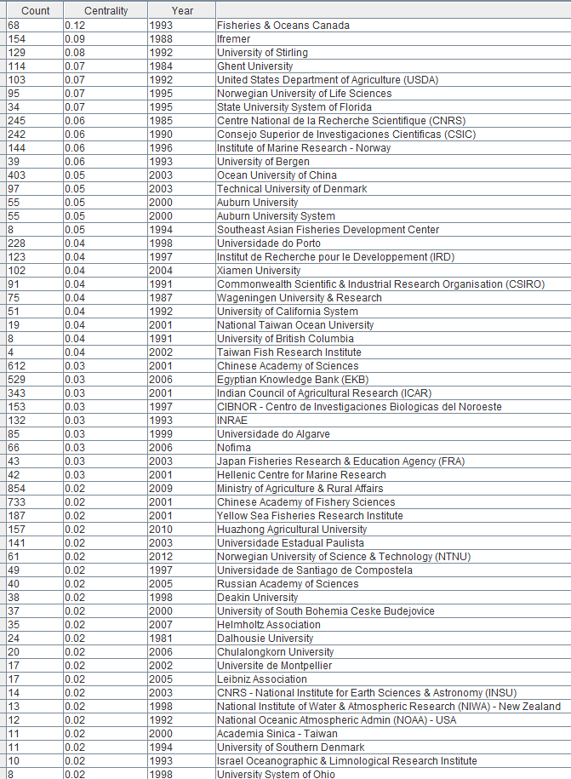
WAGENINGEN UNIVERSITY RESEARCH | 149 | 0.831
INSTITUTE OF HYDROBIOLOGY CAS | 146 | 0.814
SOUTHERN MARINE SCIENCE ENGINEERING GUANGDONG LABORATORY | 144 | 0.803
UNIVERSIDADE DO ALGARVE | 144 | 0.803
ZAGAZIG UNIVERSITY | 138 | 0.77
NATIONAL INSTITUTE OF OCEANOGRAPHY FISHERIES NIOF | 135 | 0.753
SOUTH CHINA AGRICULTURAL UNIVERSITY | 134 | 0.747
UNIVERSITY OF MURCIA | 134 | 0.747
XIAMEN UNIVERSITY | 132 | 0.736
NOFIMA | 131 | 0.731
UNIVERSITY OF TASMANIA | 126 | 0.703
AUBURN UNIVERSITY | 125 | 0.697
AUBURN UNIVERSITY SYSTEM | 125 | 0.697
KING SAUD UNIVERSITY | 125 | 0.697
SOUTH CHINA SEA FISHERIES RESEARCH INSTITUTE CAFS | 125 | 0.697
UNIVERSITI PUTRA MALAYSIA | 124 | 0.692
ALEXANDRIA UNIVERSITY | 122 | 0.68
UNIVERSITI MALAYSIA TERENGGANU | 122 | 0.68
SUN YAT SEN UNIVERSITY | 118 | 0.658
UNIVERSITY OF CALIFORNIA SYSTEM | 118 | 0.658
JAMES COOK UNIVERSITY | 117 | 0.652
FISHERIES OCEANS CANADA | 114 | 0.636
UNIVERSIDADE FEDERAL DO RIO GRANDE | 114 | 0.636
ICAR CENTRAL INSTITUTE OF FISHERIES EDUCATION | 111 | 0.619
PUKYONG NATIONAL UNIVERSITY | 106 | 0.591
ZHEJIANG UNIVERSITY | 106 | 0.591
JIMEI UNIVERSITY | 105 | 0.586
UNIVERSIDADE DE SANTIAGO DE COMPOSTELA | 105 | 0.586
CHIANG MAI UNIVERSITY | 104 | 0.58
NORTHWEST A F UNIVERSITY CHINA | 104 | 0.58
NORWEGIAN UNIVERSITY OF SCIENCE TECHNOLOGY NTNU | 104 | 0.58
SHANTOU UNIVERSITY | 103 | 0.574
EAST CHINA NORMAL UNIVERSITY | 102 | 0.569
UNIVERSIDADE DE SAO PAULO | 101 | 0.563
UNIVERSIDADE DE AVEIRO | 100 | 0.558 | Based on Centrality Score (or referred as "Most influential")
UNIVERSITY OF BERGEN | 100 | 0.558
GORGAN UNIVERSITY OF AGRICULTURAL SCIENCES NATURAL RESOURCES | 99 | 0.552
ZHEJIANG OCEAN UNIVERSITY | 99 | 0.552
ISLAMIC AZAD UNIVERSITY | 98 | 0.547
CONSIGLIO NAZIONALE DELLE RICERCHE CNR | 97 | 0.541
HELLENIC CENTRE FOR MARINE RESEARCH | 97 | 0.541
RUSSIAN ACADEMY OF SCIENCES | 97 | 0.541
STATE UNIVERSITY SYSTEM OF FLORIDA | 97 | 0.541
UNIVERSIDADE FEDERAL DE SANTA MARIA UFSM | 97 | 0.541
UNIVERSITY OF SOUTH BOHEMIA CESKE BUDEJOVICE | 97 | 0.541
ICAR CENTRAL INSTITUTE BRACKISHWATER AQUACULTURE | 95 | 0.53
HAINAN UNIVERSITY | 94 | 0.524
TEXAS A M UNIVERSITY SYSTEM | 94 | 0.524
UNIVERSIDAD DE LAS PALMAS DE GRAN CANARIA | 94 | 0.524
CAIRO UNIVERSITY | 93 | 0.519
IRTA | 92 | 0.513
MEMORIAL UNIVERSITY NEWFOUNDLAND | 92 | 0.513
UNIVERSITY OF COPENHAGEN | 92 | 0.513
AGRICULTURAL RESEARCH CENTER EGYPT | 91 | 0.507
UNIVERSITE DE MONTPELLIER | 91 | 0.507
UNIVERSIDAD NACIONAL AUTONOMA DE MEXICO | 90 | 0.502
CHINESE ACADEMY OF AGRICULTURAL SCIENCES | 88 | 0.491
TOKYO UNIVERSITY OF MARINE SCIENCE TECHNOLOGY | 88 | 0.491
UNIVERSIDAD DE ALMERIA | 88 | 0.491
HELMHOLTZ ASSOCIATION | 87 | 0.485
SICHUAN AGRICULTURAL UNIVERSITY | 85 | 0.474
JAPAN FISHERIES RESEARCH EDUCATION AGENCY FRA | 84 | 0.468
UNIVERSIDAD DE CADIZ | 84 | 0.468
INSTITUTO POLITECNICO NACIONAL MEXICO | 81 | 0.452
NATIONAL SCIENCE TECHNOLOGY DEVELOPMENT AGENCY THAILAND | 81 | 0.452
DEAKIN UNIVERSITY | 80 | 0.446
NATIONAL TAIWAN OCEAN UNIVERSITY | 80 | 0.446
PEARL RIVER FISHERIES RESEARCH INSTITUTE CAFS | 80 | 0.446
CHULALONGKORN UNIVERSITY | 79 | 0.441
NATIONAL INSTITUTE OF FISHERIES SCIENCE | 79 | 0.441
UNIVERSIDAD DE CHILE | 79 | 0.441
CONSEJO NACIONAL DE INVESTIGACIONES CIENTIFICAS Y TECNICAS CONICET | 78 | 0.435
HENAN NORMAL UNIVERSITY | 78 | 0.435
UK RESEARCH INNOVATION UKRI | 78 | 0.435
LEIBNIZ ASSOCIATION | 77 | 0.429
UNIVERSITY OF TEHRAN | 77 | 0.429
EMPRESA BRASILEIRA DE PESQUISA AGROPECUARIA EMBRAPA | 75 | 0.418
NATIONAL CENTER GENETIC ENGINEERING BIOTECHNOLOGY BIOTEC | 75 | 0.418
UNIVERSITY OF MESSINA | 75 | 0.418
CIAD CENTRO DE INVESTIGACION EN ALIMENTACION Y DESARROLLO | 74 | 0.413
TEXAS A M UNIVERSITY COLLEGE STATION | 73 | 0.407
YANGTZE RIVER FISHERIES RESEARCH INSTITUTE CAFS | 73 | 0.407
UNIVERSIDADE FEDERAL RURAL DE PERNAMBUCO UFRPE | 72 | 0.402
DALHOUSIE UNIVERSITY | 71 | 0.396
INSTITUTO PORTUGUES DO MAR E DA ATMOSFERA | 71 | 0.396
KASETSART UNIVERSITY | 71 | 0.396
QINGDAO AGRICULTURAL UNIVERSITY | 71 | 0.396
UNIVERSITY SYSTEM OF MARYLAND | 71 | 0.396
CGIAR | 70 | 0.39
CSIC INSTITUTO DE INVESTIGACIONES MARINAS IIM | 70 | 0.39
SOUTH CHINA SEA INSTITUTE OF OCEANOLOGY CAS | 70 | 0.39
JIANGSU OCEAN UNIVERSITY | 69 | 0.385
SWEDISH UNIVERSITY OF AGRICULTURAL SCIENCES | 67 | 0.374
UNIVERSIDAD DE MALAGA | 67 | 0.374
FLINDERS UNIVERSITY SOUTH AUSTRALIA | 66 | 0.368
ICAR CENTRAL MARINE FISHERIES RESEARCH INSTITUTE | 66 | 0.368
SOUTHERN MARINE SCIENCE ENGINEERING GUANGDONG LABORATORY ZHUHAI | 66 | 0.368
UNIVERSITY OF GOTHENBURG | 66 | 0.368
WORLDFISH | 66 | 0.368
MANSOURA UNIVERSITY | 65 | 0.362
SPANISH INSTITUTE OF OCEANOGRAPHY | 65 | 0.362
CSIC INSTITUTO DE ACUICULTURA DE TORRE DE LA SAL IATS | 64 | 0.357
UNIVERSIDADE DE LISBOA | 64 | 0.357
COCHIN UNIVERSITY SCIENCE TECHNOLOGY | 63 | 0.351
PRINCE OF SONGKLA UNIVERSITY | 63 | 0.351
SORBONNE UNIVERSITE | 63 | 0.351
UNIVERSIDAD AUSTRAL DE CHILE | 63 | 0.351
UNIVERSITE DE BRETAGNE OCCIDENTALE | 63 | 0.351
UNIVERSITI SAINS MALAYSIA | 63 | 0.351
BANGLADESH AGRICULTURAL UNIVERSITY BAU | 62 | 0.346
SUEZ CANAL UNIVERSITY | 62 | 0.346
UNIVERSITE DE PAU ET DES PAYS DE L ADOUR | 61 | 0.34
COUNCIL OF SCIENTIFIC INDUSTRIAL RESEARCH CSIR INDIA | 60 | 0.335
NATIONAL PINGTUNG UNIVERSITY SCIENCE TECHNOLOGY | 59 | 0.329
NORD UNIVERSITY | 59 | 0.329
UIT THE ARCTIC UNIVERSITY OF TROMSO | 59 | 0.329
UNIVERSITY OF BARCELONA | 59 | 0.329
UNIVERSITY OF EDINBURGH | 59 | 0.329
ICAR CENTRAL INSTITUTE OF FRESHWATER AQUACULTURE | 58 | 0.323
NATIONAL OCEANIC ATMOSPHERIC ADMIN NOAA USA | 58 | 0.323
UNIVERSIDAD DE CONCEPCION | 58 | 0.323
UNIVERSITY OF FLORIDA | 58 | 0.323
MINISTRY OF NATURAL RESOURCES OF THE PEOPLE S REPUBLIC OF CHINA | 57 | 0.318
PONTIFICIA UNIVERSIDAD CATOLICA DE VALPARAISO | 57 | 0.318
BIOTECHNOLOGY AND BIOLOGICAL SCIENCES RESEARCH COUNCIL BBSRC | 56 | 0.312
JEJU NATIONAL UNIVERSITY | 56 | 0.312
MINIST EDUC | 56 | 0.312
SINTEF | 56 | 0.312
CNRS INSTITUTE OF ECOLOGY ENVIRONMENT INEE | 55 | 0.307
HEILONGJIANG RIVER FISHERIES RESEARCH INSTITUTE CAFS | 55 | 0.307
CAWTHRON INSTITUTE | 54 | 0.301
UNIVERSIDAD CATOLICA DEL NORTE | 54 | 0.301
UNIVERSIDADE FEDERAL DO PARANA | 54 | 0.301
SOUTHWEST UNIVERSITY CHINA | 53 | 0.296
TELEFONICA SA | 53 | 0.296
UNITED STATES DEPARTMENT OF THE INTERIOR | 53 | 0.296
UNIVERSITE PARIS SACLAY | 53 | 0.296
AMERICAN UNIVERSITY CAIRO | 52 | 0.29
JILIN AGRICULTURAL UNIVERSITY | 52 | 0.29
MAHIDOL UNIVERSITY | 52 | 0.29
SHANDONG UNIVERSITY | 52 | 0.29
UNIVERSITY OF GUELPH | 52 | 0.29
AARHUS UNIVERSITY | 51 | 0.284
ARISTOTLE UNIVERSITY OF THESSALONIKI | 51 | 0.284
NATIONAL TAIWAN UNIVERSITY | 51 | 0.284
TAIF UNIVERSITY | 51 | 0.284
BENHA UNIVERSITY | 50 | 0.279
MARCHE POLYTECHNIC UNIVERSITY | 50 | 0.279
SOUTHERN MARINE SCIENCE ENGINEERING GUANGDONG LABORATORY ZHANJIANG | 50 | 0.279
UNIVERSIDAD AUTONOMA DE BAJA CALIFORNIA | 50 | 0.279
NANJING NORMAL UNIVERSITY | 49 | 0.273
NATIONAL UNIVERSITY OF SINGAPORE | 49 | 0.273
UNIVERSIDAD DE SONORA | 49 | 0.273
UNIVERSITY SYSTEM OF GEORGIA | 49 | 0.273
ACADEMIA SINICA TAIWAN | 48 | 0.268
UNIVERSITY OF IDAHO | 48 | 0.268
UNIVERSITY OF TURIN | 48 | 0.268
YANTAI INSTITUTE OF COASTAL ZONE RESEARCH CAS | 48 | 0.268
ZHONGKAI UNIVERSITY OF AGRICULTURE ENGINEERING | 48 | 0.268
AL AZHAR UNIVERSITY | 47 | 0.262
DEPARTMENT OF PRIMARY INDUSTRIES REGIONAL DEVELOPMENT NSW | 47 | 0.262
FUJIAN AGRICULTURE FORESTRY UNIVERSITY | 47 | 0.262
MISSISSIPPI STATE UNIVERSITY | 47 | 0.262
MUSEUM NATIONAL D HISTOIRE NATURELLE MNHN | 47 | 0.262
NATIONAL KAOHSIUNG UNIVERSITY OF SCIENCE TECHNOLOGY | 47 | 0.262
SOUTH CHINA NORMAL UNIVERSITY | 47 | 0.262
UNIVERSITY OF BRITISH COLUMBIA | 47 | 0.262
UNIVERSITY OF GRANADA | 47 | 0.262
UNIVERSITY OF QUEENSLAND | 47 | 0.262
UNIVERSITY OF THE PHILIPPINES SYSTEM | 47 | 0.262
SPAROS LDA | 46 | 0.257
UNIVERSITY OF THE SUNSHINE COAST | 46 | 0.257
UNIVERSITY OF THESSALY | 46 | 0.257
ALFRED WEGENER INSTITUTE HELMHOLTZ CENTRE FOR POLAR MARINE RESEARCH | 45 | 0.251
JINAN UNIVERSITY | 45 | 0.251
UNIVERSITY OF CALIFORNIA DAVIS | 45 | 0.251
UNIVERSITY OF PADUA | 45 | 0.251
ANIMAL HEALTH RESEARCH INSTITUTE AHRI | 44 | 0.245
NORWEGIAN VETERINARY INSTITUTE | 44 | 0.245
SANYA TROP FISHERIES RES INST | 44 | 0.245
UNIVERSITI KEBANGSAAN MALAYSIA | 44 | 0.245
UNIVERSITY OF ABERDEEN | 44 | 0.245
UNIVERSITY OF TOKYO | 44 | 0.245
AGR RES EDUC EXTENS ORG AREEO | 43 | 0.24
AUCKLAND UNIVERSITY OF TECHNOLOGY | 43 | 0.24
UNIVERSIDADE DE VIGO | 43 | 0.24
UNIVERSITY OF FLORENCE | 43 | 0.24
CSIC INSTITUTO DE CIENCIAS MARINAS DE ANDALUCIA ICMAN | 42 | 0.234
UNIVERSITY OF BOLOGNA | 42 | 0.234
UNIVERSITY OF INSUBRIA | 42 | 0.234
ALAGAPPA UNIVERSITY | 41 | 0.229
BIOMAR AS | 41 | 0.229
CICESE CENTRO DE INVESTIGACION CIENTIFICA Y DE EDUCACION SUPERIOR DE ENSENADA | 41 | 0.229
HUNAN NORMAL UNIVERSITY | 41 | 0.229
SEOUL NATIONAL UNIVERSITY SNU | 41 | 0.229
TIANJIN AGRICULTURAL UNIVERSITY | 41 | 0.229
UNIVERSITY OF KIEL | 41 | 0.229
UNIVERSITY OF PALERMO | 41 | 0.229
UNIVERSITY OF QUEBEC | 41 | 0.229
YANGZHOU UNIVERSITY | 41 | 0.229
CHONNAM NATIONAL UNIVERSITY | 40 | 0.223
LAVAL UNIVERSITY | 40 | 0.223
ROSLIN INSTITUTE | 40 | 0.223
UNIVERSIDADE FEDERAL DO CEARA | 40 | 0.223
CAN THO UNIVERSITY | 39 | 0.217
GUANGDONG LABORATORY FOR LINGNAN MODERN AGRICULTURE | 39 | 0.217
UNIVERSIDAD ANDRES BELLO | 39 | 0.217
UNIVERSITY OF ARKANSAS SYSTEM | 39 | 0.217
AUTONOMOUS UNIVERSITY OF BARCELONA | 38 | 0.212
COMPLUTENSE UNIVERSITY OF MADRID | 38 | 0.212
EGE UNIVERSITY | 38 | 0.212
LEIBNIZ INSTITUT FUR GEWASSEROKOLOGIE UND BINNENFISCHEREI IGB | 38 | 0.212
SOUTHERN ILLINOIS UNIVERSITY | 38 | 0.212
SOUTHERN ILLINOIS UNIVERSITY SYSTEM | 38 | 0.212
TANTA UNIVERSITY | 38 | 0.212
UNIVERSIDADE DO ESTADO DE SANTA CATARINA | 38 | 0.212
VIRGINIA POLYTECHNIC INSTITUTE STATE UNIVERSITY | 38 | 0.212
YANCHENG INSTITUTE OF TECHNOLOGY | 38 | 0.212
CANAKKALE ONSEKIZ MART UNIVERSITY | 37 | 0.206
CNRS NATIONAL INSTITUTE FOR EARTH SCIENCES ASTRONOMY INSU | 37 | 0.206
ICAR CENTRAL INLAND FISHERIES RESEARCH INSTITUTE | 37 | 0.206
MURDOCH UNIVERSITY | 37 | 0.206
NATIONAL RESEARCH CENTRE NRC | 37 | 0.206
QUEENSLAND DEPARTMENT OF AGRICULTURE FISHERIES | 37 | 0.206
UNIVERSIDADE FEDERAL DE MINAS GERAIS | 37 | 0.206
URMIA UNIVERSITY | 37 | 0.206
CHINA AGRICULTURAL UNIVERSITY | 36 | 0.201
CURTIN UNIVERSITY | 36 | 0.201
GUANGXI ACADEMY OF SCIENCES | 36 | 0.201
ISRAEL OCEANOGRAPHIC LIMNOLOGICAL RESEARCH INSTITUTE | 36 | 0.201
KENTUCKY STATE UNIVERSITY | 36 | 0.201
NORTHEAST AGRICULTURAL UNIVERSITY CHINA | 36 | 0.201
POLISH ACADEMY OF SCIENCES | 36 | 0.201
SYLHET AGRICULTURAL UNIVERSITY | 36 | 0.201
UNIVERSIDAD JUAREZ AUTONOMA DE TABASCO | 36 | 0.201
UNIVERSITY OF AUCKLAND | 36 | 0.201
UNIVERSITY OF WARMIA MAZURY | 36 | 0.201
AGR RES EDUC EXTENS ORG | 35 | 0.195
AUSTRALIAN INSTITUTE OF MARINE SCIENCE | 35 | 0.195
FEED RESEARCH INSTITUTE CAAS | 35 | 0.195
HOKKAIDO UNIVERSITY | 35 | 0.195
LUDONG UNIVERSITY | 35 | 0.195
PEOPLES FRIENDSHIP UNIVERSITY OF RUSSIA | 35 | 0.195
VIETNAM ACADEMY OF SCIENCE TECHNOLOGY VAST | 35 | 0.195
BHARATHIDASAN UNIVERSITY | 34 | 0.19
CITY UNIVERSITY OF HONG KONG | 34 | 0.19
KOREA INSTITUTE OF OCEAN SCIENCE TECHNOLOGY KIOST | 34 | 0.19
NAGASAKI UNIVERSITY | 34 | 0.19
THIRD INSTITUTE OF OCEANOGRAPHY MINISTRY OF NATURAL RESOURCES | 34 | 0.19
UNIVERSIDADE ESTADUAL DO OESTE DO PARANA | 34 | 0.19
UNIVERSITY OF UDINE | 34 | 0.19
UNIVERSITY OF WASHINGTON | 34 | 0.19
UNIVERSITY SYSTEM OF OHIO | 34 | 0.19
GUANGXI UNIVERSITY | 33 | 0.184
NATIONAL INSTITUTE OF WATER ATMOSPHERIC RESEARCH NIWA NEW ZEALAND | 33 | 0.184
UNIVERSIDAD DE LOS LAGOS | 33 | 0.184
UNIVERSITI MALAYA | 33 | 0.184
UNIVERSITY OF GEORGIA | 33 | 0.184
UNIVERSITY OF PLYMOUTH | 33 | 0.184
UNIVERSITY OF RHODE ISLAND | 33 | 0.184
UNIVERSITY OF ROSTOCK | 33 | 0.184
UNIVERSITY OF WASHINGTON SEATTLE | 33 | 0.184
ANNAMALAI UNIVERSITY | 32 | 0.178
EAST CHINA SEA FISHERIES RESEARCH INSTITUTE CAFS | 32 | 0.178
HUZHOU UNIVERSITY | 32 | 0.178
KAGOSHIMA UNIVERSITY | 32 | 0.178
UNIVERSITAT POLITECNICA DE VALENCIA | 32 | 0.178
UNIVERSITY OF ARIZONA | 32 | 0.178
UNIVERSITY OF DAR ES SALAAM | 32 | 0.178
UNIVERSITY OF HAWAII SYSTEM | 32 | 0.178
UNIVERSITY OF MARYLAND BALTIMORE | 32 | 0.178
UNIVERSITY OF MARYLAND CENTER FOR ENVIRONMENTAL SCIENCE | 32 | 0.178
UNIVERSITY OF MARYLAND COLLEGE PARK | 32 | 0.178
UNIVERSITY OF SOUTHERN DENMARK | 32 | 0.178
UNIVERSITY OF THE HIGHLANDS ISLANDS | 32 | 0.178
VELLORE INSTITUTE OF TECHNOLOGY VIT | 32 | 0.178
VIT VELLORE | 32 | 0.178
BEN GURION UNIVERSITY | 31 | 0.173
CENTRO UNIVERSITARIO NILTON LINS | 31 | 0.173
GUANGXI ACAD FISHERY SCI | 31 | 0.173
KING ABDULAZIZ UNIVERSITY | 31 | 0.173
NANTES UNIVERSITE | 31 | 0.173
NATIONAL CHENG KUNG UNIVERSITY | 31 | 0.173
QINGDAO MARINE SCI TECHNOL CTR | 31 | 0.173
SKRETTING AQUACULTURE RES CTR | 31 | 0.173
TARBIAT MODARES UNIVERSITY | 31 | 0.173
UNIVERSIDADE FEDERAL DE PERNAMBUCO | 31 | 0.173
UNIVERSIDADE NOVA DE LISBOA | 31 | 0.173
UNIVERSITI MALAYSIA KELANTAN | 31 | 0.173
UNIVERSITI MALAYSIA SABAH | 31 | 0.173
UNIVERSITY OF CRETE | 31 | 0.173
UNIVERSITY OF MELBOURNE | 31 | 0.173
UNIVERSITY OF NAPLES FEDERICO II | 31 | 0.173
US FISH WILDLIFE SERVICE | 31 | 0.173
GEOMAR HELMHOLTZ CENTER FOR OCEAN RESEARCH KIEL | 30 | 0.167
GOVERNMENT COLLEGE UNIVERSITY FAISALABAD | 30 | 0.167
NATIONAL CHUNG HSING UNIVERSITY | 30 | 0.167
OLLSCOIL NA GAILLIMHE UNIVERSITY OF GALWAY | 30 | 0.167
SOUTHERN MARINE SCIENCE ENGINEERING GUANGDONG LABORATORY GUANGZHOU | 30 | 0.167
UNIVERSITY OF TRAS OS MONTES ALTO DOURO | 30 | 0.167
AGROPARISTECH | 29 | 0.162
GUANGDONG ACADEMY OF SCIENCES | 29 | 0.162
UNIVERSIDAD AUTONOMA DE SINALOA | 29 | 0.162
UNIVERSITAT D ALACANT | 29 | 0.162
UNIVERSITY OF NORTH CAROLINA | 29 | 0.162
UNIVERSITY OF OSLO | 29 | 0.162
UNIVERSITY OF SEVILLA | 29 | 0.162
UNIVERSITY OF VALENCIA | 29 | 0.162
UNIVERSITY OF VETERINARY ANIMAL SCIENCE PAKISTAN | 29 | 0.162
BOGOR AGRICULTURAL UNIVERSITY | 28 | 0.156
CENT LAB AQUACULTURE RES | 28 | 0.156
CZECH ACADEMY OF SCIENCES | 28 | 0.156
EHIME UNIVERSITY | 28 | 0.156
ICAR CENTRAL INSTITUTE OF FISHERIES TECHNOLOGY | 28 | 0.156
ICAR NATIONAL BUREAU OF FISH GENETIC RESOURCES | 28 | 0.156
KERALA UNIVERSITY OF FISHERIES OCEAN STUDIES | 28 | 0.156
KING FAISAL UNIVERSITY | 28 | 0.156
KU LEUVEN | 28 | 0.156
SHENZHEN UNIVERSITY | 28 | 0.156
STELLENBOSCH UNIVERSITY | 28 | 0.156
TAIWAN FISH RESEARCH INSTITUTE | 28 | 0.156
UNIVERSITY OF BELGRADE | 28 | 0.156
UNIVERSITY OF CALIFORNIA SAN DIEGO | 28 | 0.156
UNIVERSITY OF MAINE SYSTEM | 28 | 0.156
UNIVERSITY OF WISCONSIN SYSTEM | 28 | 0.156
CENTRE FOR ENVIRONMENT FISHERIES AQUACULTURE SCIENCE | 27 | 0.151
ESCUELA SUPERIOR POLITECNICA DEL LITORAL | 27 | 0.151
FIRST INSTITUTE OF OCEANOGRAPHY MINISTRY OF NATURAL RESOURCES | 27 | 0.151
FUJIAN NORMAL UNIVERSITY | 27 | 0.151
HARBIN INSTITUTE OF TECHNOLOGY | 27 | 0.151
HEBREW UNIVERSITY OF JERUSALEM | 27 | 0.151
HIROSHIMA UNIVERSITY | 27 | 0.151
INSTITUTE NACIONAL DE PESQUISAS DA AMAZONIA | 27 | 0.151
ISTANBUL UNIVERSITY | 27 | 0.151
OREGON STATE UNIVERSITY | 27 | 0.151
PURDUE UNIVERSITY SYSTEM | 27 | 0.151
UNIVERSIDAD CATOLICA DE TEMUCO | 27 | 0.151
UNIVERSITA DEGLI STUDI DI BARI ALDO MORO | 27 | 0.151
UNIVERSITY OF MAINE ORONO | 27 | 0.151
UNIVERSITY OF PATRAS | 27 | 0.151
YANTAI UNIVERSITY | 27 | 0.151
CORNELL UNIVERSITY | 26 | 0.145
DAMANHOUR UNIVERSITY | 26 | 0.145
FISHERY MACHINERY INSTRUMENT RESEARCH INSTITUTE CAFS | 26 | 0.145
KING SALMAN INTERNATIONAL UNIVERSITY | 26 | 0.145
NANYANG TECHNOLOGICAL UNIVERSITY | 26 | 0.145
PURDUE UNIVERSITY | 26 | 0.145
UNIVERSIDADE DE COIMBRA | 26 | 0.145
UNIVERSITY OF WESTERN AUSTRALIA | 26 | 0.145
FED UNIV SANTA CATARINA UFSC | 25 | 0.139
INDIAN INSTITUTE OF TECHNOLOGY SYSTEM IIT SYSTEM | 25 | 0.139
NATIONAL KAPODISTRIAN UNIVERSITY OF ATHENS | 25 | 0.139
ROSKILDE UNIVERSITY | 25 | 0.139
SCRIPPS INSTITUTION OF OCEANOGRAPHY | 25 | 0.139
SHANGHAI JIAO TONG UNIVERSITY | 25 | 0.139
STAZIONE ZOOLOGICA ANTON DOHRN | 25 | 0.139
UNIVERSIDADE ESTADUAL DE MARINGA | 25 | 0.139
UNIVERSITY OF HONG KONG | 25 | 0.139
UNIVERSITY OF PRINCE EDWARD ISLAND | 25 | 0.139
WEST BENGAL UNIVERSITY OF ANIMAL FISHERY SCIENCES | 25 | 0.139
YANCHENG TEACHERS UNIVERSITY | 25 | 0.139
EAST CHINA UNIVERSITY OF SCIENCE TECHNOLOGY | 24 | 0.134
HUNAN AGRICULTURAL UNIVERSITY | 24 | 0.134
LEIBNIZ ZENTRUM FUR MARINE TROPENFORSCHUNG ZMT | 24 | 0.134
MAX PLANCK SOCIETY | 24 | 0.134
MICHIGAN STATE UNIVERSITY | 24 | 0.134
NATIONAL RESEARCH COUNCIL CANADA | 24 | 0.134
RWTH AACHEN UNIVERSITY | 24 | 0.134
SOUTH CHINA UNIVERSITY OF TECHNOLOGY | 24 | 0.134
SRM INSTITUTE OF SCIENCE TECHNOLOGY CHENNAI | 24 | 0.134
STOCKHOLM UNIVERSITY | 24 | 0.134
SUNGKYUNKWAN UNIVERSITY SKKU | 24 | 0.134
UNIVERSIDAD DE LA LAGUNA | 24 | 0.134
UNIVERSIDAD DE SANTIAGO DE CHILE | 24 | 0.134
UNIVERSIDADE FEDERAL DE AMAZONAS | 24 | 0.134
UNIVERSITY OF BURDWAN | 24 | 0.134
UNIVERSITY OF OTAGO | 24 | 0.134
UNIVERSITY OF THE PHILIPPINES VISAYAS | 24 | 0.134
ARISH UNIVERSITY | 23 | 0.128
FRESHWATER FISHERIES RES INST JIANGSU PROV | 23 | 0.128
GUANGDONG ACADEMY OF AGRICULTURAL SCIENCES | 23 | 0.128
GUIZHOU UNIVERSITY | 23 | 0.128
HUMBOLDT UNIVERSITY OF BERLIN | 23 | 0.128
KALYANI UNIVERSITY | 23 | 0.128
NATURAL ENVIRONMENT RESEARCH COUNCIL NERC | 23 | 0.128
RUTGERS UNIVERSITY NEW BRUNSWICK | 23 | 0.128
RUTGERS UNIVERSITY SYSTEM | 23 | 0.128
SOUTHEAST ASIAN FISHERIES DEVELOPMENT CENTER | 23 | 0.128
SUEZ UNIVERSITY | 23 | 0.128
UNITED STATES GEOLOGICAL SURVEY | 23 | 0.128
UNIV GALWAY | 23 | 0.128
UNIVERSITE DE CAEN NORMANDIE | 23 | 0.128
UNIVERSITE DE LILLE | 23 | 0.128
UNIVERSITE PSL | 23 | 0.128
UNIVERSITY OF LIEGE | 23 | 0.128
UTRECHT UNIVERSITY | 23 | 0.128
YANGTZE UNIVERSITY | 23 | 0.128
AIRLANGGA UNIVERSITY | 22 | 0.123
AKDENIZ UNIVERSITY | 22 | 0.123
CSIR CENTRAL SALT MARINE CHEMICAL RESEARCH INSTITUTE CSMCRI | 22 | 0.123
GYEONGSANG NATIONAL UNIVERSITY | 22 | 0.123
HOHAI UNIVERSITY | 22 | 0.123
MONASH UNIVERSITY | 22 | 0.123
NATURAL RESOURCES INSTITUTE FINLAND LUKE | 22 | 0.123
NORTH CAROLINA STATE UNIVERSITY | 22 | 0.123
OHIO STATE UNIVERSITY | 22 | 0.123
SWANSEA UNIVERSITY | 22 | 0.123
UNIVERSIDAD AUTONOMA METROPOLITANA MEXICO | 22 | 0.123
UNIVERSIDAD DE GUADALAJARA | 22 | 0.123
UNIVERSIDADE FEDERAL DE SAO CARLOS | 22 | 0.123
UNIVERSITE PARIS CITE | 22 | 0.123
UNIVERSITY OF KWAZULU NATAL | 22 | 0.123
UNIVERSITY OF MIYAZAKI | 22 | 0.123
UNIVERSITY OF SANNIO | 22 | 0.123
WILLIAM MARY | 22 | 0.123
AGRICULTURAL UNIVERSITY OF ATHENS | 21 | 0.117
AQUAT ANIM PRECIS NUTR HIGH EFFICIENCY FEED ENGN | 21 | 0.117
BEIBU GULF UNIVERSITY | 21 | 0.117
ISTITUTO SCIENZE DELLE PRODUZIONI ALIMENTARI ISPA CNR | 21 | 0.117
KYUSHU UNIVERSITY | 21 | 0.117
LOUISIANA STATE UNIVERSITY | 21 | 0.117
LOUISIANA STATE UNIVERSITY SYSTEM | 21 | 0.117
MINISTRY OF AGRICULTURE FORESTRY TURKEY | 21 | 0.117
NANJING UNIVERSITY | 21 | 0.117
NATL INST NUTR SEAFOOD RES | 21 | 0.117
NHA TRANG UNIVERSITY | 21 | 0.117
SHENYANG AGRICULTURAL UNIVERSITY | 21 | 0.117
SICHUAN ACADEMY OF AGRICULTURAL SCIENCES SAAS | 21 | 0.117
TAMIL NADU DR J JAYALALITHAA FISHERIES UNIV | 21 | 0.117
UNIV ZABOL | 21 | 0.117
UNIVERSIDAD DE ANTOFAGASTA | 21 | 0.117
UNIVERSIDADE FEDERAL DO PARA | 21 | 0.117
UNIVERSITY COLLEGE CORK | 21 | 0.117
UNIVERSITY OF ADELAIDE | 21 | 0.117
UNIVERSITY OF ARKANSAS FAYETTEVILLE | 21 | 0.117
UNIVERSITY OF BUENOS AIRES | 21 | 0.117
UNIVERSITY OF HAWAII MANOA | 21 | 0.117
UNIVERSITY OF MILAN | 21 | 0.117
ALLTECH UNITED STATES | 20 | 0.112
CALIFORNIA STATE UNIVERSITY SYSTEM | 20 | 0.112
INSTITUT UNIVERSITAIRE EUROPEEN DE LA MER IUEM | 20 | 0.112
INSTITUTE OF MARINE ENVIRONMENTAL TECHNOLOGY | 20 | 0.112
KASTAMONU UNIVERSITY | 20 | 0.112
KOREA RESEARCH INSTITUTE OF BIOSCIENCE BIOTECHNOLOGY KRIBB | 20 | 0.112
LIAONING OCEAN FISHERIES SCI RES INST | 20 | 0.112
PATUAKHALI SCI TECHNOL UNIV | 20 | 0.112
SAVEETHA INSTITUTE OF MEDICAL TECHNICAL SCIENCE | 20 | 0.112
SOUTHERN CROSS UNIVERSITY | 20 | 0.112
STATE UNIVERSITY OF NEW YORK SUNY SYSTEM | 20 | 0.112
...

Open Access
Record Count vs. Open Access
Open Access | Record Count | % of 17,932 | 9,643 record(s) (53.75%) do not contain data in the field being analyzed
All Open Access | 8289 | 46.225
Gold | 5923 | 33.03
Gold-Hybrid | 860 | 4.796
Free to Read | 770 | 4.294
Green Published | 3837 | 21.398
Green Accepted | 361 | 2.013
Green Submitted | 1099 | 6.129

9,643 record(s) (53.775%) do not contain data in the field being analyzed

Frequent Keywords
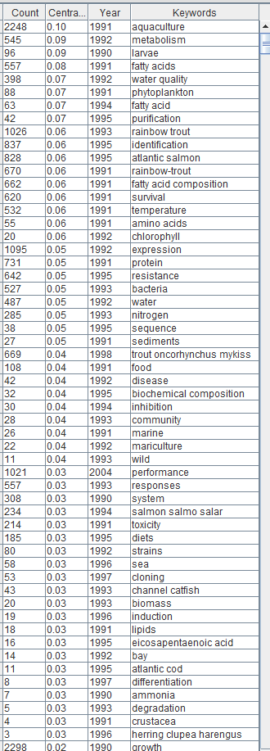
TRUE | 2298 | 0 | 1990 | growth | 1,892 different keywords
TRUE | 2248 | 0 | 1991 | aquaculture
TRUE | 2105 | 0 | 1992 | fish |  | Most referred keywords in the field based on the higher centrality score
TRUE | 1173 | 0 | 2004 | growth performance
TRUE | 1095 | 0 | 1992 | expression
TRUE | 1068 | 0 | 2000 | oxidative stress
TRUE | 1026 | 0 | 1993 | rainbow trout
TRUE | 1021 | 0 | 2004 | performance
TRUE | 870 | 0 | 1998 | disease resistance
TRUE | 837 | 0 | 1995 | identification
TRUE | 828 | 0 | 1995 | atlantic salmon
TRUE | 731 | 0 | 1991 | protein
TRUE | 691 | 0 | 2010 | growth-performance
TRUE | 670 | 0 | 1991 | rainbow-trout
TRUE | 669 | 0 | 1998 | trout oncorhynchus mykiss
TRUE | 662 | 0 | 1991 | fatty acid composition
TRUE | 642 | 0 | 1995 | resistance
TRUE | 638 | 0 | 1998 | nile tilapia
TRUE | 620 | 0 | 1991 | survival
TRUE | 592 | 0 | 2007 | gene expression
TRUE | 592 | 0 | 2017 | gut microbiota
TRUE | 559 | 0 | 2007 | litopenaeus vannamei
TRUE | 557 | 0 | 1991 | fatty acids
TRUE | 557 | 0 | 1993 | responses
TRUE | 545 | 0 | 1992 | metabolism
TRUE | 532 | 0 | 1991 | temperature
TRUE | 527 | 0 | 1993 | bacteria
TRUE | 502 | 0 | 1997 | immune response
TRUE | 487 | 0 | 1992 | water
TRUE | 457 | 0 | 1992 | gene-expression
TRUE | 452 | 0 | 1991 | quality
TRUE | 433 | 0 | 1993 | diversity
TRUE | 428 | 0 | 2004 | probiotics
TRUE | 398 | 0 | 1992 | water quality
TRUE | 385 | 0 | 1996 | supplementation
TRUE | 374 | 0 | 1992 | stress
TRUE | 367 | 0 | 2017 | intestinal microbiota
TRUE | 357 | 0 | 2017 | parameters
TRUE | 345 | 0 | 1998 | immune-response
TRUE | 336 | 0 | 2009 | innate immunity
TRUE | 331 | 0 | 2015 | pacific white shrimp
TRUE | 322 | 0 | 1992 | oreochromis niloticus
TRUE | 308 | 0 | 1990 | system
TRUE | 305 | 0 | 1993 | culture
TRUE | 285 | 0 | 1993 | nitrogen
TRUE | 274 | 0 | 1994 | antioxidant
TRUE | 263 | 0 | 1995 | infection
TRUE | 245 | 0 | 2005 | l
TRUE | 234 | 0 | 1994 | salmon salmo salar
TRUE | 214 | 0 | 1997 | body-composition
TRUE | 214 | 0 | 1991 | toxicity
TRUE | 185 | 0 | 1995 | diets
TRUE | 176 | 0 | 1992 | exposure
TRUE | 155 | 0 | 1995 | shrimp
TRUE | 141 | 0 | 1992 | microalgae
TRUE | 127 | 0 | 2015 | common carp
TRUE | 120 | 0 | 1997 | replacement
...

