TS2
Building Category | Description | Annex
A | Building constructed before 1920. Implantation within blocks in the old town. Attached linear block. Masonry or brick walls and pitched roof (2-3 storeys). | 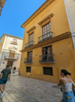
B | Building constructed before 1920. Implantation between party walls in the old town. Apartment block of medium height, masonry or brick walls. Cantilevered cornices and balconies and pitched roof (4-6 storeys).
C | Building constructed between 1939 and 1959. Implantation in a closed block. Linear block of medium height. Composite walls with or without cavity, flush balconies and flat roof (6-9 storeys). | 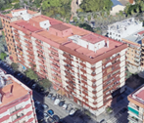
D | Building constructed between 1959 and 1975. Implantation in open blocks. Linear block in open block. Capuchin walls. Without balconies and with sloping roof (>9 storeys). | 