TableS1
Table S1. The BioSample and SRA accession numbers for each of the individual samples of A. iberus included in this study, under BioProject PRJNA1041354.

Sample ID | Sample Name | BioProject Accessions | BioSample Accessions | SRA Accessions
Peni1 | MNCN/ADN 151200 | PRJNA1041354 | SAMN38282089 | SRR26895984
Peni2 | MNCN/ADN 151201 | PRJNA1041354 | SAMN38282090 | SRR26895983
Peni3 | MNCN/ADN 151202 | PRJNA1041354 | SAMN38282091 | SRR26895912
Peni4 | MNCN/ADN 151203 | PRJNA1041354 | SAMN38282092 | SRR26895837
Peni5 | MNCN/ADN 151204 | PRJNA1041354 | SAMN38282093 | SRR26895826
Peni6 | MNCN/ADN 151205 | PRJNA1041354 | SAMN38282094 | SRR26895863
Peni7 | MNCN/ADN 151206 | PRJNA1041354 | SAMN38282095 | SRR26895820
Peni8 | MNCN/ADN 151207 | PRJNA1041354 | SAMN38282096 | SRR26895809
Peni9 | MNCN/ADN 151208 | PRJNA1041354 | SAMN38282097 | SRR26895942
Peni10 | MNCN/ADN 151209 | PRJNA1041354 | SAMN38282098 | SRR26895899
Caba1 | MNCN/ADN 151210 | PRJNA1041354 | SAMN38282099 | SRR26895982
Caba2 | MNCN/ADN 151211 | PRJNA1041354 | SAMN38282100 | SRR26895971
Caba3 | MNCN/ADN 151212 | PRJNA1041354 | SAMN38282101 | SRR26895928
Caba4 | MNCN/ADN 151213 | PRJNA1041354 | SAMN38282102 | SRR26895885
Caba5 | MNCN/ADN 151214 | PRJNA1041354 | SAMN38282103 | SRR26895874
Caba6 | MNCN/ADN 151215 | PRJNA1041354 | SAMN38282104 | SRR26895847
Caba7 | MNCN/ADN 151216 | PRJNA1041354 | SAMN38282105 | SRR26895964
Caba8 | MNCN/ADN 151217 | PRJNA1041354 | SAMN38282106 | SRR26895953
Caba9 | MNCN/ADN 151218 | PRJNA1041354 | SAMN38282107 | SRR26895914
Caba10 | MNCN/ADN 151219 | PRJNA1041354 | SAMN38282108 | SRR26895913
AT29289 | MNCN/ADN 151220 | PRJNA1041354 | SAMN38282109 | SRR26895911
AT29290 | MNCN/ADN 151221 | PRJNA1041354 | SAMN38282110 | SRR26895910
AT29291 | MNCN/ADN 151222 | PRJNA1041354 | SAMN38282111 | SRR26895909
AT29292 | MNCN/ADN 151223 | PRJNA1041354 | SAMN38282112 | SRR26895908
AT29293 | MNCN/ADN 151224 | PRJNA1041354 | SAMN38282113 | SRR26895907
AT29294 | MNCN/ADN 151225 | PRJNA1041354 | SAMN38282114 | SRR26895906
AT29295 | MNCN/ADN 151226 | PRJNA1041354 | SAMN38282115 | SRR26895905
AT29296 | MNCN/ADN 151227 | PRJNA1041354 | SAMN38282116 | SRR26895840
AT29297 | MNCN/ADN 151228 | PRJNA1041354 | SAMN38282117 | SRR26895839
AT29298 | MNCN/ADN 151229 | PRJNA1041354 | SAMN38282118 | SRR26895838
AT29312 | MNCN/ADN 151230 | PRJNA1041354 | SAMN38282119 | SRR26895836
AT29313 | MNCN/ADN 151231 | PRJNA1041354 | SAMN38282120 | SRR26895835
AT29314 | MNCN/ADN 151232 | PRJNA1041354 | SAMN38282121 | SRR26895834
AT29315 | MNCN/ADN 151233 | PRJNA1041354 | SAMN38282122 | SRR26895833
AT29316 | MNCN/ADN 151234 | PRJNA1041354 | SAMN38282123 | SRR26895832
AT29317 | MNCN/ADN 151235 | PRJNA1041354 | SAMN38282124 | SRR26895831
AT29318 | MNCN/ADN 151236 | PRJNA1041354 | SAMN38282125 | SRR26895830
AT29319 | MNCN/ADN 151237 | PRJNA1041354 | SAMN38282126 | SRR26895829
AT29320 | MNCN/ADN 151238 | PRJNA1041354 | SAMN38282127 | SRR26895828
AT29321 | MNCN/ADN 151239 | PRJNA1041354 | SAMN38282128 | SRR26895827
AT29323 | MNCN/ADN 151240 | PRJNA1041354 | SAMN38282129 | SRR26895825
AT29324 | MNCN/ADN 151241 | PRJNA1041354 | SAMN38282130 | SRR26895872
AT29325 | MNCN/ADN 151242 | PRJNA1041354 | SAMN38282131 | SRR26895871
AT29326 | MNCN/ADN 151243 | PRJNA1041354 | SAMN38282132 | SRR26895870
AT29327 | MNCN/ADN 151244 | PRJNA1041354 | SAMN38282133 | SRR26895869
AT29328 | MNCN/ADN 151245 | PRJNA1041354 | SAMN38282134 | SRR26895868
AT29329 | MNCN/ADN 151246 | PRJNA1041354 | SAMN38282135 | SRR26895867
AT29330 | MNCN/ADN 151247 | PRJNA1041354 | SAMN38282136 | SRR26895866
AT29331 | MNCN/ADN 151248 | PRJNA1041354 | SAMN38282137 | SRR26895865
AT29332 | MNCN/ADN 151249 | PRJNA1041354 | SAMN38282138 | SRR26895864
AT29334 | MNCN/ADN 151250 | PRJNA1041354 | SAMN38282139 | SRR26895862
AT29335 | MNCN/ADN 151251 | PRJNA1041354 | SAMN38282140 | SRR26895861
AT29336 | MNCN/ADN 151252 | PRJNA1041354 | SAMN38282141 | SRR26895860
AT29337 | MNCN/ADN 151253 | PRJNA1041354 | SAMN38282142 | SRR26895859
AT29338 | MNCN/ADN 151254 | PRJNA1041354 | SAMN38282143 | SRR26895858
AT29339 | MNCN/ADN 151255 | PRJNA1041354 | SAMN38282144 | SRR26895857
AT29340 | MNCN/ADN 151256 | PRJNA1041354 | SAMN38282145 | SRR26895824
AT29341 | MNCN/ADN 151257 | PRJNA1041354 | SAMN38282146 | SRR26895823
AT29342 | MNCN/ADN 151258 | PRJNA1041354 | SAMN38282147 | SRR26895822
AT29343 | MNCN/ADN 151259 | PRJNA1041354 | SAMN38282148 | SRR26895821
AT29850 | MNCN/ADN 151260 | PRJNA1041354 | SAMN38282149 | SRR26895819
AT29851 | MNCN/ADN 151261 | PRJNA1041354 | SAMN38282150 | SRR26895818
AT29852 | MNCN/ADN 151262 | PRJNA1041354 | SAMN38282151 | SRR26895817
AT29853 | MNCN/ADN 151263 | PRJNA1041354 | SAMN38282152 | SRR26895816
AT29854 | MNCN/ADN 151264 | PRJNA1041354 | SAMN38282153 | SRR26895815
VinAT29076 | MNCN/ADN 151265 | PRJNA1041354 | SAMN38282154 | SRR26895814
VinAT29077 | MNCN/ADN 151266 | PRJNA1041354 | SAMN38282155 | SRR26895813
VinAT29078 | MNCN/ADN 151267 | PRJNA1041354 | SAMN38282156 | SRR26895812
VinAT29079 | MNCN/ADN 151268 | PRJNA1041354 | SAMN38282157 | SRR26895811
VinAT29080 | MNCN/ADN 151269 | PRJNA1041354 | SAMN38282158 | SRR26895810
VinAT29081 | MNCN/ADN 151270 | PRJNA1041354 | SAMN38282159 | SRR26895952
VinAT29082 | MNCN/ADN 151271 | PRJNA1041354 | SAMN38282160 | SRR26895951
VinAT29083 | MNCN/ADN 151272 | PRJNA1041354 | SAMN38282161 | SRR26895950
VinAT29084 | MNCN/ADN 151273 | PRJNA1041354 | SAMN38282162 | SRR26895949
VinAT29085 | MNCN/ADN 151274 | PRJNA1041354 | SAMN38282163 | SRR26895948
AlAT29086 | MNCN/ADN 151275 | PRJNA1041354 | SAMN38282164 | SRR26895947
AlAT29087 | MNCN/ADN 151276 | PRJNA1041354 | SAMN38282165 | SRR26895946
AlAT29088 | MNCN/ADN 151277 | PRJNA1041354 | SAMN38282166 | SRR26895945
AlAT29089 | MNCN/ADN 151278 | PRJNA1041354 | SAMN38282167 | SRR26895944
AlAT29090 | MNCN/ADN 151279 | PRJNA1041354 | SAMN38282168 | SRR26895943
AlAT29091 | MNCN/ADN 151280 | PRJNA1041354 | SAMN38282169 | SRR26895941
AlAT29092 | MNCN/ADN 151281 | PRJNA1041354 | SAMN38282170 | SRR26895940
AlAT29093 | MNCN/ADN 151282 | PRJNA1041354 | SAMN38282171 | SRR26895939
AlAT29094 | MNCN/ADN 151283 | PRJNA1041354 | SAMN38282172 | SRR26895938
AlAT29095 | MNCN/ADN 151284 | PRJNA1041354 | SAMN38282173 | SRR26895937
ViAT29046 | MNCN/ADN 151285 | PRJNA1041354 | SAMN38282174 | SRR26895904
ViAT29047 | MNCN/ADN 151286 | PRJNA1041354 | SAMN38282175 | SRR26895903
ViAT29048 | MNCN/ADN 151287 | PRJNA1041354 | SAMN38282176 | SRR26895902
ViAT29049 | MNCN/ADN 151288 | PRJNA1041354 | SAMN38282177 | SRR26895901
ViAT29050 | MNCN/ADN 151289 | PRJNA1041354 | SAMN38282178 | SRR26895900
ViAT29051 | MNCN/ADN 151290 | PRJNA1041354 | SAMN38282179 | SRR26895898
ViAT29052 | MNCN/ADN 151291 | PRJNA1041354 | SAMN38282180 | SRR26895897
ViAT29053 | MNCN/ADN 151292 | PRJNA1041354 | SAMN38282181 | SRR26895896
ViAT29054 | MNCN/ADN 151293 | PRJNA1041354 | SAMN38282182 | SRR26895895
ViAT29055 | MNCN/ADN 151294 | PRJNA1041354 | SAMN38282183 | SRR26895894
SaxAT29056 | MNCN/ADN 151295 | PRJNA1041354 | SAMN38282184 | SRR26895893
SaxAT29057 | MNCN/ADN 151296 | PRJNA1041354 | SAMN38282185 | SRR26895892
SaxAT29058 | MNCN/ADN 151297 | PRJNA1041354 | SAMN38282186 | SRR26895891
SaxAT29059 | MNCN/ADN 151298 | PRJNA1041354 | SAMN38282187 | SRR26895890
SaxAT29060 | MNCN/ADN 151299 | PRJNA1041354 | SAMN38282188 | SRR26895889
SpolAT29066 | MNCN/ADN 151300 | PRJNA1041354 | SAMN38282189 | SRR26895981
SpolAT29067 | MNCN/ADN 151301 | PRJNA1041354 | SAMN38282190 | SRR26895980
SpolAT29068 | MNCN/ADN 151302 | PRJNA1041354 | SAMN38282191 | SRR26895979
SpolAT29069 | MNCN/ADN 151303 | PRJNA1041354 | SAMN38282192 | SRR26895978
SpolAT29070 | MNCN/ADN 151304 | PRJNA1041354 | SAMN38282193 | SRR26895977
SpolAT29071 | MNCN/ADN 151305 | PRJNA1041354 | SAMN38282194 | SRR26895976
SpolAT29072 | MNCN/ADN 151306 | PRJNA1041354 | SAMN38282195 | SRR26895975
SpolAT29073 | MNCN/ADN 151307 | PRJNA1041354 | SAMN38282196 | SRR26895974
SpolAT29074 | MNCN/ADN 151308 | PRJNA1041354 | SAMN38282197 | SRR26895973
SpolAT29075 | MNCN/ADN 151309 | PRJNA1041354 | SAMN38282198 | SRR26895972
ChiAT5145 | MNCN/ADN 151310 | PRJNA1041354 | SAMN38282199 | SRR26895970
ChiAT5146 | MNCN/ADN 151311 | PRJNA1041354 | SAMN38282200 | SRR26895969
ChiAT5149 | MNCN/ADN 151314 | PRJNA1041354 | SAMN38282201 | SRR26895936
ChiAT5150 | MNCN/ADN 151315 | PRJNA1041354 | SAMN38282202 | SRR26895935
ChiAT5151 | MNCN/ADN 151316 | PRJNA1041354 | SAMN38282203 | SRR26895934
ChiAT5152 | MNCN/ADN 151317 | PRJNA1041354 | SAMN38282204 | SRR26895933
SpAT4837 | MNCN/ADN 151318 | PRJNA1041354 | SAMN38282205 | SRR26895932
SpAT4838 | MNCN/ADN 151319 | PRJNA1041354 | SAMN38282206 | SRR26895931
SpAT4839 | MNCN/ADN 151320 | PRJNA1041354 | SAMN38282207 | SRR26895930
SpAT4840 | MNCN/ADN 151321 | PRJNA1041354 | SAMN38282208 | SRR26895929
SpAT4843 | MNCN/ADN 151324 | PRJNA1041354 | SAMN38282209 | SRR26895927
SpAT4844 | MNCN/ADN 151325 | PRJNA1041354 | SAMN38282210 | SRR26895926
SpAT4845 | MNCN/ADN 151326 | PRJNA1041354 | SAMN38282211 | SRR26895925
SpAT4846 | MNCN/ADN 151327 | PRJNA1041354 | SAMN38282212 | SRR26895924
SpAT4847 | MNCN/ADN 151328 | PRJNA1041354 | SAMN38282213 | SRR26895923
SpAT4848 | MNCN/ADN 151329 | PRJNA1041354 | SAMN38282214 | SRR26895922
CaAT4993 | MNCN/ADN 151330 | PRJNA1041354 | SAMN38282215 | SRR26895921
CaAT4994 | MNCN/ADN 151331 | PRJNA1041354 | SAMN38282216 | SRR26895888
CaAT4995 | MNCN/ADN 151332 | PRJNA1041354 | SAMN38282217 | SRR26895887
CaAT4996 | MNCN/ADN 151333 | PRJNA1041354 | SAMN38282218 | SRR26895886
CaAT4997 | MNCN/ADN 151334 | PRJNA1041354 | SAMN38282219 | SRR26895884
CaAT4998 | MNCN/ADN 151335 | PRJNA1041354 | SAMN38282220 | SRR26895883
CaAT4999 | MNCN/ADN 151336 | PRJNA1041354 | SAMN38282221 | SRR26895882
CaAT5000 | MNCN/ADN 151337 | PRJNA1041354 | SAMN38282222 | SRR26895881
CaAT5001 | MNCN/ADN 151338 | PRJNA1041354 | SAMN38282223 | SRR26895880
CaAT5002 | MNCN/ADN 151339 | PRJNA1041354 | SAMN38282224 | SRR26895879
Adra1 | Adra_1 | PRJNA1041354 | SAMN38282225 | SRR26895878
Adra2 | Adra_2 | PRJNA1041354 | SAMN38282226 | SRR26895877
Adra3 | Adra_3 | PRJNA1041354 | SAMN38282227 | SRR26895876
Adra4 | Adra_4 | PRJNA1041354 | SAMN38282228 | SRR26895875
Adra5 | Adra_5 | PRJNA1041354 | SAMN38282229 | SRR26895873
Adra7 | Adra_7 | PRJNA1041354 | SAMN38282230 | SRR26895856
Adra10 | Adra_10 | PRJNA1041354 | SAMN38282231 | SRR26895855
Adra11 | Adra_11 | PRJNA1041354 | SAMN38282232 | SRR26895854
Chi1 | Chi_1 | PRJNA1041354 | SAMN38282233 | SRR26895853
Chi2 | Chi_2 | PRJNA1041354 | SAMN38282234 | SRR26895852
Chi3 | Chi_3 | PRJNA1041354 | SAMN38282235 | SRR26895851
Chi4 | Chi_4 | PRJNA1041354 | SAMN38282236 | SRR26895850
Chi5 | Chi_5 | PRJNA1041354 | SAMN38282237 | SRR26895849
Chi6 | Chi_6 | PRJNA1041354 | SAMN38282238 | SRR26895848
Chi7 | Chi_7 | PRJNA1041354 | SAMN38282239 | SRR26895846
Chi8 | Chi_8 | PRJNA1041354 | SAMN38282240 | SRR26895845
Chi11 | Chi_11 | PRJNA1041354 | SAMN38282241 | SRR26895844
Chi17 | Chi_17 | PRJNA1041354 | SAMN38282242 | SRR26895843
Mor1 | Mor_1 | PRJNA1041354 | SAMN38282243 | SRR26895842
Mor3 | Mor_3 | PRJNA1041354 | SAMN38282244 | SRR26895841
Mor4 | Mor_4 | PRJNA1041354 | SAMN38282245 | SRR26895968
Mor5 | Mor_5 | PRJNA1041354 | SAMN38282246 | SRR26895967
Mor6 | Mor_6 | PRJNA1041354 | SAMN38282247 | SRR26895966
Mor7 | Mor_7 | PRJNA1041354 | SAMN38282248 | SRR26895965
Mor8 | Mor_8 | PRJNA1041354 | SAMN38282249 | SRR26895963
RSal1 | RSal_1 | PRJNA1041354 | SAMN38282250 | SRR26895962
RSal2 | RSal_2 | PRJNA1041354 | SAMN38282251 | SRR26895961
RSal3 | RSal_3 | PRJNA1041354 | SAMN38282252 | SRR26895960
RSal4 | RSal_4 | PRJNA1041354 | SAMN38282253 | SRR26895959
RSal5 | RSal_5 | PRJNA1041354 | SAMN38282254 | SRR26895958
Girona1 | Girona_1 | PRJNA1041354 | SAMN38282255 | SRR26895957
Girona2 | Girona_2 | PRJNA1041354 | SAMN38282256 | SRR26895956
Girona3 | Girona_3 | PRJNA1041354 | SAMN38282257 | SRR26895955
Girona4 | Girona_4 | PRJNA1041354 | SAMN38282258 | SRR26895954
Girona5 | Girona_5 | PRJNA1041354 | SAMN38282259 | SRR26895920
Girona6 | Girona_6 | PRJNA1041354 | SAMN38282260 | SRR26895919
Girona7 | Girona_7 | PRJNA1041354 | SAMN38282261 | SRR26895918
Girona8 | Girona_8 | PRJNA1041354 | SAMN38282262 | SRR26895917
Girona9 | Girona_9 | PRJNA1041354 | SAMN38282263 | SRR26895916
Girona10 | Girona_10 | PRJNA1041354 | SAMN38282264 | SRR26895915

FigureS1
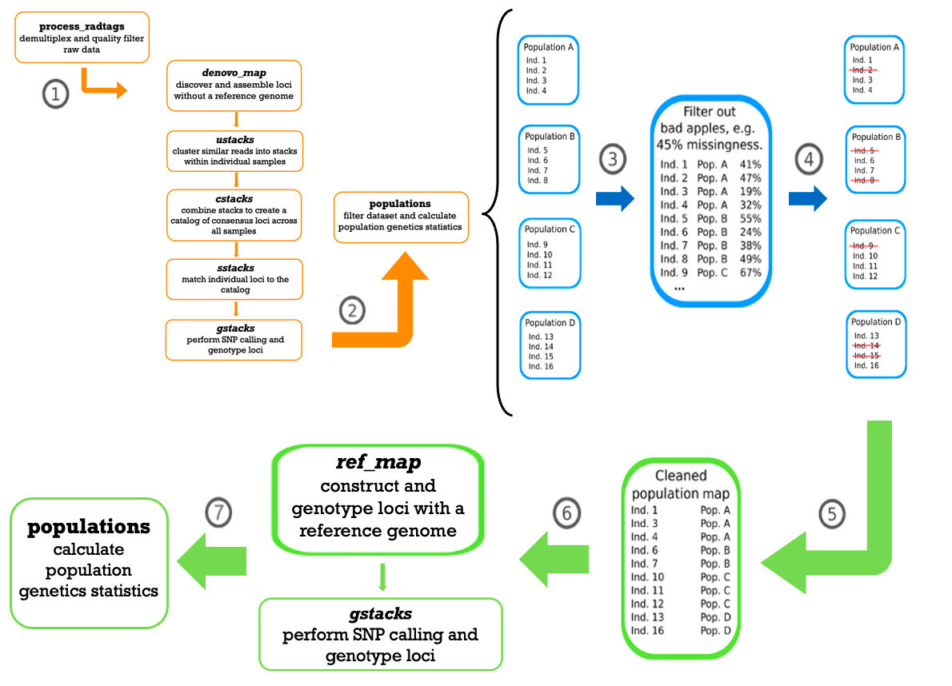

Figure S1. Workflow for processing and analyzing genetic data generated by reduced representation library (RRL) sequencing methods in STACKS v2.4 (Catchen et al., 2013), incorporating a modification to the protocol outlined by Cerca et al., (2021) to enhance data quality and optimize loci recovery. (1-2) Demultiplex and quality filter the data using the program process_radtags, followed by the execution of the denovo_map.pl pipeline (ustacks, cstacks, sstacks, and gstacks) to discover and assemble loci de novo. (3) Group individuals by their respective sample locations and assess missing data by running the populations module separately for each sample location. (4-5) Identify individuals with high proportions of missing data relative to their sample location, and conduct inclusion and exclusion tests to evaluate their impact on final loci recovery. Exclude individuals that significantly affect loci recovery from the final dataset. (6) With the cleaned dataset, run the pipeline ref_map.pl with the reference genome of the species to construct and genotype loci (7) Determine the final number of SNPs for downstream genetic analyses and calculate population-level statistics through the populations module.

TableS2
Table S2. The number of variant sites within each sample location, as well as the number and percentage of missing sites for each individual of A. iberus. Individuals which presented high proportions of missing data relative to their sample location and significantly reduced loci recovery were removed following our modification to the protocol outlined by Cerca et al., (2021), which involved inclusion and exclusion tests to understand their impact on final loci recovery (Fig. S1). Some individuals with comparable levels of missing data demonstrated varying effects on loci recovery; however, only those whose inclusion substantially decreased loci recovery were excluded from the final dataset.

Sample Location | Variant Sites | Individual | Sample ID | Missing Sites | % Missing Sites | X = removed from dataset
ADR1 | 13882 | 1 | Adra_1 | 4115 | 0.2964
 |  | 2 | Adra_2 | 4484 | 0.3230
 |  | 3 | Adra_3 | 2853 | 0.2055
 |  | 4 | Adra_4 | 3133 | 0.2257
 |  | 5 | Adra_5 | 3887 | 0.2800
 |  | 6 | Adra_7 | 3796 | 0.2734
 |  | 7 | Adra_10 | 3326 | 0.2396
 |  | 8 | Adra_11 | 4066 | 0.2929
ADR2 | 8007 | 1 | AT29850 | 1193 | 0.1490
 |  | 2 | AT29851 | 1444 | 0.1803
 |  | 3 | AT29852 | 1286 | 0.1606
 |  | 4 | AT29853 | 957 | 0.1195
 |  | 5 | AT29854 | 897 | 0.1120
ALB | 15587 | 1 | AT29086 | 4060 | 0.2605
 |  | 2 | AT29087 | 3385 | 0.2172
 |  | 3 | AT29088 | 3428 | 0.2199
 |  | 4 | AT29089 | 5136 | 0.3295
 |  | 5 | AT29090 | 9024 | 0.5789 | X
 |  | 6 | AT29091 | 7455 | 0.4783 | X
 |  | 7 | AT29092 | 7490 | 0.4805 | X
 |  | 8 | AT29093 | 5999 | 0.3849
 |  | 9 | AT29094 | 3894 | 0.2498
 |  | 10 | AT29095 | 6507 | 0.4175
CAB | 7741 | 1 | Caba1 | 1919 | 0.2479
 |  | 2 | Caba2 | 1864 | 0.2408
 |  | 3 | Caba3 | 1780 | 0.2299
 |  | 4 | Caba4 | 1727 | 0.2231
 |  | 5 | Caba5 | 2117 | 0.2735
 |  | 6 | Caba6 | 2308 | 0.2982
 |  | 7 | Caba7 | 1986 | 0.2566
 |  | 8 | Caba8 | 2106 | 0.2721
 |  | 9 | Caba9 | 1951 | 0.2520
 |  | 10 | Caba10 | 2410 | 0.3113
CAR | 29331 | 1 | AT4993 | 3590 | 0.3335
 |  | 2 | AT4994 | 3010 | 0.2796
 |  | 3 | AT4995 | 6230 | 0.5787
 |  | 4 | AT4996 | 5084 | 0.4723
 |  | 5 | AT4997 | 3594 | 0.3339
 |  | 6 | AT4998 | 5816 | 0.5403
 |  | 7 | AT4999 | 8949 | 0.8313 | X
 |  | 8 | AT5000 | 7584 | 0.7045 | X
 |  | 9 | AT5001 | 2862 | 0.2659
 |  | 10 | AT5002 | 3693 | 0.3431
CHI1 | 12708 | 1 | Chi_1 | 4447 | 0.3499
 |  | 2 | Chi_2 | 6497 | 0.5113 | X
 |  | 3 | Chi_3 | 3819 | 0.3005
 |  | 4 | Chi_4 | 6564 | 0.5165 | X
 |  | 5 | Chi_5 | 4645 | 0.3655
 |  | 6 | Chi_6 | 4655 | 0.3663
 |  | 7 | Chi_7 | 4180 | 0.3289
 |  | 8 | Chi_8 | 5950 | 0.4682
 |  | 9 | Chi_11 | 4799 | 0.3776
 |  | 10 | Chi_17 | 3640 | 0.2864
CHI2 | 7897 | 1 | AT5145 | 6137 | 0.7771 | X
 |  | 2 | AT5146 | 1217 | 0.1541
 |  | 3 | AT5149 | 1507 | 0.1908
 |  | 4 | AT5150 | 2661 | 0.3370
 |  | 5 | AT5151 | 3237 | 0.4099
 |  | 6 | AT5152 | 2566 | 0.3249
EBR | 6911 | 1 | AT29289 | 1729 | 0.2502
 |  | 2 | AT29290 | 1836 | 0.2657
 |  | 3 | AT29291 | 1685 | 0.2438
 |  | 4 | AT29292 | 1695 | 0.2453
 |  | 5 | AT29293 | 1660 | 0.2402
 |  | 6 | AT29294 | 1678 | 0.2428
 |  | 7 | AT29295 | 1495 | 0.2163
 |  | 8 | AT29296 | 1908 | 0.2761
 |  | 9 | AT29297 | 1689 | 0.2444
 |  | 10 | AT29298 | 1879 | 0.2719
GCN | 4733 | 1 | AT29323 | 1321 | 0.2791
 |  | 2 | AT29324 | 1539 | 0.3252
 |  | 3 | AT29325 | 1574 | 0.3326
 |  | 4 | AT29326 | 1911 | 0.4038
 |  | 5 | AT29327 | 1793 | 0.3788
 |  | 6 | AT29328 | 2557 | 0.5402 | X
 |  | 7 | AT29329 | 1329 | 0.2808
 |  | 8 | AT29330 | 1467 | 0.3100
 |  | 9 | AT29331 | 1442 | 0.3047
 |  | 10 | AT29332 | 1252 | 0.2645
GAE | 8884 | 1 | Girona_1 | 4821 | 0.5427
 |  | 2 | Girona_2 | 6078 | 0.6842 | X
 |  | 3 | Girona_3 | 5237 | 0.5895
 |  | 4 | Girona_4 | 6486 | 0.7301 | X
 |  | 5 | Girona_5 | 6434 | 0.7242 | X
 |  | 6 | Girona_6 | 4911 | 0.5528
 |  | 7 | Girona_7 | 2320 | 0.2611
 |  | 8 | Girona_8 | 2358 | 0.2654
 |  | 9 | Girona_9 | 1808 | 0.2035
 |  | 10 | Girona_10 | 1814 | 0.2042
GLL | 4496 | 1 | AT29334 | 1412 | 0.3141
 |  | 2 | AT29335 | 1235 | 0.2747
 |  | 3 | AT29336 | 1342 | 0.2985
 |  | 4 | AT29337 | 1361 | 0.3027
 |  | 5 | AT29338 | 1319 | 0.2934
 |  | 6 | AT29339 | 1234 | 0.2745
 |  | 7 | AT29340 | 1417 | 0.3152
 |  | 8 | AT29341 | 1713 | 0.3810 | X
 |  | 9 | AT29342 | 1462 | 0.3252
 |  | 10 | AT29343 | 1419 | 0.3156
RMO | 11627 | 1 | Mor_1 | 3207 | 0.2758
 |  | 2 | Mor_3 | 3093 | 0.266
 |  | 3 | Mor_4 | 3210 | 0.2761
 |  | 4 | Mor_5 | 4241 | 0.3648
 |  | 5 | Mor_6 | 4277 | 0.3679
 |  | 6 | Mor_7 | 5315 | 0.4571 | X
 |  | 7 | Mor_8 | 3661 | 0.3149
PEN | 6922 | 1 | Peni1 | 2202 | 0.3181
 |  | 2 | Peni2 | 1430 | 0.2066
 |  | 3 | Peni3 | 1601 | 0.2313
 |  | 4 | Peni4 | 1554 | 0.2245
 |  | 5 | Peni5 | 1917 | 0.2769
 |  | 6 | Peni6 | 1480 | 0.2138
 |  | 7 | Peni7 | 1657 | 0.2394
 |  | 8 | Peni8 | 1759 | 0.2541
 |  | 9 | Peni9 | 1728 | 0.2496
 |  | 10 | Peni10 | 1858 | 0.2684
RSA | 11835 | 1 | RSal_1 | 2937 | 0.2482
 |  | 2 | RSal_2 | 2648 | 0.2237
 |  | 3 | RSal_3 | 2426 | 0.2050
 |  | 4 | RSal_4 | 2075 | 0.1753
 |  | 5 | RSal_5 | 2487 | 0.2101
SAX | 6462 | 1 | AT29056 | 3432 | 0.5311 | X
 |  | 2 | AT29057 | 1864 | 0.2885
 |  | 3 | AT29058 | 1310 | 0.2027
 |  | 4 | AT29059 | 1009 | 0.1561
 |  | 5 | AT29060 | 1001 | 0.1549
SPE | 10416 | 1 | AT4837 | 4528 | 0.4347
 |  | 2 | AT4838 | 5320 | 0.5108 | X
 |  | 3 | AT4839 | 3191 | 0.3064
 |  | 4 | AT4840 | 3582 | 0.3439
 |  | 5 | AT4843 | 4196 | 0.4028
 |  | 6 | AT4844 | 5020 | 0.4820
 |  | 7 | AT4845 | 3502 | 0.3362
 |  | 8 | AT4846 | 3371 | 0.3236
 |  | 9 | AT4847 | 5390 | 0.5175 | X
 |  | 10 | AT4848 | 6100 | 0.5856 | X
SPO | 13180 | 1 | AT29066 | 4618 | 0.3504
 |  | 2 | AT29067 | 5473 | 0.4153
 |  | 3 | AT29068 | 5502 | 0.4175
 |  | 4 | AT29069 | 6174 | 0.4684
 |  | 5 | AT29070 | 7158 | 0.5431 | X
 |  | 6 | AT29071 | 8705 | 0.6605 | X
 |  | 7 | AT29072 | 8977 | 0.6811 | X
 |  | 8 | AT29073 | 4896 | 0.3715
 |  | 9 | AT29074 | 5116 | 0.3882
 |  | 10 | AT29075 | 4344 | 0.3296
GUL | 3777 | 1 | AT29312 | 1233 | 0.3264
 |  | 2 | AT29313 | 1095 | 0.2899
 |  | 3 | AT29314 | 1243 | 0.3291
 |  | 4 | AT29315 | 1302 | 0.3447
 |  | 5 | AT29316 | 1415 | 0.3746
 |  | 6 | AT29317 | 1330 | 0.3521
 |  | 7 | AT29318 | 1415 | 0.3746
 |  | 8 | AT29319 | 1254 | 0.3320
 |  | 9 | AT29320 | 1305 | 0.3455
 |  | 10 | AT29321 | 1150 | 0.3045
VIN | 15540 | 1 | AT29076 | 3883 | 0.2499
 |  | 2 | AT29077 | 9535 | 0.6136 | X
 |  | 3 | AT29078 | 8096 | 0.5210 | X
 |  | 4 | AT29079 | 4660 | 0.2999
 |  | 5 | AT29080 | 8319 | 0.5353 | X
 |  | 6 | AT29081 | 9359 | 0.6023 | X
 |  | 7 | AT29082 | 10579 | 0.6808 | X
 |  | 8 | AT29083 | 5641 | 0.3630
 |  | 9 | AT29084 | 2719 | 0.1750
 |  | 10 | AT29085 | 3204 | 0.2062
VIL | 11962 | 1 | AT29046 | 10015 | 0.8372 | X
 |  | 2 | AT29047 | 3250 | 0.2717
 |  | 3 | AT29048 | 7465 | 0.6241
 |  | 4 | AT29049 | 6218 | 0.5198
 |  | 5 | AT29050 | 7512 | 0.6280
 |  | 6 | AT29051 | 7516 | 0.6283 | X
 |  | 7 | AT29052 | 7690 | 0.6429 | X
 |  | 8 | AT29053 | 3406 | 0.2847
 |  | 9 | AT29054 | 3881 | 0.3244
 |  | 10 | AT29055 | 5410 | 0.4523

FigureS2
Figure S2. The optimal K for fastSTRUCTURE v1.0 (Raj et al., 2014) was K=16 following the outline described by Puechmaille (2016) for MedMeanK, MaxMeanK, MedMedK, and MaxMedK.

FigureS3
Figure S3. Population structure results signifcant for K=16 as estimated by fastSTRUCTURE v1.0 (Raj et al., 2014).

TableS3
Table S3. Genetic diversity values for the sample locations of A. iberus analyzed in this study (N_{D} = nucleotide diversity; σ = standard deviation; P_{S} = polymorphic sites; % P_{S} = percent of polymorphic sites; H_{O} = observed heterozygosity; H_{E} = expected heterozygosity; F_{IS} = inbreeding coefficient), estimated by the module populations in STACKS v2.4 (Catchen et al., 2013).

Sample Location | ND | σ | PS | % PS | HO | HE | FIS | σ
GUL | 0.069 | 0.034 | 364 | 8.28 | 0.083 | 0.078 | 0.007 | 0.025

GLL | 0.082 | 0.041 | 382 | 7.64 | 0.086 | 0.090 | 0.027 | 0.016

GCN | 0.076 | 0.039 | 336 | 8.69 | 0.083 | 0.084 | 0.019 | 0.019

GAE | 0.102 | 0.052 | 875 | 19.90 | 0.138 | 0.133 | 0.02 | 0.018

EBR | 0.105 | 0.052 | 587 | 13.35 | 0.108 | 0.116 | 0.042 | 0.024

PEN | 0.109 | 0.054 | 574 | 13.06 | 0.114 | 0.119 | 0.035 | 0.025

CAB | 0.126 | 0.063 | 666 | 15.15 | 0.133 | 0.144 | 0.053 | 0.026

ALB | 0.138 | 0.071 | 1558 | 35.44 | 0.155 | 0.167 | 0.065 | 0.014

VIL | 0.144 | 0.074 | 557 | 12.67 | 0.260 | 0.204 | -0.072 | 0.025

SAX | 0.103 | 0.056 | 711 | 16.17 | 0.134 | 0.115 | 0.001 | 0.011

VIN | 0.152 | 0.080 | 1072 | 24.39 | 0.193 | 0.174 | 0.008 | 0.011

SPO | 0.141 | 0.072 | 1090 | 24.80 | 0.190 | 0.178 | 0.017 | 0.018

CHI1 | 0.132 | 0.067 | 1139 | 25.91 | 0.165 | 0.158 | 0.018 | 0.017

CHI2 | 0.139 | 0.074 | 764 | 17.38 | 0.170 | 0.158 | 0.024 | 0.012

RSA | 0.155 | 0.082 | 1331 | 30.28 | 0.161 | 0.161 | 0.042 | 0.008

SPE | 0.111 | 0.057 | 956 | 21.75 | 0.155 | 0.136 | -0.010 | 0.017
CAR | 0.110 | 0.056 | 881 | 20.04 | 0.157 | 0.135 | -0.020 | 0.018
RMO | 0.154 | 0.080 | 1024 | 23.29 | 0.178 | 0.164 | 0.007 | 0.010
ADR1 | 0.146 | 0.073 | 1472 | 33.48 | 0.145 | 0.164 | 0.076 | 0.014
ADR2 | 0.158 | 0.084 | 659 | 14.99 | 0.150 | 0.160 | 0.064 | 0.011

TableS4
Table S4. The F_{ST} values for the two-by-two comparisons between the sample locations of A. iberus, estimated by ARLEQUIN v3.5 (Excoffier et al., 2007). F_{ST} values significant from zero are marked with an asterisk (*). High genetic differentiation was evident with the majority of values greater than 0.25 (Wright, 1978; Hartl and Clark, 2007).

 | GUL | GLL | GCN | GAE | EBR | PEN | CAB | ALB | VIL | SAX | VIN | SPO | CHI1 | CHI2 | RSA | SPE | CAR | RMO | ADR1 | ADR2
GLL | 0.020*
GCN | 0 | 0
GAE | 0 | 0 | 0
EBR | 0.545* | 0.508* | 0.480* | 0.179*
PEN | 0.531* | 0.499* | 0.478* | 0.179* | 0.049*
CAB | 0.540* | 0.507* | 0.478* | 0.125* | 0.289* | 0.292*
ALB | 0.533* | 0.501* | 0.438* | 0.321* | 0.377* | 0.367* | 0.243*
VIL | 0.298* | 0.233* | 0.188* | 0.016 | 0.148* | 0.132* | 0 | 0
SAX | 0.645* | 0.608* | 0.591* | 0.501 | 0.546* | 0.533* | 0.455* | 0.435* | 0
VIN | 0.510* | 0.471* | 0.415* | 0.254 | 0.412* | 0.403* | 0.291* | 0.274* | 0 | 0.177
SPO | 0.512* | 0.474* | 0.435* | 0.295* | 0.414* | 0.408* | 0.297* | 0.277* | 0 | 0.204* | 0
CHI1 | 0.556* | 0.528* | 0.481* | 0.369* | 0.476* | 0.470* | 0.374* | 0.369* | 0 | 0.263* | 0 | 0
CHI2 | 0.438* | 0.388* | 0.348* | 0.285* | 0.328* | 0.315* | 0.186* | 0.190* | 0 | 0.220* | 0 | 0 | 0
RSA | 0.633* | 0.605* | 0.568* | 0.396* | 0.553* | 0.545* | 0.462* | 0.422* | 0 | 0.268 | 0.02 | 0 | 0 | 0
SPE | 0.594* | 0.564* | 0.532* | 0.429* | 0.510* | 0.504* | 0.408* | 0.403* | 0 | 0.354* | 0.081* | 0.090* | 0.190* | 0.042 | 0.207*
CAR | 0.570* | 0.540* | 0.506* | 0.400* | 0.488* | 0.478* | 0.367* | 0.355* | 0 | 0.356* | 0.049 | 0.063* | 0.179* | 0.044* | 0.202* | 0
RMO | 0.604* | 0.569* | 0.528* | 0.363* | 0.524* | 0.515* | 0.422* | 0.401* | 0 | 0.032 | 0 | 0.014 | 0.067* | 0 | 0.102 | 0.120* | 0.107*
ADR1 | 0.539* | 0.513* | 0.452* | 0.348* | 0.426* | 0.419* | 0.299* | 0.256* | 0 | 0.466* | 0.301* | 0.318* | 0.413* | 0.239* | 0.453* | 0.434* | 0.391* | 0.441*
ADR2 | 0.580* | 0.543* | 0.517* | 0.078 | 0.436* | 0.440* | 0.311* | 0 | 0 | 0.296* | 0.047 | 0.074* | 0.180* | 0 | 0.276 | 0.220* | 0.156* | 0.231* | 0

TableS5
Table S5. The effective number of migrants per generation (Nm) estimated by ARLEQUIN v3.5 (Excoffier et al., 2007). A value of 1 or greater indicates gene flow. A hyphen (-) indicates undefined gene flow (Hudson et al., 1992). In general, very low levels of gene flow were detected between the sample locations of A. iberus.

 | GUL | GLL | GCN | GAE | EBR | PEN | CAB | ALB | VIL | SAX | VIN | SPO | CHI1 | CHI2 | RSA | SPE | CAR | RMO | ADR1 | ADR2
GUL
GLL | 12.101
GCN | - | -
GAE | - | - | -
EBR | 0.208 | 0.242 | 0.271 | 1.147
PEN | 0.221 | 0.251 | 0.273 | 1.145 | 4.825
CAB | 0.213 | 0.243 | 0.273 | 1.743 | 0.616 | 0.606
ALB | 0.219 | 0.249 | 0.321 | 0.528 | 0.413 | 0.432 | 0.778
VIL | - | 0.588 | 1.445 | 15.714 | - | - | 0.822 | -
SAX | 0.138 | 0.162 | 0.173 | 0.249 | 0.208 | 0.219 | 0.299 | 0.325 | -
VIN | 0.240 | 0.280 | 0.353 | 0.735 | 0.357 | 0.370 | 0.610 | 0.663 | - | 1.166
SPO | 0.238 | 0.277 | 0.325 | 0.598 | 0.353 | 0.363 | 0.592 | 0.652 | - | 0.978 | -
CHI1 | 0.199 | 0.224 | 0.270 | 0.428 | 0.275 | 0.282 | 0.419 | 0.427 | - | 0.701 | - | -
CHI2 | 0.511 | 0.469 | 0.320 | 0.626 | - | 1.091 | - | - | - | - | - | 0.885 | -
RSA | 0.145 | 0.163 | 0.190 | 0.382 | 0.202 | 0.209 | 0.291 | 0.342 | - | 0.682 | 12.2 | - | - | 0.796
SPE | 0.171 | 0.194 | 0.220 | 0.333 | 0.240 | 0.246 | 0.362 | 0.371 | - | 0.456 | 2.833 | 2.514 | 1.066 | 5.723 | 0.961
CAR | 0.262 | 0.244 | 0.188 | 0.376 | 0.991 | 0.431 | 1.355 | 4.867 | 5.395 | - | 3.723 | 0.452 | 1.148 | - | 0.389 | -
RMO | 0.164 | 0.189 | 0.224 | 0.438 | 0.227 | 0.235 | 0.343 | 0.374 | - | 7.654 | - | 17.233 | 3.502 | - | 2.21 | 1.826 | 2.085
ADR1 | 0.214 | 0.238 | 0.304 | 0.468 | 0.337 | 0.347 | 0.586 | 0.725 | - | 0.287 | 0.581 | 0.537 | 0.355 | 1.065 | 0.301 | 0.326 | 0.454 | 0.317
ADR2 | 0.181 | 0.210 | 0.234 | 2.951 | 0.324 | 0.318 | 0.554 | - | 1.083 | 0.595 | 5.095 | 3.111 | 1.139 | 0.394 | 0.655 | 0.884 | 0.213 | 0.832 | -

FigureS4
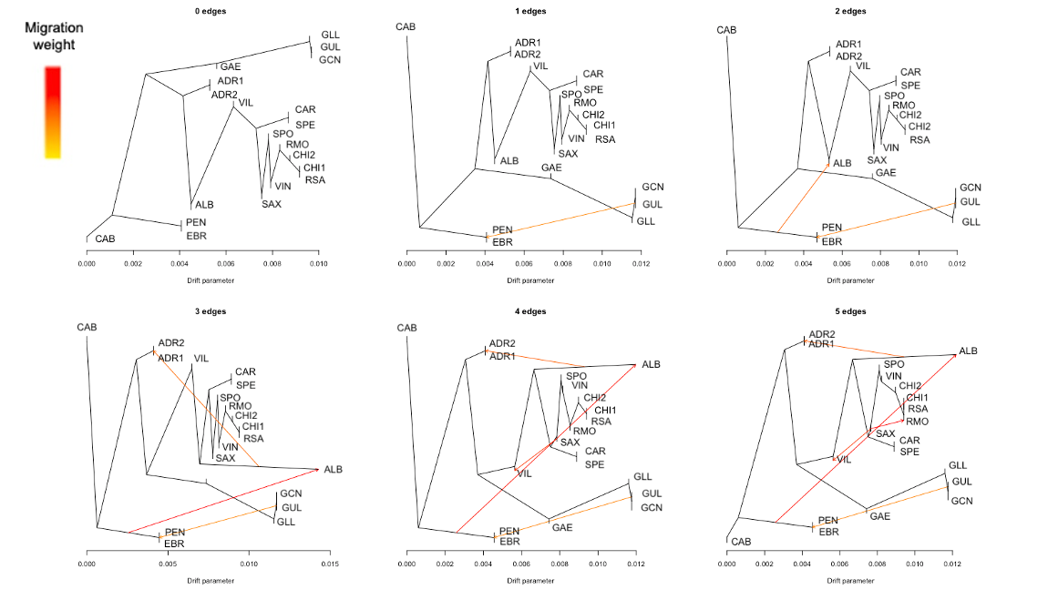

Figure S4. Historical migration analysis results estimated by TreeMix v1.13 (Pickrell and Pritchard, 2012) displaying all five migration edges and their maximum-likelihood phylogenetic tree. The scale for the estimated migration weight (amount of migration) is shown in the top left, with darker colors indicating greater estimates of migration (Pickrell and Pritchard, 2012).

FigureS5
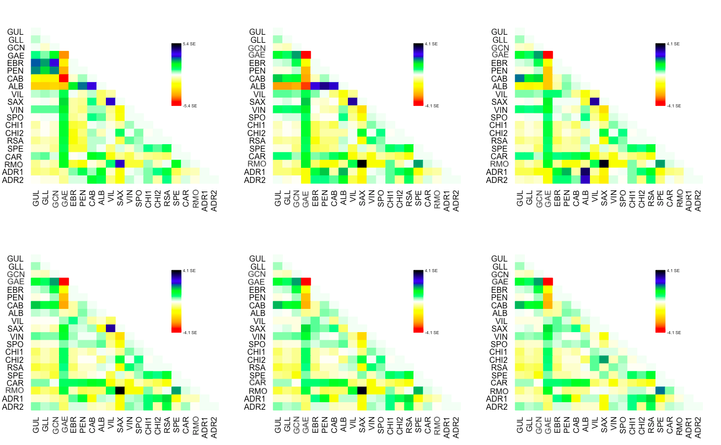

Figure S5. Residual fit for the observed genetic variation of the evolutionary relationships among the populations of A. iberus as presented in Figure S4 and estimated by TreeMix v1.13 (Pickrell and Pritchard, 2012). Positive residuals suggest potential admixture events, while small magnitudes signify a robust fit of the model to the observed genetic data (Pickrell and Pritchard, 2012).

