Supplementary Table 12
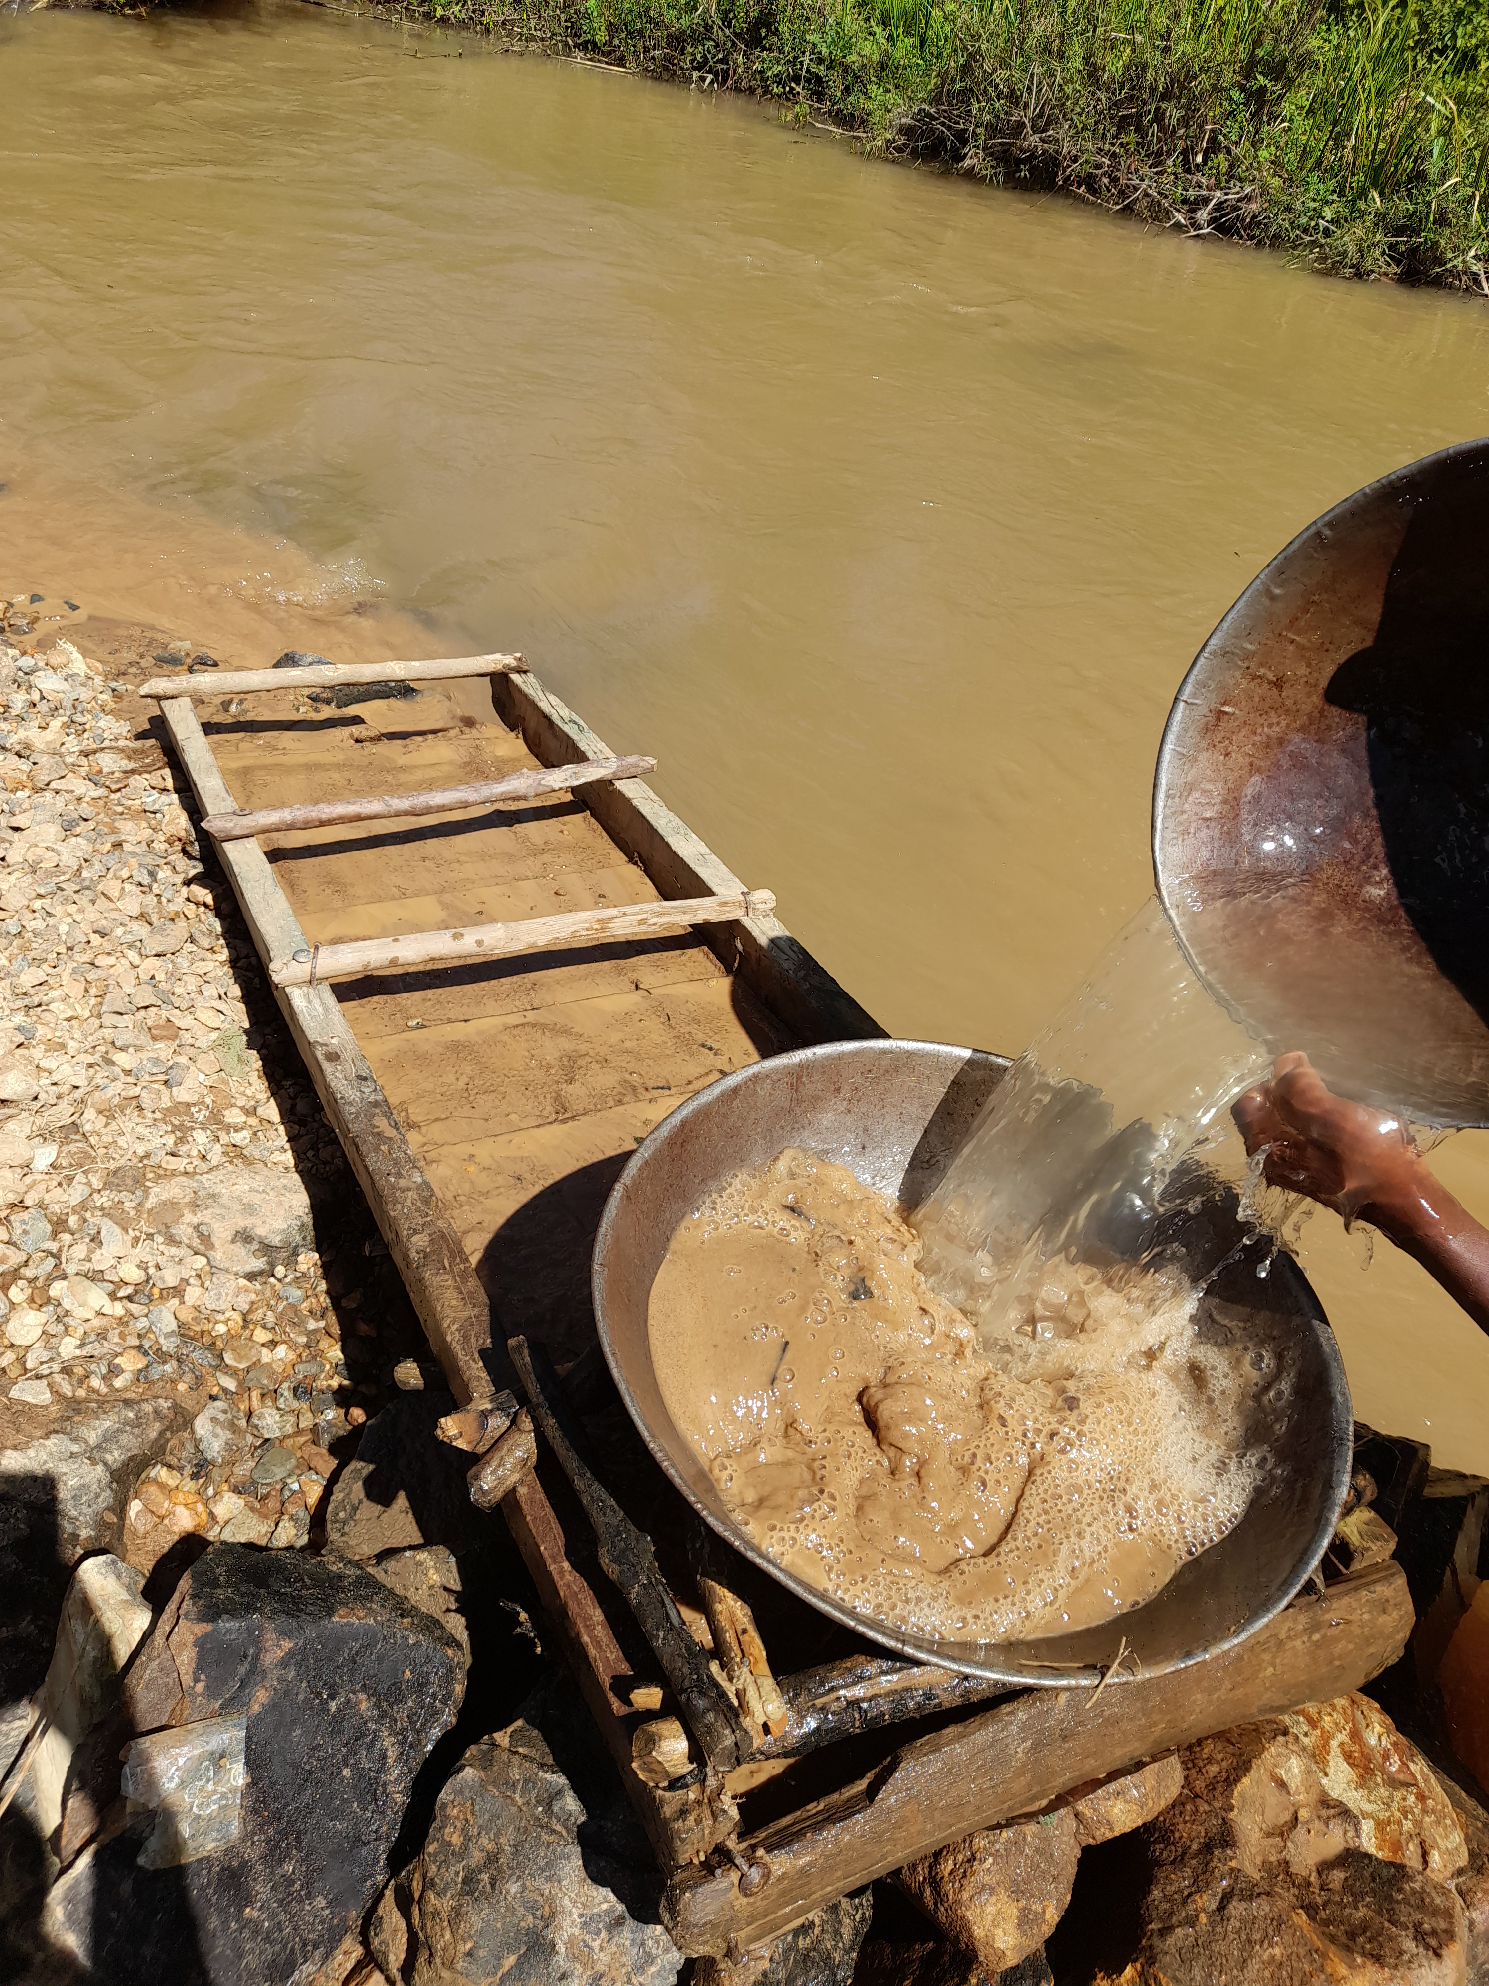
Supplementary Table 12: Photographs showing the typical ASGM process and methods in Kakamega and Vuhiga Counties
All photographs sources: Maureene Auma Ondayo
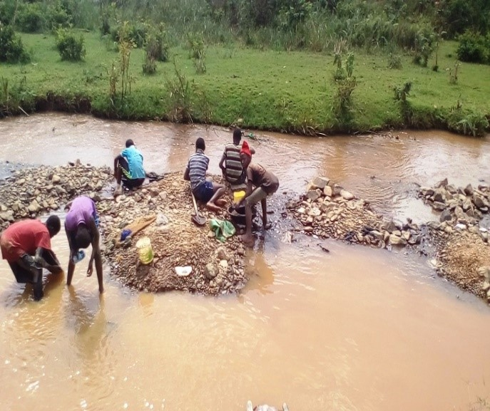
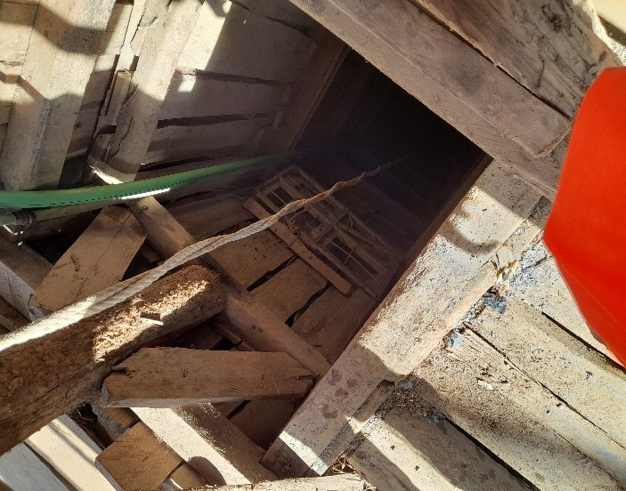

 |  |  | Photograph 2: Artisanal small-scale gold mining shaft in Kitigu, Lunyerere
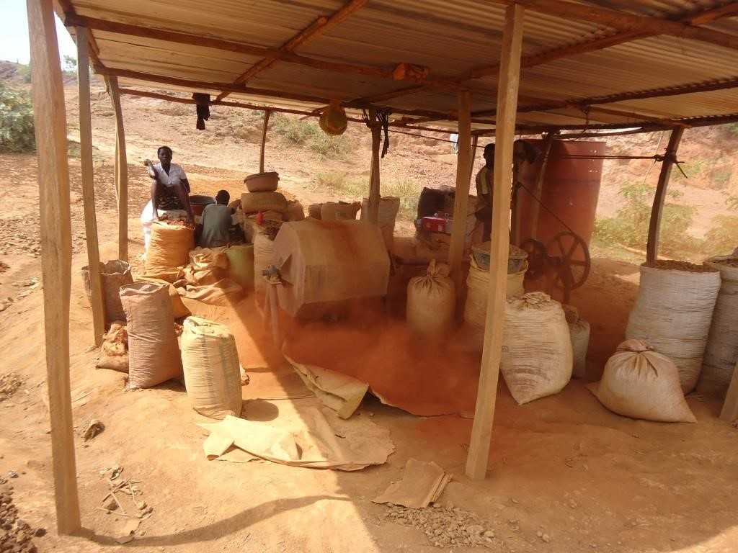
Photograph 1a: Children exploring alluvial gold deposits along lower River Yala in Viyalo

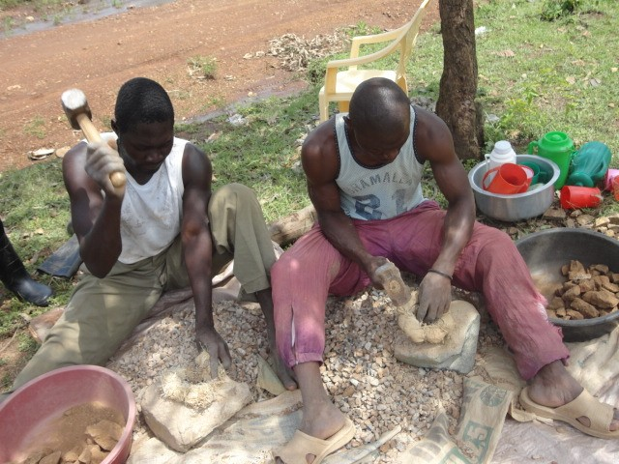
 | Photograph 1b: Miner exploring alluvial gold deposits along upper Yala River in Indete.
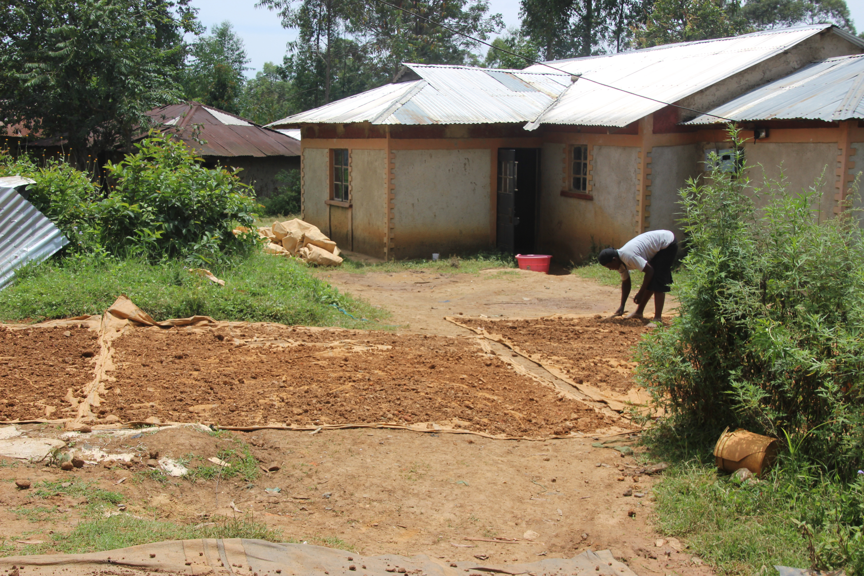

Photograph 3a: Workers using hammers to crush gold ores into smaller pieces in Rosterman. | Photograph 3b: Sun-drying of ores prior to milling in Rosterman |  | Photograph 4: Grinding/pulverizing crushed gold ores using locally fabricated mill in Rosterman

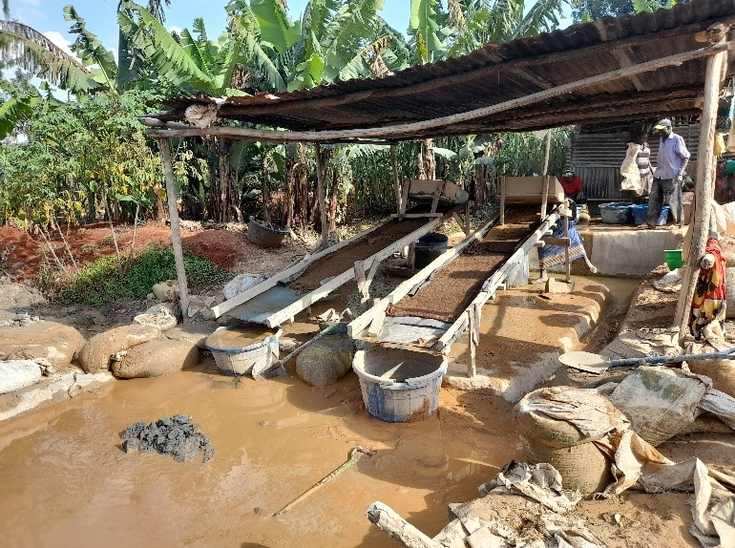
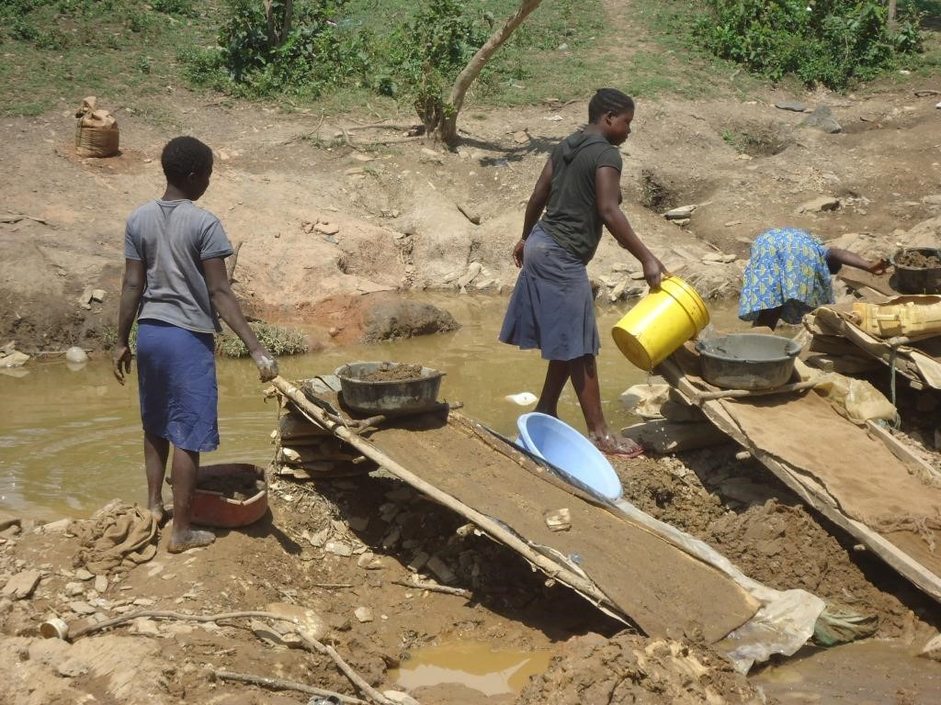
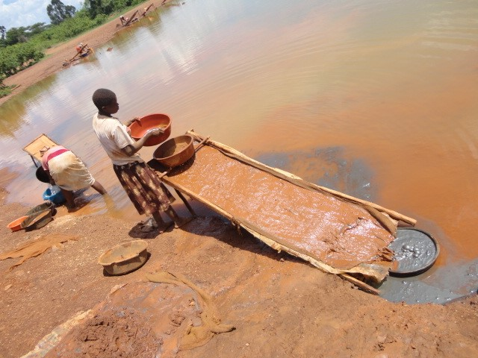

Photograph 5: Sluicing in a homestead in Kitigu/ Lunyerere | Photograph 6: Sluicing of ground ore to concentrate gold along a stream and a river by young women

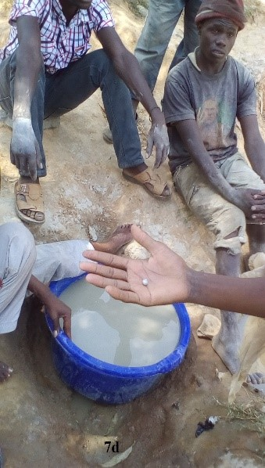
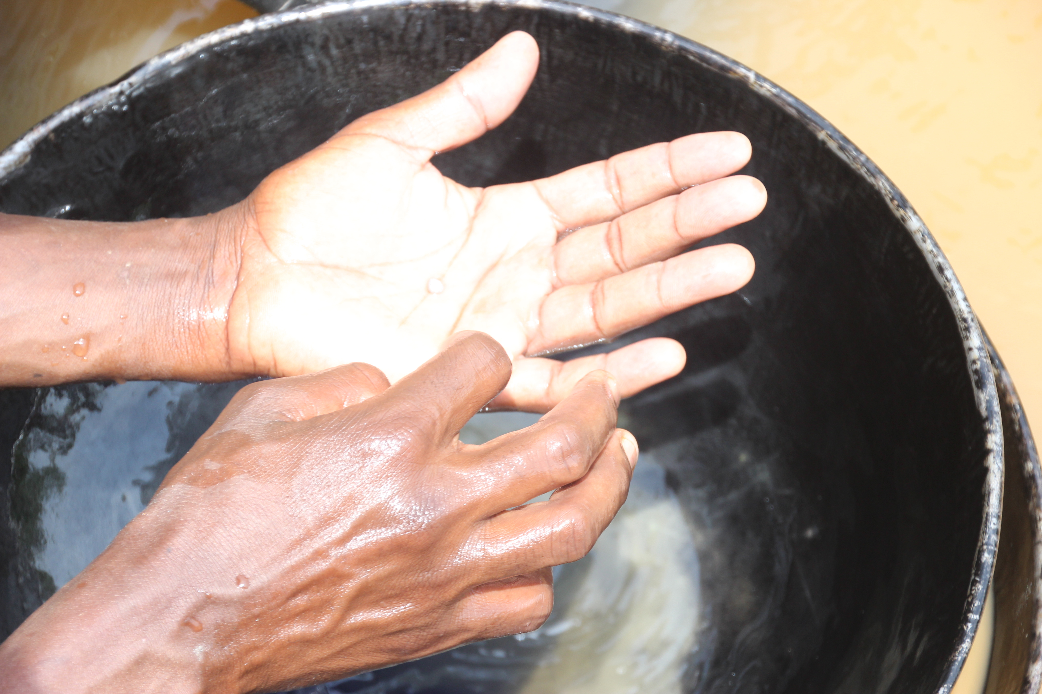
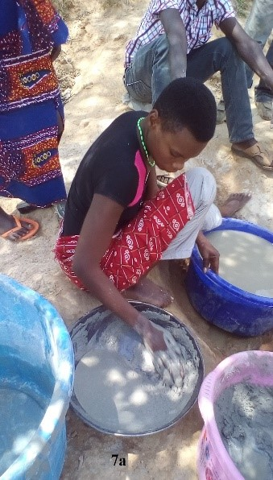
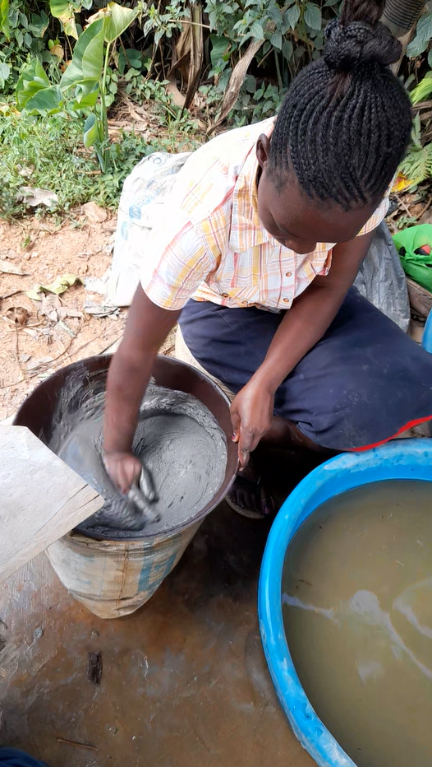
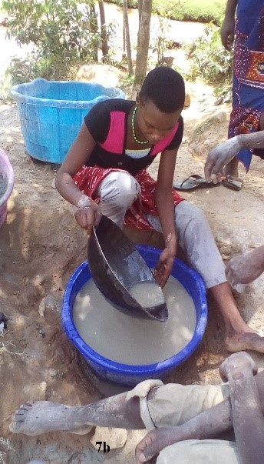
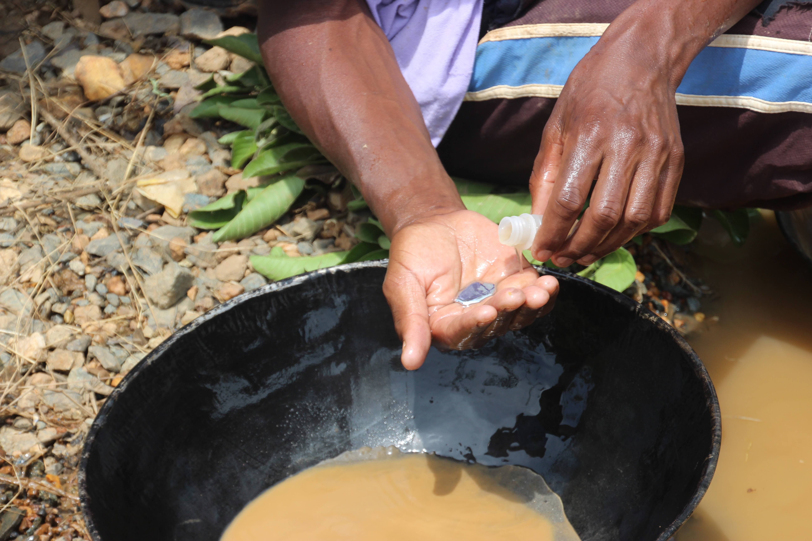
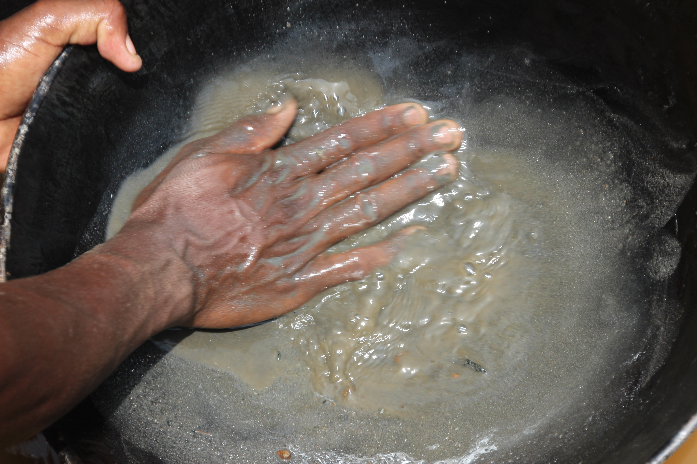
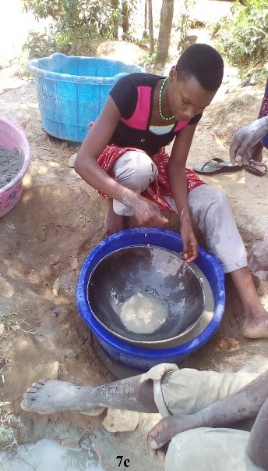
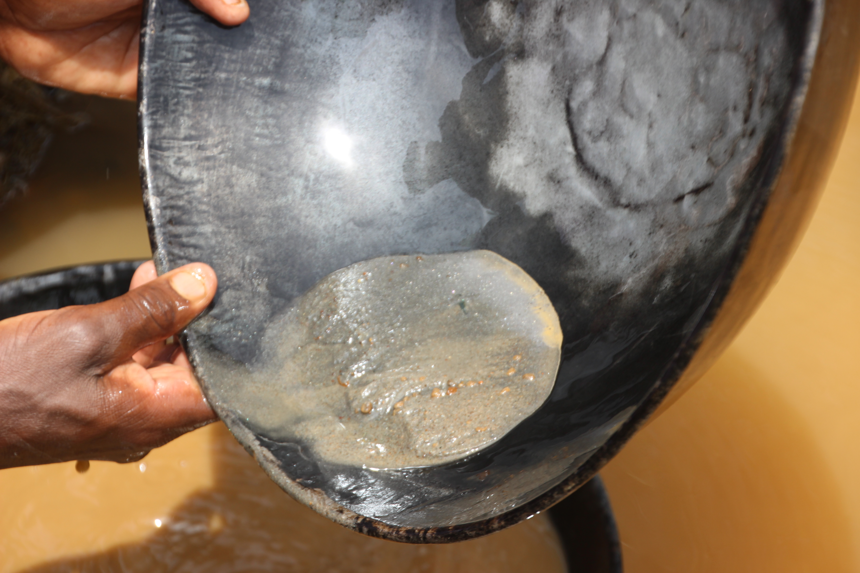
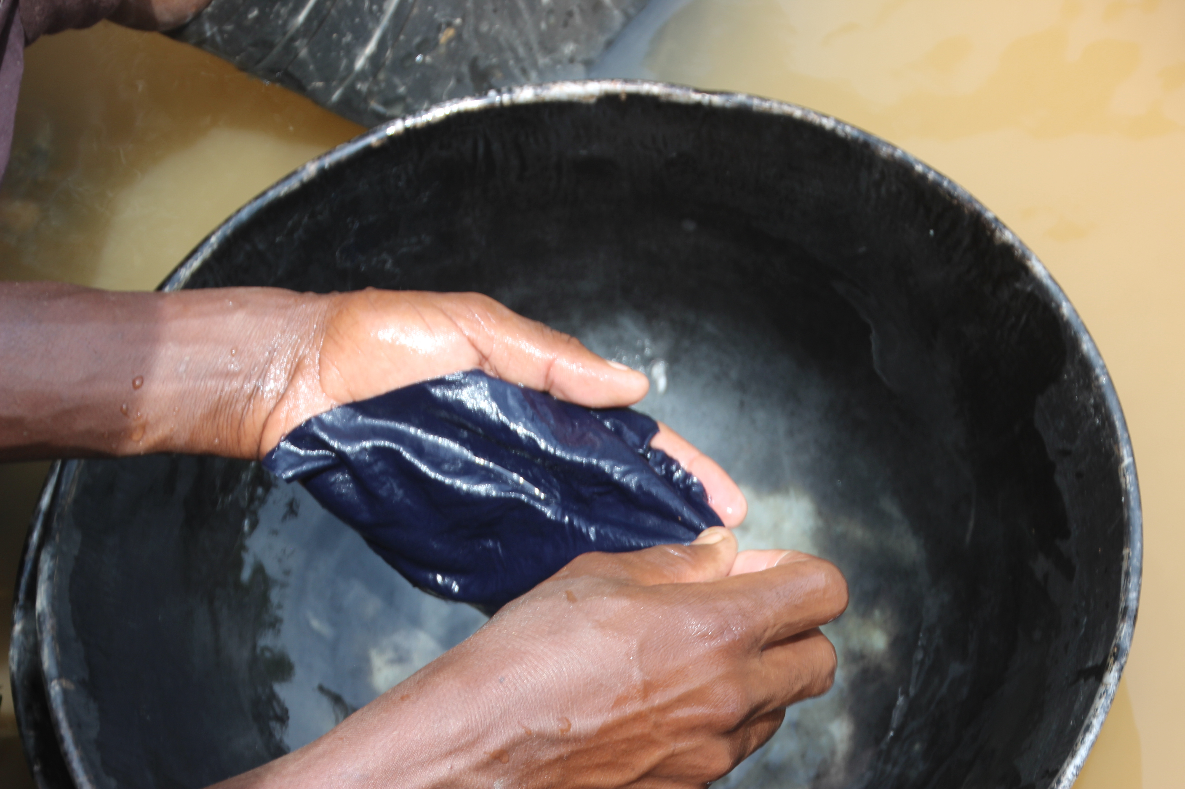

Photographs 7a - d: Panning of gold ore to further remove impurities and addition of mercury to the concentrate to form Hg-Au amalgam

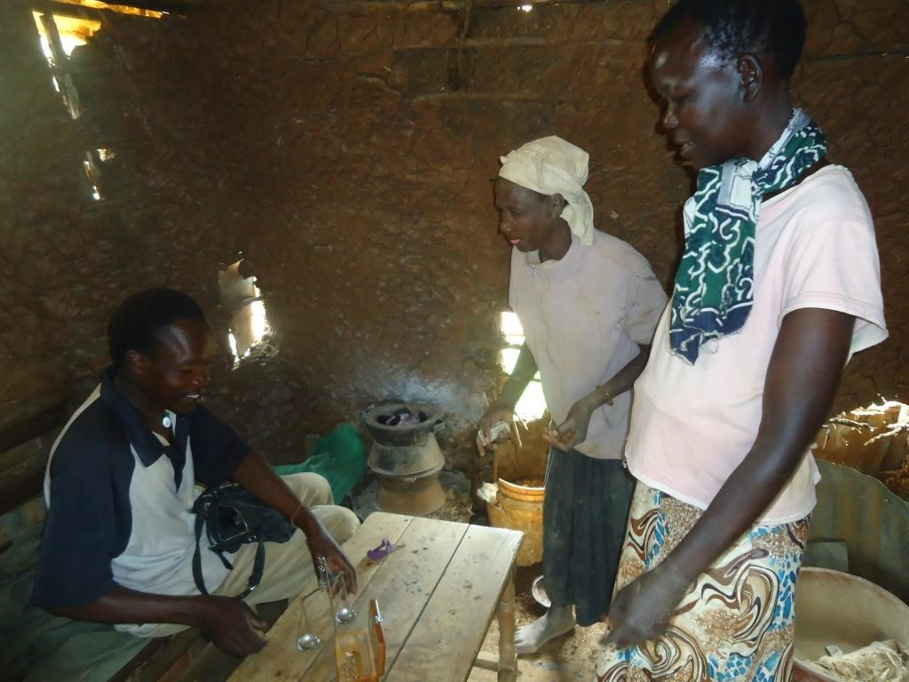
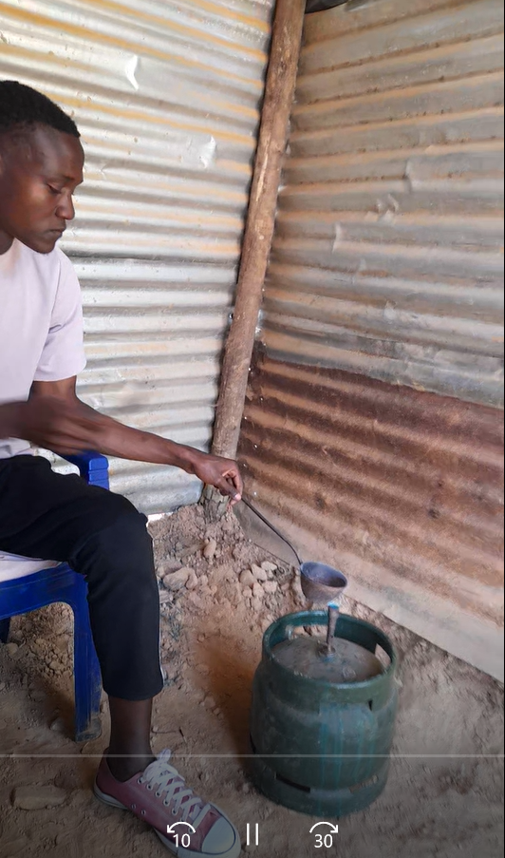

Photograph 8a: Gold shop; for amalgam burning using a jiko, weighing, buying, and selling gold in Rosterman.
 |  | Photograph 8b: Gold buyer burning Hg-Au amalgam burning using gas in Shikoye, Malinya.
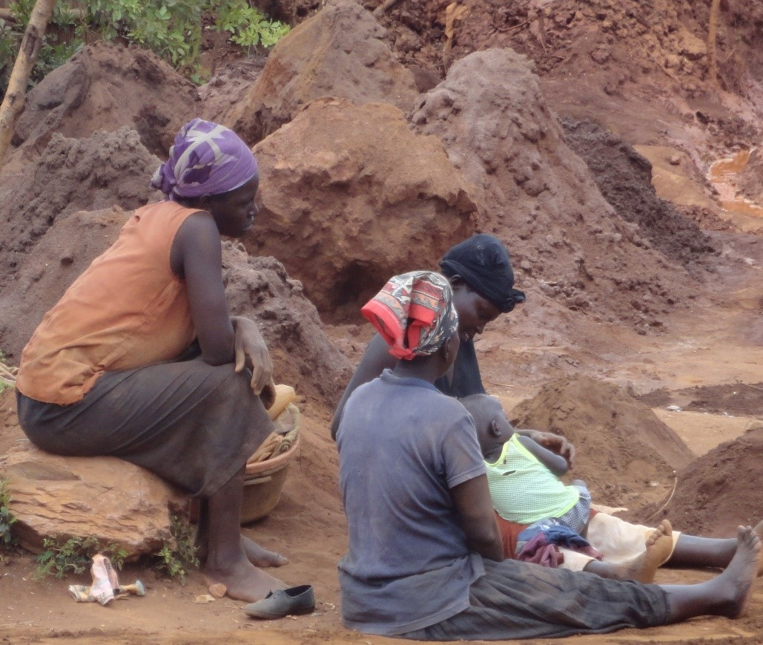

Photograph 9: Heaps of mine tailings

