Figure 2
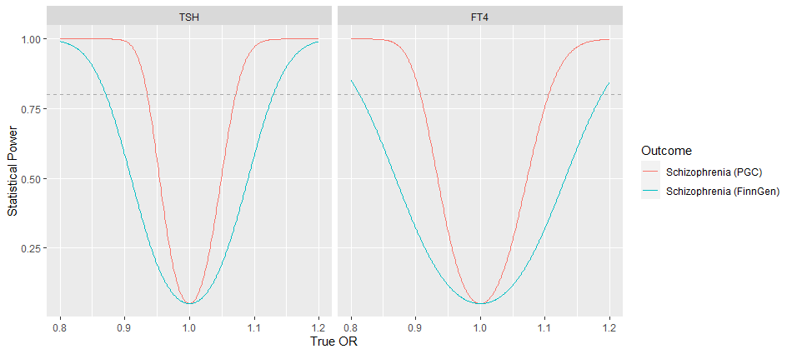
Supplementary Figure 2 Power calculations

Figure 3
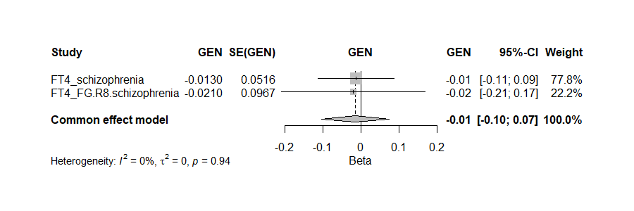
Supplementary Figure 3 Meta-analyses based on two Mendelian randomization studies
Hypothyroidism on schizophrenia
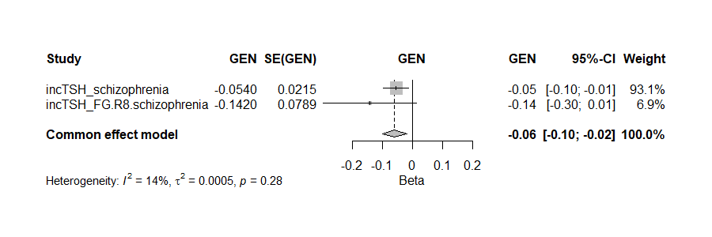

Hyperthyroidism on schizophrenia
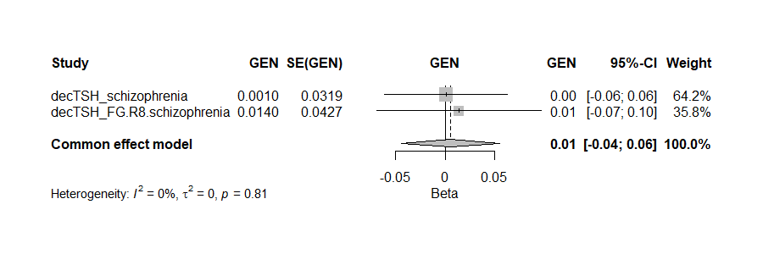

TSH on schizophrenia
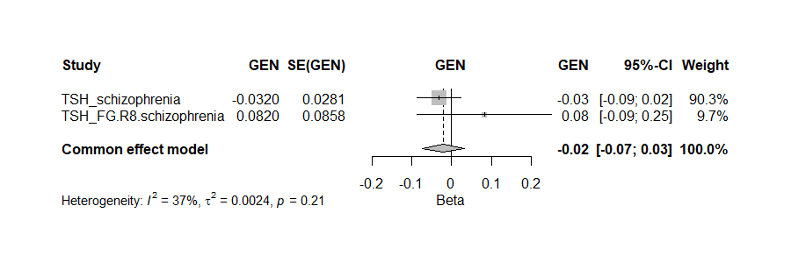

TSH (repl.) on schizophrenia
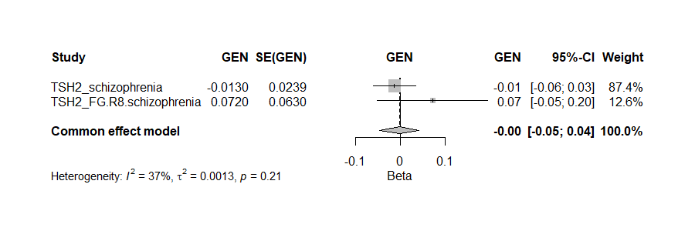

Free T4 on schizophrenia

Figure 4
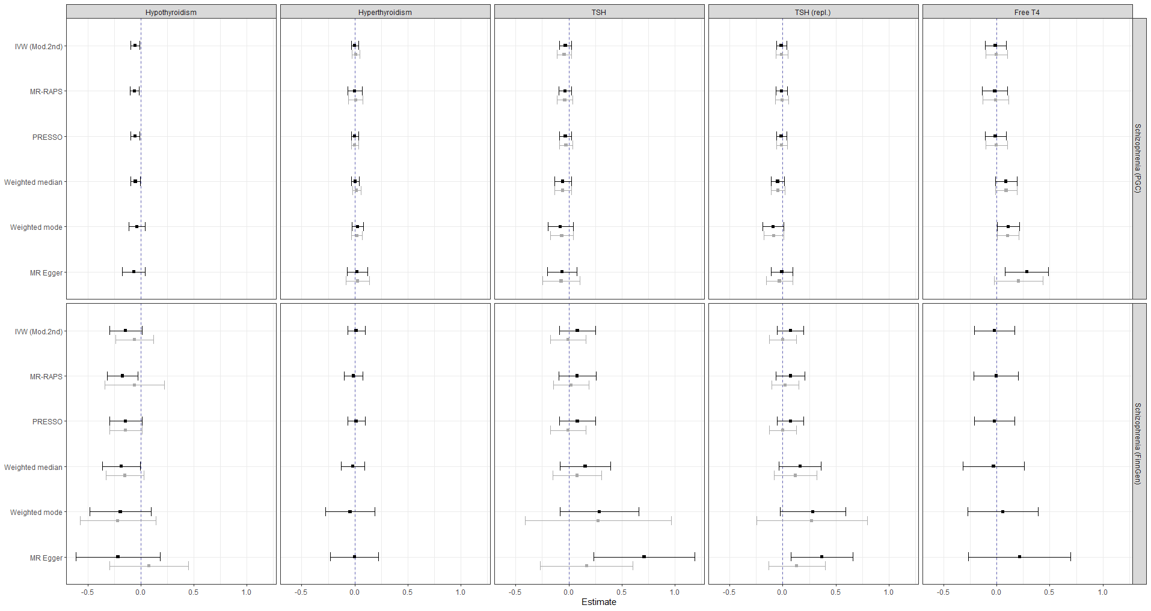
Supplementary Figure 4 Sensitivity analyses of the discovery and replication Mendelian randomization studies investigating the effect of thyroid function on schizophrenia

Figure 5
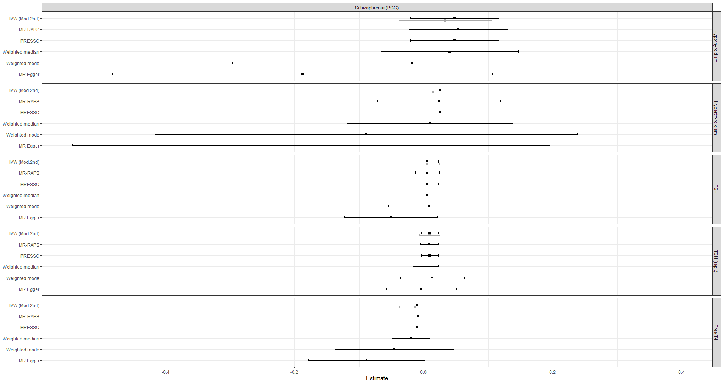
Supplementary Figure 5 Sensitivity analyses investigating the effect of schizophrenia on thyroid function

Figure 6
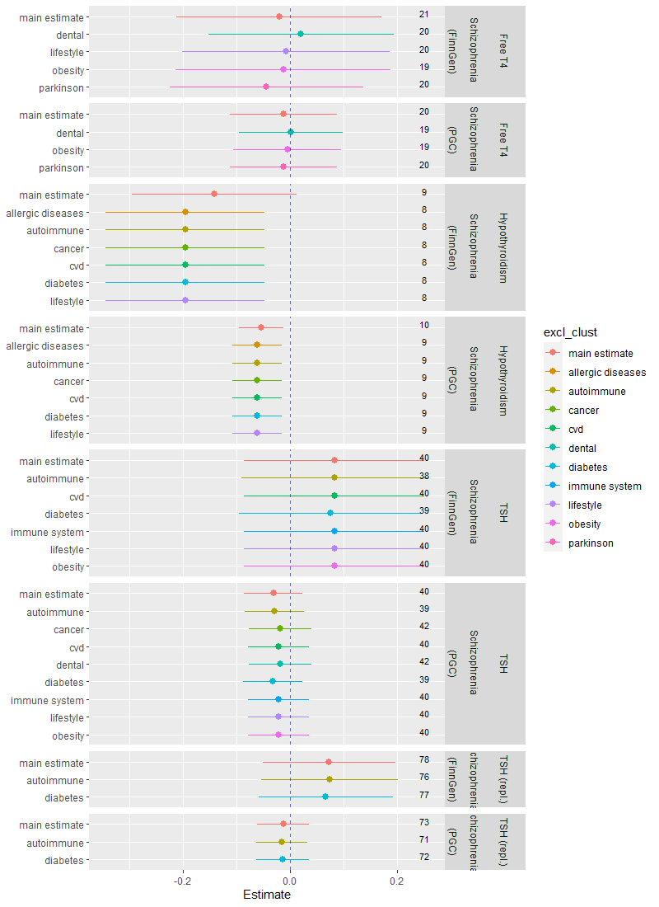
Supplementary Figure 6 Estimates for the association between thyroid function and schizophrenia after removing topic-related SNPs obtained from network clustering. On the right side, the number of remaining instruments are presented.

