Guide to the sheets
Guide to the sheets

Sheet 2-30: Model processes (guide not applicable for sheet 1. Cotton fibre production as this differs)

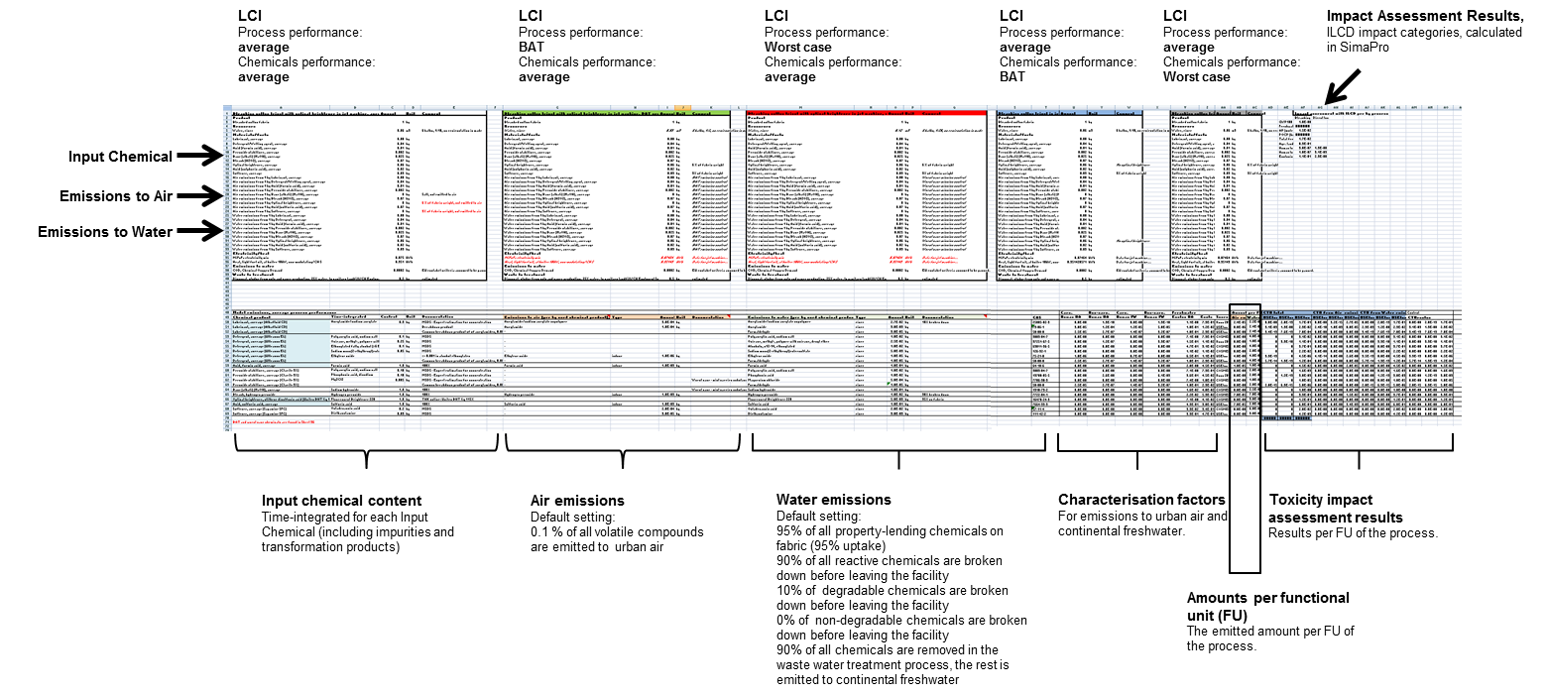

Sheet 31-35: Model products

