Section 2-S1
SM3- Section 2- Table S1 | Global sesntivity analysis using Activity Browser for Hay IS, with and without parameterization, monte carlo results - GWP
 | Hay Result 1 - No parameter -GWP
 | GSA name | delta | delta_conf | S1 | S1_conf
0 | T: NPK (15-15-15) fertiliser FROM market for NPK (15-15-15) fertiliser [RER] TO nutrient supply from NPK (15-15-15) fertiliser (inorganic nitrogen fertiliser, as N) [RER] | 0.18495599476 | 0.025603323452 | 0.24862776764 | 0.046594615824
1 | B: Dinitrogen monoxide // HP-IS - FG (HP-IS FG) [IS] | 0.16690297023 | 0.024496824677 | 0.21941448635 | 0.046454568832
2 | B: Dinitrogen monoxide // HP-IS - FG (HP-IS FG) [IS] | 0.16690297023 | 0.024496824677 | 0.21941448635 | 0.046454568832
3 | T: inorganic nitrogen fertiliser, as N FROM market for inorganic nitrogen fertiliser, as N [IS] TO HP-IS - FG (HP-IS FG) [IS] | 0.16534582321 | 0.02039459445 | 0.24038136045 | 0.042176816986
4 | T: dried roughage store, non ventilated FROM dried roughage store construction, non ventilated [CH] TO operation, dried roughage store, non ventilated (operation, dried roughage store, non ventilated) [CH] | 0.069222538203 | 0.018755536 | 0.038676505512 | 0.025629604855
5 | T: operation, dried roughage store, non ventilated FROM operation, dried roughage store, non ventilated [CH] TO HP-IS - FG (HP-IS FG) [IS] | 0.06225130011 | 0.018814569027 | 0.019303252231 | 0.016732704221
6 | B: Carbon dioxide, fossil // ammonia production, steam reforming, liquid (ammonia, anhydrous, liquid) [RU] | 0.056150751684 | 0.019967020584 | 0.010189389863 | 0.015449042423
7 | T: tractor, 4-wheel, agricultural FROM market for tractor, 4-wheel, agricultural [GLO] TO swath, by rotary windrower (swath, by rotary windrower) [CH] | 0.05604454325 | 0.018772939901 | 0.0056641270268 | 0.0096329414104
8 | T: ammonia, anhydrous, liquid FROM market for ammonia, anhydrous, liquid [RER] TO treatment of waste wood, untreated, municipal incineration with fly ash extraction (waste wood, untreated) [CH] | 0.054191339414 | 0.01693013263 | 0.0067028990015 | 0.01120281131
9 | T: tractor, 4-wheel, agricultural FROM market for tractor, 4-wheel, agricultural [GLO] TO fodder loading, by self-loading trailer (fodder loading, by self-loading trailer) [RoW] | 0.051087965615 | 0.019214475027 | 0.007814372412 | 0.01241733396
10 | T: ammonium nitrate phosphate FROM market for ammonium nitrate phosphate [RER] TO nutrient supply from ammonium nitrate phosphate (inorganic nitrogen fertiliser, as N) [RER] | 0.050544685814 | 0.016690388566 | 0.022695650329 | 0.017544542195

 | Hay Result 2- parameter -GWP
 | GSA name | delta | delta_conf | S1 | S1_conf
0 | T: NPK (15-15-15) fertiliser FROM market for NPK (15-15-15) fertiliser [RER] TO nutrient supply from NPK (15-15-15) fertiliser (inorganic nitrogen fertiliser, as N) [RER] | 0.33885826394 | 0.025194078993 | 0.56517613539 | 0.03960767852
1 | T: dried roughage store, non ventilated FROM dried roughage store construction, non ventilated [CH] TO operation, dried roughage store, non ventilated (operation, dried roughage store, non ventilated) [CH] | 0.10391721147 | 0.019820826817 | 0.073131931259 | 0.034031507881
2 | P: Emission | 0.095239853804 | 0.020089758751 | 0.071292955311 | 0.035101598116
3 | B: Dinitrogen monoxide // HP-IS - FG with Nitrogen parameter (HP-IS FG with nitrgoen parameter) [IS] | 0.094900702307 | 0.021937188261 | 0.071292955311 | 0.033527646733
4 | B: Dinitrogen monoxide // HP-IS - FG with Nitrogen parameter (HP-IS FG with nitrgoen parameter) [IS] | 0.094900702307 | 0.021937188261 | 0.071292955311 | 0.033527646733
5 | T: operation, dried roughage store, non ventilated FROM operation, dried roughage store, non ventilated [CH] TO HP-IS - FG with Nitrogen parameter (HP-IS FG with nitrgoen parameter) [IS] | 0.061049459276 | 0.019044570494 | 0.02606659252 | 0.018849441079
6 | T: NPK (15-15-15) fertiliser FROM market for NPK (15-15-15) fertiliser [RER] TO nutrient supply from NPK (15-15-15) fertiliser (inorganic potassium fertiliser, as K2O) [RER] | 0.059180019856 | 0.019063198881 | 0.029893397072 | 0.021444400092
7 | T: electricity, medium voltage FROM market group for electricity, medium voltage [CN] TO market for hard coal (hard coal) [CN] | 0.056041640205 | 0.017072254508 | 0.013017713033 | 0.016551305977
8 | T: phosphate rock, beneficiated FROM market for phosphate rock, beneficiated [RER] TO monoammonium phosphate production (monoammonium phosphate) [RER] | 0.055119846899 | 0.0191547848 | 0.011455175013 | 0.014652432854
9 | T: ammonia, anhydrous, liquid FROM market for ammonia, anhydrous, liquid [RER] TO petroleum refinery operation (diesel) [CH] | 0.054029587233 | 0.017610642239 | 0.0075245012323 | 0.013755684265
10 | T: heat, district or industrial, natural gas FROM heat production, natural gas, at boiler modulating >100kW [Europe without Switzerland] TO ammonium nitrate production (ammonium nitrate) [RER] | 0.053327060675 | 0.016564420972 | 0.0051450838108 | 0.010881221041

 | Parmaeters
 | Nitrogen Fertilizer =0.80* Sb Value
 | Potassium Ferilizer = 0.80* Sb Value
 | Dinitrongen Fertilizer Emission =0.80* Sb Value
 | Nickel Emission =0.80* Sb Value
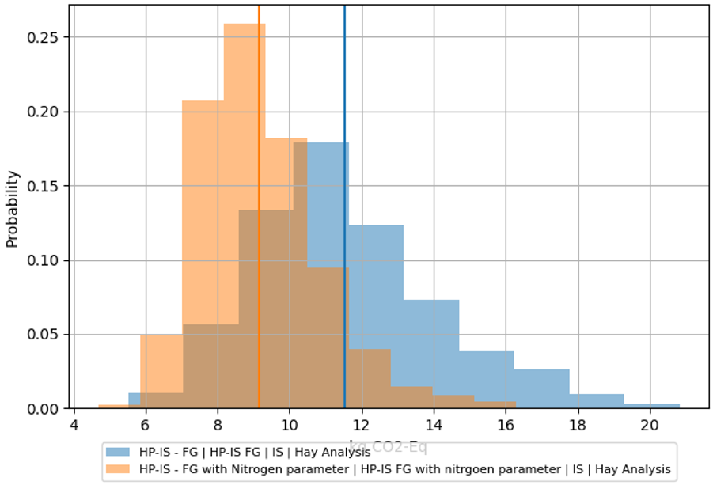

 | Figure : Monte Carlo Analysis 1000 runs, Hay IS, without parameter, blue. Hay IS - with parameter - Orange

Section 2 - S2
SM3- Section 2- Table S2 | Global sesntivity analysis using Activity Browser for Hay IS, with and without parameterization, , monte carlo results - Fossil rs.
 | Hay Run 1 - No parameter - Fossil resource scarcity
 | GSA name | delta | delta_conf | S1 | S1_conf
0 | T: NPK (15-15-15) fertiliser FROM market for NPK (15-15-15) fertiliser [RER] TO nutrient supply from NPK (15-15-15) fertiliser (inorganic nitrogen fertiliser, as N) [RER] | 0.2168453 | 0.0231514 | 0.3338068 | 0.0443899
1 | T: inorganic nitrogen fertiliser, as N FROM market for inorganic nitrogen fertiliser, as N [IS] TO HP-IS - FG (HP-IS FG) [IS] | 0.1954405 | 0.0241985 | 0.3067096 | 0.0473192
2 | B: Gas, natural // petroleum and gas production, onshore (natural gas, high pressure) [RU] | 0.0610036 | 0.0180334 | 0.0423220 | 0.0237913
3 | T: natural gas, high pressure FROM market for natural gas, high pressure [RoW] TO pig iron production (pig iron) [RoW] | 0.0581981 | 0.0185405 | 0.0133182 | 0.0146131
4 | T: ammonia, anhydrous, liquid FROM market for ammonia, anhydrous, liquid [RER] TO ammonium nitrate phosphate production (ammonium nitrate phosphate) [RER] | 0.0519172 | 0.0170769 | 0.0064052 | 0.0095376
5 | T: diammonium phosphate FROM market for diammonium phosphate [RER] TO nutrient supply from diammonium phosphate (inorganic nitrogen fertiliser, as N) [RER] | 0.0515215 | 0.0199649 | 0.0169007 | 0.0132991
6 | T: sweet gas, burned in gas turbine FROM market for sweet gas, burned in gas turbine [GLO] TO petroleum and gas production, onshore (natural gas, high pressure) [DZ] | 0.0500121 | 0.0188169 | 0.0027521 | 0.0102040
7 | B: Gas, natural // petroleum and gas production, onshore (natural gas, high pressure) [DZ] | 0.0496647 | 0.0190921 | 0.0054543 | 0.0097056
8 | T: transport, freight, lorry, unspecified FROM market for transport, freight, lorry, unspecified [RER] TO market for diesel (diesel) [Europe without Switzerland] | 0.0479889 | 0.0186230 | 0.0122522 | 0.0145711
9 | T: diesel, burned in building machine FROM market for diesel, burned in building machine [GLO] TO building construction, multi-storey (building, multi-storey) [RER] | 0.0479415 | 0.0208998 | 0.0094821 | 0.0125664
10 | T: ammonium nitrate phosphate FROM market for ammonium nitrate phosphate [RER] TO nutrient supply from ammonium nitrate phosphate (inorganic nitrogen fertiliser, as N) [RER] | 0.0473770 | 0.0174856 | 0.0207359 | 0.0168856

 | Hay Run 2- parameter - Fossil resource scarcity
 | GSA name | delta | delta_conf | S1 | S1_conf
0 | T: NPK (15-15-15) fertiliser FROM market for NPK (15-15-15) fertiliser [RER] TO nutrient supply from NPK (15-15-15) fertiliser (inorganic nitrogen fertiliser, as N) [RER] | 0.32928166134 | 0.022250775591 | 0.55886665655 | 0.04108793372
1 | B: Gas, natural // petroleum and gas production, onshore (natural gas, high pressure) [RU] | 0.098642304105 | 0.022001589122 | 0.085776053878 | 0.038172936398
2 | T: dried roughage store, non ventilated FROM dried roughage store construction, non ventilated [CH] TO operation, dried roughage store, non ventilated (operation, dried roughage store, non ventilated) [CH] | 0.069311819978 | 0.018879731982 | 0.027278141732 | 0.021589725475
3 | T: natural gas, high pressure FROM market for natural gas, high pressure [RoW] TO pig iron production (pig iron) [RoW] | 0.059134894093 | 0.020266122052 | 0.022367468106 | 0.01835680415
4 | T: ammonium nitrate FROM market for ammonium nitrate [RER] TO NPK (15-15-15) fertiliser production (NPK (15-15-15) fertiliser) [RER] | 0.057872643551 | 0.019279917251 | 0.019115311974 | 0.018785674627
5 | T: inorganic phosphorus fertiliser, as P2O5 FROM market for inorganic phosphorus fertiliser, as P2O5 [IS] TO HP-IS - FG with Nitrogen parameter (HP-IS FG with nitrgoen parameter) [IS] | 0.057188746537 | 0.019144190964 | 0.017466610189 | 0.01570551351
6 | B: Oil, crude // petroleum and gas production, onshore (petroleum) [IQ] | 0.0549988191 | 0.018648246568 | 0.019178528778 | 0.014864313536
7 | T: electricity, medium voltage FROM market group for electricity, medium voltage [Europe without Switzerland] TO tractor production, 4-wheel, agricultural (tractor, 4-wheel, agricultural) [RoW] | 0.053021983699 | 0.021767886851 | 0.0036292802772 | 0.0078985687458
8 | T: diesel FROM market for diesel [CH] TO mowing, by rotary mower (mowing, by rotary mower) [CH] | 0.052228710355 | 0.018220473401 | 0.014071062489 | 0.013537627365
9 | T: transport, freight, lorry, unspecified FROM market for transport, freight, lorry, unspecified [RER] TO market for potash salt (potash salt) [RER] | 0.051397797482 | 0.018172285024 | 0.010385182459 | 0.012429563196
10 | T: chemical factory FROM chemical factory construction [RER] TO chemical factory construction, organics (chemical factory, organics) [RER] | 0.051079469487 | 0.017243866798 | 0.019478960763 | 0.018221033455

 | Parmaeters
 | Nitrogen Fertilizer =0.80* Sb Value
 | Potassium Ferilizer = 0.80* Sb Value
 | Dinitrongen Fertilizer Emission =0.80* Sb Value
 | Nickel Emission =0.80* Sb Value

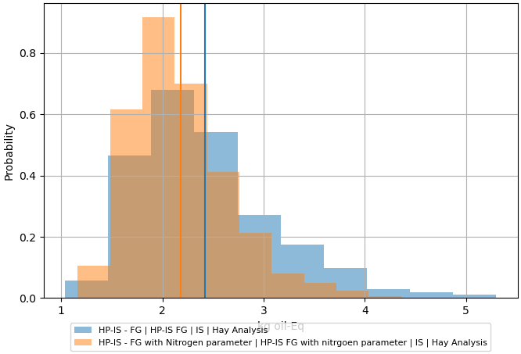

 | Figure : Monte Carlo Analysis 1000 runs, Hay IS, without parameter, blue. Hay IS - with parameter - Orange

Section 2 -S3
SM3- Section 2- Table S3 | Global sesntivity analysis using Activity Browser for Hay IS, with and without parameterization, monte carlo results - TE
 | Hay Run 1 - No parameter - Terrestrial ecotoxicity
 | GSA name | delta | delta_conf | S1 | S1_conf
0 | T: building, multi-storey FROM building construction, multi-storey [RER] TO chemical factory construction, organics (chemical factory, organics) [RER] | 0.13758814121 | 0.03107557135 | 0.054388424007 | 0.030024603483
1 | T: dried roughage store, non ventilated FROM dried roughage store construction, non ventilated [CH] TO operation, dried roughage store, non ventilated (operation, dried roughage store, non ventilated) [CH] | 0.12975941645 | 0.038482679126 | 0.028422831325 | 0.028434226036
2 | T: inorganic nitrogen fertiliser, as N FROM market for inorganic nitrogen fertiliser, as N [IS] TO HP-IS - FG (HP-IS FG) [IS] | 0.11996725383 | 0.032772324642 | 0.018899575899 | 0.031279249405
3 | B: Copper ion // smelting of copper concentrate, sulfide ore (copper, anode) [CN] | 0.11253273323 | 0.032461751353 | 0.023512877271 | 0.040595616392
4 | T: NPK (15-15-15) fertiliser FROM market for NPK (15-15-15) fertiliser [RER] TO nutrient supply from NPK (15-15-15) fertiliser (inorganic nitrogen fertiliser, as N) [RER] | 0.11159354292 | 0.02929467027 | 0.031006879844 | 0.020019773373
5 | T: transport, freight, lorry, unspecified FROM market group for transport, freight, lorry, unspecified [GLO] TO market for brazing solder, cadmium free (brazing solder, cadmium free) [GLO] | 0.11147713616 | 0.037731644161 | 0.0067161703226 | 0.010886805346
6 | B: Copper ion // smelting of copper concentrate, sulfide ore (copper, anode) [RoW] | 0.10657756168 | 0.03257415744 | 0.047171190965 | 0.026542577195
7 | T: tractor, 4-wheel, agricultural FROM market for tractor, 4-wheel, agricultural [GLO] TO mowing, by rotary mower (mowing, by rotary mower) [CH] | 0.098941677569 | 0.039797168716 | 0.0029967031736 | 0.0099512011177
8 | T: brake wear emissions, lorry FROM market for brake wear emissions, lorry [GLO] TO transport, freight, lorry 16-32 metric ton, EURO4 (transport, freight, lorry 16-32 metric ton, EURO4) [RER] | 0.097679809165 | 0.032971908357 | 0.0048643622279 | 0.01016656253
9 | T: transport, freight, lorry, unspecified FROM market for transport, freight, lorry, unspecified [RER] TO market for ammonium nitrate phosphate (ammonium nitrate phosphate) [RER] | 0.097470847022 | 0.038995346466 | 0.0099863159037 | 0.012019294438
10 | T: tractor, 4-wheel, agricultural FROM market for tractor, 4-wheel, agricultural [GLO] TO swath, by rotary windrower (swath, by rotary windrower) [CH] | 0.096826438111 | 0.029310669345 | 0.0072215843502 | 0.011168375024

 | Hay Run 2- parameter - Terrestrial ecotoxicity
 | GSA name | delta | delta_conf | S1 | S1_conf
0 | T: dried roughage store, non ventilated FROM dried roughage store construction, non ventilated [CH] TO operation, dried roughage store, non ventilated (operation, dried roughage store, non ventilated) [CH] | 0.13119225769 | 0.034956332455 | 0.031803782593 | 0.043715837863
1 | B: Copper ion // smelting of copper concentrate, sulfide ore (copper, anode) [CN] | 0.12747918485 | 0.029052727212 | 0.026447834427 | 0.041391574638
2 | B: Copper ion // smelting of copper concentrate, sulfide ore (copper, anode) [RoW] | 0.1227509668 | 0.032728330617 | 0.046109355451 | 0.040361164525
3 | T: building, multi-storey FROM building construction, multi-storey [RER] TO chemical factory construction, organics (chemical factory, organics) [RER] | 0.11403453854 | 0.03533608131 | 0.049756212654 | 0.025299026951
4 | T: agricultural machinery, unspecified FROM market for agricultural machinery, unspecified [GLO] TO fodder loading, by self-loading trailer (fodder loading, by self-loading trailer) [RoW] | 0.11174473689 | 0.034958116752 | 0.0099057732212 | 0.012212047232
5 | T: NPK (15-15-15) fertiliser FROM market for NPK (15-15-15) fertiliser [RER] TO nutrient supply from NPK (15-15-15) fertiliser (inorganic nitrogen fertiliser, as N) [RER] | 0.11159147939 | 0.03107999979 | 0.029673968494 | 0.023925043971
6 | T: tractor, 4-wheel, agricultural FROM market for tractor, 4-wheel, agricultural [GLO] TO mowing, by rotary mower (mowing, by rotary mower) [CH] | 0.11058786499 | 0.03977989123 | 0.0035380207493 | 0.011661639744
7 | T: shed FROM shed construction [CH] TO baling (baling) [CH] | 0.10790414013 | 0.031810854613 | 0.0022175382456 | 0.0080138565498
8 | T: ammonium nitrate FROM market for ammonium nitrate [RER] TO NPK (15-15-15) fertiliser production (NPK (15-15-15) fertiliser) [RER] | 0.10719711153 | 0.037307716644 | 0.0035041480834 | 0.0085931764414
9 | T: chemical factory, organics FROM chemical factory construction, organics [RER] TO monoammonium phosphate production (monoammonium phosphate) [RER] | 0.10519988499 | 0.033467912992 | 0.0061065436912 | 0.01206091371
10 | T: transport, freight, lorry 16-32 metric ton, EURO4 FROM market for transport, freight, lorry 16-32 metric ton, EURO4 [RER] TO transport, freight, lorry, all sizes, EURO4 to generic market for transport, freight, lorry, unspecified (transport, freight, lorry, unspecified) [RER] | 0.10473585782 | 0.040945807049 | 0.011811990477 | 0.010837184742

 | Parmaeters
 | Nitrogen Fertilizer =0.80* Sb Value
 | Potassium Ferilizer = 0.80* Sb Value
 | Dinitrongen Fertilizer Emission =0.80* Sb Value
 | Nickel Emission =0.80* Sb Value

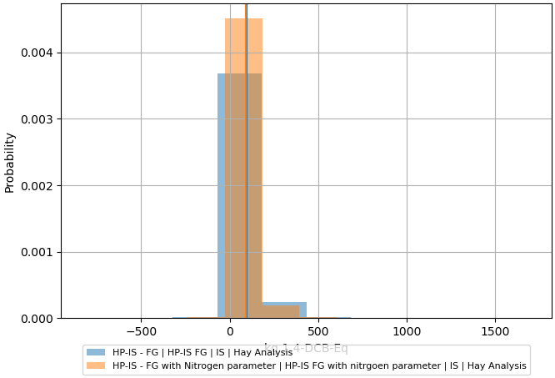

 | Figure : Monte Carlo Analysis 1000 runs, Hay IS, without parameter, blue. Hay IS - with parameter - Orange

