Matrix2
 | Sendai Framework |  |  |  |  |  |  | GDRI |  |  |  |  |  | Total score
 | A | B | C | D | E | F | G | Social susceptibility | Coping and adaptation | Ecosystem Robustness | Ecosystem sensitivity | social exposure | Ecological exposure
SDG1 | x | x | x |  | x |  |  | 6 | 2 |  |  |  |  | 11
SDG2 |  |  |  |  |  |  |  | 5 | 3
SDG3 |  |  |  |  |  |  |  |  | 3
SDG4 |  |  |  |  |  |  |  | 3 | 2
SDG5 |  |  |  |  |  |  |  | 2
SDG6 |  |  |  |  |  |  |  | 3 | 1 | 3
SDG7 |  |  |  |  |  |  |  | 1
SDG8 |  |  |  |  |  |  |  | 1
SDG9 |  |  |  |  |  |  | 1 | 1 | 2
SDG10 |  |  |  |  |  |  |  | 2 | 1
SDG11 | 1 | 1 | 1 | 1 | 1 |  | 1 | 2 | 3
SDG12 |  |  |  |  |  |  |  |  | 2
SDG13 | 1 | 1 |  |  | 1 |  | 1 |  | 4
SDG14 |  |  |  |  |  |  |  | 1 |  | 1 | 2
SDG15 |  |  |  |  |  |  |  |  |  | 6 | 4
SDG16 |  |  |  |  |  |  | 1 | 1 | 1
SDG17 |  |  |  |  |  | 3 |  |  | 1

 | Sendai Framework |  |  |  |  |  |  | GDRI |  |  |  | Total score
 | A | B | C | D | E | F | G | Social susceptibility | Coping and adaptation | Ecosystem Robustness | Ecosystem sensitivity
SDG1 | x | x | x |  | x |  |  | 6 | 4 |  |  | 11
SDG2 |  |  |  |  |  |  |  | 5 | 3 |  |  | 10
SDG3 |  |  |  |  |  |  |  |  | 3 |  |  | 3
SDG4 |  |  |  |  |  |  |  | 3 | 2 |  |  | 5
SDG5 |  |  |  |  |  |  |  | 2 |  |  |  | 2
SDG6 |  |  |  |  |  |  |  | 3 | 1 | 3 |  | 7
SDG7 |  |  |  |  |  |  |  | 1 |  |  |  | 1
SDG8 |  |  |  |  |  |  |  | 1 |  |  |  | 1
SDG9 |  |  |  |  |  |  | 1 | 1 | 2 |  |  | 4
SDG10 |  |  |  |  |  |  |  | 2 | 1 |  |  | 3
SDG11 | 1 | 1 | 1 | 1 | 1 |  | 1 | 2 | 3 |  |  | 11
SDG12 |  |  |  |  |  |  |  |  | 2 |  |  | 2
SDG13 | 1 | 1 |  |  | 1 |  | 1 |  | 4 |  |  | 8
SDG14 |  |  |  |  |  |  |  | 1 |  | 1 | 2 | 4
SDG15 |  |  |  |  |  |  |  |  |  | 6 | 4 | 10
SDG16 |  |  |  |  |  |  | 1 | 1 | 1 |  |  | 3
SDG17 |  |  |  |  |  | 3 |  |  | 1 |  |  | 4

 | GDRI
SDG | Social susceptibility | Coping and adaptation | Ecosystem Robustness | Ecosystem sensitivity | Ecosystem exposure | Social exposure | Total
1 No poverty | 6 | 4 |  |  |  | 2 | 12
2 Food security | 5 | 5 |  |  |  |  | 10
3 Good health and well being |  | 3 |  |  |  | 2 | 5
4 Quality education | 3 | 2 |  |  |  |  | 5
5 Gender equality | 2 |  |  |  |  |  | 2
6 | 3 | 1 | 3 | 2 |  |  | 9
Clean Water and Sanitation
7 Affordable and clean energy | 2 |  |  |  |  |  | 2
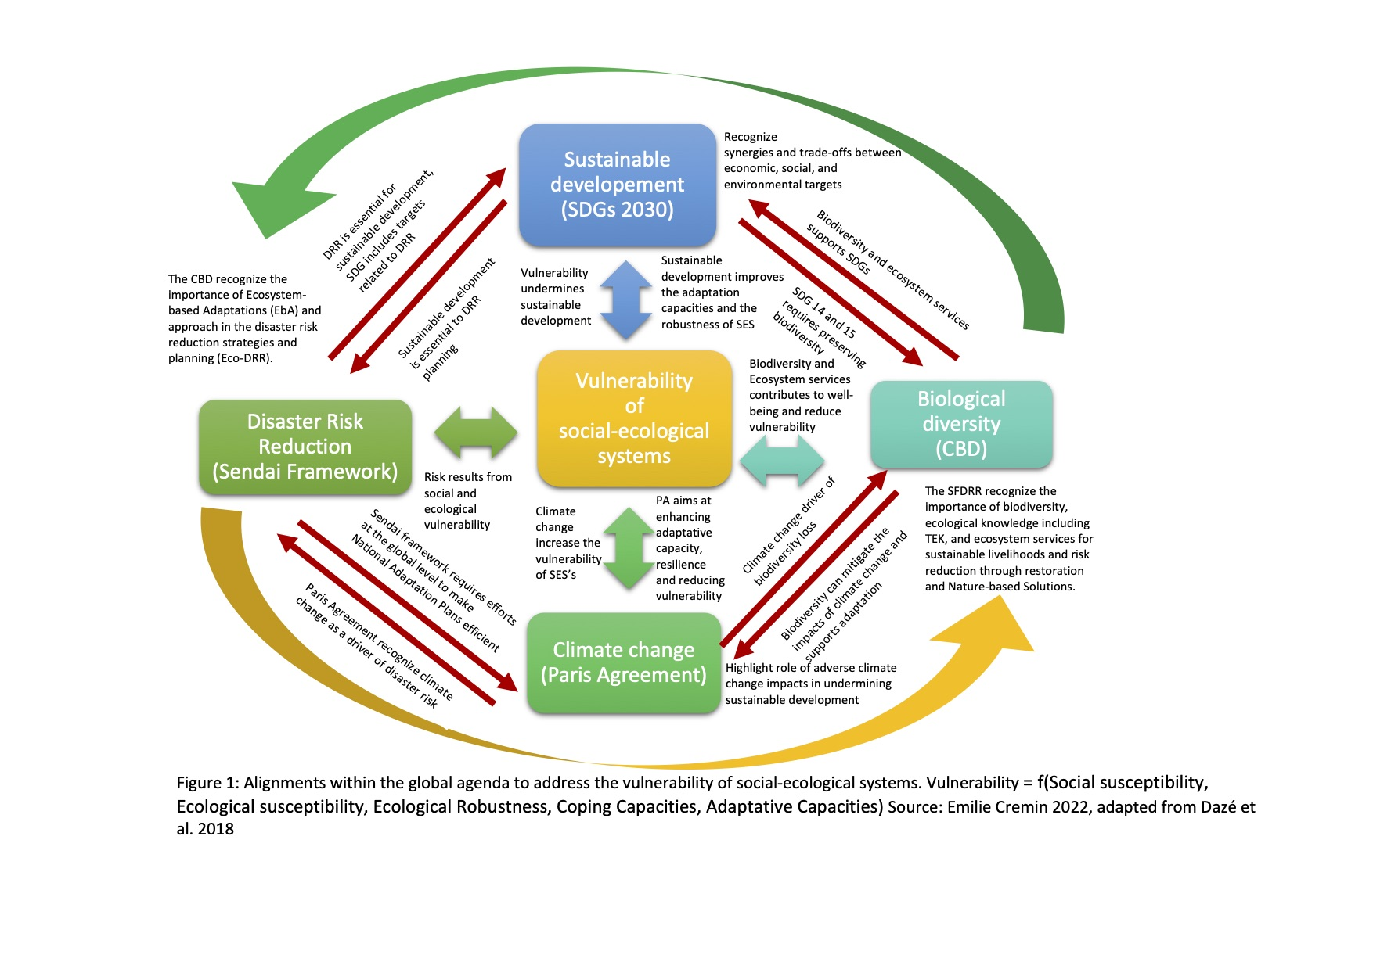
8 Decent work and economic growth | 1 |  |  |  |  |  | 1
9 Industry, innovation and infrastructures | 1 | 3 |  |  |  |  | 4
10 Reduced inequality | 2 | 1 |  |  |  |  | 3
11 Sustainable cities | 2 | 3 |  |  |  | 1 | 6
12 Consumption and production |  | 2 |  |  |  |  | 2
13 Climate action |  | 3 |  |  |  |  | 3
14 Life below water | 1 |  | 1 | 2 |  |  | 4
15 Life on |  |  | 6 | 4 |  |  | 10
land
16 Peace, justice, and strong institutions | 1 | 3 |  |  |  |  | 4
17 Partnership for the goals |  | 1 |  |  |  |  | 1
Total | 29 | 31 | 10 | 8 |  | 5 | 83

 |  |  |  |  |  |  |  |  |  | Figure 1: Some interlinkages between fundamental issues (sustainable development, biological diversity, global warming, and disaster risk) tackled by the global agenda and alignment to address the vulnerability of social-ecological systems. The vulnerability of social-ecological systems is driven by the interplay between social susceptibility*, ecological sensitivity*, ecological robustness*, coping capacities and adaptative capacities*. Source: adapted from Dazé et al. 2018

 | SDG
SFDRR targets | 1 No poverty | 2 Food security | 3 Good health and well being | 4 Quality education | 5 Gender equality | 6 Clean Water and Sanitation | 7 Affordable and clean energy | 8 Decent work and economic growth | 9 Industry, innovation and infrastructures | 10 Reduced inequality | 11 Sustainable cities | 12 Consumption and production | 13 Climate action | 14 Life below water | 15 Life on Land | 16 Peace, justice, and strong institutions | 17 Partnership for the goals
0 | 3 |  |  |  |  |  |  |  |  |  | 3 |  | 3
B - Reduce the number of affected people | 5 |  |  |  |  |  |  |  |  |  | 5 |  | 3
C - Reduce direct disaster economic loss | 1 | 1 |  |  |  |  |  |  |  |  | 1 |  |  |  | 1
D - Reduce disaster damage to critical infrastructure and disruption of basic services (health and educational facilities) | 2 |  |  |  |  | 1 |  |  |  |  | 2
E - Increase the number of countries with national and local disaster risk reduction strategies | 2 |  | 1 |  |  |  |  |  |  |  | 2 |  | 2
F - Enhance international cooperation to developing countries | 1 |  | 1 |  |  |  |  |  | 1 |  |  |  |  |  |  |  | 3
G - Increase the availability of and access to multi‑hazard early warning systems and disaster risk information | 2 |  | 1 | 1 |  |  |  |  | 1 |  | 6 |  | 3
Total | 16 | 1 | 3 | 1 | 0 | 1 | 0 | 0 | 2 | 0 | 19 | 0 | 11 | 0 | 1 | 0 | 3

SFDRR targets
A - Reduce global disaster mortality
B - Reduce the number of affected people
C - Reduce direct disaster economic loss
D - Reduce disaster damage to critical infrastructure and disruption of basic services (health and educational facilities)
E - Increase the number of countries with national and local disaster risk reduction strategies
F - Enhance international cooperation to developing countries
G - Increase the availability of and access to multi‑hazard early warning systems and disaster risk information
Total

1 No poverty
2 Food security
3 Good health and well being
4 Quality education
5 Gender equality
6
Clean Water and Sanitation
7 Affordable and clean energy
8 Decent work and economic growth
9 Industry, innovation and infrastructures
10 Reduced inequality
11 Sustainable cities
12 Consumption and production
13 Climate action
14 Life below water
15 Life on
land
16 Peace, justice, and strong institutions
17 Partnership for the goals

