N Glycans
Supplementary Material Table S4: Summary of individual glycan species found on CHO-S and Expi293F derived spike protein, from pooled data generated by trypsin and GluC enzymatic digestion

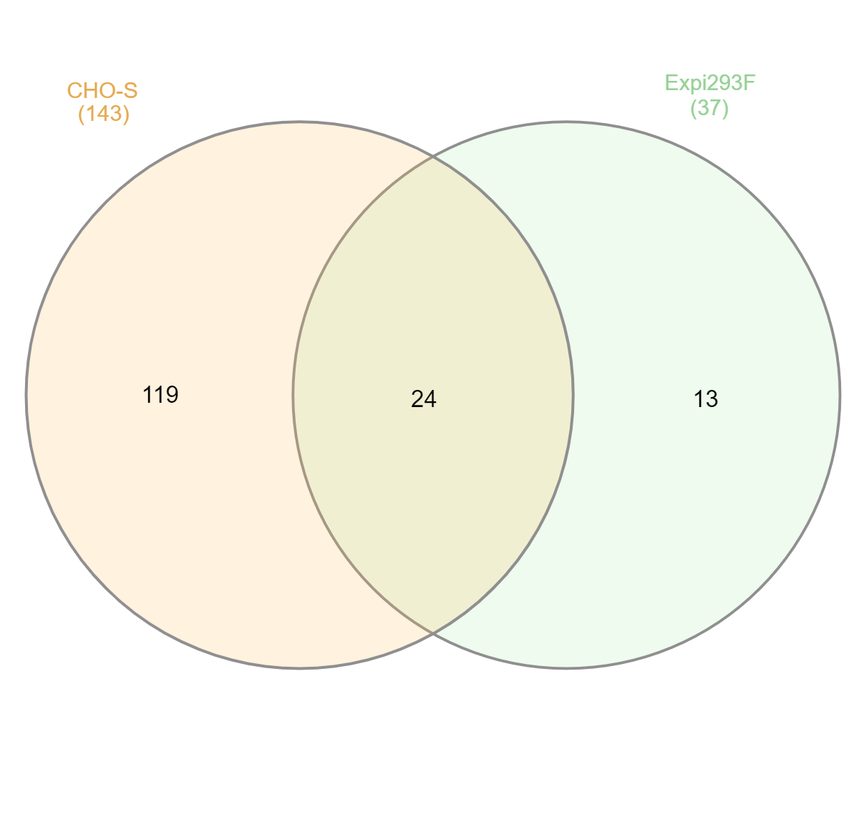
HEK Expi293F | CHO-S
A1G0 | A1G0
A1G0F | A1G0F
A1G1 | A1G0M5F
A1G1F | A1G1
A1S1 | A1G1F
A1S1F | A1G1M4
A2G0 | A1G1M4F
A2G0B | A1G1M5
A2G0F | A1S1
A2G0FB | A1S1M4
A2G1 | A1S1M4F
A2G1B | A1S1M5
A2G1F | A2G0
A2G1FB | A2G0F
A2G2 | A2G1
A2G2B | A2G1F
A2G2F | A2G1M4
A2G2FB | A2G1M4F
A2S1G0 | A2G1M5 | All Venn diagrams created using InteractiVenn
A2S1G0B | A2G1M5F
A2S1G0F | A2G2
A2S1G0FB | A2G2F
A2S1G1 | A2G2M4
A2S1G1B | A2G2M4F
A2S1G1F | A2G2M5
A2S1G1FB | A2G2M5F
A2S2 | A2Ga1G1F
A2S2B | A2S1G0
A2S2F | A2S1G0F
A2S2FB | A2S1G0M5
M3 | A2S1G1
M4 | A2S1G1F
M5 | A2S1G1M4
M6 | A2S1G1M4F
M7 | A2S1G1M5
M8 | A2S1G1M5F
M9 | A2S2
 | A2S2F
 | A2S2M4F
 | A2S2M5F
 | A2Sg1G0
 | A2Sg1Ga1
 | A3G0
 | A3G1
 | A3G1F
 | A3Ga1G1F
 | A3G2
 | A3G2F
 | A3Ga1G2
 | A3Ga1G2F
 | A3Ga2G1F
 | A3G3
 | A3G3F
 | A3Ga3F
 | A3S1G0
 | A3S1G0F
 | A3S1G1
 | A3S1G1F
 | A3S1G2
 | A3S1G2F
 | A3S1Ga1G1
 | A3S1Ga2
 | A3S2G0
 | A3S2G0F
 | A3S2G1
 | A3S2G1F
 | A3S2Ga1
 | A3S2Ga1F
 | A3S3
 | A3S3F
 | A3Sg1G1
 | A3Sg1G1F
 | A3Sg1S1G0
 | A3Sg1S1Ga1F
 | A3Sg1S2
 | A3Sg1S2F
 | A3Sg2S1
 | A4G0F
 | A4G1
 | A4G2
 | A4G2F
 | A4G3
 | A4G3F
 | A4G4
 | A4G4F
 | A4Ga1G2F
 | A4Ga1G3
 | A4Ga1G3F
 | A4Ga2G1F
 | A4Ga2G2F
 | A4Ga3G1F
 | A4Ga4F
 | A4S1G0
 | A4S1G1
 | A4S1G1F
 | A4S1G2
 | A4S1G2F
 | A4S1G3
 | A4S1G3F
 | A4S1Ga1G2
 | A4S1Ga1G2F
 | A4S1Ga2G1F
 | A4S1Ga3F
 | A4S2G0
 | A4S2G0F
 | A4S2G1
 | A4S2G1F
 | A4S2G2
 | A4S2G2F
 | A4S2Ga1G1
 | A4S2Ga1G1F
 | A4S2Ga2F
 | A4S3G0
 | A4S3G0F
 | A4S3G1
 | A4S3G1F
 | A4S3Ga1F
 | A4S4
 | A4S4F
 | A4Sg1G0
 | A4Sg1G1
 | A4Sg1G2
 | A4Sg1G2F
 | A4Sg1S1G0
 | A4Sg1S1G1
 | A4Sg1S1G2
 | A4Sg1S1Ga1G1F
 | A4Sg1S2G0
 | A4Sg1S2G1
 | A4Sg1S2Ga1
 | A4Sg1S2Ga1F
 | A4Sg1S3
 | A4Sg2G0
 | A4Sg2S1G0
 | A4Sg2S1G1
 | A4Sg3S1F
 | M3
 | M4
 | M5
 | M6
 | M7
 | M8
 | M9

