Fig. supplemment
A
Ranking - 3 h exposure to 10 µM TCS
Method | 1st | 2nd | 3rd | 4th | 5th
Delta CT | β-actin | 18S | Gapdh | B2m | Hprt
BestKeeper | β-actin | 18S | Hprt | Gapdh | B2m
Normfinder | β-actin | 18S | Gapdh | B2m | Hprt
Genorm | B2m | 18S |  | Gapdh | β-actin | Hprt
Recommended comprehensive ranking | β-actin | 18S | B2m | Gapdh | Hprt
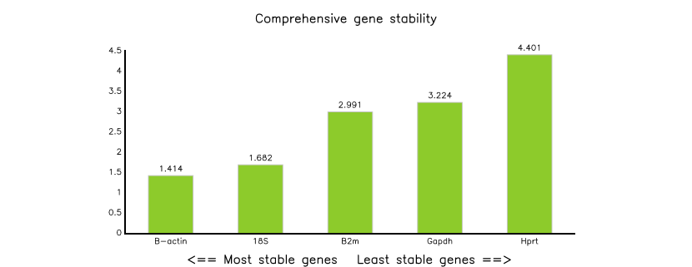
3h exposure to 10 µM TCS

B
Ranking - 6 h exposure to 10 µM TCS
Method | 1st | 2nd | 3rd | 4th | 5th
Delta CT | β-actin | B2m | 18S | Hprt | Gapdh
BestKeeper | β-actin | 18S | Gapdh | B2m | Hprt
Normfinder | β-actin | 18S | B2m | Hprt | Gapdh
Genorm | B2m | Hprt |  | β-actin | 18S | Gapdh
Recommended comprehensive ranking | β-actin | B2m | 18S | Hprt | Gapdh

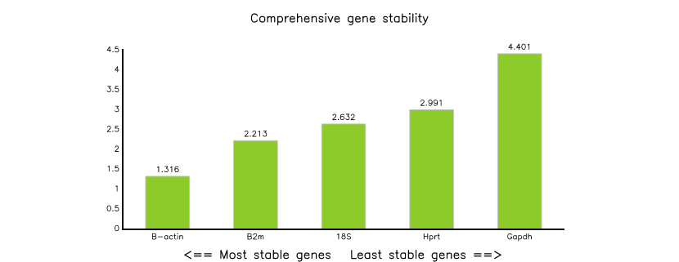
6h exposure to 10 µM TCS

