(a) illustration
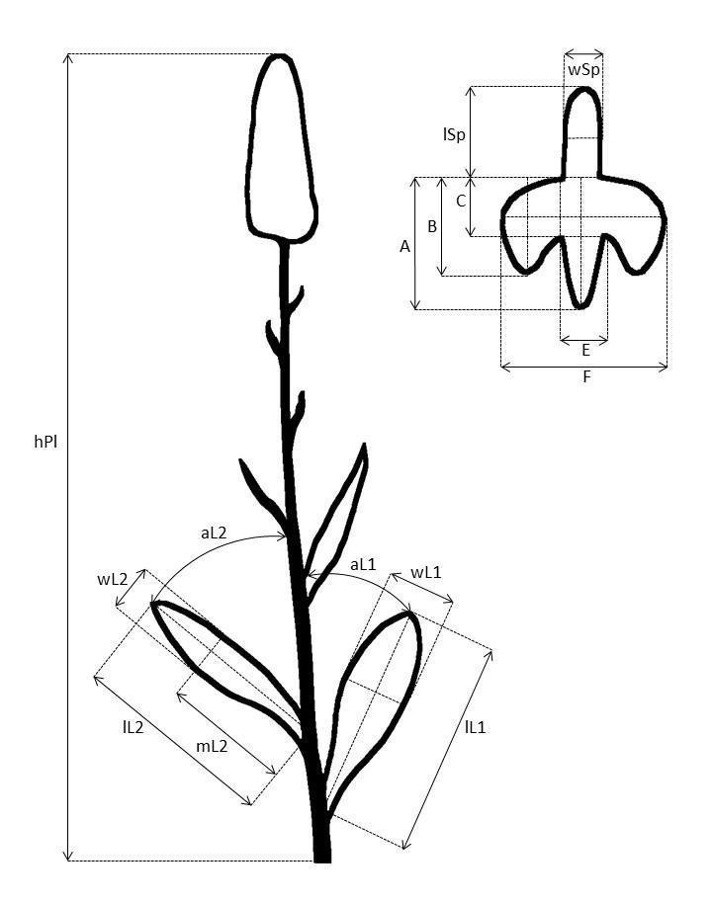
Electronic Supplementary Material 2a.
Taraška et al. (2024) Dactylorhiza maculata agg. (Orchidaceae) in Central Europe: Intricate patterns in morphological variability, cytotype diversity and ecology support the single species concept. Folia Geobotanica.

Schematic illustration of the quantitative characters measured on examined plants. Explanation to the abbreviations see in Table 2.

