S3 Paraloid (impact)
S3. Impact of conservation treatment on metallurgical ceramics (micro-XRF)
Relevant for surface analyses - Including hhXRF analyses (see below table S3 for full data set)
Effect of conservation treatment
Examination of mould fragments with uXRF before and after conservation treatment in order to establish if the coating used (Paraloid) has any effect on the metallurgical ceramics.
· The vast majority of the metallurgical ceramics examined non-invasively have previously undergone a conservation treatment, which consisted of coating with paraloid, an organic-based thermoplastic resin used for the consolidation of the ceramic fragments’ fragile surfaces. It was assumed in advance of the analyses that this coating will have no impact on the analytical results obtained from the fragments’ surfaces. Nevertheless, this was tested with the comparative examination of a selection of mould fragments before and after conservation.
Moulds before and after conservation
· 10 mould fragments were analysed with the uXRF before and after conservation treatment with a Paraloid coating (acrylic resin, ethyl-methacrylate copolymer), often used in the conservation of archaeological ceramics
· The surface of the moulds was analysed in both cases with the uXRF. Conditions: two spectrometers, 50 kV, 600 uA, No Filter, analyses area 3x3 mm, 25ms/pixel, 1 cycle, 10 min each area
· The same area on the moulds surface was analysed. Flat areas on the moulds’ surfaces were chosen for analyses. It was marked during the first round of analyses, e.g.:

Figure S3.1. Photograph of mould fragment ASR9 x580_4 (before treatment). The yellow circle indicates the point of analyses that was targeted both before and after treatment.

· Elements measured: ZnO, Na2O, SiO2, Al2O3, CaO, K2O, TiO2, MgO, Fe2O3, P2O5, SO3
· Analyses before and after conservation treatment showed linear correlation for all oxides analysed
· Few oxides seem to be over- or underestimated AFTER conservation when compared to the values BEFORE treatment:
o Zinc seems to be estimated in higher amounts AFTER treatment by approx. 2.2
o Νa is underestimated by approx. 0.4
o SiO2 is underestimated AFTER treatment
o Al2O3 showed poorer correlation and lower values AFTER treatment
o CaO is typically overestimated AFTER treatment by approx. 2.3
o Κ2Ο shows a poor correlation and is overestimated AFTER treatment by an offset of approx. 1.5
o TiO2, poor correlation, overestimated AFTER treatment
o Fe2O3, good correlation, overestimated AFTER treatment
o P2O5, moderate correlation, high accuracy
o MgO and SO3 below the detection limit

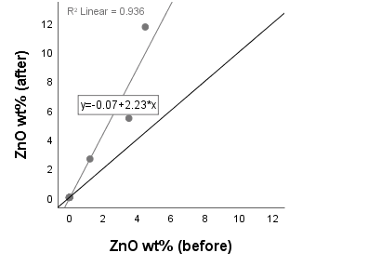
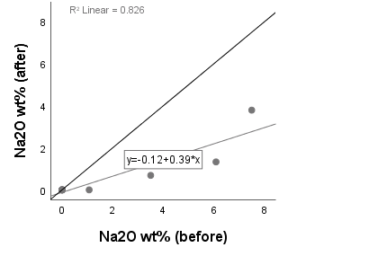
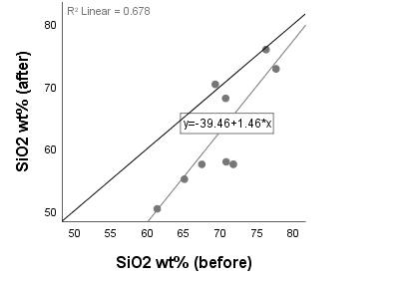
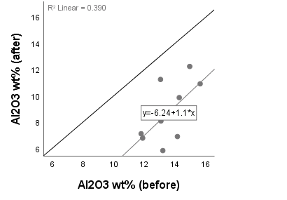
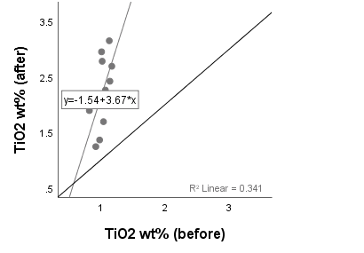
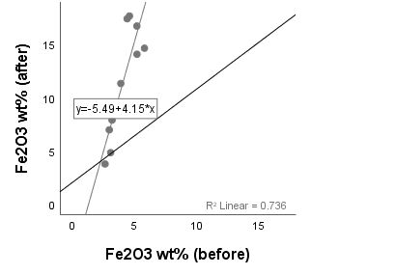
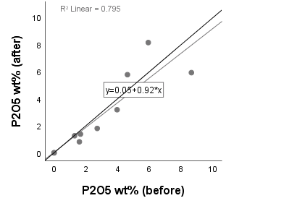

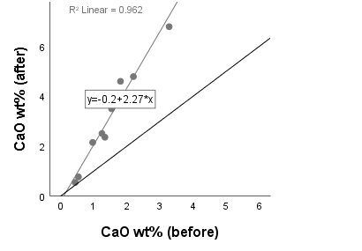
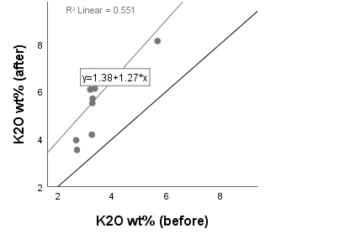

Figure S3.2. Scatterplot of co-variations of values measured before and after conservation on mould fragments’ surfaces with the μXRF. Black lines are at y=x and grey lines represent the linear correlation between data points.
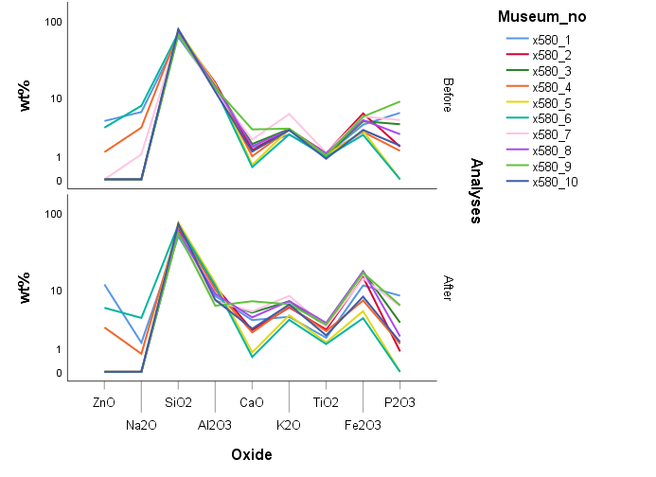

Figure S3.3. Line graph of measured values in each fragment before and after conservation on moulds’ surfaces with μXRF where the same pattern in the ratios of values is visible.
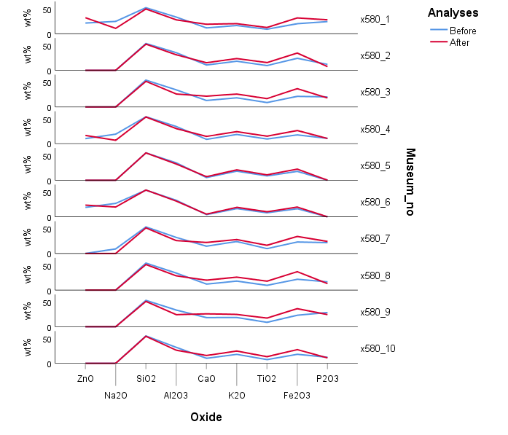

Figure S3.4. Line graph of measured values before and after conservation on moulds’ surfaces for each fragment with μXRF where the same ratios of elements are visible.
Conclusion
Given that:
a) Even though the aim was to analyse the same area in each mould fragment, the possibility of small variations in the actual analysed areas should be taken into consideration considering the small size of area analysed (3x3 mm) which might be difficult to locate exactly
b) The mould might have been positioned in a slightly different angle; since the surfaces are not flat (as in the case of polished sections), some variability should be attributed to the differences in the Z value, i.e. the distance between the beam sources and the sample
c) Same trends, even though not same values, are obtained for the mould fragments before and after conservation treatment (Figures S3.3 & 3.4)
It is argued that:
o The results before and after conservation treatment of the metallurgical ceramic fragments are comparable
o The conservation treatment does not have an impact in the ratios of oxides analysed; and it is in the ratios or the presence/absence of elements/oxides more than absolute values that emphasis was put during the hhXRF analyses of the metallurgical ceramics.

S3. Table of micro-XRF analyses before and after conservation treatment with Paraloid. All results in wt%, normalised. |  | Na2O | MgO | Al2O3 | SiO2 | P2O5 | SO3 | K2O | CaO | TiO2 | Fe2O3 | ZnO
x580_1 | Before treatment | 6.08 | 0.00 | 13.07 | 61.33 | 5.92 | 0.00 | 2.67 | 1.53 | 1.04 | 3.90 | 4.46
x580_2 | Before treatment | 0.00 | 1.01 | 15.62 | 70.23 | 1.59 | 0.00 | 3.27 | 1.33 | 1.14 | 5.80 | 0.00
x580_3 | Before treatment | 0.00 | 0.60 | 14.14 | 70.77 | 3.96 | 0.00 | 3.30 | 1.80 | 1.02 | 4.41 | 0.00
x580_4 | Before treatment | 3.50 | 0.74 | 14.26 | 70.70 | 1.29 | 0.00 | 3.28 | 0.96 | 1.07 | 2.98 | 1.21
x580_5 | Before treatment | 0.00 | 0.98 | 14.94 | 76.23 | 0.00 | 0.00 | 3.25 | 0.53 | 0.98 | 3.09 | 0.00
x580_6 | Before treatment | 7.49 | 0.00 | 13.04 | 69.28 | 0.00 | 0.00 | 2.70 | 0.43 | 0.92 | 2.64 | 3.50
x580_7 | Before treatment | 1.07 | 0.74 | 11.88 | 67.44 | 4.61 | 0.00 | 5.68 | 2.19 | 1.17 | 5.20 | 0.00
x580_8 | Before treatment | 0.00 | 0.97 | 14.04 | 71.75 | 2.71 | 0.00 | 3.18 | 1.62 | 1.13 | 4.60 | 0.00
x580_9 | Before treatment | 0.00 | 0.00 | 13.19 | 65.05 | 8.63 | 0.30 | 3.36 | 3.27 | 1.01 | 5.19 | 0.00
x580_10 | Before treatment | 0.00 | 0.51 | 11.78 | 77.60 | 1.66 | 0.00 | 3.19 | 1.24 | 0.82 | 3.20 | 0.00
x580_1 | After treatment | 1.33 | 0.00 | 8.08 | 50.29 | 8.14 | 0.00 | 3.95 | 3.49 | 1.69 | 11.33 | 11.69
x580_2 | After treatment | 0.00 | 0.00 | 10.91 | 63.35 | 0.81 | 0.00 | 5.51 | 2.35 | 2.42 | 14.65 | 0.00
x580_3 | After treatment | 0.00 | 0.00 | 6.90 | 57.84 | 3.18 | 0.51 | 6.78 | 4.59 | 2.78 | 17.42 | 0.00
x580_4 | After treatment | 0.69 | 0.00 | 9.86 | 68.05 | 1.26 | 0.43 | 5.70 | 2.14 | 2.26 | 6.97 | 2.64
x580_5 | After treatment | 0.00 | 0.59 | 12.23 | 75.88 | 0.00 | 0.17 | 4.18 | 0.76 | 1.36 | 4.83 | 0.00
x580_6 | After treatment | 3.79 | 0.00 | 11.24 | 70.30 | 0.00 | 0.17 | 3.54 | 0.54 | 1.24 | 3.76 | 5.43
x580_7 | After treatment | 0.00 | 0.00 | 6.78 | 57.44 | 5.77 | 0.35 | 8.12 | 4.78 | 2.69 | 14.08 | 0.00
x580_8 | After treatment | 0.00 | 0.00 | 8.68 | 57.45 | 1.80 | 0.56 | 6.83 | 3.87 | 3.15 | 17.68 | 0.00
x580_9 | After treatment | 0.00 | 0.00 | 5.83 | 55.05 | 5.92 | 0.62 | 6.12 | 6.78 | 2.95 | 16.73 | 0.00
x580_10 | After treatment | 0.00 | 0.00 | 7.11 | 72.78 | 1.38 | 0.37 | 6.08 | 2.50 | 1.89 | 7.89 | 0.00
 | Mean before treatment | 0.92 | 1.81 | 70.04 | 13.60 | 1.49 | 3.39 | 1.03 | 0.55 | 4.10 | 3.04 | 0.03 | 0
 | Mean after treatment | 1.98 | 0.58 | 62.84 | 8.76 | 3.18 | 5.68 | 2.24 | 0.06 | 11.53 | 2.83 | 0.32 | 0

S10.2 Moulds hhXRF per type
S10.2. Metal oxide relative concentrations per mould fragment and artefact typology in barcharts as analysed with hhXRF on the fragments' interior surface. No bars are shown when no metal oxides were detected on the specific mould fragments. The metal oxide concentrations have been normalised to 100% to allow comparison accross fragments.
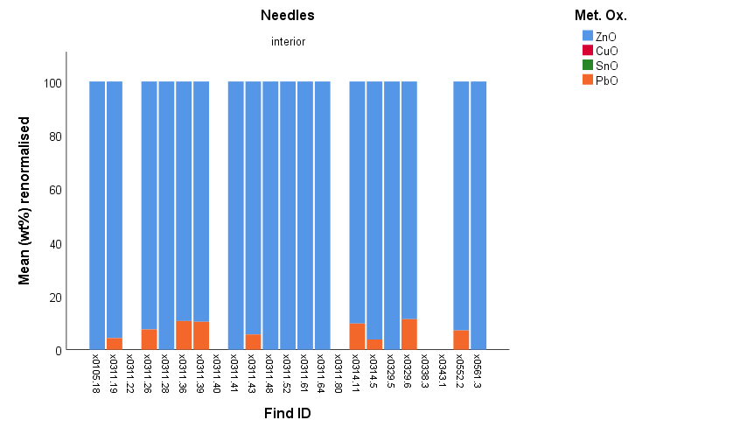 1. Metal oxides detected in moulds with needle impressions during hhXRF analysis
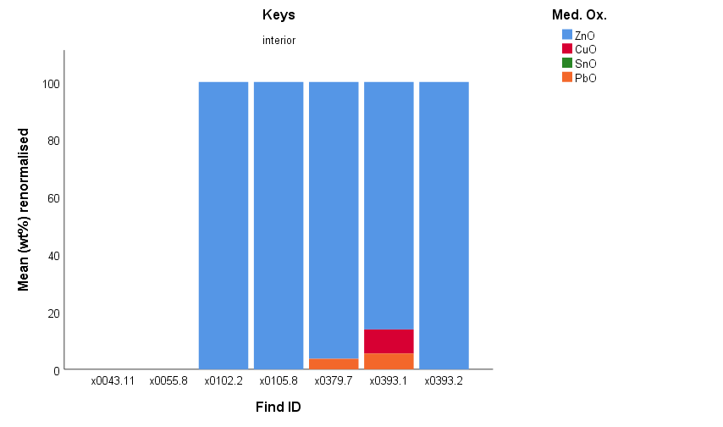 2. Metal oxides detected in moulds with key impressions during hhXRF analysis
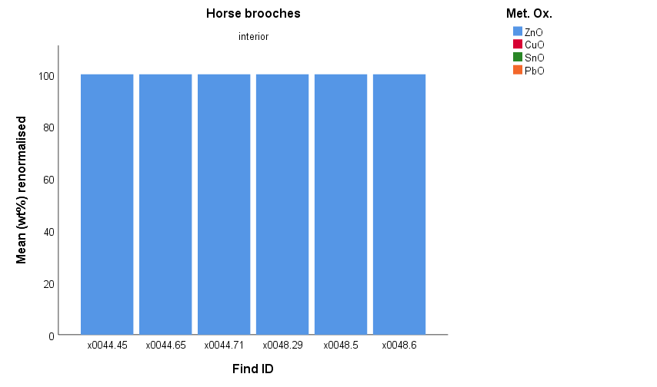 3. Metal oxides detected in moulds with horse-brooch impressions during hhXRF analysis
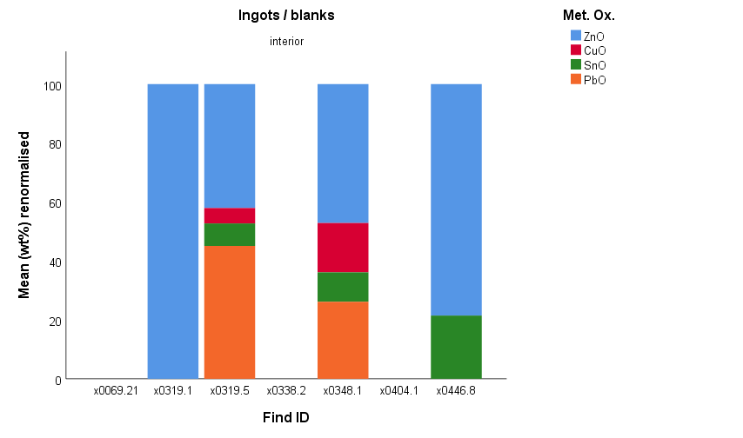 4. Metal oxides detected in moulds with bar ingot impressions during hhXRF analysis. This is the only mould type that significant tin was detected.
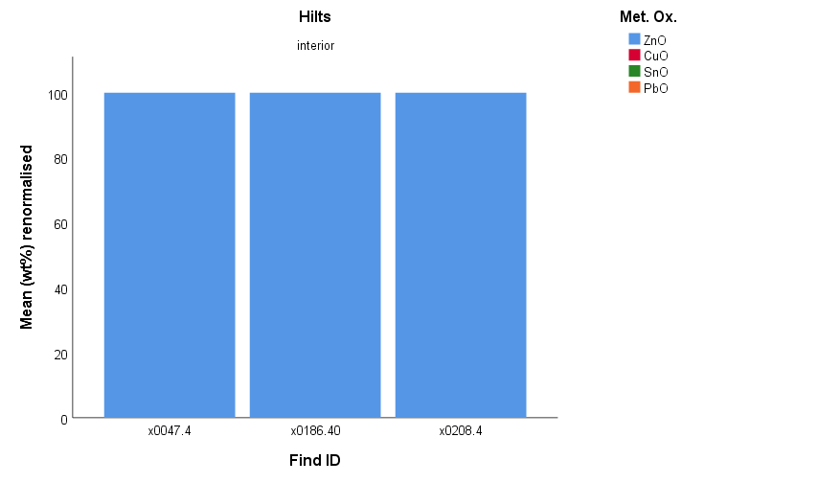 5. Metal oxides detected in moulds with hilt (sword) impressions during hhXRF analysis
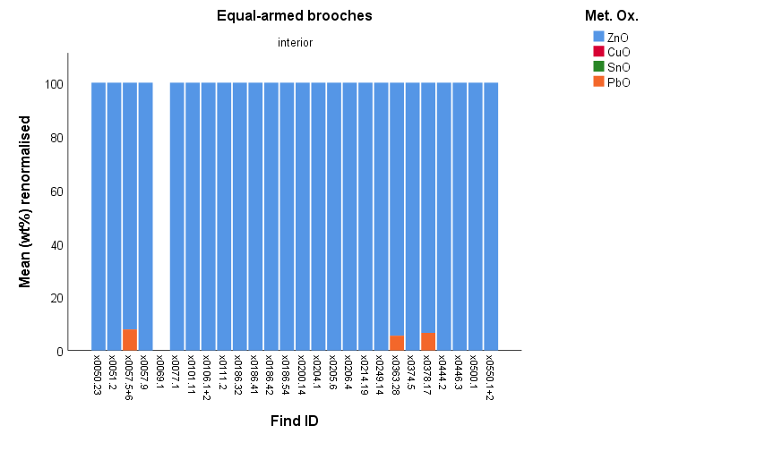 6. Metal oxides detected in moulds with equal-armed brooch impressions during hhXRF analysis
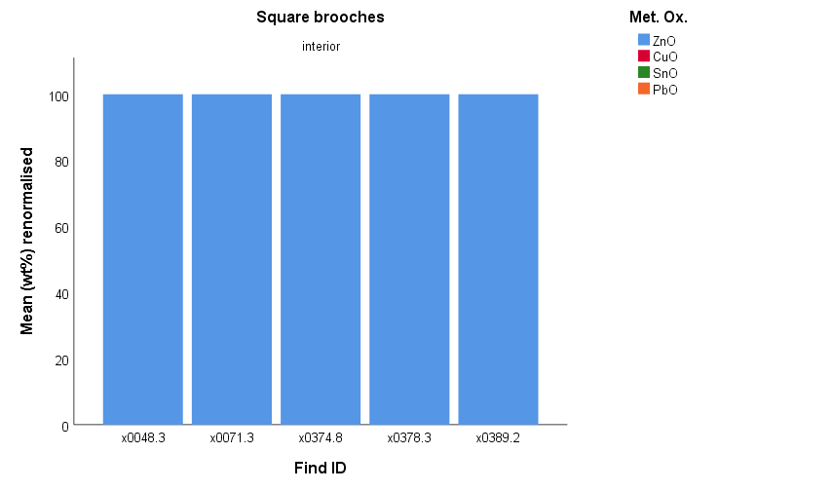 7. Metal oxides detected in moulds with square brooch impressions during hhXRF analysis
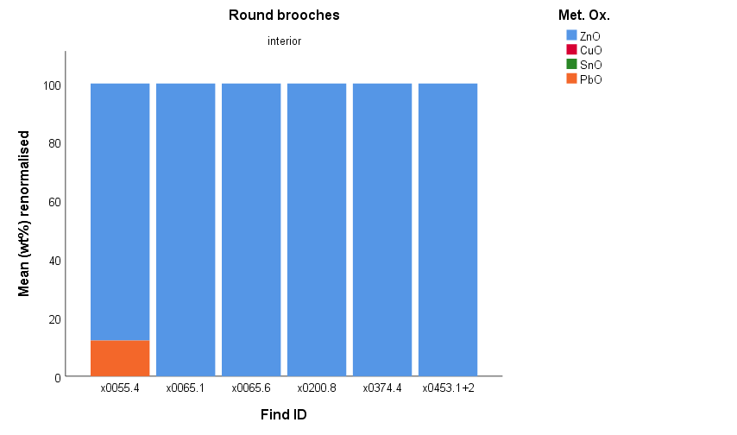 8. Metal oxides detected in moulds with round brooch impressions during hhXRF analysis
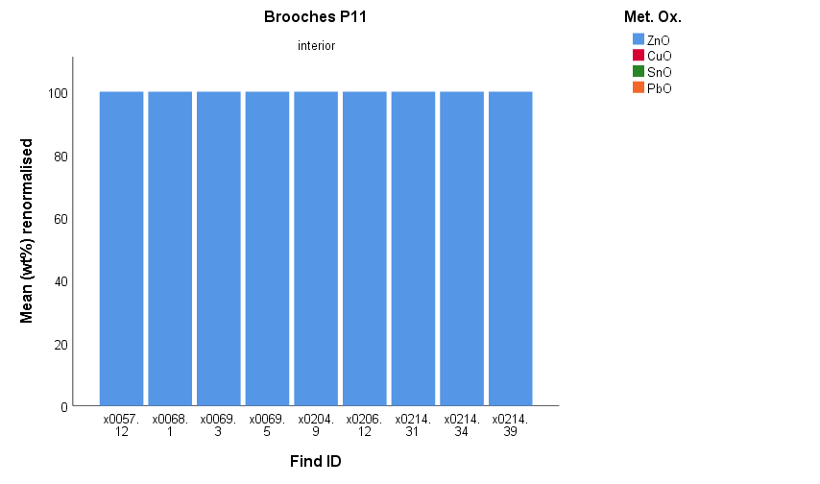 9. Metal oxides detected in moulds with brooch type P11 impressions during hhXRF analysis
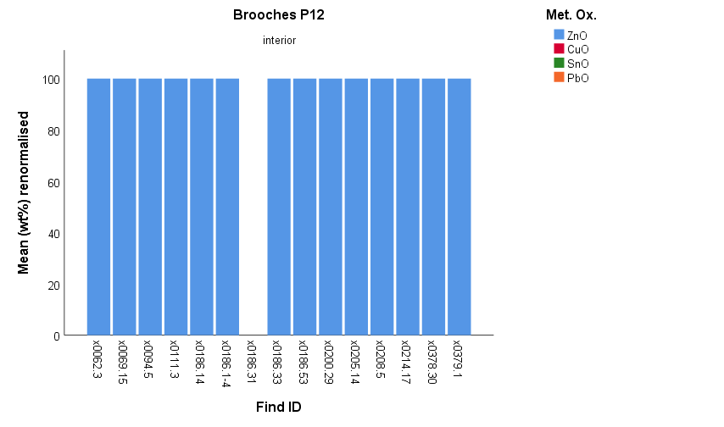 10. Metal oxides detected in moulds with brooch type P12 impressions during hhXRF analysis
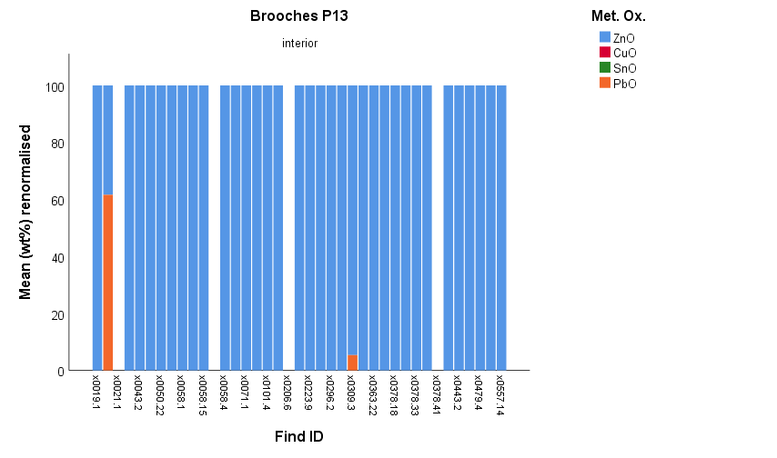 11. Metal oxides detected in moulds with brooch type P13 impressions during hhXRF analysis
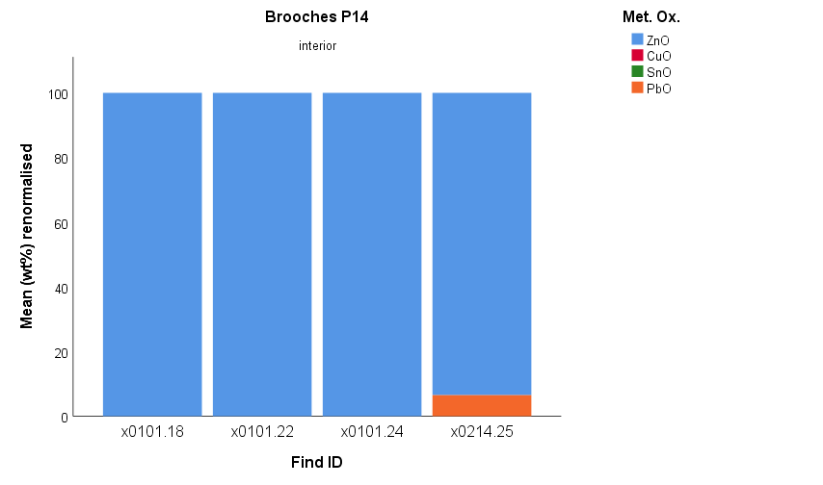 12. Metal oxides detected in moulds with brooch type P14 impressions during hhXRF analysis
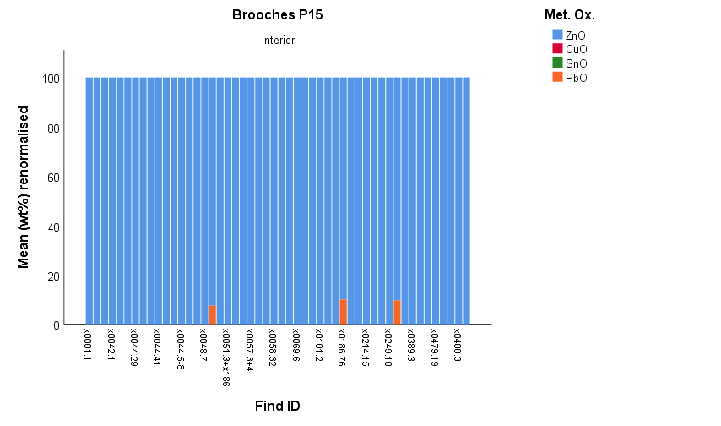 13. Metal oxides detected in moulds with brooch type P15 impressions during hhXRF analysis
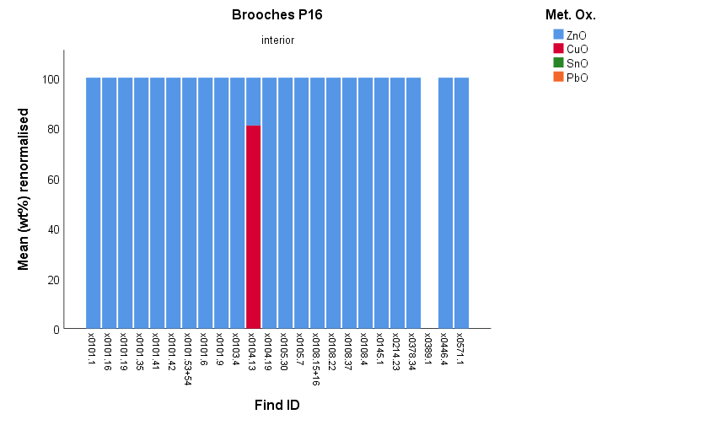 14. Metal oxides detected in moulds with brooch type P16 impressions during hhXRF analysis
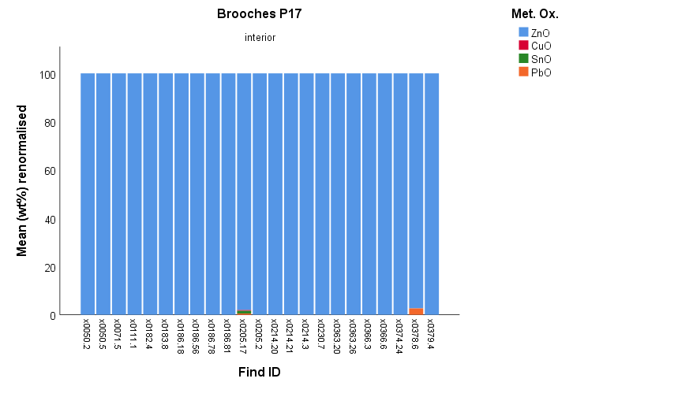 15. Metal oxides detected in moulds with brooch type P17 impressions during hhXRF analysis
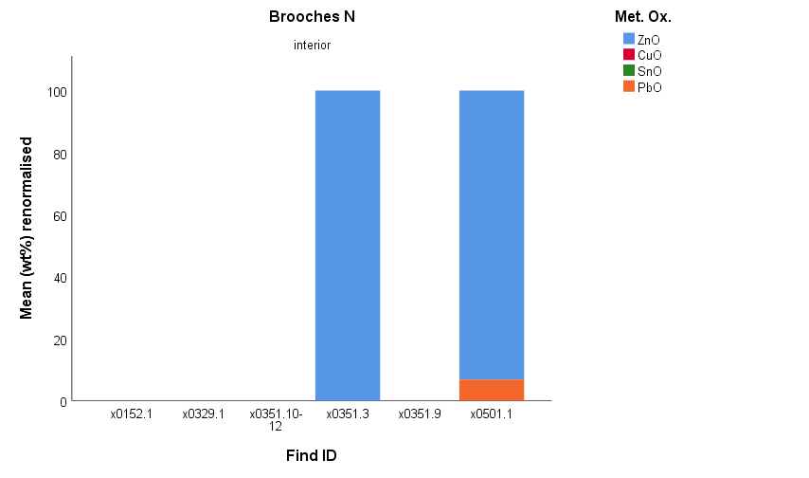 16. Metal oxides detected in moulds with brooch type N impressions during hhXRF analysis
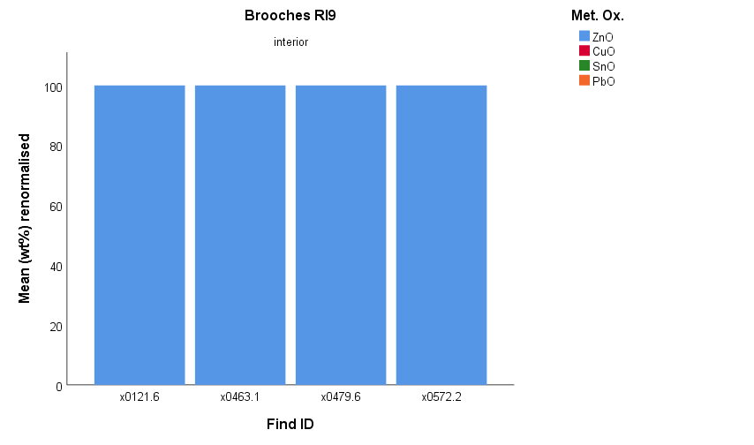 17. Metal oxides detected in moulds with brooch type RI9 impressions during hhXRF analysis

S11 Moulds x-sections
S11. Mosaic images of moulds' cross-sections generated in the micro XRF chamber (x10) and fragments' photographs before sampling.
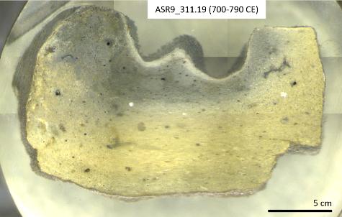 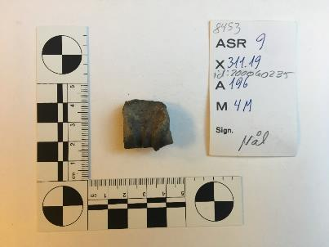 1. Mould fragment ASR9 x311.19 (700-790 CE). Left: mosaic image of mounted cross section with 3 clay layers visible. Right: photograph of the fragment before sampling
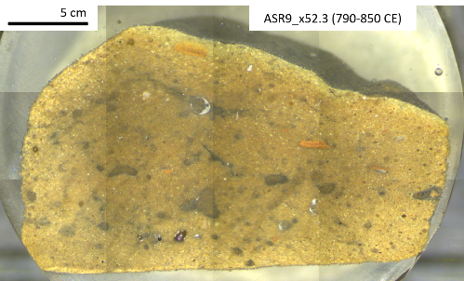 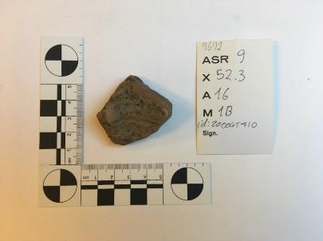 2. Mould fragment ASR9 x52.3 (790-850 CE). Left: mosaic image of mounted cross section with 1 clay layer visible. Right: photograph of the fragment before sampling
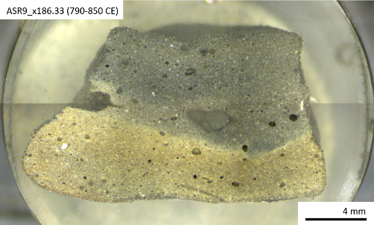 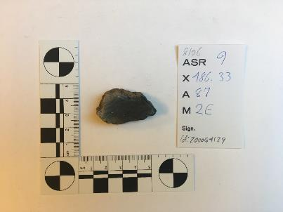 3. Mould fragment ASR9 x186.33 (790-850 CE). Left: mosaic image of mounted cross section with 3 clay layers visible. Right: photograph of the fragment before sampling
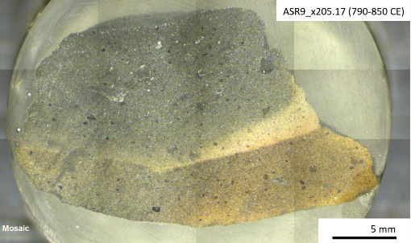 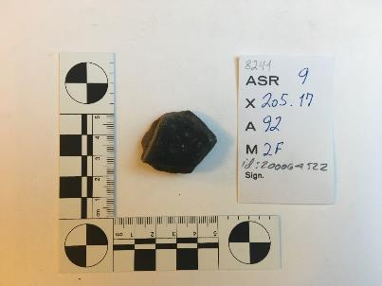 4. Mould fragment ASR9 x205.17 (790-850 CE). Left: mosaic image of mounted cross section with 3 clay layers visible. Right: photograph of the fragment before sampling
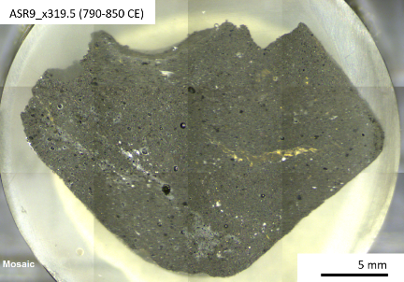 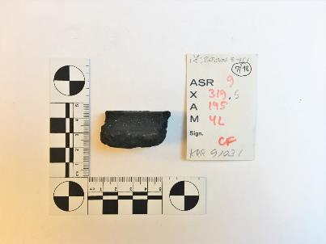 5. Mould fragment ASR9 x319.5 (790-850 CE). Left: mosaic image of mounted cross section with 1 or possibly 2 clay layers visible. Right: photograph of the fragment before sampling
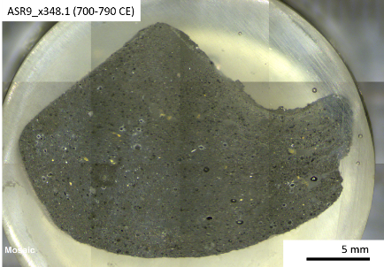 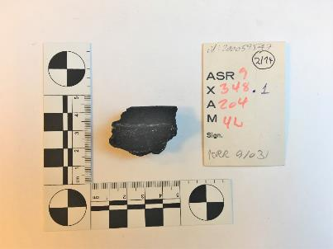 6. Mould fragment ASR9 x348.1 (700-790 CE). Left: mosaic image of mounted cross section with 1 or possibly 2 clay layers visible. Right: photograph of the fragment before sampling
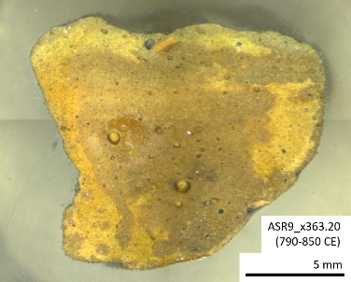 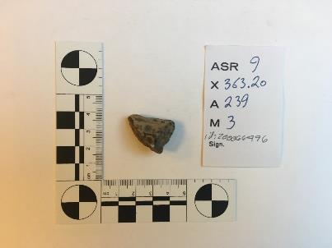 7. Mould fragment ASR9 x363.20 (790-850 CE). Left: mosaic image of mounted cross section with 1 or possibly 2 clay layers visible. Right: photograph of the fragment before sampling
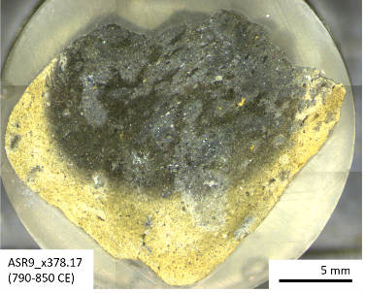 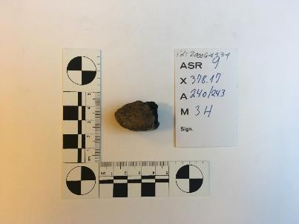 8. Mould fragment ASR9 x378.17 (790-850 CE). Left: mosaic image of mounted cross section with 2 clay layers visible. Right: photograph of the fragment before sampling
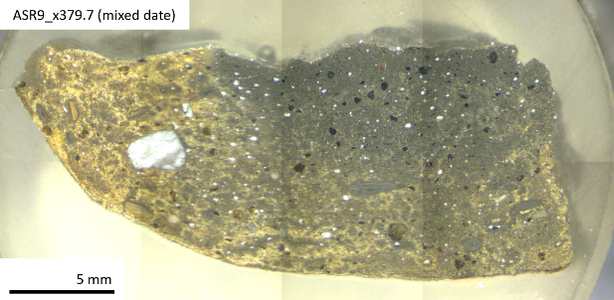 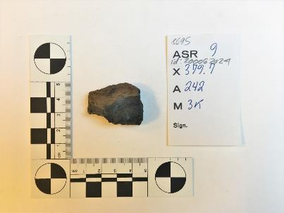 9. Mould fragment ASR9 x379.7 (mixed date). Left: mosaic image of mounted cross section with 2 clay layers visible. Right: photograph of the fragment before sampling
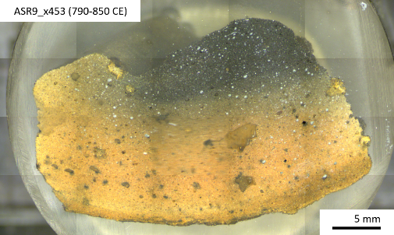 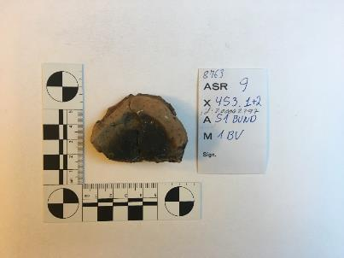 10. Mould fragment ASR9 x453_1+2 (790-850 CE). Left: mosaic image of mounted cross section with 3 clay layers visible. Right: photograph of the fragment before sampling
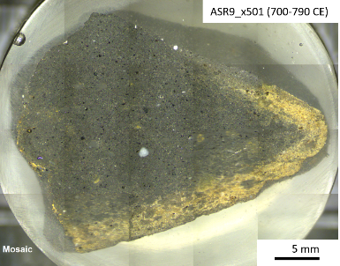 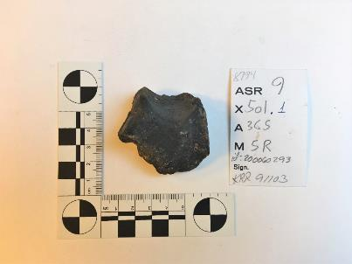 11. Mould fragment ASR9 x501 (700-790 CE). Left: mosaic image of mounted cross section with 2 clay layers visible. Right: photograph of the fragment before sampling
  12. Mould fragment ASR7 x2387 (mixed date). Left: mosaic image of mounted cross section with 2 clay layers visible. Right: photograph of the fragment before sampling

