Sheet1
Table S2. Top 20 candidates from FDA-approved drug library screening.
Compound name | Chemical formula
Cabozantinib | 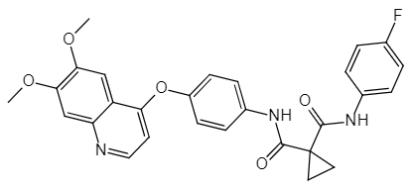
Bicalutamide | 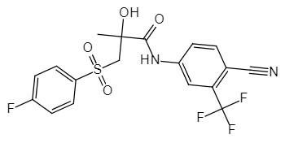
Plerixafor | 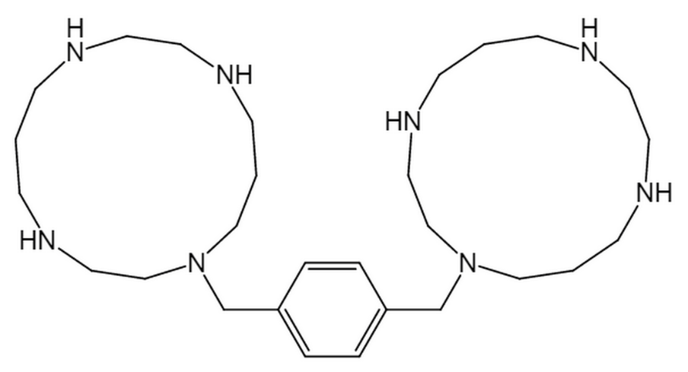
Azilsartan Medoxomil | 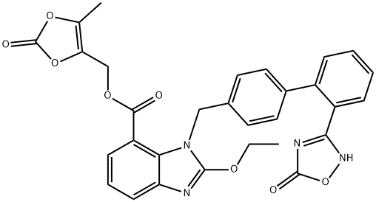
Icotinib | 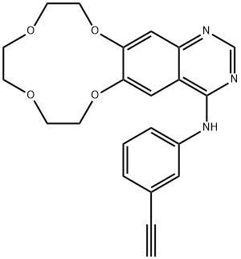
Cladribine | 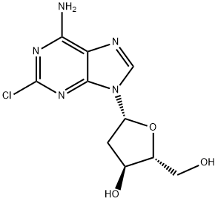
Baricitinib | 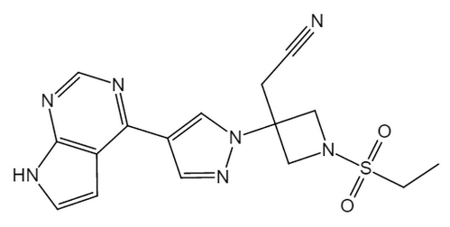
Alosetron Hydrochloride | 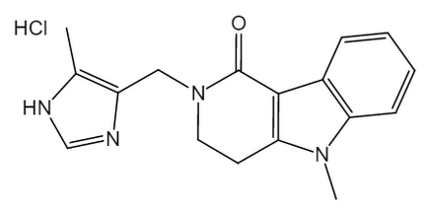
Minocycline HCl | 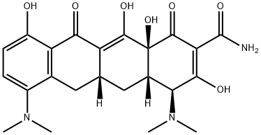
Alverine Citrate | 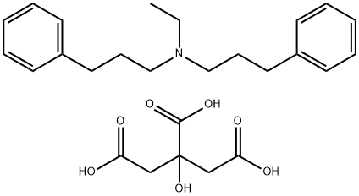
Gallic acid | 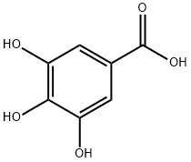
Rofecoxib | 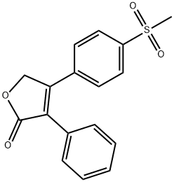
Fenoprofen calcium hydrate | 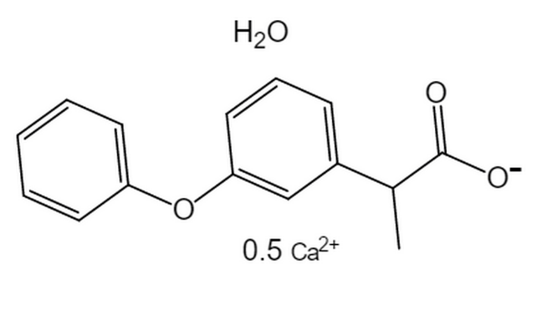
Amiodarone HCl | 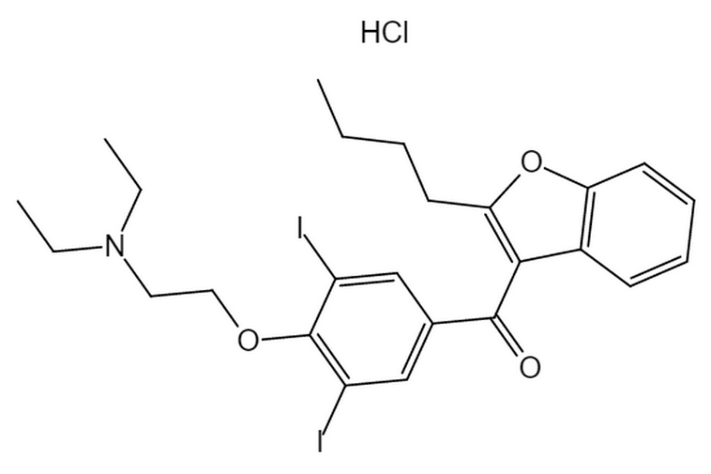
Doxepin HCl | 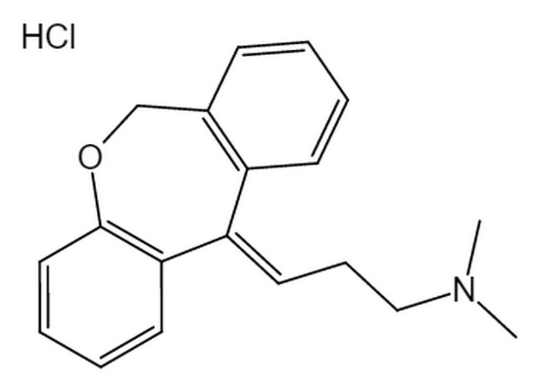
Indacaterol Maleate | 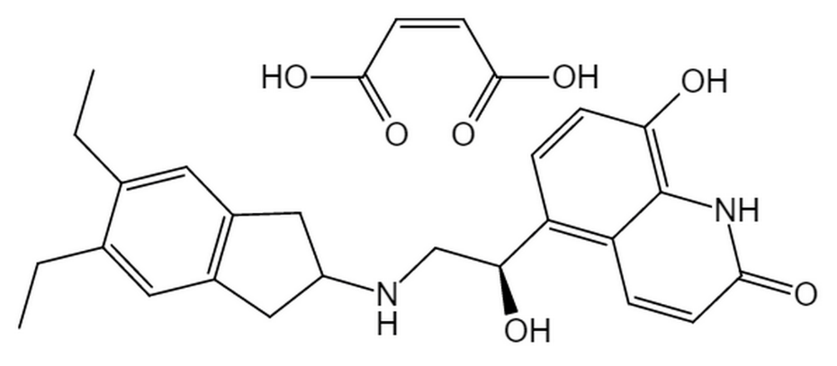
Aztreonam | 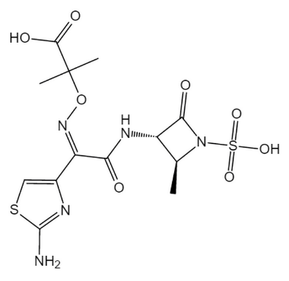
Lomitapide | 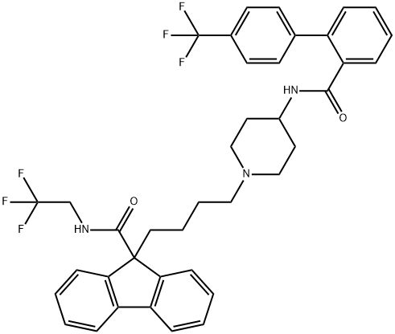
Deflazacort | 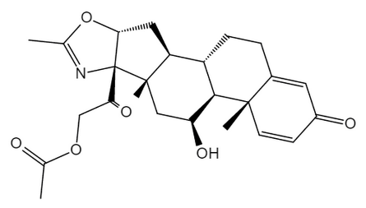
Alfacalcidol | 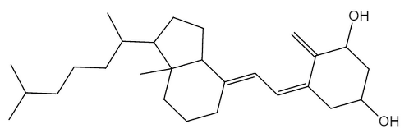
 | Note: The Chemical formulas of top 20 candidates are drawed by InDraw (version 5.2.2)

