Figure S3
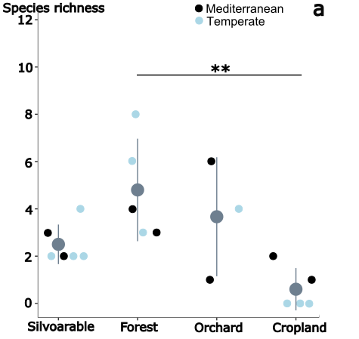
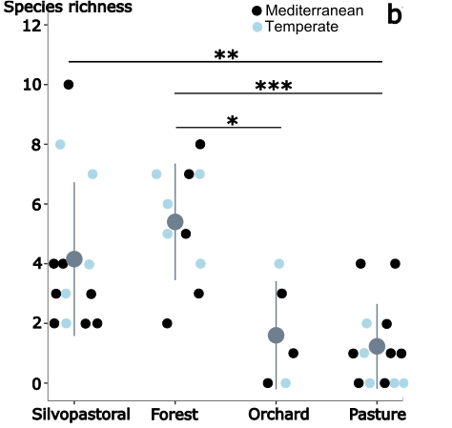

Figure S3 Bird species richness in silvoarable and silvopastoral plots and their respective control fields
a) silvoarable (n=6), forest (n=5), orchard (n=3) and open agriculture (cropland) (n=5))
b) silvopastoral (n=13), forest (n=10), orchard (n=5) and open agriculture (pasture) (n=13))
Significance levels: *P < 0.05, **P < 0.01, ***P < 0.001.

