suppl. Fig 1
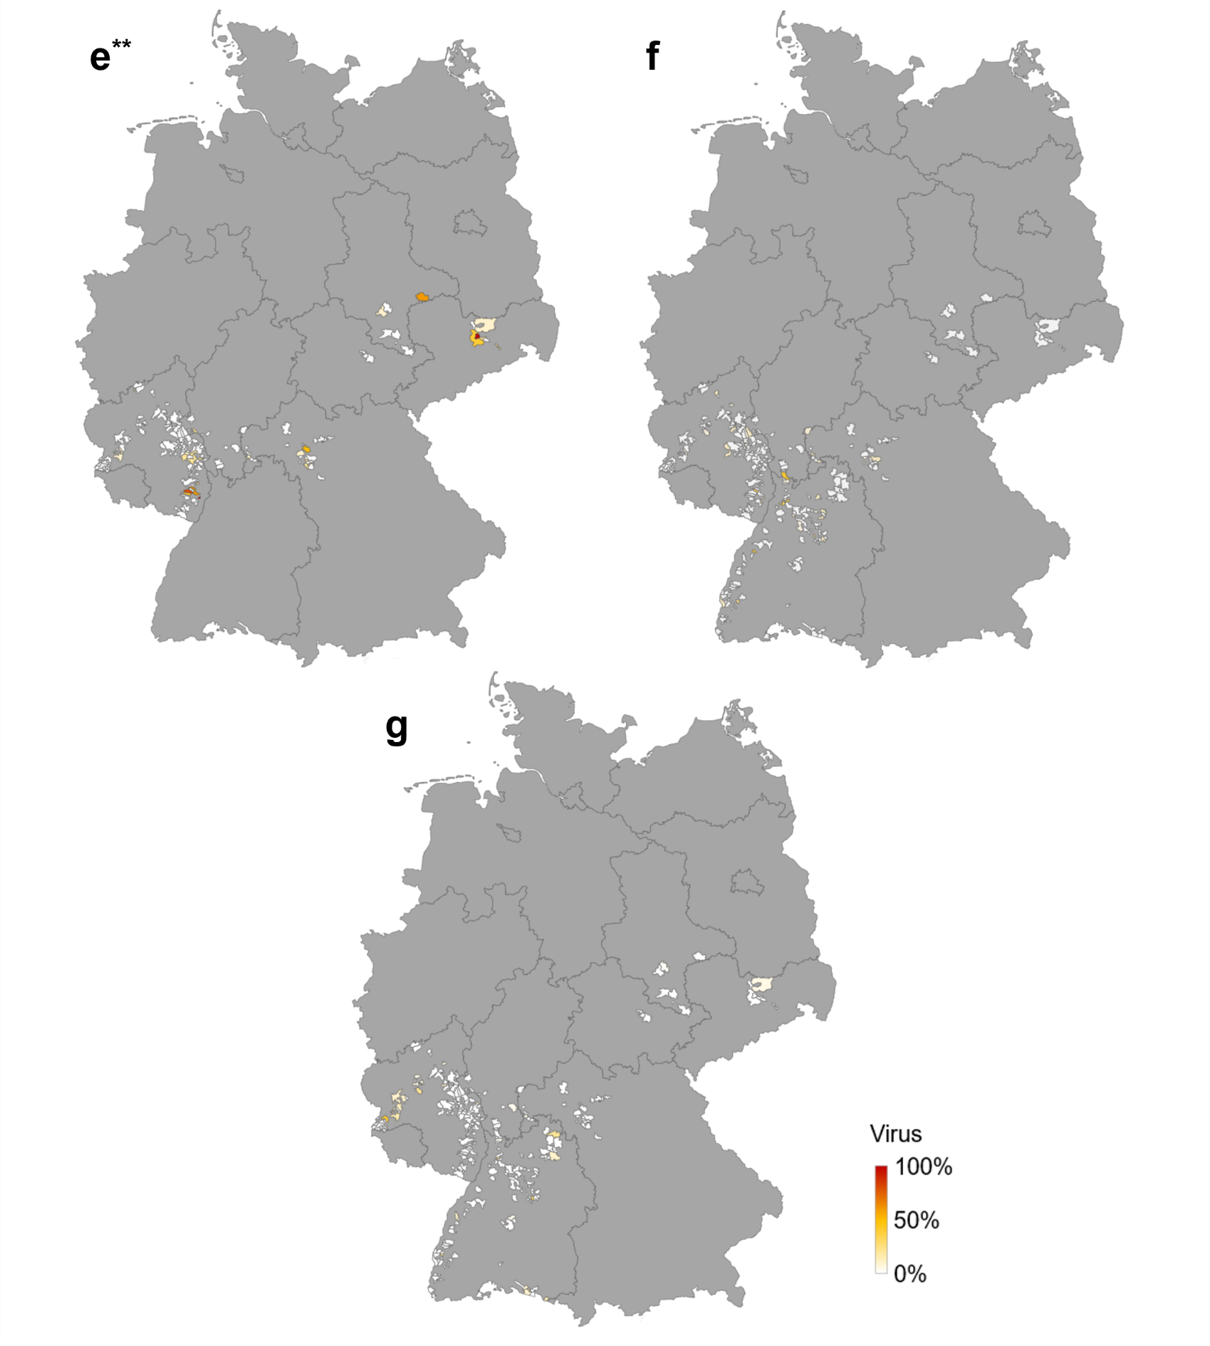

suppl. Figure 1. Spatial distribution of the four most frequently detected viruses in the Germany-wide survey
The maps show the percentage of occurrence in the sampling districts for the viruses Raspberry ringspot virus (RpRSV, e, top left), Arabis mosaic virus (ArMV, f, top right) and Grapevine leafroll-associated virus 3 (GLRaV-3, g, bottom). The areas are color coded from red (100 % virus occurrence) to yellow (50 % virus occurrence) to white (0 % virus occurrence).
** Refers to a survey population excluding the regions Baden and Württemberg.

Occurrence and distribution of Grapevine Pinot Gris Virus and other Grapevine Viruses in German Viticultural Regions
Journal of Plant Diseases and Protection
Noemi Messmer, Patricia Bohnert, Lars Askani, Stefan Schumacher, Ralf T. Voegele, René Fuchs
René Fuchs, State Institute of of Viticulture and Enology (WBI), rene.fuchs@wbi.bwl.de

