suppl. Fig 2
a | alternative host plants Det primer |  |  |  |  |  |  |  | 1 kb ladder | controls |  |  | b | alternative host plants nad5 primer |  |  |  |  |  |  |  | 1 kb ladder | controls
 | MUK- |  |  |  |  |  |  |  |  | MOC | grapevine |  |  | MUK- |  |  |  |  |  |  |  |  | MOC | grapevine
 | 50 | 51 | 52 | 53 | 54 | 55 | 56 | 57 |  | neg | neg. | pos. |  | 50 | 51 | 52 | 53 | 54 | 55 | 56 | 57 |  | neg | neg. | pos.
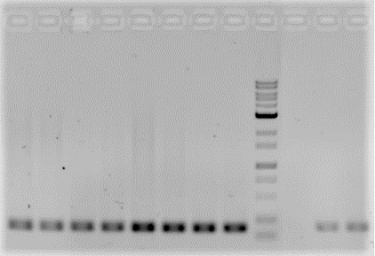

GPGV Det
588 bp →

 |  |  |  |  |  |  |  |  |  |  |  |  | nad5
 |  |  |  |  |  |  |  |  |  |  |  |  | 181 bp →

suppl. Figure 2 RT-PCR detected no GPGV infection in alternative host candidates
Herbaceous plants, fruit trees and shrubs were tested on GPGV infections. RT-PCR was conducted with the GPGV specific Det primer (a) and the universal plant primer nad5 (b) as control. GPGV infection was not detected in any of the samples.

Occurrence and distribution of Grapevine Pinot Gris Virus and other Grapevine Viruses in German Viticultural Regions
Journal of Plant Diseases and Protection
Noemi Messmer, Patricia Bohnert, Lars Askani, Stefan Schumacher, Ralf T. Voegele, René Fuchs
René Fuchs, State Institute of of Viticulture and Enology (WBI), rene.fuchs@wbi.bwl.de

