Some clarifications
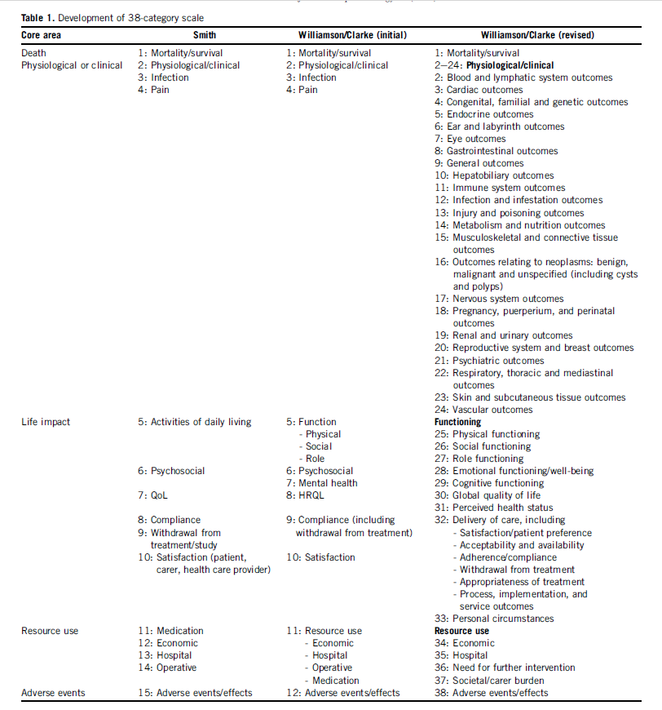
Some clarifications for the data extraction

Order of the articles included: Locate your articles in chronological order (newest first)

First author, year of publication, journal: add the name of the journal as it appears in the reduced version in PubMed (e.g., Clin Nutr).
Population: add here the population description (e.g., community-dwelling older people).
Screening. Options: yes and if yes, record the tool used (e.g., SARC-F)/no/not applicable (NA).
Sarcopenia definition: Include the sarcopenia definition used in the RCT (e.g., EWGSOP2).
Strength assessment: type of assessment, device, protocol (e.g., handgrip strength, handgrip dynamometer JAMAR, Southampton protocol, etc).
Muscle mass assessment: device, parameter, model? (e.g., BIA, SMI, BWA2.0)
Primary outcome: e.g., outcome assessed as primary outcome (e.g., handgrip strength, quality of life, etc). If it is NOT specifically mentioned any primary outcome, we can take as primary outcome the outcome used to calculate the sample size. Outcomes (primary or secondary) can be related to sarcopenia components (e.g., muscle strenght as outcome) and unrelated to sarcopenia components (QoL): record all outcomes.
Tool used to assess the primary outcome: e.g., device, test, protocol (e.g., handgrip dynamometer JAMAR, Southampton protocol; SarQoL, etc).
Clinically meaningful change and/or substantial change used for each of the outcomes in the study. Options: yes, and describe it/not described but the cite in reference is … x (add "cited xxx et al., 2020 as ref. for substantial change and xxx et al., 2017 for clinically meaningful change")/ not mentioned the clinically meaningful or substantial change or any cite about this matter/not applicable (NA). Check for this item also in sample size calculation.
Secondary outcome: e.g., outcome assessed (e.g., handgrip strength, quality of life, etc). All the outcomes that are reported and are not the primary outcome (the number of secondary outcomes may range from 1 to 100, collect them all, please). Outcomes (primary or secondary) can be related to sarcopenia components (e.g., muscle strenght as outcome) and unrelated to sarcopenia components (QoL): record all outcomes.
Tool used to assess the secondary outcome: e.g., device, test, protocol (e.g., handgrip dynamometer JAMAR, Southampton protocol; SarQoL, etc).

https://doi.org/10.1016/j.jclinepi.2017.12.020 | Dodd et al., 2018 (see Table 1 with the 38-outcome categories by the COMET initiative).

