Source
Supplementary Material
Assessing the potential, effectiveness and implementation challenges of beach and tourism ecolabels for beach macrolitter reduction
Gabriela Escobar-Sánchez ^{1,2} *, Juliet Weischedel ³, Esther Robbe ^{1,2}, Mirco Haseler ¹, Loubna El Fels ⁴, Lilia Ben Abdallah ⁵, Gasser Hassan ^{6,7}, Fadhel M´hiri ⁵, Peter Hense ³, Gerald Schernewski ^{1,2}
¹ Coastal Sea Geography Group, Leibniz Institute for Baltic Sea Research, Warnemünde, Seestraße 15, D-18119 Rostock, Germany
² Marine Research Institute of Klaipeda University, Universiteto ave. 17, LT-92294 Klaipeda, Lithuania
³ Department of Civil and Environmental Engineering, Bochum University of Applied Sciences, Am Hochschulcampus 1, D-44801 Bochum, Germany
⁴ Cadi Ayyad University (UCA), Faculty of Sciences-Semlalia, Laboratory of Water Sciences, Microbial Biotechnologies, and Natural Resources Sustainability (AQUABIOTECH), Unit of Microbial Biotechnologies, Agrosciences, and Environment (BIOMAGE)-CNRST Labeled Research Unit N°4, P.O. Box 2390, Marrakesh, Morocco
⁵ Tunis International Center for Environmental Technologies (CITET), Tunis, Tunisia
⁶ Computer Based Engineering Applications Department, Informatics Research Institute (IRI), City of Scientific Research and Technological Applications (SRTA-City), New Borg El Arab City, Alexandria 21934, Egypt
⁷ Faculty of Engineering, Arab Academy for Science and Technology and Maritime Transport (AASTMT), Smart P.O. Box 1029, Alexandria 21611, Egypt
*Corresponding author:
Gabriela Escobar-Sánchez
gabriela.escobar@io-warnemuende.de
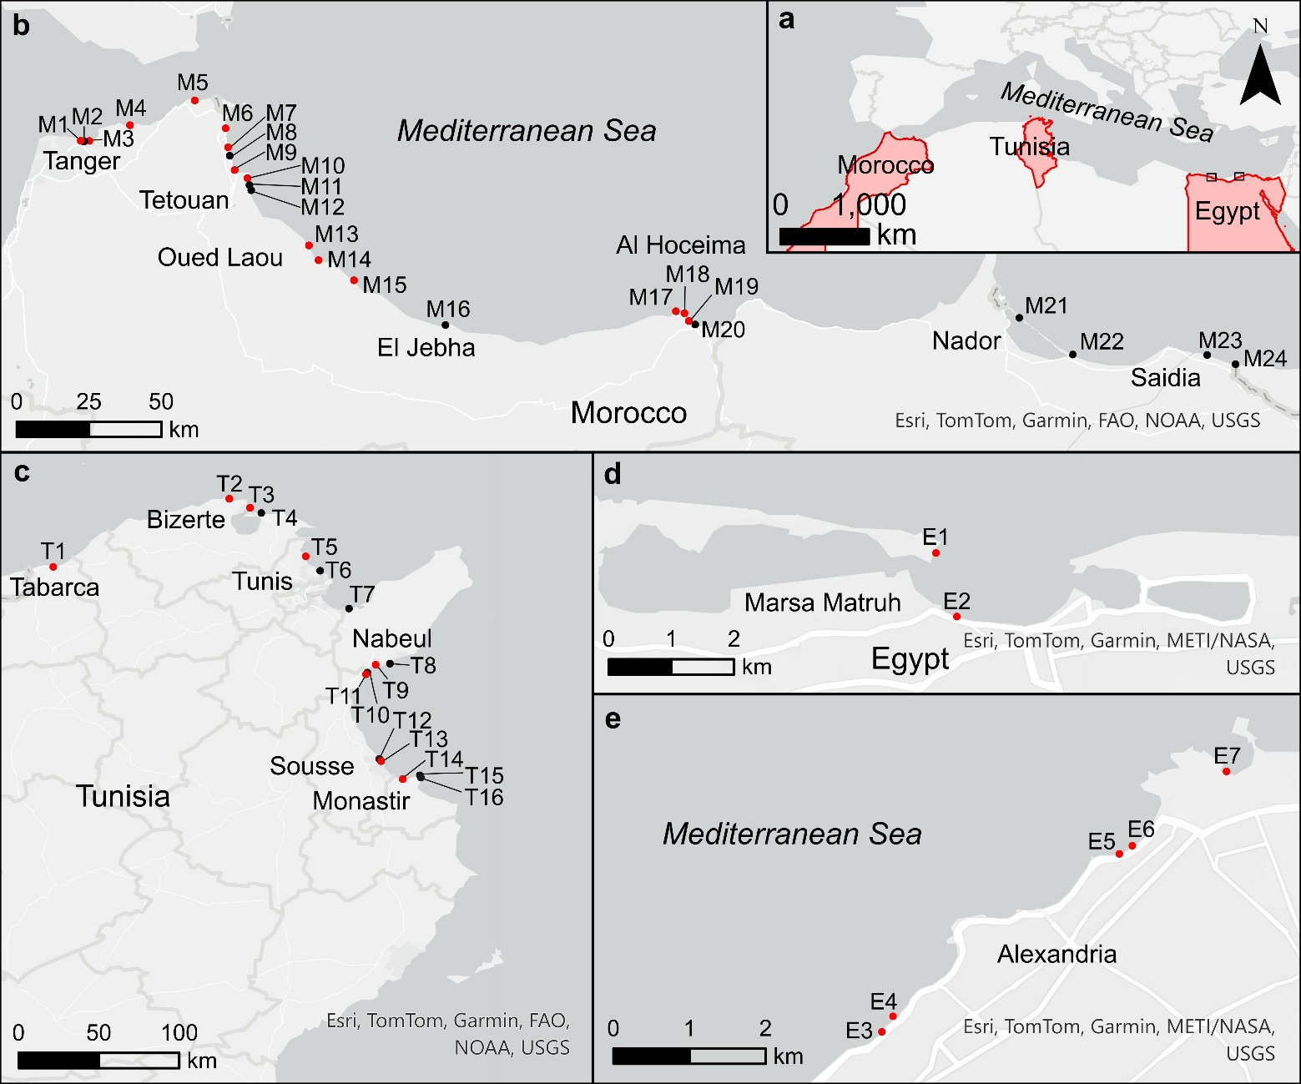

Supplementary data S7. Macrolitter monitoring data complemented with literature data available for the study area. Between 2021 and 2023, beach macrolitter monitoring was conducted along the Mediterranean coasts of Morocco, Tunisia and Egypt using a modified 100 m method to assess the abundance of macrolitter (>25 mm) (Haseler et al., 2025). General results were published in Haseler et al. 2025. Here we present litter abundances individually per beach. As this was the first monitoring effort in Tunisia and Egypt, and it focused on low season to avoid interference from tourists, a literature review was undertaken to supplement data on macrolitter abundances (items m⁻²) for other seasons. The macrolitter abundance in items m⁻² per beach were extracted from the literature as given. The Clean Coast Index was then calculated per beach from the median litter abundances per high (spring and summer) and low (autumn and winter) seasons. Beaches were classified into touristic, urban, semi-urban, semi-rural and remote, based on the description given by the authors or following the classification from (Haseler et al., 2025; Semeoshenkova et al., 2017; Williams, 2011).
References used:
Morocco
Nachite, D., Maziane, F., Anfuso, G., Williams, A.T., 2019. Spatial and temporal variations of litter at the Mediterranean beaches of Morocco mainly due to beach users. Ocean Coast. Manag. 179, 104846. https://doi.org/10.1016/j.ocecoaman.2019.104846
Mghili, B., Lamine, I., Bouzekry, A., Gunasekaran, K., Aksissou, M. 2023. Cigarette butt pollution in popular beaches of Morocco: Abundance, distribution, and mitigation measures. Marine Pollution Bulletin. 195, 115530, https://doi.org/10.1016/j.marpolbul.2023.115530.
Haseler, M., Ben Abdallah, L., El Fels, L., El Hayany, B., Hassan, G., Escobar-Sánchez, G., Robbe, E., von Thenen, M., Loukili, A., Abd El-Raouf, M., Mhiri, F., El-Bary, A.A., Schernewski, G., Nassour, A., 2025. Assessment of beach litter pollution in Egypt, Tunisia, and Morocco: a study of macro and meso-litter on Mediterranean beaches. Environ. Monit. Assess. 197. https://doi.org/10.1007/s10661-024-13517-x
Tunisia
Abdelkader, N., Ben Ismail, S., Zakhama-Sraieb, R., 2023. Macro-, meso- and microplastic debris in three sandy beaches of north-eastern Tunisian coasts. Reg. Stud. Mar. Sci. 67, 103229. https://doi.org/10.1016/j.rsma.2023.103229
Ben Slimane, E., Haseler, M., Ben Abdallah, L., Mhiri, F., Nassour, A., Schernewski, G., 2025. Efficient Beach Litter Monitoring: Accelerated Surveys of Pollution Hotspots—A North African Case Study. J. Mar. Sci. Eng. 13, 1–26. https://doi.org/10.3390/jmse13010071
Dhiab Rym, B., Challouf, R., Derouiche, E., Ben Boubaker, H., Koched, W., Attouchi, M., Jaziri, H., Ben Ismail, S., 2021. Beach macro-litter monitoring on Monastir coastal sea (Tunisia): first findings 25–51. https://doi.org/10.36253/fup
Egypt
Haseler, M., Ben Abdallah, L., El Fels, L., El Hayany, B., Hassan, G., Escobar-Sánchez, G., Robbe, E., von Thenen, M., Loukili, A., Abd El-Raouf, M., Mhiri, F., El-Bary, A.A., Schernewski, G., Nassour, A., 2025. Assessment of beach litter pollution in Egypt, Tunisia, and Morocco: a study of macro and meso-litter on Mediterranean beaches. Environ. Monit. Assess. 197. https://doi.org/10.1007/s10661-024-13517-x

