Sheet1
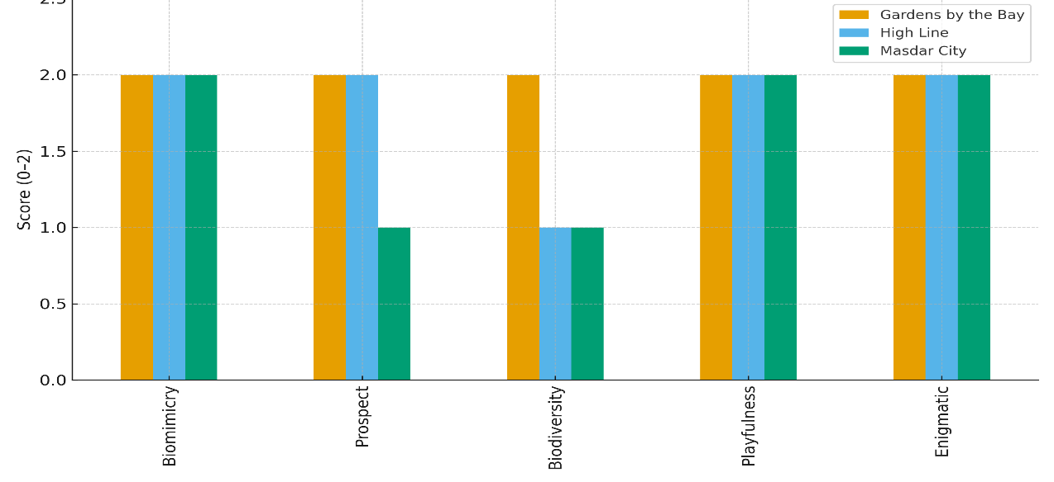
Domain | Gardens by the Bay | High Line | Masdar City
Biomimicry | 2 | 2 | 2
Prospect | 2 | 2 | 1
Biodiversity | 2 | 1 | 1
Playfulness | 2 | 2 | 2
Enigmatic | 2 | 2 | 2

Sheet2
Domain | Gardens by the Bay | High Line | Masdar City
Biomimicry | 2 | 2 | 2
Prospect | 2 | 2 | 1
Biodiversity | 2 | 1 | 1
Playfulness | 2 | 2 | 2
Enigmatic | 2 | 2 | 2

