Poland (Spychalska 2024)
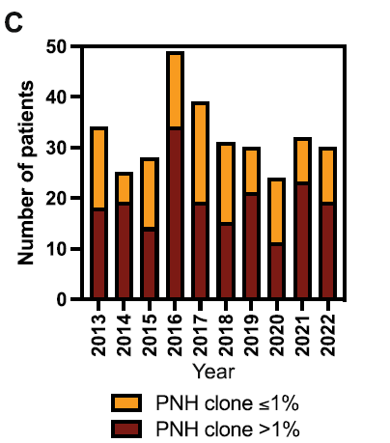
Country Name | Country Code | Series Name | Series Code | 2010 [YR2010] | 2011 [YR2011] | 2012 [YR2012] | 2013 [YR2013] | 2014 [YR2014] | 2015 [YR2015] | 2016 [YR2016] | 2017 [YR2017] | 2018 [YR2018] | 2019 [YR2019] | 2020 [YR2020] | 2021 [YR2021] | 2022 [YR2022] | 2023 [YR2023] | 2024 [YR2024]
Poland | POL | Population, total | SP.POP.TOTL | 38042794 | 38063255 | 38063164 | 38040196 | 38011735 | 37986412 | 37970087 | 37974826 | 37974750 | 37965475 | 37899070 | 37747124 | 36821749 | 36685849 | 35992900

 |  |  |  | Based on year 2022 | Based on average years 2013-2022
Data from database: Population estimates and projections |  | N |  | per 100,000 | per 100,000
Last Updated: 07/01/2024 | All cases | 322 |  | 0.846 | 0.8510
 | Median incidence / year | 31 |  | 0.081 | 0.0819

 | Yearly incident numbers |  |  |  |  |  | 33 | 26 | 28 | 49 | 38 | 31 | 30 | 24 | 32 | 30 |  | 30.5
 | Annual incidence, per 100,000 |  |  |  |  |  | 0.087 | 0.068 | 0.074 | 0.129 | 0.100 | 0.082 | 0.079 | 0.063 | 0.085 | 0.081
 | Average annual incidence, per 100,000 |  |  |  | 0.0848

 | Yearly incident numbers: extracted from Figure 2C, cross-checked via anchors provided in text (median number 31/y, 24 incident cases in year 2020)

