Pareto_Chart_example
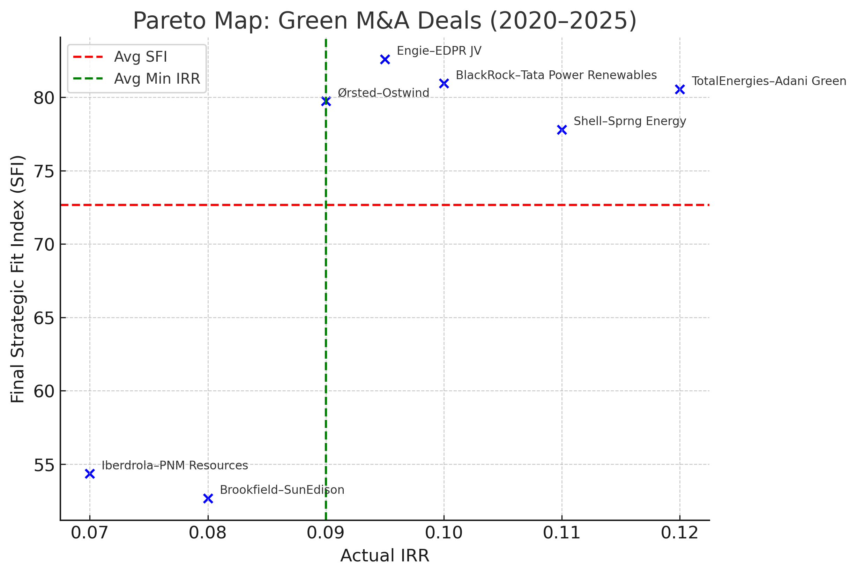
Pareto Map: IRR vs Final SFI (Green M&A 2020–2025)

Note: Vertical line (green) = average Min IRR; Horizontal line (red) = average Final SFI.

Example Figure
