Organic manure,soil data
Treatments | pH | OM (%) | Total N (%) | P (ppm) | K (meq/100g soil) | S (ppm)

BRRI dose | 7 | 1.33 | 0.17 | 10.1 | 0.19 | 22
Kitchen waste (6 t ha-1) | 7.2 | 1.41 | 0.18 | 10.9 | 0.21 | 22
Bio-slurry (cow-dung) (6 t ha-1) | 7.3 | 1.41 | 0.18 | 10.7 | 0.22 | 23
Poultry manure (6 t ha-1) | 7.2 | 1.43 | 0.19 | 11.1 | 0.22 | 23
Control | 6.9 | 1.3 | 0.16 | 9.5 | 0.18 | 21
Initial Soil | 7.1 | 1.4 | 0.2 | 9.8 | 0.23 | 21

Nutrient status of different organic fertilizer in T. Aman |  |  |  |  |  |  |  | Nitrogen (N) | Phosphorous (P) | Potassium (K)
Organic Fertilizer | Nutrient content status (%) |  |  |  |  |  | Kitchen waste | 0.72 | 0.62 | 0.74
 | N |  | P |  | K |  | Kitchen waste | 0.68 | 0.61 | 0.68
 | 2017 | 2018 | 2017 | 2018 | 2017 | 2018 | Kitchen waste | 0.75 | 0.68 | 0.71
Kitchen waste | 0.72 | 0.68 | 0.62 | 0.61 | 0.74 | 0.68 | Kitchen waste | 0.71 | 0.64 | 0.7
Cow dung bio-slurry | 0.7 | 0.74 | 0.6 | 0.65 | 0.6 | 0.58 | Bio-slurry | 0.7 | 0.6 | 0.6
Poultry litter | 1.4 | 1.48 | 1.02 | 0.96 | 0.93 | 0.95 | Bio-slurry | 0.74 | 0.65 | 0.58
 |  |  |  |  |  |  | Bio-slurry | 0.73 | 0.7 | 0.65
Nutrient status of different organic fertilizer in Boro |  |  |  |  |  |  | Bio-slurry | 0.75 | 0.68 | 0.63
Organic Fertilizer | Nutrient content status (%) |  |  |  |  |  | Poultry litter | 1.4 | 1.02 | 0.93
 | N |  | P |  | K |  | Poultry litter | 1.48 | 0.96 | 0.95
 | 2017-18 | 2018-19 | 2017-18 | 2018-19 | 2017-18 | 2018-19 | Poultry litter | 1.51 | 0.95 | 0.95
Kitchen waste | 0.75 | 0.71 | 0.68 | 0.64 | 0.71 | 0.7 | Poultry litter | 1.52 | 0.96 | 0.98
Cow dung bio-slurry | 0.73 | 0.75 | 0.7 | 0.68 | 0.65 | 0.63
Poultry litter | 1.51 | 1.52 | 0.95 | 0.96 | 0.95 | 0.98
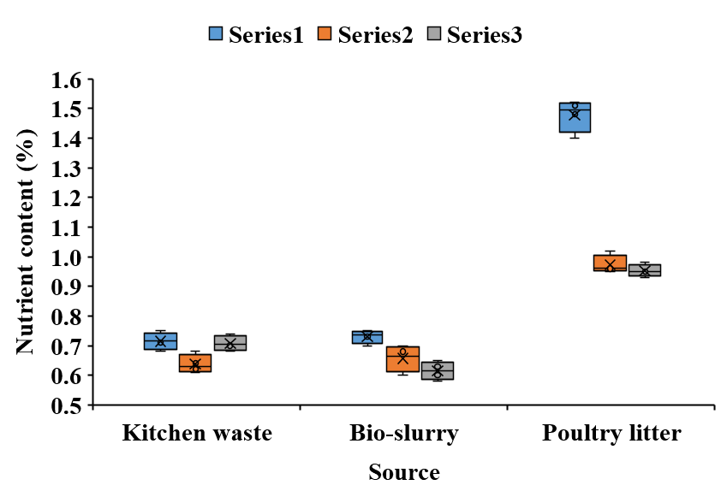
 |  |  |  |  |  |  | 88.2

 | 45 | 450
 |  |  |  | 4300

Nutrient balance data
Treatment | Nutrient added (kg/ha) |  |  | Nutrient uptake (kg/ha) |  |  | Apparent balance (kg/ha)
 | N | P | K | N | P | K | N | P | K |  |  | Control | BRRI dose | Kitchen waste | Bio-slurry | Poultry litter
T.Aman 2017 |  |  |  |  |  |  |  |  |  | Nitrogen (N) | Nutrient Added | 0
Control | 0 | 0 | 0 | 57 | 14 | 31 | -57 | -14 | -31 |  | Nutrient uptake | 57
BRRI dose | 92 | 13 | 41 | 98 | 20 | 60 | -6 | -7 | -19 |  | Apparent balance | -57
Kitchen waste (6 t ha-1) | 43 | 37 | 44 | 70 | 17 | 44 | -27 | 21 | 0 | Phosporous (P) | Nutrient Added
Bio-slurry (cow-dung) (6 t ha-1) | 42 | 36 | 36 | 61 | 15 | 47 | -19 | 21 | -11 |  | Nutrient uptake |  |  |  |  | 0 | 57
Poultry litter (6 t ha-1) | 84 | 61 | 56 | 78 | 23 | 64 | 6 | 38 | -9 |  | Apparent balance |  |  |  |  | 92 | 98
LSD at 5% level | 2 | 6 | 1 | 13 | 5 | 6 | - | - | - | Potassium (N) | Nutrient Added |  |  |  |  | 43 | 70
T.Aman 2018 |  |  |  |  |  |  |  |  |  |  | Nutrient uptake |  |  |  |  | 42 | 61
Control | 0 | 0 | 0 | 51 | 12 | 29 | -51 | -12 | -29 |  | Apparent balance |  |  |  |  | 84 | 78
BRRI dose | 92 | 13 | 41 | 92 | 19 | 55 | 0 | -6 | -14 |  |  |  |  |  |  | 0 | 51
Kitchen waste (6 t ha-1) | 41 | 37 | 41 | 72 | 17 | 44 | -31 | 20 | -3 |  |  |  |  |  |  | 92 | 92
Bio-slurry (cow-dung) (6 t ha-1) | 44 | 39 | 35 | 60 | 15 | 46 | -16 | 24 | -11 |  |  |  |  |  |  | 41 | 72
Poultry litter (6 t ha-1) | 89 | 58 | 57 | 78 | 22 | 58 | 11 | 36 | -1 |  |  |  |  |  |  | 44 | 60
LSD at 5% level | 2 | 6 | 1 | 12 | 5 | 6 | - | - | - | 0 | 57 | -57 |  |  |  | 89 | 78
Boro, 2017-18
Control | 0 | 0 | 0 | 36 | 8 | 21 | -36 | -8 | -21
BRRI dose | 136 | 18 | 62 | 109 | 22 | 66 | 27 | -4 | -4
Kitchen waste (6 t ha-1) | 45 | 41 | 43 | 72 | 17 | 48 | -27 | 24 | -5
Bio-slurry (cow-dung) (6 t ha-1) | 44 | 42 | 39 | 58 | 14 | 47 | -14 | 28 | -8
Poultry litter (6 t ha-1) | 91 | 57 | 57 | 96 | 29 | 62 | -5 | 28 | -5
LSD at 5% level | 5 | 11 | 8 | 4 | 2 | 7 | - | - | -
Boro, 2018-19
Control | 0 | 0 | 0 | 40 | 9 | 23 | -40 | -9 | -23
BRRI dose | 136 | 18 | 62 | 110 | 22 | 66 | 26 | -4 | -4
Kitchen waste (6 t ha-1) | 43 | 38 | 42 | 63 | 15 | 38 | -20 | 23 | 4
Bio-slurry (cow-dung) (6 t ha-1) | 45 | 41 | 38 | 53 | 13 | 41 | -8 | 28 | -3
Poultry litter (6 t ha-1) | 91 | 59 | 57 | 93 | 26 | 67 | -2 | 33 | -10
LSD at 5% level | 6 | 11 | 8 | 4 | 3 | 7 | - | - | -

