2.Age Distribution
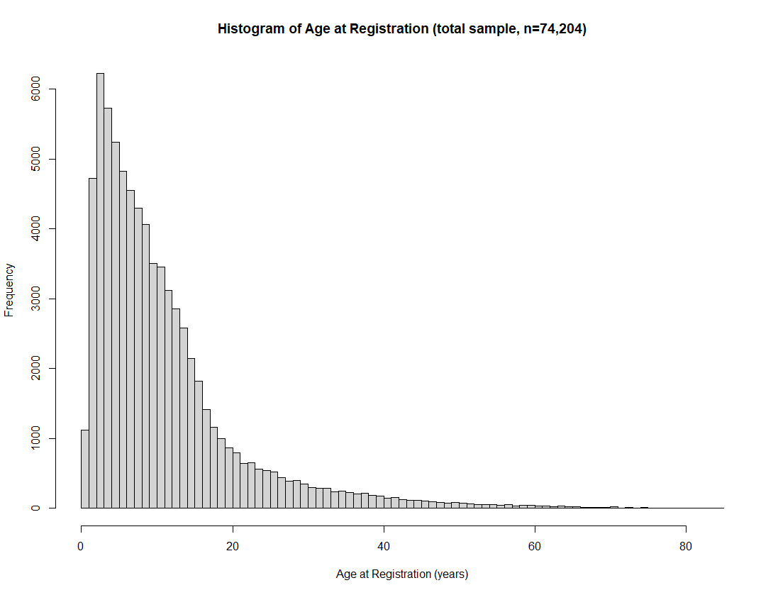
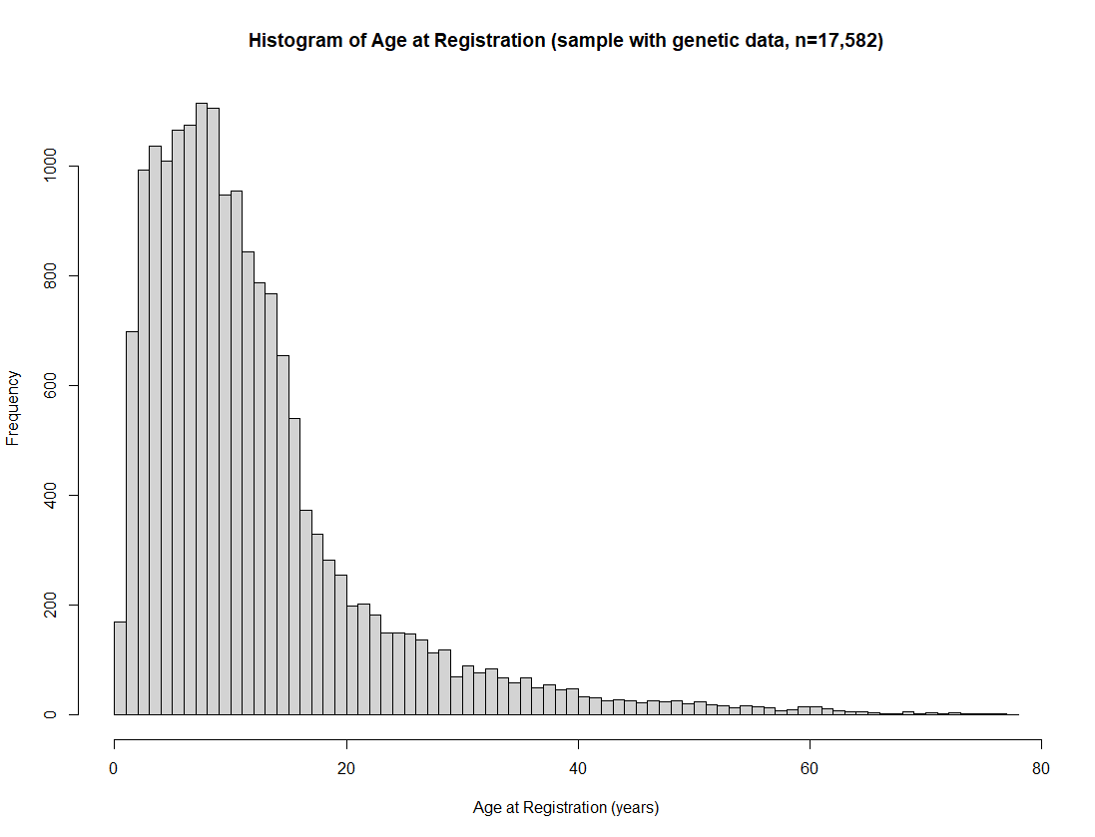
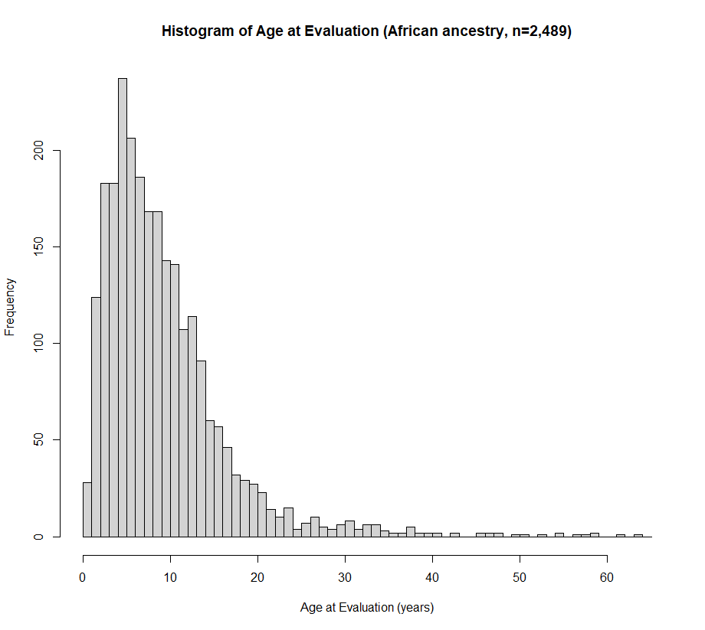
ST2: AGE DISTRIBUTION. This includes total autistic participants (European ancestry), European ancestry participants for whom phenotype and genetic data were available, and the African ancestry sample.

