7. PCA graph of variables
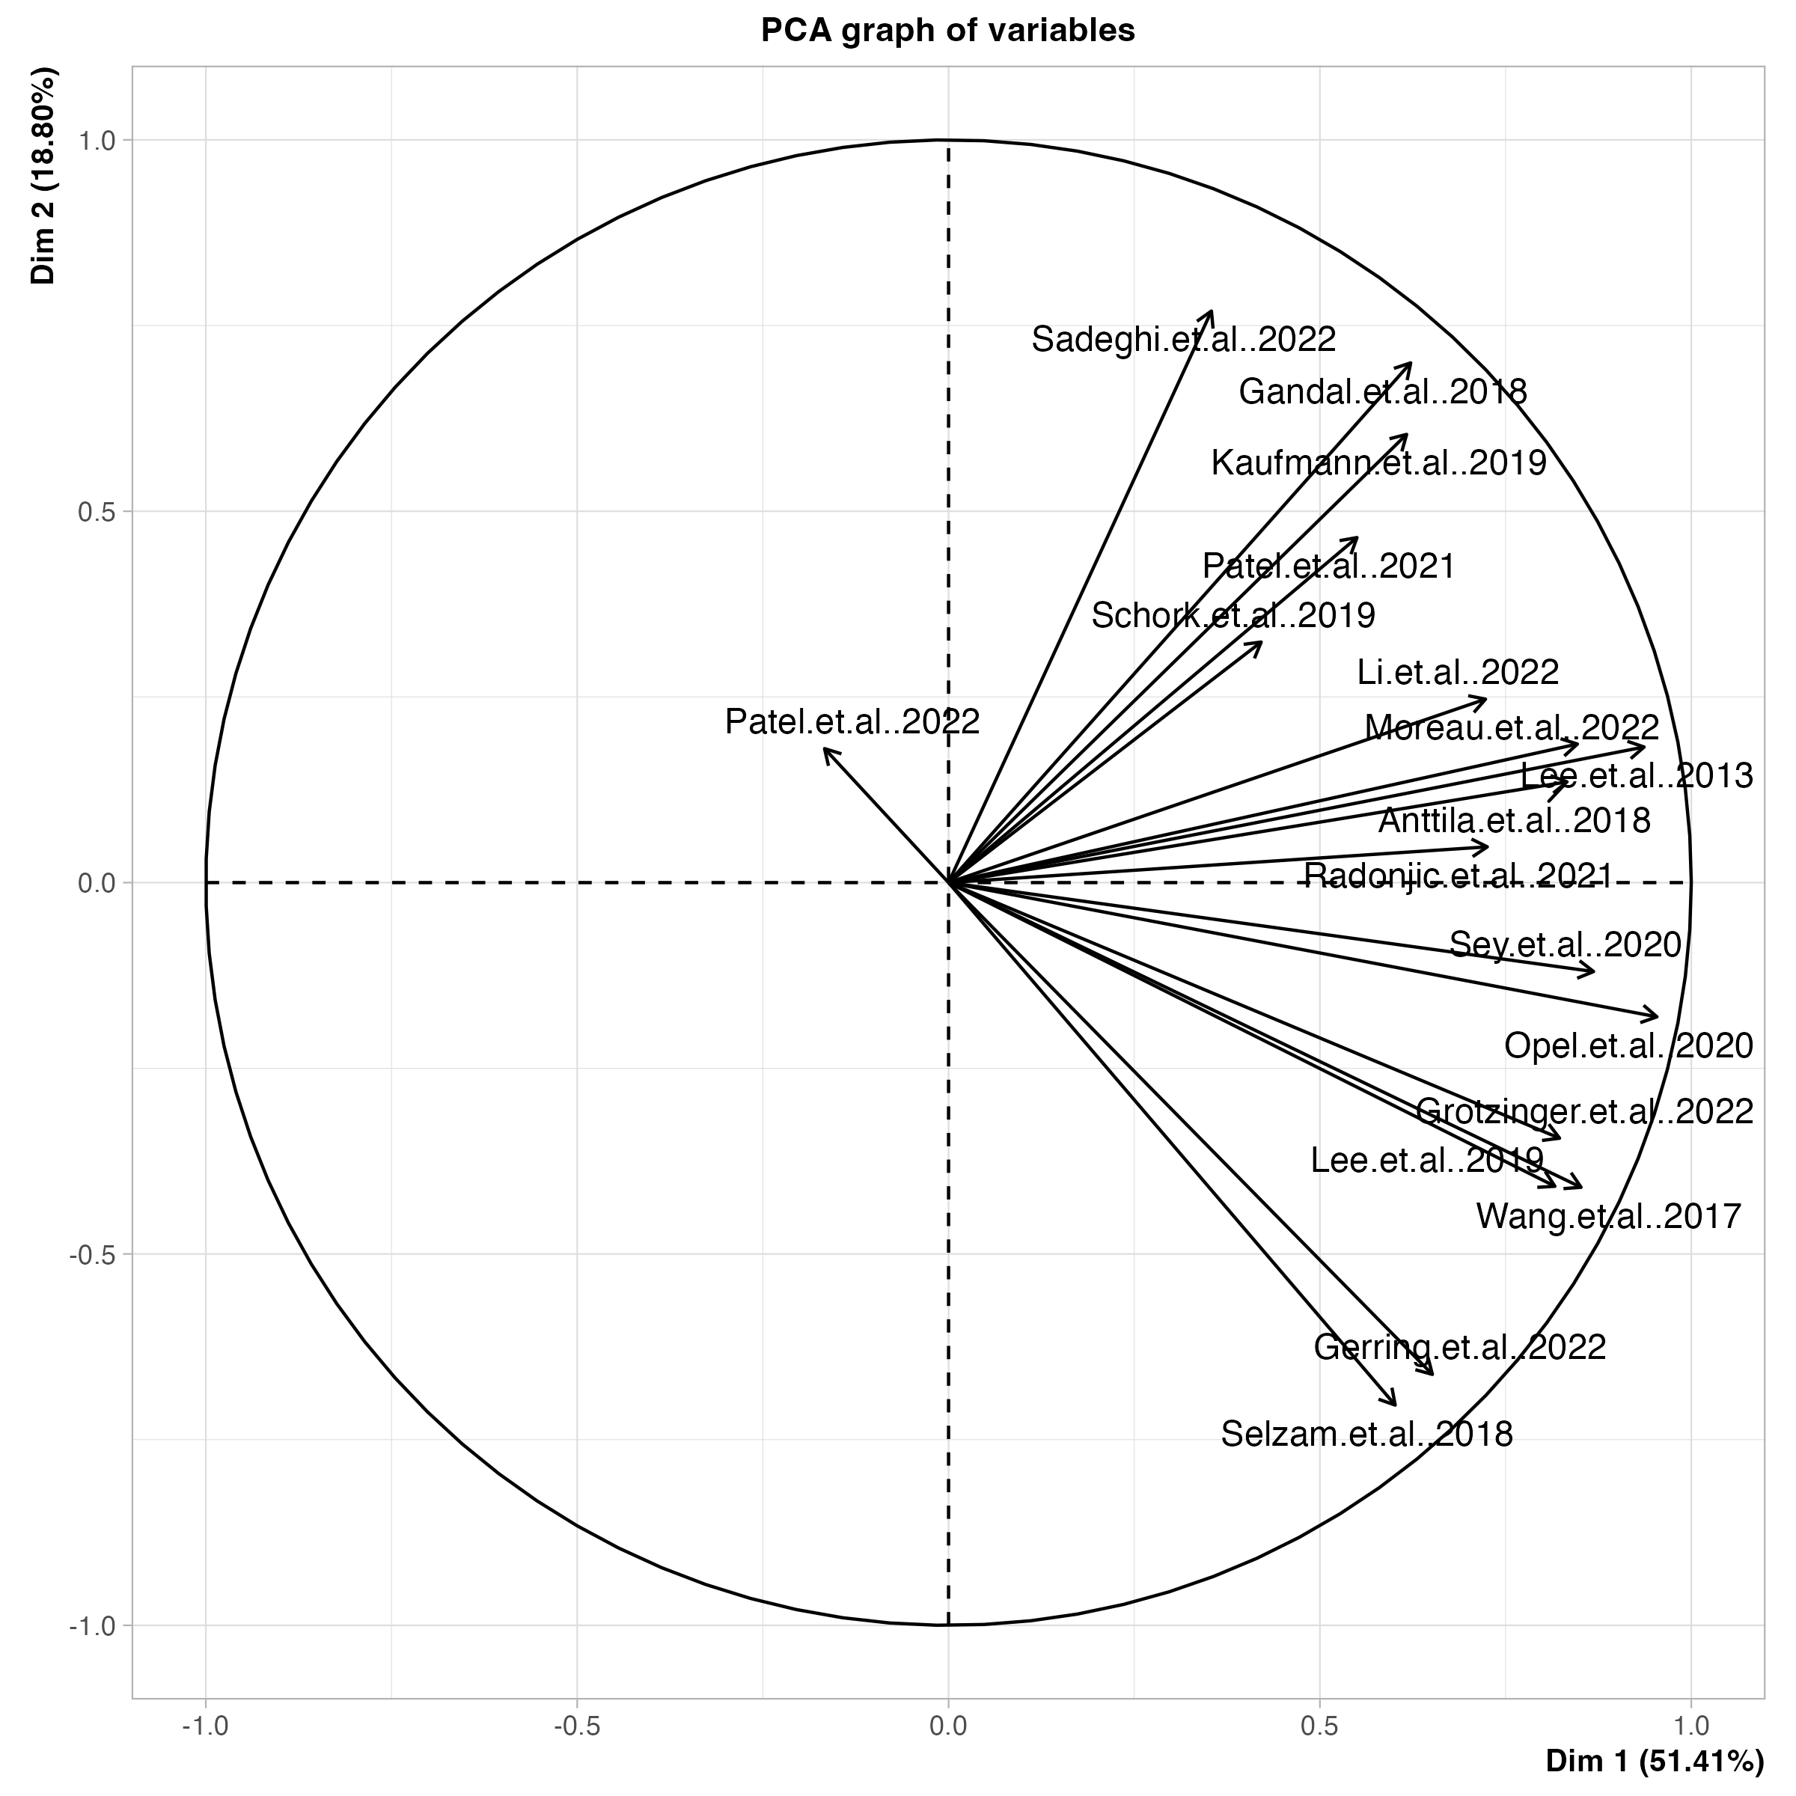
Principal Component Analysis Graph of Variables

8. PCA sensitivity analysis
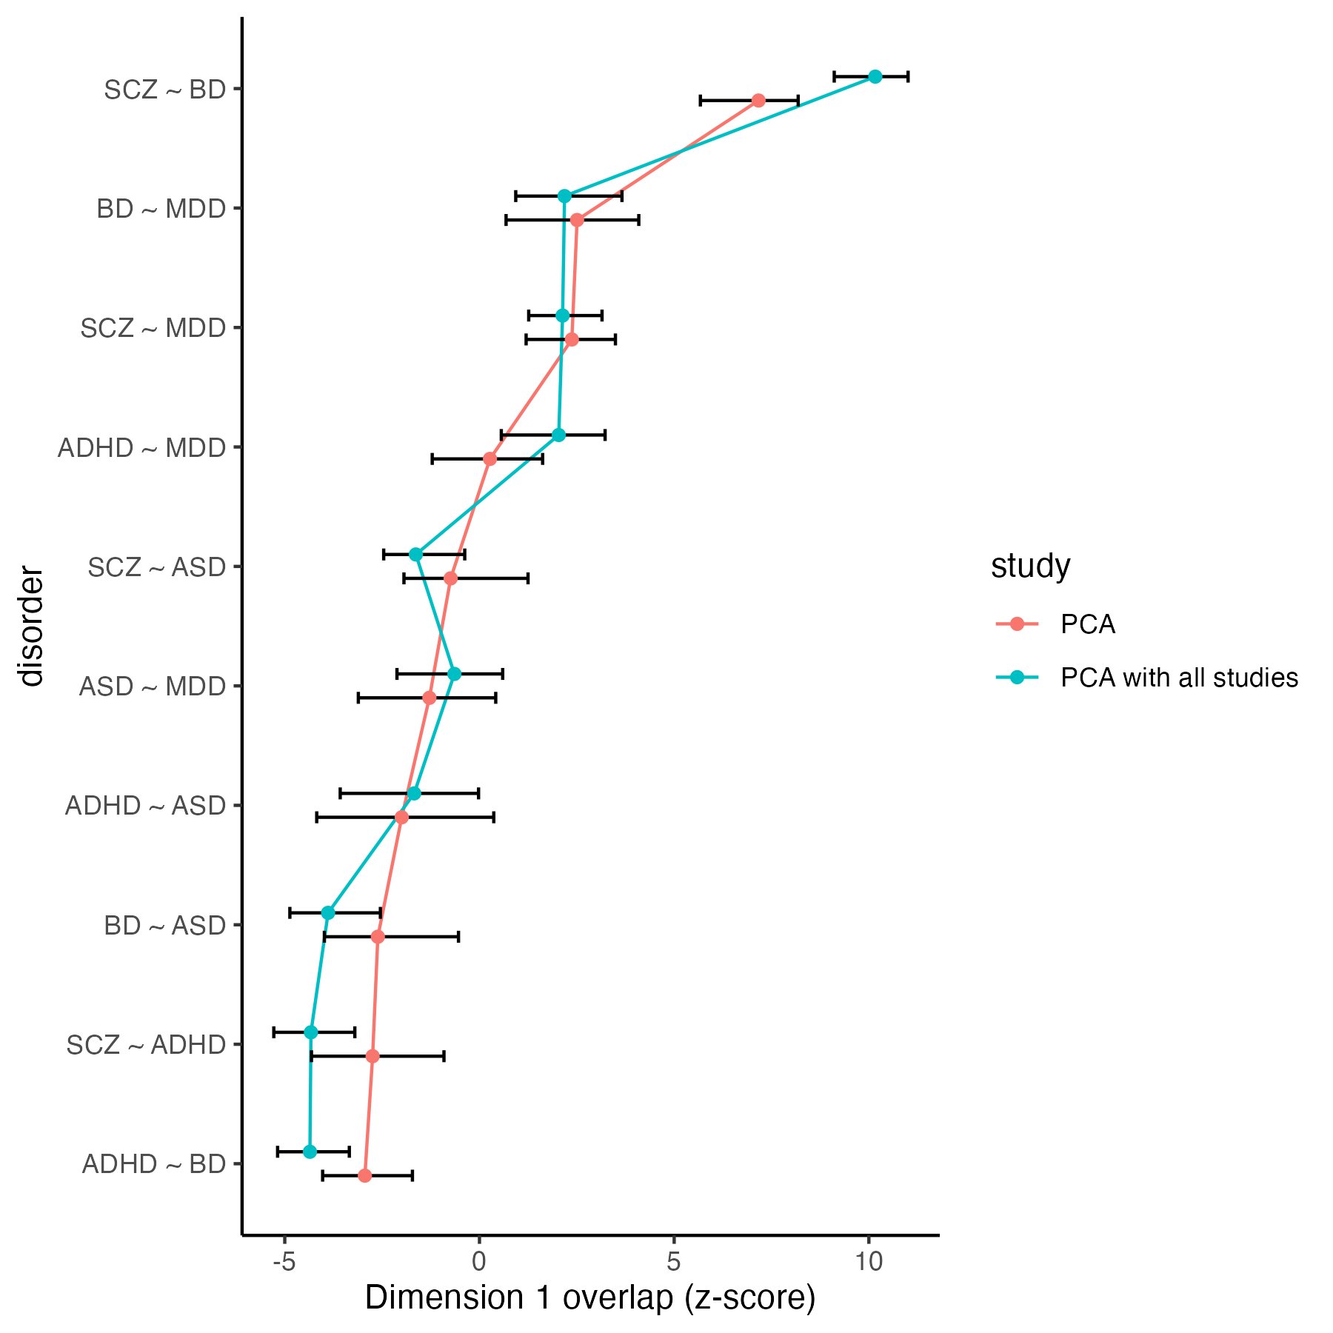
Sensitivity analysis on the principal component analysis

