B - commonly deregulated in GCT
 | TCam-2 | 2102P | NCCIT | JAR | JEG3 | MPAF
SMIM11A | 33.796513972 | -5.4910267295 | 15.580609092 | 1.6139236358 | 3.3809526687 | 1.846427422
RP11-762I7.5 | 11.559975108 | 2.8849863503 | -1.5500189533 | 3.2793748838 | 2.9053194811 | 5.3743954882
VLDLR-AS1 | 6.3034784506 | 8.2113830608 | 8.1276257315 | 3.0795224937 | 2.0264968 | 1.7968187137
FOS | 3.6365180769 | 2.5128524515 | 1.6531800201 | 1.7532099926 | 2.409043657 | 4.5531263947
HPN | 3.6021979153 | 3.1607570681 | 2.0709528805 | 2.8544331346 | 5.8721650073 | 1
NUPR1 | 3.4304340973 | 10.766073054 | 6.8968612745 | 5.0564398545 | 1.6256963278 | 1
APC2 | 2.9764698443 | 2.5986198302 | 1.9630281583 | 1.588554416 | -2.4381487391 | 1.9067539196
OVGP1 | 2.5584689732 | 2.1876159998 | 2.394286841 | 1.5141817273 | -1.8808081077 | 1
VLDLR | 2.3415274665 | 2.8920362117 | 2.1622344212 | 1.9631383648 | 1.7188635614 | 1.3672876795
SPOCD1 | 2.2607640754 | 2.2209518461 | 3.2239182491 | 2.2568085548 | 2.2919233951 | -1.2604614099
SLFN5 | 2.1634670702 | 3.8286463256 | 25.491118618 | 2.6773336509 | 6.2038946042 | 1.261935647
POC1B-GALNT4 | 2.0063603381 | 2.5345873265 | 22.274146895 | -1.8572410575 | 5.2266828251 | -1.7627187386
TST | 1.942330964 | 2.3357843982 | 1.9862710576 | 1.8390160408 | -1.7011701085 | 1.8690197068
DDIT4 | 1.7140350282 | 4.4774434479 | 1.8677461371 | 2.9985720904 | 2.7713157264 | 1.2764820581
ADM2 | 1.638125303 | 5.184008661 | 2.2446220427 | 3.6319674659 | 3.2875154626 | 1
SENP3-EIF4A1 | 1.6209465662 | 4.4177117675 | -1.590537977 | -1.9603180316 | 6.9638167528 | 3.3812665417
HIST2H4B | 1.6002824633 | -1.7169115499 | -1.5929068472 | 2.2285631904 | -2.6953716656 | #N/A
VEGFA | 1.5905819686 | 4.04388934 | 1.5061500847 | 1.6484105431 | 1.9880631913 | 1.3100450409
FBXW8 | 1.5830052605 | 1.7923775444 | 2.1031085279 | 1.5312039852 | 2.8526135964 | 1.4474580326
TSC22D3 | 1.5798724007 | 4.102259524 | 2.3144570114 | 2.0190200307 | -8.1823898763 | 1.8996443649
SLC7A11 | 1.576218125 | 3.1357557342 | 1.692211552 | 2.1201949395 | 3.3118930082 | 1
SARM1 | 1.5510257375 | 1.756957465 | 12.11182901 | 2.6450593124 | 1.8751210375 | 1
SLC1A4 | 1.5112058755 | 5.0121006077 | 1.7312753518 | 2.161522147 | 1.7323876276 | 1.5158640946
SERPINE1 | 1.5087403073 | 4.6958148153 | -1.6447674933 | 1.5705559245 | 2.0437087747 | 1.28156715
ICA1 | 1.499095654 | 1.8070481402 | 3.0028895001 | 1.9955249324 | 1.731757989 | 1
FAM162B | -1.510714642 | -1.937731127 | -2.233067412 | -2.339909277 | -3.1630028071 | 1
UHRF1 | -1.537122331 | -3.92647405 | -2.3855190195 | -1.6483770845 | -1.6380403529 | -1.7229853356
POLE2 | -1.621881718 | -2.7831123881 | -1.7677846462 | -1.5188594191 | -1.9040330965 | -1.7248246043
C5orf66 | -1.6338166843 | 12.806007735 | -2.4839705117 | 2.7004487013 | 4.5218339588 | 1.9154594951
AURKB | -1.7166788642 | -2.2052881647 | -2.4302202495 | -1.680484924 | -3.0572551386 | -1.9191403401
SPC25 | -1.7720951558 | -2.7809670183 | -1.5327809172 | -1.6799505576 | -3.1152332651 | -2.5963448658
CDCA3 | -1.8097238647 | -2.1882404267 | -2.0829315493 | -1.7258237593 | -2.7515233948 | -1.9078403115
KIF20A | -1.8100389742 | -2.6517999943 | -2.3271932274 | -2.5887583045 | -1.9078379623 | -2.5570738004
RP13-794C1.1 | -2.1008295718 | 1.8623350379 | -1.8214485674 | -1.5394927463 | -1.807568821 | 1
HAS3 | -2.2213739064 | -1.9849399282 | -1.8701240373 | 1.5435395527 | 4.6193379918 | 1
FAM111B | -2.281413586 | -5.647089774 | -2.4353464181 | -1.5083663395 | -2.8777116547 | -28.619909914
EIF3CL | -2.4028380924 | 1.8496850054 | -4.9075018922 | 2.0320490823 | -1.7503697465 | 1.6004601084
RP11-386G11.10 | -2.6596933312 | 2.1064691731 | -9.6799487228 | -6.1025379296 | -7.2714498956 | -19.160247667
NEDD8-MDP1 | -2.727144304 | -1.5830210978 | 13.624155174 | 1.8155194242 | 3.4954153533 | 1

D - GO 'Cell cycle' genes
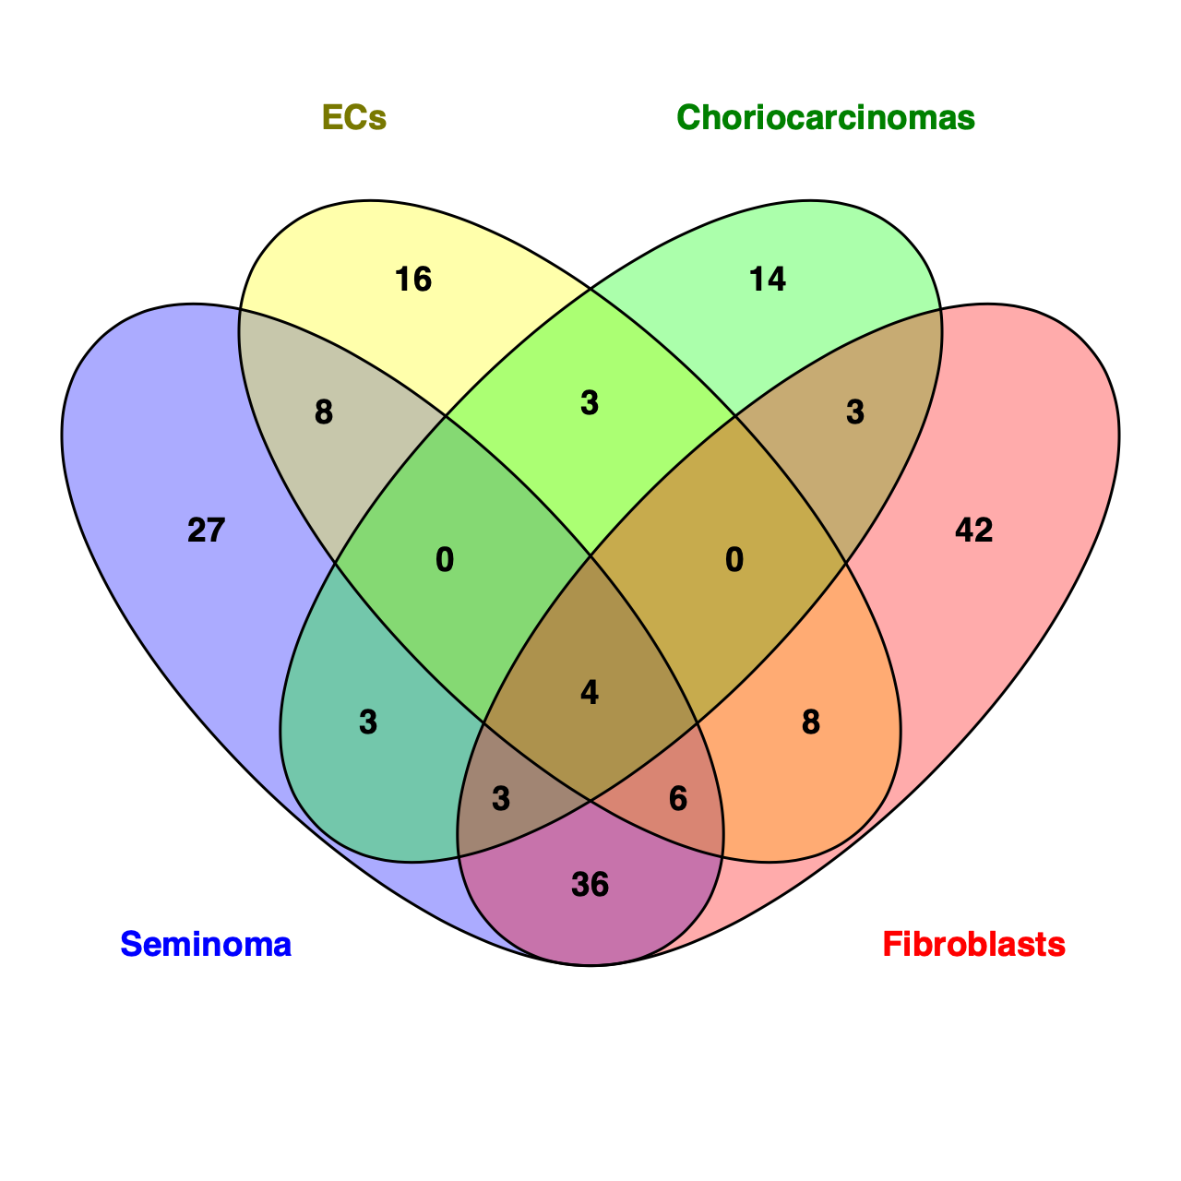
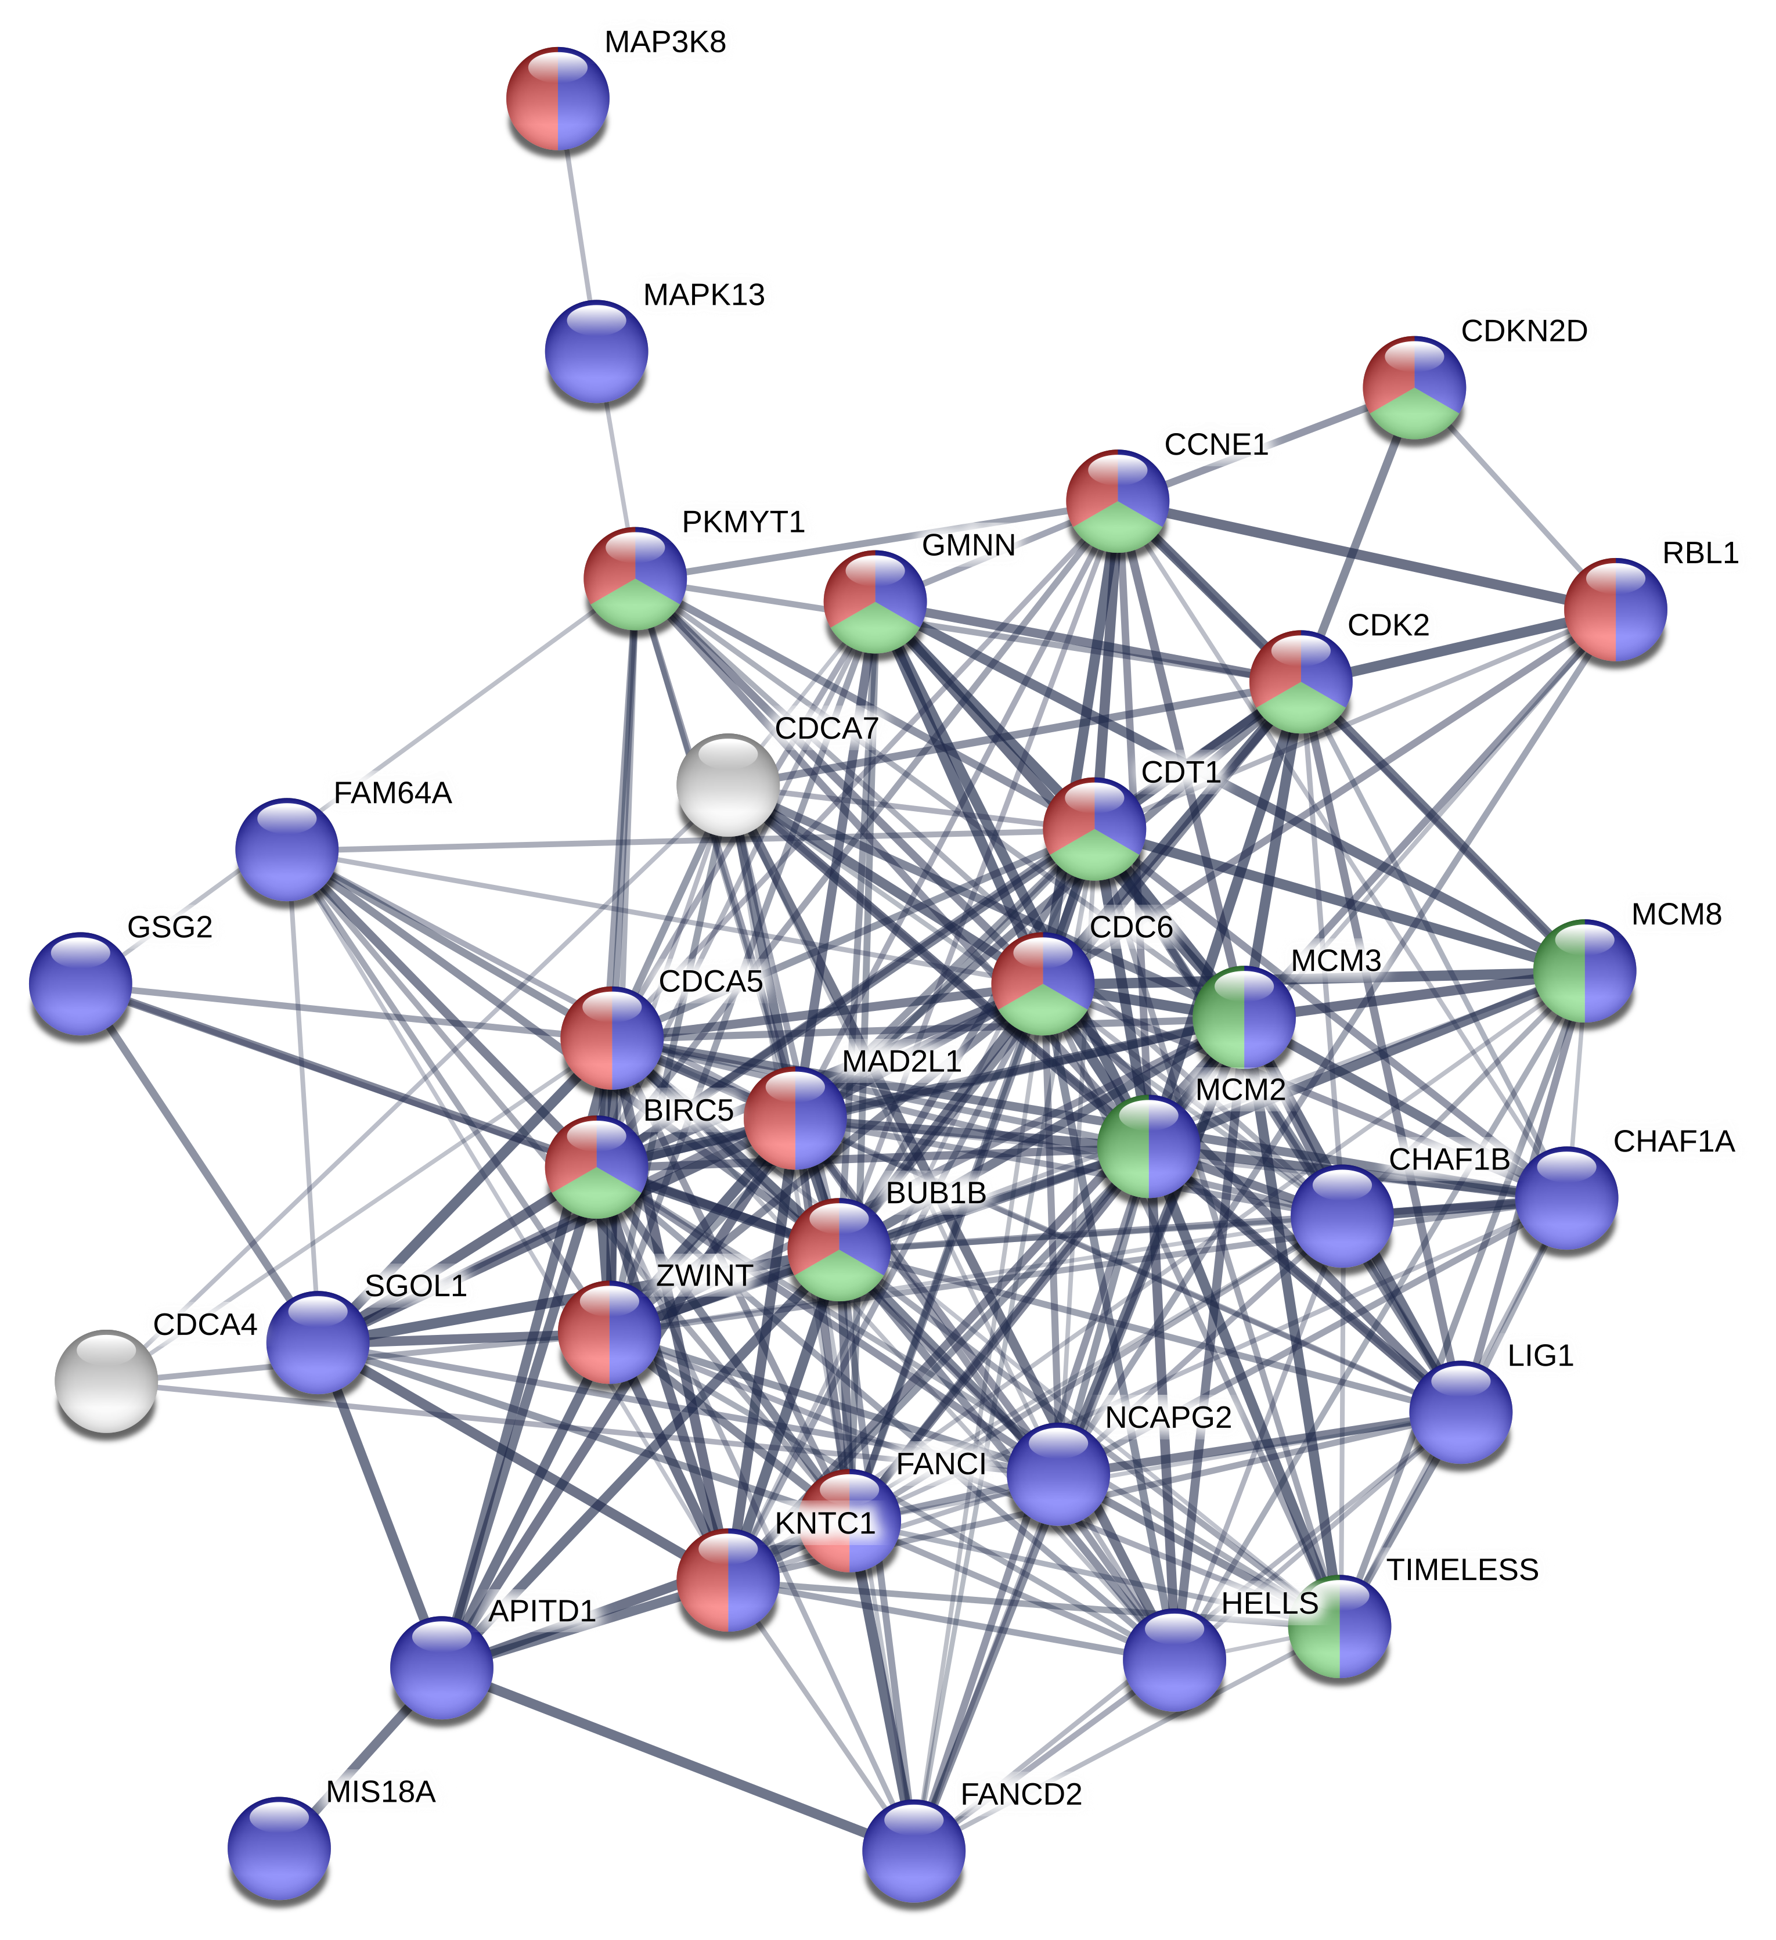
Seminoma | ECs | Choriocarcinomas | Fibroblasts | common in all | In fibroblasts only |  |  | p-value | =-(LOG(p-value))
BRCA1 | ARL8A | DMC1 | APITD1-CORT | SPC25 | APITD1-CORT |  | Cell cycle | 8.60E-63 | 206.17713332
BUB1 | CD2AP | H2AFX | BRCA1 | AURKB | BUB1B |  | Cell division | 6.60E-26 | 83.647664443
DDX12P | DDIT3 | OIP5 | BUB1B | CDCA3 | LIG1 |  | Mitosis | 2.30E-20 | 65.236928037
DLGAP5 | E2F1 | PMF1-BGLAP | DLGAP5 | UHRF1 | FANCD2 |  | Nucleus | 2.40E-13 | 41.922030828
DDIAS | E2F2 | SPC25 | LIG1 |  | FANCI |  | DNA replication | 6.50E-10 | 30.518841231
DDIT3 | E2F8 | AURKA | DMC1 |  | HAUS8 |  | Centromere | 9.20E-09 | 26.695718993
DSCC1 | NSL1 | AURKB | DSCC1 |  | MAD2L1 |  | Kinetochore | 4.20E-08 | 24.505035431
E2F2 | PCNP | CAMK1 | E2F1 |  | MIS18A |  | Chromosome | 7.30E-08 | 23.707528295
E2F7 | RACGAP1 | CDC20 | E2F2 |  | PIM2 |  | Phosphoprotein | 1.40E-07 | 22.768069837
E2F8 | SASS6 | CDCA3 | E2F8 |  | RBL1 |  | DNA damage | 3.90E-07 | 21.29002254
ERCC6L | SPC24 | CENPA | ERCC6L |  | RBM38 |  | DNA repair | 1.60E-06 | 19.253496664
FBXO5 | SPC25 | CHEK2 | FANCD2 |  | ZWINT |  | ATP-binding | 1.10E-05 | 16.472136951
H2AFX | TIPIN | CCNB3 | FANCI |  | BIRC5 |  | Serine/threonine-protein kinase | 1.20E-04 | 13.024677974
HJURP | TRIOBP | CDKN3 | H2AFX |  | CDC6 |  | Nucleotide-binding | 1.30E-04 | 12.909200756
NDC80 | AURKB | MAPK4 | HAUS8 |  | CDCA4 |  | Kinase | 5.60E-04 | 10.802285552
NEK2 | CDC20 | NEDD9 | HJURP |  | CDCA5
NUF2 | CDC45 | PARD3B | MAD2L1 |  | CDCA7
OIP5 | CDCA3 | PARD6A | MIS18A |  | CHAF1A
SPC24 | CGREF1 | PTTG1 | NDC80 |  | CHAF1B
SPC25 | CENPS | PLK1 | PIM2 |  | CDT1
TICRR | CENPW | PSRC1 | RBL1 |  | CCNE1
TPX2 | CCNB1 | PRKCE | RBM38 |  | CDK2
WEE1 | CCNF | SPAG8 | SASS6 |  | CDKN2D
ASPM | CDK14 | STOX1 | SPC24 |  | FAM64A
ANLN | FAM83D | STAG3 | SPC25 |  | FSD1
AURKA | KRT18 | SYCE2 | TPX2 |  | GMNN
AURKB | KLLN | SYCP2 | ZWINT |  | GSG2
AURKC | KIF18B | TEX14 | ASPM |  | GAS1
CIB1 | KIF23 | UHRF1 | ANLN |  | HELLS
CDC25A | KIF2C | URGCP | AURKA |  | KNTC1
CDCA2 | KIFC1 |  | AURKB |  | MCM8
CDCA3 | MCM4 |  | BIRC5 |  | MCM2
CDCA8 | MCM5 |  | CDC25A |  | MCM3
CENPA | MCM6 |  | CDC45 |  | MAPK13
CENPE | MCM7 |  | CDC6 |  | MAP3K8
CENPF | PLK1 |  | CDCA3 |  | NCAPG2
CENPS | PRC1 |  | CDCA4 |  | PARD6G
CENPW | REEP3 |  | CDCA5 |  | PKMYT1
CEP55 | SYCE1 |  | CDCA7 |  | RGS2
CIT | SYCP1 |  | CGREF1 |  | SGO1
CLSPN | TEX14 |  | CENPE |  | SMPD3
CCNA2 | TXNIP |  | CENPF |  | TIMELESS | blue: cell cycle-related
CCNB1 | UHRF1 |  | CEP55 |  |  | red: regulation of cell cycle
CCNB2 | USP3 |  | CHAF1A |  |  | green: cell cycle phase transition
CCNB3 | ZNF207 |  | CHAF1B
CCND1 |  |  | CDT1
CCNE2 |  |  | CLSPN
CCNF |  |  | CCNA2
CDK1 |  |  | CCND1
CDKN2C |  |  | CCNE1
DUSP1 |  |  | CCNE2
ECT2 |  |  | CCNF
ESCO2 |  |  | CDK1
FAM83D |  |  | CDK2
FOXM1 |  |  | CDKN2C
KLHL13 |  |  | CDKN2D
KIF11 |  |  | DUSP1
KIF18B |  |  | ESCO2
KIF23 |  |  | FAM64A
KIF2C |  |  | FSD1
KIFC1 |  |  | FOXM1
KNSTRN |  |  | GMNN
KNL1 |  |  | GSG2
LZTS1 |  |  | GAS1
MKI67 |  |  | HELLS
MELK |  |  | KLHL13
MAPK12 |  |  | KIF11
MISP |  |  | KIF18B
NCAPD2 |  |  | KIFC1
NCAPG |  |  | KNTC1
NCAPH |  |  | KNL1
NUSAP1 |  |  | LZTS1
KCTD11 |  |  | MKI67
PRC1 |  |  | MCM8
RGCC |  |  | MCM2
SGO2 |  |  | MCM3
SIAH2 |  |  | MCM4
SGSM3 |  |  | MCM5
SPAG5 |  |  | MCM6
SKA1 |  |  | MAPK13
SKA3 |  |  | MAP3K8
SPIN2B |  |  | NEDD9
STAG3 |  |  | NCAPG
SMC2 |  |  | NCAPH
SMC4 |  |  | NCAPG2
UHRF1 |  |  | NUSAP1
UHRF2 |  |  | PARD6G
 |  |  | PTTG1
 |  |  | PKMYT1
 |  |  | RGS2
 |  |  | RGCC
 |  |  | SGO1
 |  |  | SPAG5
 |  |  | SMPD3
 |  |  | SKA1
 |  |  | SKA3
 |  |  | STAG3
 |  |  | SMC2
 |  |  | SMC4
 |  |  | TXNIP
 |  |  | TIMELESS
 |  |  | UHRF1

E - cell cycle related genes
 |  | TCam-2 +Palbo | ECs +Palbo | Choriocarcinomas +Palbo | MPAF +Palbo
Cyclins | CCNA1 | 0.64905559228 | 0.83749635136 | 1.0886427414 | 1
 | CCNA2 | 0.54554307497 | 0.63238979135 | 0.68600166737 | 0.60836878001
 | CCNB1 | 0.66245049035 | 0.63624821193 | 0.69207595223 | 0.75768000836
 | CCNB2 | 0.68320582453 | 0.81433231978 | 0.63464011307 | 0.69662933744
 | CCNB3 | 0.53278998184 | 0.92444567269 | 2.2277948798 | 0.74283997721
 | CCNC | 1.0451673332 | 0.94354431799 | 0.94999625613 | 0.72240754893
 | CCND1 | 2.3624839202 | 1.2045949176 | 1.3722218156 | 1.6368043915
 | CCND2 | 1.2732503288 | 1.8308860156 | 1.6772854828 | 0.8859054543
 | CCND3 | 1.1656734301 | 1.1223450703 | 1.1936066597 | 0.98058340115
 | CCNE1 | 0.83785065365 | 0.71254153416 | 1.0786352398 | 0.52302884945
 | CCNE2 | 0.43445556514 | 1.0511876352 | 1.1909012318 | 0.12325641103
Cyclin-dependent kinases | CDK1 | 0.59348150323 | 0.70429482042 | 0.62342758807 | 0.61015539197
 | CDK2 | 0.85548663191 | 0.74166169593 | 1.1714331139 | 0.61183181124
 | CDK3 | 1.1106062357 | 1.4785119291 | 0.79371159197 | 1.4152250287
 | CDK4 | 1.1240115669 | 1.0077330089 | 0.85635157008 | 0.98370608194
 | CDK6 | 1.1880313561 | 1.1808388689 | 1.45773407 | 0.78123280627
 | CDK7 | 1.1259642586 | 1.0756989152 | 1.0507012108 | 1.2974159916
Cyclin-dependent kinase inhibitors | CDKN1A | 0.79864745259 | 1.0962686098 | 0.95958458729 | 0.89635655868
 | CDKN1B | 0.86105256806 | 1.5107510075 | 0.89725593111 | 0.84584712071
 | CDKN1C | 1.1538766085 | 1.1262153534 | 0.79432137069 | 0.76494100132
 | CDKN2A | 1.2302099841 | 1.2232287611 | 0.61294493025 | 0.71578030729
 | CDKN2B | 1.0995765328 | 1.6055376243 | 0.96791026667 | 1.0014583396
 | CDKN2C | 0.61216190598 | 1.9215792814 | 0.63596945197 | 0.63273618771
 | CDKN2D | 0.84634561813 | 0.80662428342 | 0.68604590701 | 0.63486905029
 | CDKN3 | 0.76389293487 | 0.75184904765 | 0.47071917342 | 0.70235343817
Co-factors | CDCA2 | 0.55117530712 | 0.68137748224 | 0.82645519066 | 0.68874397887
 | CDCA3 | 0.57620853553 | 0.51139058144 | 0.50540919747 | 0.51506696212
 | CDCA4 | 0.73543305349 | 0.75520999793 | 0.76754847486 | 0.57458672237
 | CDC5L | 0.9335261621 | 0.99486758867 | 1.0337260603 | 0.8962103769
 | CDC6 | 0.83980820711 | 0.75313337525 | 1.0576268446 | 0.29658573905
 | CDC7 | 0.87055085936 | 0.8388472868 | 0.85571770558 | 0.67719365364
 | CDC14A | 0.85754011586 | 1.1253898218 | 1.6478199615 | 0.88778436301
 | CDC14B | 0.9766468621 | 1.0791741948 | 2.074427825 | 0.85648893632
 | CDC16 | 1.0589517841 | 1.1208341619 | 0.90836502654 | 1.0285931466
 | CDC20 | 0.81240507422 | 0.6750282549 | 0.66088002756 | 0.69093682344
 | CDC20B | 7.2694226335 | 1.1140971115 | 1 | 3.1199279043
 | CDC23 | 1.0292029064 | 0.98099330297 | 1.2200459134 | 0.97793835611
 | CDC25A | 0.64091245939 | 0.58149684984 | 0.80816325078 | 0.53443209471
 | CDC25B | 0.78069761509 | 0.90207019236 | 0.79116522555 | 0.82917731411
 | CDC25C | 0.74835234378 | 0.80873874421 | 0.67659810848 | 0.67362079751
 | CDC26 | 1.2411209374 | 0.92439398339 | 0.65432522847 | 1.2019020508
 | CDC27 | 0.82428167929 | 1.0303200669 | 1.0466964866 | 0.93810892384
 | CDC34 | 1.2161189152 | 1.1352887619 | 0.81804536539 | 1.0746418337
 | CDC37 | 1.13200411 | 0.84788224716 | 0.94072592366 | 1.1206826649
 | CDC40 | 1.0122644793 | 1.0650721487 | 1.1725413722 | 0.94587141413
 | CDC42 | 1.0044617507 | 1.0527329004 | 0.92062458 | 0.91753255687
 | CDC73 | 0.96510105493 | 0.91683470378 | 1.3433838062 | 1.0657218098
 | CDC123 | 1.030484151 | 0.82408084524 | 0.78096559117 | 0.97934956636
 | E2F1 | 0.92898491505 | 0.68066885605 | 0.7121136295 | 0.31835999023
 | E2F2 | 0.50906320963 | 0.54406813665 | 0.85920045773 | 0.29491855812
 | E2F3 | 0.93826871643 | 0.93143453597 | 1.4813907269 | 0.92171375367
 | E2F4 | 1.0875090262 | 1.0302650518 | 0.97655117159 | 0.93972750095
 | E2F5 | 1.0739768793 | 1.2485785654 | 1.1601770941 | 1.1569732645
 | E2F6 | 0.9939368171 | 1.1409751661 | 1.1228164289 | 1.0013482893
 | E2F7 | 0.59710049292 | 0.84085710985 | 1.5360186217 | 0.86753779343
 | E2F8 | 0.44447739467 | 0.27305446083 | 1.8050524414 | 0.31199279043

F - 2102EP G2-arrest
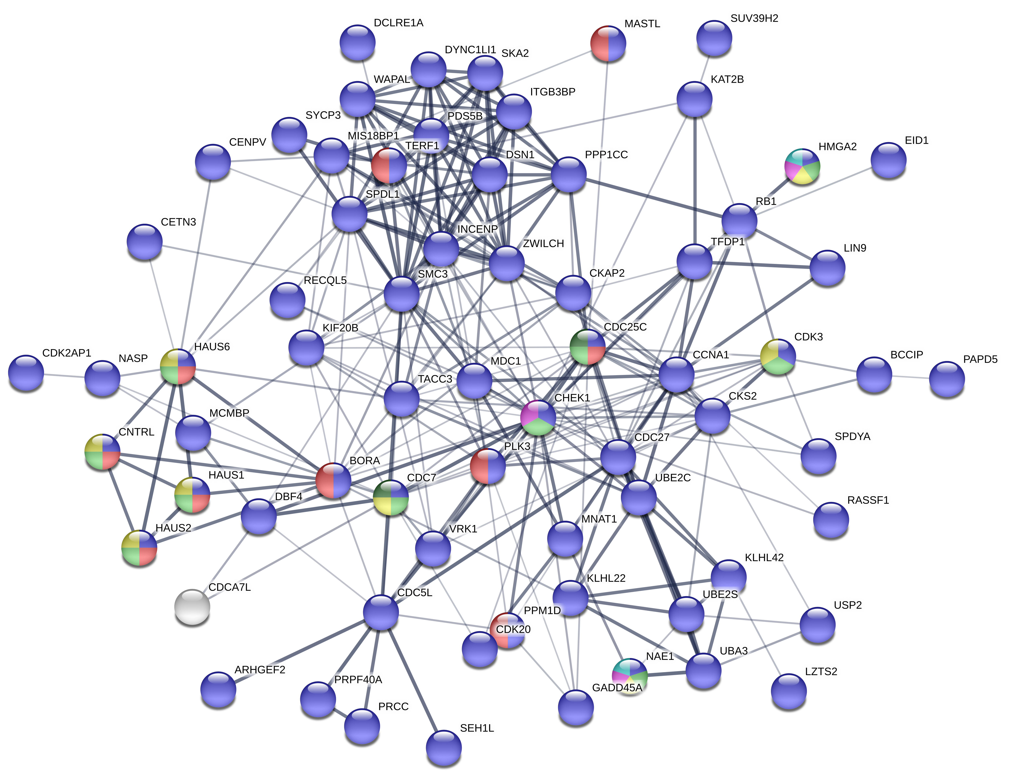
2102EP (- GCT cell lines / MPAF) |  | Genes enriched in at least 2 categories
BRINP1 |  | CDK3 | 1.75
BCCIP |  | PLK3 | 1.53
CKS2 |  | PPM1D | -1.56
DBF4 |  | CDC25C | -1.60
DCLRE1A |  | CNTRL | -1.67
DSN1 |  | HAUS6 | -1.68
EID1 |  | MASTL | -1.68
GPER1 |  | HAUS2 | -1.78
HAUS1 |  | NAE1 | -1.79
HAUS2 |  | HAUS1 | -1.80
HAUS6 |  | BORA | -1.86
MARVELD1 |  | CDC7 | -1.89
MIS18BP1 |  | CHEK1 | -1.98
MNAT1 |  | TERF1 | -2.07
NAE1 |  | HMGA2 | -2.27
PDS5B
RB1
RASSF1
RASSF4
RECQL5
ARHGEF2
SEH1L
WAPL
WTAP
APPL1
ANKRD53
BORA
BEX2
CASP8AP2
CDC25C
CDC27
CDC5L
CDC7
CDCA7L
CETN3
CNTRL
CENPV
CHEK1
CCNA1
CDK2AP1 | blue: cell cycle
CDK20 | green: regulation of cell cycle G2/M phase transition
CDK3 | red: G2/M transition of mitotic cell cycle
CKAP2 | yellow: regulation of G2/M transition of mitotic cell cycle
DYNC1LI1 | pink: negative regulation of cell cycle G2/M transition
GADD45A | dark green: positive regulation of cell cycle G2/M transition
HMGA2 | light blue: mitotic G2/M transition checkpoint
INCENP
ITGB3BP
KLK10
KLHL22
KLHL42
KIF20B
LRRCC1
LZTS2
LIN9
KAT2B
MDC1
MASTL
MCMBP
NASP
PRCC
PLK3
PAPD5
PRPF40A
PRNP
PPP1CC
PPM1D
SPDYA
SKA2
SPDL1
SMC3
SUV39H2
SYCP3
TXLNG
TERF1
TFDP1
TACC3
UBE2C
UBE2S
UBA3
USP16
USP2
VRK1
ZWILCH

