BRCA12 gRNA localization
BRCA1 | guide 1 | BRCA1 | guide 1 | BRCA2 | guide 1 | AAAGACCCTAAAGTACAGAG

 |  |  |  | BRCA2 | guide 2 | CCTGCATTTAGGATAGCCAG

 |  |  |  | BRCA2 | guide 3 | GTCTACCTGACCAATCGATG

 |  | BRCA1 | guide 2

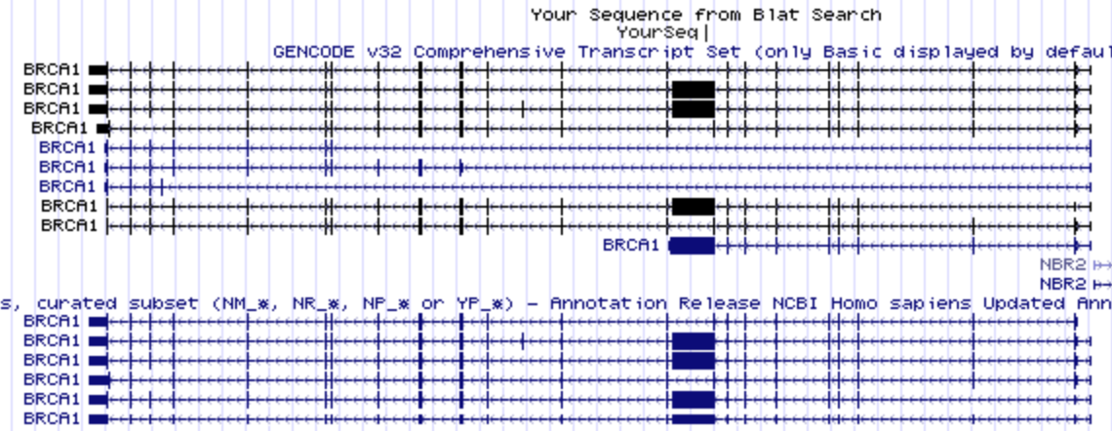
 |  | BRCA1 | guide 3

