Sheet1
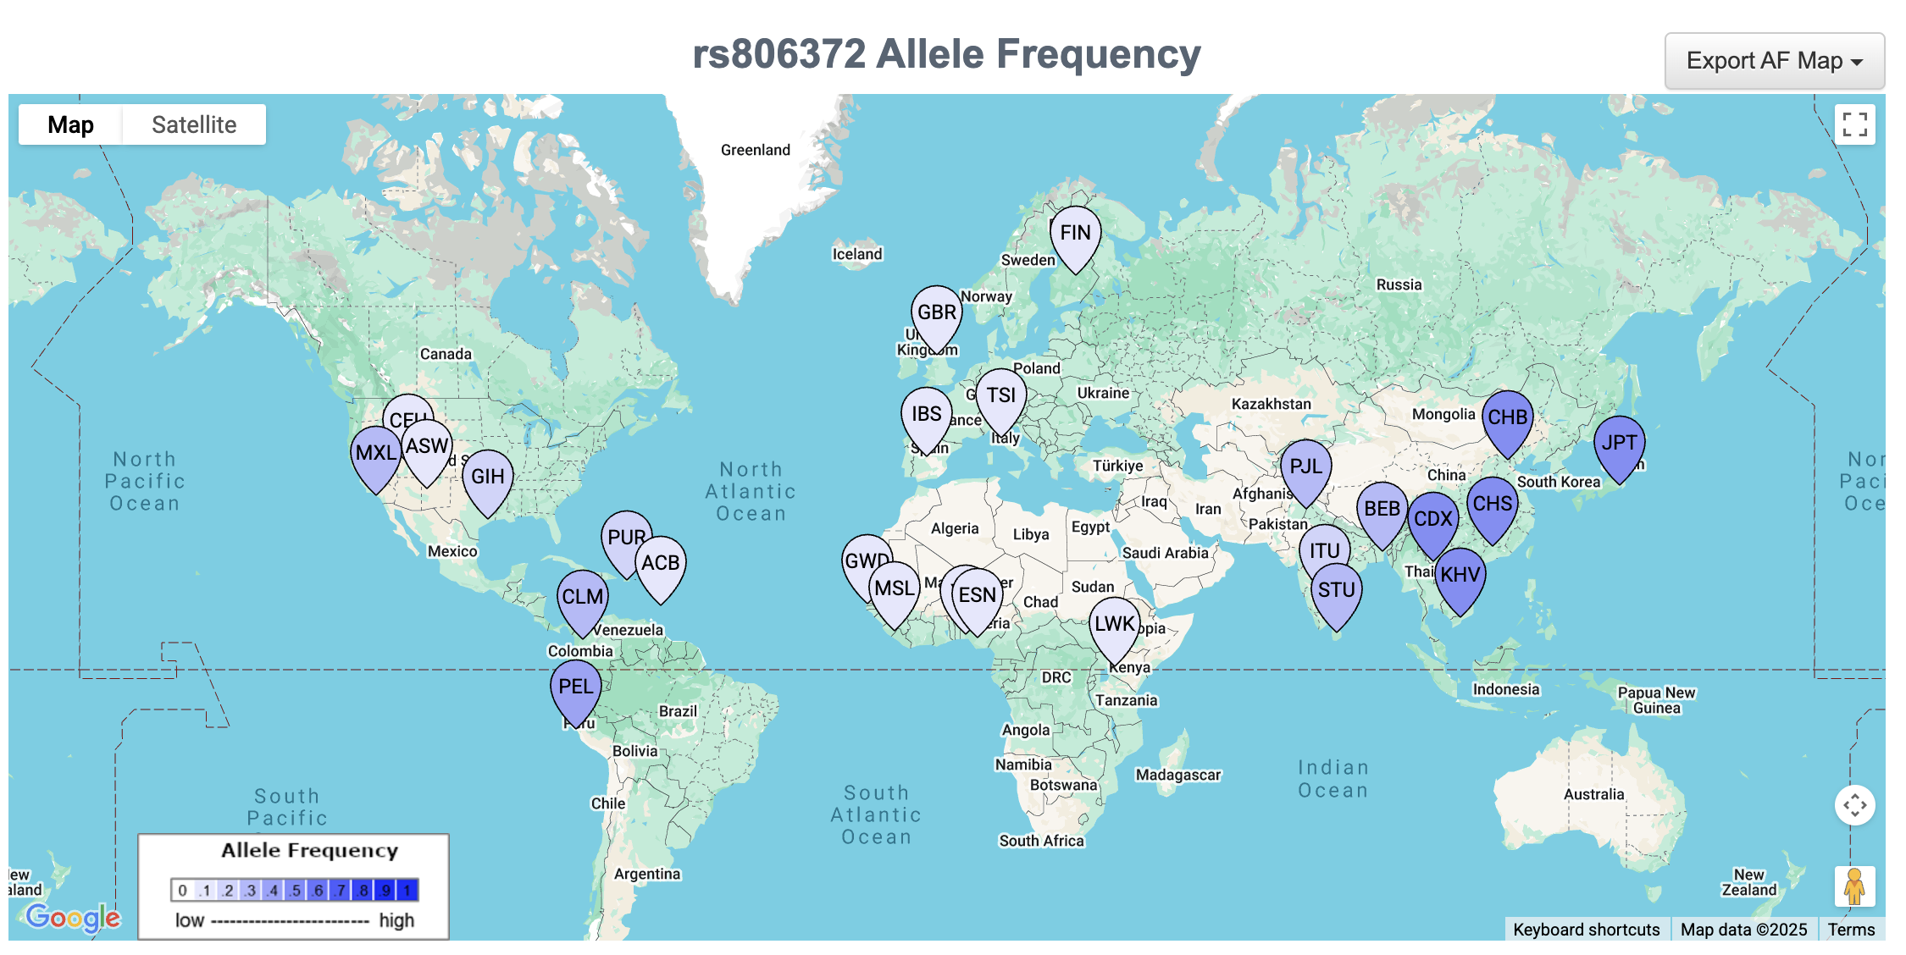
Population | Abbrev | N | rs76129761 Allele Freq | rs806372 Allele Freq | R2 | D' | Chisq | P
All Populations | ALL | 2504 | CCT: 97.36%, C: 2.64% | G: 76.97%, C: 23.03% | 0.0012 | 0.1141 | 5.9033 | 0.0151
African | AFR | 661 | CCT: 98.41%, C: 1.59% | G: 92.35%, C: 7.65% | 0.0001 | 0.0203 | 0.1059 | 0.7449
Yoruba in Ibadan, Nigeria | YRI | 108 | CCT: 99.07%, C: 0.93% | G: 92.06%, C: 7.94% | 0.0008 | 1 | 0.1742 | 0.6764
Luhya in Webuye, Kenya | LWK | 99 | CCT: 97.47%, C: 2.53% | G: 93.43%, C: 6.57% | 0.0076 | 0.1438 | 1.5091 | 0.2193
Gambian in Western Divisions in the Gambia | GWD | 113 | CCT: 98.67%, C: 1.33% | G: 93.81%, C: 6.19% | 0.0009 | 1 | 0.2008 | 0.6541
Mende in Sierra Leone | MSL | 85 | CCT: 99.41%, C: 0.59% | G: 94.71%, C: 5.29% | 0.0003 | 1 | 0.0562 | 0.8126
Esan in Nigeria | ESN | 99 | CCT: 97.98%, C: 2.02% | G: 89.9%, C: 10.1% | 0.0023 | 1 | 0.4587 | 0.4982
Americans of African Ancestry in SW USA | ASW | 61 | CCT: 97.54%, C: 2.46% | G: 92.62%, C: 7.38% | 0.0249 | 0.2802 | 3.0326 | 0.0816
African Caribbeans in Barbados | ACB | 96 | CCT: 98.44%, C: 1.56% | G: 90.1%, C: 9.9% | 0.0017 | 1 | 0.3347 | 0.5629
Ad Mixed American | AMR | 347 | CCT: 97.69%, C: 2.31% | G: 71.47%, C: 28.53% | 0.0089 | 0.3879 | 6.1716 | 0.013
Mexican Ancestry from Los Angeles USA | MXL | 64 | CCT: 96.88%, C: 3.12% | G: 71.09%, C: 28.91% | 0.0334 | 0.6484 | 4.2688 | 0.0388
Puerto Ricans from Puerto Rico | PUR | 104 | CCT: 97.12%, C: 2.88% | G: 82.69%, C: 17.31% | 0.0506 | 0.5969 | 10.517 | 0.0012
Colombians from Medellin, Colombia | CLM | 94 | CCT: 97.34%, C: 2.66% | G: 70.74%, C: 29.26% | 0.0011 | 0.3164 | 0.2126 | 0.6447
Peruvians from Lima, Peru | PEL | 85 | CCT: 99.41%, C: 0.59% | G: 58.82%, C: 41.18% | 0.0085 | 1 | 1.437 | 0.2306
East Asian | EAS | 504 | CCT: 99.01%, C: 0.99% | G: 49.9%, C: 50.1% | 0.0064 | 0.8004 | 6.4963 | 0.0108
Han Chinese in Beijing, China | CHB | 103 | CCT: 98.54%, C: 1.46% | G: 47.09%, C: 52.91% | 0.0166 | 1 | 3.421 | 0.0644
Japanese in Tokyo, Japan | JPT | 104 | CCT: 98.56%, C: 1.44% | G: 50.0%, C: 50.0% | 0.0016 | 0.3333 | 0.3382 | 0.5609
Southern Han Chinese | CHS | 105 | CCT: 98.57%, C: 1.43% | G: 52.86%, C: 47.14% | 0.0129 | 1 | 2.7145 | 0.0994
Chinese Dai in Xishuangbanna, China | CDX | 93 | CCT: 100.0%, C: 0.0% | G: 50.54%, C: 49.46% | NA | NA | NA | NA
Kinh in Ho Chi Minh City, Vietnam | KHV | 99 | CCT: 99.49%, C: 0.51% | G: 48.99%, C: 51.01% | 0.0053 | 1 | 1.0465 | 0.3063
European | EUR | 503 | CCT: 96.02%, C: 3.98% | G: 88.07%, C: 11.93% | 0.0649 | 0.4607 | 65.2688 | 0
Utah Residents (CEPH) with Northern and Western European Ancestry | CEU | 99 | CCT: 95.45%, C: 4.55% | G: 86.87%, C: 13.13% | 0.1745 | 0.7442 | 34.5433 | 0
Toscani in Italia | TSI | 107 | CCT: 95.33%, C: 4.67% | G: 85.98%, C: 14.02% | 0.086 | 0.5348 | 18.4007 | 0
Finnish in Finland | FIN | 99 | CCT: 98.48%, C: 1.52% | G: 89.9%, C: 10.1% | 0.0542 | 0.6292 | 10.7334 | 0.0011
British in England and Scotland | GBR | 91 | CCT: 95.05%, C: 4.95% | G: 88.46%, C: 11.54% | 0 | 0.037 | 0.0017 | 0.9672
Iberian Population in Spain | IBS | 107 | CCT: 95.79%, C: 4.21% | G: 89.25%, C: 10.75% | 0.0919 | 0.502 | 19.6643 | 0
South Asian | SAS | 489 | CCT: 95.4%, C: 4.6% | G: 76.58%, C: 23.42% | 0.0003 | 0.1459 | 0.3068 | 0.5797
Gujarati Indian from Houston, Texas | GIH | 103 | CCT: 97.09%, C: 2.91% | G: 79.61%, C: 20.39% | 0.0031 | 0.1626 | 0.638 | 0.4244
Punjabi from Lahore, Pakistan | PJL | 96 | CCT: 92.19%, C: 7.81% | G: 74.48%, C: 25.52% | 0.0014 | 0.2163 | 0.2609 | 0.6095
Bengali from Bangladesh | BEB | 86 | CCT: 97.09%, C: 2.91% | G: 75.0%, C: 25.0% | 0.01 | 1 | 1.7166 | 0.1901
Sri Lankan Tamil from the UK | STU | 102 | CCT: 96.08%, C: 3.92% | G: 73.04%, C: 26.96% | 0.0001 | 0.0727 | 0.0163 | 0.8985
Indian Telugu from the UK | ITU | 102 | CCT: 94.61%, C: 5.39% | G: 80.39%, C: 19.61% | 0.0001 | 0.0727 | 0.015 | 0.9025

Population | Abbrev | N | rs34880821 Allele Freq | rs2069840 Allele Freq | R2 | D' | Chisq | P
All Populations | ALL | 2504 | G: 85.46%, A: 14.54% | C: 81.44%, G: 18.56% | 0.6542 | 0.9359 | 3274.7109 | 0
African | AFR | 661 | G: 90.0%, A: 10.0% | C: 85.0%, G: 15.0% | 0.4823 | 0.8752 | 636.6436 | 0
Yoruba in Ibadan, Nigeria | YRI | 108 | G: 88.32%, A: 11.68% | C: 80.84%, G: 19.16% | 0.4047 | 0.8516 | 86.6135 | 0
Luhya in Webuye, Kenya | LWK | 99 | G: 89.39%, A: 10.61% | C: 88.38%, G: 11.62% | 0.4819 | 0.7306 | 95.4103 | 0
Gambian in Western Divisions in the Gambia | GWD | 113 | G: 88.5%, A: 11.5% | C: 79.65%, G: 20.35% | 0.4608 | 0.9517 | 104.1298 | 0
Mende in Sierra Leone | MSL | 85 | G: 90.0%, A: 10.0% | C: 87.06%, G: 12.94% | 0.7475 | 1 | 127.0707 | 0
Esan in Nigeria | ESN | 99 | G: 93.94%, A: 6.06% | C: 90.4%, G: 9.6% | 0.6078 | 1 | 120.3463 | 0
Americans of African Ancestry in SW USA | ASW | 61 | G: 90.16%, A: 9.84% | C: 85.25%, G: 14.75% | 0.5131 | 0.9022 | 62.5975 | 0
African Caribbeans in Barbados | ACB | 96 | G: 90.1%, A: 9.9% | C: 84.9%, G: 15.1% | 0.3491 | 0.752 | 67.0278 | 0
Ad Mixed American | AMR | 347 | G: 79.25%, A: 20.75% | C: 73.78%, G: 26.22% | 0.6557 | 0.9435 | 455.0531 | 0
Mexican Ancestry from Los Angeles USA | MXL | 64 | G: 78.12%, A: 21.88% | C: 72.66%, G: 27.34% | 0.5408 | 0.8525 | 69.2161 | 0
Puerto Ricans from Puerto Rico | PUR | 104 | G: 81.25%, A: 18.75% | C: 73.56%, G: 26.44% | 0.5556 | 0.9303 | 115.5581 | 0
Colombians from Medellin, Colombia | CLM | 94 | G: 78.72%, A: 21.28% | C: 73.4%, G: 26.6% | 0.7459 | 1 | 140.2378 | 0
Peruvians from Lima, Peru | PEL | 85 | G: 78.24%, A: 21.76% | C: 75.29%, G: 24.71% | 0.7881 | 0.9641 | 133.9702 | 0
East Asian | EAS | 504 | G: 93.95%, A: 6.05% | C: 93.75%, G: 6.25% | 0.9662 | 1 | 973.9388 | 0
Han Chinese in Beijing, China | CHB | 103 | G: 88.35%, A: 11.65% | C: 88.35%, G: 11.65% | 1 | 1 | 206 | 0
Japanese in Tokyo, Japan | JPT | 104 | G: 94.23%, A: 5.77% | C: 93.75%, G: 6.25% | 0.9184 | 1 | 191.0204 | 0
Southern Han Chinese | CHS | 105 | G: 94.29%, A: 5.71% | C: 93.81%, G: 6.19% | 0.9184 | 1 | 192.8671 | 0
Chinese Dai in Xishuangbanna, China | CDX | 93 | G: 98.39%, A: 1.61% | C: 98.39%, G: 1.61% | 1 | 1 | 186 | 0
Kinh in Ho Chi Minh City, Vietnam | KHV | 99 | G: 94.95%, A: 5.05% | C: 94.95%, G: 5.05% | 1 | 1 | 198 | 0
European | EUR | 503 | G: 74.75%, A: 25.25% | C: 66.8%, G: 33.2% | 0.5794 | 0.9234 | 582.9056 | 0
Utah Residents (CEPH) with Northern and Western European Ancestry | CEU | 99 | G: 79.29%, A: 20.71% | C: 70.2%, G: 29.8% | 0.5327 | 0.9305 | 105.4771 | 0
Toscani in Italia | TSI | 107 | G: 75.7%, A: 24.3% | C: 66.82%, G: 33.18% | 0.5397 | 0.9137 | 115.4921 | 0
Finnish in Finland | FIN | 99 | G: 77.78%, A: 22.22% | C: 76.26%, G: 23.74% | 0.7121 | 0.8808 | 141.0021 | 0
British in England and Scotland | GBR | 91 | G: 69.78%, A: 30.22% | C: 61.54%, G: 38.46% | 0.6134 | 0.9409 | 111.6466 | 0
Iberian Population in Spain | IBS | 107 | G: 71.03%, A: 28.97% | C: 59.35%, G: 40.65% | 0.5325 | 0.9456 | 113.9467 | 0
South Asian | SAS | 489 | G: 85.99%, A: 14.01% | C: 84.46%, G: 15.54% | 0.8104 | 0.9568 | 792.5579 | 0
Gujarati Indian from Houston, Texas | GIH | 103 | G: 83.98%, A: 16.02% | C: 81.55%, G: 18.45% | 0.7818 | 0.9628 | 161.054 | 0
Punjabi from Lahore, Pakistan | PJL | 96 | G: 83.85%, A: 16.15% | C: 80.73%, G: 19.27% | 0.7434 | 0.96 | 142.7405 | 0
Bengali from Bangladesh | BEB | 86 | G: 87.21%, A: 12.79% | C: 86.63%, G: 13.37% | 0.8531 | 0.9475 | 146.7247 | 0
Sri Lankan Tamil from the UK | STU | 102 | G: 84.31%, A: 15.69% | C: 83.82%, G: 16.18% | 0.8257 | 0.9254 | 168.4337 | 0
Indian Telugu from the UK | ITU | 102 | G: 90.69%, A: 9.31% | C: 89.71%, G: 10.29% | 0.895 | 1 | 182.5761 | 0

 | Query SNPs:
 | rs34880821 (chr7:22775450)
 | rs2069840 (chr7:22768572)

 | EUR Haplotypes:
 | rs2069840
 | C G
 | -----------------
 | A | 14 | 243 | 257 (0.255)
 | rs34880821 -----------------
 | G | 658 | 91 | 749 (0.745)
 | -----------------
 | 672 334 1006
 | (0.668) (0.332)

 | G_C: 658 (0.654)
 | A_G: 243 (0.242)
 | G_G: 91 (0.09)
 | A_C: 14 (0.014)

 | D': 0.9185
 | R2: 0.5824
 | Chi-sq: 585.8456
 | p-value: <0.0001

 | rs34880821(A) allele is correlated with rs2069840(G) allele
 | rs34880821(G) allele is correlated with rs2069840(C) allele

