Hoja 1
Supplemental Table 1. Individual Study information
Author and Year | Blinding | Interventional Model | Centre | country | Total Sample size of the trial | Sample size Testosterone group | Sample size Placebo group | Mean.Age | Baseline Hematocrit | Baseline PSA | Baseline Testosterone | Co-morbidities
Marks et al. 2006 | Double blind | Parallel Assignment: 2 arms | Single Center | USA | 44 | 21 | 19 | Testosterone: 68 (44-78); Placebo: 70 (45-78) | Testosterone: 43.2 (35.2-50.5); Placebo: 43.6 (37.4-48.2) | Testosterone: 1.55 (0.27-5.78); Placebo: 0.97 (0-2.47) | Testosterone: 221 (163-320); Placebo: 252 (144-328) | Elderly
Bhasin et al. 2023 | Double blind | Parallel Assignment: 2 arms | Multicentric | USA | 5204 | 2601 | 2603 | 63.3 (± 7.9) | Testosterone: 42 (± 4); Placebo: 42 (± 4) | 0.92 (± 0.67) | Testosterone: 227 (189–258); Placebo: 227 (188–258) | HAS/DM
Magnussen et al. 2017 | Double blind | Parallel Assignment: 2 arms | Single Center | Denmark | 43 | 21 | 22 | Testosterone: 61 (± 6); Placebo: 59 (± 6) | Testoterone: 43.1 (± 0.02); Placebo: 43.3 (± 0.02) | Testoterone: 0.7 (0.5-1.0); Placebo: 1.0 (0.6-1.4) | Testosterone: 7.1 (6.6-11.9); Placebo: 9.4 (8.1-12.5) | DM
Snyder et al. 2016 | Double blind | Parallel Assignment: 2 arms | Multicentric | USA | 790 | 395 | 395 | Testoterone: 72.1 (± 5.7); Placebo: 72.3 (± 5.8) | NA | NA | Testosterone: 232 (± 63); Placebo: 236 (± 67) | HAS
Basaria et al. 2015 | Double blind | Parallel Assignment: 2 arms | Multicentric | USA | 308 | 156 | 152 | Testos: 66.9 ( ± 5.09); Placebo: 68.3 (± 5.3) | Testosterone: 43.7 (± 3.7); Placebo: 43.6 (± 3.6) | NA | Testosterone: 307.2 (± 64.3); Placebo: 307.4 (± 67.4) | HAS/DM
Basaria et al. 2015 | Double blind | Parallel Assignment: 2 arms | Single Center | USA | 84 | 43 | 41 | Testosterone: 48 (± 9); Placebo: 50 (± 6) | Testosterone:44 (40-46); Placebo: 43 (39-45) | NA | Testosterone: 243 (183-286); Placebo: 251 (195-313) | Opioid users
Barnouin et al. 2021 | Double blind | Parallel Assignment: 2 arms | Single Center | USA | 83 | 42 | 41 | Testosterone: 73.6 (± 3.7); Placebo: 72.2 (± 3.2) | Testosterone: 42.0 (± 0.5); Placebo: 40.6 (± 0.6) | Testoterone: 1.1 (± 0.1); Placebo: 1.5 (± 0.2) | Testosterone: 7.3 (± 0.3); Placebo: (7.6 ± 0.2) | Obesity
Basaria et al. 2010 | Double blind | Parallel Assignment: 2 arms | Single Center | USA | 209 | 106 | 103 | Testosterone: 74 (± 6); Placebo: 74 (± 5) | NA | NA | Testosterone: 250 (± 57); Placebo: 236 (± 66) | Geriatric syndromes
Groti et al 2018 | Double blind | Parallel Assignment: 2 arms | Single Center | Slovenia | 55 | 28 | 27 | 60.15 (± 7.23) | NA | NA | Testosterone: 7.24 (± 1.97) ; Placebo: 7.96 (± 1.34) | Obesity
Jones et al. 2011 | Double blind | Parallel Assignment: 2 arms | Multicentric | Belgium, France, Germany, Italy, the Netherlands, Spain, Sweden, and the U.K | 220 | 108 | 112 | Testosterone: 59.9 (± 9.1) ;Placebo: 59.9 ( ± 9.4) | Testosterone: 0.43 (± 0.04) ; Placebo: 0.43 (± 0.04) | Testosterone: 1.6 (± 1.8); Placebo: 1.2 (± 1.2) | Testosterone: 9.2 (± 2.6); Placebo: 9.5 (± 3.3) | Metabolic Syndrome/DM
Malkin et al. 2003 | Single Blind | Crossover Assignment | Single Center | UK | 10 | 5 | 5 | 60.8 (± 4.6) | NA | 1.01 (± 1.3) | 4.2 (± 0.5) | Significant coronary artery disease
Hackett et al. 2013 | Double blind | Parallel Assignment: 2 arms | Multicentric | UK | 190 | 92 | 98 | Testosterone: 61.2 (± 10.5); Placebo: 62.0 (± 9.3) | NA | Testosterone:1.4(± 1.4); Placebo:1.4(± 1.2) | Testosterone: 9.2 (± 3.1); Placeb: 8.9 (± 3.8) | DM
Legros et al. 2009 | Double blind | Parallel Assignment: 4 arms | Multicentric | Austria, Belgium, France, Germany , UK, The Netherlands, and Switzerland | 316 | 237 | 79 | Testosterone (80mg): 59.5 (± 6.5); (160mg): 58.4 (± 5.7); (240mg): 58.6 (± 5.7); Placebo:58.4 (± 5.5) | NA | NA | 14.9 (± 5.5) | Overweight
Gianatti et al. 2014 | Double blind | Parallel Assignment: 2 arms | Single Center | Australia | 88 | 45 | 43 | Testosterone: 62 (58-68); Placebo: 62 (57-67) | Testosterone: 0.44 (0.41–0.46); Placebo: 0.43 (0.41–0.45) | Testosterone: 0.84 (0.58–1.24);Placebo: 0.73 (0.46–1.26) | Testosterone: 8.7 (7.1–11.1); Placebo: 8.5 (7.2–11.0) | Metabolic Syndrome
Gopal et al. 2010 | Double blind | Crossover Assignment | Single Center | India | 22 | 11 | 11 | 44.23 (± 3.29) | NA | NA | 2.93 ± 1.08 | DM
Paduch et al. 2015 | Double blind | Parallel Assignment: 2 arms | Multicentric | Mexico, USA, Canada | 76 | 36 | 40 | Testosterone: 48.4 (± 9.8); Placebo: 52.7 (± 9.3) | Testosterone: 42.6 (± 4.0); Placebo: 42.6 (± 3.1) | Testosterone: 0.92 (± 0.75); Placebo: 0.86 (± 0.55) | Testosterone: 214 (± 56); Placebo: 223 (± 53) | Obesity
Tang Fui et al. 2016 | Double blind | Parallel Assignment: 2 arms | Single Center | Australia | 100 | 49 | 51 | Testosterone: 54.3 (47.3-59.8); Placebo: 52.8 (47.6-60.1) | NA | NA | Testosterone: 6.8 (± 2.0); Placebo: 7.0 (± 1.6) | Obesity
Aversa et al. 2010 | Double blind | Parallel Assignment: 2 arms | Single Center | Italy | 50 | 40 | 10 | Testosterone: 58 (± 10) ; Placeb: 57 (± 8) | Testosterone: 43 (± 3.5); Placebo: 44 (± 3) | Testosterone: 1.07 (± 0.4); Placebo: 1.1 (± 0.5) | Testosterone: 8.33 (± 2.4); Placeb: 9 (± 1.7) | Metabolic Syndrome/DM
Kaufman et al. 2012 | Double blind | Parallel Assignment: 2 arms | Multicentric | USA | 274 | 234 | 40 | Testosterone: 52.9 (± 9.6); Placebo: 55.8 (± 10.8) | NA | Testosterone: 0.86 (± 0.61); Placebo: 0.82 (± 0.65) | NA | Obesity
Inoue et al. 2018 | Double blind | Parallel Assignment: 2 arms | Single Center | Japan | 24 | 13 | 11 | Testosterone: 60; Placebo: 69 | NA | NA | Testosterone: 4.7; Placebo: 4.2 | Hemodialytic patients
Howell et al. 2001 | Single Blind | Parallel Assignment: 2 arms | Single Center | UK | 35 | 16 | 19 | Testosterone: 40.9; Placebo: 40.9 | NA | NA | 13.3 (mean) | History of malignancy
Walsh et al. 2019 | Double blind | Parallel Assignment: 2 arms | Multicentric | UK | 136 | 68 | 68 | 25–50 (Range) | NA | NA | 7-12 (Range) | History of malignancy
Aversa et al. 2010 | Double blind | Parallel Assignment: 3 arms | Single Center | Italy | 52 | 42 | 10 | Testosterone (Oral): 57 (±8), (IM) 58±10; Placebo: 55 (± 5) | NA | NA | NA | Metabolic Syndrome/DM
Seidman et al. 2001 | Double blind | Parallel Assignment: 2 arms | Single Center | USA | 32 | 13 | 17 | Testosterone: 53.6 (42-71); Placebo: 49.7 (35-64) | NA | NA | Testosterone: 269.5 (134-331); Placebo: 263.5 (168-338) | Depression
Okun et al. 2006 | Double blind | Parallel Assignment: 2 arms | Single Center | USA | 30 | 15 | 15 | Testosterone: 66.7 (± 10.26); Placebo: 69.9 (± 9.41) | NA | NA | NA | Neurodegenerative Diseases
Brock et al. 2015 | Double blind | Parallel Assignment: 2 arms | Multicentric | Argentina, Canada, Germany, Spain, UK, Italy, South Korea, Puerto Rico and USA | 715 | 358 | 357 | Testosterone: 54.7 (± 10.6); Placebo: 55.9 (± 11.4) | NA | NA | Testosterone: 202.6 (± 66.3); Placebo: 201.2 (± 67.3) | HAS/DM
Tan et al. 2003 | Open label | Parallel Assignment: 2 arms | Single Center | USA | 10 | 5 | 5 | Testosterone: 72.4 (68–80); Placebo: 68.9 (67–82) | NA | Testosterone: 0.98 | Testosterone: 126.4; Placebo: NA | Neurodegenerative Diseases
Wittert et al. 2018 | Double blind | Parallel Assignment: 2 arms | Multicentric | Australia | 1007 | 504 | 503 | Testosterone: 59.8 (± 6.3) ; Placebo: 59.6 (± 6.4) | Testosterone:45% ;Placebo: 46% | NA | Testosterone: 13.4 (± 4.1); Placebo: 13.9 (± 4.6) | DM
Kapoor et al. 2006 | Double blind | Crossover Assignment | Single Center | UK | 24 | 24 | 24 | 64 (± 1.34) | NA | 1.35 (± 0.23) | NA | DM
Pope et al. 2010 | Double blind | Parallel Assignment: 2 arms | Multicentric | USA, Israel | 100 | 50 | 50 | Testosterone: 50.6 (± 8.2);Placebo: 49.9 (± 7.1) | NA | Testosterone: 1 (± 0.8); Placebo: 0.9 (± 0.6) | Testosterone: 335 (± 110); Placebo: 331 (± 107) | Depression
NCT00413244 | Double blind | Parallel Assignment: 2 arms | Single Center | USA | 51 | 31 | 20 | Tesstosterone: 58.3(± 8.2);Placebo: 58.9(± 7.3) | Testosterone: 40.69 (± 3.00); Placebo: 40.93 (± 3.18) | NA | Testosterone: 246.7 (± 63.5); Placebo: 263.7 (± 71.9) | Significant coronary artery disease
NCT00345969 | Quadruple blind | Parallel Assignment: 2 arms | Single Center | USA | 25 | 12 | 13 | Testosterone: 81 (± 4);Placebo: 77(± 6) | NA | NA | Testosterone: 252 (± 71); Placebo: 248 (± 97) | Geriatric syndromes
Kreiberg et al. | Double blind | Parallel Assignment: 2 arms | Single Center | Denmark | 69 | 35 | 34 | Testosterone: 30 (25-38); Placebo: 33 (26-40) | NA | NA | Testosterone: 15.7 (12.9-17.8); Placebo: 14.5 (12.3-17.4) | History of malignancy
NCT00957528 | Triple Blind | Parallel Assignment: 2 arms | Single Center | USA | 26 | 18 | 8 | Testosterone (Cycled) : 71.6(± 7.78); (Continuous): 73.3(± 7.54); Placebo: 65.4(± 3.22) | NA | NA | NA | Elderly
NCT01127659 | Double blind | Parallel Assignment: 2 arms | Single Center | USA | 137 | 22 | 22 | Testosterone: 54 (± 7); Placebo: 46 (±9) | NA | NA | NA | DM
Hildreth et al. 2013 | Double blind | Parallel assignment: 4 arms | Single Center | USA | 167 | 96 | 47 | Testosterone:66.5 (± 5.8); Placebo: 66.5 (± 5.2) | Testosterone: 46.3 (± 3.0); Placebo: 46.7 (± 3.0) | Testosterone: 1.4 (± 0.9); Placebo: 1.5 (± 1.0) | Testosterone: 297.7 (± 43.4); Placebo: 294.3 (± 38.8) | Elderly
Lu et al. 2006 | Double blind | Parallel Assignment: 4 arms | Single Center | USA | 16 | 9 | 9 | Testosterone: 71.2 (± 9.1); Placebo: 70.0(± 7.7) | NA | NA | Testosterone: 362.0 (± 163.0); Placebo: 352.2 (± 105.2) | Neurodegenerative Diseases
Rastrelli et al. 2022 | Double blind | Parallel Assignment: 3 arms | Single Center | Italy | 144 | 39 | 38 | Testosterone: 67.8 ( ± 7.1) ;Placebo: 69.6 (± 6.2) | Testosterone: 43.1 (± 3.9); Placebo: 43.4 (± 3.2) | Testosterone: 1.6 (0.9–3.0); Placebo: 2.4 (1.3–4.4) | Testosterone: 10.1 (± 4.3); Placebo: 10.6 ( ± 4.1) | Benign Prostatic Hyperplasia
Ho et al. 2011 | Double blind | Parallel Assignment: 2 arms | Single Center | Malasya | 120 | 60 | 60 | Testosterone: 53.4 (±7.4); Placebo: 53.0 (± 8.2) | NA | NA | Testosterone: 8.9 (± 2); Placebo: 9.1 (± 1.8) | HAS/DM
Merza et al. 2005 | Double blind | Parallel Assignment : 2 arms | Single Center | UK | 39 | 20 | 19 | Testosterone: 63 (±9); Placebo: 59.7 (±10.2) | NA | NA | Testosterone: 8.4 (± 3.3); Placebo: 7.5 (± 2.5) | Sexual dysfunction
Brockenbrough et al. 2006 | Double blind | Parallel Assignment : 2 arms | Single Center | USA | 40 | 19 | 21 | Testosterone 58.9 (± 14.9); Placebo: 53.0(± 17.2) | NA | Testosterone: 0.8 (± 0.8); Placebo: 0.6 (± 0.6) | Testosterone: 218.9 (± 64.6) ;Placebo: 201.7 (± 87.2) | Hemodialytic patients
Table 1. Individual Study and Population characteristics. USA: United States of America, UK: United Kingdom, NA: Information Not Available. Data represented as a number followed by a “±” sign and a number in a parenthesis, is a Mean and Standard deviation. Data represented as a number followed by a Range in a parenthesis, is a Median and Interquartile Range. Ng/dl: Nanograms per deciliter. Pnmol/L: Picomoles per liter .Nmol/l: Nanomoles per liter. IM: Intramuscular. PSA:Prostate-Specific Antigen.

Supplemental Table 2. Complete Risk of Bias Assessment
Study | D1 | D2 | D3 | D4 | D5 | Overall | Weight (Sample Size)
Marks et al. 2006 | Low | Low | Low | Low | Low | Low | 44
Bhasin et al. 2023 | Low | Low | Low | Low | Low | Low | 5204
Magnussen et al. 2017 | Low | Low | Low | Low | Low | Low | 43
Snyder et al. 2016 | Low | Low | Low | Low | Low | Low | 790
Basaria et al. 2015 | Low | Low | Low | Low | Low | Low | 308
Basaria et al. 2015 | Low | Low | Low | Low | Low | Low | 84
Barnouin et al. 2021 | Low | Low | Low | Low | Low | Low | 83
Basaria et al. 2010 | Low | Low | Low | Low | Low | Low | 209
Groti et al 2018 | Low | Low | Low | Some Concerns | Low | Some Concerns | 55
Jones et al. 2011 | Low | Low | Low | Low | Low | Low | 220
Malkin et al. 2003 | Low | Low | Low | Low | Low | Low | 10
Hackett et al. 2013 | Low | Low | Low | Low | Low | Low | 190
Legros et al. 2009 | Low | Low | Low | Low | Low | Low | 316
Gianatti et al. 2014 | Low | Low | Low | Low | Low | Low | 88
Gopal et al. 2010 | Low | Low | Low | Some Concerns | Low | Some Concerns | 22
Paduch et al. 2015 | Low | Low | Low | Low | Low | Low | 76
Tang Fui et al. 2016 | Low | Low | Low | Low | Low | Low | 100
Aversa et al. 2010 | Low | Low | Low | Some Concerns | Low | Some Concerns | 50
Kaufman et al. 2012 | Low | Low | Low | Low | Low | Low | 274
Inoue et al. 2018 | Low | Low | Low | Low | Low | Low | 24
Howell et al. 2001 | Low | Low | Low | Low | Low | Low | 35
Walsh et al. 2019 | Low | Low | Low | Low | Low | Low | 136
Aversa et al. 2010 | Low | Low | Low | Some Concerns | Low | Some Concerns | 52
Seidman et al. 2001 | Low | Low | Low | Low | Low | Low | 32
Okun et al. 2006 | Low | Low | Low | Some Concerns | Low | Some Concerns | 30
Brock et al. 2015 | Low | Low | Low | Low | Low | Low | 715
Tan et al. 2003 | Low | High | Low | Low | Low | High | 10
Wittert et al. 2018 | Low | Low | Low | Low | Low | Low | 1007
Kapoor et al. 2006 | Low | Low | Low | Low | Low | Low | 24
Pope et al. 2010 | Low | Low | Low | Low | Low | Low | 100
NCT00413244 | Low | Low | Some Concerns | Some Concerns | Low | Some Concerns | 51
NCT00345969 | Low | Low | Some Concerns | Some Concerns | Low | Some Concerns | 25
Kreiberg et al. 2022 | Low | Low | Low | Low | Low | Low | 69
NCT00957528 | Low | Low | Low | Low | Low | Low | 26
NCT01127659 | Low | Low | Low | High | Low | High | 137
Hildreth et al. 2013 | Low | Low | Low | Low | Low | Low | 167
Lu et al. 2006 | Low | Low | Low | Low | Low | Low | 16
Rastrelli et al. 2022 | Low | Low | Low | Low | Low | Low | 144
Ho et al. 2011 | Low | Low | Low | Low | Low | Low | 120
Merza et al. 2005 | Low | Low | Low | Some Concerns | Low | Some Concerns | 39
Brockenbrough et al. 2006 | Low | Low | Low | Low | Low | Low | 40

Supplemental Figure 1. Risk of Bias Assessment plot
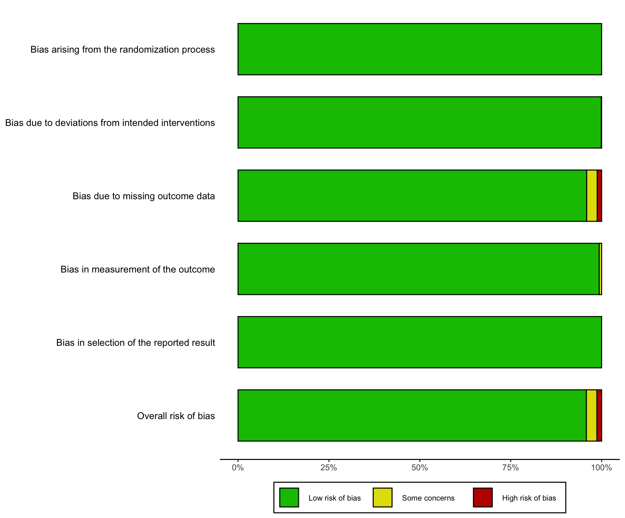

Supplemental Table 3. Research Question using PICO approach (Population, Intervention, Comparator, outcome).
Research Question: What is the relationship between the testosterone replacement therapy in patients with hypogonadism and the development of cardiovascular diseases and/or prostate cancer risk?
Element | Focus
P | Patients with hypogonadism
I | Testosterone replacement therapy (TRT)
C | No testosterone replacement therapy (or placebo / standard care / untreated hypogonadism)
O | Development of cardiovascular diseases and/or prostate cancer risk

