Sheet1
Supplementary Data 5. Results of in vitro urea production assays. Error bars indicate standard deviation.

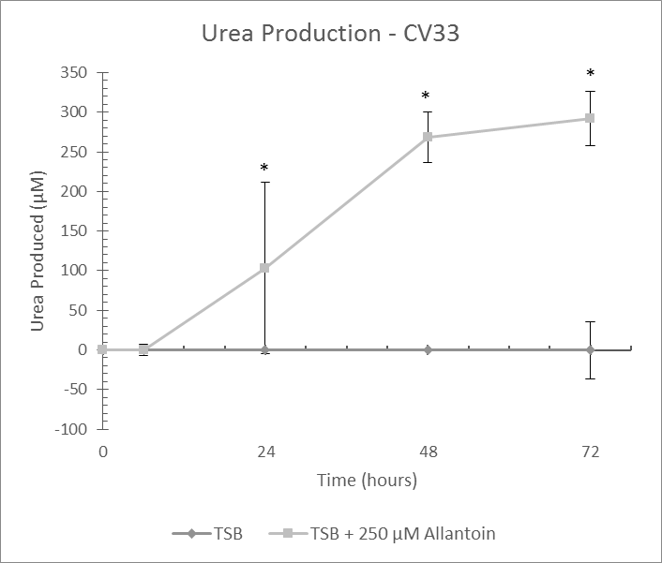
Colony: Cv33
Experiment Date: 11/1/2016
Allantoin (µM) | Time (hrs) | Urea Produced (µM)
 |  | Avg. | StDev. | P Value
0 | 0 | 0
0 | 6 | 0 | 0
0 | 24 | 0 | 0
0 | 48 | 0 | 0
0 | 72 | 0 | 36.1
250 | 0 | 0 |  | 1
250 | 6 | 0 | 7.3 | 0.526
250 | 24 | 103.3 | 108.4 | <0.001
250 | 48 | 268.1 | 32.1 | <0.001
250 | 72 | 291.6 | 34.4 | <0.001

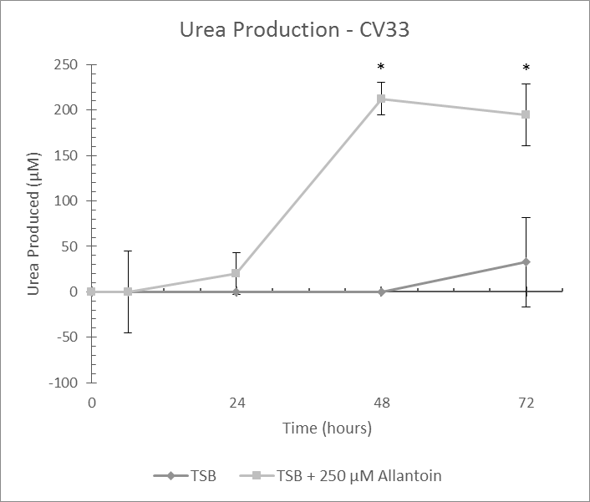
Colony: Cv33
Experiment Date: 11/4/2016
Allantoin (µM) | Time (hrs) | Urea Produced (µM)
 |  | Avg. | StDev. | P Value
0 | 0 | 0
0 | 6 | 0 | 0
0 | 24 | 0 | 0
0 | 48 | 0 | 0
0 | 72 | 32.6 | 48.8
250 | 0 | 0 |  | 1
250 | 6 | 0 | 45.3 | 0.627
250 | 24 | 20 | 23.3 | 0.096
250 | 48 | 212.6 | 18.3 | <0.001
250 | 72 | 194.7 | 33.6 | <0.001

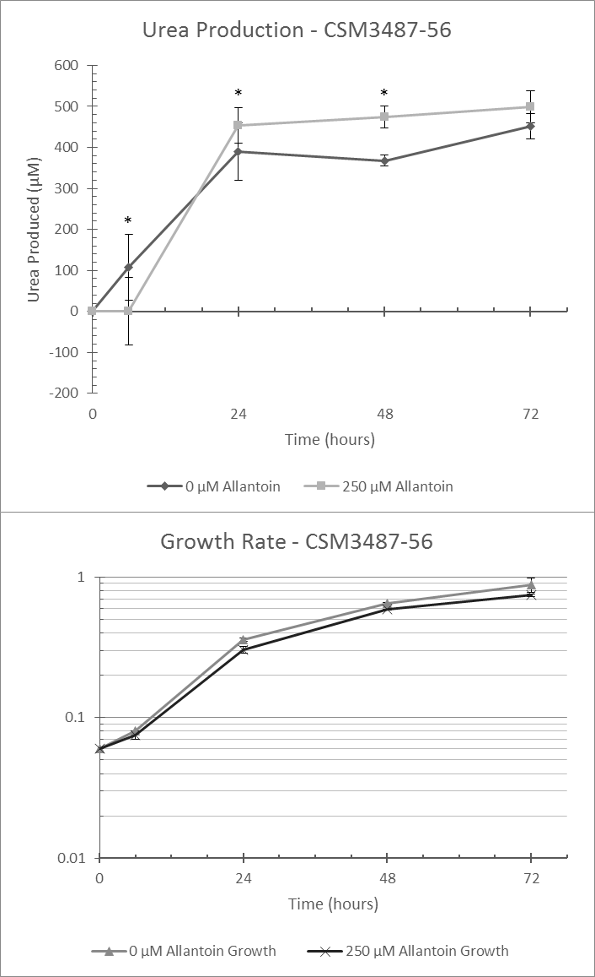
Colony: CSM3487-56
Experiment Date: 6/2/2017
Allantoin (µM) | Time (hrs) | Urea Produced (µM)
 |  | Avg. | StDev. | P Value
0 | 0 | 0
0 | 6 | 106.8 | 80.1
0 | 24 | 390.6 | 70.2
0 | 48 | 367.6 | 13.6
0 | 72 | 450.8 | 30.7
250 | 0 | 0 |  | 1
250 | 6 | 0 | 82.1 | <0.001
250 | 24 | 453.6 | 42.8 | 0.016
250 | 48 | 473.9 | 27.4 | <0.001
250 | 72 | 498.6 | 39.4 | 0.062

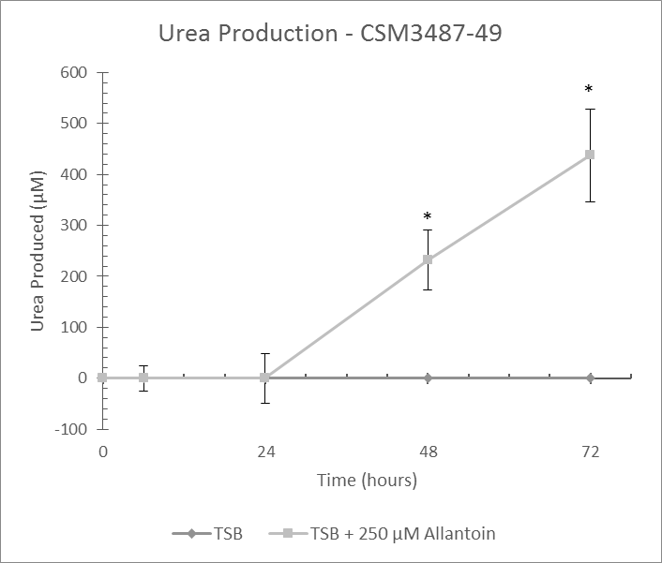
Colony: CSM3487-49
Experiment Date: 11/11/2016
Allantoin (µM) | Time (hrs) | Urea Produced (µM)
 |  | Avg. | StDev. | P Value
0 | 0 | 0
0 | 6 | 0 | 0
0 | 24 | 0 | 0
0 | 48 | 0 | 0
0 | 72 | 0 | 0
250 | 0 | 0 |  | 1
250 | 6 | 0 | 24.5 | 0.069
250 | 24 | 0 | 48.9 | 0.697
250 | 48 | 232.2 | 59.1 | <0.001
250 | 72 | 437.8 | 91 | <0.001

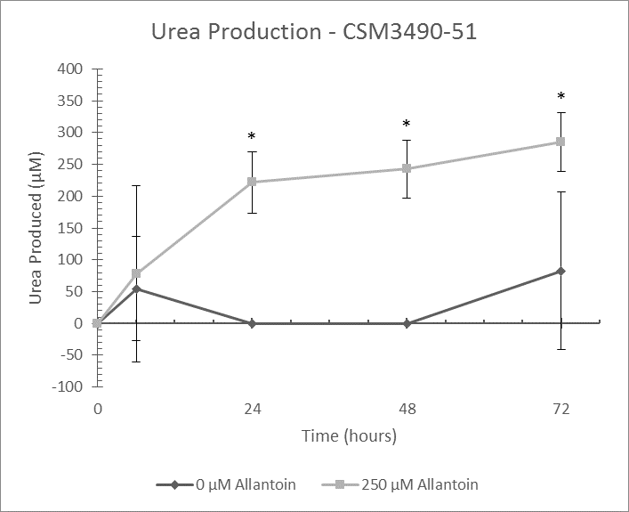
Colony: CSM3490-51
Experiment Date: 2/16/2017
Allantoin (µM) | Time (hrs) | Urea Produced (µM)
 |  | Avg. | StDev. | P Value
0 | 0 | 0
0 | 6 | 54.4 | 81.7
0 | 24 | 0 | 0
0 | 48 | 0 | 0
0 | 72 | 82.8 | 124.2
250 | 0 | 0 |  | 1
250 | 6 | 77.7 | 138.7 | 0.478
250 | 24 | 221.5 | 48.5 | <0.001
250 | 48 | 242.4 | 45.2 | <0.001
250 | 72 | 284.9 | 46.1 | <0.001

Colony: CSM3490-51
Experiment Date: 2/23/201
Allantoin (µM) | Time (hrs) | Urea Produced (µM)
 |  | Avg. | StDev. | P Value
0 | 0 | 0
0 | 6 | 110.1 | 27.7
0 | 24 | 107.1 | 76.1
0 | 48 | 112.6 | 21.5
0 | 72 | 108.6 | 94.9
250 | 0 | 0 |  | N/A
250 | 6 | 86.4 | 32.9 | N/A
250 | 24 | 109.3 | 102.3 | N/A
250 | 48 | 99.8 | 50.3 | N/A
250 | 72 | 132.5 | 59.9 | N/A

Colony: CSM3490-52
Experiment Date: 5/19/2017
Allantoin (µM) | Time (hrs) | Urea Produced (µM)
 |  | Avg. | StDev. | P Value
0 | 0 | 0
0 | 6 | 144.2 | 7.6
0 | 24 | 305 | 56.9
0 | 48 | 281.1 | 32.8
0 | 72 | 275.5 | 49.5
250 | 0 | 0 | 0 | 1
250 | 6 | 132.9 | 28.9 | 0.567
250 | 24 | 216.2 | 28.1 | <0.001
250 | 48 | 459 | 53.7 | <0.001
250 | 72 | 485.1 | 57.7 | <0.001

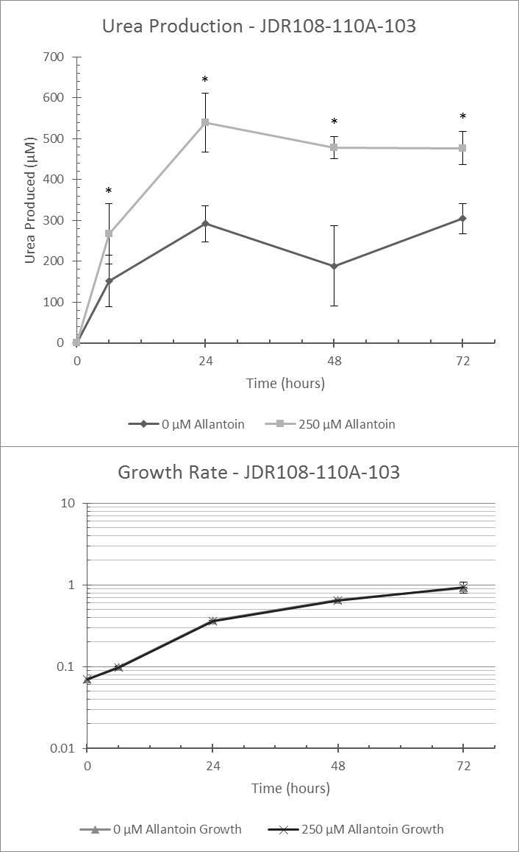
Colony: JDR108-110A-103
Experiment Date: 5/12/2017
Allantoin (µM) | Time (hrs) | Urea Produced (µM)
 |  | Avg. | StDev. | P Value
0 | 0 | 0 | 0
0 | 6 | 152.2 | 63.2
0 | 24 | 291.9 | 44.8
0 | 48 | 188.8 | 98.5
0 | 72 | 304.6 | 37.4
250 | 0 | 0 | 0 | 1
250 | 6 | 267.3 | 73.7 | <0.001
250 | 24 | 540.2 | 72.1 | <0.001
250 | 48 | 479 | 27 | <0.001
250 | 72 | 477.2 | 40.2 | <0.001

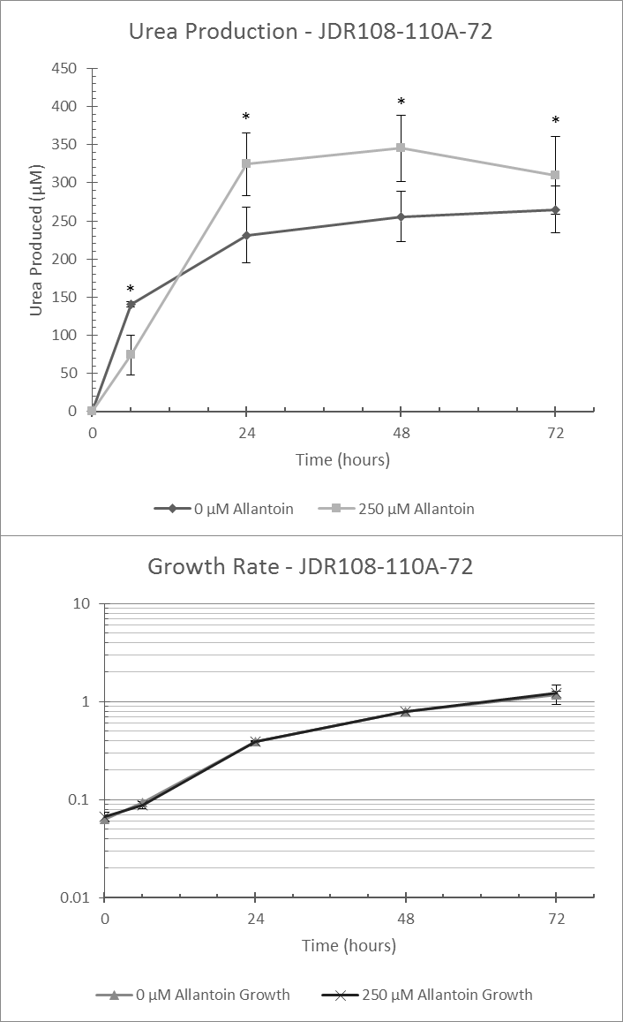
Colony: JDR108-110A-72
Experiment Date: 5/12/2017
Allantoin (µM) | Time (hrs) | Urea Produced (µM)
 |  | Avg. | StDev. | P Value
0 | 0 | 0
0 | 6 | 140.9 | 3.5
0 | 24 | 231.5 | 36.7
0 | 48 | 255.5 | 33.1
0 | 72 | 264.8 | 30.9
250 | 0 | 0 |  | 1
250 | 6 | 74.1 | 26.4 | <0.001
250 | 24 | 324.5 | 41.4 | <0.001
250 | 48 | 345.1 | 43.5 | <0.001
250 | 72 | 309.8 | 50.8 | 0.005

Colony: SP57-223A
Experiment Date: 2/28/2017
Allantoin (µM) | Time (hrs) | Urea Produced (µM)
 |  | Avg. | StDev. | P Value
0 | 0 | 0 | 0
0 | 6 | 0 | 0
0 | 24 | 0 | 0
0 | 48 | 51.6 | 77.3
0 | 72 | 307.2 | 63.8
250 | 0 | 0 | 0 | 1
250 | 6 | 38.9 | 64.1 | 0.057
250 | 24 | 150.1 | 43 | <0.001
250 | 48 | 206.9 | 47.1 | <0.001
250 | 72 | 239.4 | 37.3 | 0.002

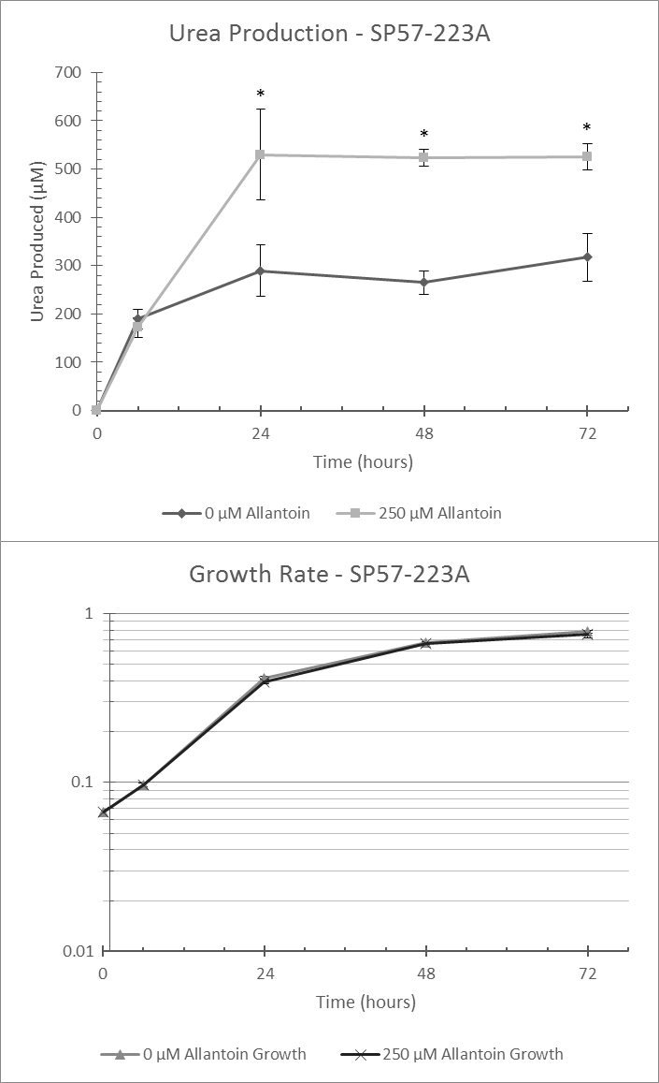
Colony: SP57-223A
Experiment Date: 5/31/2017
Allantoin (µM) | Time (hrs) | Urea Produced (µM)
 |  | Avg. | StDev. | P Value
0 | 0 | 0
0 | 6 | 189.6 | 20.2
0 | 24 | 289.8 | 53.6
0 | 48 | 265.4 | 24.3
0 | 72 | 317.4 | 49.5
250 | 0 | 0 |  | 1
250 | 6 | 171.7 | 19.8 | 0.369
250 | 24 | 530.1 | 93.8 | <0.001
250 | 48 | 523.1 | 17.7 | <0.001
250 | 72 | 525.1 | 27.1 | <0.001

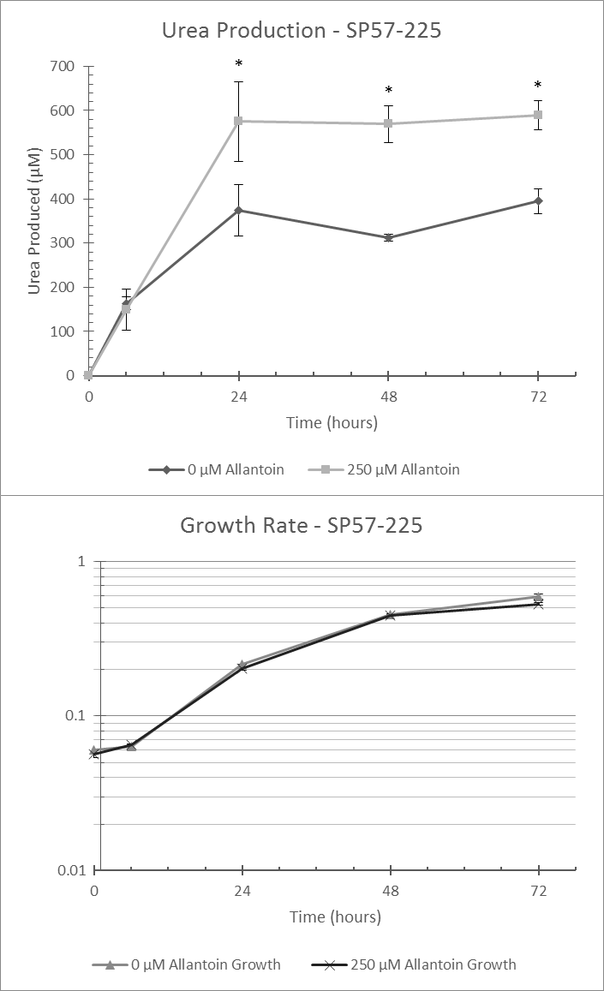
Colony: SP57-225
Experiment Date: 5/31/2017
Allantoin (µM) | Time (hrs) | Urea Produced (µM)
 |  | Avg. | StDev. | P Value
0 | 0 | 0
0 | 6 | 163.9 | 15.1
0 | 24 | 374.4 | 57.4
0 | 48 | 311.4 | 7.6
0 | 72 | 395.2 | 27.9
250 | 0 | 0 |  | 1
250 | 6 | 149 | 46.6 | 0.427
250 | 24 | 574.9 | 89.9 | <0.001
250 | 48 | 569.1 | 40.8 | <0.001
250 | 72 | 589.2 | 32.5 | <0.001

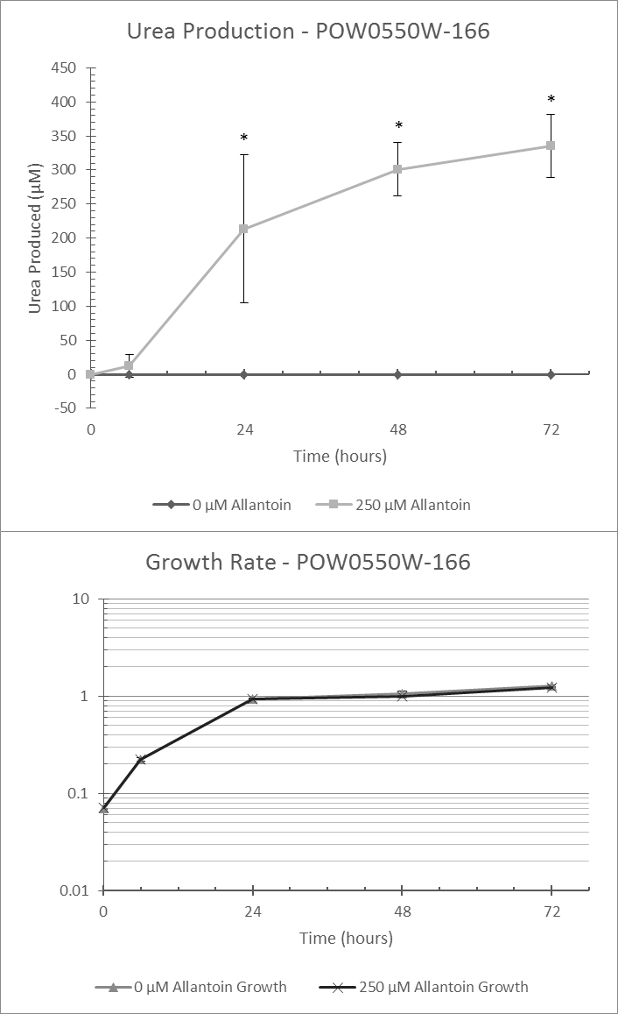
Colony: POW0550W-166
Experiment Date: 4/20/2017
Allantoin (µM) | Time (hrs) | Urea Produced (µM)
 |  | Avg. | StDev. | P Value
0 | 0 | 0
0 | 6 | 0 | 0
0 | 24 | 0 | 0
0 | 48 | 0 | 0
0 | 72 | 0 | 0
250 | 0 | 0 |  | 1
250 | 6 | 11.8 | 16.6 | 0.53
250 | 24 | 213.6 | 108.2 | <0.001
250 | 48 | 301.1 | 38.8 | <0.001
250 | 72 | 335.3 | 45.9 | <0.001

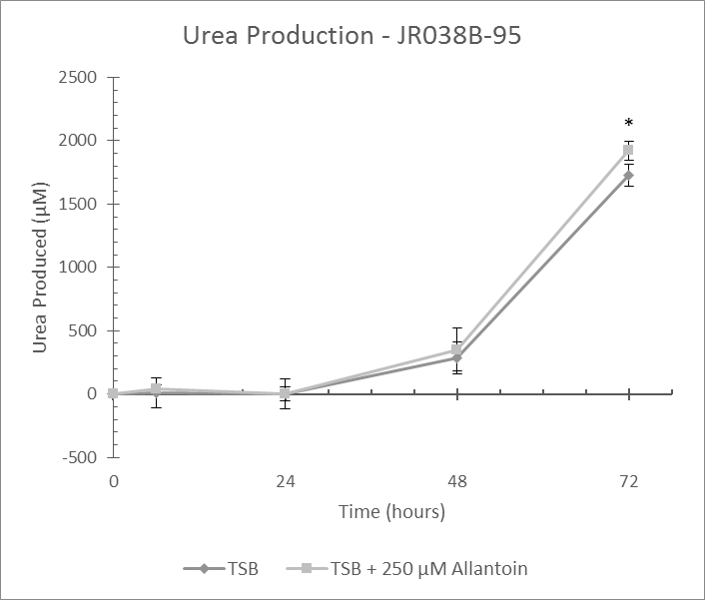
Colony: JR038B-95
Experiment Date: 11/18/2016
Allantoin (µM) | Time (hrs) | Urea Produced (µM)
 |  | Avg. | StDev. | P Value
0 | 0 | 0
0 | 6 | 6.4 | 118.6
0 | 24 | 0 | 119.4
0 | 48 | 288.7 | 125.7
0 | 72 | 1728.2 | 89.3
250 | 0 | 0 |  | 1
250 | 6 | 36.9 | 37.2 | 0.529
250 | 24 | 0 | 56.2 | 0.99
250 | 48 | 348.9 | 169 | 0.218
250 | 72 | 1920.7 | 72.9 | <0.001

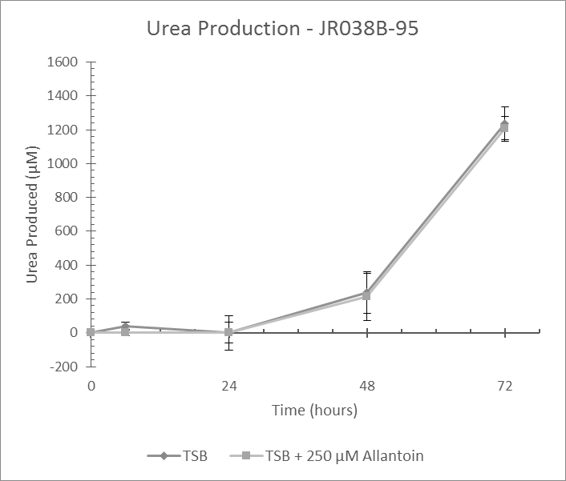
Colony: JR038B-95
Experiment Date: 11/22/2016
Allantoin (µM) | Time (hrs) | Urea Produced (µM)
 |  | Avg. | StDev. | P Value
0 | 0 | 0
0 | 6 | 39.6 | 23.5
0 | 24 | 0 | 61.9
0 | 48 | 237.4 | 123.8
0 | 72 | 1236.9 | 97
250 | 0 | 0 |  | N/A
250 | 6 | 0 | 18.6 | N/A
250 | 24 | 0 | 103.1 | N/A
250 | 48 | 213.2 | 139.5 | N/A
250 | 72 | 1205.5 | 73 | N/A

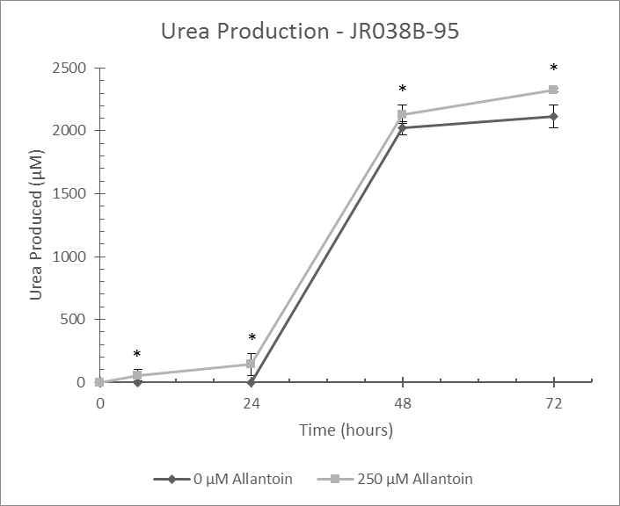
Colony: JR038B-95
Experiment Date: 1/30/2017
Allantoin (µM) | Time (hrs) | Urea Produced (µM)
 |  | Avg. | StDev. | P Value
0 | 0 | 0
0 | 6 | 0 | 0
0 | 24 | 0 | 0
0 | 48 | 2021.2 | 49.6
0 | 72 | 2114.5 | 92.2
250 | 0 | 0 |  | 1
250 | 6 | 54.4 | 45.7 | 0.016
250 | 24 | 141.6 | 86.6 | <0.001
250 | 48 | 2132.1 | 71.2 | <0.001
250 | 72 | 2325 | 14 | <0.001

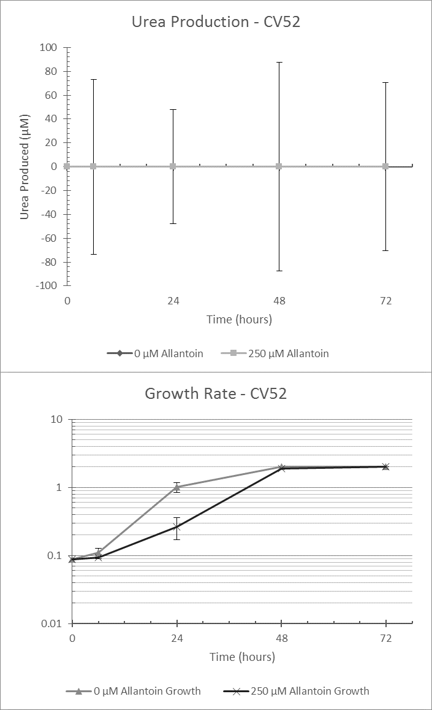
Colony: Cv52
Experiment Date: 5/2/2017
Allantoin (µM) | Time (hrs) | Urea Produced (µM)
 |  | Avg. | StDev. | P Value
0 | 0 | 0
0 | 6 | 0 | 0
0 | 24 | 0 | 0
0 | 48 | 0 | 0
0 | 72 | 0 | 0
250 | 0 | 0 |  | 1
250 | 6 | 0 | 73.3 | 0.282
250 | 24 | 0 | 47.7 | 0.42
250 | 48 | 0 | 87.6 | <0.001
250 | 72 | 0 | 70.4 | <0.001

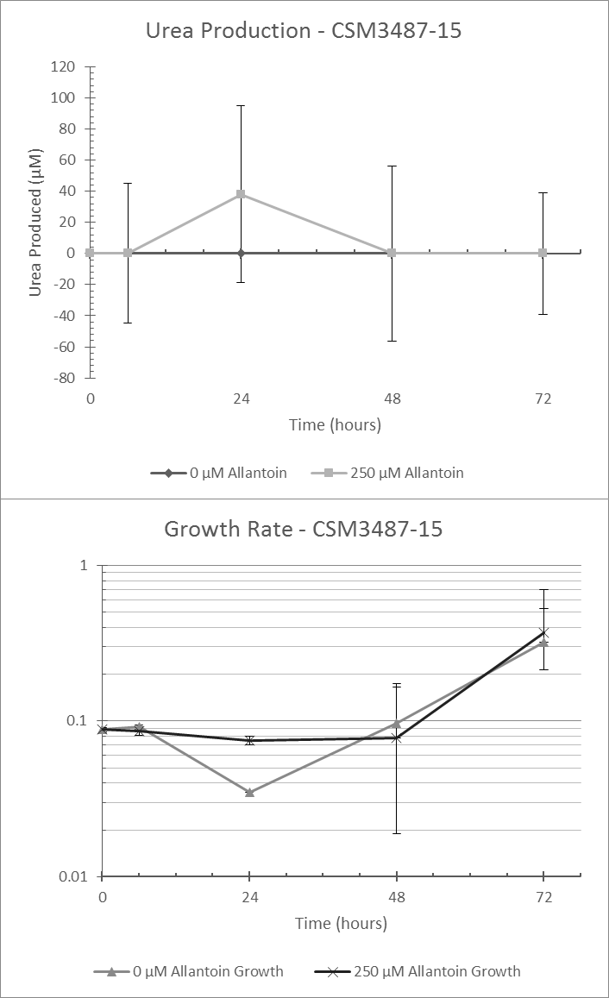
Colony: CSM3487-15
Experiment Date: 4/11/2017
Allantoin (µM) | Time (hrs) | Urea Produced (µM)
 |  | Avg. | StDev. | P Value
0 | 0 | 0
0 | 6 | 0 | 0
0 | 24 | 0 | 0
0 | 48 | 0 | 0
0 | 72 | 0 | 0
250 | 0 | 0 | 0 | N/A
250 | 6 | 0 | 45 | N/A
250 | 24 | 37.9 | 56.9 | N/A
250 | 48 | 0 | 56.2 | N/A
250 | 72 | 0 | 39.2 | N/A

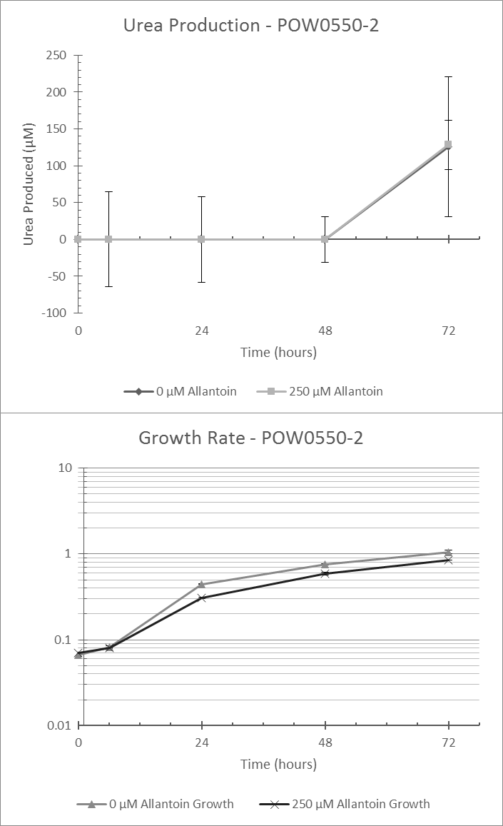
Colony: POW0550W-2
Experiment Date: 4/11/2017
Allantoin (µM) | Time (hrs) | Urea Produced (µM)
 |  | Avg. | StDev. | P Value
0 | 0 | 0 | 0
0 | 6 | 0 | 0
0 | 24 | 0 | 0
0 | 48 | 0 | 0
0 | 72 | 125.9 | 95.1
250 | 0 | 0 | 0 | N/A
250 | 6 | 0 | 64.4 | N/A
250 | 24 | 0 | 58.3 | N/A
250 | 48 | 0 | 31.1 | N/A
250 | 72 | 128.3 | 33.6 | N/A

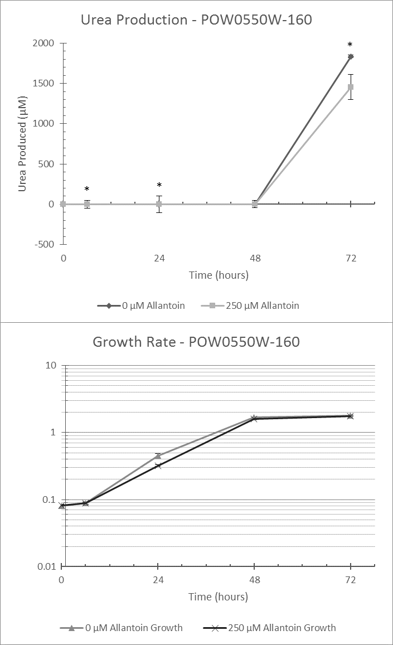
Colony: POW0550W-160
Experiment Date: 4/21/2017
Allantoin (µM) | Time (hrs) | Urea Produced (µM)
 |  | Avg. | StDev. | P Value
0 | 0 | 0
0 | 6 | 0 | 0
0 | 24 | 0 | 0
0 | 48 | 0 | 0
0 | 72 | 1835.4 | 16.6
250 | 0 | 0 | 0 | 1
250 | 6 | 0 | 49.3 | 0.028
250 | 24 | 0 | 102.9 | 0.02
250 | 48 | 0 | 45.7 | 0.309
250 | 72 | 1454.8 | 157.3 | <0.001

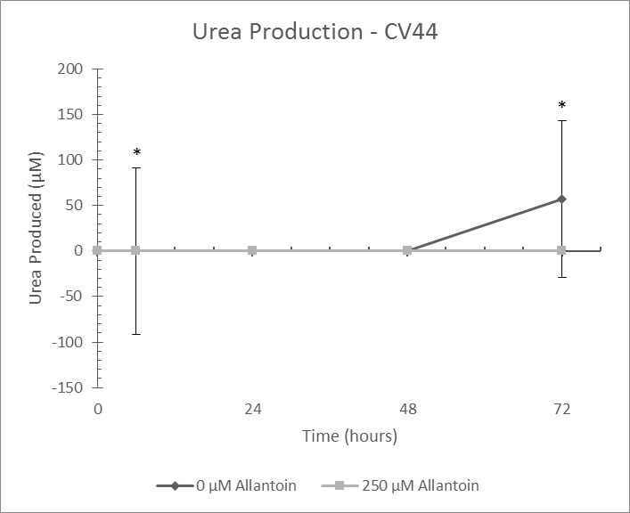
Colony: CV44
Experiment Date: 2/16/2017
Allantoin (µM) | Time (hrs) | Urea Produced (µM)
 |  | Avg. | StDev. | P Value
0 | 0 | 0
0 | 6 | 0 | 0
0 | 24 | 0 | 0
0 | 48 | 0 | 0
0 | 72 | 57.2 | 85.8
250 | 0 | 0 |  | 1
250 | 6 | 0 | 91.5 | 0.002
250 | 24 | 0 | 0 | 1
250 | 48 | 0 | 0 | 1
250 | 72 | 0 | 0 | 0.004

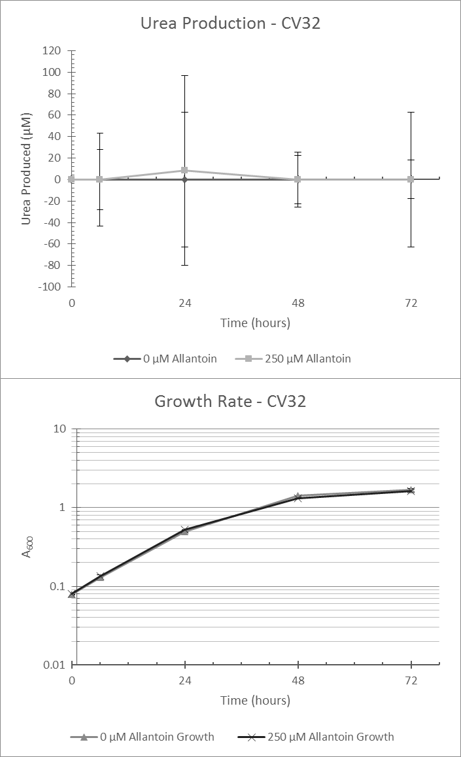
Colony: CV32
Experiment Date: 2/23/2017
Allantoin (µM) | Time (hrs) | Urea Produced (µM)
 |  | Avg. | StDev. | P Value
0 | 0 | 0
0 | 6 | 0 | 28.2
0 | 24 | 0 | 62.6
0 | 48 | 0 | 25.6
0 | 72 | 0 | 62.9
250 | 0 | 0 |  | N/A
250 | 6 | 0 | 43 | N/A
250 | 24 | 8.5 | 88.3 | N/A
250 | 48 | 0 | 22.7 | N/A
250 | 72 | 0 | 17.9 | N/A

