PB_preassembler_statistics
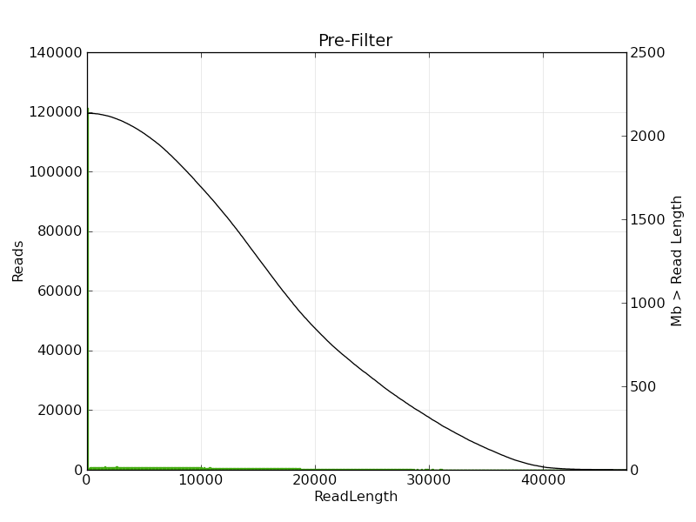
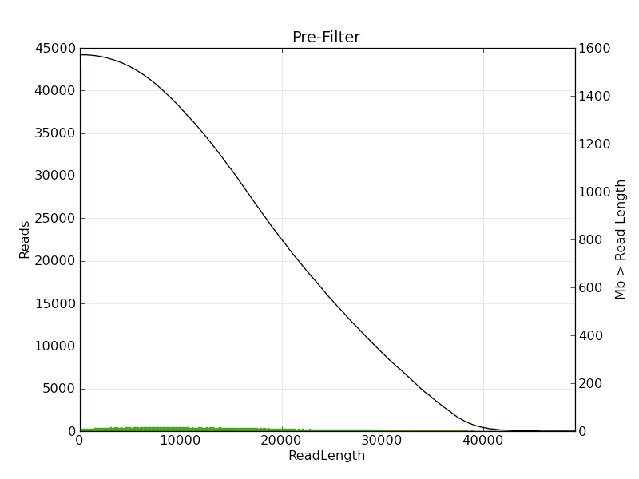
PacBio RSII |  |  | YPH499 | S799
strain name | YPH499 | S799 | Polymerase Read Length
SMRT Cells | 1 cell | 2 cells

preassembler_report | YPH499 | S799
Polymerase Read Bases | 1445744942 | 1274523883
Seed Bases | 150012001 | 390044782
Pre-Assembled Yield | 0.65684798112 | 0.60088903843
Pre-Assembled Reads Length | 15248 | 11936
Length Cutoff | 23197 | 17554
Pre-Assembled bases | 98535080 | 234373634
Pre-Assembled Reads | 6462 | 19635
Pre-Assembled N50 | 23288 | 18187
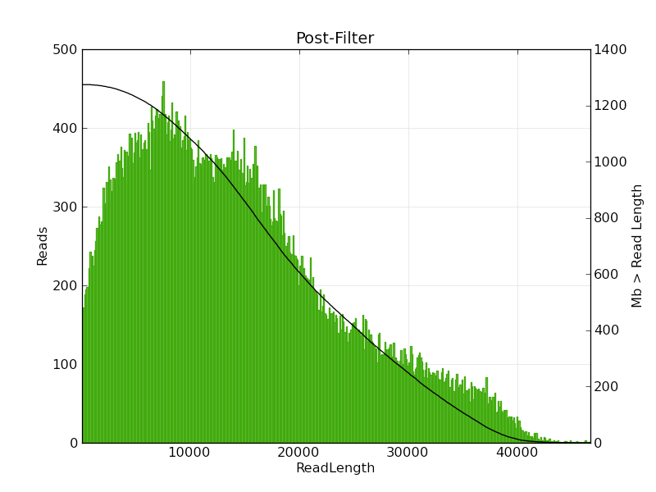
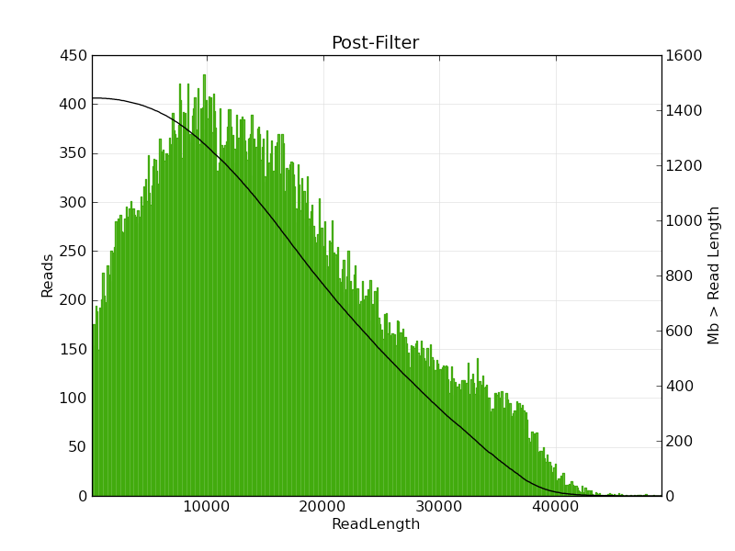
Details
Pre-Filter | YPH499 | S799
Polymerase Read Bases | 1577021979 | 2143364678
Polymerase Reads | 150292 | 300584
Polymerase Read N50 | 20351 | 17293
Polymerase Read Length | 10493 | 7130
Polymerase Read Quality | 0.594 | 0.49
Post-Filter
Polymerase Read Bases | 1449501272 | 1279136710
Polymerase Reads | 92564 | 89064
Polymerase Read N50 | 20955 | 19409
Polymerase Read Length | 15659 | 14361
Polymerase Read Quality | 0.855 | 0.867 | Polymerase Read Quality
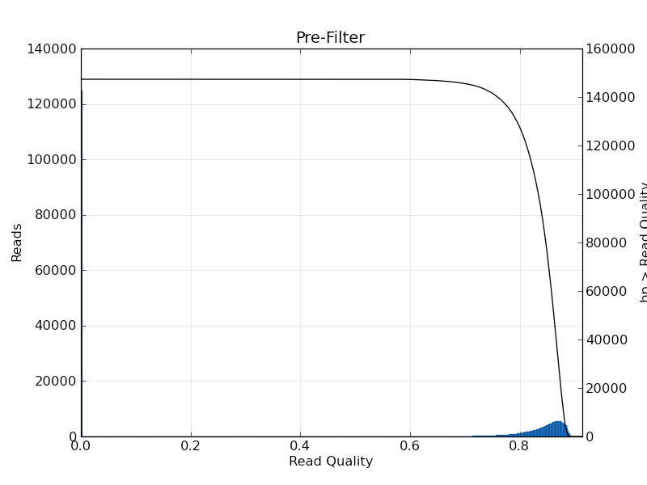
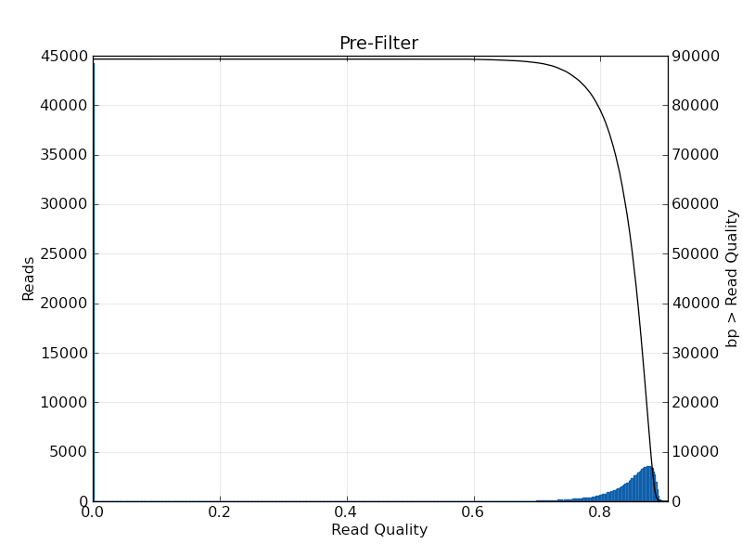
Filtered subreads inf.
Mean Subread length | 11451 | 10813
Total Number of Bases | 1445744942 | 1274523883
N50 | 15644 | 15247
Number of Reads | 126245 | 117859

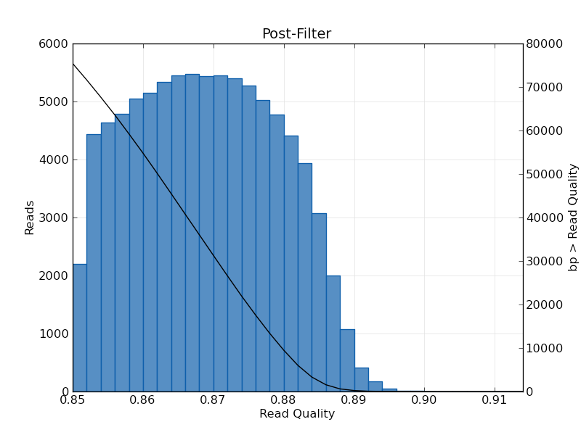
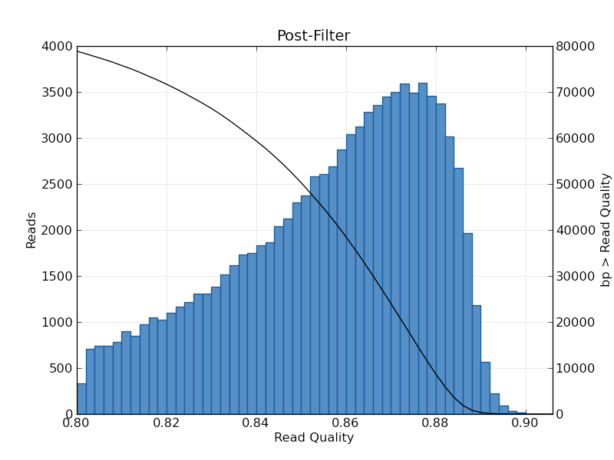
Post Assemble
Assembled by Sprai | YPH499 | S799
TotalContigsInScaffolds | 143 | 180
TotalBasesInScaffolds | 15226472 | 16046393
MeanContigLength | 106479 | 89147
MinContigLength | 12636 | 13823
MaxContigLength | 1541881 | 1484878
N25ContigBases | 954410 | 944043
N50ContigBases | 745680 | 691340
N75ContigBases | 318864 | 225174
ContigAt10000000 | 579209 | 526765

Mapping info
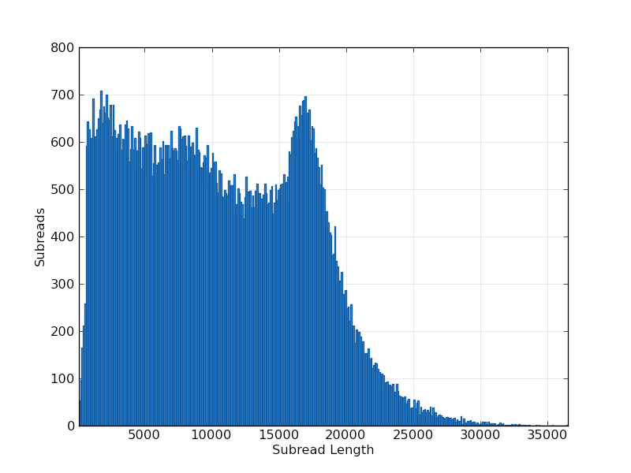
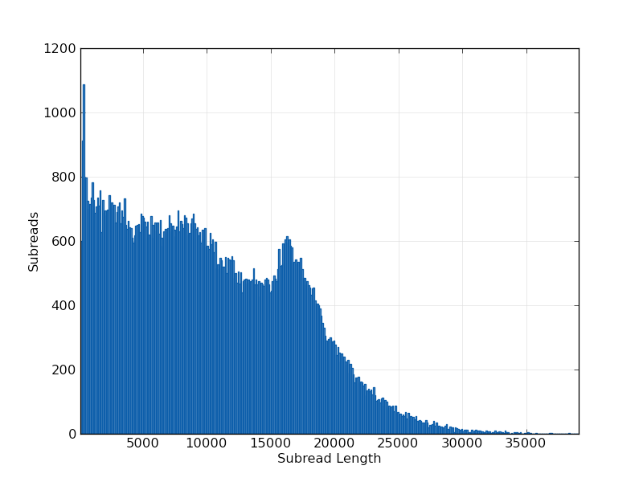
PacBio RSII (mapped by SMRT Analysis) |  |  | Illumina MiSeq (300x2 paired end, mapped by BWA)
strain name | YPH499 | S799 | YPH499 | sequence length | #mapped reads | #unmapped reads
Mapped Read | 93991 | 157517 | YPH499chr01 | 231162 | 197087 | 450
Mapped Polymerase Read Length | 13378 | 11156 | YPH499chr02 | 806713 | 677007 | 1418
Mapped Polymerase Read Length n50 | 18986 | 18383 | YPH499chr03 | 318963 | 272151 | 553
Mapped Subreads | 124482 | 195747 | YPH499chr04 | 1542009 | 1252954 | 2696
Mapped Subread Bases | 1246678561 | 1741889835 | YPH499chr05 | 592393 | 507332 | 1101
Mapped Subread Length | 10015 | 8898 | YPH499chr06 | 271576 | 236662 | 574
Mapped Subread Accuracy | 0.8647 | 0.864 | YPH499chr07 | 1091628 | 896323 | 1860
 |  |  | YPH499chr08 | 579247 | 492802 | 1096
Mapped Subread Accuracy |  |  | YPH499chr09 | 440721 | 381387 | 873
 |  |  | YPH499chr10 | 689645 | 582645 | 1439
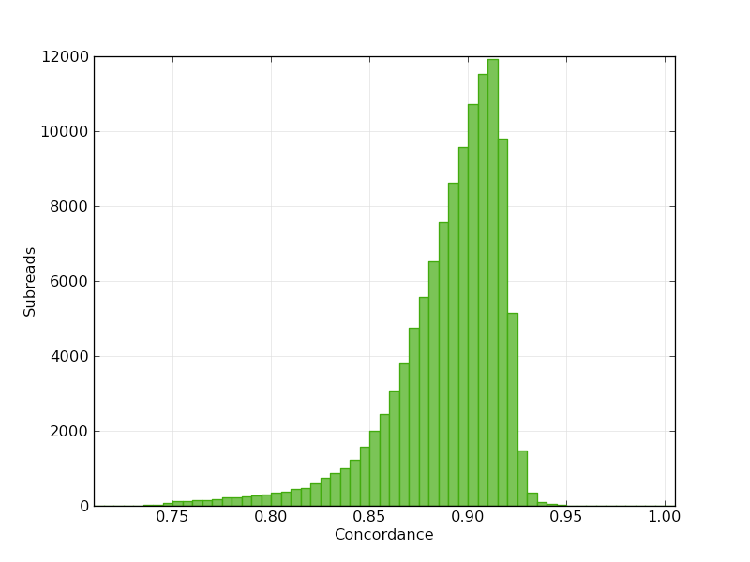
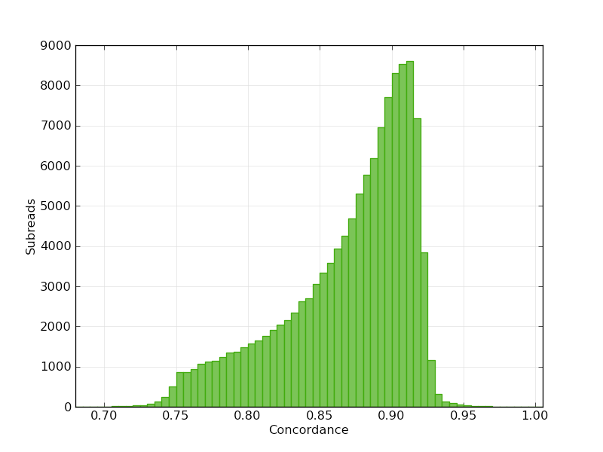
 |  |  | YPH499chr11 | 667644 | 570218 | 1207
 |  |  | YPH499chr12 | 1220221 | 1623860 | 3752
 |  |  | YPH499chr13 | 913384 | 762900 | 1650
 |  |  | YPH499chr14 | 811274 | 683116 | 1541
 |  |  | YPH499chr15 | 1096690 | 898932 | 1892
 |  |  | YPH499chr16 | 954487 | 793659 | 1661
 |  |  | YPH499chrM | 85826 | 223265 | 384
 |  |  |  | 0 | 0 | 267500

 |  |  | S799 | sequence length | #mapped reads | #unmapped reads
 |  |  | S799chr01 | 225215 | 503430 | 969
 |  |  | S799chr02 | 818364 | 1497573 | 2675
Mapped Polymerase Read Length |  |  | S799chr03 | 272045 | 573792 | 1445
 |  |  | S799chr04 | 1484921 | 2398323 | 4516
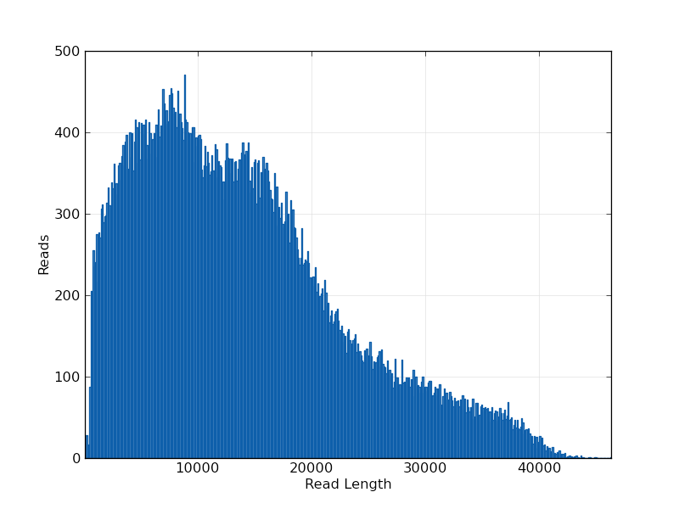
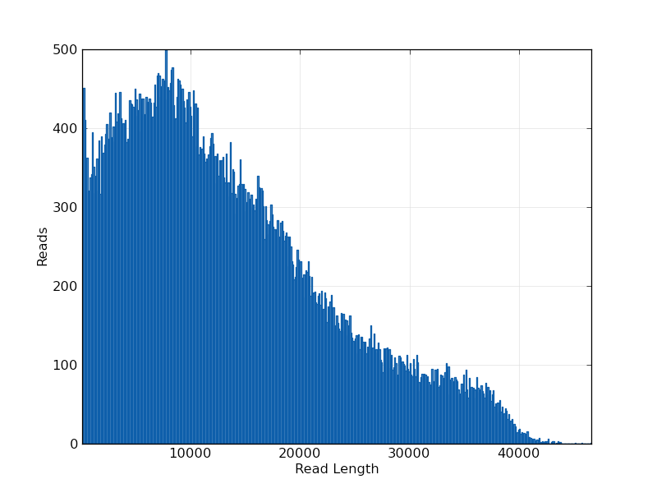
 |  |  | S799chr05 | 584260 | 1127044 | 2190
 |  |  | S799chr06 | 305721 | 674371 | 1345
 |  |  | S799chr07 | 1081167 | 1918093 | 3732
 |  |  | S799chr08 | 530893 | 1017861 | 1900
 |  |  | S799chr09 | 451282 | 918593 | 1589
 |  |  | S799chr10 | 737971 | 1379312 | 2588
 |  |  | S799chr11 | 691406 | 1298804 | 2344
 |  |  | S799chr12 | 1115160 | 2502741 | 10994
 |  |  | S799chr13 | 929719 | 1666587 | 3105
 |  |  | S799chr14 | 798660 | 1447356 | 2884
 |  |  | S799chr15 | 1065789 | 1888367 | 3819
 |  |  | S799chr16 | 944067 | 1698358 | 2924
Mapped Subread Length |  |  | S799chrM | 84569 | 2092610 | 3329
 |  |  |  | 0 | 0 | 812544

