Supplementary Figure 8
Supplementary figure 8

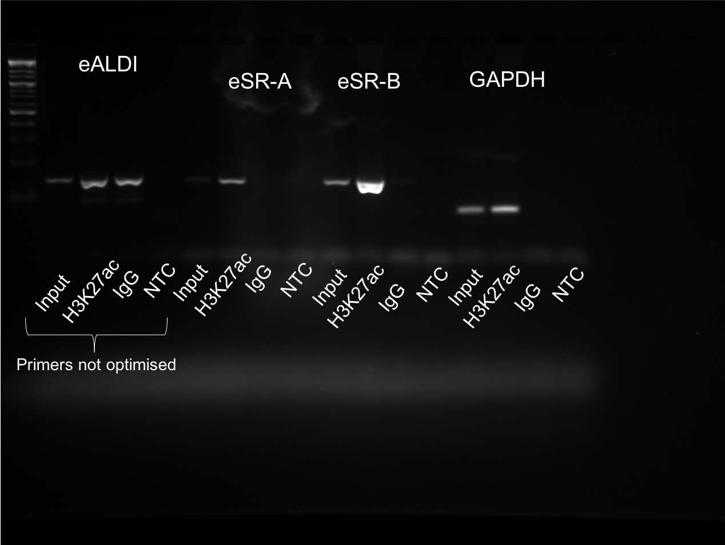
Ladder

 | Repeated eALDI PCR used in paper
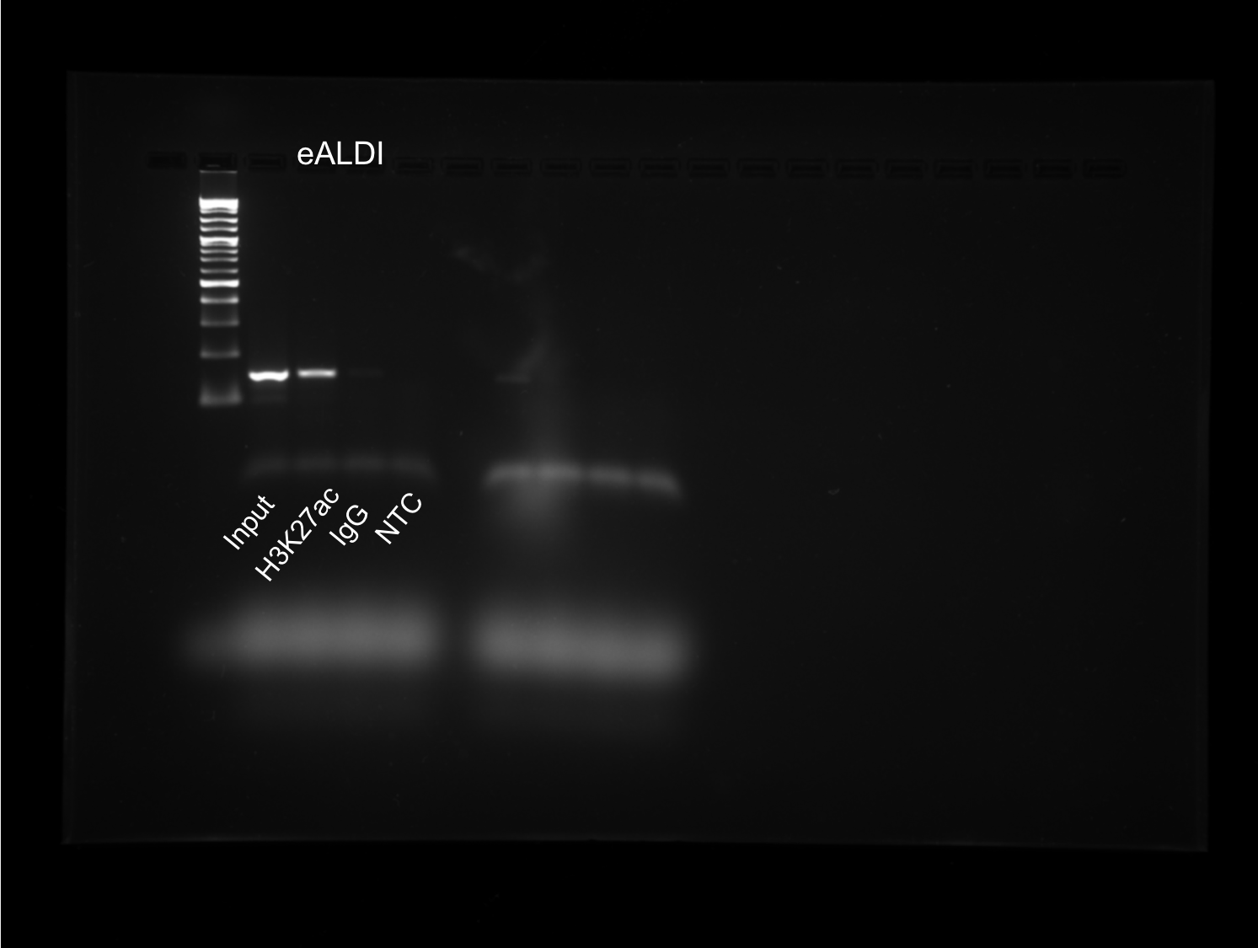

Ladder

3 kb

0.5 kb

0.1 kb

